Data and Instruction
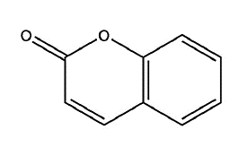
 | Product name | Coumarin
 | Canonical SMILE | C1=CC=C2C(=C1)C=CC(=O)O2
 | Molar mass (g/mol) | 146.14
 | fusion enthalpy (kJ/mol) | 16.04
 | fusion temperature (K) | 344
 | density (g/cc) | 0.935
 | R (universal gas constant J/mol.K) | 8.314472

 | Instruction
1 | Input data information available (Yellow cells in all sheets)
2 | Select sheet "Calculation" and estimate fusion heat
3 | Select sheet "Van Krevelen" and and get a trial values of HSP
4 | If there are information about experimental solubility in solvents, use it to select Flory-Higgin chi models (Hansen or Hildebrand)
5 | In sheet "Vanillic acid" choose option and estimate both good and bad solvents
6 | Select sheet "HP Sphere" and run solver add-in to calculate HSP and Hansen sphere

 |  | ,

Solubility literature
V1 | 156.30 | 1 | Y-MB | 26.46 | 19.8 | 8.6 | 15.3 |  |  |  |  | 1
ΔH° fusion | 16.04 | kJ/mol | Van Krevelen | 15.12 | 12.9 | 5.60 | 5.6559590455 |  |  |  |  |  |  |  | xt |  | 4.21E-01
Tfus | 344 | K |  |  |  |  |  |  |  |  |  |  |  |  | α |  | 1
PM solido | 146.14 | g/mol |  |  |  |  |  |  |  |  |  |  |  | opcion |  |  | 1
densidad sol | 0.935
R | 8.3145 | J/mol.K
 |  |  |  |  |  |  |  |  |  |  |  |  |  |  |  |  |  |  |  |  |  | sparingly | moderadamente
 | no | Solvent | PM | dt | dd | dp | dH | Vol Molar | Ra | TERM 1 Φi | TERM 2 Φj | TERM3 χij | TERM3 χij | ɣ |  | Solub molar exp | Solub molar | SCR | Solub Masica | Parte solv/partes soluto | SCORE
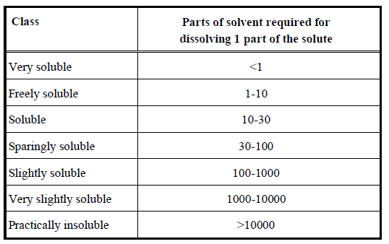
 | 1 | 1 propanol | 60.1 | 24.596747752 | 16 | 6.8 | 17.4 | 75.1 | 13.37 | 9.29E-02 | 9.071E-01 | 2.820 | 5.660 | 7.561 |  | 4.69E-02 | 5.565E-02 | 7.640E-05 | 0.1253 | 6.98 | 1
 | 2 | 2 propanol | 60.1 | 23.575623003 | 15.8 | 6.1 | 16.4 | 76.9 | 12.26 | 6.89E-02 | 9.311E-01 | 2.370 | 4.506 | 5.852 |  | 3.51E-02 | 7.190E-02 | 1.353E-03 | 0.1585 | 5.31 | 1
 | 3 | Ethanol | 46.07 | 26.522443326 | 15.8 | 8.8 | 19.4 | 58.6 | 15.29 | 1.31E-01 | 8.694E-01 | 3.686 | 8.194 | 9.324 |  | 5.33E-02 | 4.513E-02 | 6.713E-05 | 0.1304 | 6.67 | 1
 | 4 | methanol | 32.04 | 29.405271636 | 14.7 | 12.3 | 22.3 | 40.6 | 18.32 | 2.53E-01 | 7.469E-01 | 5.291 | 12.863 | 7.126 |  | 8.09E-02 | 5.905E-02 | 4.779E-04 | 0.2225 | 3.49 | 1
 | 5 | hexane | 86.18 | 14.900671126 | 14.9 | 0.1 | 0.1 | 127.5 | 8.82 | 3.91E-03 | 9.961E-01 | 1.226 | 0.003 | 3.301 |  | 3.19E-03 | 1.275E-01 | 1.545E-02 | 0.1986 | 4.04 | 1
 | 6 | cyclohexane | 84.16 | 16.801190434 | 16.8 | 0 | 0.2 | 108.9 | 11.10 | 6.13E-03 | 9.939E-01 | 1.943 | 0.178 | 6.333 |  | 4.28E-03 | 6.644E-02 | 3.864E-03 | 0.1100 | 8.09 | 1
 |  |  |  |  |  |  |  |  |  |  |  |  |  | 6.583 |  |  |  | 2.129E-02

 |  | TERM 1 Φi para i=1
 |  | TERM 2 Φi para i=2

 |  | TERM3 χij option 1

 |  | TERM3 χij option 2

 |  | ɣ

 |  | Xt calculation

 |  | Solubility estimation

