001A
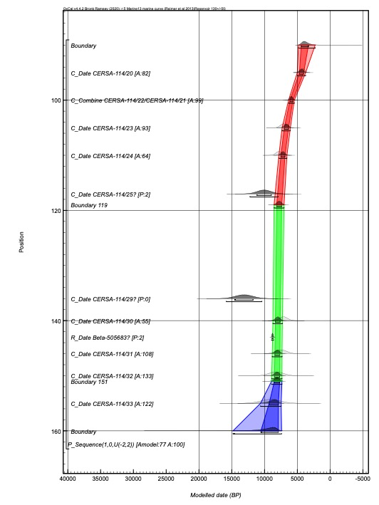
Depth in core (cm) | Label | Event' | Modelled date (cal BP) (95% probability) | Interpretation of depth (if applicable)
95 | CERSA-114/20 | OSL | 5010–3735
100 | CERSA-114/22/CERSA-114/21 | OSL | 6335–5455
105 | CERSA-114/23 | OSL | 7315–6060
110 | CERSA-114/24 | OSL | 7815–6580
117 | CERSA-114/25 | OSL | outlier
119 | Boundary 119 | lithostrat transition | 8545–7025 | end Tsunami deposit/esturaine mudflats
136 | CERSA-114/29 | OSL | outlier
140 | CERSA-114/30 | OSL | 8720–7280
143 | Beta-505683 | 14C | outlier
146 | CERSA-114/31 | OSL | 8825–7330
150 | CERSA-114/32 | OSL | 8905–7340
151 | Boundary 151 | lithostrat transition | 8935–7340 | start Tsunami deposit
155 | CERSA-114/33 | OSL | 10615–7465

002
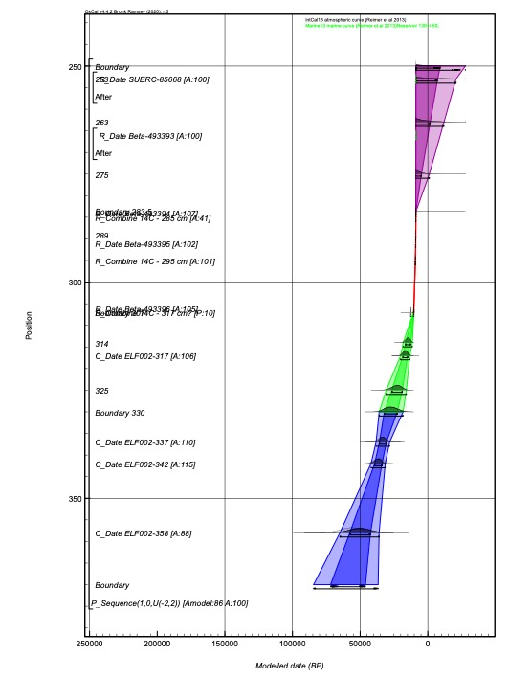
Depth in core (cm) | Label | Event' | Modelled date (cal BP) (95% probability) | Interpretation of depth (if applicable)
253 | SUERC-85668 | 14C (shell tpq) | 9095–8780
253 | Date 253 |  | <8780
263 | Date 263 |  | <8780
266 | Beta-493393 | 14C (shell tpq) | 9005–8700
275 | Date 275 |  | <8865
283.5 | Boundary 283.5 | lithostrat transition | 8915–8580
284 | Beta-493394 | 14C | 8910–8755
285 | 14C - 285 cm | 14C | 8915–8780
289 | Date 289 |  | 8975–8820
291 | Beta-493395 | 14C | 8995–8850
295 | 14C - 295 cm | 14C | 9265–9030
306 | Beta-493396 | 14C | 10380–10225
307 | Boundary 307 | lithostrat transition | 10635–10225
314 | Date 314 |  | 18145–11415
317 | 14C - 317 cm | 14C | outlier (T'=140.2; df=1; T'(5%)=3.8)
317 | ELF002-317 | OSL | 20020–13260
325 | Date 325 |  | 30820–15845
330 | Boundary 330 | lithostrat transition | 35830–18150
337 | ELF002-337 | OSL | 38195–28155
342 | ELF002-342 | OSL | 42100–31500
358 | ELF002-358 | OSL | 64430–36200

007
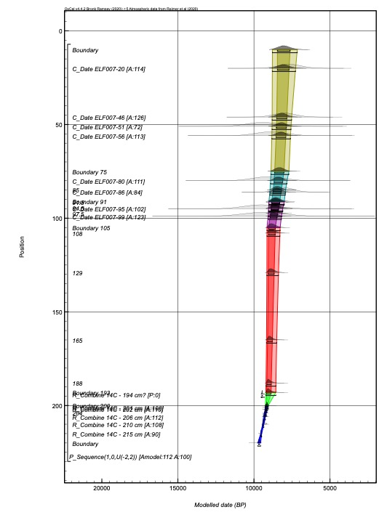
Depth in core (cm) | Label | Event' | Modelled date (cal BP) (95% probability) | Interpretation of depth (if applicable)
20 | ELF007-20 (OSL) | OSL | 8795–7260
46 | ELF007-46 (OSL) | OSL | 8805–7520
51 | ELF007-51 (OSL) | OSL | 8810–7560
56 | ELF007-56 (OSL) | OSL | 8820–7595
75 | Boundary 75 | lithostrat transition | 8885–7700
80 | ELF007-80 (OSL) | OSL | 8910–7825
85 | Date 85 |  | 8945–7920
86 | ELF007-86 (OSL) | OSL | 8955–7935
91 | Boundary 90 | lithostrat transition | 9020–8000
91.5 | Date 91.5 |  | 9025–8015
94.5 | Date 94.5 |  | 9035–8100
95 | ELF007-95 (OSL) | OSL | 9040–8105
97.5 | Date 97.5 |  | 9055–8160
99 | ELF007-99 (OSL) | OSL | 9070–8190
105 | Boundary 105 | lithostrat transition | 9145–8275
108 | Date 108 |  | 9145–8290
129 | Date 129 |  | 9155–8385
165 | Date 165 |  | 9180–8505
188 | Date 188 |  | 9210–8555
193 | Boundary 193 | lithostrat transition | 9220–8560
194 | 14C - 194 cm | 14C | outlier (T'=11.5; df=1; T'(5%)=3.8)
200 | Boundary 200 | lithostrat transition | 9245–9065
201 | 14C - 201 cm | 14C | 9255–9095
202 | 14C - 202 cm | 14C | 9270–9130
204 | Date 204 |  | 9320–9185
206 | 14C - 206 cm | 14C | 9370–9245
210 | 14C - 210 cm | 14C | 9435–9345
215 | 14C - 215 cm | 14C | 9555–9490

020
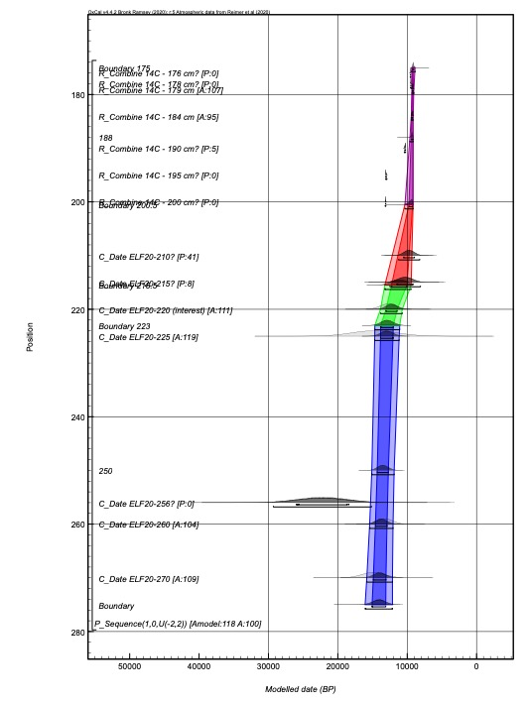
Depth in core (cm) | Label | Event' | Modelled date (cal BP) (95% probability) | Interpretation of depth (if applicable)
176 | 14C - 176 cm | 14C | outlier (T'=5.9; df=1; T'(5%)=3.8)
178 | 14C - 178 cm | 14C | outlier (T'=5.2; df=1; T'(5%)=3.8)
179 | 14C - 179 cm | 14C | 9305–9035
184 | 14C - 184 cm | 14C | 9405–9145
188 | Date 188 |  | 9610–9145
190 | 14C - 190 cm | 14C | outlier (T'=17.2; df=1; T'(5%)=3.8)
195 | 14C - 195 cm | 14C | outlier (T'=274.9; df=1; T'(5%)=3.8)
200 | 14C - 200 cm | 14C | outlier (T'=6.5; df=1; T'(5%)=3.8)
200.5 | Boundary 200.5 | lithostrat transition | 10330–9145
210 | ELF20-210 | OSL | outlier
215 | ELF20-215 | OSL | outlier
215.5 | Boundary 215.5 | lithostrat transition | 13220–9430
220 | ELF20-220 (interest) | OSL | 13850–10705
223 | Boundary 223 | lithostrat transition | 14665–11070
225 | ELF20-225 | OSL | 14670–11150
250 | Date 250 |  | 15100–11875
256 | ELF20-256 | OSL | outlier
260 | ELF20-260 | OSL | 15410–12040
270 | ELF20-270 | OSL | 15820–12120

034
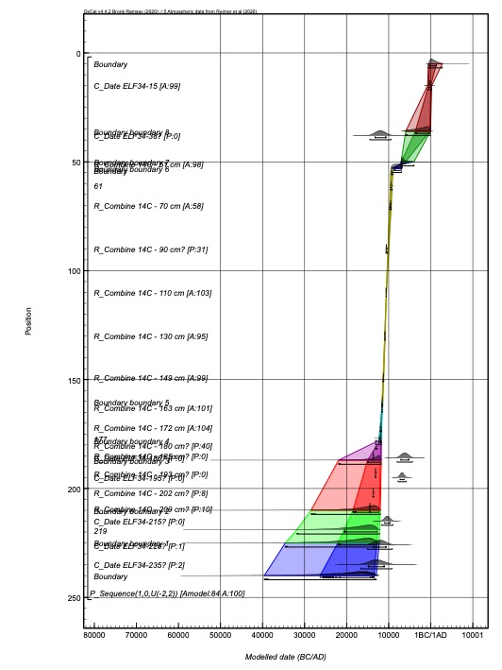
Depth in core (cm) | Label | Event' | Modelled date (cal BP) (95% probability) | Interpretation of depth (if applicable)
15 | ELF35-15 (OSL) | OSL | 2690–1720
36 | Boundary 8 | lithostrat transition | 7840–1990
38 | ELF35-38 (OSL) | OSL | outlier
50 | Boundary 7 | lithostrat transition | 9000–5940
51 | 14C - 51 cm | 14C | 9005–8770
53 | Boundary 6 | lithostrat transition | 11165–8890
54 | Boundary ??? | lithostrat transition | 11435–10910
61 | Date 61 |  | 11550–11095
70 | 14C - 70 cm | 14C | 11695–11320
90 | 14C - 90 cm | 14C | outlier
110 | 14C - 110 cm | 14C | 12540–12485
130 | 14C - 130 cm | 14C | 12900–12780
149 | 14C - 149 cm | 14C | 13295–13120
160 | Boundary 5 | lithostrat transition | 13545–13340
163 | 14C - 163 cm | 14C | 13590–13465
172 | 14C - 172 cm | 14C | 14005–13610
177 | Date 177 |  | 14285–13660
178 | Boundary 4 | lithostrat transition | 14340–13670
180 | 14C - 180 cm | 14C | outlier (T'=26.7; df=1; T'(5%)=3.8)
185 | 14C - 185 cm | 14C | outlier (T'=126.2; df=1; T'(5%)=3.8)
186 | ELF35-186 (OSL) | OSL | outlier
187 | Boundary 3 | lithostrat transition | 23865–13700
193 | 14C - 193 cm | 14C | outlier (T'=36.6; df=1; T'(5%)=3.8)
195 | ELF35-195 (OSL) | OSL | outlier
202 | 14C - 202 cm | 14C | outlier (T'=79.6; df=1; T'(5%)=3.8)
209 | 14C - 209 cm | 14C | outlier (T'=287.9; df=1; T'(5%)=3.8)
210 | Boundary 2 | lithostrat transition | 30290–13940
215 | ELF35-215 (OSL) | OSL | outlier
219 | Date 219 |  | 33955–14155
225 | Boundary 1 | lithostrat transition | 36350–14215
226 | ELF35-226 (OSL) | OSL | outlier
235 | ELF35-235 (OSL) | OSL | outlier

034A
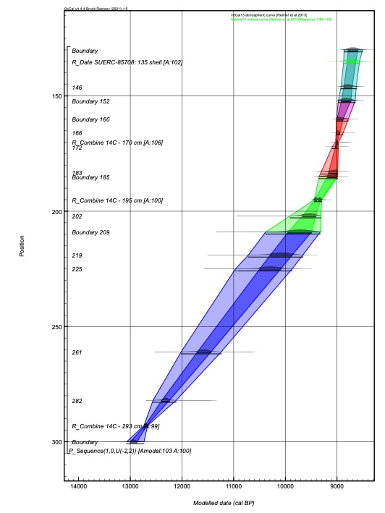
Depth in core (cm) | Label | Event' | Modelled date (cal BP) (95% probability) | Interpretation of depth (if applicable)
135 | SUERC-85708: 135 shell | 14C | 8875–8565
146 | Date 146 |  | 8925–8625
152 | Boundary 152 | lithostrat transition | 8975–8645
160 | Boundary 160 | lithostrat transition | 9015–8780
166 | Date 166 |  | 9020–8880
170 | 14C - 170 cm | 14C | 9030–8970
172 | Date 172 |  | 9090–8975
183 | Date 183 |  | 9310–8985
185 | Boundary 185 | lithostrat transition | 9350–8985
195 | 14C - 195 cm | 14C | 9445–9295
202 | Date 202 |  | 9905–9315
209 | Boundary 209 | lithostrat transition | 10385–9325
219 | Date 219 |  | 10720–9665
225 | 225 | date' | 10970–9865
261 | 261 | date' | 12020–11240
282 | 282 | date' | 12560–12110
293 | 14C - 293 cm | 14C | 12740–12665

051
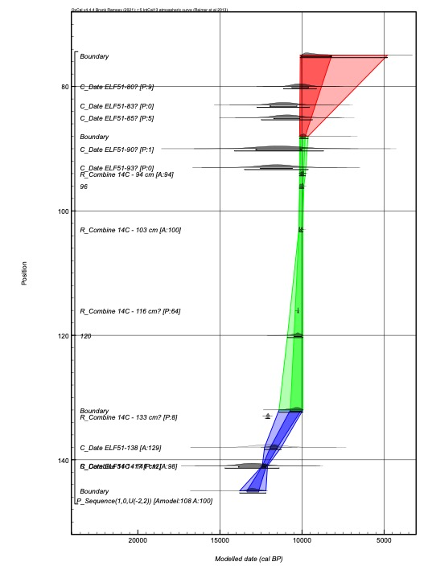
Depth in core (cm) | Label | Event' | Modelled date (cal BP) (95% probability) | Interpretation of depth (if applicable)
80 | ELF51-80 (OSL) | OSL | outlier
83 | ELF51-83 (OSL) | OSL | outlier
85 | ELF51-85 (OSL) | OSL | outlier
88 | Boundary | lithostrat transition | 10150–9630
90 | ELF51-90 (OSL) | OSL | outlier
93 | ELF51-95 (OSL) | OSL | outlier
94 | 14C - 94 cm | 14C | 10155–9795
96 | 96 | date' | 10160–9885
103 | 14C - 103 cm | 14C | 10195–9940
116 | 14C - 116 cm | 14C | outlier (T'=30.0; df=1; T'(5%)=3.8)
120 | 120 | date' | 10885–9940
132 | Boundary | lithostrat transition | 11400–9945
133 | 14C - 133 cm | 14C | outlier (T'=99.3; df=1; T'(5%)=3.8)
138 | ELF51-138 (OSL) | OSL | 12280–11265
141 | ELF51-141 (OSL) | OSL | outlier
141 | 14C - 141 cm | 14C | 12420–12100

054
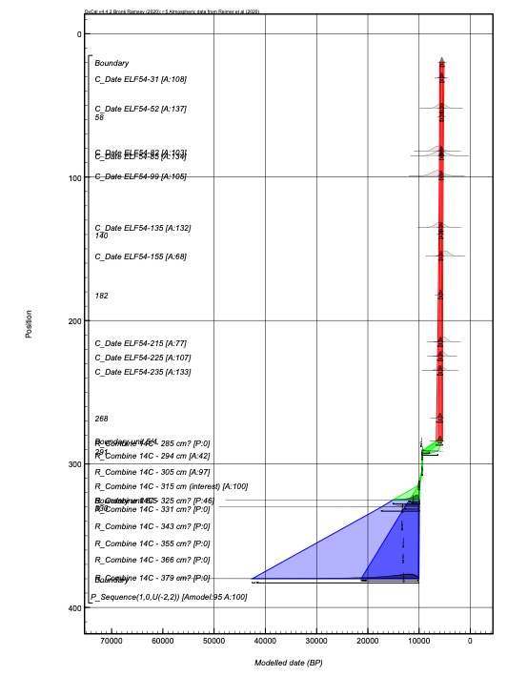
Depth in core (cm) | Label | Event' | Modelled date (cal BP) (95% probability) | Interpretation of depth (if applicable)
31 | ELF54-31 (OSL) | OSL | 5980–5160
52 | ELF54-52 (OSL) | OSL | 5995–5210
58 | Date 58 |  | 6000–5230
82 | ELF54-82 (OSL) | OSL | 6030–5285
85 | ELF54-85 (OSL) | OSL | 6035–5285
99 | ELF54-99 (OSL) | OSL | 6060–5310
135 | ELF54-135 (OSL) | OSL | 6125–5355
140 | Date 140 |  | 6145–5365
155 | ELF54-155 (OSL) | OSL | 6175–5375
182 | Date 182 |  | 6255–5395
215 | ELF54-215 (OSL) | OSL | 6360–5415
225 | ELF54-225 (OSL) | OSL | 6400–5420
235 | ELF54-235 (OSL) | OSL | 6440–5420
268 | Date 268 |  | 6580–5425
284 | Boundary unit 5/4 | lithostrat transition | 6655–5425
285 | 14C - 285 cm | 14C | outlier (T'=23.8; df=1; T'(5%)=3.8)
291 | Date 291 |  | 9460–6335
294 | 14C - 294 cm | 14C | 9460–9405 (28%) or 9365–9300 (67%)
305 | 14C - 305 cm | 14C | 9480–9335
315 | 14C - 315 cm (interest) | 14C | 10165–9890
325 | 14C - 325 cm | 14C | outlier (T'=12.2; df=1; T'(5%)=3.8)
325 | Boundary unit 6/5 | lithostrat transition | 14980–9905
330 | Date 330 |  | 17175–9940
331 | 14C - 331 cm | 14C | outlier (T'=43.0; df=1; T'(5%)=3.8)
343 | 14C - 343 cm | 14C | outlier (T'=12.7; df=1; T'(5%)=3.8)
355 | 14C - 355 cm | 14C | outlier (T'=5.3; df=1; T'(5%)=3.8)
366 | 14C - 366 cm | 14C | outlier (T'=3.9; df=1; T'(5%)=3.8)
379 | 14C - 379 cm | 14C | outlier (T'=9.5; df=1; T'(5%)=3.8)

