Supplement Table S3
Table S3. Observation of 13C-NMR chemical shift (δH ppm) and NMR spectra (ppm) in CPT substrate extracted from I3R2 strain comparison with authentic CPT (Sigma).
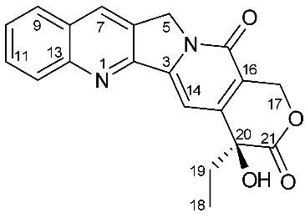 Camptothecin |  |  | Chemical Formula: C20H16N2O4
 |  |  | Exact Mass: 348.11

C number | δH ppm Ref (400 MHz, DMSO) | 13-NMR CPT | δH ppm M5(600 Hz, CDCl3) | 13-NMR I3R2
2 |  | 152.6 |  | 152.52
3 |  | 145.5 |  | 146.5
5 | 5.28 (2H, s) | 50.3 | 5.31(2H, s) | 50.07
6 |  | 129.8 |  | 128.54
7 | 8.69 (1H, s) | 131.6 | 8.40(1H, s) | 131.03
8 |  | 128 |  | 128.17
9 | 8.12 (1H, d, J = 8.07 Hz) | 128.5 | 7.94(1H, d, J = 8.4) | 128.11
10 | 7.71 (1H, t, J = 7.82 Hz) | 127.7 | 7.66 (1H, t, J = 7.2) | 128.02
11 | 7.86 (1H, t, J = 7.70 Hz) | 130.4 | 7.84 (1H, t, J = 7.2) | 130.61
12 | 8.17 (1H,d, J = 8.56 Hz) | 129 | 8.24(1H, d, J = 9 Hz) | 129.88
13 |  | 147.9 |  | 149.03
14 | 7.35 (1H, s) | 96.7 | 7.69 (1H, s) | 98.07
15 |  | 150 |  | 150.15
16 |  | 119.1 |  | 118.7
17 | 5.42 (2H, s) | 156.8 |  | 157.69
18 | 0.88 (3H, t, J = 7.34 Hz) | 7.8 | 1.06 (3H, t, J = 7.2 Hz) | 7.8
19 | 1.87 (2H, m, J = 7.08 Hz) | 30.3 | 1.90 (2H, m, J = 7.2 Hz) | 31.66
20 |  | 72.4 |  | 72.76
21 |  | 172.5 |  | 173.95
22 |  | 65.3 |  | 66.4

