Figure 4
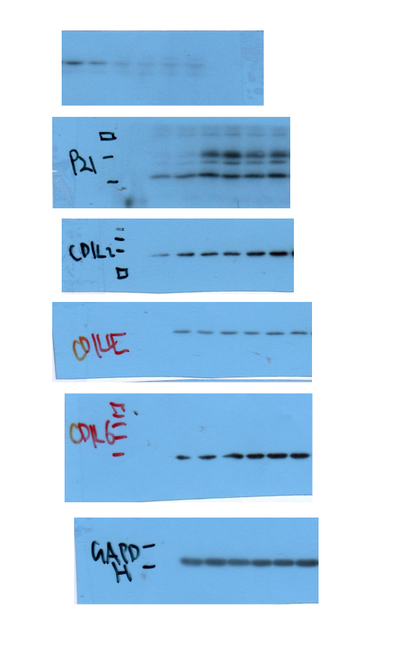
Anti-PSME2
Anti-P21
Anti-CDK2
Anti-CDK4
Anti-CDK6
Anti-GAPDH
Figure 4A | Figure 4B
 |  |  |  |  |  |  |  |  |  |  |  |  |  | P value
 |  | pLKO.1 |  |  |  | PSME2-sh1 |  |  |  | PSME2-sh2 |  |  |  | pLKO.1 v.s. PSME2-sh1 | pLKO.1 v.s. PSME2-sh1
 | PSME2 | 1.082406 | 0.917594 | 1.057668 | 0.942332 | 0.267067 | 0.248986 | 0.152286 | 0.149193 | 0.185246 | 0.307558 | 0.119505 | 0.196321 | 4.6879881857E-06 | 7.9881535874E-06
 | P21 | 0.411647 | 1.588353 | 0.692674 | 1.307326 | 9.772865 | 13.72634 | 14.05202 | 15.91629 | 10.26562 | 10.84014 | 9.412926 | 12.32059 | 8.3754399714E-05 | 6.7123105751E-06
 | CDK2 | 0.761728 | 1.238272 | 0.474131 | 1.525869 | 1.087639 | 1.277155 | 1.348271 | 1.450104 | 1.495692 | 1.421608 | 1.651553 | 2.084683 | 0.28503906403 | 0.054627866231
 | CDK4 | 1.109807 | 0.890193 | 1.168716 | 0.831284 | 0.980611 | 0.990797 | 1.17742 | 1.176785 | 1.267137 | 1.217961 | 1.431959 | 1.073773 | 0.44259324093 | 0.066183060606
 | CDK6 | 0.920455 | 1.079545 | 0.860006 | 1.139994 | 1.161721 | 1.082737 | 1.262644 | 1.468072 | 1.555333 | 1.307143 | 1.012588 | 1.133668 | 0.061356220313 | 0.11066955605

 | Figure 4C
 |  |  |  |  |  |  |  |  |  |  |  |  |  | P value
 |  | pLKO.1 |  |  |  | PSME2-sh1 |  |  |  | PSME2-sh2 |  |  |  | pLKO.1 v.s. PSME2-sh1 | pLKO.1 v.s. PSME2-sh1
 | D1 | 0.083825 | 0.145625 | 0.145925 | 0.123325 | 0.148025 | 0.149625 | 0.176625 | 0.159525 | 0.169125 | 0.163125 | 0.143325 | 0.179825
 | D2 | 0.1527 | 0.1239 | 0.1845 | 0.1801 | 0.1582 | 0.1778 | 0.1315 |  | 0.0474 | 0.1202 | 0.1959 | 0.1086
 | D3 | 0.320715 | 0.320845 | 0.218375 | 0.22995 | 0.25585 | 0.23485 | 0.26545 | 0.25075 | 0.11655 | 0.11275 | 0.09225 | 0.12135
 | D4 | 0.70474 | 0.66464 | 0.51604 | 0.54614 | 0.37654 | 0.40654 | 0.34764 | 0.46134 | 0.27564 | 0.19164 | 0.23164 | 0.28964
 | D5 | 0.6950745 | 0.75852155 | 0.543865 | 0.742435 | 0.358275 | 0.31515 | 0.39955 | 0.39445 | 0.17585 | 0.18295 | 0.19655 | 0.30415 | 0.00093253369915 | 0.00017904025645

 | Figure 4E |  |  |  |  |  |  |  |  |  | Figure 4G
 |  |  |  | P value |  |  |  |  |  |  |  |  |  | P value
 | pLKO.1 | PSME2-sh1 | PSME2-sh2 | pLKO.1 v.s. PSME2-sh1 | pLKO.1 v.s. PSME2-sh1 |  |  |  |  |  | pLKO.1 | PSME2-sh1 | PSME2-sh2 | pLKO.1 v.s. PSME2-sh1 | pLKO.1 v.s. PSME2-sh1
 | 91 | 23 | 24 | 0.0009131294638 | 0.00076776493585 |  |  |  |  |  | 25 | 30 | 40 | 4.5657543434E-06 | 9.7388010166E-05
 | 73 | 27 | 22 |  |  |  |  |  |  |  | 52.94 | 28.57 | 36.36
 | 75 | 16 | 28 |  |  |  |  |  |  |  | 60 | 33.33 | 45.45
 |  |  |  |  |  |  |  |  |  |  | 72.73 | 22.22 | 21.74
 |  |  |  |  |  |  |  |  |  |  | 50 | 14.29 | 25
 |  |  |  |  |  |  |  |  |  |  | 46.15 | 14.29 | 28.57
 |  |  |  |  |  |  |  |  |  |  | 42.86 | 14.29 | 26.32
 |  |  |  |  |  |  |  |  |  |  | 37.5 | 25 | 35.71
 |  |  |  |  |  |  |  |  |  |  | 46.15 | 11.11 | 33.33
 |  |  |  |  |  |  |  |  |  |  | 43.75 | 9.09 | 30.43
 |  |  |  |  |  |  |  |  |  |  | 53.33 | 30 | 27.27
 |  |  |  |  |  |  |  |  |  |  | 63.64 | 14.29 | 25
 |  |  |  |  |  |  |  |  |  |  | 55.56 | 37.5 | 12.5
 |  |  |  |  |  |  |  |  |  |  | 16 | 25 | 9.09
 |  |  |  |  |  |  |  |  |  |  | 36 | 33.33 | 14.29
 |  |  |  |  |  |  |  |  |  |  | 39.29 | 25 | 15.79

Figure 5
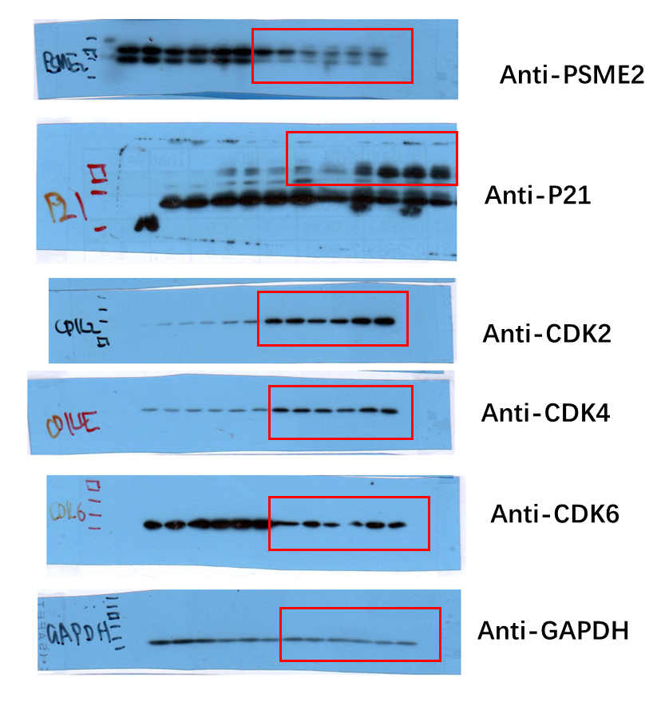
Figure 5A
 | Figure 5B
 |  |  |  |  |  |  |  |  |  |  |  |  |  | P value
 |  | pLKO.1 |  |  |  | PSME2-sh1 |  |  |  | PSME2-sh2 |  |  |  | pLKO.1 v.s. PSME2-sh1 | pLKO.1 v.s. PSME2-sh1
 | PSME2 | 1.168154 | 0.831846 | 1.268832 | 0.731168 | 0.427628 | 0.338524 | 0.320382 | 0.298612 | 0.417089 | 0.499124 | 0.305323 | 0.509738 | 0.0026216747389 | 0.0062470282909
 | P21 | 0.948808 | 1.051192 | 1.236762 | 0.763238 | 2.505169 | 3.765688 | 4.931077 | 10.50851 | 3.780726 | 3.737478 | 14.0253 | 10.80397 | 0.046200034698 | 0.033696364166
 | CDK2 | 0.991262 | 1.008738 | 1.055772 | 0.944228 | 0.80309 | 0.979378 | 0.9672957 | 0.825792 | 1.366342 | 1.814672 | 1.298636 | 1.730415 | 0.085485476232 | 0.0055712097555
 | CDK4 | 1.061466 | 0.938534 | 1.059564 | 0.940436 | 0.8401 | 0.9702999 | 0.913488 | 0.841696 | 1.166889 | 1.297226 | 1.012129 | 1.126769 | 0.060062165184 | 0.069747103444
 | CDK6 | 0.918291 | 1.081709 | 1.11292 | 0.88708 | 0.37531 | 0.286923 | 0.543623 | 0.479201 | 1.482199 | 0.986996 | 1.043599 | 0.896222 | 0.00036090418862 | 0.4989001813

 | Figure 5C
 |  |  |  |  |  |  |  |  |  |  |  |  |  | P value
 |  | pLKO.1 |  |  |  | PSME2-sh1 |  |  |  | PSME2-sh2 |  |  |  | pLKO.1 v.s. PSME2-sh1 | pLKO.1 v.s. PSME2-sh1
 | D1 | 0.396925 | 0.362525 | 0.259025 | 0.277825 | 0.176225 | 0.189925 | 0.179825 |  | 0.130925 | 0.147725 | 0.146425 | 0.111525
 | D2 | 0.33 | 0.8123 | 0.3469 | 0.7145 | 0.0271 | 0.032 | 0.0643 | 0.0725 | 0.0305 | 0.0724 | 0.0842 | 0.0501
 | D3 | 0.66655 | 1.24995 | 0.82075 | 0.78535 | 0.03255 | 0.05405 | 0.04195 | 0.01955 | 0.16165 | 0.19435 | 0.19235 | 0.16555
 | D4 | 1.47924 | 1.46284 | 1.32584 | 1.49644 | 0.12834 | 0.14344 | 0.08944 | 0.14164 | 0.23344 | 0.38514 | 0.47884 | 0.45004
 | D5 | 2.25325 | 2.22625 | 2.07885 | 2.46465 |  | 0.20755 | 0.14925 | 0.18535 | 0.63855 | 0.89265 | 0.64235 | 0.77435 | 3.7553164076E-06 | 5.1514854005E-06

 | Figure 5E |  |  |  |  |  |  |  |  |  | Figure 5G
 |  |  |  | P value |  |  |  |  |  |  |  |  |  | P value
 | pLKO.1 | PSME2-sh1 | PSME2-sh2 | pLKO.1 v.s. PSME2-sh1 | pLKO.1 v.s. PSME2-sh1 |  |  |  |  |  | pLKO.1 | PSME2-sh1 | PSME2-sh2 | pLKO.1 v.s. PSME2-sh1 | pLKO.1 v.s. PSME2-sh1
 | 340 | 150 | 200 | 0.0013223124903 | 0.000176153177 |  |  |  |  |  | 46.3 | 26.67 | 23.62 | 5.9641439955E-07 | 5.942944336E-05
 | 364 | 215 | 196 |  |  |  |  |  |  |  | 39.68 | 11.76 | 31.88
 | 381 | 162 | 188 |  |  |  |  |  |  |  | 34.62 | 8.33 | 33.33
 |  |  |  |  |  |  |  |  |  |  | 35 | 14.89 | 20.97
 |  |  |  |  |  |  |  |  |  |  | 27.5 | 9.09 | 19.15
 |  |  |  |  |  |  |  |  |  |  | 47.62 | 16.67 | 23.64
 |  |  |  |  |  |  |  |  |  |  | 42.4 | 31.25 | 27.08
 |  |  |  |  |  |  |  |  |  |  | 28 | 25 | 27.45
 |  |  |  |  |  |  |  |  |  |  | 27.71 | 17.91 | 29.41
 |  |  |  |  |  |  |  |  |  |  | 57.5 | 0 | 20
 |  |  |  |  |  |  |  |  |  |  | 29.41 | 27.4 | 11.27
 |  |  |  |  |  |  |  |  |  |  | 30 | 16.28 | 12.33
 |  |  |  |  |  |  |  |  |  |  | 36.9 | 29.51 | 35.71
 |  |  |  |  |  |  |  |  |  |  | 38.71 | 10.81 | 22.45
 |  |  |  |  |  |  |  |  |  |  | 25.37 | 17.95 | 18.6
 |  |  |  |  |  |  |  |  |  |  | 47.46 | 6.67 | 21.95
 |  |  |  |  |  |  |  |  |  |  | 25 | 19.44 | 8.33
 |  |  |  |  |  |  |  |  |  |  | 50 | 9.52 | 24.53
 |  |  |  |  |  |  |  |  |  |  | 51.21 | 21.43 | 27.03
 |  |  |  |  |  |  |  |  |  |  | 41.89 | 17.46 | 9.43

Figure 6
Figure 6A | Figure 6B

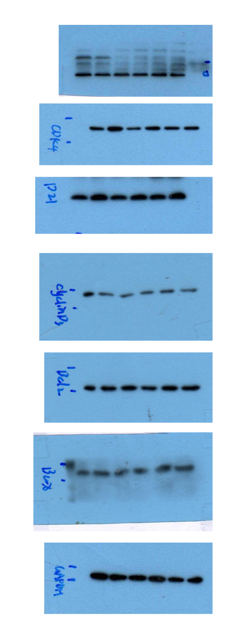
Anti-KCNJ11
Anti-CDK4
Anti-P21
Anti-Cyclin D3
Anti-Bcl-2
Anti-Bax
Anti-GAPDH
 |  |  |  |  |  |  |  |  |  |  |  |  |  |  |  |  | P value
 |  | pLKO.1 |  |  |  |  | KCNJ11-sh1 |  |  |  |  | KCNJ11-sh2 |  |  |  |  | pLKO.1 v.s. KCNJ11-sh1 | pLKO.1 v.s. KCNJ11-sh2
 | D1 | 0.044333 | 0.059633 | 0.045133 | 0.061433 | 0.0690333 | 0.077533 | 0.084333 | 0.078233 | 0.079133 | 0.0558333 | 0.091433 | 0.063833 | 0.090533 | 0.076533 | 0.0706333
 | D2 | 0.306867 | 0.353467 | 0.312767 | 0.365467 | 0.419067 | 0.426067 | 0.385967 | 0.426867 | 0.440367 | 0.425067 | 0.290267 | 0.322867 | 0.306867 | 0.334567 | 0.325667
 | D3 | 0.778 | 0.8672 | 1.0629 | 1.0196 | 1.3299 | 1.005 | 0.8205 | 0.9676 | 1.2307 | 1.0658 | 0.479 | 0.6348 | 0.5658 | 0.5832 | 0.9674
 | D4 | 1.549667 | 1.957967 | 1.496467 | 1.343967 | 1.370167 | 1.363867 | 1.387567 | 1.686867 | 1.769667 | 1.769867 | 1.187067 | 1.234467 | 1.256167 | 1.130667 | 1.266767
 | D5 | 1.8074 | 2.4106 | 2.2479 | 2.2382 | 1.7385 | 1.3309 | 1.6125 | 1.8873 | 1.8861 | 2.3094 | 1.6746 | 1.6617 | 1.9652 | 1.8012 | 2.2659 | 0.21444868512 | 0.2519076874

