STACKS assemblies
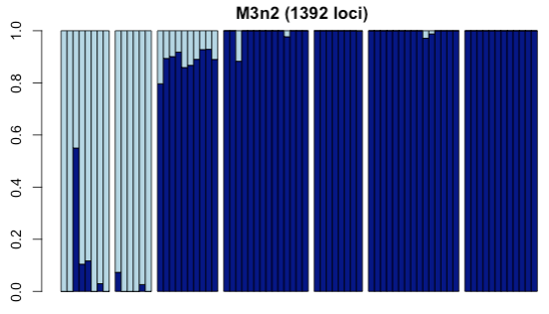
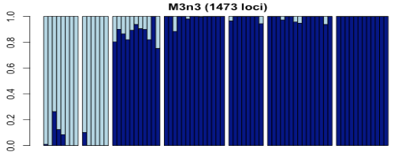
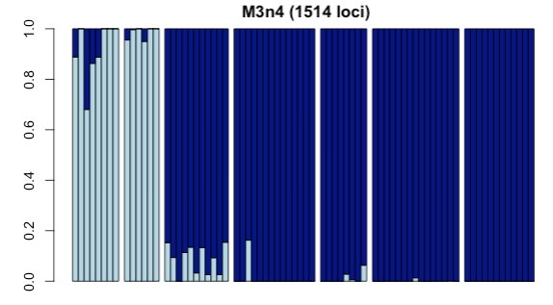

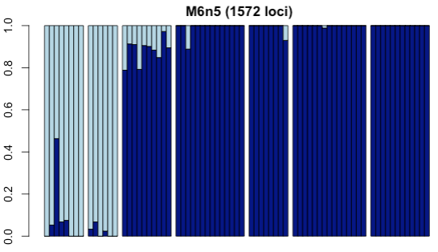
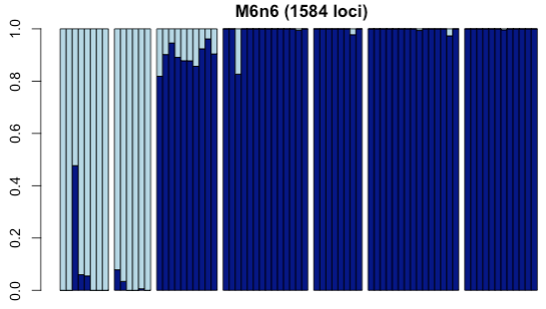
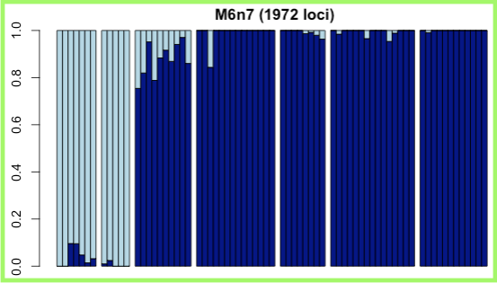

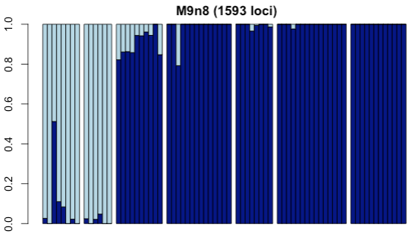
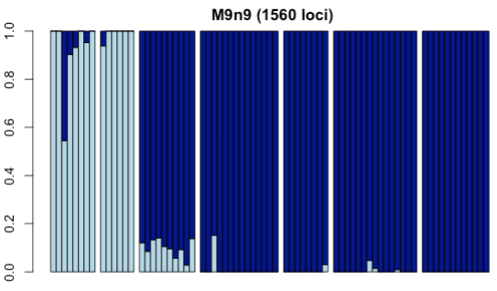
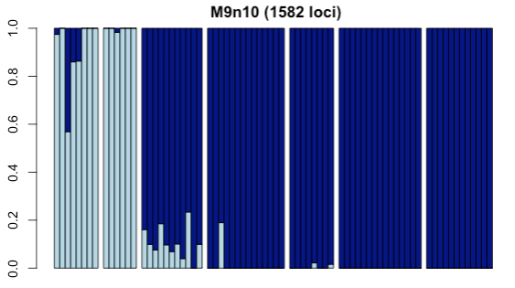

These results used the same SNP/individual filtering throughout - all loci missing more than 25% of individuals eliminated, all individuals missing more than 90% of remaining loci eliminated.
This exploration, a variant of Paris et al 2018 and Toczydlowski et al (in prep), helps us see if any assemblies have clear errors in locus inference. Green box suggests maximization of loci (n=1972) at M6n7 without significant shift in overall pattern of assignment.
Individual "Ponce11" from Ponce Inlet and all individuals from Lake Worth retain around 10-15% of the Gg diversity. However, those may be accentuated in M9n8 where it is more like 20% of Gg diversity.

Sea Surface Temperatures
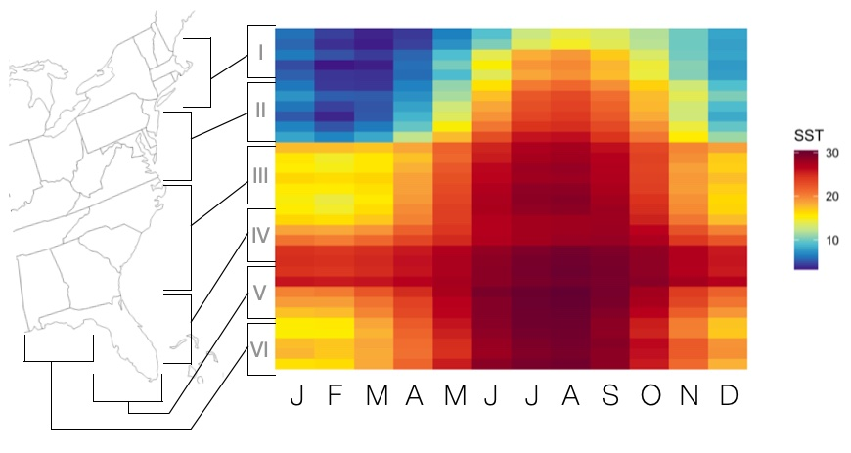

Monthly mean sea surface temperatures through eastern portion of range for *G. granosissima* and the range of *G. demissa*. Plotted using code written by P.J. Duffin and presented in Ehrenbach & Wares 2023

Barcode Gap
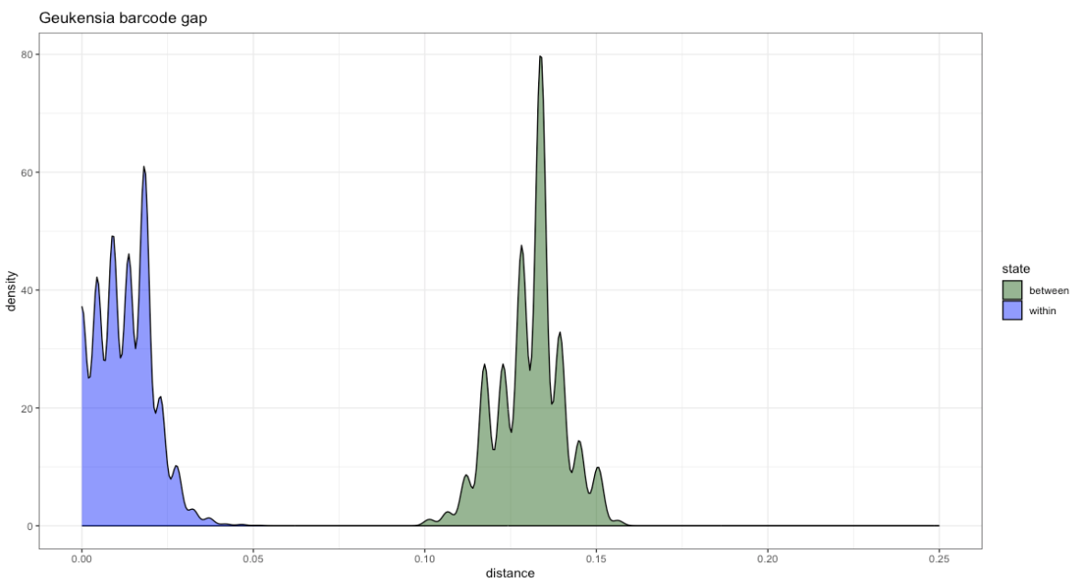

DNA sequence barcode gap visualization.
library(ape)
Geuk<-ape::read.FASTA("Geukensia.fasta", type="DNA")
whichsp<-c(rep.int('Gg',17),rep.int('Gd',82)) #this makes an array of identifers for your data
Geukdists<-dist.dna(Geuk,pairwise.deletion=FALSE,as.matrix=TRUE)
library(spider) #very useful package...
inoutGeuk<-sppDist(Geukdists,whichsp)
library(ggplot2)
innerGeuk<-as.data.frame(inoutGeuk$intra)
outerGeuk<-as.data.frame(inoutGeuk$inter)
innerGeuk$state<-c('within')
outerGeuk$state<-c('between')
colnames(innerGeuk)<-c('dists','state')
colnames(outerGeuk)<-c('dists','state')
Geukcompare<-rbind(innerGeuk,outerGeuk)
ggplot(Geukcompare, aes(dists,fill=state)) + geom_density(alpha=0.5) + labs(x="distance") +scale_fill_manual(values=c("darkgreen","blue")) +xlim(0,0.25)+ggtitle("Geukensia barcode gap")

