the volcano
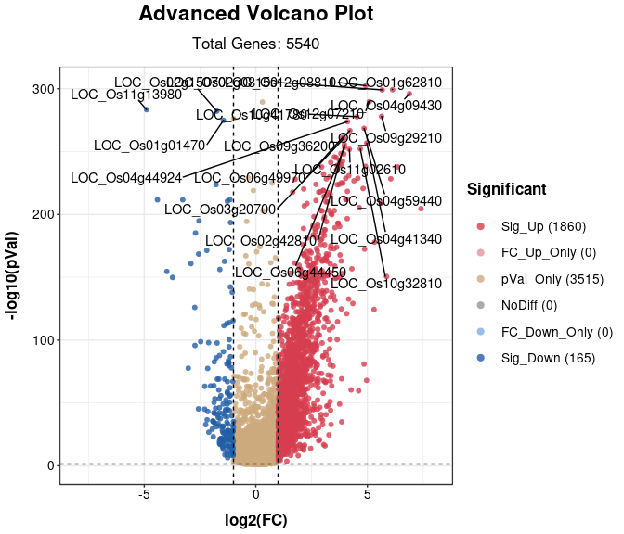
gene ID | description
LOC_Os01g01470 | OsNAC20; ONAC020
LOC_Os01g62810 | regulator of chromosome condensation, | 3
LOC_Os02g08150 | CCT/B-box zinc finger protein, putative, expressed | 1
LOC_Os02g15070 | glutelin, putative, expressed
LOC_Os02g42810
LOC_Os03g20700
LOC_Os04g09430 | cytochrome P450,unknown | 4
LOC_Os04g41340
LOC_Os04g44924
LOC_Os04g59440
LOC_Os06g44450 | CCT/B-box zinc finger protein, putative, expressed
LOC_Os06g49970
LOC_Os09g29210 | OsPUP2 | 5
LOC_Os09g36200
LOC_Os10g32810 | beta-amylase
LOC_Os10g41780
LOC_Os11g02610
LOC_Os11g13980 | hsp20/alpha crystallin family protein, putative, expressed
LOC_Os12g07210
LOC_Os12g08810 | VTC2, putative, expressed | 2

