vs.CD2high+Radioscorehigh
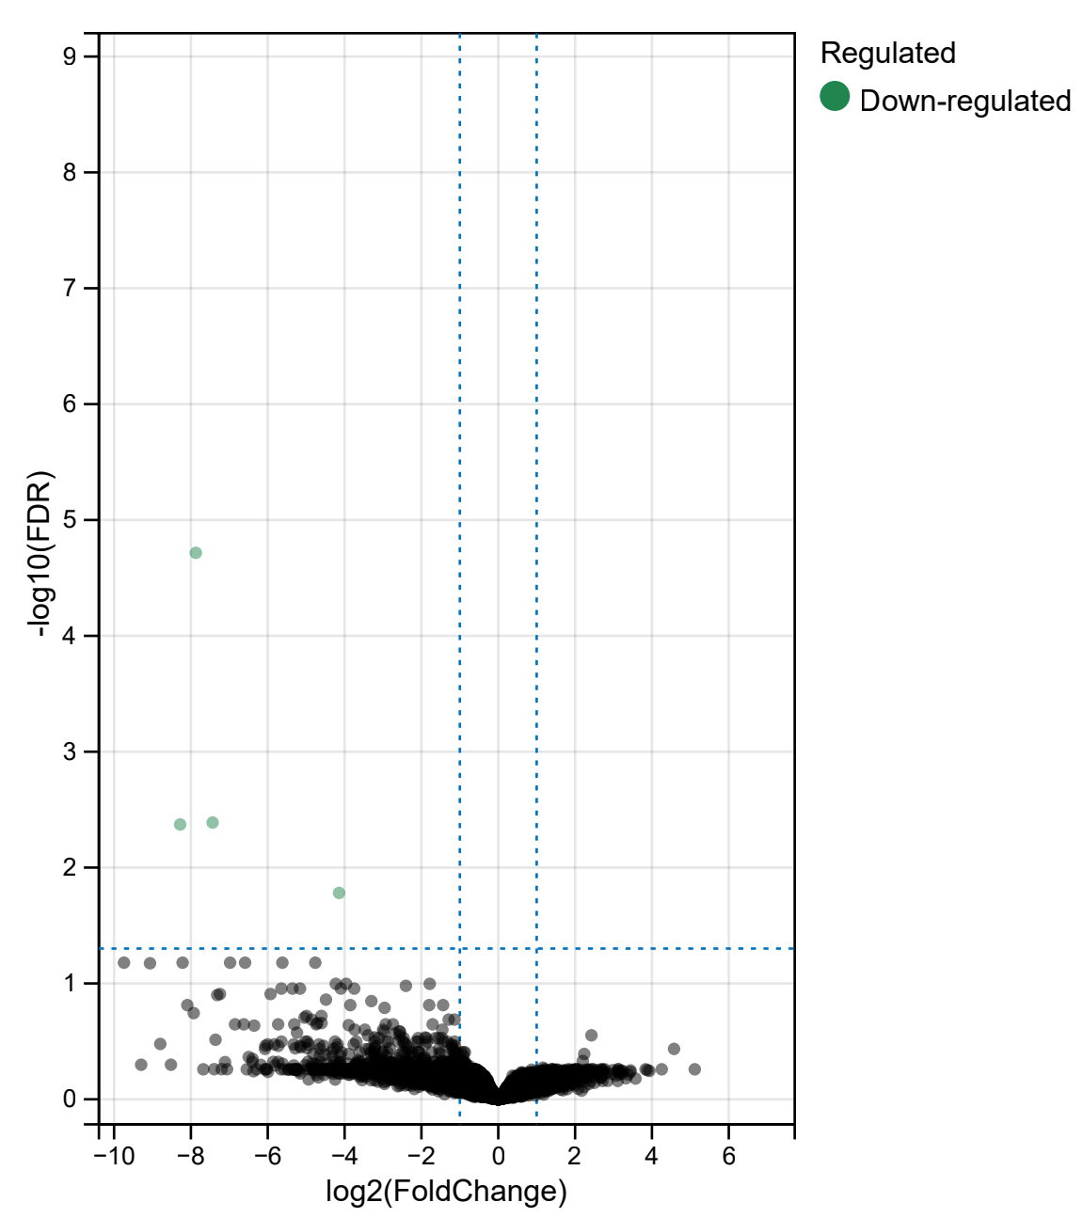
Tag | logFC | AveExpr | t | P.Value | adj.P.Val | B
CNMD | -7.8707734136 | #NAME? | -13.251319004 | 1.04E-09 | 1.92E-05 | 5.690615792
STRA8 | -4.1441729643 | #NAME? | -6.0480213931 | 3.57E-06 | 0.016547596315 | 4.3290498595
SAGE1 | -8.2795177633 | #NAME? | -10.87668398 | 6.87E-07 | 0.0042482637371 | 3.5650464107
PCARE | -7.4345894732 | #NAME? | -10.468933059 | 4.41E-07 | 0.0040865043776 | 2.5905039893

vs.CD2low+Radioscorehigh
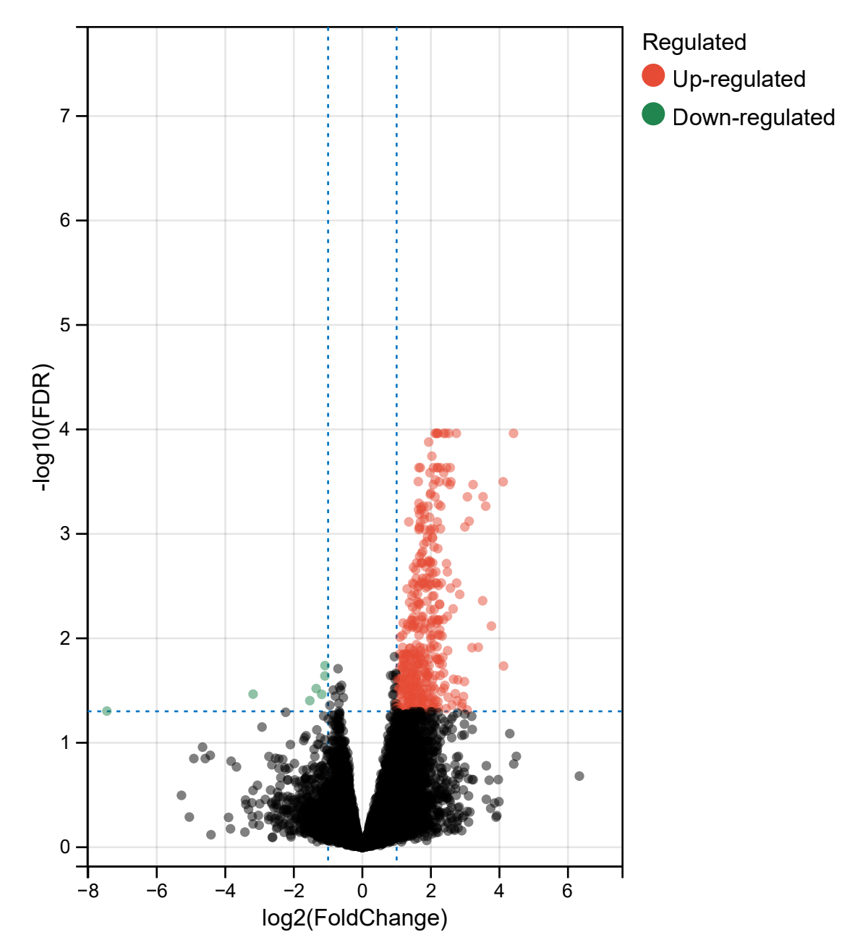
Tag | logFC | AveExpr | t | P.Value | adj.P.Val | B
IL7R | 2.7428466526 | 1.1223317579 | 6.8433687382 | 2.15E-08 | 0.00010904340051 | 9.0710548125
CD5 | 2.1812419084 | 0.79356602973 | 6.7641240637 | 2.80E-08 | 0.00010904340051 | 8.8264259756
CD2 | 2.1608085801 | 2.8045864572 | 6.7307155182 | 3.13E-08 | 0.00010904340051 | 8.723195238
JCHAIN | 4.4111007552 | 2.9236344714 | 6.7071322666 | 3.39E-08 | 0.00010904340051 | 8.6502911797
SH2D1A | 2.3742752117 | -0.05216395609 | 6.7055264302 | 3.41E-08 | 0.00010904340051 | 8.6453260144
ITK | 2.5242692147 | -0.9654126217 | 6.6232915055 | 4.49E-08 | 0.00010904340051 | 8.3909042232
ZAP70 | 2.1213840328 | 0.56149831466 | 6.6040736699 | 4.79E-08 | 0.00010904340051 | 8.3314057606
ZBP1 | 2.4287842419 | -1.8120662936 | 6.5961065394 | 4.92E-08 | 0.00010904340051 | 8.3067351858
SLAMF6 | 2.2098763146 | 0.57325438354 | 6.5768113664 | 5.25E-08 | 0.00010904340051 | 8.2469766357
IL18RAP | 1.9356463393 | -0.77720595391 | 6.4882098099 | 7.06E-08 | 0.00013208391337 | 7.9724001875
CARMIL2 | 2.027770215 | -1.3787260619 | 6.3669404907 | 1.06E-07 | 0.00018034782795 | 7.5962074847
TMC8 | 1.6483970618 | 1.6089241901 | 6.2639784799 | 1.50E-07 | 0.00023229703083 | 7.276561155
UBASH3A | 2.1957569148 | -0.92346504976 | 6.2412473372 | 1.62E-07 | 0.00023229703083 | 7.205971793
PRKCQ | 2.4552098783 | -0.8469839688 | 6.1847981854 | 1.95E-07 | 0.00023229703083 | 7.0306544851
ACAP1 | 1.6928038274 | 0.81921114035 | 6.1728840381 | 2.03E-07 | 0.00023229703083 | 6.9936495242
ZNF831 | 2.5639876654 | -2.9301445968 | 6.1590283503 | 2.13E-07 | 0.00023229703083 | 6.9506135386
TESPA1 | 2.0732646017 | -1.2900886962 | 6.158359683 | 2.13E-07 | 0.00023229703083 | 6.9485366334
ATP2A3 | 2.1883391949 | 1.6585241804 | 6.1315857495 | 2.34E-07 | 0.00023229703083 | 6.8653752087
STAP1 | 2.2791372507 | #NAME? | 6.2120008409 | 2.36E-07 | 0.00023229703083 | 6.8428773761
CD3E | 1.9723276038 | 2.6096490617 | 6.0709071556 | 2.86E-07 | 0.0002597905512 | 6.6769068284
TIGIT | 2.3754877538 | -0.35622255881 | 6.0653741332 | 2.92E-07 | 0.0002597905512 | 6.6597219362
SGK1 | 2.13147368 | 3.3717381556 | 6.0038941676 | 3.58E-07 | 0.00030474241992 | 6.4687893435
CD247 | 1.6324810953 | 0.90529635762 | 5.9800476939 | 3.88E-07 | 0.0003157458896 | 6.394742806
CD27 | 2.2448560584 | 1.2919418904 | 5.9655609349 | 4.07E-07 | 0.00031731362731 | 6.3497634264
IGLL5 | 4.1086742451 | #NAME? | 5.9638005285 | 4.45E-07 | 0.00031731362731 | 6.265727261
GPR171 | 2.5841234146 | #NAME? | 5.9624243751 | 4.47E-07 | 0.00031731362731 | 6.2615123516
CCR7 | 2.4610888791 | -0.018595850454 | 5.9307144678 | 4.58E-07 | 0.00031731362731 | 6.2415843671
CD8A | 2.5564748668 | 1.3670734827 | 5.8916442305 | 5.22E-07 | 0.00033753341004 | 6.1203213046
CD79A | 3.2312926238 | #NAME? | 5.9063673374 | 5.38E-07 | 0.00033753341004 | 6.0898359493
CD6 | 2.0700705357 | 0.41254050103 | 5.8808104054 | 5.41E-07 | 0.00033753341004 | 6.0867022583
CD226 | 1.9980816865 | -2.2910294078 | 5.8150446448 | 6.75E-07 | 0.000407075656 | 5.8826878497
TBX21 | 1.9831068896 | -0.61974063285 | 5.7961556538 | 7.19E-07 | 0.00042007884028 | 5.8241155459
PLA2G2D | 3.5206034391 | #NAME? | 5.8160868941 | 7.85E-07 | 0.00044111408245 | 5.7372865154
MEI1 | 2.1196948456 | -1.3139778019 | 5.7634180195 | 8.02E-07 | 0.00044111408245 | 5.7226292205
MS4A1 | 3.0652437398 | #NAME? | 5.824877714 | 8.27E-07 | 0.00044214091028 | 5.6897321785
SLA2 | 1.6509471259 | 0.34618681095 | 5.7034966318 | 9.79E-07 | 0.00050898256211 | 5.5369794088
TRAT1 | 2.2224594205 | -1.3179303814 | 5.6878677398 | 1.03E-06 | 0.0005217664231 | 5.4885824723
LCK | 1.7799883718 | 1.5790416942 | 5.6622187764 | 1.12E-06 | 0.00054278556203 | 5.4091813281
PYHIN1 | 2.2892563884 | -0.60611890147 | 5.6574643821 | 1.14E-06 | 0.00054278556203 | 5.3944666536
MZB1 | 3.5992628684 | #NAME? | 5.6721008104 | 1.17E-06 | 0.00054278556203 | 5.3730664018
JAK3 | 1.9167042696 | 1.1826133402 | 5.6452922079 | 1.19E-06 | 0.00054278556203 | 5.3567992912
S1PR4 | 1.7111950088 | 0.84345480426 | 5.6293378215 | 1.25E-06 | 0.00055883706278 | 5.3074390108
MAP4K1 | 1.6384380711 | 1.1743480757 | 5.606018553 | 1.36E-06 | 0.00058606160704 | 5.2353169725
RUNX3 | 1.7218992379 | 1.3219073199 | 5.6011324101 | 1.38E-06 | 0.00058606160704 | 5.2202087937
PTPN7 | 1.670942935 | 0.68156240951 | 5.5610853424 | 1.58E-06 | 0.00064805111794 | 5.0964324533
TNFRSF13C | 1.8172343968 | -2.2663574146 | 5.5576362272 | 1.59E-06 | 0.00064805111794 | 5.0857764223
PTPN22 | 1.9630418676 | -0.65994679222 | 5.5305416604 | 1.74E-06 | 0.00069417314686 | 5.0020932365
PSTPIP1 | 1.8057231864 | 0.40048420043 | 5.5115541581 | 1.86E-06 | 0.00072407101534 | 4.9434769129
IRF4 | 3.1169077187 | -2.0900590672 | 5.492226668 | 1.98E-06 | 0.00075642040733 | 4.8838354294
RASAL3 | 1.3556875214 | 1.5822094275 | 5.4798623416 | 2.06E-06 | 0.0007673825347 | 4.8456944526
EOMES | 2.1883419715 | -1.0399904513 | 5.4758774053 | 2.09E-06 | 0.0007673825347 | 4.8334041425
TRAF3IP3 | 1.6960364816 | -0.49354876622 | 5.4688614855 | 2.14E-06 | 0.0007703946635 | 4.8117684117
STAT4 | 1.6591188504 | 0.90962518434 | 5.4314123614 | 2.43E-06 | 0.0008560681239 | 4.6963428324
XCR1 | 2.9915126704 | #NAME? | 5.464509894 | 2.48E-06 | 0.00085788959657 | 4.6779012282
MMP25 | 1.6731251751 | -0.41055672358 | 5.4126756034 | 2.58E-06 | 0.00087791970068 | 4.6386318932
CCL5 | 2.015180032 | 4.7359256422 | 5.4019888933 | 2.67E-06 | 0.0008928877605 | 4.6057280576
SLFN12L | 2.2802369387 | -2.4741833339 | 5.3968285865 | 2.72E-06 | 0.0008928877605 | 4.5898429713
CXorf65 | 2.101454822 | #NAME? | 5.4648697294 | 2.85E-06 | 0.00090896157422 | 4.5445038402
CST7 | 1.8309787544 | 3.0387478819 | 5.3763411612 | 2.91E-06 | 0.00090896157422 | 4.5267972665
RGL4 | 1.6501424683 | -2.1033764852 | 5.375999712 | 2.92E-06 | 0.00090896157422 | 4.5257468197
RASGRP1 | 1.9755222402 | -0.89333695781 | 5.3658180129 | 3.02E-06 | 0.00092477928706 | 4.494427917
PBX4 | 1.9003496053 | -1.8173543605 | 5.3178145727 | 3.54E-06 | 0.0010668226799 | 4.3468887919
C16orf54 | 2.0373384382 | 0.015874045159 | 5.3077809422 | 3.65E-06 | 0.001085371457 | 4.3160760623
SIT1 | 2.051798365 | 0.70908249132 | 5.3010317718 | 3.74E-06 | 0.0010925629027 | 4.295354896
BTLA | 1.8750031435 | -2.5963666416 | 5.2708625225 | 4.13E-06 | 0.001188729512 | 4.2027818104
SPN | 1.7926127475 | 0.10634278661 | 5.2499106582 | 4.43E-06 | 0.0012547268553 | 4.1385431795
SYTL1 | 2.0953252661 | 0.086619306764 | 5.2269696993 | 4.78E-06 | 0.0013333688735 | 4.0682558239
FPR2 | 2.2024493244 | #NAME? | 5.2466140285 | 5.03E-06 | 0.0013839975183 | 4.026331181
RHOH | 1.7602461914 | -0.67263875662 | 5.1870969278 | 5.45E-06 | 0.0014769209361 | 3.9462208281
CD96 | 1.7251411906 | 0.48253693257 | 5.1695906485 | 5.77E-06 | 0.0015423769688 | 3.8926943506
SLAMF1 | 1.6700222733 | -0.43404379848 | 5.1460434545 | 6.24E-06 | 0.0016434043516 | 3.8207505931
CXCR6 | 1.9420019465 | 0.55612035334 | 5.1145344199 | 6.92E-06 | 0.0017977997743 | 3.7245793112
CRIP1 | 1.9176044065 | -0.82202861373 | 5.0996564323 | 7.27E-06 | 0.0018504881166 | 3.6792092125
HAPLN3 | 1.9838119937 | 0.64775431952 | 5.0974308633 | 7.32E-06 | 0.0018504881166 | 3.6724246491
ST8SIA1 | 2.0530913175 | -3.8353053251 | 5.0786782582 | 7.78E-06 | 0.0018975679859 | 3.6152817334
CD3G | 1.7390699096 | -0.27417877233 | 5.0772461351 | 7.82E-06 | 0.0018975679859 | 3.6109195259
SAMD3 | 1.7365020838 | -2.6632071045 | 5.073552273 | 7.92E-06 | 0.0018975679859 | 3.5996692846
SH2D2A | 1.9836977708 | 1.0726695307 | 5.0681743589 | 8.06E-06 | 0.0018975679859 | 3.5832929999
MYO1G | 1.5816083217 | 0.079826989234 | 5.0676367473 | 8.07E-06 | 0.0018975679859 | 3.5816561155
SIDT1 | 1.7127492003 | -1.7241452878 | 5.0660782565 | 8.11E-06 | 0.0018975679859 | 3.5769111274
CLNK | 2.4550161105 | #NAME? | 5.1083062194 | 8.34E-06 | 0.0019254987708 | 3.5603266214
ITM2A | 1.8448563946 | 2.514345367 | 5.0322498056 | 9.07E-06 | 0.0020688033058 | 3.4739920686
ARHGAP9 | 1.4900152004 | 1.2014869674 | 5.0247930216 | 9.29E-06 | 0.0020945045377 | 3.4513253348
CD48 | 1.5566195805 | 2.0664950465 | 5.0044928777 | 9.93E-06 | 0.0022120413001 | 3.3896548325
ASB2 | 2.1442623547 | -1.2158312265 | 4.9856961061 | 1.06E-05 | 0.0023101196469 | 3.3326002815
CCL2 | 1.9729128811 | 3.5595035463 | 4.9824946525 | 1.07E-05 | 0.0023101196469 | 3.3228875373
KCNA3 | 2.4803014669 | -2.738331708 | 4.9805430236 | 1.07E-05 | 0.0023101196469 | 3.3169672633
GBP5 | 2.0545744076 | 1.0863008574 | 4.9667991751 | 1.12E-05 | 0.0023889874627 | 3.2752900137
CYTIP | 1.8667261184 | 1.2565812543 | 4.9321043481 | 1.26E-05 | 0.0026460034213 | 3.1701975318
GPR68 | 1.7566068194 | -0.47814302234 | 4.9224162324 | 1.30E-05 | 0.002665110432 | 3.1408822933
IKZF3 | 1.9605255352 | 0.18498819894 | 4.9213399038 | 1.30E-05 | 0.002665110432 | 3.1376262711
CD52 | 1.573109343 | 4.2034831737 | 4.9197564226 | 1.31E-05 | 0.002665110432 | 3.132836357
KLRB1 | 1.7214377402 | 2.1422976143 | 4.8910648551 | 1.44E-05 | 0.0028953371402 | 3.0461101721
CCR5 | 1.8078625907 | 0.75834218932 | 4.8726191219 | 1.53E-05 | 0.0029578545603 | 2.9904189437
SLAMF7 | 2.3038248094 | 1.1518320809 | 4.869448023 | 1.54E-05 | 0.0029578545603 | 2.9808499798
GRAP2 | 2.1386809312 | -0.57635491717 | 4.8689130694 | 1.55E-05 | 0.0029578545603 | 2.9792358795
STK17B | 1.4678422323 | 1.685043582 | 4.8688281771 | 1.55E-05 | 0.0029578545603 | 2.9789797403
CD38 | 2.1673122152 | 0.068935155666 | 4.8681789242 | 1.55E-05 | 0.0029578545603 | 2.9770208351
FCRL3 | 2.7501980395 | #NAME? | 4.8797154286 | 1.57E-05 | 0.0029578545603 | 2.9735471172
GPR132 | 1.755972076 | -0.43333971116 | 4.8568295539 | 1.61E-05 | 0.0030105988017 | 2.9427883334
SNX20 | 1.5025718142 | 0.14439425209 | 4.8479855139 | 1.66E-05 | 0.0030399640474 | 2.9161263327
CXCR3 | 1.9640371123 | 0.66684235 | 4.8477687372 | 1.66E-05 | 0.0030399640474 | 2.9154729719
GZMK | 2.0155441146 | 1.3006542183 | 4.8420451302 | 1.69E-05 | 0.0030670733316 | 2.8982247905
ANO9 | 2.2196599249 | -0.55122466399 | 4.8320410652 | 1.74E-05 | 0.0031185845194 | 2.8680897481
IPCEF1 | 1.6656528684 | -1.8476510212 | 4.8310180141 | 1.75E-05 | 0.0031185845194 | 2.8650089237
CLEC12A | 1.89950124 | -1.3053732459 | 4.8217840221 | 1.80E-05 | 0.0031833603039 | 2.8372091379
ICAM3 | 1.6217605438 | #NAME? | 4.8300761732 | 1.84E-05 | 0.0032126204895 | 2.8251388571
ZCCHC18 | 1.8543343633 | #NAME? | 4.8497749211 | 1.90E-05 | 0.0032918645876 | 2.803271191
BANK1 | 2.5704451106 | -3.1045193738 | 4.8014381599 | 1.93E-05 | 0.0033074053849 | 2.7760043842
GPR65 | 1.3060520055 | -0.14767257127 | 4.7933080217 | 1.98E-05 | 0.0033650433928 | 2.7515659908
REC8 | 1.522214672 | 0.70028100467 | 4.7620295764 | 2.19E-05 | 0.0036909915147 | 2.6576481774
CAMK4 | 1.6092596424 | -2.5916380487 | 4.7539980452 | 2.25E-05 | 0.003754535734 | 2.6335589468
CXCL9 | 2.8405104242 | 3.8320920507 | 4.7477437341 | 2.29E-05 | 0.003797507036 | 2.6148078069
SIRPG | 2.0871467912 | 0.15184402564 | 4.733085573 | 2.41E-05 | 0.0039186231809 | 2.5708873287
CORO1A | 1.4478806628 | 3.4079563601 | 4.7326344399 | 2.41E-05 | 0.0039186231809 | 2.5695361816
LRRN3 | 2.0387783151 | #NAME? | 4.7403089836 | 2.45E-05 | 0.0039564523768 | 2.557961154
CXCL14 | 3.5096238261 | #NAME? | 4.7067190287 | 2.73E-05 | 0.0043692534443 | 2.4590961774
EMB | 1.8787864625 | 1.0516333639 | 4.6875881495 | 2.79E-05 | 0.0044179117691 | 2.4348028665
JHY | 1.6138428634 | -2.2274087136 | 4.6819467252 | 2.84E-05 | 0.0044613350222 | 2.4179549793
FGD3 | 1.3770436278 | 0.78718342583 | 4.6732102753 | 2.92E-05 | 0.004530093545 | 2.3918753645
TSPAN32 | 1.6445604035 | -1.3153463655 | 4.6720462501 | 2.93E-05 | 0.004530093545 | 2.3884016288
PDCD1 | 2.2548086612 | #NAME? | 4.6694809585 | 3.08E-05 | 0.0046939710414 | 2.3489892286
IL2RG | 1.6786444799 | 3.6294557465 | 4.6559488817 | 3.09E-05 | 0.0046939710414 | 2.3403887705
SYTL3 | 1.6377751995 | 0.069028761433 | 4.6502443294 | 3.14E-05 | 0.0047425434664 | 2.3233856167
FUT7 | 2.2504030413 | -2.7011944368 | 4.6468650617 | 3.18E-05 | 0.0047561269368 | 2.3133161434
WNT2 | 2.6490163509 | #NAME? | 4.7981843213 | 3.55E-05 | 0.005227281052 | 2.2631256694
SLA | 1.4635633657 | 1.3724517192 | 4.6273223738 | 3.38E-05 | 0.0050249541399 | 2.2551254697
ICOS | 2.0967356392 | -1.1328970022 | 4.606482246 | 3.62E-05 | 0.0052894883559 | 2.1931518512
NCR3 | 1.5713598236 | -0.22242432062 | 4.6037834473 | 3.65E-05 | 0.0052942269737 | 2.1851324001
CRTAM | 1.9889215877 | -1.6812206358 | 4.6002146547 | 3.69E-05 | 0.0053141219274 | 2.1745299492
PNOC | 2.4831213994 | #NAME? | 4.6498880657 | 4.34E-05 | 0.006147026982 | 2.0616219573
TMIGD2 | 1.7658294259 | #NAME? | 4.564263296 | 4.31E-05 | 0.006147026982 | 2.0379227576
LY9 | 1.7222505638 | -1.7109183149 | 4.5428305491 | 4.44E-05 | 0.0062444961701 | 2.0043954184
IKZF1 | 1.4828153435 | 0.1967078586 | 4.5393179669 | 4.49E-05 | 0.0062680248239 | 1.9940027675
SCML4 | 2.1032039701 | -1.2966961278 | 4.5246384372 | 4.71E-05 | 0.0065209603745 | 1.950598059
EVA1C | 2.3688224436 | 1.2495282788 | 4.518130121 | 4.80E-05 | 0.0066092082597 | 1.9313684466
IL2RB | 1.7224964037 | 1.9321944802 | 4.5106899071 | 4.92E-05 | 0.0066856653159 | 1.9093962734
CTLA4 | 2.2235936235 | -0.13936020937 | 4.5072535915 | 4.97E-05 | 0.0066856653159 | 1.8992521931
DGKA | 1.4357545589 | 0.25030825183 | 4.5059575392 | 5.00E-05 | 0.0066856653159 | 1.8954268637
CCR4 | 2.2396417807 | -1.8908400885 | 4.5054670539 | 5.00E-05 | 0.0066856653159 | 1.8939792769
LTK | 2.1850871182 | -1.7504844681 | 4.5014791958 | 5.07E-05 | 0.0067233906068 | 1.8822116567
WNT10B | 2.0278544772 | #NAME? | 4.5083934026 | 5.14E-05 | 0.0067419047597 | 1.8755661771
FMNL1 | 1.4567203171 | 1.7052302265 | 4.4962098936 | 5.15E-05 | 0.0067419047597 | 1.866667837
TNFRSF8 | 1.5477561879 | -2.099526599 | 4.4909401658 | 5.24E-05 | 0.0068087206862 | 1.8511286668
CARD17 | 1.8401943479 | #NAME? | 4.6182440102 | 5.63E-05 | 0.0071354049385 | 1.8436876468
P2RX1 | 2.0160408764 | -1.811779088 | 4.4756330979 | 5.50E-05 | 0.0071003178192 | 1.8060254931
PLCB2 | 1.1891316935 | 1.3262584396 | 4.4684255733 | 5.63E-05 | 0.0071354049385 | 1.7848055984
CD8B | 2.170530197 | 0.32762891761 | 4.4676665628 | 5.64E-05 | 0.0071354049385 | 1.7825716284
SASH3 | 1.3193302486 | 2.603613921 | 4.458243051 | 5.82E-05 | 0.007303640485 | 1.7548461817
LIMD2 | 1.4694855114 | 2.4186451712 | 4.4489035917 | 5.99E-05 | 0.0074740411983 | 1.7273872278
APOBEC3H | 1.5188071172 | -0.074411575135 | 4.4441407247 | 6.08E-05 | 0.0075380005809 | 1.7133913211
CCL21 | 3.7656040226 | 3.6152164044 | 4.4383335592 | 6.20E-05 | 0.0076281148712 | 1.6963334956
RIPK3 | 1.3518353501 | -0.1791941889 | 4.4331166444 | 6.30E-05 | 0.0077051041064 | 1.681015856
SEMA4D | 1.4689120708 | 0.14461911955 | 4.4265967978 | 6.43E-05 | 0.0078154743279 | 1.6618811656
TNIP3 | 1.9949661328 | #NAME? | 4.4429947715 | 6.57E-05 | 0.0078755262943 | 1.6565460382
CCL22 | 1.6417739929 | #NAME? | 4.4331612071 | 6.53E-05 | 0.0078755262943 | 1.6562048835
IL2RA | 1.8205718936 | -0.1797939418 | 4.4122143299 | 6.73E-05 | 0.0080222709186 | 1.6197047812
LTA | 1.5862900793 | -0.9221434281 | 4.4103115511 | 6.77E-05 | 0.0080222709186 | 1.614128416
TSPAN2 | 2.2584535423 | #NAME? | 4.4071962954 | 7.08E-05 | 0.0082946497395 | 1.5789420209
GCSAM | 1.7835923565 | #NAME? | 4.4048294933 | 7.14E-05 | 0.0082946497395 | 1.5739045006
THEMIS2 | 1.2881617347 | 2.537816221 | 4.3951805194 | 7.11E-05 | 0.0082946497395 | 1.5698141637
ST8SIA6 | 2.2053783822 | #NAME? | 4.4430640197 | 8.09E-05 | 0.0092839553487 | 1.4978045886
FAIM2 | 2.2672200134 | #NAME? | 4.3986931949 | 8.14E-05 | 0.0092876109224 | 1.4740675301
CLEC9A | 2.0558430042 | #NAME? | 4.3771324114 | 8.07E-05 | 0.0092839553487 | 1.4669781593
FCRL2 | 2.3270436403 | #NAME? | 4.4571644055 | 8.54E-05 | 0.0095158286843 | 1.4546695228
SPOCK2 | 1.1764842453 | 2.5851822761 | 4.3472429546 | 8.27E-05 | 0.0093270468103 | 1.4297700085
CTSW | 1.6542669026 | 1.9910940684 | 4.3471846303 | 8.28E-05 | 0.0093270468103 | 1.4295999507
GABBR1 | 1.995264605 | -0.65204933029 | 4.3413761036 | 8.43E-05 | 0.0094430513097 | 1.4126679098
GIMAP7 | 1.0998219538 | 3.8813035309 | 4.3278229603 | 8.80E-05 | 0.0097396015132 | 1.373191543
IL21R | 2.002086364 | -1.5462607131 | 4.3142465693 | 9.18E-05 | 0.010106291387 | 1.3336920042
CD1A | 2.1804884498 | #NAME? | 4.3509749457 | 0.00011138927855 | 0.0120461388 | 1.2128809038
CELF2 | 1.5788420888 | 0.66467277953 | 4.2714024094 | 0.00010510112799 | 0.011499046804 | 1.2093373381
RNF150 | 2.0885831317 | -2.8224657575 | 4.2671695294 | 0.00010650953433 | 0.011585388824 | 1.1970763276
CLEC1B | 3.3831313529 | #NAME? | 4.341644528 | 0.00011450410985 | 0.012171916995 | 1.1878751298
FCRL5 | 3.1987236826 | #NAME? | 4.2689005944 | 0.00011693462872 | 0.012290617801 | 1.1370389389
CLEC4E | 1.9881850525 | -0.39658496122 | 4.2458354272 | 0.00011389318087 | 0.012171916995 | 1.135348918
CD69 | 1.6770718015 | 0.84917429058 | 4.2447464003 | 0.00011428319578 | 0.012171916995 | 1.1322010805
PARVG | 1.1760787262 | 0.78333563747 | 4.2415699124 | 0.00011542825476 | 0.012200831741 | 1.1230211665
IFI16 | 1.3807679157 | 3.244432232 | 4.2322009159 | 0.0001188711656 | 0.012424361101 | 1.095960315
GZMB | 1.783546966 | 1.1909283914 | 4.2285980032 | 0.00012022165624 | 0.012429720298 | 1.0855599225
CD72 | 1.3974808838 | 1.1768981784 | 4.2285196732 | 0.00012025118253 | 0.012429720298 | 1.0853338474
C11orf21 | 2.0027714459 | -2.0123962426 | 4.2194346388 | 0.00012372417046 | 0.012718436841 | 1.0591235937
ERMN | 1.5032207589 | #NAME? | 4.269556992 | 0.0001304389806 | 0.013191258854 | 1.0585910582
ADAMDEC1 | 2.4888084015 | #NAME? | 4.2272734182 | 0.00012853949096 | 0.013124163777 | 1.0391756813
PTGER2 | 1.7032189174 | -0.4061298106 | 4.2059152854 | 0.00012907403576 | 0.013124163777 | 1.0201603453
CARD11 | 1.5456801952 | 0.44669249944 | 4.1832987994 | 0.00013853205257 | 0.013934388019 | 0.95508689596
ANOS1 | 1.8221113791 | -1.8567112241 | 4.1808812623 | 0.00013958213152 | 0.013964931008 | 0.94813909283
APOL4 | 1.3060480946 | 0.34536128557 | 4.173812791 | 0.0001426970701 | 0.014189185346 | 0.92783389667
GZMA | 1.5606122363 | 3.2781823246 | 4.1704484297 | 0.00014420336687 | 0.014189185346 | 0.91817401752
DAPP1 | 1.5206891359 | -0.82762668611 | 4.1675887003 | 0.00014549589852 | 0.014189185346 | 0.90996546265
COTL1 | 1.2442184476 | 3.7380387731 | 4.1661099101 | 0.00014616869728 | 0.014189185346 | 0.90572161834
RAC2 | 1.3385149466 | 3.7159527354 | 4.1655940497 | 0.00014640410824 | 0.014189185346 | 0.90424133745
WIPF1 | 1.2074047911 | 2.3375222975 | 4.1647910807 | 0.00014677127514 | 0.014189185346 | 0.90193733125
ARHGAP15 | 1.2864687842 | 0.52742328701 | 4.1640030119 | 0.00014713250078 | 0.014189185346 | 0.89967624931
GNG2 | 1.0794499543 | 1.3273771631 | 4.1622758441 | 0.00014792721076 | 0.014192667621 | 0.89472134792
LCP2 | 1.1721311497 | 2.0865515702 | 4.1562356488 | 0.00015073945627 | 0.014388696364 | 0.87739961298
NKG7 | 1.6369573715 | 3.8362948377 | 4.1509498577 | 0.00015324312538 | 0.014553429608 | 0.86224948755
TNF | 1.3307101627 | #NAME? | 4.1476083645 | 0.00015941363315 | 0.014987284737 | 0.83521324372
GPR18 | 1.8341521079 | #NAME? | 4.1491072013 | 0.00016354696461 | 0.01516030007 | 0.82105229981
SELP | 2.147008498 | -0.78700862666 | 4.1331505527 | 0.00016197526118 | 0.015151975807 | 0.81128960622
KIF19 | 1.6860650437 | #NAME? | 4.1456255704 | 0.00016530553286 | 0.01516030007 | 0.80832551179
IL6 | 2.3498393478 | -1.4794636047 | 4.12840266 | 0.00016438518517 | 0.01516030007 | 0.7977110648
SAMSN1 | 1.4072236328 | 1.3509293255 | 4.1275492333 | 0.00016482205011 | 0.01516030007 | 0.79527100652
DTHD1 | 2.2537658793 | #NAME? | 4.1620783395 | 0.00017987089515 | 0.015948836859 | 0.76695086328
WDFY4 | 1.5634621456 | -0.76674166045 | 4.1166407075 | 0.00017050657423 | 0.015561012182 | 0.76410000641
WNT10A | 1.9455929711 | #NAME? | 4.1247449958 | 0.00017624554805 | 0.015776928031 | 0.75257087524
ATP1A3 | 2.1759820281 | #NAME? | 4.1221063675 | 0.00017767725163 | 0.015829350956 | 0.74516291439
TAGAP | 1.5818893131 | 0.16263934961 | 4.1091356122 | 0.00017452784448 | 0.015776928031 | 0.74267363565
ITGAD | 1.7027786012 | -1.2226039734 | 4.108356722 | 0.00017495042472 | 0.015776928031 | 0.74045088232
CD37 | 1.2115755392 | 2.1173489772 | 4.1071176015 | 0.00017562475124 | 0.015776928031 | 0.73691510191
PRICKLE1 | 2.1896282936 | -2.5527677989 | 4.0975769482 | 0.00018090211343 | 0.01596461151 | 0.70970577114
AKNA | 1.1876953883 | 1.9868995851 | 4.095261319 | 0.00018220607009 | 0.016004194203 | 0.70310563786
CERKL | 1.2156291551 | 0.78279629079 | 4.0926079653 | 0.00018371144295 | 0.016061015823 | 0.69554477879
RASSF2 | 1.4327464789 | 1.7490444958 | 4.0846067413 | 0.00018832451108 | 0.016387736176 | 0.67275706588
FASLG | 1.6372884725 | #NAME? | 4.0715359422 | 0.00020156876173 | 0.017459027608 | 0.61995942539
MCOLN2 | 2.2503859069 | #NAME? | 4.065543905 | 0.00020531573593 | 0.017488628329 | 0.60307184704
CCL4 | 1.3714963061 | 2.307023297 | 4.0598411392 | 0.00020332813052 | 0.017478521822 | 0.60234058573
IFITM1 | 1.7623004386 | 6.2945473955 | 4.0593100279 | 0.00020366228858 | 0.017478521822 | 0.60083241287
TFPI2 | 1.7973262796 | #NAME? | 4.0643174355 | 0.00020609098736 | 0.017488628329 | 0.59961648044
PIK3CD | 1.2396115205 | 1.3318010325 | 4.0547014297 | 0.00020658436371 | 0.017488628329 | 0.5877490374
PTPRC | 1.6579591093 | 2.0795288013 | 4.0502249493 | 0.00020946165154 | 0.017652333508 | 0.57504667221
MEDAG | 2.3276407338 | -1.0125873365 | 4.0470060389 | 0.0002115546541 | 0.017748771406 | 0.56591638822
BIN2 | 1.1653550064 | 1.3537292821 | 4.0414149648 | 0.00021523847916 | 0.01797721744 | 0.5500648112
APOBEC3G | 1.3314027054 | 0.96860358211 | 4.038744696 | 0.000217019769 | 0.018045434925 | 0.54249742565
MAP3K5 | 1.5946667701 | 2.5392081339 | 4.0371926622 | 0.000218061675 | 0.018051840167 | 0.53810001986
PRKAR2B | 1.9463490578 | -1.0403898081 | 4.0329222855 | 0.0002209535872 | 0.018210663714 | 0.52600435824
TEN1 | -1.0910057483 | -1.7655111351 | -4.031038302 | 0.00022224123606 | 0.018236453006 | 0.52066977142
PRF1 | 1.4867285211 | 2.4799216826 | 4.0261778105 | 0.00022559698709 | 0.01840851166 | 0.50691192905
PTGDS | 4.1203946813 | 3.5062080039 | 4.023761338 | 0.00022728361431 | 0.01840851166 | 0.50007460861
BASP1 | 1.8361877275 | 2.6731478994 | 4.0237524066 | 0.00022728987083 | 0.01840851166 | 0.50004934073
SOCS1 | 1.3816594887 | 2.9849937223 | 4.0132268658 | 0.00023478049362 | 0.018933225238 | 0.47028807154
ARHGAP25 | 1.0920400176 | 1.6887117437 | 4.0114953956 | 0.00023603545208 | 0.018952735077 | 0.46539546767
CD3D | 1.6157251371 | 3.0094944697 | 4.0064864404 | 0.00023970268592 | 0.019164946798 | 0.45124677126
NFAM1 | 1.1754249068 | 0.95937924406 | 4.0029509517 | 0.00024232437298 | 0.019292113592 | 0.4412646965
SELPLG | 1.1795149971 | 3.3086654676 | 3.9995500427 | 0.00024487251239 | 0.019412372179 | 0.4316661557
TIFAB | 1.5939980555 | #NAME? | 3.984941147 | 0.00026279799914 | 0.020571915339 | 0.37689923769
GATA3 | 1.4845858566 | -0.50074613996 | 3.9766215083 | 0.00026274303406 | 0.020571915339 | 0.36704565175
PCED1B | 1.2888549699 | 1.7496877086 | 3.9702776849 | 0.00026790679324 | 0.020884450812 | 0.34919498997
CD80 | 1.8544401074 | -1.7857458159 | 3.9660615957 | 0.00027139290965 | 0.021068423015 | 0.3373383458
CD70 | 1.8497929472 | #NAME? | 3.9693327945 | 0.00027560868543 | 0.021307284693 | 0.33332052823
NLRC3 | 1.2829535028 | -0.20996594934 | 3.9574315679 | 0.00027866642934 | 0.021362704821 | 0.3130858117
SEMA4A | 1.3917321535 | 0.1404736974 | 3.9559577848 | 0.00027992730456 | 0.021362704821 | 0.30894642383
COL8A2 | 1.9510825616 | -1.0310436926 | 3.9556510251 | 0.00028019044316 | 0.021362704821 | 0.30808491848
FAM49A | 1.1752049222 | 1.5823278611 | 3.9548334789 | 0.00028089290641 | 0.021362704821 | 0.30578906062
PDZRN3 | 2.3714778294 | -2.0781110016 | 3.9517766686 | 0.00028353457708 | 0.021476309322 | 0.29720667919
INTS6L | 1.4469799853 | -1.1647945875 | 3.9486330568 | 0.00028627637273 | 0.021596551038 | 0.28838363156
TMEM154 | 1.8319339641 | -1.9429685527 | 3.9422502142 | 0.00029192264114 | 0.021846322772 | 0.27047867594
GZMH | 1.6353151352 | 1.9167342008 | 3.9341230602 | 0.00029926828246 | 0.02230681393 | 0.24769914077
CD300E | 1.5913263373 | -1.0800955745 | 3.9309538086 | 0.00030218104603 | 0.022342493523 | 0.23882171068
XYLT1 | 1.4411030713 | -1.7041311521 | 3.9297122539 | 0.00030332959297 | 0.022342493523 | 0.23534484147
CXCL12 | 1.9127416024 | 3.3387283242 | 3.9247975539 | 0.00030791776754 | 0.022591503972 | 0.22158642603
COL4A3 | 2.2676135741 | -2.9423278476 | 3.9191594746 | 0.00031326407608 | 0.022686482956 | 0.205812391
THEMIS | 1.8858022109 | -1.875920638 | 3.9183252756 | 0.00031406270167 | 0.022686482956 | 0.20347935473
ADD2 | 2.127044772 | -4.2483643843 | 3.9164806605 | 0.00031583566259 | 0.022726805428 | 0.19832123599
QPRT | -1.0927288931 | 6.9509581206 | -3.9124051318 | 0.00031978731081 | 0.022922991563 | 0.1869286358
RUNX2 | 1.4096943139 | -2.0472795598 | 3.9029415562 | 0.00032914876695 | 0.023503985805 | 0.16049496633
PDE4B | 1.5683452617 | 1.1372237487 | 3.8998193121 | 0.00033229512379 | 0.023635648907 | 0.15178021957
LY75 | 1.1909200493 | -1.0307753247 | 3.8986123123 | 0.000333519232 | 0.023635648907 | 0.14841210675
TSPAN11 | 1.8731968886 | -2.5470869189 | 3.8946390597 | 0.00033757971589 | 0.023833127942 | 0.13732813086
PDE6G | 1.1337041544 | 0.68933700337 | 3.8916441617 | 0.00034067195135 | 0.023961020818 | 0.12897679115
BCL2A1 | 1.5608592463 | 1.1131474524 | 3.8851978141 | 0.00034742109885 | 0.024344199769 | 0.11101086591
EFEMP1 | 2.660864402 | #NAME? | 3.887576338 | 0.00035325108228 | 0.024660352606 | 0.10625993578
NFKBID | 1.0238235413 | 0.33789253842 | 3.8779955556 | 0.0003551147151 | 0.024698294442 | 0.090954200046
TMEM173 | 1.1202152994 | 3.0486065702 | 3.8751459269 | 0.00035820404756 | 0.024774922354 | 0.08302329761
NR4A3 | 2.0518800474 | 0.10703520612 | 3.8719658755 | 0.00036168229594 | 0.024799573484 | 0.074175919952
TMEM71 | 1.1443729551 | -1.2414129572 | 3.8717922996 | 0.00036187308574 | 0.024799573484 | 0.073693100984
MARCO | 2.7882109964 | #NAME? | 3.874494428 | 0.00036749731472 | 0.025001844586 | 0.066574204341
CLEC2D | 1.2575463993 | 0.12580172224 | 3.8680476028 | 0.0003660129368 | 0.024991737353 | 0.063279256967
DGKE | 1.3852894833 | 0.0094585365527 | 3.8654442909 | 0.00036891791465 | 0.025007555309 | 0.056042269277
LRCH2 | 1.3131998522 | -2.4270496311 | 3.8608682152 | 0.00037407839354 | 0.025179279392 | 0.043326570064
IL18BP | 1.0587722328 | 2.6745543268 | 3.8608113937 | 0.00037414290828 | 0.025179279392 | 0.043168721797
GPR55 | 1.3887284923 | #NAME? | 3.871927305 | 0.00038937003673 | 0.025963547679 | 0.03923454297
AC010547.4 | 1.142145168 | #NAME? | 3.9420018159 | 0.00042755280888 | 0.027968830425 | 0.025951307486
MAB21L2 | 2.979444586 | #NAME? | 3.8629091852 | 0.00038995974652 | 0.025963547679 | 0.019591743181
FLT3 | 1.8233870564 | #NAME? | 3.8648112224 | 0.00039771310772 | 0.026292630856 | 0.015530886953
DOCK8 | 1.5918238813 | 0.71990615823 | 3.8499536951 | 0.00038667016713 | 0.025929075831 | 0.013025936275
NFASC | 1.5596076709 | -0.25251082528 | 3.843400226 | 0.00039442658929 | 0.02616782645 | -0.0051486633493
JSRP1 | 1.8589365257 | -1.3762557626 | 3.8386636135 | 0.00040012606819 | 0.026359009189 | -0.018275703114
CCR2 | 1.6717820479 | -0.34796293762 | 3.8352826241 | 0.00040424295402 | 0.026536776936 | -0.027641185266
TTC24 | 2.0589338583 | #NAME? | 3.8405076434 | 0.00045080812278 | 0.028785560304 | -0.07619086397
CPA3 | 2.4072627676 | #NAME? | 3.8268765499 | 0.00043435969349 | 0.02821678995 | -0.078943942317
TNFRSF13B | 1.615393342 | #NAME? | 3.8253807305 | 0.0004587898267 | 0.028960399547 | -0.10341244576
LXN | 1.2642713805 | 1.7518481241 | 3.8066832091 | 0.00044074363985 | 0.028440490205 | -0.10670882231
UCP2 | 1.1182749029 | 4.4024772168 | 3.8066081052 | 0.00044084355975 | 0.028440490205 | -0.1069160944
RAB33A | 1.3936840912 | -0.72287412124 | 3.8037120795 | 0.00044471322213 | 0.028591545267 | -0.11490708607
EGR2 | 1.5015396168 | 0.23833326942 | 3.8005379057 | 0.00044899222053 | 0.02876779265 | -0.12366228299
KLHL6 | 1.3724415269 | -0.64388911969 | 3.7955479554 | 0.0004557994859 | 0.028960399547 | -0.13741889668
ADGRE1 | 1.5772865275 | -1.5860845104 | 3.7941514313 | 0.00045772239317 | 0.028960399547 | -0.14126739555
CFP | 1.4738669085 | 0.57249304772 | 3.7926936339 | 0.00045973802264 | 0.028960399547 | -0.14528403526
PRAM1 | 1.234972151 | -0.90954424309 | 3.7801779715 | 0.00047739900091 | 0.029772193027 | -0.1797380868
PDZD4 | 1.8776140968 | #NAME? | 3.7796853209 | 0.00048869423326 | 0.030174852838 | -0.19014970439
THBS2 | 2.3794170418 | 2.8722402945 | 3.7732147468 | 0.00048750649863 | 0.030174852838 | -0.19888353213
DOK6 | 1.994654939 | -3.2152827076 | 3.7724858658 | 0.00048857636866 | 0.030174852838 | -0.20088662382
HCN3 | -1.3478784718 | 4.0998734836 | -3.770142408 | 0.0004920315271 | 0.030280979739 | -0.20732560158
HCAR2 | 2.1065480598 | #NAME? | 3.7728543078 | 0.00049878122855 | 0.030432603186 | -0.20878760641
PRSS1 | -3.1888219401 | #NAME? | -4.0060374254 | 0.0005906084561 | 0.034209577725 | -0.21197075567
LAX1 | 1.6417780459 | -1.0978896978 | 3.7652139041 | 0.0004993751231 | 0.030432603186 | -0.22086111502
GAB3 | 1.0644483826 | -0.041163519735 | 3.7616879833 | 0.00050469359111 | 0.030538941835 | -0.23053941012
VILL | 1.2003541275 | -0.70918261 | 3.7609757435 | 0.00050577454035 | 0.030538941835 | -0.23249390861
PIK3R5 | 1.0777991307 | 0.35646857563 | 3.7601041512 | 0.00050710037352 | 0.030538941835 | -0.23488545397
PHOSPHO1 | 1.4027469602 | -2.2974688299 | 3.7597439289 | 0.00050764930838 | 0.030538941835 | -0.23587378322
SOX7 | 1.5327468646 | 1.2434054158 | 3.7549458804 | 0.00051501582758 | 0.030866055479 | -0.2490336851
TNFRSF18 | 1.7786130643 | 1.2327139049 | 3.7540604146 | 0.00051638651799 | 0.030866055479 | -0.25146142347
CD40LG | 1.3203998937 | -0.22479780464 | 3.7472667956 | 0.00052702062132 | 0.031289608433 | -0.27007875125
FPR1 | 1.6565108772 | 0.79281251606 | 3.7396309752 | 0.00053922505961 | 0.03182448467 | -0.29098462658
DEF6 | 1.1511988606 | 2.3220463297 | 3.7378269967 | 0.00054214792114 | 0.031896369361 | -0.29592067045
B3GALT2 | 2.298345231 | #NAME? | 3.7392034552 | 0.00055147726973 | 0.032343536801 | -0.300370396
RSPO3 | 2.7113083093 | #NAME? | 3.752405467 | 0.00058297191453 | 0.033872116611 | -0.3090260548
STMN3 | 1.8681806627 | 1.6658874193 | 3.7196926803 | 0.00057239071499 | 0.033465180896 | -0.34547545846
BAALC | 1.7193665856 | 0.35130728163 | 3.7174387674 | 0.00057626126693 | 0.033586517268 | -0.35162641168
RAI2 | 1.4387458723 | 1.2038897329 | 3.7057126022 | 0.000596808377 | 0.034370404949 | -0.38359778627
AQP11 | -1.1862357941 | 3.5537603732 | -3.7055718434 | 0.00059705925536 | 0.034370404949 | -0.38398126415
NXNL2 | 1.7560414021 | #NAME? | 3.8043074984 | 0.0007056526524 | 0.03782823918 | -0.3975662401
BCL2 | 1.1193813015 | 0.71086477948 | 3.6997776187 | 0.00060747504936 | 0.034650154569 | -0.39976060372
IRF9 | 1.3091198458 | 0.76584316218 | 3.6962903115 | 0.00061382799258 | 0.03490610308 | -0.40925168159
ANTXR1 | 1.7534957894 | 1.8438133691 | 3.6943098188 | 0.00061746434907 | 0.035006486384 | -0.41463983793
ARRDC5 | 1.3962555471 | -2.6408800174 | 3.6924163261 | 0.00062096035147 | 0.035022740496 | -0.41978996741
ABR | 1.4989333882 | 1.5179895238 | 3.6921276599 | 0.0006214949941 | 0.035022740496 | -0.42057499897
LANCL3 | 1.4697257813 | #NAME? | 3.7102139826 | 0.00065886028901 | 0.0364692815 | -0.42487700804
CALHM6 | 1.3010415961 | 2.7259282478 | 3.6884909657 | 0.00062826863548 | 0.035298131835 | -0.43046243703
MNDA | 1.3640985248 | 1.398241696 | 3.6851402314 | 0.00063457250717 | 0.03554555999 | -0.43956813836
CCL19 | 2.9520704547 | #NAME? | 3.6839174982 | 0.00064990534966 | 0.03608035367 | -0.44998455268
CCBE1 | 2.5060003017 | #NAME? | 3.683972123 | 0.00066362816107 | 0.036624835591 | -0.4572410508
JAKMIP1 | 1.613259816 | -1.7517256156 | 3.6782446819 | 0.00064773746899 | 0.036067024724 | -0.45829404405
SHISAL1 | 1.9946467731 | #NAME? | 3.6864355531 | 0.00067347144838 | 0.036734627778 | -0.46370082987
CXCR4 | 1.1515949191 | 4.8059586431 | 3.6673858489 | 0.00066900341688 | 0.036734627778 | -0.48774745893
SLIT2 | 2.059451213 | -1.1674578116 | 3.6665683384 | 0.00067063133315 | 0.036734627778 | -0.48996311022
EPSTI1 | 1.4564488103 | 1.9924095105 | 3.6659354724 | 0.00067189418086 | 0.036734627778 | -0.49167816056
FCRL1 | 1.7132760153 | #NAME? | 3.6997176773 | 0.00073516581474 | 0.039074480761 | -0.49271692649
SOX8 | 1.6871377789 | #NAME? | 3.6749421888 | 0.00069649467205 | 0.037444594309 | -0.49422668679
ADAM28 | 1.929560354 | -1.4514753925 | 3.6631126005 | 0.00067755496849 | 0.036849929958 | -0.49932626771
ZNF521 | 1.4640611808 | -0.79809608065 | 3.6608166785 | 0.00068219284651 | 0.036907805434 | -0.50554451713
KLRD1 | 1.7288329738 | -2.3450232774 | 3.6596617893 | 0.00068453730749 | 0.036907805434 | -0.50867166831
LRRC4C | 1.8261410072 | #NAME? | 3.6474280354 | 0.00073884985475 | 0.039159042302 | -0.56334254826
PDE7B | 1.4577511151 | -0.17758293219 | 3.6392311538 | 0.00072731557487 | 0.038878134543 | -0.56391069696
SVEP1 | 2.1400417154 | -0.9296489846 | 3.6359697955 | 0.00073437785934 | 0.039074480761 | -0.57271410919
FAM163B | 2.9142725636 | #NAME? | 3.6696797901 | 0.00082313379351 | 0.041961880498 | -0.58197266743
RORB | 2.0722826969 | #NAME? | 3.6663786422 | 0.00080771126488 | 0.041515027623 | -0.58225352772
TNFSF8 | 1.4107451552 | -0.60849003411 | 3.6321974581 | 0.00074262884406 | 0.039248144191 | -0.5828918286
DOCK2 | 1.1859515631 | 0.5323975397 | 3.6275674485 | 0.00075287755774 | 0.03952371474 | -0.59537621558
TNXB | 1.7838318549 | -0.57408745492 | 3.6259453023 | 0.00075650028399 | 0.03952371474 | -0.59974826835
DCN | 2.7632631507 | 2.0729967998 | 3.6257496369 | 0.00075693839235 | 0.03952371474 | -0.60027556414
FILIP1L | 1.3574204757 | 2.2807471587 | 3.6256378773 | 0.00075718873905 | 0.03952371474 | -0.6005767368
COL20A1 | 2.0763630808 | #NAME? | 3.9044485094 | 0.00094620429748 | 0.045714204637 | -0.60087471636
CYP2J2 | -1.5333224861 | 5.7252084824 | -3.6250950755 | 0.00075840577217 | 0.03952371474 | -0.60203942606
FGF7 | 2.2067397548 | #NAME? | 3.6313045403 | 0.00077458847525 | 0.040254932732 | -0.60252059062
CACNA2D1 | 1.3457677209 | -1.419544042 | 3.6117025253 | 0.00078903571143 | 0.040892158241 | -0.63809302757
GLIPR2 | 1.3271596415 | 2.4201856831 | 3.606847745 | 0.00080042966764 | 0.041368062574 | -0.65114557473
GAS1 | 1.9375718517 | -0.72672491165 | 3.6051985654 | 0.00080433604296 | 0.041455435338 | -0.65557750819
ACKR1 | 2.617590959 | #NAME? | 3.6066332116 | 0.00086819514772 | 0.043489035019 | -0.68172025249
FERMT3 | 1.0023260136 | 3.5118953969 | 3.5933825935 | 0.00083286444898 | 0.042227807523 | -0.68730079611
LTB | 1.5652034218 | 3.4015041843 | 3.5866796099 | 0.00084947720495 | 0.042953700074 | -0.70527299627
PARP15 | 1.7023820112 | -0.9393348054 | 3.5827984716 | 0.00085924113347 | 0.043330302874 | -0.71567127651
DUSP2 | 1.3940859768 | 1.8114516557 | 3.5796607334 | 0.00086721348575 | 0.043489035019 | -0.72407359498
FUT8 | 1.3846950294 | 0.3911388569 | 3.5784522639 | 0.00087030284832 | 0.043489035019 | -0.72730864963
PDE10A | 1.6282064878 | -2.1933385664 | 3.5779122404 | 0.00087168678882 | 0.043489035019 | -0.72875410149
PRR26 | 1.7465756411 | 0.1900712541 | 3.57067112 | 0.000890449056 | 0.044189420129 | -0.74812508502
GPR182 | 2.0370256717 | #NAME? | 3.5714256793 | 0.00090495311142 | 0.044672210453 | -0.75544422411
SIGLEC10 | 1.4728841299 | 0.32808502427 | 3.5660292771 | 0.00090267947348 | 0.044672210453 | -0.76053191874
C2CD4C | 2.0252234203 | #NAME? | 3.568346573 | 0.00091313571958 | 0.044957516257 | -0.76362653264
MFAP4 | 2.9006254433 | 2.2547738755 | 3.56029966 | 0.00091799819971 | 0.045052373637 | -0.77583458767
KLRK1 | 2.1719382555 | #NAME? | 3.5773675754 | 0.0010113928654 | 0.047662844127 | -0.77961065716
IL12RB1 | 1.069254337 | 0.46290502936 | 3.5587121213 | 0.00092228655209 | 0.045052373637 | -0.78007231665
TBC1D10C | 1.3068795494 | 1.365338295 | 3.5563176708 | 0.00092879092901 | 0.045251951799 | -0.78646212451
OSBPL10 | 1.5585413846 | -1.0179117595 | 3.5552188537 | 0.00093179049671 | 0.04528017767 | -0.78939366502
PAX5 | 2.2204635951 | #NAME? | 3.5580182984 | 0.00095906825249 | 0.045890557381 | -0.79139420314
PDPN | 2.4462337948 | #NAME? | 3.5661504487 | 0.0009967291932 | 0.047209636647 | -0.79936590093
PTPRE | 1.1458667379 | 0.49100886844 | 3.5493201143 | 0.00094805234909 | 0.045714204637 | -0.80512283909
PRSS22 | 3.059116277 | #NAME? | 3.5860488028 | 0.0010390861715 | 0.048440151002 | -0.80734764357
TOGARAM2 | 1.7484298298 | -4.5943672313 | 3.5483797264 | 0.00095066985294 | 0.045722576552 | -0.80762914827
ST8SIA4 | 1.098056228 | 0.56914824845 | 3.5474084277 | 0.00095338066502 | 0.045735381697 | -0.81021747453
LYPD5 | 1.5590554681 | -2.269270478 | 3.5400016915 | 0.00097429722747 | 0.046476184759 | -0.82994277791
GIMAP6 | 1.006525257 | 2.6423448809 | 3.5393090311 | 0.0009762756219 | 0.046476184759 | -0.8317863329
FAM129C | 1.4716495776 | -3.7936571766 | 3.5326732882 | 0.0009954248742 | 0.047209636647 | -0.84943810695
MAL | 1.7563138071 | -1.3429233095 | 3.527447584 | 0.00101075778 | 0.047662844127 | -0.863326723
APBA2 | 1.873067754 | -1.807528794 | 3.5238557557 | 0.0010214275698 | 0.047903147867 | -0.87286659991
HDGFL3 | 1.1149438194 | -0.90721789135 | 3.5237936805 | 0.0010216129135 | 0.047903147867 | -0.87303142612
SOCS3 | 1.3943906671 | 4.8668659984 | 3.52057442 | 0.0010312692257 | 0.048235039859 | -0.88157731046
P2RX5 | 1.8065565038 | #NAME? | 3.5218343958 | 0.001045714488 | 0.048546581528 | -0.88221754965
SAMD9 | 1.1590315928 | 1.1374604024 | 3.5174144027 | 0.0010408327919 | 0.048440151002 | -0.88996189796
PM20D1 | 1.0961543345 | #NAME? | 3.5207999054 | 0.0010888028608 | 0.049816872675 | -0.90396061069
TAL1 | 1.3842168301 | -0.89441330476 | 3.5045190989 | 0.0010807469967 | 0.049761381987 | -0.92413594935
COL4A4 | 1.8685821751 | -1.1063373095 | 3.503956649 | 0.0010825208439 | 0.049761381987 | -0.92562498437
HLA-DQA1 | 1.3084554327 | 3.8231588951 | 3.5016369214 | 0.0010898662565 | 0.049816872675 | -0.93176490405
LGALS9 | 1.0740969178 | 3.4183835712 | 3.5006965999 | 0.0010928573471 | 0.049816872675 | -0.93425315442
FOXI1 | -7.455316097 | #NAME? | -5.3029183729 | 0.0010760710956 | 0.049709170687 | -2.094269181

vs.CD2low+Radioscorelow
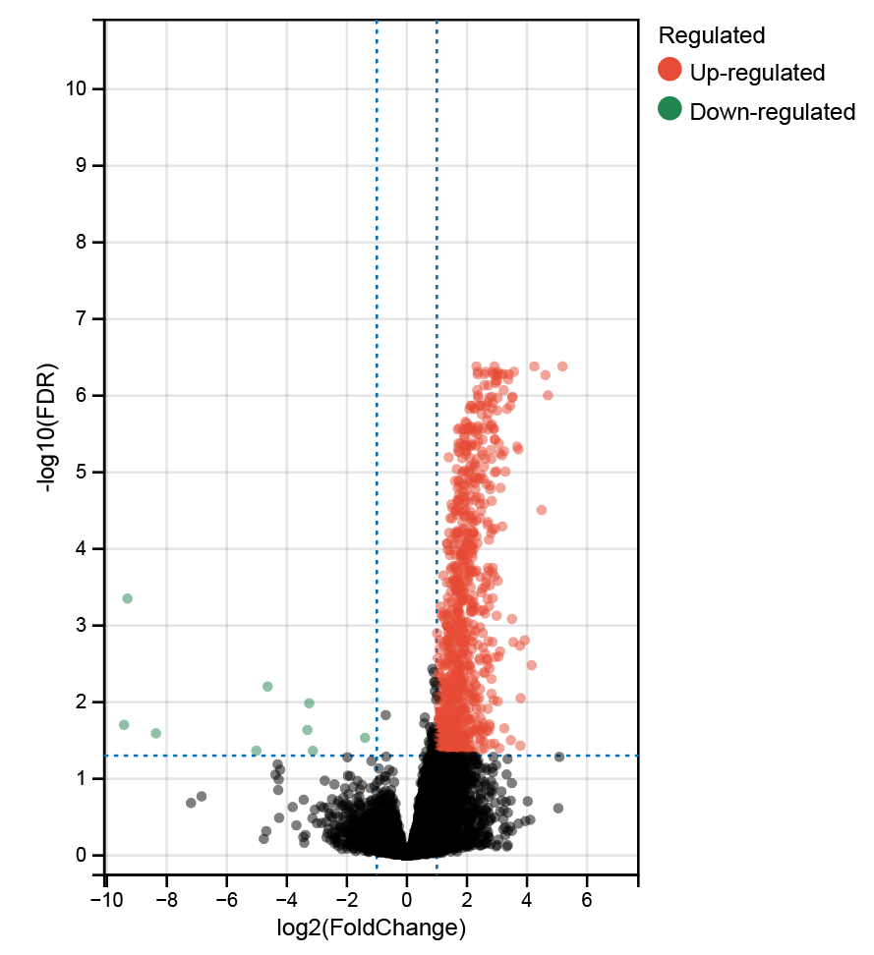
Tag | logFC | AveExpr | t | P.Value | adj.P.Val | B
LCK | 2.9130949821 | 1.1204033043 | 8.9457297007 | 2.26E-11 | 4.16E-07 | 15.743101966
CD79A | 4.2419700058 | 0.10236193512 | 8.6601205573 | 5.60E-11 | 4.16E-07 | 14.879347452
TMC8 | 2.3159207268 | 1.33873604 | 8.5544104539 | 7.85E-11 | 4.16E-07 | 14.557117646
IGLL5 | 5.1825312579 | #NAME? | 8.5734966864 | 8.95E-11 | 4.16E-07 | 14.426403988
SNX20 | 2.6266868583 | -0.31060469432 | 8.3004771878 | 1.78E-10 | 4.90E-07 | 13.777718746
CD3G | 3.5652842592 | -1.013360771 | 8.2874187644 | 1.86E-10 | 4.90E-07 | 13.737440323
RUNX3 | 2.3588593705 | 1.0640901234 | 8.2673104165 | 1.98E-10 | 4.90E-07 | 13.675379616
CD96 | 2.8515269385 | 0.026618891743 | 8.2255502284 | 2.27E-10 | 4.90E-07 | 13.546352387
LTA | 3.0207837316 | #NAME? | 8.3251971663 | 2.37E-10 | 4.90E-07 | 13.49554714
UBASH3A | 2.875888477 | -1.1987563964 | 8.1477730527 | 2.92E-10 | 5.24E-07 | 13.305538377
SH2D1A | 3.2226153758 | -0.39553973677 | 8.1293959848 | 3.10E-10 | 5.24E-07 | 13.248544691
GBP5 | 3.4008569757 | 0.54137696075 | 8.0782838502 | 3.66E-10 | 5.28E-07 | 13.089841109
CD48 | 2.3543793852 | 1.7435922684 | 8.0613401269 | 3.87E-10 | 5.28E-07 | 13.03717056
SLAMF6 | 2.5806376837 | 0.42318430555 | 8.0385576664 | 4.16E-10 | 5.28E-07 | 12.966303227
CD27 | 3.1457895859 | 0.92727831975 | 8.0150912734 | 4.50E-10 | 5.28E-07 | 12.89325282
CD2 | 3.018315855 | 2.4575001793 | 8.011871669 | 4.54E-10 | 5.28E-07 | 12.883225879
JCHAIN | 4.6134208956 | 2.841742986 | 7.9858808368 | 4.95E-10 | 5.41E-07 | 12.80224316
CD6 | 2.9517548698 | 0.055668270565 | 7.9673172103 | 5.25E-10 | 5.43E-07 | 12.744360631
IL7R | 3.3778124985 | 0.86532177266 | 7.9124733039 | 6.29E-10 | 6.15E-07 | 12.573153797
CD5 | 2.9613554882 | 0.47780577123 | 7.8855930049 | 6.86E-10 | 6.38E-07 | 12.489133453
TESPA1 | 3.0022724802 | -1.6661156947 | 7.8689073984 | 7.25E-10 | 6.42E-07 | 12.436943671
ITK | 2.9620940065 | -1.1426274184 | 7.8323867316 | 8.17E-10 | 6.91E-07 | 12.322620044
PTPN7 | 2.716815754 | 0.25823293513 | 7.7961462762 | 9.20E-10 | 7.35E-07 | 12.209048831
GPR132 | 2.5739224965 | -0.76441488133 | 7.7869949564 | 9.48E-10 | 7.35E-07 | 12.180350783
CD3E | 3.2236224138 | 2.103172591 | 7.7255350496 | 1.16E-09 | 8.50E-07 | 11.98741613
C16orf54 | 2.3412340991 | -0.10713134139 | 7.7184471469 | 1.19E-09 | 8.50E-07 | 11.965143729
IKZF1 | 2.3616594376 | -0.15901475092 | 7.6541791758 | 1.47E-09 | 9.93E-07 | 11.76298962
MZB1 | 4.6992105361 | -0.018370995414 | 7.6485275823 | 1.49E-09 | 9.93E-07 | 11.745195238
JAKMIP1 | 2.8251776676 | -2.2422637936 | 7.6155205117 | 1.67E-09 | 1.04E-06 | 11.641215398
IL21R | 3.5182470701 | -2.1599448084 | 7.6136835397 | 1.68E-09 | 1.04E-06 | 11.635425771
ZBP1 | 3.017682278 | #NAME? | 7.6720086115 | 1.88E-09 | 1.06E-06 | 11.527760579
STAP1 | 2.7413779818 | #NAME? | 7.7208142178 | 1.89E-09 | 1.06E-06 | 11.525767438
RAC2 | 2.3781770354 | 3.295137128 | 7.5765055945 | 1.90E-09 | 1.06E-06 | 11.518189797
TIGIT | 3.5107876153 | -0.81574869323 | 7.5685305854 | 1.95E-09 | 1.06E-06 | 11.493026501
PRKCQ | 2.6898265179 | -0.94194784673 | 7.5209936223 | 2.28E-09 | 1.21E-06 | 11.342925795
PYHIN1 | 2.8602165079 | -0.83722180699 | 7.5041511266 | 2.41E-09 | 1.24E-06 | 11.289700554
CD247 | 2.1214616331 | 0.70737566377 | 7.4638908656 | 2.75E-09 | 1.36E-06 | 11.162379527
MS4A1 | 3.4433451087 | #NAME? | 7.5932989482 | 2.83E-09 | 1.36E-06 | 11.143108968
IPCEF1 | 2.3880615864 | -2.1400545499 | 7.4449119066 | 2.93E-09 | 1.36E-06 | 11.102315468
SELPLG | 2.1582973006 | 2.9124916781 | 7.4382090724 | 2.99E-09 | 1.36E-06 | 11.081095879
LY9 | 2.6544860298 | -2.0882517178 | 7.4366870828 | 3.01E-09 | 1.36E-06 | 11.076277139
CARD11 | 2.5110604161 | 0.055943362431 | 7.4254777457 | 3.12E-09 | 1.36E-06 | 11.040782025
CALHM6 | 2.4534664421 | 2.2594705721 | 7.4243122726 | 3.13E-09 | 1.36E-06 | 11.037090927
CCR5 | 2.8302591738 | 0.34451500091 | 7.3925634143 | 3.48E-09 | 1.46E-06 | 10.936501595
SASH3 | 2.2316206243 | 2.2343535308 | 7.3891384089 | 3.52E-09 | 1.46E-06 | 10.9256457
ARHGAP9 | 2.2548891474 | 0.89189513176 | 7.3708366427 | 3.74E-09 | 1.50E-06 | 10.867621719
MAP4K1 | 2.0835915636 | 0.9941669002 | 7.366217436 | 3.80E-09 | 1.50E-06 | 10.852973077
CD8A | 3.3359445127 | 1.0515738641 | 7.361337667 | 3.86E-09 | 1.50E-06 | 10.837496435
ZNF831 | 3.0076652515 | #NAME? | 7.3820474516 | 4.14E-09 | 1.57E-06 | 10.774153607
RASGRP1 | 2.6996117149 | -1.1864207928 | 7.3058542668 | 4.64E-09 | 1.73E-06 | 10.661405218
PRKCB | 2.4953244051 | -0.66402773305 | 7.2953318421 | 4.80E-09 | 1.75E-06 | 10.627984985
IKZF3 | 2.6636137051 | -0.099595107952 | 7.2354333591 | 5.86E-09 | 2.10E-06 | 10.437597386
BIN2 | 1.9452990769 | 1.0380376345 | 7.2154396049 | 6.26E-09 | 2.20E-06 | 10.373993847
UCP2 | 1.9914193472 | 4.0490616084 | 7.1971397869 | 6.66E-09 | 2.29E-06 | 10.315756264
MEI1 | 2.8201842297 | -1.5975092193 | 7.1807973045 | 7.03E-09 | 2.38E-06 | 10.263729651
CD52 | 2.3778935093 | 3.8777372016 | 7.1573661599 | 7.60E-09 | 2.50E-06 | 10.189106894
CXCR6 | 2.8043274118 | #NAME? | 7.1939289822 | 7.66E-09 | 2.50E-06 | 10.185396098
PDE6G | 2.1189252176 | 0.29055704922 | 7.1429316868 | 7.97E-09 | 2.56E-06 | 10.14311958
CORO1A | 2.1614311948 | 3.1191382876 | 7.1360631566 | 8.16E-09 | 2.57E-06 | 10.121232426
EVI2B | 2.0377347138 | 2.3248241474 | 7.1161063422 | 8.72E-09 | 2.66E-06 | 10.057622273
TLR8 | 2.5382497483 | #NAME? | 7.1500194919 | 8.85E-09 | 2.66E-06 | 10.049102326
CCL4 | 2.3513007108 | 1.9104357998 | 7.1087100877 | 8.93E-09 | 2.66E-06 | 10.034041518
GPSM3 | 1.7493814683 | 3.5660286693 | 7.1041281528 | 9.07E-09 | 2.66E-06 | 10.019431772
NFAM1 | 2.0545594374 | 0.60353907694 | 7.1014127144 | 9.15E-09 | 2.66E-06 | 10.010772871
CD69 | 2.8802274333 | 0.36218272535 | 7.091509882 | 9.46E-09 | 2.71E-06 | 9.9791914121
SLAMF1 | 2.9015320929 | -0.93251205881 | 7.0842520886 | 9.69E-09 | 2.73E-06 | 9.9560417436
LCP2 | 1.885238244 | 1.7979129844 | 7.0614193646 | 1.05E-08 | 2.77E-06 | 9.8831942743
CCL5 | 2.6935067803 | 4.4613648155 | 7.0600309617 | 1.05E-08 | 2.77E-06 | 9.8787636491
MPEG1 | 1.6959746298 | 3.6264083869 | 7.0593826599 | 1.05E-08 | 2.77E-06 | 9.8766947732
EBI3 | 2.0532107325 | 1.8694455591 | 7.0582941285 | 1.06E-08 | 2.77E-06 | 9.8732209737
C1QB | 2.0572738268 | 7.0146718399 | 7.0572715311 | 1.06E-08 | 2.77E-06 | 9.869957527
GPR65 | 1.8735985511 | -0.37739379211 | 7.0539545406 | 1.07E-08 | 2.77E-06 | 9.8593715141
NCKAP1L | 2.1608763113 | 1.0880830696 | 7.0455173377 | 1.10E-08 | 2.81E-06 | 9.8324418522
CYTIP | 2.3494436894 | 1.0611955708 | 7.0338395283 | 1.15E-08 | 2.88E-06 | 9.7951624647
LILRB1 | 2.2415075628 | 0.092346170482 | 7.0146938201 | 1.22E-08 | 3.03E-06 | 9.7340271709
CST7 | 2.365144842 | 2.8225377988 | 6.9909471663 | 1.32E-08 | 3.24E-06 | 9.658173407
DOK2 | 1.8983974296 | 2.4396521387 | 6.9660774147 | 1.44E-08 | 3.43E-06 | 9.5787010438
C1QC | 1.9395708408 | 6.9877186761 | 6.9656466532 | 1.44E-08 | 3.43E-06 | 9.5773242522
SIT1 | 2.9236390993 | #NAME? | 6.9673638476 | 1.61E-08 | 3.75E-06 | 9.4731017268
SLA2 | 2.5203661849 | -0.0057209034121 | 6.9327698849 | 1.61E-08 | 3.75E-06 | 9.4722172443
SLAMF7 | 2.9381762174 | 0.89507079669 | 6.9277915131 | 1.63E-08 | 3.75E-06 | 9.456296838
HLA-DQA1 | 2.3774341733 | 3.3904770239 | 6.9041075315 | 1.77E-08 | 4.01E-06 | 9.380541541
HCLS1 | 1.717695336 | 3.3449115075 | 6.8862694597 | 1.88E-08 | 4.20E-06 | 9.3234678697
SLA | 2.1466875716 | 1.0959490644 | 6.8816067879 | 1.90E-08 | 4.22E-06 | 9.3085470935
SIRPG | 3.0576671073 | #NAME? | 6.9488687318 | 1.94E-08 | 4.25E-06 | 9.3018471981
AXL | 1.785306411 | 2.1479805682 | 6.8717100311 | 1.97E-08 | 4.26E-06 | 9.2768738028
CD53 | 2.1205166352 | 3.7494501571 | 6.8471401925 | 2.14E-08 | 4.50E-06 | 9.1982228435
HLA-DPB1 | 1.9864180827 | 6.3012146963 | 6.8461550471 | 2.14E-08 | 4.50E-06 | 9.1950687406
ADA2 | 1.943264648 | 3.4169872536 | 6.8439847938 | 2.16E-08 | 4.50E-06 | 9.1881201786
SAMSN1 | 2.3064040486 | 0.9869753477 | 6.8392610105 | 2.19E-08 | 4.50E-06 | 9.1729952263
SIGLEC1 | 1.8587639628 | 1.3602456163 | 6.8356632393 | 2.22E-08 | 4.50E-06 | 9.1614749991
IL10RA | 2.0003809393 | 2.1264185661 | 6.8332401481 | 2.24E-08 | 4.50E-06 | 9.1537158499
SPN | 2.1642856038 | -0.044096226648 | 6.8318678413 | 2.25E-08 | 4.50E-06 | 9.1493213832
CXCL9 | 3.6700410486 | 3.4963296551 | 6.8193306124 | 2.35E-08 | 4.64E-06 | 9.1091705149
C1orf162 | 1.712311408 | 2.3636814501 | 6.8067001492 | 2.45E-08 | 4.79E-06 | 9.0687146786
ADAMDEC1 | 3.7168180047 | #NAME? | 6.8587218458 | 2.60E-08 | 5.04E-06 | 9.0229129998
IL2RG | 2.7948032645 | 3.1776771909 | 6.7810796875 | 2.67E-08 | 5.11E-06 | 8.9866322978
C1QA | 1.9526608098 | 7.3659062517 | 6.7672439355 | 2.79E-08 | 5.30E-06 | 8.9422952486
CD37 | 1.9841987981 | 1.8046205152 | 6.7642607206 | 2.82E-08 | 5.30E-06 | 8.9327345313
ICOS | 3.2360546475 | #NAME? | 6.8274434936 | 2.88E-08 | 5.35E-06 | 8.9244056108
JAK3 | 2.4987598688 | 0.94701940715 | 6.7554429436 | 2.90E-08 | 5.35E-06 | 8.9044731105
FCER1G | 1.7077380972 | 5.2169457641 | 6.751538852 | 2.94E-08 | 5.37E-06 | 8.8919594105
MS4A6A | 1.7623506932 | 2.8754220949 | 6.7439806712 | 3.02E-08 | 5.45E-06 | 8.8677318063
TRAT1 | 3.0970408311 | #NAME? | 6.7991222384 | 3.16E-08 | 5.65E-06 | 8.8362543026
CD74 | 1.9600651859 | 9.4825542856 | 6.7169074969 | 3.30E-08 | 5.85E-06 | 8.7809331251
CARMIL2 | 2.5231250267 | -1.579226819 | 6.7098003338 | 3.38E-08 | 5.94E-06 | 8.7581429527
GZMK | 3.1622351974 | 0.83651735145 | 6.7026829623 | 3.46E-08 | 6.02E-06 | 8.7353184035
ARHGDIB | 1.3920217483 | 5.9243112189 | 6.6822101827 | 3.71E-08 | 6.39E-06 | 8.6696557524
HLA-DRA | 2.0958485985 | 8.6924202529 | 6.6742987144 | 3.81E-08 | 6.50E-06 | 8.6442777313
FERMT3 | 1.8402108242 | 3.172751545 | 6.6687521734 | 3.88E-08 | 6.56E-06 | 8.6264846924
BCL11B | 2.6173087785 | -1.5325930266 | 6.6648364837 | 3.93E-08 | 6.59E-06 | 8.6139228003
ZAP70 | 2.3293677562 | 0.4773144266 | 6.6545243802 | 4.07E-08 | 6.71E-06 | 8.5808384982
EMB | 2.8085139934 | 0.67531507756 | 6.6538898422 | 4.08E-08 | 6.71E-06 | 8.5788026119
DOCK2 | 2.2555821738 | 0.099451816295 | 6.610681513 | 4.71E-08 | 7.69E-06 | 8.4401448015
KLRB1 | 2.2743774293 | 1.9184886925 | 6.5815941457 | 5.20E-08 | 8.34E-06 | 8.3467751414
...

vennData
CD2high+Radioscorelow vs.CD2low+Radioscorehigh|CD2high+Radioscorelow vs.CD2low+Radioscorelow
IL7R
CD5
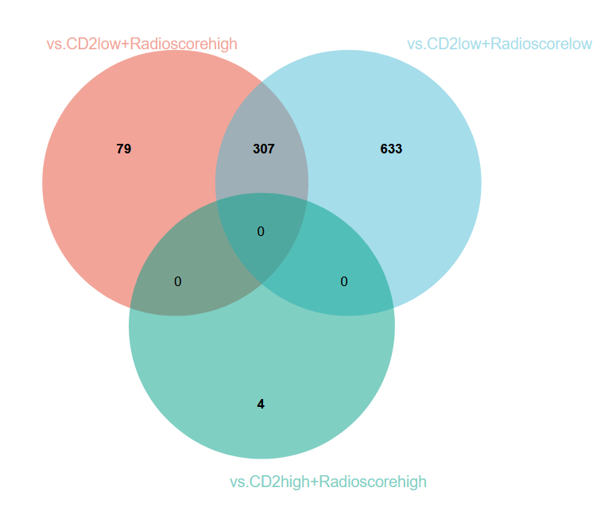
CD2
JCHAIN
SH2D1A
ITK
ZAP70
ZBP1
SLAMF6
IL18RAP
CARMIL2
TMC8
UBASH3A
PRKCQ
ACAP1
ZNF831
TESPA1
ATP2A3
STAP1
CD3E
TIGIT
CD247
CD27
IGLL5
GPR171
CCR7
CD8A
CD79A
CD6
CD226
...

