Intercept gene List
Results (bioinformatics.org)
Found in all three gene lists = 1 | Found in gene lists one and two = 5 | Found in gene lists one and three = 16 | Found in gene lists two and three = 60

Genes' names : | Genes' names : | Genes' names : | Genes' names :

TTPAL | CARD11 | APP | AGFG1
 | CHAF1A | BNIPL | AGK
 | MAP3K10 | CAMK1G | AHCTF1
 | NUDT8 | CTU1 | AKAP7
 | ZNF335 | KCTD7 | ANKS4B
 |  | MASP1 | ARRDC4
 |  | PAFAH2 | BCL2L11
 |  | PCTP | CCL22
 |  | PPIL4 | CDADC1
 |  | RANBP10 | CDKN1A
 |  | ST8SIA6 | CENPE
 |  | STRIP1 | CHDH
 |  | SYNGR2 | CREBL2
 |  | TNFAIP1 | CTDSP2
 |  | TRIM3 | CYP19A1
 |  | YWHAB | DCP1A
 |  |  | DGKE
 |  |  | DIP2A
 |  |  | EFNA1
 |  |  | EGLN3
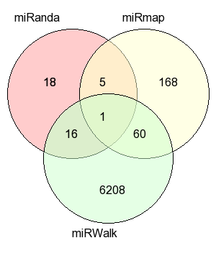
 |  |  | FAM160A1
 |  |  | FBXO47
 |  |  | FKBP4
 |  |  | FRMD8
 |  |  | GDAP1
 |  |  | HAL
 |  |  | IFNGR1
 |  |  | IL1B
 |  |  | JCAD
 |  |  | KCNB1
 |  |  | KIF3B
 |  |  | LHFPL4
 |  |  | LIPH
 |  |  | LRRC8D
 |  |  | LYSMD2
 |  |  | MAPK8
 |  |  | MCFD2
 |  |  | MINK1
 |  |  | MSANTD4
 |  |  | MTMR7
 |  |  | NIPAL2
 |  |  | NR4A3
 |  |  | OTUB2
 |  |  | PFN2
 |  |  | PHACTR4
 |  |  | PSMB5
 |  |  | RAB22A
 |  |  | RASD1
 |  |  | RECQL5
 |  |  | RPA2
 |  |  | RRAGD
 |  |  | SEC31B
 |  |  | SETD6
 |  |  | SLC35E1
 |  |  | SLC40A1
 |  |  | SMG5
 |  |  | SYNDIG1L
 |  |  | TNFRSF11B
 |  |  | UXT
 |  |  | VLDLR

Panther enrichment
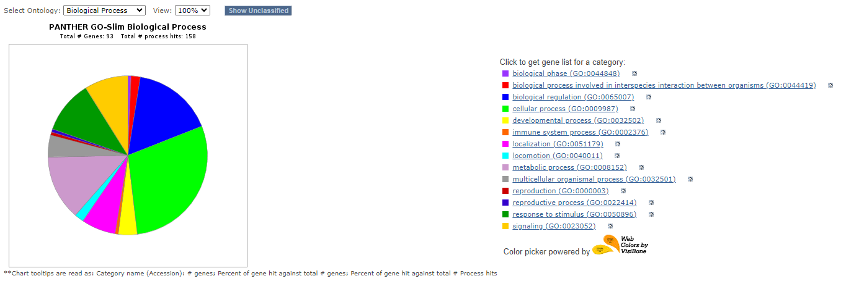
 | Genes inetercepted atleast 2 miRNA target prediction tool results were included for the enrichment
 | Biological processes | Gene Count | Percentage
1 | cellular process (GO:0009987) | 46 | 29.10%
2 | biological phase (GO:0044848) | 1 | 0.60%
3 | reproductive process (GO:0022414) | 1 | 0.60%
4 | localization (GO:0051179) | 11 | 7.00%
5 | biological process involved in interspecies interaction between organisms (GO:0044419) | 3 | 1.90%
6 | reproduction (GO:0000003) | 1 | 0.60%
7 | biological regulation (GO:0065007) | 26 | 16.50%
8 | response to stimulus (GO:0050896) | 17 | 10.80%
9 | signaling (GO:0023052) | 14 | 8.90%
10 | developmental process (GO:0032502) | 6 | 3.80%
11 | multicellular organismal process (GO:0032501) | 7 | 4.40%
12 | locomotion (GO:0040011) | 3 | 1.90%
13 | metabolic process (GO:0008152) | 21 | 13.30%
14 | immune system process (GO:0002376) | 1 | 0.60%

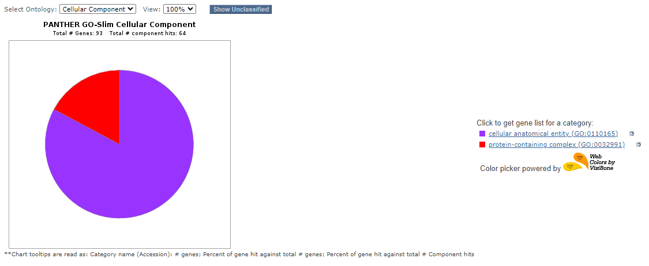
 | Cellular Componant
1 | cellular anatomical entity (GO:0110165) | 53 | 82.80%
2 | protein-containing complex (GO:0032991) | 11 | 17.20%

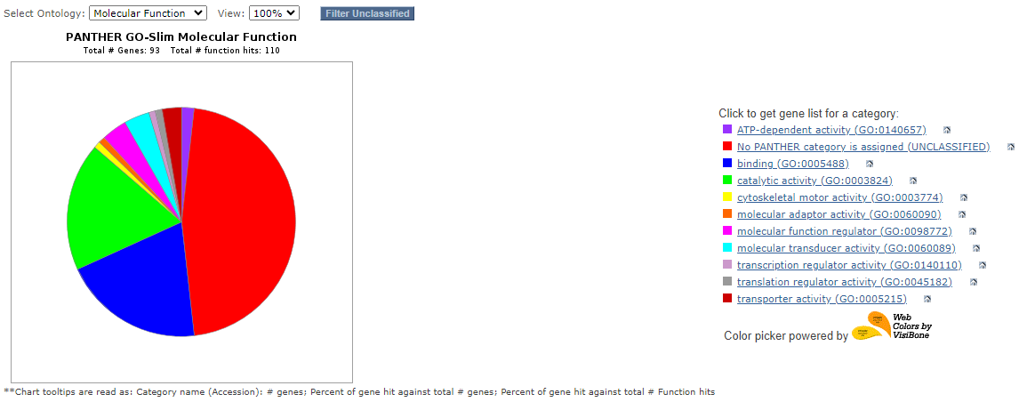
 | Molecular Componant
1 | transporter activity (GO:0005215) | 3 | 2.70%
2 | No PANTHER category is assigned (UNCLASSIFIED) | 51 | 46.40%
3 | translation regulator activity (GO:0045182) | 1 | 0.90%
4 | transcription regulator activity (GO:0140110) | 1 | 0.90%
5 | catalytic activity (GO:0003824) | 20 | 18.20%
6 | cytoskeletal motor activity (GO:0003774) | 1 | 0.90%
7 | molecular function regulator (GO:0098772) | 4 | 3.60%
8 | ATP-dependent activity (GO:0140657) | 2 | 1.80%
9 | molecular transducer activity (GO:0060089) | 4 | 3.60%
10 | molecular adaptor activity (GO:0060090) | 1 | 0.90%
11 | binding (GO:0005488) | 22 | 20.00%

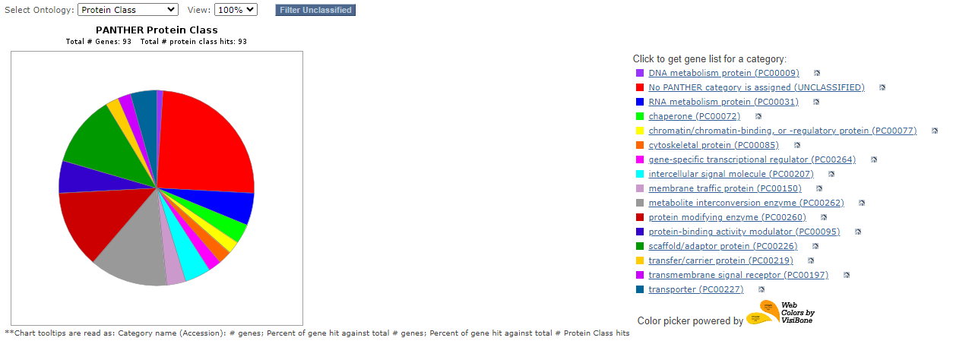
 | Protein Class
1 | protein modifying enzyme (PC00260) | 12 | 12.90%
2 | transporter (PC00227) | 4 | 4.30%
3 | scaffold/adaptor protein (PC00226) | 11 | 11.80%
4 | membrane traffic protein (PC00150) | 3 | 3.20%
5 | No PANTHER category is assigned (UNCLASSIFIED) | 23 | 24.70%
6 | chaperone (PC00072) | 3 | 3.20%
7 | DNA metabolism protein (PC00009) | 1 | 1.10%
8 | protein-binding activity modulator (PC00095) | 5 | 5.40%
9 | transfer/carrier protein (PC00219) | 2 | 2.20%
10 | transmembrane signal receptor (PC00197) | 2 | 2.20%
11 | RNA metabolism protein (PC00031) | 5 | 5.40%
12 | cytoskeletal protein (PC00085) | 2 | 2.20%
13 | intercellular signal molecule (PC00207) | 4 | 4.30%
14 | gene-specific transcriptional regulator (PC00264) | 2 | 2.20%
15 | metabolite interconversion enzyme (PC00262) | 12 | 12.90%
16 | chromatin/chromatin-binding, or -regulatory protein (PC00077) | 2 | 2.20%

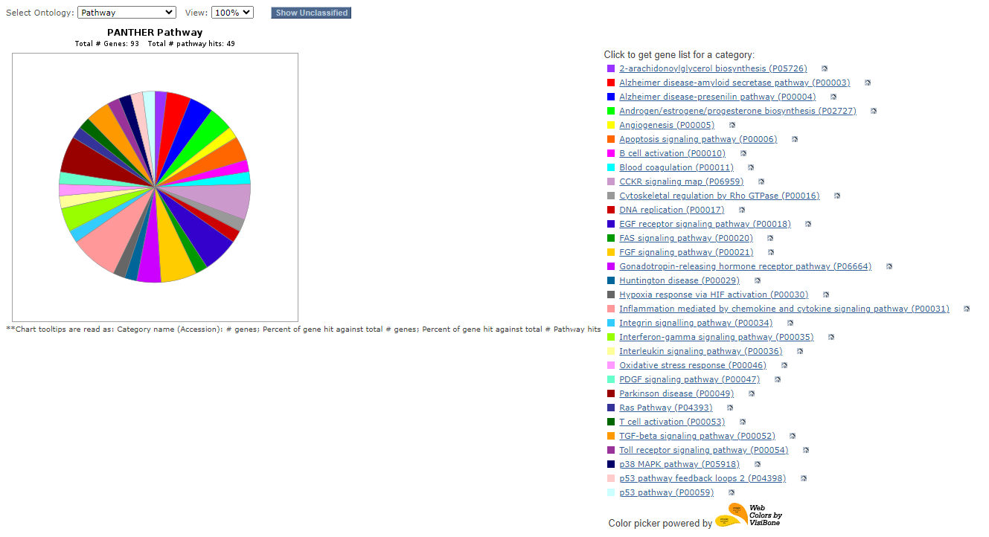
 | Pathways
1 | Apoptosis signaling pathway (P00006) | 2 | 4.10%
2 | p38 MAPK pathway (P05918) | 1 | 2.00%
3 | Interleukin signaling pathway (P00036) | 1 | 2.00%
4 | Angiogenesis (P00005) | 1 | 2.00%
5 | Interferon-gamma signaling pathway (P00035) | 2 | 4.10%
6 | Alzheimer disease-presenilin pathway (P00004) | 2 | 4.10%
7 | Integrin signalling pathway (P00034) | 1 | 2.00%
8 | Alzheimer disease-amyloid secretase pathway (P00003) | 2 | 4.10%
9 | Inflammation mediated by chemokine and cytokine signaling pathway (P00031) | 4 | 8.20%
10 | Hypoxia response via HIF activation (P00030) | 1 | 2.00%
11 | p53 pathway feedback loops 2 (P04398) | 1 | 2.00%
12 | Parkinson disease (P00049) | 3 | 6.10%
13 | EGF receptor signaling pathway (P00018) | 3 | 6.10%
14 | 2-arachidonoylglycerol biosynthesis (P05726) | 1 | 2.00%
15 | Gonadotropin-releasing hormone receptor pathway (P06664) | 2 | 4.10%
16 | DNA replication (P00017) | 1 | 2.00%
17 | PDGF signaling pathway (P00047) | 1 | 2.00%
18 | Cytoskeletal regulation by Rho GTPase (P00016) | 1 | 2.00%
19 | Oxidative stress response (P00046) | 1 | 2.00%
20 | Ras Pathway (P04393) | 1 | 2.00%
21 | Blood coagulation (P00011) | 1 | 2.00%
22 | B cell activation (P00010) | 1 | 2.00%
23 | CCKR signaling map (P06959) | 3 | 6.10%
24 | Huntington disease (P00029) | 1 | 2.00%
25 | p53 pathway (P00059) | 1 | 2.00%
26 | Toll receptor signaling pathway (P00054) | 1 | 2.00%
27 | T cell activation (P00053) | 1 | 2.00%
28 | TGF-beta signaling pathway (P00052) | 2 | 4.10%
29 | FGF signaling pathway (P00021) | 3 | 6.10%
30 | FAS signaling pathway (P00020) | 1 | 2.00%
31 | Androgen/estrogene/progesterone biosynthesis (P02727) | 2 | 4.10%

