Table S4
Table S7. Genes with 3UTRs located in RNA2

Gene | Strand | From | To | Sequence | Secondary Structure
frdD(SL1344_4277) | - | 4603012 | 4603058 | GTTGCCACGACGCCCTCTTATCTACCCGATAAGAGGGCATTTTTTCT | 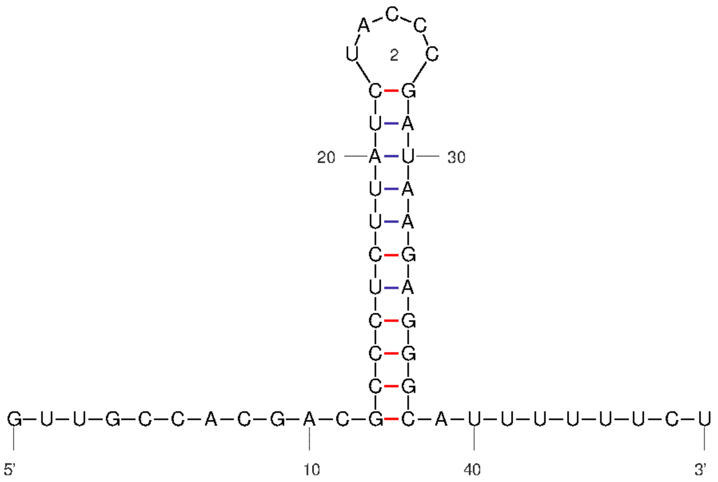
SL1344_1990(SL1344_1990) | - | 2091877 | 2091808 | AGATTTTAGTTTCGGGATATCCTGGTGAGTCCGGAGACGTTTAAAAAACAATAAATTATCTTTACCCGGTTGACCTGAGAAGGTTTACCGGGTTTTTTGA
uhpT(SL1344_3753) | - | 4007442 | 4007501 | ATATCGCTTAAATGTGTGCATTTGGTAACGTTTTGCCCGGCTTAACGCCGGGCTTTTTAT | 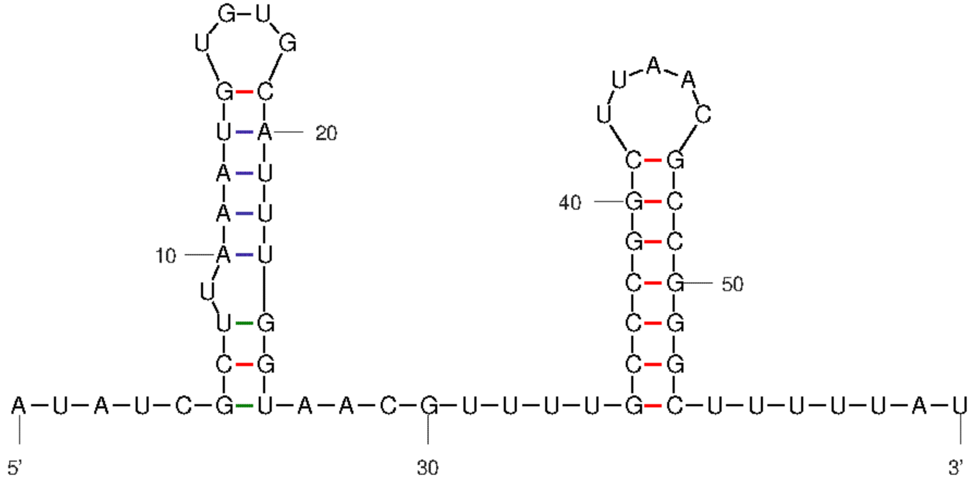
udp(SL1344_3922) | + | 4197164 | 4197216 | CTGTAATTCTCCTCTCTTTTGCAAAGGCCGACGCGTTCGGCCTTTTCTTTTTG | 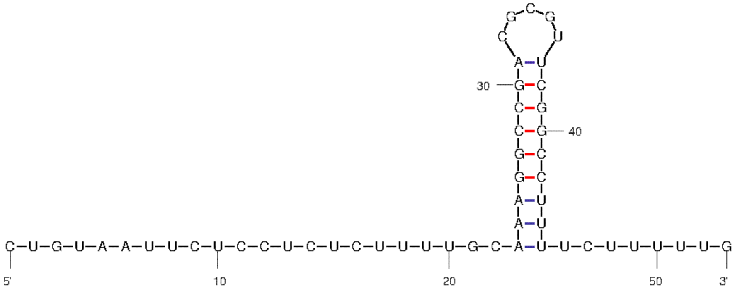
rplQ(SL1344_3381) | - | 3604318 | 3604407 | ATCGAGCTGGTTGATCGTTCAGAGAAAACAGAAGCTGCTGCAGAGTAATCTGTAGTAACGTAAAAAAACCCGCTTCGGCGGGTTTTTTTA | 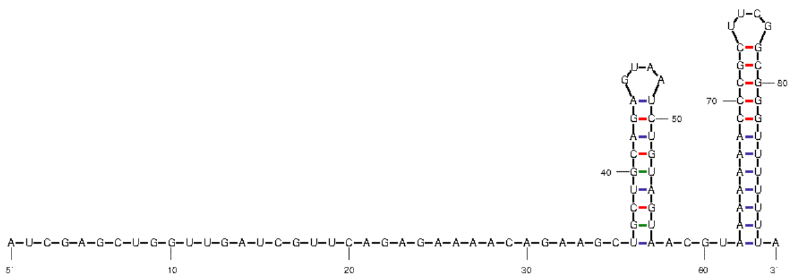
pepN(SL1344_0997) | + | 1103057 | 1103137 | ACTAAAGCGTTAGCCTGACAGTATCCGTTATAAAGAGGTAAGACATGCCCGGTAAGCGTTAGCGCTGCCGGGCATTTTTTT | 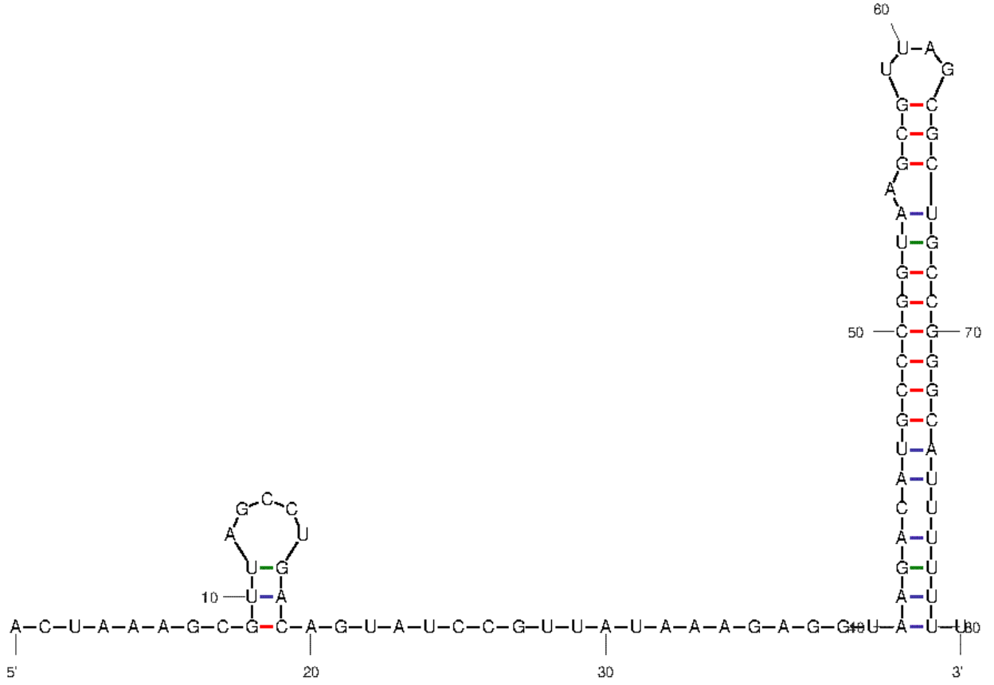
rpl19(SL1344_2646) | - | 2825991 | 2826112 | CTGCGTGAGCGTACTGGTAAAGCGGCTCGTATCAAAGAGCGTCTTAACTGATAACGCATTCACGCTACATCCAAAGCGTGTTGTAAAACAAGGGGTTAGCGAATTGCTGACCCCTTTTTTAT
glmS(SL1344_3828) | - | 4090294 | 4090359 | GTTACCGTAGAGTAAGTACAAATGTAGTACCAGGCAGAAGGCCGTCGACAGACGGCCTTTTTTTGT | 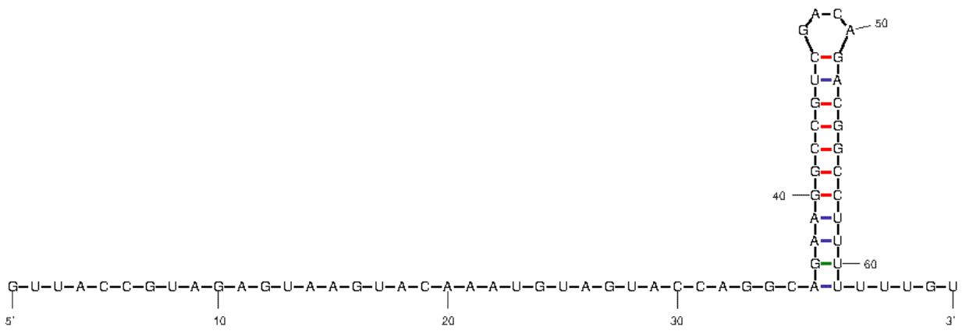
rpsI(SL1344_3316) | - | 3533763 | 3533838 | TTCTCCAAACGTTAATGGGGTTCTGCTTCGGCAGACAACTGTTAGCGAAAAAACCCGCTTCGGCGGGTTTTTTTAT | 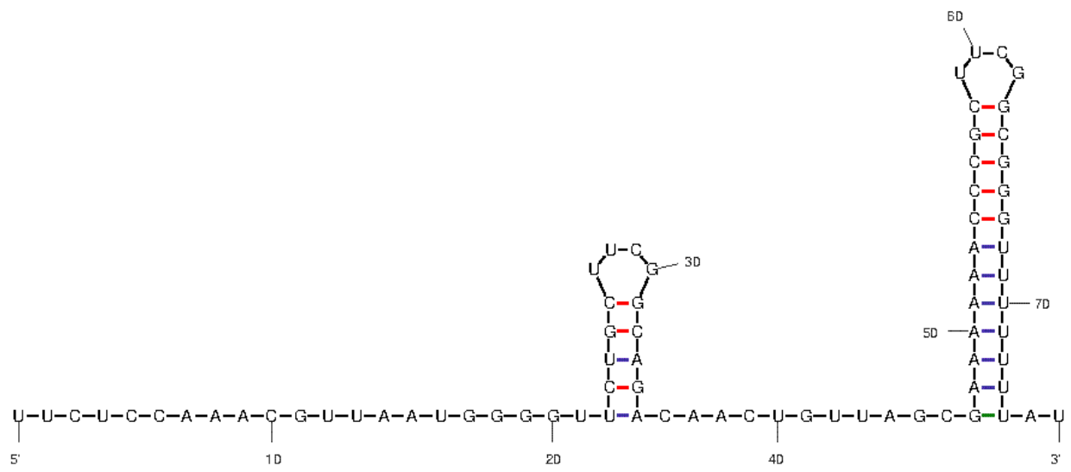
SL1344_0670(SL1344_0670) | + | 750726 | 750784 | GCAATAAAACCCTGCCTTGCCACCCACGGGCGAATGTTTTCCGCCCGTGGTTTTTTCAG | 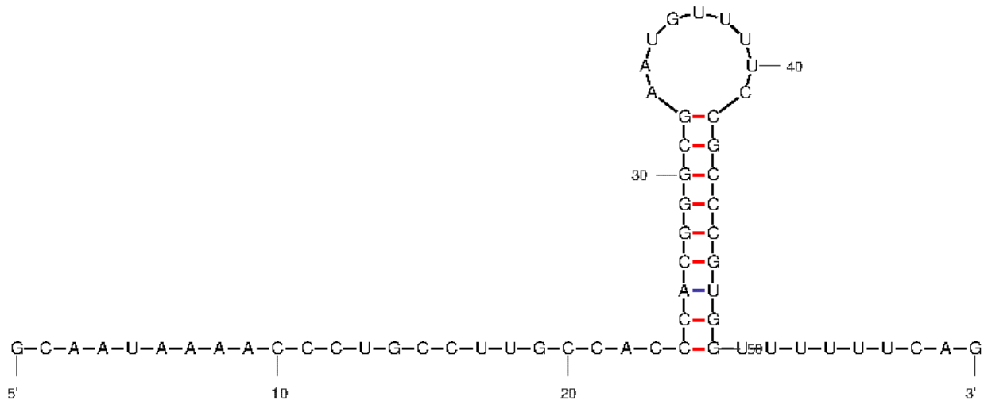
SL1344_3867(SL1344_3867) | + | 4137886 | 4137930 | TTCCAGAACGCATCAATTAGCGGCTCATGCAGCCGCTTTTTTTGC | 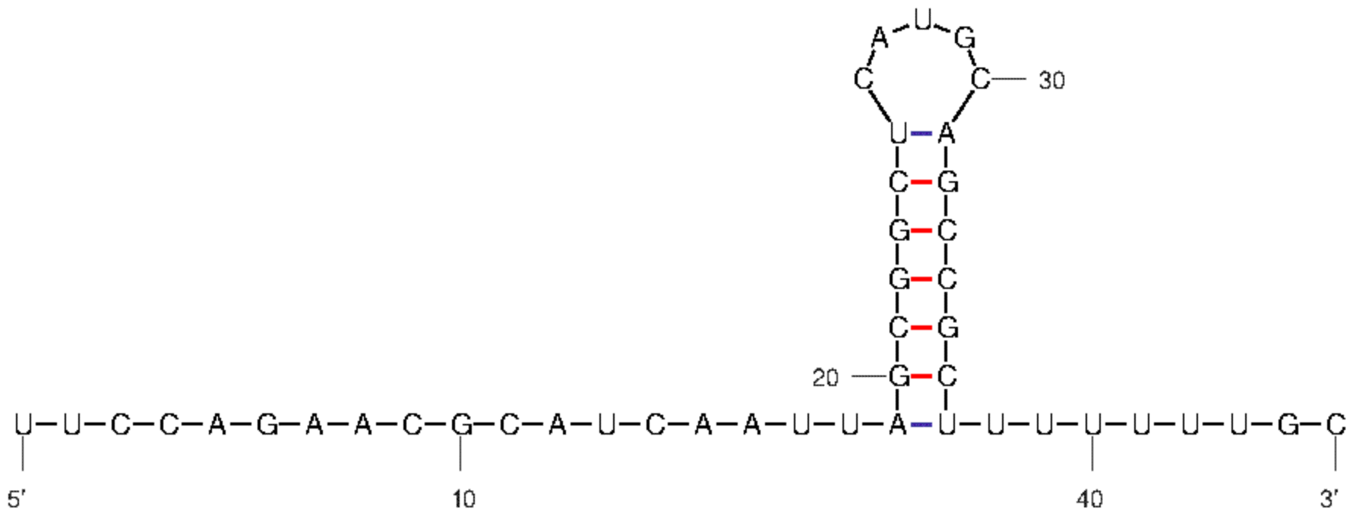
SL1344_2409(SL1344_2409) | - | 2555216 | 2555254 | CATAAAAATGCCCATCCCCGCCTCCGCGGGGATTTTTTT | 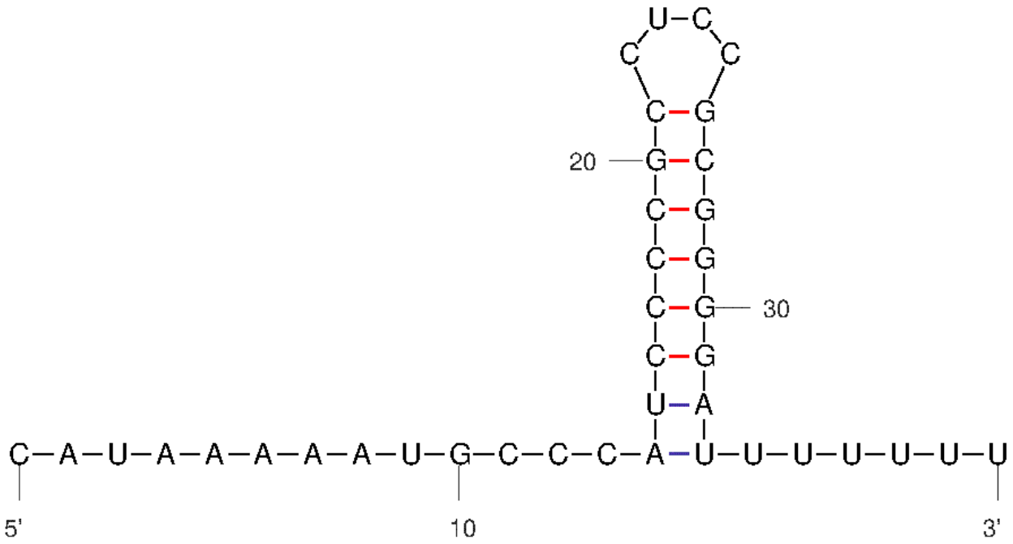
rph(SL1344_3700) | - | 3947959 | 3947999 | AAAATTGATTTTAAGGCGACTGAAAAGTCGCCTTTTTTTTG | 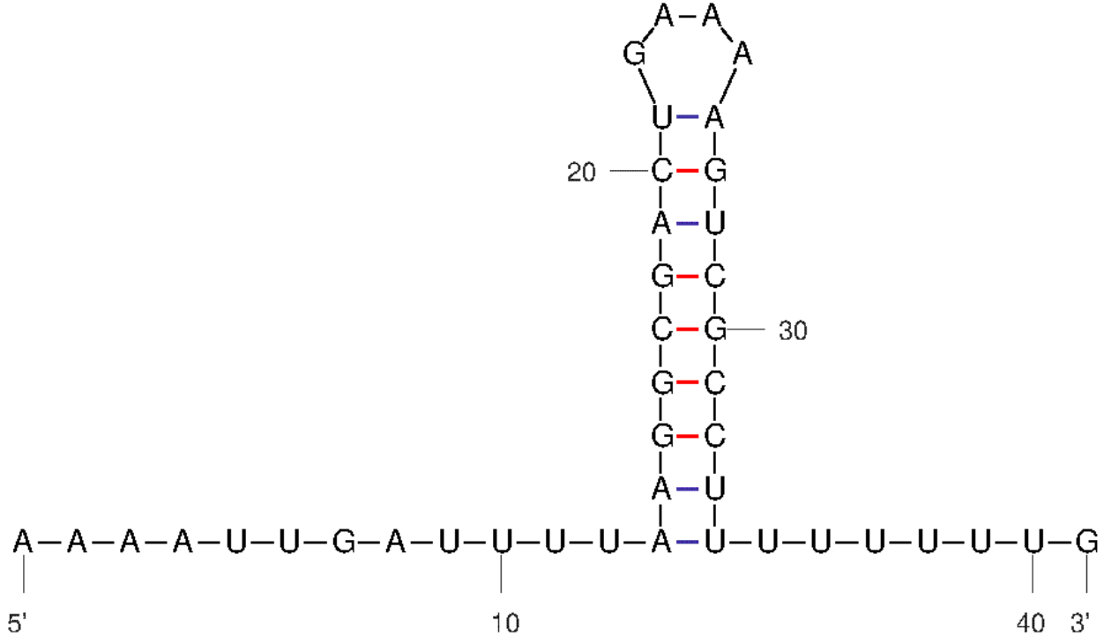
ahpF(SL1344_0597) | + | 672295 | 672386 | AAAATCGCATAAAAAGAAGTAAGCACACCTGCAAGGCCAGTTAACTGGCCATCGTAAATGGCCCGATAGTGTAAGCTATTCGGGCCTGCGGT
cspE(SL1344_0617) | + | 692612 | 692666 | GCATACGTCCGACAGCAAGATTTCAAAACCCGCCCTTTCGGCGGGTTTTTTTTGC | 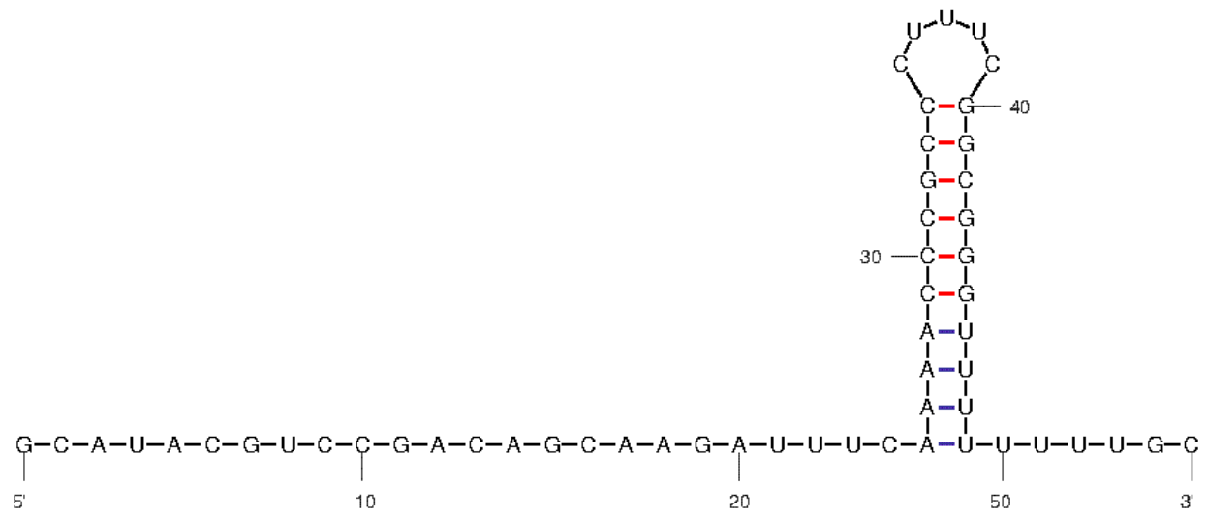
SL1344_3819(SL1344_3819) | + | 4081266 | 4081305 | TGTAGGCCCGGTAAGCGCAGCGCCACCGGGCAAAAGAATG | 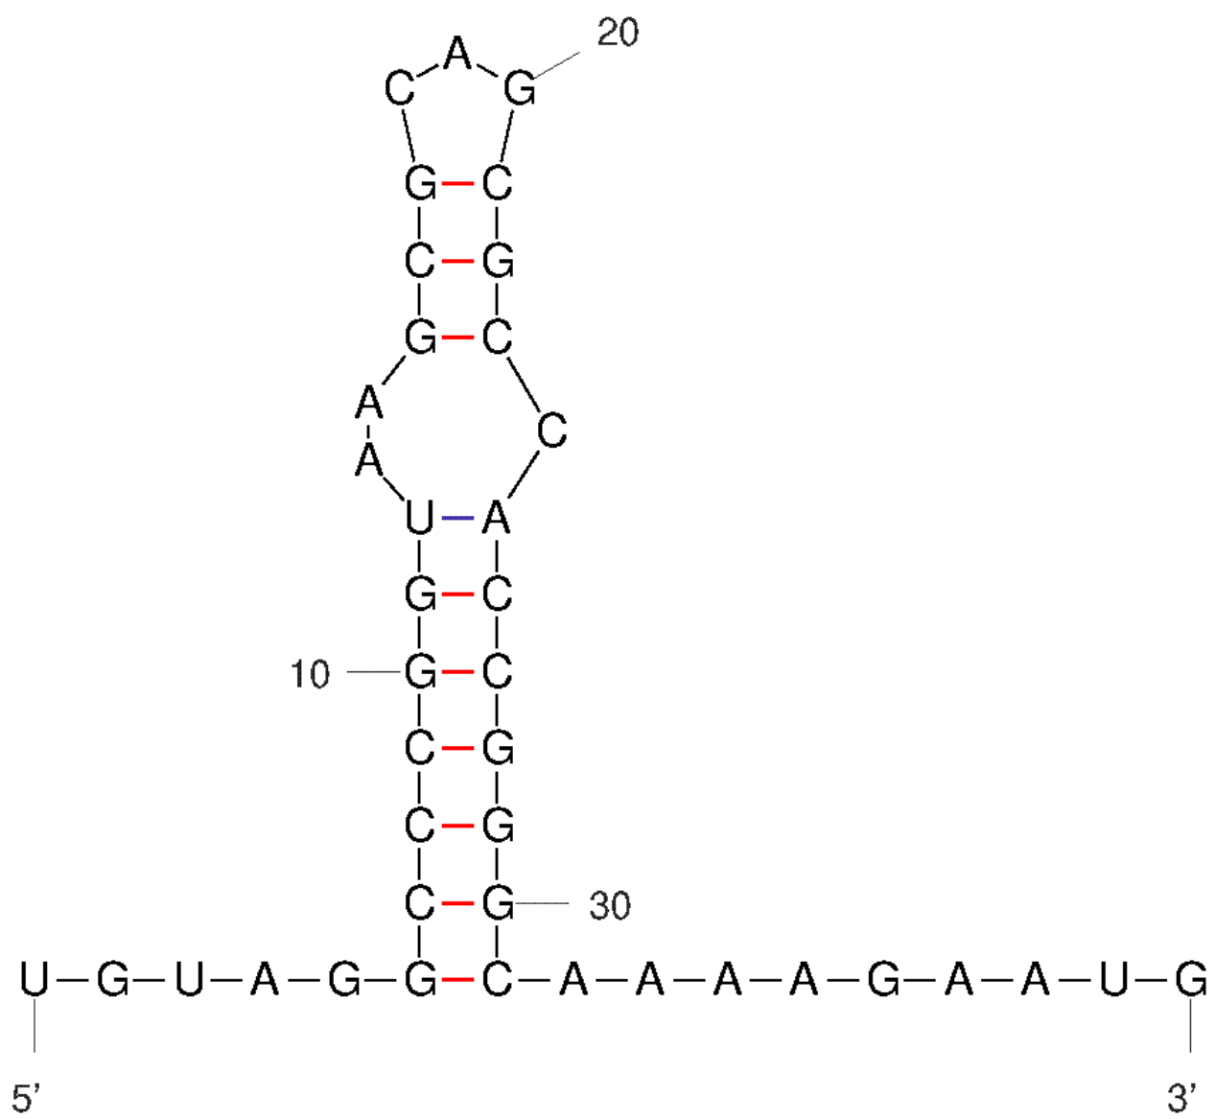
fabA(SL1344_1007) | - | 1114144 | 1114216 | TATTCCGCGCTATCGGTATCATGCTTGCAAAGCCCATAAAGGCGAAACCTCCGCACTGCGGAGGTTTCTTTTT | 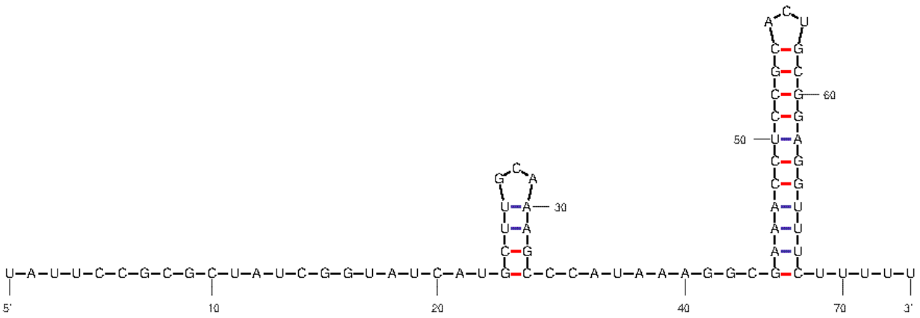
SL1344_3664(SL1344_3664) | + | 3915348 | 3915416 | ATTGTCCACATTGCGAATTCTTCGCTCCGCTGTTCCGGGATTGCACTCCATCGGAACAGCGTTTTTTAG | 