S6
Supplementary Table 6. Summary of closed gaps in CaT2T assembly compared to Ca59 draft genome

Gap type a | Gap number | Longest gap | Shortest gap | Total gap length | Covered genes
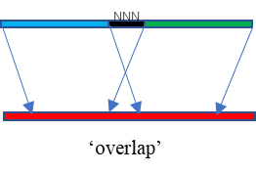 | 260 | 553.6 kb | 71 bp | 7.0 Mb | 244
 | 175 | 2.14 Mb | 12 bp | 21.3 Mb | 376
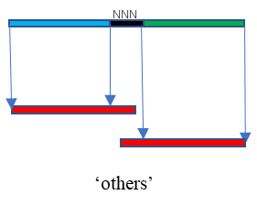 | 70 | - | - | - | -
Total Gaps | 505 | 2.14 Mb | 12 bp | 28.3 Mb | 614
a Gap type was determined by mapping the Ca59 contigs to the CaT2T final assembly.

