Sheet1
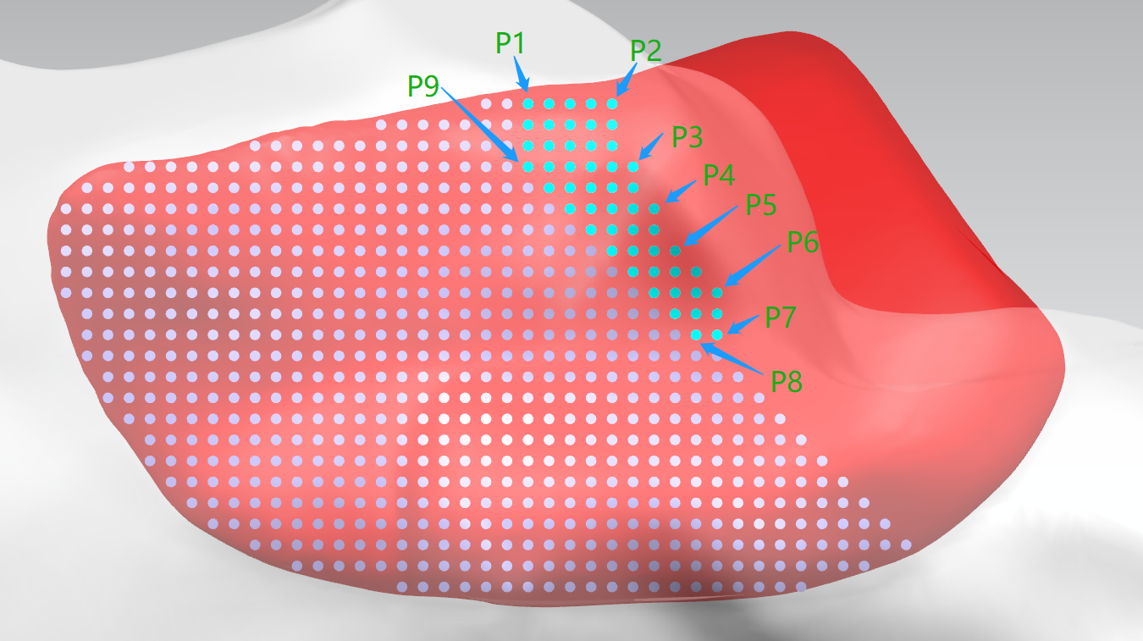
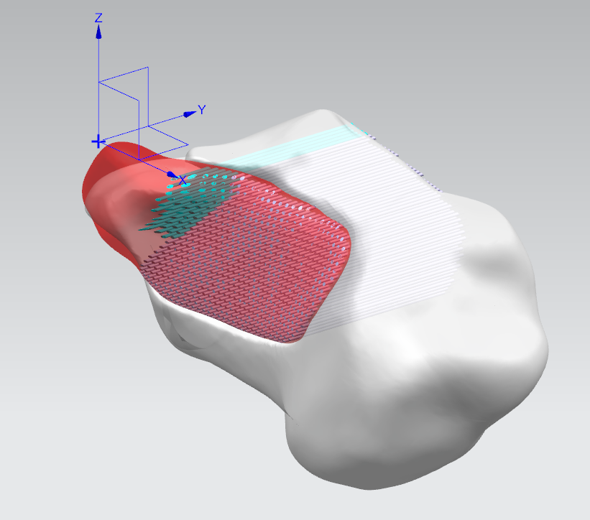
Sample 1
点 | X | Y | Z
P1 | 13.98 | 36.44 | -3.98
P2 | 9.98 | 37.19 | -4.03
P3 | 8.99 | 38.58 | -7.04
P4 | 8.00 | 38.88 | -8.99
P5 | 6.98 | 38.56 | -11.02
P6 | 4.97 | 37.92 | -13.03
P7 | 4.99 | 37.47 | -15.02
P8 | 6.00 | 37.42 | -14.99
P9 | 13.99 | 37.54 | -7.00

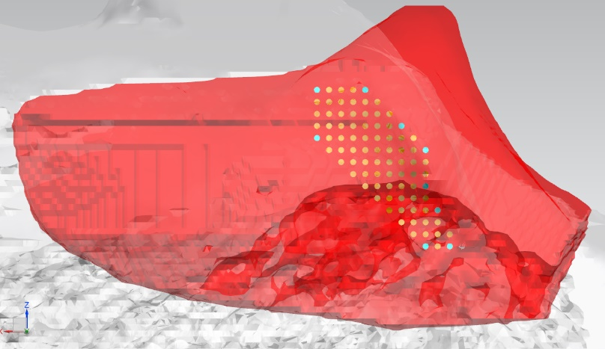
Sample 2：Male 30-year-old Inspection number：LY-2051476
点 | X | Y | Z
P1 | 10.00 | 46.64 | -7.02
P2 | 6.00 | 47.00 | -7.00
P3 | 3.00 | 47.42 | -10.00
P4 | 0.99 | 47.29 | -11.98
P5 | 1.00 | 46.82 | -14.00
P6 | 0.00 | 44.67 | -17.00
P7 | -0.99 | 43.68 | -19.99
P8 | 0.99 | 44.00 | -20.02
P9 | 9.98 | 46.32 | -11.00

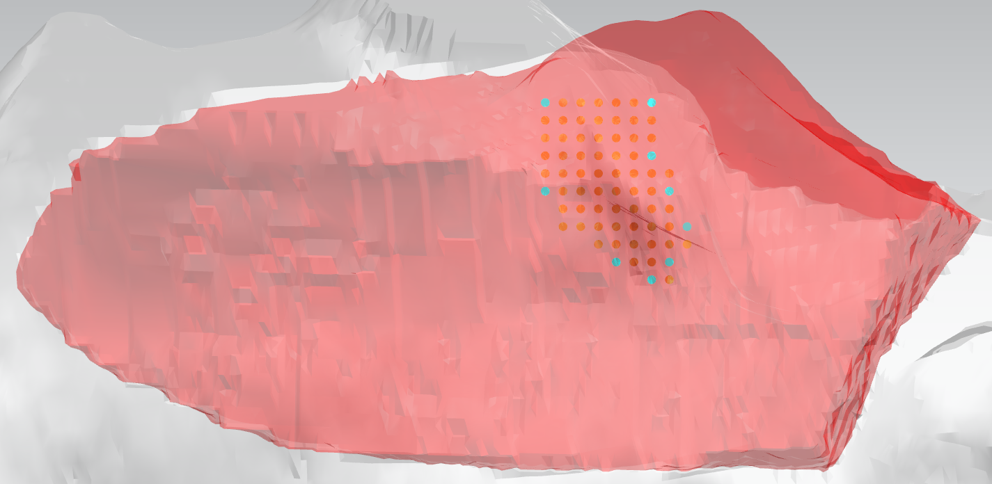
Sample 3：Male 44-year-old Inspection number：LY-2111473
点 | X | Y | Z
P1 | 10.00 | 44.16 | -5.00
P2 | 3.99 | 31.86 | -5.00
P3 | 3.99 | 39.54 | -8.00
P4 | 3.00 | 39.79 | -10.00
P5 | 2.00 | 39.43 | -12.00
P6 | 3.00 | 42.51 | -13.99
P7 | 3.99 | 42.28 | -15.00
P8 | 6.00 | 43.19 | -14.00
P9 | 10.00 | 44.19 | -10.00

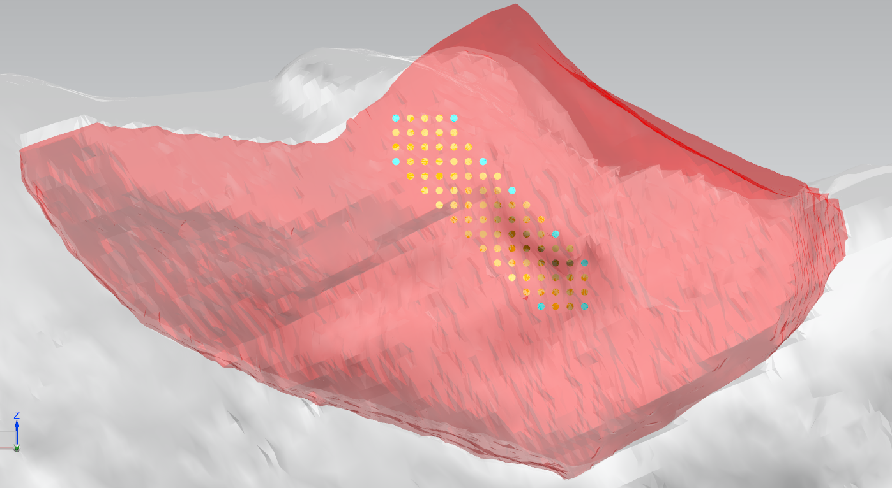
Sample 4：Male 48-year-old Inspection number：LY-2117629
点 | X | Y | Z
P1 | 14.00 | 40.26 | -8.00
P2 | 10.00 | 41.36 | -8.00
P3 | 7.99 | 42.73 | -11.00
P4 | 6.00 | 43.68 | -13.00
P5 | 3.00 | 42.94 | -16.01
P6 | 0.99 | 39.94 | -18.00
P7 | 0.99 | 38.36 | -20.99
P8 | 3.99 | 40.86 | -21.00
P9 | 13.99 | 42.61 | -11.00

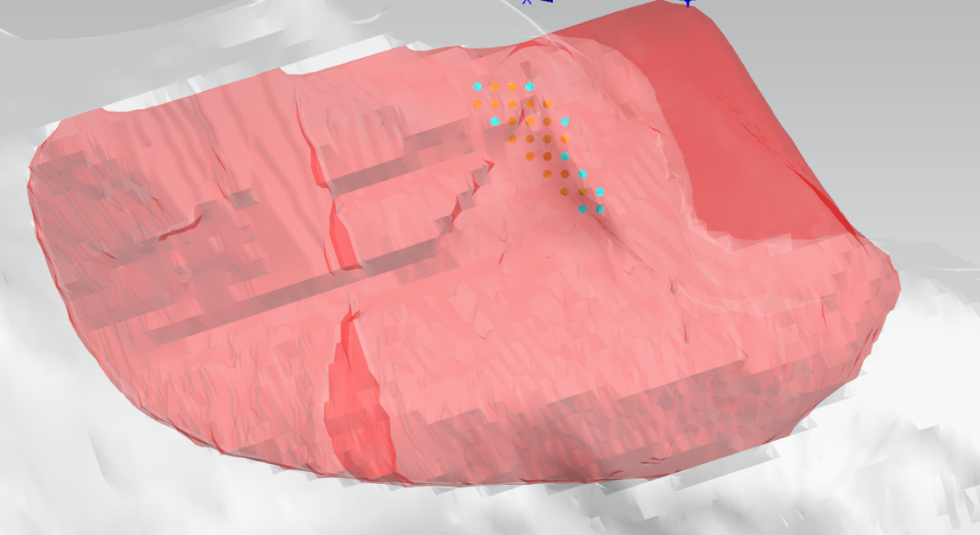
Sample 5：Female 62-year-old Inspection number：LY-2124887
点 | X | Y | Z
P1 | 12.00 | 37.30 | -4.00
P2 | 9.00 | 37.93 | -4.99
P3 | 7.00 | 39.50 | -7.00
P4 | 7.00 | 39.64 | -9.00
P5 | 6.00 | 39.57 | -10.00
P6 | 5.00 | 38.90 | -11.00
P7 | 5.00 | 38.61 | -11.99
P8 | 5.99 | 38.06 | -11.99
P9 | 11.00 | 37.87 | -7.00

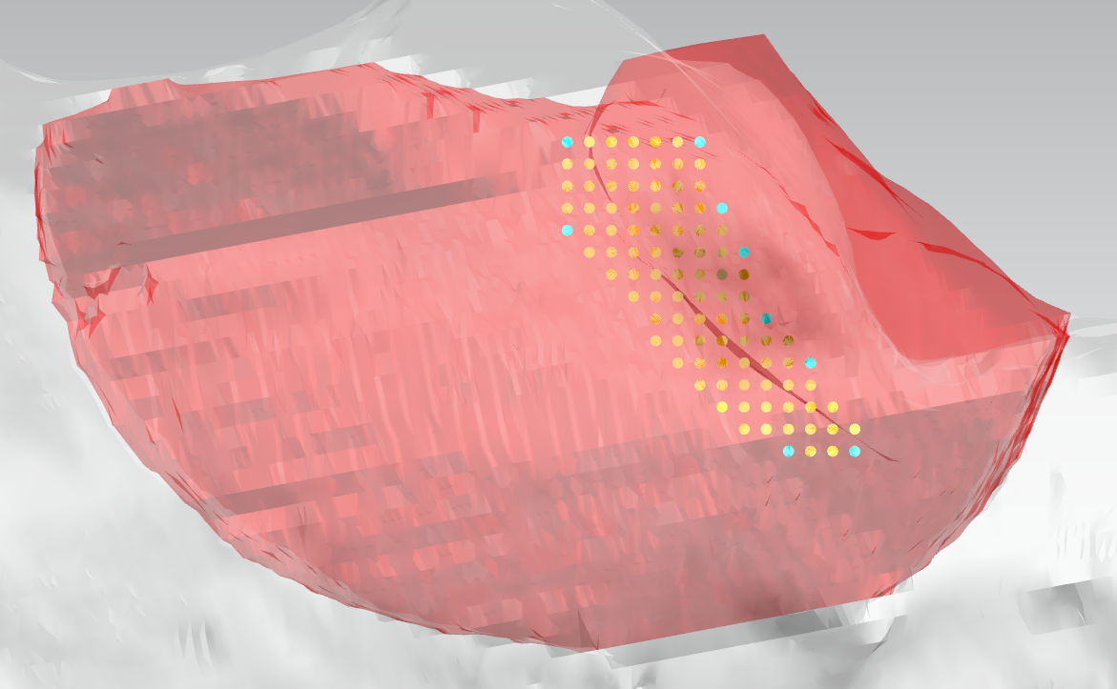
Sample 6：Male 60-year-old Inspection number：LY-1847416
点 | X | Y | Z
P1 | 7.99 | 43.07 | -5.00
P2 | 2.00 | 44.90 | -5.00
P3 | 1.00 | 45.62 | -8.00
P4 | 0.00 | 45.22 | -10.00
P5 | -1.00 | 43.89 | -13.00
P6 | -3.00 | 42.64 | -15.00
P7 | -5.00 | 43.39 | -19.00
P8 | -2.00 | 43.73 | -19.00
P9 | 8.00 | 43.75 | -9.00

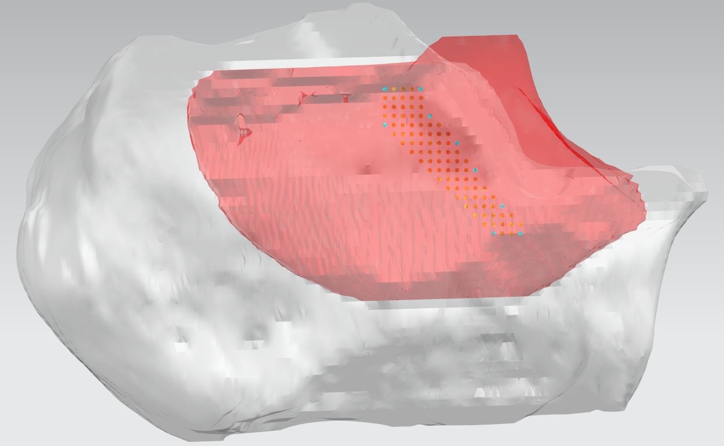
Sample 7：Male 53-year-old Inspection number：LY-1898755
点 | X | Y | Z
P1 | 14.00 | 41.04 | -6.00
P2 | 10.00 | 42.44 | -6.00
P3 | 9.00 | 41.90 | -9.00
P4 | 6.00 | 40.58 | -12.00
P5 | 4.00 | 38.57 | -15.00
P6 | 1.00 | 37.89 | -19.00
P7 | -1.00 | 38.85 | -22.00
P8 | 2.00 | 39.08 | -22.00
P9 | 14.00 | 40.94 | -10.00

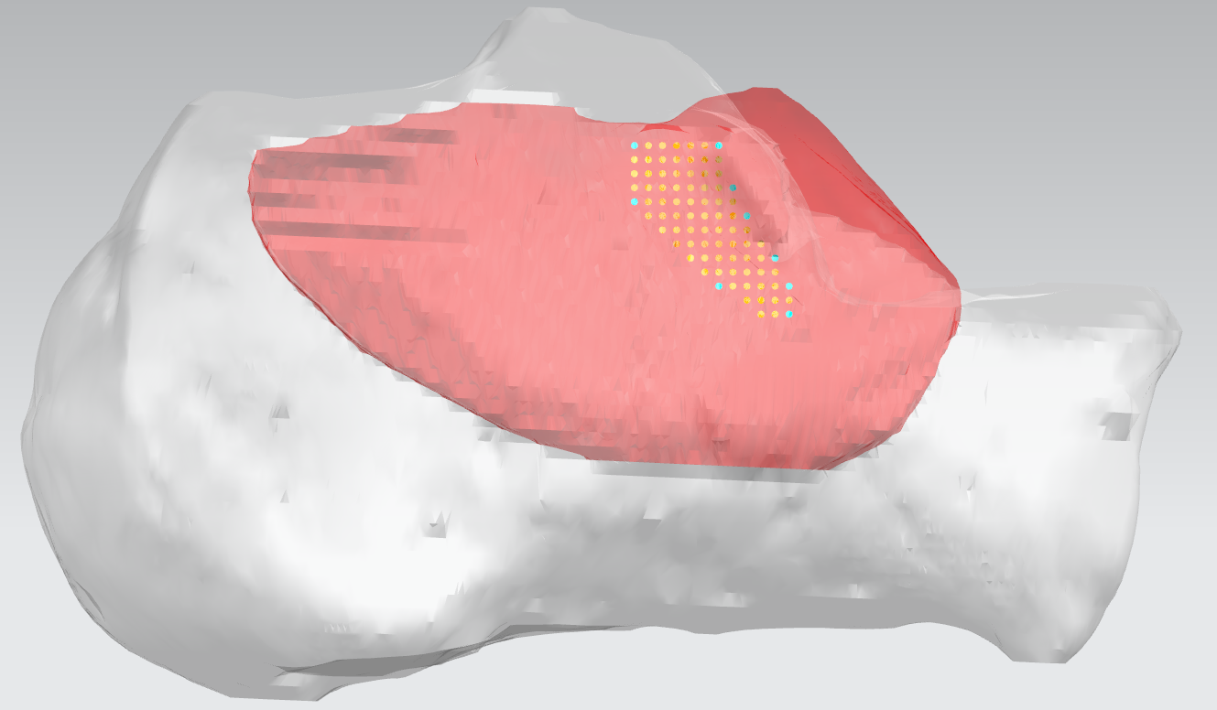
Sample 8：Male 18-year-old Inspection number：LY-1927153
点 | X | Y | Z
P1 | 12.00 | 41.76 | -4.00
P2 | 5.99 | 43.28 | -4.00
P3 | 5.00 | 43.10 | -7.00
P4 | 4.00 | 42.82 | -9.00
P5 | 2.00 | 42.32 | -12.00
P6 | 1.00 | 42.61 | -14.00
P7 | 1.00 | 42.93 | -16.00
P8 | 5.99 | 42.80 | -14.00
P9 | 12.00 | 43.00 | -8.00

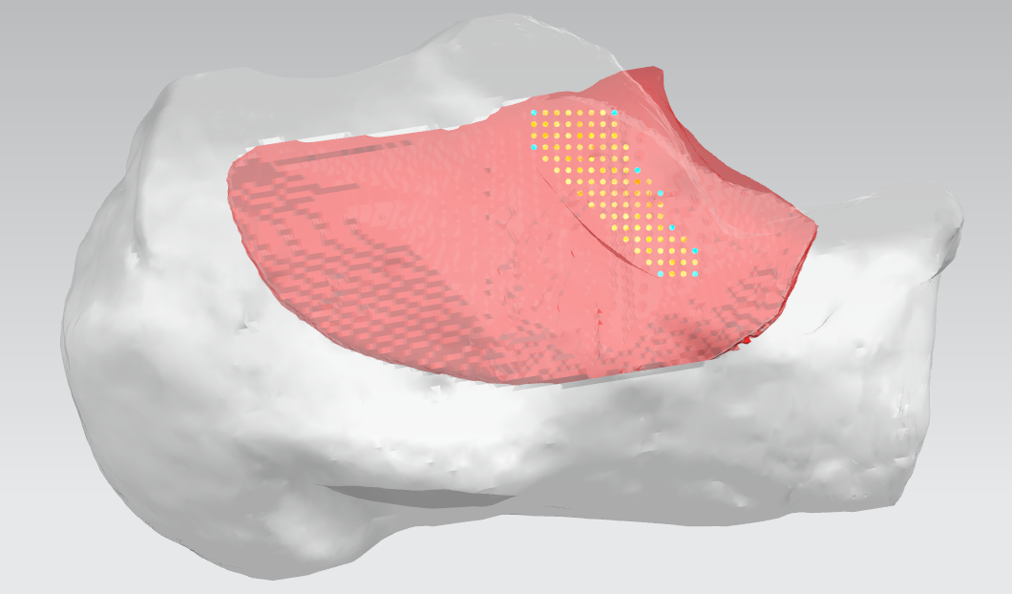
Sample 9：Male 25-year-old Inspection number：LY-1985476
点 | X | Y | Z
P1 | 12.00 | 45.85 | -4.00
P2 | 5.00 | 45.11 | -4.00
P3 | 3.00 | 45.69 | -9.00
P4 | 1.00 | 44.61 | -11.00
P5 | 0.00 | 45.19 | -14.00
P6 | -2.00 | 45.96 | -16.00
P7 | -2.00 | 47.35 | -18.00
P8 | 1.00 | 48.08 | -17.98
P9 | 11.99 | 47.02 | -6.99

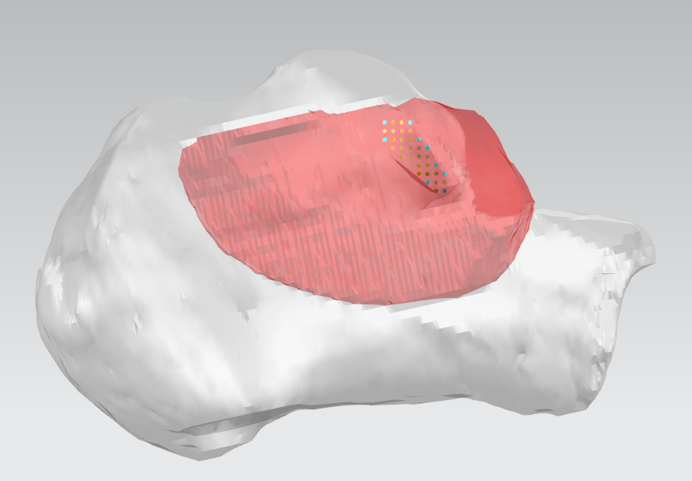
Sample 10：Female 38-year-old Inspection number：LY-2033197
点 | X | Y | Z
P1 | 7.99 | 38.46 | -3.00
P2 | 4.99 | 39.64 | -3.00
P3 | 3.98 | 40.23 | -4.99
P4 | 3.00 | 40.00 | -6.00
P5 | 1.99 | 38.89 | -8.00
P6 | 1.00 | 37.80 | -9.00
P7 | 1.00 | 36.00 | -11.00
P8 | 3.00 | 37.57 | -10.00
P9 | 7.98 | 38.73 | -5.00

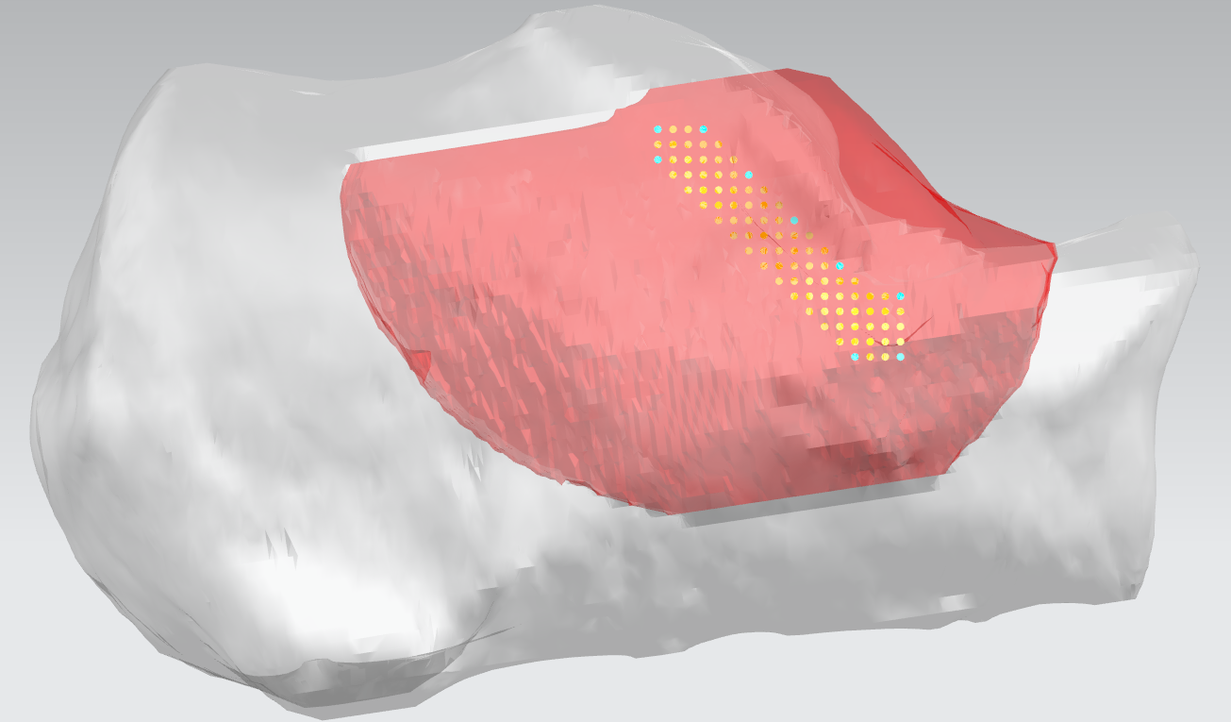
Sample 11：Female 28-year-old Inspection number：LY-2047943
点 | X | Y | Z
P1 | 12.00 | 38.34 | -4.00
P2 | 9.00 | 39.33 | -4.00
P3 | 6.00 | 39.00 | -7.00
P4 | 3.00 | 37.75 | -10.00
P5 | 0.00 | 34.77 | -13.00
P6 | -4.00 | 35.10 | -15.00
P7 | -4.00 | 37.30 | -18.99
P8 | -1.00 | 38.50 | -19.00
P9 | 11.98 | 38.91 | -6.00

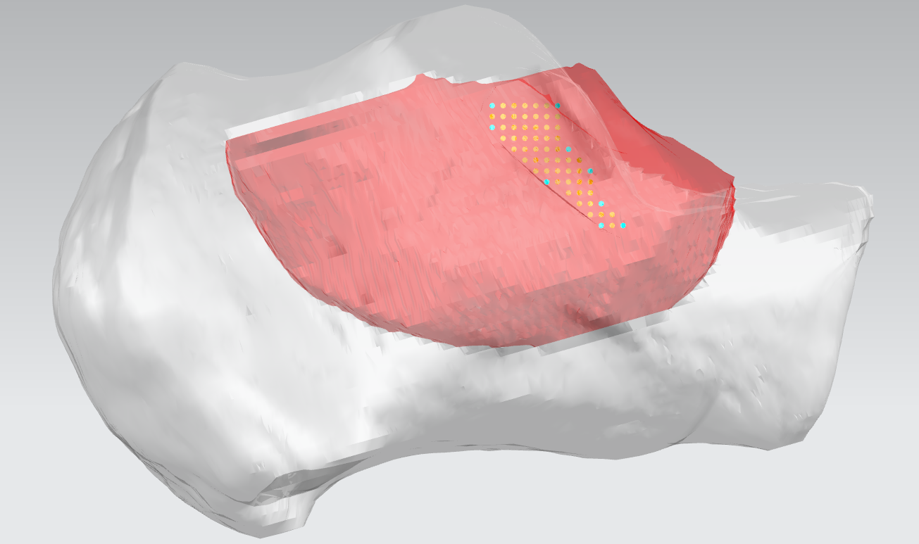
Sample 12：Female 30-year-old Inspection number：LY-2064638
点 | X | Y | Z
P1 | 8.00 | 38.61 | -3.99
P2 | 2.00 | 39.14 | -3.99
P3 | 0.99 | 38.05 | -8.00
P4 | -1.00 | 37.36 | -10.00
P5 | -2.00 | 37.00 | -13.00
P6 | -4.00 | 37.20 | -15.00
P7 | -2.00 | 37.22 | -15.00
P8 | 3.00 | 37.86 | -11.00
P9 | 7.98 | 39.04 | -6.00

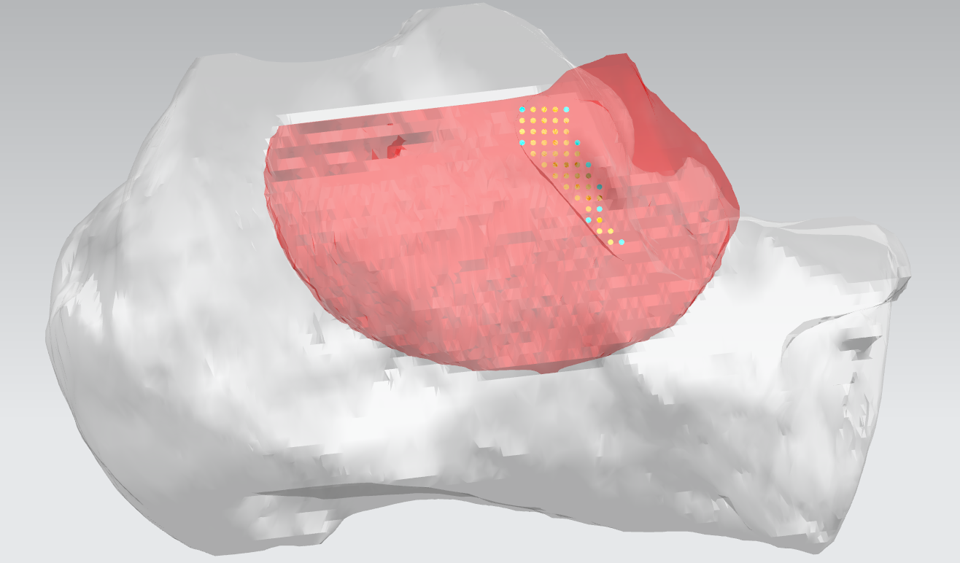
Sample 13： Male 45-year-old Inspection number：LY-2065053
点 | X | Y | Z
P1 | 10.00 | 45.25 | -4.99
P2 | 5.98 | 45.60 | -5.00
P3 | 5.00 | 46.11 | -8.00
P4 | 4.00 | 45.90 | -9.98
P5 | 3.00 | 44.90 | -12.00
P6 | 3.00 | 44.33 | -14.00
P7 | 1.00 | 44.97 | -17.00
P8 | 4.00 | 44.70 | -15.00
P9 | 10.00 | 46.25 | -8.00

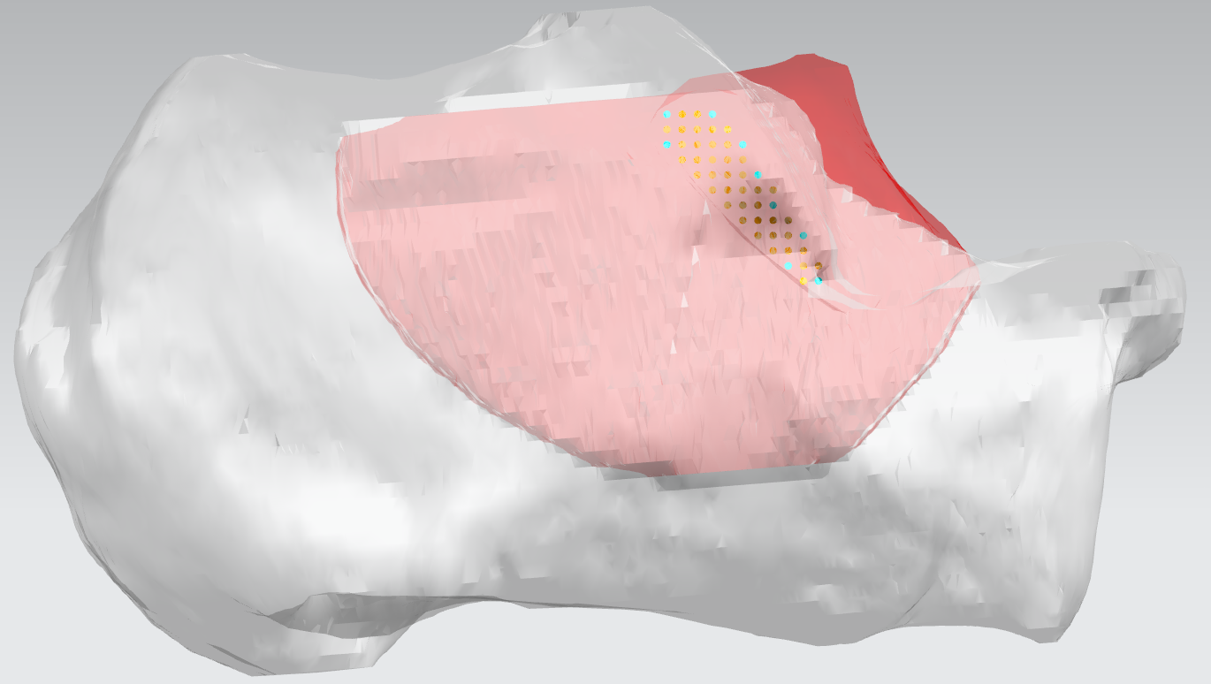
Sample 14：Male 28-year-old Inspection number：LY-2071335
点 | X | Y | Z
P1 | 11.00 | 39.75 | -4.00
P2 | 8.00 | 39.70 | -4.00
P3 | 6.00 | 40.20 | -6.00
P4 | 5.00 | 40.30 | -8.00
P5 | 4.00 | 39.00 | -10.00
P6 | 2.00 | 37.20 | -12.00
P7 | 1.00 | 36.70 | -15.00
P8 | 3.00 | 37.10 | -14.00
P9 | 11.00 | 40.20 | -6.00

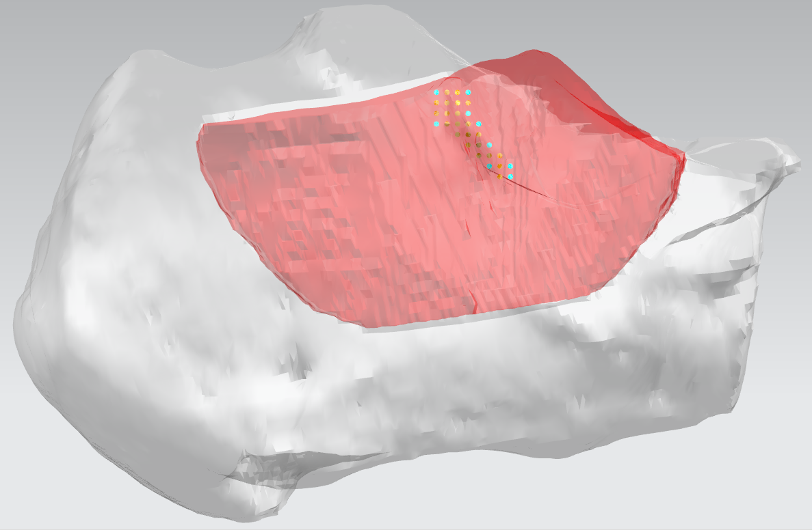
Sample 15：Male 44-year-old Inspection number：LY-2111473
点 | X | Y | Z
P1 | 9.00 | 43.47 | -4.00
P2 | 5.99 | 42.07 | -4.00
P3 | 6.00 | 44.60 | -6.00
P4 | 5.00 | 44.20 | -7.00
P5 | 4.00 | 43.70 | -9.00
P6 | 2.00 | 41.30 | -11.00
P7 | 2.00 | 41.80 | -12.00
P8 | 4.00 | 42.90 | -11.00
P9 | 9.00 | 43.60 | -7.00

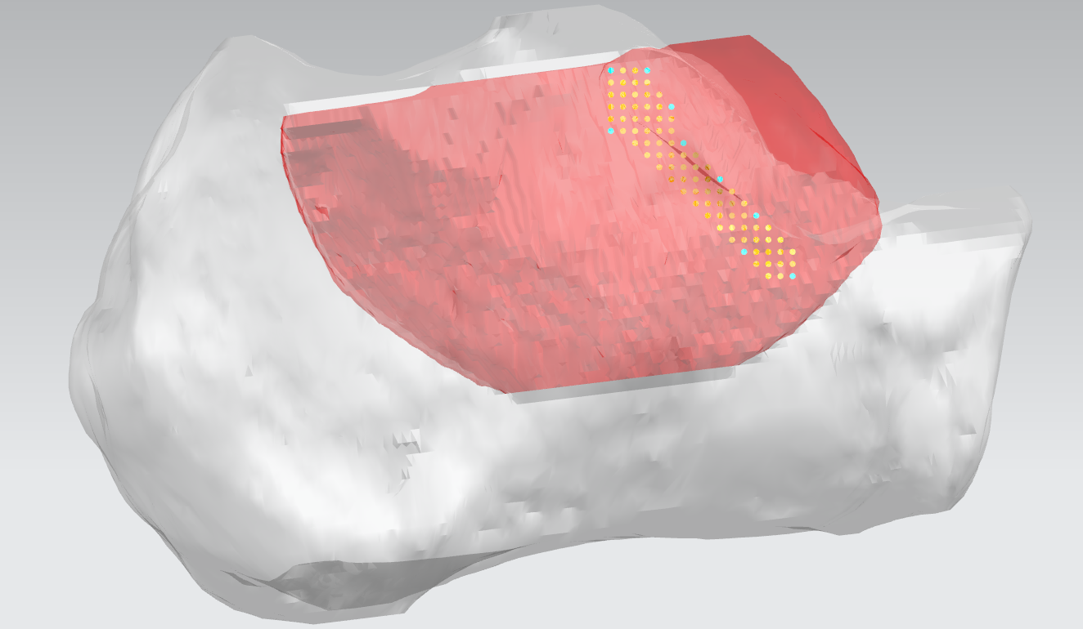
Sample 16：Male 30-year-old Inspection number：LY-2117419
点 | X | Y | Z
P1 | 14.00 | 39.80 | -3.00
P2 | 11.00 | 40.20 | -3.00
P3 | 9.00 | 41.70 | -6.00
P4 | 8.00 | 41.80 | -9.00
P5 | 5.00 | 41.30 | -12.00
P6 | 2.00 | 40.50 | -15.00
P7 | -1.00 | 41.30 | -20.00
P8 | 3.00 | 41.20 | -18.00
P9 | 14.00 | 41.60 | -8.00

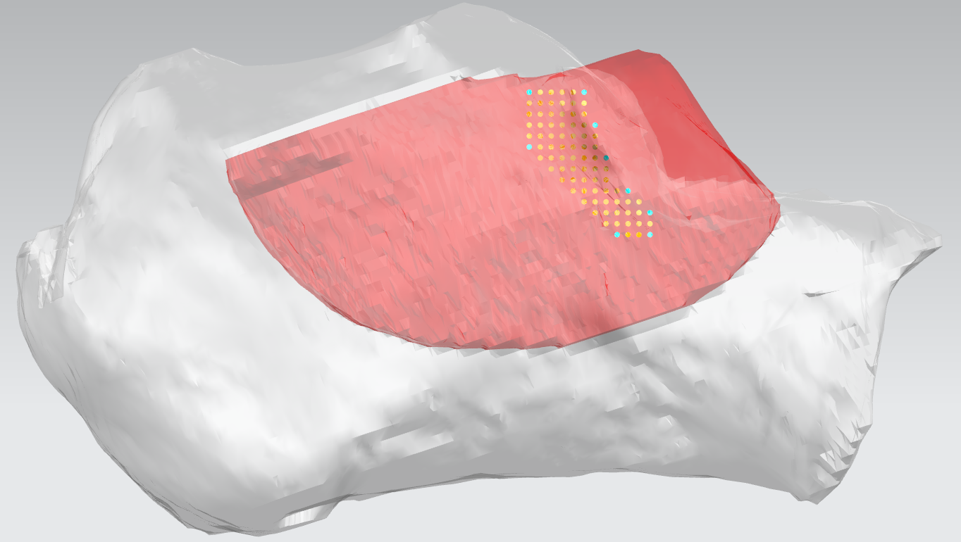
Sample 17：Female 62-year-old Inspection number：LY-2124887
点 | X | Y | Z
P1 | 11.00 | 37.40 | -4.00
P2 | 6.00 | 38.70 | -4.00
P3 | 5.00 | 39.60 | -7.00
P4 | 4.00 | 38.80 | -10.00
P5 | 2.00 | 37.70 | 13.00
P6 | 0.00 | 37.40 | -15.00
P7 | 0.00 | 38.20 | -17.00
P8 | 3.00 | 38.30 | -17.00
P9 | 11.00 | 38.10 | -9.00

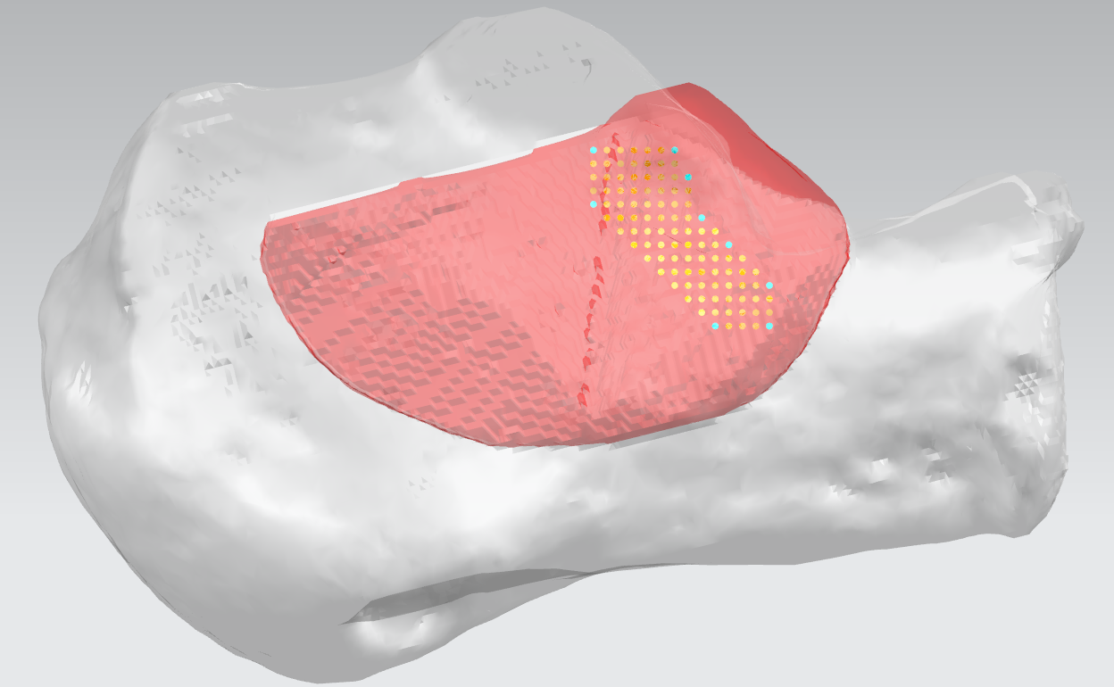
Sample 18：Male 25-year-old Inspection number：LY-2210215
点 | X | Y | Z
P1 | 8.00 | 41.20 | -5.00
P2 | 2.00 | 41.20 | -5.00
P3 | 1.00 | 40.40 | -7.00
P4 | 0.00 | 39.60 | -10.00
P5 | -2.00 | 40.00 | -12.00
P6 | -5.00 | 41.40 | -15.00
P7 | -5.00 | 41.70 | 18.00
P8 | -1.00 | 42.20 | -18.00
P9 | 8.00 | 41.20 | -9.00

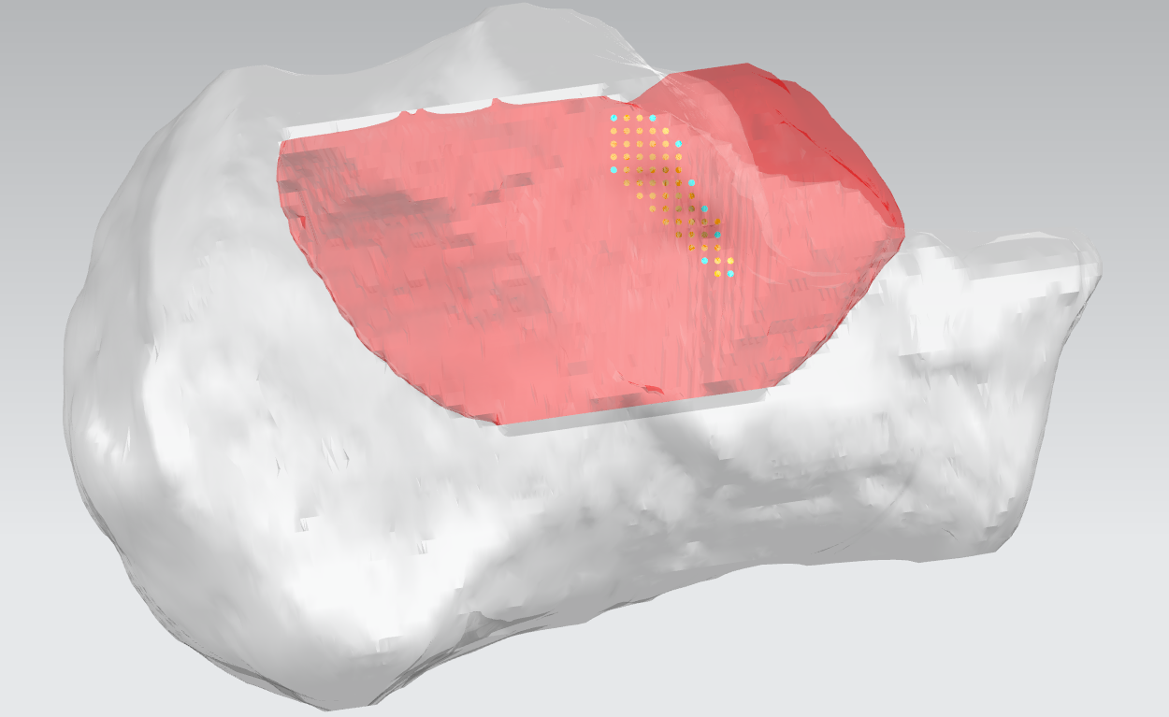
Sample 19：Male 35-year-old Inspection number：LY-2238896
点 | X | Y | Z
P1 | 10.00 | 42.60 | -4.00
P2 | 7.00 | 42.90 | -4.00
P3 | 5.00 | 42.50 | -6.00
P4 | 4.00 | 42.30 | -9.00
P5 | 3.00 | 41.60 | -11.00
P6 | 2.00 | 40.00 | -13.00
P7 | 1.00 | 39.90 | -16.00
P8 | 3.00 | 40.10 | -15.00
P9 | 10.00 | 42.50 | -8.00

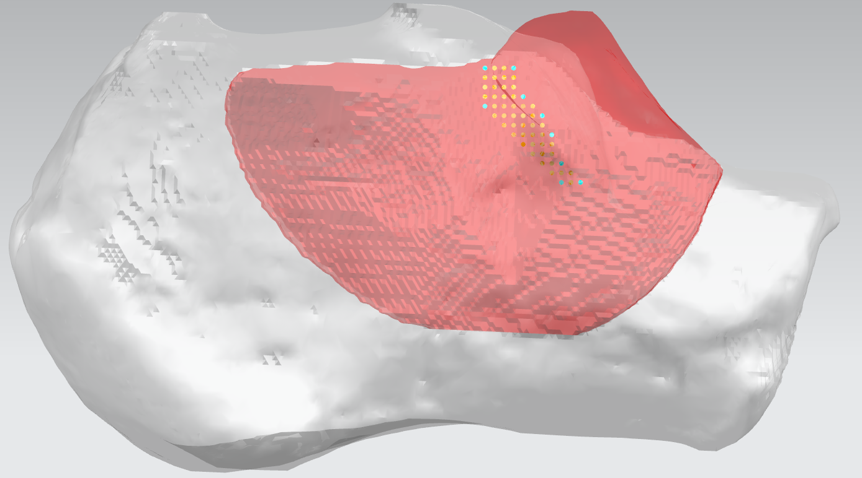
Sample 20：Male 33-year-old Inspection number：LY-2283473
点 | X | Y | Z
P1 | 12.00 | 42.80 | -6.00
P2 | 9.00 | 42.90 | -6.00
P3 | 8.00 | 44.60 | -9.00
P4 | 6.00 | 45.00 | -11.00
P5 | 5.00 | 45.30 | -13.00
P6 | 4.00 | 44.60 | -16.00
P7 | 2.00 | 43.00 | -18.00
P8 | 4.00 | 43.50 | -18.00
P9 | 12.00 | 44.20 | -10.00

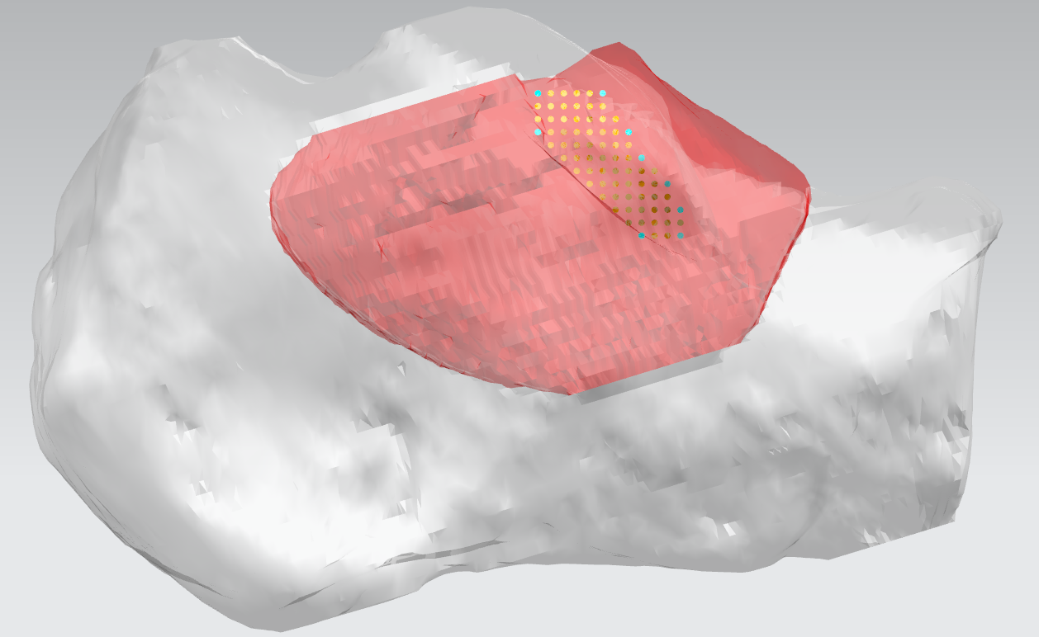
Sample 21：Male 36-year-old Inspection number：LY-2293039
点 | X | Y | Z
P1 | 11.00 | 39.90 | -4.00
P2 | 6.00 | 40.80 | -4.00
P3 | 4.00 | 42.20 | -7.00
P4 | 3.00 | 42.30 | -9.00
P5 | 1.00 | 41.30 | -11.00
P6 | 0.00 | 39.60 | -13.00
P7 | 0.00 | 38.10 | -15.00
P8 | 3.00 | 39.00 | -15.00
P9 | 11.00 | 41.40 | -7.00

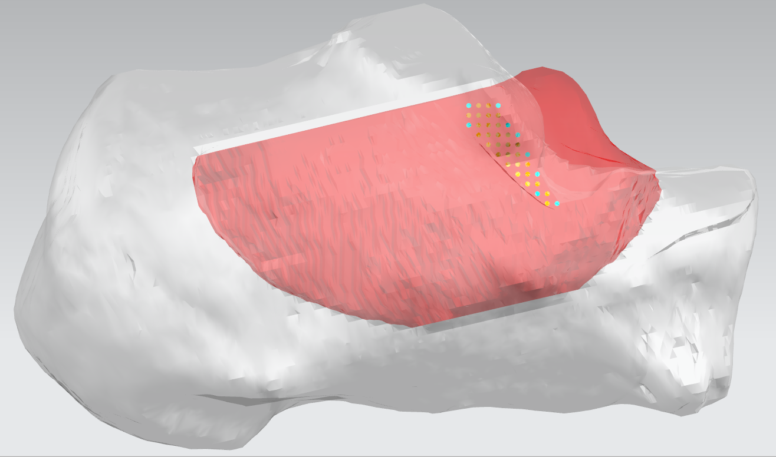
Sample 22：Male 23-year-old Inspection number：LY-2324485
点 | X | Y | Z
P1 | 8.00 | 40.00 | -4.00
P2 | 5.00 | 40.50 | -4.00
P3 | 4.00 | 39.80 | -6.00
P4 | 3.00 | 38.90 | -7.00
P5 | 2.00 | 36.70 | -9.00
P6 | 1.00 | 36.10 | -11.00
P7 | -1.00 | 38.00 | -14.00
P8 | 1.00 | 37.80 | -13.00
P9 | 8.00 | 39.70 | -6.00

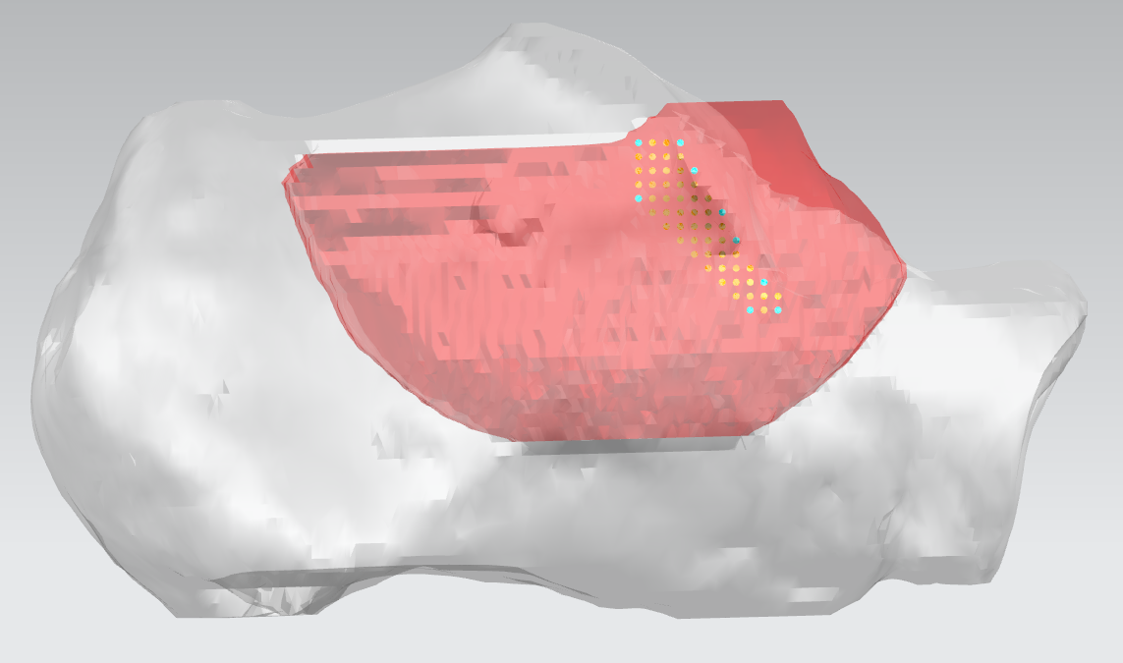
Sample 23：Female 38-year-old Inspection number：LY-2376563
点 | X | Y | Z
P1 | 8.00 | 34.90 | -3.00
P2 | 5.00 | 35.80 | -3.00
P3 | 4.00 | 36.40 | -5.00
P4 | 2.00 | 35.10 | -8.00
P5 | 1.00 | 33.70 | -10.00
P6 | -1.00 | 32.80 | -13.00
P7 | -2.00 | 33.50 | -15.00
P8 | 0.00 | 33.60 | -15.00
P9 | 8.00 | 35.30 | -7.00

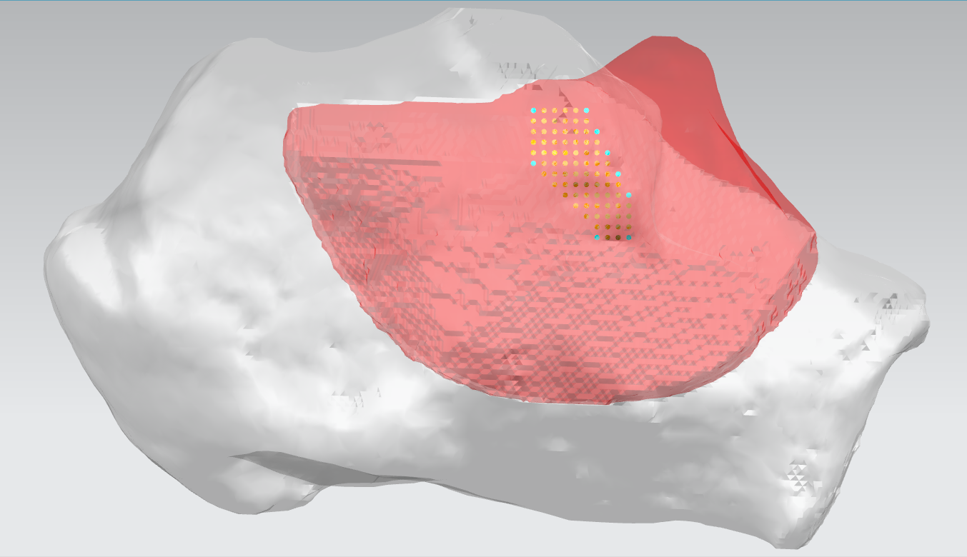
Sample 24：Male 32-year-old Inspection number：LY-2406573
点 | X | Y | Z
P1 | 12.00 | 46.70 | -7.00
P2 | 7.00 | 46.90 | -7.00
P3 | 6.00 | 46.60 | -9.00
P4 | 5.00 | 46.60 | -11.00
P5 | 4.00 | 45.90 | -13.00
P6 | 3.00 | 45.60 | -15.00
P7 | 3.00 | 43.50 | -19.00
P8 | 6.00 | 44.90 | -19.00
P9 | 12.00 | 48.30 | -12.00

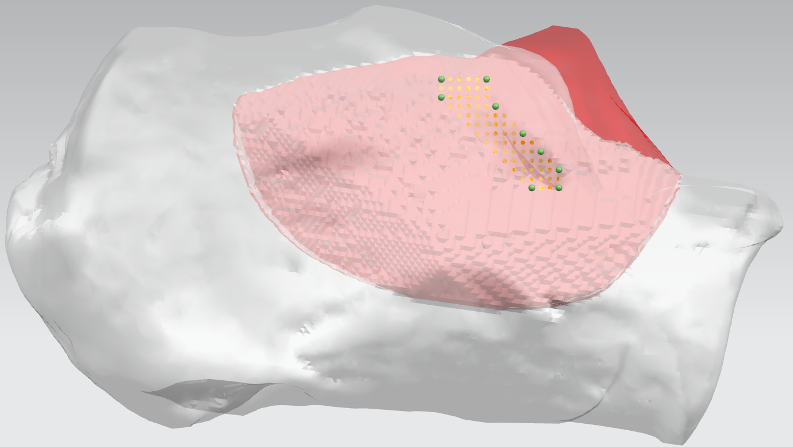
Sample 25：Male 30-year-old Inspection number：LY-2447416
点 | X | Y | Z
P1 | 13.00 | 44.40 | -6.00
P2 | 8.00 | 45.00 | -6.00
P3 | 7.00 | 45.70 | -9.00
P4 | 4.00 | 45.90 | -12.00
P5 | 2.00 | 45.00 | -14.00
P6 | 0.00 | 43.20 | -16.00
P7 | 0.00 | 42.50 | -18.00
P8 | 3.00 | 44.30 | -18.00
P9 | 13.00 | 44.90 | -8.00

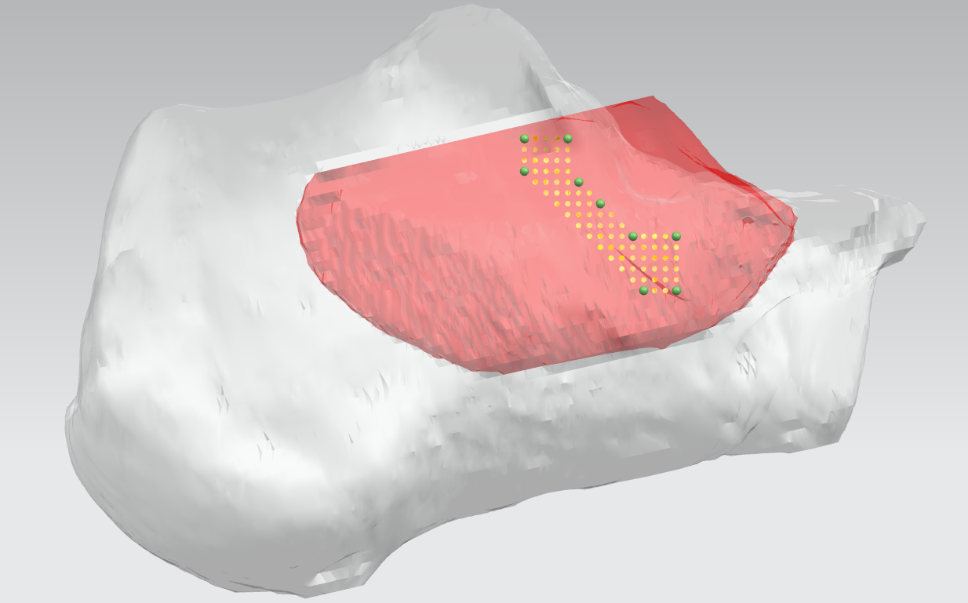
Sample 26：Male 30-year-old Inspection number：LY-2452707
点 | X | Y | Z
P1 | 10.00 | 44.40 | -4.00
P2 | 6.00 | 42.40 | -4.00
P3 | 5.00 | 42.80 | -8.00
P4 | 3.00 | 43.40 | -10.00
P5 | 0.00 | 43.50 | -13.00
P6 | 4.00 | 42.90 | -13.00
P7 | -4.00 | 44.50 | -18.00
P8 | -1.00 | 44.50 | -18.00
P9 | 10.00 | 42.40 | -7.00

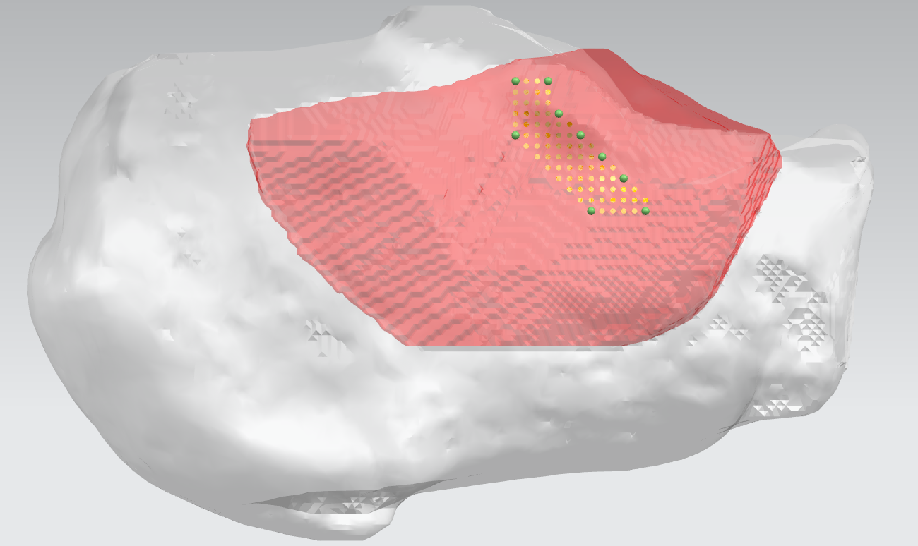
Sample 27：Male 40-year-old Inspection number：LY-2491047
点 | X | Y | Z
P1 | 11.00 | 41.10 | -3.00
P2 | 8.00 | 41.40 | -3.00
P3 | 7.00 | 42.30 | -6.00
P4 | 5.00 | 41.30 | -8.00
P5 | 3.00 | 39.80 | -10.00
P6 | 1.00 | 39.10 | -12.00
P7 | -1.00 | 40.50 | -15.00
P8 | 4.00 | 40.50 | -15.00
P9 | 11.00 | 40.70 | -8.00

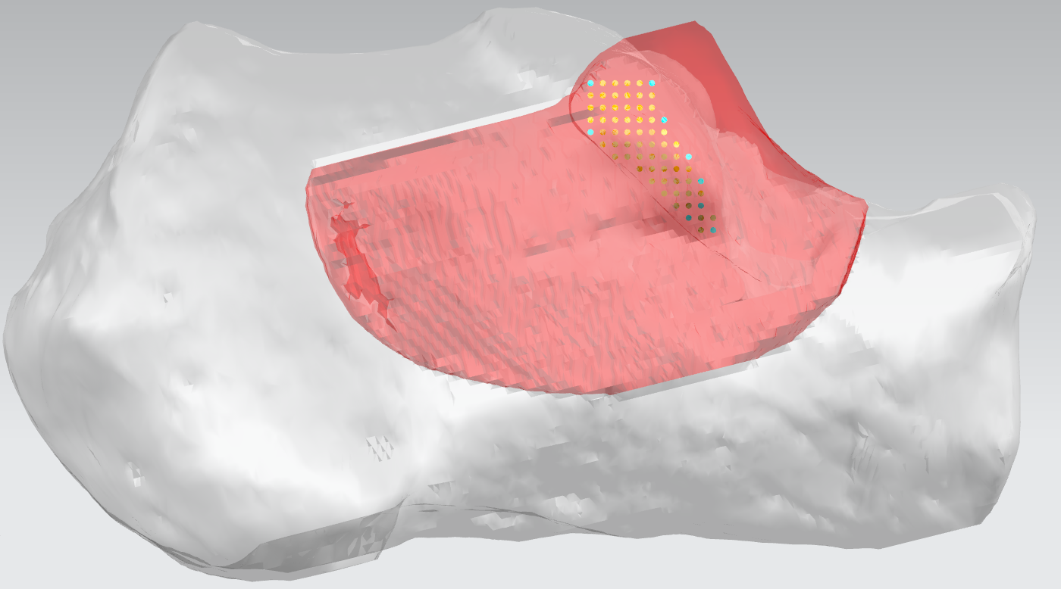
Sample 28：Male 37-year-old Inspection number：LY-2510168
点 | X | Y | Z
P1 | 9.00 | 41.90 | -5.00
P2 | 4.00 | 41.60 | -5.00
P3 | 3.00 | 44.80 | -8.00
P4 | 1.00 | 45.30 | -11.00
P5 | 0.00 | 44.80 | -13.00
P6 | 0.00 | 43.70 | -15.00
P7 | -1.00 | 42.30 | -17.00
P8 | 1.00 | 42.80 | -16.00
P9 | 9.00 | 45.40 | -9.00

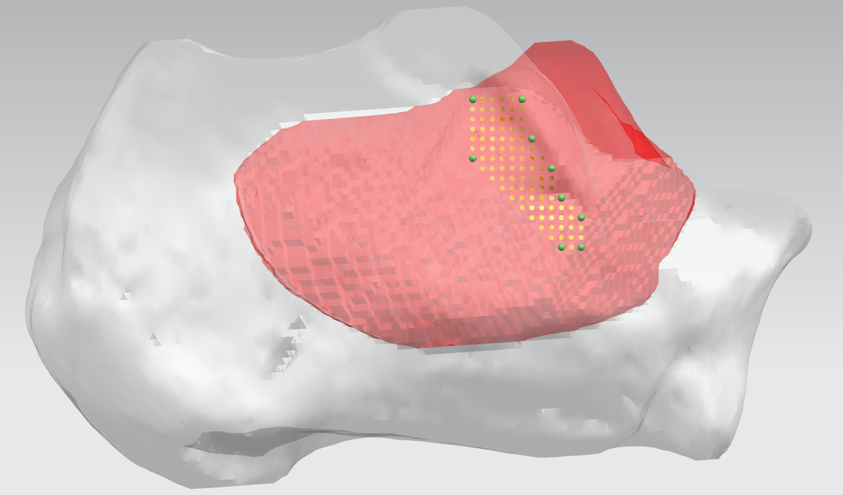
Sample 29：Male 20-year-old Inspection number：LY-2481069
点 | X | Y | Z
P1 | 10.00 | 43.00 | -6.00
P2 | 5.00 | 45.00 | -6.00
P3 | 4.00 | 44.20 | -10.00
P4 | 2.00 | 43.40 | -13.00
P5 | 1.00 | 41.20 | -16.00
P6 | -1.00 | 41.60 | -18.00
P7 | -1.00 | 43.00 | -21.00
P8 | 1.00 | 43.00 | -21.00
P9 | 10.00 | 43.50 | -12.00

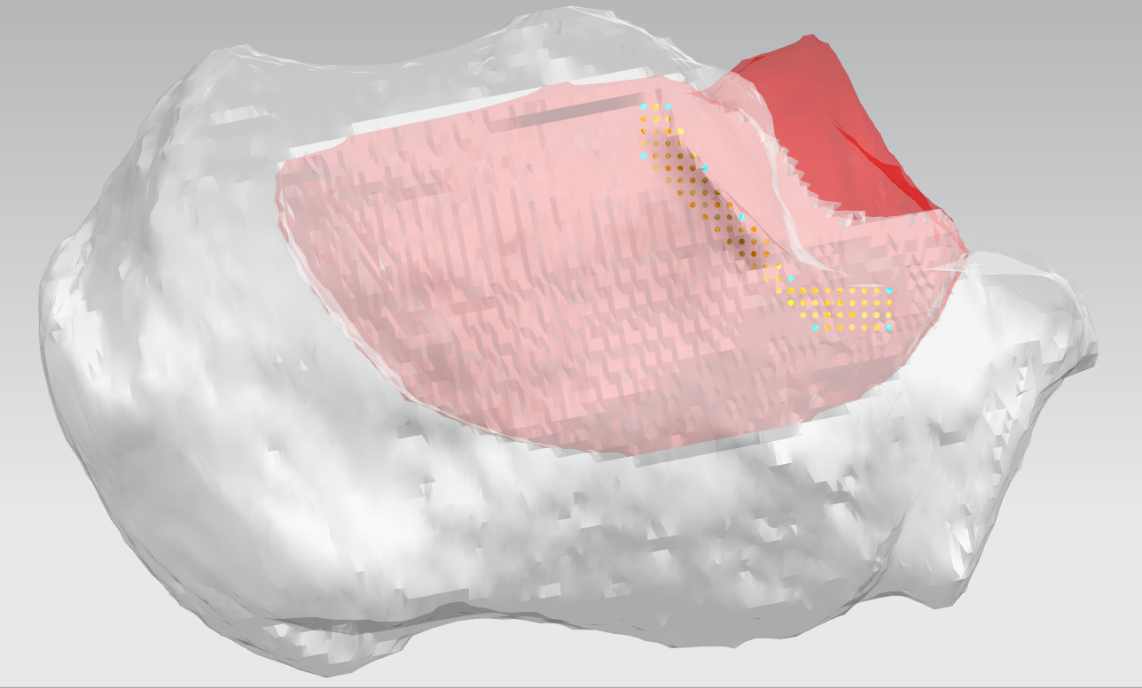
Sample 30：Male 48-year-old Inspection number：ZX2791067
点 | X | Y | Z
P1 | 11.00 | 45.00 | -6.00
P2 | 9.00 | 45.80 | -6.00
P3 | 6.00 | 47.20 | -11.00
P4 | 3.00 | 44.80 | -15.00
P5 | -1.00 | 41.30 | -20.00
P6 | -9.00 | 41.70 | -21.00
P7 | -9.00 | 44.10 | -24.00
P8 | -3.00 | 43.00 | -24.00
P9 | 11.00 | 45.50 | -10.00

