4a
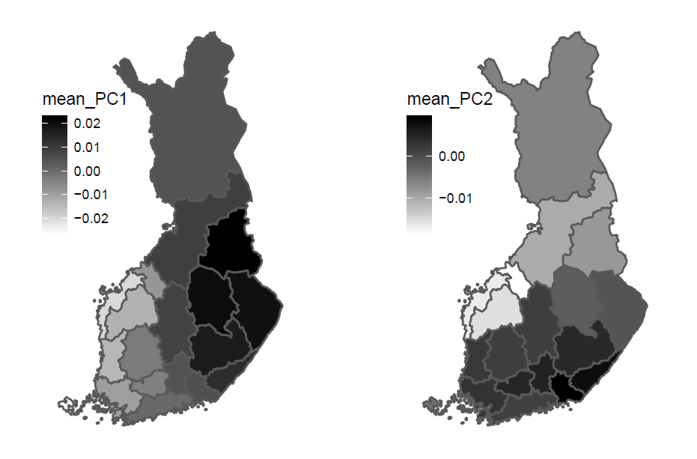
Mean PC1 and PC2 values shown on a map of Finland based on donor’s home region and PC value.

