ROC IES-R 3D & PSS
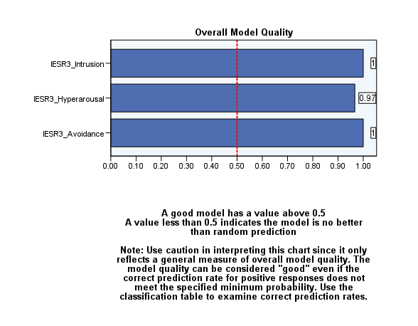
Supplmentary Figure 1: ROC analysis using the three-dimension structure of the IES-R to predict PSS

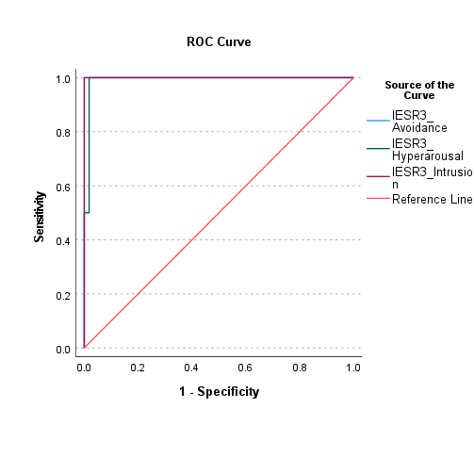

Supplmentary Figure 2: Model quality of ROC analysis using the three-dimension structure of the IES-R to predict PSS

ROC IES-R 6D & PSS
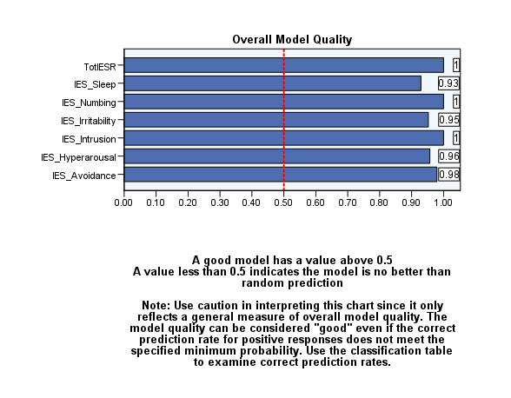
Supplmentary Figure 3: ROC analysis using the six-dimension structure of the IES-R to predict PSS

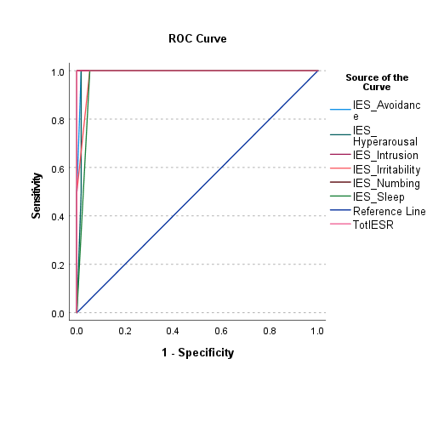

Supplmentary Figure 4: Model quality of ROC analysis using the six-dimension structure of the IES-R to predict PSS

ROC PSS & BMI
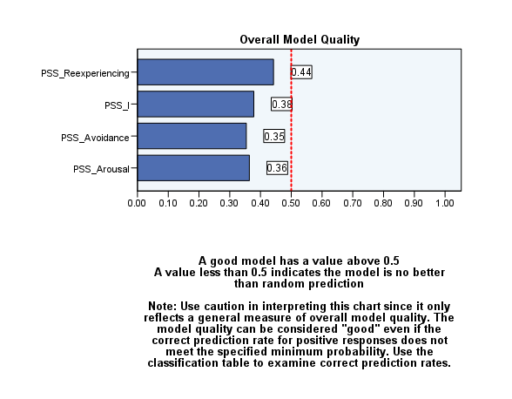
Supplementary Table 2: ROC analysis using the PSS to predict BMI in HCWs
Area Under the ROC Curve
Test Result Variable(s) | Area | Std. Errora | Asymptotic Sig.b | Asymptotic 95% Confidence Interval
 |  |  |  | Lower Bound | Upper Bound
PSS | 0.532 | 0.078 | 0.687 | 0.378 | 0.685
PSS_Avoidance | 0.510 | 0.080 | 0.903 | 0.354 | 0.666
PSS_Arousal | 0.520 | 0.080 | 0.802 | 0.364 | 0.676
PSS_Reexperiencing | 0.592 | 0.076 | 0.228 | 0.442 | 0.742
The test result variable(s): PSS, PSS_Avoidance, PSS_Arousal, PSS_Reexperiencing has at least one tie between the positive actual state group and the negative actual state group. Statistics may be biased.
a. Under the nonparametric assumption
b. Null hypothesis: true area = 0.5
Supplementary Figure 5: ROC analysis using the PSS to predict BMI in HCWs
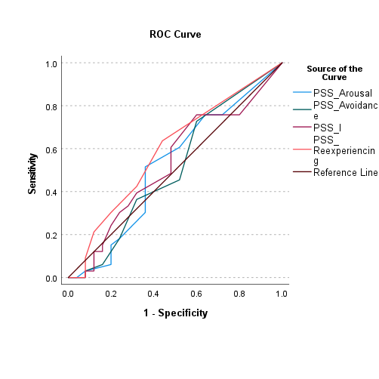

Supplementary Figure 6: Model quality of ROC analysis using the PSS-I to predict BMI in HCWs

ROC PSS & hypertension
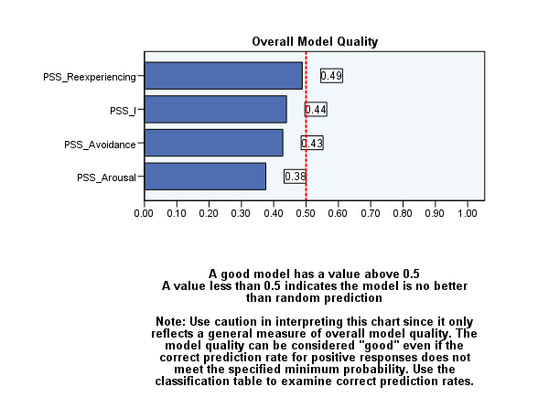
Supplementary Table 3: ROC analysis using the PSS to predict hypertension in HCWs
Area Under the ROC Curve
Test Result Variable(s) | Area | Std. Errora | Asymptotic Sig.b | Asymptotic 95% Confidence Interval
 |  |  |  | Lower Bound | Upper Bound
PSS | 0.619 | 0.091 | 0.194 | 0.440 | 0.797
PSS_Avoidance | 0.610 | 0.093 | 0.237 | 0.428 | 0.791
PSS_Arousal | 0.550 | 0.089 | 0.573 | 0.375 | 0.725
PSS_Reexperiencing | 0.661 | 0.088 | 0.067 | 0.488 | 0.833
The test result variable(s): PSS, PSS_Avoidance, PSS_Arousal, PSS_Reexperiencing has at least one tie between the positive actual state group and the negative actual state group. Statistics may be biased.
a. Under the nonparametric assumption
b. Null hypothesis: true area = 0.5

Supplementary Figure 7: ROC analysis using the PSS to predict hypertension in HCWs
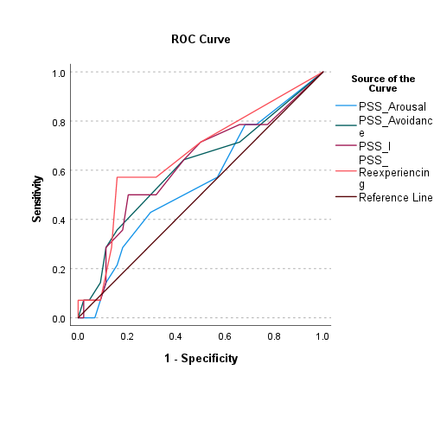

Supplementary Figure 8: Model quality of ROC analysis using the PSS to predict hypertension in HCWs

