E4.0
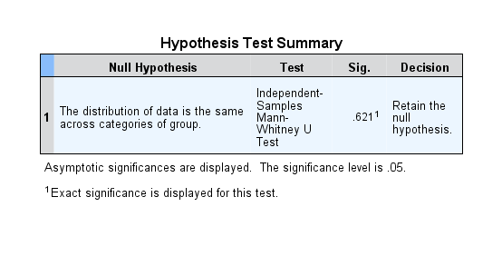
Case Processing Summary
group |  | Cases
 |  | Valid |  | Missing |  | Total
 |  | N | Percent | N | Percent | N | Percent
data | IVCM | 9 | 100.0% | 0 | 0.0% | 9 | 100.0%
 | IVCM + Cells | 23 | 100.0% | 0 | 0.0% | 23 | 100.0%

Descriptives
group |  |  |  | Statistic | Std. Error
data | IVCM | Mean |  | 90.5416 | 2.36116
 |  | 95% Confidence Interval for Mean | Lower Bound | 85.0967
 |  |  | Upper Bound | 95.9864
 |  | 5% Trimmed Mean |  | 90.4435
 |  | Median |  | 89.5942
 |  | Variance |  | 50.176
 |  | Std. Deviation |  | 7.08347
 |  | Minimum |  | 77.80
 |  | Maximum |  | 105.05
 |  | Range |  | 27.24
 |  | Interquartile Range |  | 4.47
 |  | Skewness |  | 0.438 | 0.717
 |  | Kurtosis |  | 2.954 | 1.400
 | IVCM + Cells | Mean |  | 92.5249 | 1.45905
 |  | 95% Confidence Interval for Mean | Lower Bound | 89.4990
 |  |  | Upper Bound | 95.5508
 |  | 5% Trimmed Mean |  | 92.5801
 |  | Median |  | 92.1010
 |  | Variance |  | 48.963
 |  | Std. Deviation |  | 6.99735
 |  | Minimum |  | 77.69
 |  | Maximum |  | 105.84
 |  | Range |  | 28.15
 |  | Interquartile Range |  | 9.13
 |  | Skewness |  | 0.053 | 0.481
 |  | Kurtosis |  | -0.187 | 0.935

Tests of Normality
group |  | Kolmogorov-Smirnova |  |  | Shapiro-Wilk
 |  | Statistic | df | Sig. | Statistic | df | Sig.
data | IVCM | 0.275 | 9 | 0.049 | 0.880 | 9 | 0.157
 | IVCM + Cells | 0.098 | 23 | .200* | 0.985 | 23 | 0.971
*. This is a lower bound of the true significance.
a. Lilliefors Significance Correction

E6.5
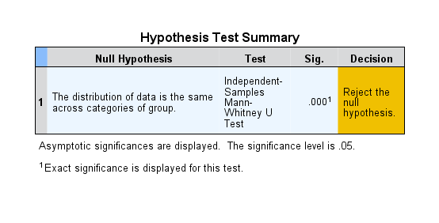
Case Processing Summary
group |  | Cases
 |  | Valid |  | Missing |  | Total
 |  | N | Percent | N | Percent | N | Percent
data | IVCM | 8 | 100.0% | 0 | 0.0% | 8 | 100.0%
 | IVCM + Cells | 13 | 100.0% | 0 | 0.0% | 13 | 100.0%

Descriptives
group |  |  |  | Statistic | Std. Error
data | IVCM | Mean |  | 91.3843 | 5.61208
 |  | 95% Confidence Interval for Mean | Lower Bound | 78.1139
 |  |  | Upper Bound | 104.6548
 |  | 5% Trimmed Mean |  | 90.2853
 |  | Median |  | 86.2600
 |  | Variance |  | 251.963
 |  | Std. Deviation |  | 15.87336
 |  | Minimum |  | 76.72
 |  | Maximum |  | 125.83
 |  | Range |  | 49.12
 |  | Interquartile Range |  | 18.33
 |  | Skewness |  | 1.681 | 0.752
 |  | Kurtosis |  | 3.152 | 1.481
 | IVCM + Cells | Mean |  | 129.2276 | 4.33762
 |  | 95% Confidence Interval for Mean | Lower Bound | 119.7767
 |  |  | Upper Bound | 138.6785
 |  | 5% Trimmed Mean |  | 129.6286
 |  | Median |  | 132.9530
 |  | Variance |  | 244.594
 |  | Std. Deviation |  | 15.63951
 |  | Minimum |  | 98.51
 |  | Maximum |  | 152.73
 |  | Range |  | 54.21
 |  | Interquartile Range |  | 22.49
 |  | Skewness |  | -0.353 | 0.616
 |  | Kurtosis |  | -0.171 | 1.191

Tests of Normality
group |  | Kolmogorov-Smirnova |  |  | Shapiro-Wilk
 |  | Statistic | df | Sig. | Statistic | df | Sig.
data | IVCM | 0.221 | 8 | .200* | 0.839 | 8 | 0.073
 | IVCM + Cells | 0.133 | 13 | .200* | 0.962 | 13 | 0.780
*. This is a lower bound of the true significance.
a. Lilliefors Significance Correction

