SEM & EDX
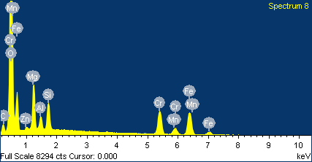
Table (1A): SEM and EDX of BJ-01 (Mag. grain)
BJ-01, Magnetite |  | Shot (1) |  | Shot (2) |  | Shot (3)
 | Element | Weight% | Atomic% | Weight% | Atomic% | Weight% | Atomic%
 | O K | 29.71 | 58.62 | 28.17 | 56.78 | 32.18 | 61.58
 | Mg K | 1.44 | 1.87 | 1.57 | 2.08 | 1.72 | 2.16
 | Al K | 0.9 | 1.06 | 0.92 | 1.09 | - | -
 | Cr K | 1.15 | 0.7 | - | - | 0.56 | 0.33
 | Fe K | 66.79 | 37.75 | 69.34 | 40.04 | 65.54 | 35.93
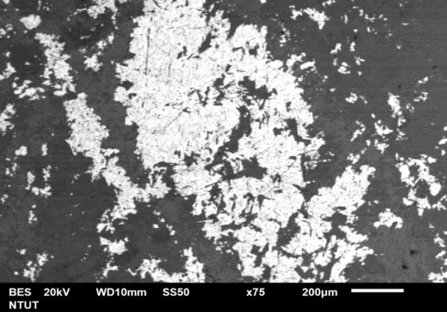
Shot 3
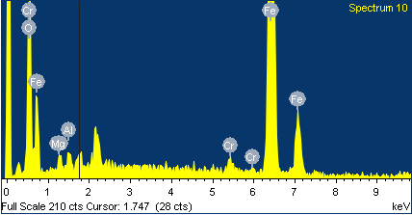

Shot 1

Shot 2

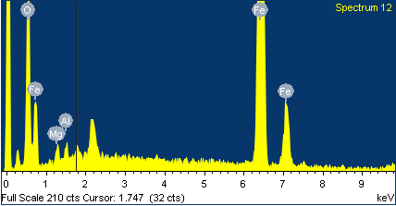
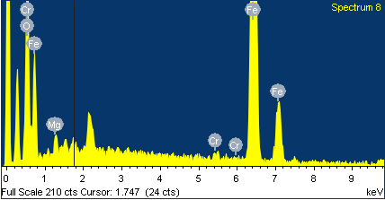

Table (1B): SEM and EDX of BJ-02 (Mag. grain)
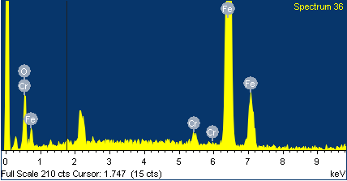 BJ-02, magnetite |  | Shot (1) |  | Shot (2) |  | Shot (3)
 | Element | Weight% | Atomic% | Weight% | Atomic% | Weight% | Atomic%
 | O K | 17.08 | 41.78 | 12.58 | 33.41 | 27.32 | 56.71
 | Cr K | 2.26 | 1.7 | 1.51 | 1.23 | 1.74 | 1.11
 | Fe K | 80.66 | 56.52 | 85.91 | 65.36 | 70.93 | 42.18
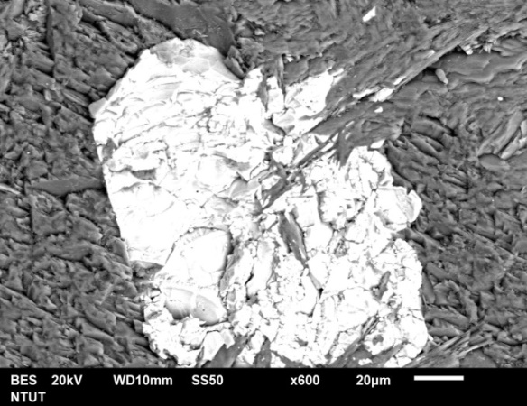
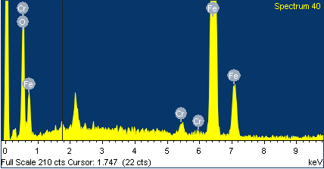
Shot 3

Shot 2

Shot 1

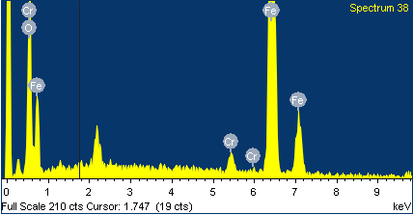

Table (1C): SEM and EDX of BJ-02 (Mags. grain)
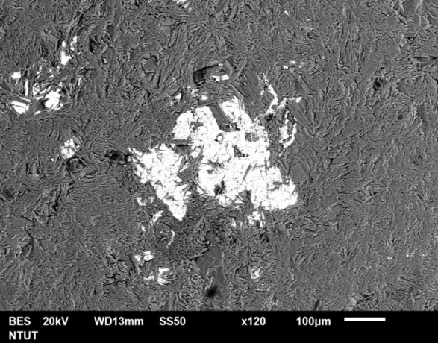 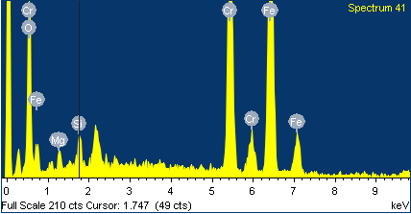 BJ-02, Magnesite |  | Shot (1) |  | Shot (2) |  | Shot (3)
 | Element | Weight% | Atomic% | Weight% | Atomic% | Weight% | Atomic%
 | C K | 6.41 | 12.81 | - | - | - | -
 | O K | 39.56 | 59.36 | 26.06 | 53.27 | 41.93 | 71.05
 | Mg K | 17.95 | 5.87 | 15.86 | 2.5 | 16.23 | 1.37
 | Si K | 3.06 | 2.61 | 1.57 | 1.83 | - | -
 | Cr K | - | - | 25.75 | 16.2 | 0.54 | 0.28
 | Fe K | 32.02 | 19.35 | 32.75 | 26.21 | 32.25 | 26.82
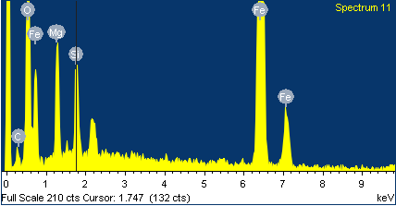
 | Ni K | - | - | - | - | 1.05 | 0.49

Shot 3

Shot 1
Shot 2

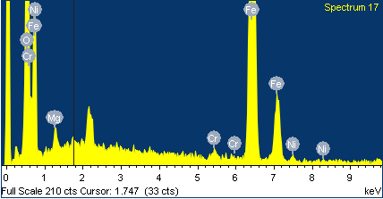

Table (1D): SEM and EDX of BJ-03 (Mag. grain)
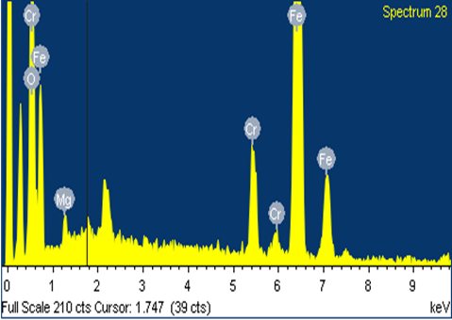 BJ-03, Magnetite |  | Shot (1) |  | Shot (2) |  | Shot (3)
 | Element | Weight% | Atomic% | Weight% | Atomic% | Weight% | Atomic%
 | O K | 16.48 | 39.52 | 37.35 | 66.86 | 35.88 | 64.69
 | Mg K | 2.12 | 3.34 | 1.19 | 1.4 | 2.84 | 3.37
 | Si K | 1.24 | 1.7 | - | - | - | -
 | Cr K | 8.4 | 6.2 | 5.73 | 3.16 | 7.67 | 4.25
 | Fe K | 70.17 | 48.21 | 55.72 | 28.58 | 53.61 | 27.69
 | Ni K | 1.59 | 1.04 | - | - | - | -

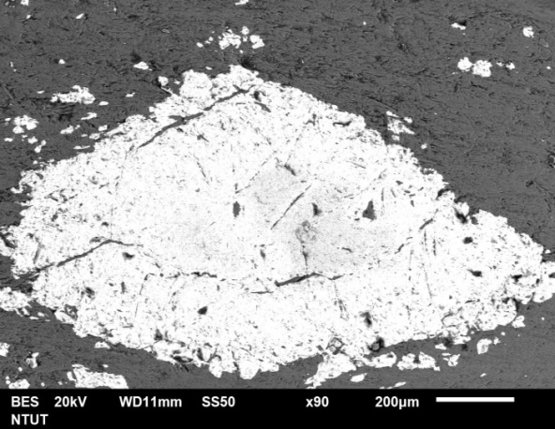
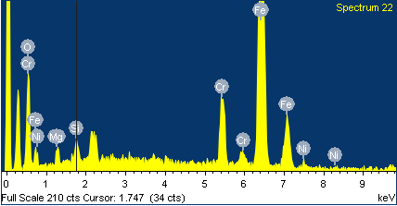
Shot 3

Shot 1
Shot 2

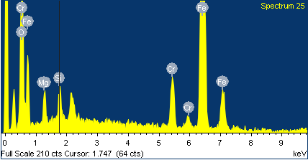

Table (1E): SEM and EDX of L0105 (Lz. core) and (Mag. wall)
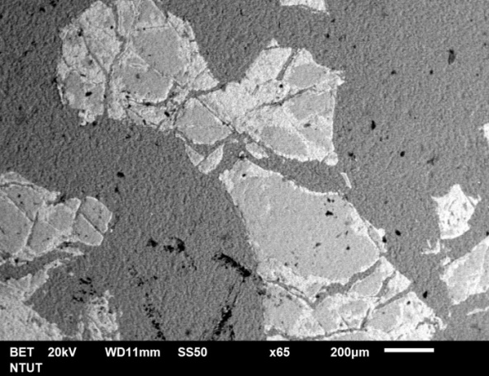 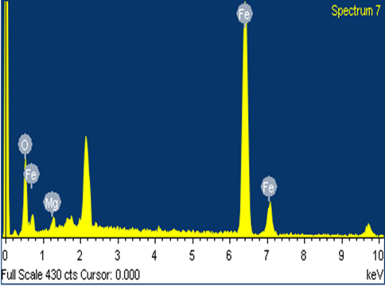 L0105, Lizardite (core), Magnetite (wall) |  | Shot (1) |  | Shot (2) |  | Shot (3)
 | Element | Weight% | Atomic% | Weight% | Atomic% | Weight% | Atomic%
 | O K | 26.5 | 47.12 | 28.97 | 49.73 | 21.3 | 47.79
 | Mg K | 7.2 | 10.77 | 7.64 | 10.89 | - | -
 | Si K | 6.6 | 4.66 | 3.54 | 1.51 | - | -
 | Al K | 10.53 | 11.1 | 13.83 | 14.08 | - | -
 | Cr K | 34.83 | 19.05 | 31.91 | 16.86 | 1.97 | 2.9
 | Mn K | - | - | - | - | - | -
 | Fe K | 14.34 | 7.31 | 14.11 | 6.94 | 76.73 | 49.31
Shot 3
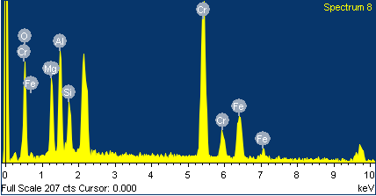

Shot 1
Shot 2

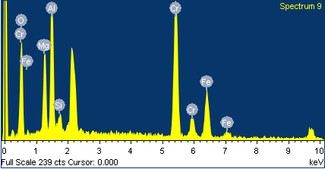

Table (1F): SEM and EDX of LMC3 (Lz. grain)
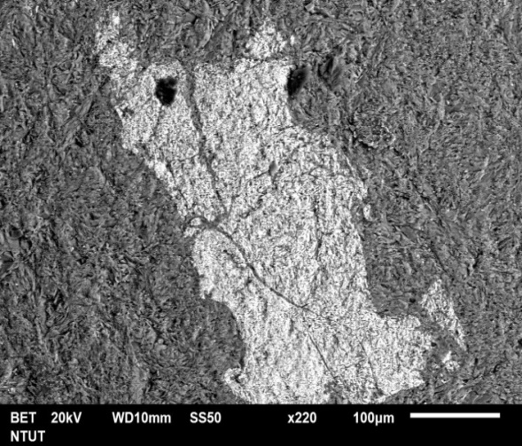 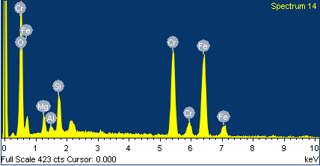 LMC3, Lizardite |  | Shot (1) |  | Shot (2) |  | Shot (3)
 | Element | Weight% | Atomic% | Weight% | Atomic% | Weight% | Atomic%
 | O K | 38.1 | 64.49 | 39.82 | 66.34 | 43.66 | 68.66
 | Mg K | 3.74 | 4.17 | 3.03 | 3.32 | 5.4 | 5.59
 | Al K | 1.63 | 1.64 | 0.65 | 0.64 | 1.25 | 1.16
 | Si K | 2.7 | 2.6 | 4.18 | 3.97 | 3.44 | 3.08
 | Cr K | 27.63 | 14.39 | 21.4 | 10.97 | 19.92 | 9.64
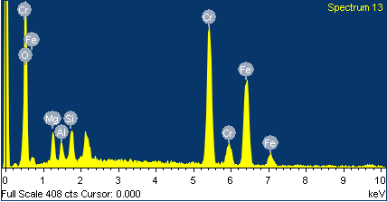
 | Fe K | 26.2 | 12.71 | 30.92 | 14.76 | 26.34 | 11.87

Shot 1
Shot 3

Shot 2

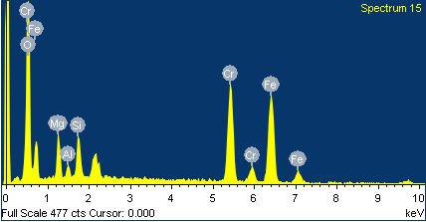

Table (1G): SEM and EDX of NS1S-2 (Mag. grain)
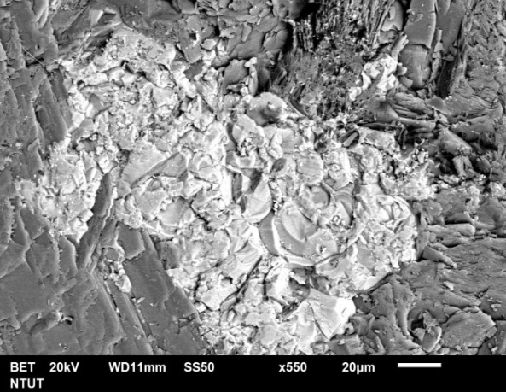 NS1S-2, Magnetite |  | Shot (1) |  | Shot (2) |  | Shot (3)
 | Element | Weight% | Atomic% | Weight% | Atomic% | Weight% | Atomic%
 | C K | - | - | - | - | 10.72 | 29.42
 | O K | 17.08 | 41.78 | 12.58 | 33.41 | 11 | 22.68
 | Mg K | - | - | - | - | 1.86 | 2.52
 | Si K | - | - | - | - | - | -
 | Cr K | 2.26 | 1.7 | 1.51 | 1.23 | 5.75 | 3.65
 | Mn K | - | - | - | - | 1.26 | 0.75
 | Fe K | 80.66 | 56.52 | 85.91 | 65.36 | 69.41 | 40.98
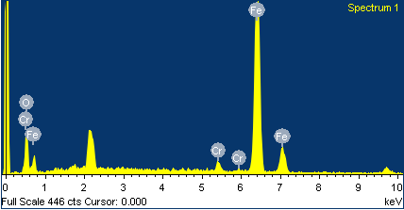
Shot 1
Shot 3

Shot 2

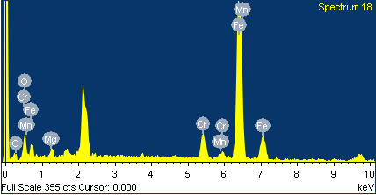

Table (1H): SEM and EDX of NS2N-5 (Mag. grain)
NS2N-5, magnetite |  | Shot (1) |  | Shot (2) |  | Shot (3)
 | Element | Weight% | Atomic% | Weight% | Atomic% | Weight% | Atomic%
 | O K | 35.38 | 64.36 | 36.35 | 65.61 | 22.63 | 47.27
 | Mg K | 2.02 | 2.41 | 1.68 | 2 | 2.37 | 8.75
 | Al K | - | - | - | - | 2.43 | 2.89
 | Si K | 1.19 | 1.23 | 0.67 | 0.69 | 1.14 | 0.73
 | Cr K | - | - | - | - | - | -
 | Fe K | 61.42 | 32 | 61.29 | 31.7 | 71.43 | 40.35
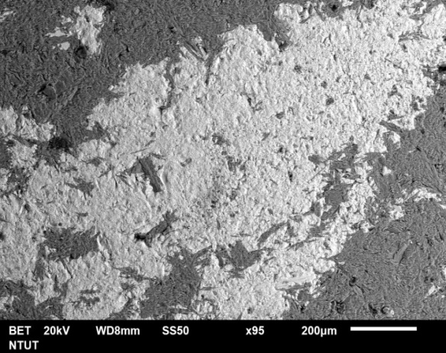
Shot 1
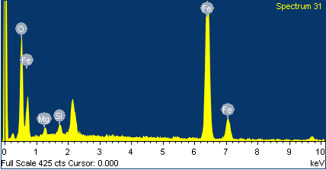

Shot 3
Shot 2

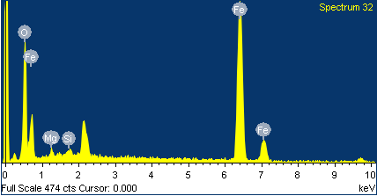
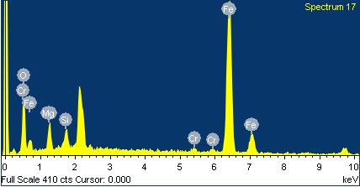

Table (1I): SEM and EDX of NS2S-3 (Mag. grain)
NS2S-3, Magnetite |  | Shot (1) |  | Shot (2) |  | Shot (3)
 | Element | Weight% | Atomic% | Weight% | Atomic% | Weight% | Atomic%
 | O K | 35.18 | 64.51 | 37.14 | 66.07 | 39.28 | 68.39
 | Mg K | 1.15 | 1.39 | 1.83 | 2.14 | 1.23 | 1.41
 | Al K | 1.15 | 1.25 | 1.22 | 1.29 | 0.98 | 1.01
 | Cr K | - | - | 0.66 | 0.36 | - | -
 | Fe K | 62.53 | 32.85 | 59.15 | 30.14 | 58.5 | 29.18
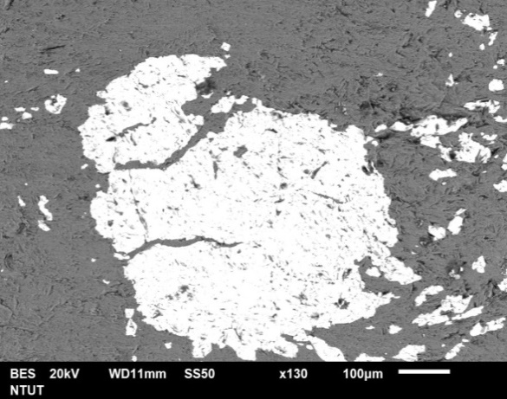
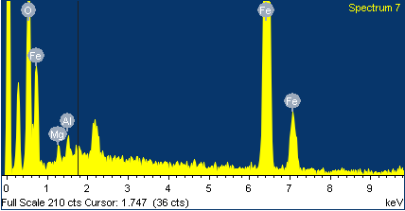
Shot 1

Shot 3
Shot 2

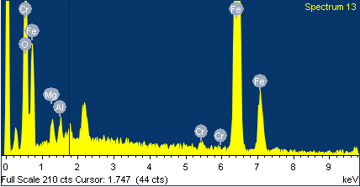
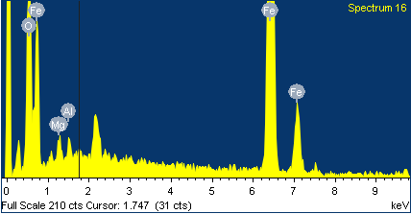

Table (1J): SEM and EDX of NS2S-3 (Lz. core) and (Mag. wall)
NS2S-3, lizardite (core), Magnetite (wall) |  | Shot (1) |  | Shot (2) |  | Shot (3)
 | Element | Weight% | Atomic% | Weight% | Atomic% | Weight% | Atomic%
 | C K | 8.11 | 13.55 | - | - | - | -
 | O K | 50.66 | 63.52 | 28.32 | 50.52 | 12.82 | 32.03
 | Mg K | 5.58 | 2.6 | 6.25 | 7.33 | 1.66 | 2.49
 | Al K | 11.03 | 8.2 | 13.14 | 13.9 | 3.09 | 4.57
 | Si K | 1.19 | 0.85 | 0.73 | 0.74 | - | -
 | Cr K | 13.73 | 5.3 | 30.28 | 16.62 | 21.95 | 23.56
 | Mn K | - | - | 1.58 | 0.82 | 1.07 | 1.23
 | Fe K | 8.62 | 3.1 | 19.7 | 10.07 | 72.5 | 44
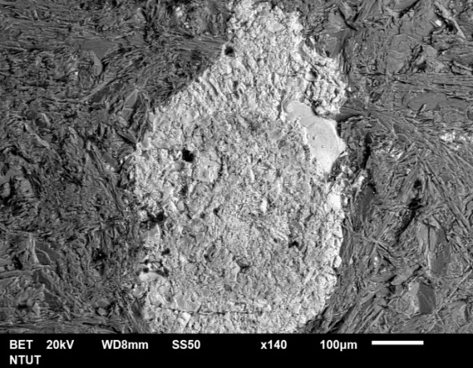
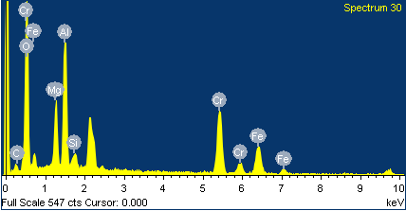
Shot 1
Shot 3

Shot 2

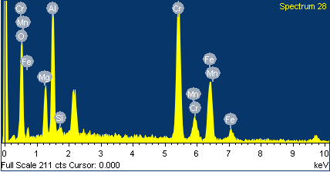
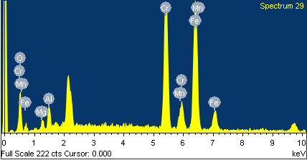

Table (1K): SEM and EDX of NS2S-3 (Chr. grain)
NS2S-3, Chromite |  | Shot (1) |  | Shot (2) |  | Shot (3)
 | Element | Weight% | Atomic% | Weight% | Atomic% | Weight% | Atomic%
 | O K | 36.98 | 64.6 | 32.03 | 60.57 | 38.5 | 61.71
 | Mg K | 4.82 | 5.54 | 1.7 | 2.11 | 4.49 | 4.74
 | Al K | - | - | - | - | 13.48 | 12.81
 | Si K | - | - | 1.11 | 1.2 | - | -
 | Cr K | 18.71 | 10.06 | 19.76 | 11.5 | 24.42 | 12.04
 | Mn K | 3.95 | 2.01 | 2.3 | 1.26 | 2.05 | 0.96
 | Fe K | 35.55 | 17.79 | 43.11 | 23.36 | 15.67 | 7.2
 | Zn L | - | - | - | - | 1.38 | 0.54
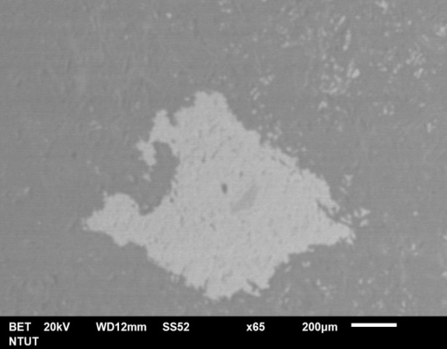
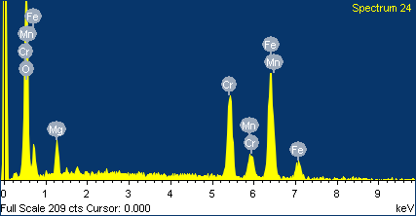
Shot 1
Shot 3

Shot 2

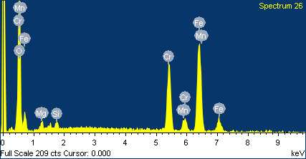
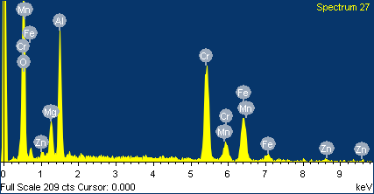

Table (1L): SEM and EDX of NS1S-2 (Chr. grain)
 |  | Shot (1) |  | Shot (2) |  | Shot (3)
NS1S-2, Chromite | Element | Weight% | Atomic% | Weight% | Atomic% | Weight% | Atomic%
 | C K | 1.64 | 5.45 | 1.01 | 4.62 | - | -
 | O K | 33.64 | 63.26 | 35.54 | 48.82 | 34.96 | 50.24
 | Mg K | 2.08 | 1.87 | 2.36 | 1.87 | 4.61 | 3.74
 | Al K | 0.48 | 0.39 | 0.61 | 0.44 | 9.53 | 6.98
 | Si K | 1.04 | 0.81 | 0.97 | 0.67 | 3.94 | 2.77
 | Cr K | 24.76 | 8.94 | 23.06 | 17.61 | 29.67 | 23.68
 | Mn K | 1.08 | 0.43 | 0.51 | 0.18 | 0.67 | 0.24
 | Fe K | 34.55 | 19.61 | 36 | 25.51 | 16.62 | 12.34
 | Zn L | 0.73 | 0.24 | 0.94 | 0.28 | - | -
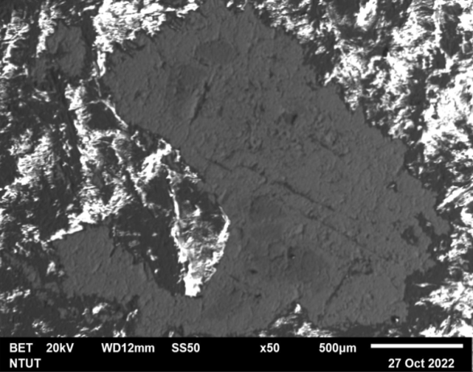
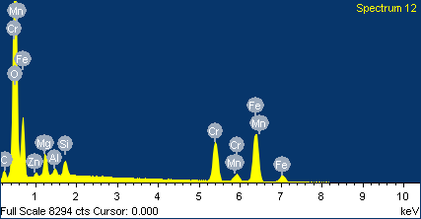
Shot 1

Shot 3
Shot 2

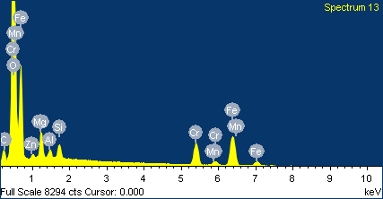
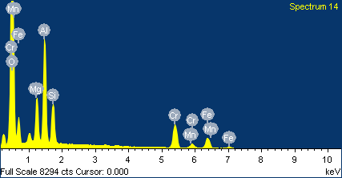

Table (1M): SEM and EDX of L0105 (Chr. vein)
L0105, Chromite Vein |  | Shot (1) |  | Shot (2) |  | Shot (3)
 | Element | Weight% | Atomic% | Weight% | Atomic% | Weight% | Atomic%
 | C K | - | - | - | - | 1.58 | 5.6
 | O K | 41.62 | 69.85 | 41.66 | 68.69 | 42.42 | 51.74
 | Mg K | 2.17 | 2.4 | 5.55 | 6.02 | 4.17 | 5.42
 | Al K | - | - | - | - | 9.15 | 6.24
 | Si K | - | - | - | - | 0.9 | 0.59
 | Cr K | 19.76 | 10.2 | 19.57 | 10.86 | 23.06 | 23.85
 | Mn K | 3.61 | 1.76 | 2.15 | 1.03 | 0.41 | 0.14
 | Fe K | 32.84 | 15.79 | 31.06 | 15.39 | 22.3 | 23.42
 | Zn K | - | - | - | - | - | -
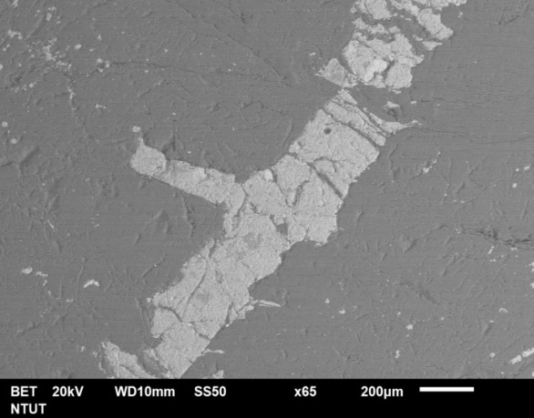
Shot 1
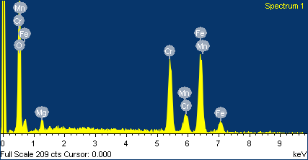

Shot 2
Shot 3




Table (1N): SEM and EDX of LMC3 (Chr. vein)
 LMC3, Chromite Vein |  | Shot (1) |  | Shot (2) |  | Shot (3)
 | Element | Weight% | Atomic% | Weight% | Atomic% | Weight% | Atomic%
 | C K | 1.12 | 6.91 | 0.68 | 3.23 | 2.94 | 6.76
 | O K | 32.55 | 48.77 | 31.14 | 47.69 | 30.6 | 44.77
 | Mg K | 3.32 | 2.75 | 4.13 | 3.45 | 4.77 | 3.87
 | Al K | 0.33 | 0.24 | 1.72 | 1.3 | 1.14 | 0.83
 | Si K | 1.16 | 0.83 | 1.16 | 0.84 | 2.37 | 1.66
 | Cr K | 22.8 | 16.8 | 23.76 | 17.21 | 22.76 | 16.33
 | Mn K | 1.93 | 0.71 | 1.79 | 0.66 | 1.7 | 0.61
 | Fe K | 35.49 | 25.59 | 34.33 | 25.22 | 33.83 | 24.89

 | Zn L | 1.3 | 0.4 | 1.28 | 0.4 | 0.9 | 0.27


Shot 1
Shot 2

Shot 3

Empirical formula
 |  |  |  |  |  |  |  |  |  |  |  |  |  |  |  |  |  |  |  |  |  |  |  |  |  | Table 3C: filterate the cations mole numers with exclusion of the cations with zero mole numer from the previous table |  |  |  |  |  |  |  |  |  |  |  |  |  |  |  | Table 3F: the final collect results of anion 1 and 2 from the previous table
Table 3A: Calculation the cation mole numbers of the chemical elements concentrations |  |  |  |  |  |  |  | Table 3B: Collection of the cation mole numbers of the all chemical elements concentrations |  |  |  |  |  |  |  |  |  |  |  |  |  |  |  |  |  |  |  | Mg | Ca | Mn | Fe2+ | Co | Ni | Zn | Al | Cr | Fe3+ | Si | Ti | P | V | O | (OH) | (CO2)
 |  |  | Chemical concentrations (ppm) | Chemical concentrations (%) | Atm. We. | (1/Atm.we.) | Cation mole number |  | BJ-01 (Mag. grain) | BJ-03 (Mag. grain) | NS1S-2 (Mag. grain) | NS2N-5 (Mag. grain) | NS2S-3 (Mag. grain) | L0105 (Mag. wall) | NS2S-3 (Mag. wall) | BJ-02 (Magns. grain) | LMC3 (Lz. grain) | L0105 (Lz. core) | NS2S-3 (Lz. core) | NS2S-3 (Lz. wall) | NS2S-3 (Chr. grain) | NS1S-2 (Chr. grain) | L0105 (Chr. vein) | LMC3 (Chr. vein) |  | Final Empirical Formula | BJ-01 (Mag. grain) | 0.077 | 0.003 | 0.003 | 0.403 | 0.013 | 0.001 |  | 0.002 | 0.008 | 1.208 | 0.038 |  |  |  | 4.526 |  |  | BJ-01 (Mag. grain)
11 | Na | Sodium | 11.87 | 0.001 | 22.990 | 0.043 | 0.000 | Na | 0.000 | 0.000 | 0.000 | 0.000 | 0.000 | 0.000 | 0.000 | 0.001 | 0.000 | 0.000 | 0.000 | 0.000 | 0.000 | 0.000 | 0.000 | 0.000 | Na |  | BJ-03 (Mag. grain) | 0.075 |  | 0.021 | 0.335 | 0.020 | 0.002 | 0.002 | 0.000 | 0.212 | 1.004 | 0.010 |  |  |  | 4.451 |  |  | BJ-03 (Mag. grain)
12 | Mg | Magnesium | 83357.50 | 8.336 | 24.305 | 0.041 | 0.343 | Mg | 0.077 | 0.075 | 0.172 | 0.050 | 0.039 | 0.143 | 0.121 | 1.748 | 1.065 | 1.209 | 1.340 | 1.698 | 0.343 | 0.191 | 0.352 | 0.362 | Mg |  | NS1S-2 (Mag. grain) | 0.172 |  | 0.055 | 0.294 | 0.010 | 0.001 | 0.007 | 0.008 | 0.240 | 0.881 | 0.026 | 0.001 |  | 0.001 | 4.086 |  |  | NS1S-2 (Mag. grain)
13 | Al | Aluminum | 158545.00 | 15.855 | 26.982 | 0.037 | 0.588 | Al | 0.002 | 0.000 | 0.008 | 0.005 | 0.012 | 0.001 | 0.001 | 0.010 | 0.029 | 0.030 | 0.029 | 0.026 | 0.588 | 0.336 | 0.562 | 0.579 | Al |  | NS2N-5 (Mag. grain) | 0.050 |  | 0.003 | 0.409 | 0.002 | 0.000 |  | 0.005 | 0.009 | 1.227 | 0.042 | 0.001 |  | 0.001 | 4.676 |  |  | NS2N-5 (Mag. grain)
14 | Si | Silicon | 373.75 | 0.037 | 28.086 | 0.036 | 0.001 | Si | 0.038 | 0.010 | 0.026 | 0.042 | 0.023 | 0.007 | 0.008 | 0.282 | 0.805 | 0.739 | 0.905 | 0.076 | 0.001 | 0.006 | 0.003 | 0.004 | Si |  | NS2S-3 (Mag. grain) | 0.039 |  | 0.028 | 0.303 | 0.006 | 0.001 | 0.007 | 0.012 | 0.310 | 0.908 | 0.023 | 0.002 |  | 0.001 | 4.640 |  |  | NS2S-3 (Mag. grain)
15 | P | Phosphorus | 33.10 | 0.003 | 30.974 | 0.032 | 0.000 | P | 0.000 | 0.000 | 0.000 | 0.000 | 0.000 | 0.000 | 0.000 | 0.001 | 0.001 | 0.001 | 0.001 | 0.001 | 0.000 | 0.000 | 0.001 | 0.000 | P |  | L0105 (Mag. wall) | 0.143 | 0.001 | 0.004 | 0.351 | 0.004 | 0.001 |  | 0.001 | 0.006 | 1.054 | 0.007 | 0.001 |  | 0.000 | 3.773 |  |  | L0105 (Mag. wall)
19 | K | Potassium | 4.99 | 0.000 | 39.098 | 0.026 | 0.000 | K | 0.000 | 0.000 | 0.000 | 0.000 | 0.000 | 0.000 | 0.000 | 0.000 | 0.000 | 0.000 | 0.000 | 0.000 | 0.000 | 0.000 | 0.000 | 0.000 | K |  | NS2S-3 (Mag. wall) | 0.121 | 0.001 | 0.005 | 0.346 | 0.003 |  |  | 0.001 | 0.005 | 1.037 | 0.008 | 0.001 |  | 0.000 | 3.733 |  |  | NS2S-3 (Mag. wall)
20 | Ca | Calcium | 76.23 | 0.008 | 40.080 | 0.025 | 0.000 | Ca | 0.003 | 0.000 | 0.000 | 0.000 | 0.000 | 0.001 | 0.001 | 0.006 | 0.001 | 0.000 | 0.000 | 0.000 | 0.000 | 0.000 | 0.000 | 0.000 | Ca |  | BJ-02 (Magns. grain) | 1.748 |  | 0.017 | 0.003 | 0.001 |  |  | 0.010 | 0.004 | 0.010 | 0.004 |  | 0.001 |  |  |  | 3.598 | BJ-02 (Magns. grain)
21 | Sc | Scandium | 6.11 | 0.001 | 44.956 | 0.022 | 0.000 | Sc | 0.000 | 0.000 | 0.000 | 0.000 | 0.000 | 0.000 | 0.000 | 0.000 | 0.000 | 0.000 | 0.000 | 0.000 | 0.000 | 0.000 | 0.000 | 0.000 | Sc |  | LMC3 (Lz. grain) | 1.065 | 0.001 | 0.001 | 0.086 | 0.004 |  |  | 0.029 | 0.002 | 0.086 | 0.805 |  | 0.001 |  | 2.881 | 2.072 |  | LMC3 (Lz. grain)
22 | Ti | Titanium | 7760.00 | 0.776 | 47.900 | 0.021 | 0.016 | Ti | 0.000 | 0.000 | 0.001 | 0.001 | 0.002 | 0.001 | 0.001 | 0.000 | 0.000 | 0.000 | 0.000 | 0.000 | 0.016 | 0.030 | 0.024 | 0.020 | Ti |  | L0105 (Lz. core) | 1.209 |  | 0.001 | 0.057 | 0.001 |  |  | 0.030 | 0.010 | 0.057 | 0.739 |  | 0.001 |  | 2.797 | 1.857 |  | L0105 (Lz. core)
23 | V | Vanadium | 3747.50 | 0.375 | 50.942 | 0.020 | 0.007 | V | 0.000 | 0.000 | 0.001 | 0.001 | 0.001 | 0.000 | 0.000 | 0.000 | 0.000 | 0.000 | 0.000 | 0.000 | 0.007 | 0.010 | 0.008 | 0.007 | V |  | NS2S-3 (Lz. core) | 1.340 |  | 0.001 | 0.077 | 0.001 |  |  | 0.029 | 0.011 | 0.077 | 0.905 |  | 0.001 |  | 3.321 | 2.285 |  | NS2S-3 (Lz. core)
24 | Cr | Chromium | 438356.25 | 43.836 | 51.996 | 0.019 | 0.843 | Cr | 0.008 | 0.212 | 0.240 | 0.009 | 0.310 | 0.006 | 0.005 | 0.004 | 0.002 | 0.010 | 0.011 | 0.010 | 0.843 | 0.856 | 0.847 | 0.846 | Cr |  | NS2S-3 (Lz. wall) | 1.698 |  | 0.001 | 0.087 |  |  |  | 0.026 | 0.010 | 0.087 | 0.076 |  | 0.001 |  | 0.846 | 0.377 |  | NS2S-3 (Lz. wall)
25 | Mn | Manganese | 2368.75 | 0.237 | 54.938 | 0.018 | 0.004 | Mn | 0.003 | 0.021 | 0.055 | 0.003 | 0.028 | 0.004 | 0.005 | 0.017 | 0.001 | 0.001 | 0.001 | 0.001 | 0.004 | 0.006 | 0.004 | 0.004 | Mn |  | NS2S-3 (Chr. grain) | 0.343 |  | 0.004 | 0.014 | 0.003 | 0.001 | 0.002 | 0.588 | 0.843 | 0.456 | 0.001 | 0.016 |  | 0.007 | 3.457 |  |  | NS2S-3 (Chr. grain)
 | Fe3+ | Iron | 254721.25 | 25.472 | 55.847 | 0.018 | 0.456 | Fe3+ | 1.208 | 1.004 | 0.881 | 1.227 | 0.908 | 1.054 | 1.037 | 0.010 | 0.086 | 0.057 | 0.077 | 0.087 | 0.456 | 0.583 | 0.471 | 0.500 | Fe3+ |  | NS1S-2 (Chr. grain) | 0.191 |  | 0.006 | 0.009 | 0.004 | 0.001 | 0.002 | 0.336 | 0.856 | 0.583 | 0.006 | 0.030 |  | 0.010 | 3.611 |  |  | NS1S-2 (Chr. grain)
26 | Fe2+ | Iron | 7895.37 | 0.790 | 55.847 | 0.018 | 0.014 | Fe2+ | 0.403 | 0.335 | 0.294 | 0.409 | 0.303 | 0.351 | 0.346 | 0.003 | 0.029 | 0.019 | 0.026 | 0.029 | 0.014 | 0.009 | 0.010 | 0.014 | Fe2+ |  | L0105 (Chr. vein) | 0.352 |  | 0.004 | 0.010 | 0.003 | 0.001 | 0.001 | 0.562 | 0.847 | 0.471 | 0.003 | 0.024 |  | 0.008 | 3.458 |  |  | L0105 (Chr. vein)
28 | Ni | Nickel | 391.25 | 0.039 | 58.700 | 0.017 | 0.001 | Ni | 0.001 | 0.002 | 0.001 | 0.000 | 0.001 | 0.001 | 0.000 | 0.000 | 0.000 | 0.000 | 0.000 | 0.000 | 0.001 | 0.001 | 0.001 | 0.001 | Ni |  | LMC3 (Chr. vein) | 0.362 |  | 0.004 | 0.014 | 0.003 | 0.001 | 0.001 | 0.579 | 0.846 | 0.500 | 0.004 | 0.020 |  | 0.007 | 3.526 |  |  | LMC3 (Chr. vein)
27 | Co | Cobalt | 1741.25 | 0.174 | 58.933 | 0.017 | 0.003 | Co | 0.013 | 0.020 | 0.010 | 0.002 | 0.006 | 0.004 | 0.003 | 0.001 | 0.004 | 0.001 | 0.001 | 0.000 | 0.003 | 0.004 | 0.003 | 0.003 | Co | Note3: filterate the cations mole numers with exclusion of the cations with zero mole numer |  |  |  |  |  |  |  |  |  |  |  |  |  |  |  | Note7: Autamtical inset of the anions mole numers obtained from the below table
29 | Cu | Copper | 8.12 | 0.001 | 63.546 | 0.016 | 0.000 | Cu | 0.000 | 0.000 | 0.000 | 0.000 | 0.000 | 0.000 | 0.000 | 0.000 | 0.000 | 0.000 | 0.000 | 0.000 | 0.000 | 0.000 | 0.000 | 0.000 | Cu |  | Table 3D: summation of cations 2+ and 3+ mole numbers of each samples separatly
30 | Zn | Zinc | 991.25 | 0.099 | 65.380 | 0.015 | 0.002 | Zn | 0.000 | 0.002 | 0.007 | 0.000 | 0.007 | 0.000 | 0.000 | 0.000 | 0.000 | 0.000 | 0.000 | 0.000 | 0.002 | 0.002 | 0.001 | 0.001 | Zn |  |  | BJ-01 (Mag. grain) | BJ-03 (Mag. grain) | NS1S-2 (Mag. grain) | NS2N-5 (Mag. grain) | NS2S-3 (Mag. grain) | L0105 (Mag. wall) | NS2S-3 (Mag. wall) | BJ-02 (Magns. grain) | LMC3 (Lz. grain) | L0105 (Lz. core) | NS2S-3 (Lz. core) | NS2S-3 (Lz. wall) | NS2S-3 (Chr. grain) | NS1S-2 (Chr. grain) | L0105 (Chr. vein) | LMC3 (Chr. vein)
31 | Ga | Gallium | 61.95 | 0.006 | 69.720 | 0.014 | 0.000 | Ga | 0.000 | 0.000 | 0.000 | 0.000 | 0.000 | 0.000 | 0.000 | 0.000 | 0.000 | 0.000 | 0.000 | 0.000 | 0.000 | 0.000 | 0.000 | 0.000 | Ga |  | ∑Cation 2+ | 0.498 | 0.455 | 0.539 | 0.464 | 0.384 | 0.503 | 0.476 | 1.770 | 3.470 | 3.803 | 4.257 | 5.357 | 0.367 | 0.212 | 0.372 | 0.386
37 | Rb | Rubidium | 0.27 | 0.000 | 85.468 | 0.012 | 0.000 | Rb | 0.000 | 0.000 | 0.000 | 0.000 | 0.000 | 0.000 | 0.000 | 0.000 | 0.000 | 0.000 | 0.000 | 0.000 | 0.000 | 0.000 | 0.000 | 0.000 | Rb |  | ∑Cation 3+ | 2.512 | 2.453 | 2.312 | 2.570 | 2.512 | 2.138 | 2.105 | 0.030 | 1.845 | 1.673 | 2.045 | 0.401 | 1.912 | 1.912 | 1.915 | 1.956
38 | Sr | Strontium | 1.64 | 0.000 | 87.620 | 0.011 | 0.000 | Sr | 0.000 | 0.000 | 0.000 | 0.000 | 0.000 | 0.000 | 0.000 | 0.000 | 0.000 | 0.000 | 0.000 | 0.000 | 0.000 | 0.000 | 0.000 | 0.000 | Sr |  |  | Note4: summation of cations 2+ and 3+ mole numbers of each samples separatly
39 | Y | Yttrium | 0.14 | 0.000 | 88.906 | 0.011 | 0.000 | Y | 0.000 | 0.000 | 0.000 | 0.000 | 0.000 | 0.000 | 0.000 | 0.000 | 0.000 | 0.000 | 0.000 | 0.000 | 0.000 | 0.000 | 0.000 | 0.000 | Y |  | Table 3E: calculation of the of anion 1 and 2 of each samples separatly
40 | Zr | Zirconium | 0.08 | 0.000 | 91.220 | 0.011 | 0.000 | Zr | 0.000 | 0.000 | 0.000 | 0.000 | 0.000 | 0.000 | 0.000 | 0.000 | 0.000 | 0.000 | 0.000 | 0.000 | 0.000 | 0.000 | 0.000 | 0.000 | Zr |  | A% | 100 | 100 | 100 | 100 | 100 | 100 | 100 | 100 | -33.333 | -33.333 | -33.333 | -33.333 | 100 | 100 | 100 | 100
41 | Nb | Niobium | 0.00 | 0.000 | 92.906 | 0.011 | 0.000 | Nb | 0.000 | 0.000 | 0.000 | 0.000 | 0.000 | 0.000 | 0.000 | 0.000 | 0.000 | 0.000 | 0.000 | 0.000 | 0.000 | 0.000 | 0.000 | 0.000 | Nb |  | B% | 100 | 100 | 100 | 100 | 100 | 100 | 100 |  | 40.000 | 40.000 | 40.000 | 40.000 | 100 | 100 | 100 | 100
42 | Mo | Molybdenum | 0.33 | 0.000 | 95.940 | 0.010 | 0.000 | Mo | 0.000 | 0.000 | 0.000 | 0.000 | 0.000 | 0.000 | 0.000 | 0.000 | 0.000 | 0.000 | 0.000 | 0.000 | 0.000 | 0.000 | 0.000 | 0.000 | Mo |  | C% |  |  |  |  |  |  |  |  | -20.000 | -20.000 | -20.000 | -20.000
47 | Ag | Silver | 0.75 | 0.000 | 107.868 | 0.009 | 0.000 | Ag | 0.000 | 0.000 | 0.000 | 0.000 | 0.000 | 0.000 | 0.000 | 0.000 | 0.000 | 0.000 | 0.000 | 0.000 | 0.000 | 0.000 | 0.000 | 0.000 | Ag |  | X% | 80.161 | 81.458 | 76.711 | 81.928 | 84.727 | 76.458 | 77.373 | 100 | -46.839 | -56.009 | -51.955 | -92.513 | 80.825 | 88.911 | 80.570 | 80.276
48 | Cd | Cadmium | 0.09 | 0.000 | 112.410 | 0.009 | 0.000 | Cd | 0.000 | 0.000 | 0.000 | 0.000 | 0.000 | 0.000 | 0.000 | 0.000 | 0.000 | 0.000 | 0.000 | 0.000 | 0.000 | 0.000 | 0.000 | 0.000 | Cd |  | Y% | 80.161 | 81.458 | 76.711 | 81.928 | 84.727 | 76.458 | 77.373 |  | 56.207 | 67.210 | 62.346 | 111.015 | 80.825 | 88.911 | 80.570 | 80.276
50 | Sn | Tin | 0.69 | 0.000 | 118.690 | 0.008 | 0.000 | Sn | 0.000 | 0.000 | 0.000 | 0.000 | 0.000 | 0.000 | 0.000 | 0.000 | 0.000 | 0.000 | 0.000 | 0.000 | 0.000 | 0.000 | 0.000 | 0.000 | Sn |  | Z% |  |  |  |  |  |  |  |  | -28.103 | -33.605 | -31.173 | -55.508
51 | Sb | Antimony | 2.23 | 0.000 | 121.750 | 0.008 | 0.000 | Sb | 0.000 | 0.000 | 0.000 | 0.000 | 0.000 | 0.000 | 0.000 | 0.000 | 0.000 | 0.000 | 0.000 | 0.000 | 0.000 | 0.000 | 0.000 | 0.000 | Sb |  | Anion 1 | 4.526 | 4.451 | 4.086 | 4.676 | 4.640 | 3.773 | 3.733 | 3.598 | 2.881 | 2.797 | 3.321 | 0.846 | 3.457 | 3.611 | 3.458 | 3.526
55 | Cs | Cesium | 0.21 | 0.000 | 132.905 | 0.008 | 0.000 | Cs | 0.000 | 0.000 | 0.000 | 0.000 | 0.000 | 0.000 | 0.000 | 0.000 | 0.000 | 0.000 | 0.000 | 0.000 | 0.000 | 0.000 | 0.000 | 0.000 | Cs |  | Anion 2 |  |  |  |  |  |  |  |  | 2.072 | 1.857 | 2.285 | 0.377
Magnetite chemical formula: Fe2+ (Fe3+)2 O4
A=100% B=100%
1 2 4
X=? Y=?
∑Cations2+ ∑Cations 3+ Anion1
Magnesite chemical formula: Mg2+ (CO3)2
A=100%
1 2
X=?
∑Cations2+ Anion
Lizardite chemical formula: 3Mg2+ Si2 O5 (OH)4
A%=? B%=? C%=?
3 2 5 4
X=? Y=? Z=?
∑Cations2+ ∑Cations 3+ Anion1 Anion2
lowest cation mole number=2, highst cation mole number=3
lowest anion mole number=4, highst anion mole number=5
Chromite chemical formula: Fe2+ (Cr3+)2 O4
A=100% B=100%
1 2 4
X=? Y=?
∑Cations2+ ∑Cations 3+ Anion1
56 | Ba | Barium | 0.42 | 0.000 | 137.330 | 0.007 | 0.000 | Ba | 0.000 | 0.000 | 0.000 | 0.000 | 0.000 | 0.000 | 0.000 | 0.000 | 0.000 | 0.000 | 0.000 | 0.000 | 0.000 | 0.000 | 0.000 | 0.000 | Ba
$A=(\frac{lowest cation mole numbe}{highst cation mole numbe}100)−100$%
$$B=\frac{lowest cation mole numbe}{highst anion mole numbe}100$$
$C=(\frac{lowest anion mole numbe}{highst anion mole numbe}100)−100$%
$X=(\frac{{\text{∑}\text{Cations}}^{\text{3+}}}{{\text{∑}\text{Cations}}^{\text{2+}}}100)−100$%
$$Y=\frac{\text{X}\text{.}\text{B}}{\text{A}}$$
$$Z=\frac{\text{Y}\text{.}\text{C}}{\text{B}}$$
$$Anion 1=\left(\frac{{\text{∑}\text{Cations}}^{\text{3+}}\text{. }\text{Y} }{100}\right)+{\text{∑}\text{Cations}}^{\text{3+}}$$
$$Anion 2=\left(\frac{Anion 1\text{. }\text{Z} }{100}\right)+Anion 1$$
57 | La | Lanthanum | 0.03 | 0.000 | 138.906 | 0.007 | 0.000 | La | 0.000 | 0.000 | 0.000 | 0.000 | 0.000 | 0.000 | 0.000 | 0.000 | 0.000 | 0.000 | 0.000 | 0.000 | 0.000 | 0.000 | 0.000 | 0.000 | La
58 | Ce | Cerium | 0.10 | 0.000 | 140.120 | 0.007 | 0.000 | Ce | 0.000 | 0.000 | 0.000 | 0.000 | 0.000 | 0.000 | 0.000 | 0.000 | 0.000 | 0.000 | 0.000 | 0.000 | 0.000 | 0.000 | 0.000 | 0.000 | Ce
59 | Pr | Praseodymium | 0.00 | 0.000 | 140.908 | 0.007 | 0.000 | Pr | 0.000 | 0.000 | 0.000 | 0.000 | 0.000 | 0.000 | 0.000 | 0.000 | 0.000 | 0.000 | 0.000 | 0.000 | 0.000 | 0.000 | 0.000 | 0.000 | Pr
60 | Nd | Neodymium | 0.03 | 0.000 | 144.240 | 0.007 | 0.000 | Nd | 0.000 | 0.000 | 0.000 | 0.000 | 0.000 | 0.000 | 0.000 | 0.000 | 0.000 | 0.000 | 0.000 | 0.000 | 0.000 | 0.000 | 0.000 | 0.000 | Nd
62 | Sm | Samarium | 0.02 | 0.000 | 150.400 | 0.007 | 0.000 | Sm | 0.000 | 0.000 | 0.000 | 0.000 | 0.000 | 0.000 | 0.000 | 0.000 | 0.000 | 0.000 | 0.000 | 0.000 | 0.000 | 0.000 | 0.000 | 0.000 | Sm
63 | Eu | Europium | 0.01 | 0.000 | 151.960 | 0.007 | 0.000 | Eu | 0.000 | 0.000 | 0.000 | 0.000 | 0.000 | 0.000 | 0.000 | 0.000 | 0.000 | 0.000 | 0.000 | 0.000 | 0.000 | 0.000 | 0.000 | 0.000 | Eu
64 | Gd | Gadolinium | 0.05 | 0.000 | 157.250 | 0.006 | 0.000 | Gd | 0.000 | 0.000 | 0.000 | 0.000 | 0.000 | 0.000 | 0.000 | 0.000 | 0.000 | 0.000 | 0.000 | 0.000 | 0.000 | 0.000 | 0.000 | 0.000 | Gd
65 | Tb | Terbium | 0.00 | 0.000 | 158.925 | 0.006 | 0.000 | Tb | 0.000 | 0.000 | 0.000 | 0.000 | 0.000 | 0.000 | 0.000 | 0.000 | 0.000 | 0.000 | 0.000 | 0.000 | 0.000 | 0.000 | 0.000 | 0.000 | Tb
66 | Dy | Dysprosium | 0.04 | 0.000 | 162.500 | 0.006 | 0.000 | Dy | 0.000 | 0.000 | 0.000 | 0.000 | 0.000 | 0.000 | 0.000 | 0.000 | 0.000 | 0.000 | 0.000 | 0.000 | 0.000 | 0.000 | 0.000 | 0.000 | Dy
67 | Ho | Holmium | 0.00 | 0.000 | 164.930 | 0.006 | 0.000 | Ho | 0.000 | 0.000 | 0.000 | 0.000 | 0.000 | 0.000 | 0.000 | 0.000 | 0.000 | 0.000 | 0.000 | 0.000 | 0.000 | 0.000 | 0.000 | 0.000 | Ho
68 | Er | Erbium | 0.04 | 0.000 | 167.260 | 0.006 | 0.000 | Er | 0.000 | 0.000 | 0.000 | 0.000 | 0.000 | 0.000 | 0.000 | 0.000 | 0.000 | 0.000 | 0.000 | 0.000 | 0.000 | 0.000 | 0.000 | 0.000 | Er
69 | Tm | Thulium | 0.00 | 0.000 | 168.934 | 0.006 | 0.000 | Tm | 0.000 | 0.000 | 0.000 | 0.000 | 0.000 | 0.000 | 0.000 | 0.000 | 0.000 | 0.000 | 0.000 | 0.000 | 0.000 | 0.000 | 0.000 | 0.000 | Tm
70 | Yb | Ytterbium | 0.09 | 0.000 | 173.040 | 0.006 | 0.000 | Yb | 0.000 | 0.000 | 0.000 | 0.000 | 0.000 | 0.000 | 0.000 | 0.000 | 0.000 | 0.000 | 0.000 | 0.000 | 0.000 | 0.000 | 0.000 | 0.000 | Yb
71 | Lu | Lutetium | 0.03 | 0.000 | 174.967 | 0.006 | 0.000 | Lu | 0.000 | 0.000 | 0.000 | 0.000 | 0.000 | 0.000 | 0.000 | 0.000 | 0.000 | 0.000 | 0.000 | 0.000 | 0.000 | 0.000 | 0.000 | 0.000 | Lu
72 | Hf | Hafnium | 0.01 | 0.000 | 178.490 | 0.006 | 0.000 | Hf | 0.000 | 0.000 | 0.000 | 0.000 | 0.000 | 0.000 | 0.000 | 0.000 | 0.000 | 0.000 | 0.000 | 0.000 | 0.000 | 0.000 | 0.000 | 0.000 | Hf
73 | Ta | Tantalum | 0.00 | 0.000 | 180.948 | 0.006 | 0.000 | Ta | 0.000 | 0.000 | 0.000 | 0.000 | 0.000 | 0.000 | 0.000 | 0.000 | 0.000 | 0.000 | 0.000 | 0.000 | 0.000 | 0.000 | 0.000 | 0.000 | Ta
74 | W | Tungsten | 1.47 | 0.000 | 183.850 | 0.005 | 0.000 | W | 0.000 | 0.000 | 0.000 | 0.000 | 0.000 | 0.000 | 0.000 | 0.000 | 0.000 | 0.000 | 0.000 | 0.000 | 0.000 | 0.000 | 0.000 | 0.000 | W
80 | Hg | Mercury | 0.00 | 0.000 | 200.590 | 0.005 | 0.000 | Hg | 0.000 | 0.000 | 0.000 | 0.000 | 0.000 | 0.000 | 0.000 | 0.000 | 0.000 | 0.000 | 0.000 | 0.000 | 0.000 | 0.000 | 0.000 | 0.000 | Hg
81 | Tl | Thallium | 0.01 | 0.000 | 204.370 | 0.005 | 0.000 | Tl | 0.000 | 0.000 | 0.000 | 0.000 | 0.000 | 0.000 | 0.000 | 0.000 | 0.000 | 0.000 | 0.000 | 0.000 | 0.000 | 0.000 | 0.000 | 0.000 | Tl
82 | Pb | Lead | 0.32 | 0.000 | 207.200 | 0.005 | 0.000 | Pb | 0.000 | 0.000 | 0.000 | 0.000 | 0.000 | 0.000 | 0.000 | 0.000 | 0.000 | 0.000 | 0.000 | 0.000 | 0.000 | 0.000 | 0.000 | 0.000 | Pb
83 | Bi | Bismuth | 0.03 | 0.000 | 208.980 | 0.005 | 0.000 | Bi | 0.000 | 0.000 | 0.000 | 0.000 | 0.000 | 0.000 | 0.000 | 0.000 | 0.000 | 0.000 | 0.000 | 0.000 | 0.000 | 0.000 | 0.000 | 0.000 | Bi
Note1: Insert the elements concentrations optained using LA-ICP-MS of the samples one by one in the Chemical concentrations (ppm or %) |  |  |  |  |  |  |  | Note2: Insert the cations mole numers optained from the previos steep of the samples one by one in this table

 |  |  |  |  |  |  |  |  |  |  |  |  |  |  |  |  |  |  |  |  |  |  |  |  |  |  |  |  |  |  |  |  |  |  |  | Note6: Show the statistical formulas to calculate A, B, C, X, Y, Z, Anion1, and anion2.

 |  |  |  |  |  |  |  |  |  |  |  |  |  |  |  |  |  |  |  |  |  |  |  |  |  |  | Note5: Show a simple consrution of the general chemical composition of the different minerals and the main componants using in calulate the empirical formula.

Box-and-whisker
Table 4A: Box-and-whisker calculations of the influential chemical elements which detected from the empirical formula calculation of [A] magnetite in serpentinite rocks in the study area.

 | Na | Mg | Al | Si | P | K | Ca | Sc | Ti | V | Cr | Mn | Fe3+ | Fe2+ | Co | Ni | Cu | Zn |  |  | Fe3+ |  |  | Fe2+ |  |  | Cr |  |  | Mg |  |  | Mn |  |  | Si |  |  | Ni |  |  | Zn |  |  | Al |  |  | Ti |  |  | Ca |  |  | Co |  |  | V |  |  | P |  |  | Cu |  |  | Na |  |  | K |  |  | Sc
BJ-01 (Mag. grain) | 9.09 | 18605.97 | 475.02 | 10639.94 | 79.55 | 6.61 | 1009.27 | 1.14 | 120.40 | 153.57 | 4197.37 | 1710.32 | 674836.35 | 224945.45 | 456.54 | 7445.92 | 0.47 | 67.70 | D.Min | 491803.74 | 5793.32 | 225665.71 | 163934.58 | 1931.11 | 227849.51 | 2854.85 | 1012.96 | 438356.25 | 9436.59 | 258901.02 | 46395.71 | 1612.72 | 351.48 | 2318.75 | 1975.36 | 21456.75 | 373.75 | 1348.98 | 241.79 | 1702.50 | 33.25 | 10.90 | 973.75 | 109.43 | 2592.30 | 90758.57 | 120.40 | 11.79 | 7760.00 | 7.95 | 59.87 | 5.84 | 198.72 | 12.78 | 391.25 | 127.75 | 17.71 | 3552.50 | 21.85 | 224.75 | 23.66 | 0.00 | 0.67 | 4.79 | 1.12 | 3.48 | 11.87 | 1.24 | 4.79 | 0.99 | 0.72 | 11.87 | 4.79
BJ-03 (Mag. grain) | 1.12 | 18336.95 | 109.43 | 2879.55 | 89.99 | 2.44 | 17.69 | 0.72 | 147.91 | 230.31 | 109998.72 | 11519.32 | 560884.80 | 186961.60 | 1005.53 | 11664.03 | 0.04 | 1404.82 | D.Q1 | 42253.89 | 26045.47 | 21791.65 | 14084.63 | 8681.82 | 7534.39 | 843.16 | 1265.32 | 1022.81 | 5795.08 | 34953.22 | 27721.34 | 416.83 | 43.62 | 37.50 | 538.60 | 57746.83 | 404.33 | 729.37 | 236.69 | 22.77 | 20.35 | 0.34 | 2.54 | 74.79 | 4392.91 | 45701.79 | 138.57 | 29.58 | 1476.56 | 21.95 | 1.27 | 1.71 | 75.98 | 0.59 | 19.69 | 42.66 | 41.76 | 146.25 | 15.51 | 16.66 | 7.09 | 0.02 | 0.92 | 0.79 | 2.05 | 0.39 | 2.34 | 0.61 | 1.06 | 2.10 | 0.35 | 1.84 | 0.99
NS1S-2 (Mag. grain) | 7.65 | 41850.70 | 2156.28 | 7174.27 | 66.99 | 3.35 | 42.11 | 2.01 | 408.10 | 436.42 | 124911.05 | 30088.90 | 491803.74 | 163934.58 | 502.93 | 5726.58 | 9.11 | 4855.34 | D.Median | 45209.15 | 11220.63 | 11298.26 | 15069.72 | 3740.21 | 10958.40 | 1195.99 | 2829.87 | 603.79 | 3374.30 | 31894.28 | 10356.70 | 844.90 | 83.65 | 30.27 | 3940.92 | 128360.04 | 192.72 | 1517.22 | 60.66 | 11.79 | 23.45 | 0.91 | 7.90 | 290.80 | 820.83 | 17502.41 | 134.66 | 2.05 | 1447.81 | 44.61 | 2.84 | 9.32 | 181.83 | 4.37 | 10.67 | 59.89 | 17.32 | 175.00 | 28.92 | 8.51 | 18.96 | 0.45 | 0.81 | 0.47 | 4.48 | 0.67 | 1.66 | 1.50 | 2.28 | 1.00 | 0.08 | 1.28 | 1.16
NS2N-5 (Mag. grain) | 18.81 | 12126.39 | 1326.80 | 11785.64 | 51.08 | 9.36 | 7.95 | 1.45 | 370.04 | 476.18 | 4894.00 | 1612.72 | 685273.62 | 228424.54 | 198.72 | 1348.98 | 33.10 | 77.04 | D.Q3 | 52487.60 | 4773.30 | 8213.75 | 17495.87 | 1591.10 | 8946.88 | 112560.89 | 40.39 | 1452.50 | 13461.68 | 86929.93 | 1742.50 | 10691.75 | 93.04 | 177.77 | 2452.23 | 18530.75 | 200.40 | 2990.68 | 135.02 | 96.38 | 2791.97 | 14.97 | 139.24 | 1266.52 | 6.80 | 2846.92 | 39.48 | 0.96 | 1622.41 | 231.96 | 233.26 | 21.40 | 70.14 | 52.35 | 55.54 | 225.99 | 4.46 | 416.61 | 6.98 | 64.93 | 49.34 | 15.91 | 2.46 | 0.67 | 5.76 | 18.21 | 1.34 | 4.63 | 17.49 | 0.45 | 0.26 | 1.75 | 0.91
NS2S-3 (Mag. grain) | 17.72 | 9436.59 | 3119.01 | 6454.88 | 66.29 | 9.59 | 74.51 | 1.35 | 1007.61 | 567.03 | 161179.86 | 15613.07 | 507230.45 | 169076.82 | 550.43 | 3595.57 | 23.66 | 4333.21 | D.Maximum | 53519.24 | 754.16 | 12538.13 | 17839.75 | 251.39 | 1499.82 | 43724.97 | 330.22 | 3568.93 | 9783.06 | 12101.47 | 1878.75 | 16522.70 | 8988.19 | 480.00 | 2878.53 | 28093.48 | 427.37 | 5077.78 | 1644.80 | 276.56 | 1986.33 | 5.21 | 396.56 | 1377.47 | 232.08 | 1735.31 | 574.49 | 36.48 | 2000.36 | 702.80 | 2211.19 | 37.96 | 478.85 | 16.56 | 154.29 | 110.73 | 6.63 | 871.07 | 16.72 | 102.67 | 98.24 | 16.72 | 0.54 | 1.40 | 5.40 | 142.66 | 1.40 | 1.61 | 50.61 | 0.45 | 0.61 | 1.87 | 0.26
L0105 (Mag. wall) | 3.66 | 34678.97 | 178.57 | 1975.36 | 23.66 | 1.24 | 356.58 | 1.13 | 393.64 | 187.25 | 3198.63 | 2348.79 | 588672.41 | 196224.14 | 301.57 | 2156.92 | 0.00 | 33.25
NS2S-3 (Mag. wall) | 2.68 | 29456.33 | 189.88 | 2148.36 | 21.85 | 1.26 | 256.36 | 1.00 | 458.13 | 127.75 | 2854.85 | 2874.45 | 579266.78 | 193088.93 | 247.84 | 1999.78 | 0.01 | 39.48
Min | 1.12 | 9436.59 | 109.43 | 1975.36 | 21.85 | 1.24 | 7.95 | 0.72 | 120.40 | 127.75 | 2854.85 | 1612.72 | 491803.74 | 163934.58 | 198.72 | 1348.98 | 0.00 | 33.25
Q1 | 3.17 | 15231.67 | 184.22 | 2513.96 | 37.37 | 1.85 | 29.90 | 1.07 | 258.98 | 170.41 | 3698.00 | 2029.55 | 534057.63 | 178019.21 | 274.71 | 2078.35 | 0.02 | 53.59
Magnetite
Median | 7.65 | 18605.97 | 475.02 | 6454.88 | 66.29 | 3.35 | 74.51 | 1.14 | 393.64 | 230.31 | 4894.00 | 2874.45 | 579266.78 | 193088.93 | 456.54 | 3595.57 | 0.47 | 77.04
Q3 | 13.41 | 32067.65 | 1741.54 | 8907.11 | 73.27 | 7.99 | 306.47 | 1.40 | 433.12 | 456.30 | 117454.89 | 13566.20 | 631754.38 | 210584.79 | 526.68 | 6586.25 | 16.38 | 2869.01
Lizardite & Magnesite
Maximum | 18.81 | 41850.70 | 3119.01 | 11785.64 | 89.99 | 9.59 | 1009.27 | 2.01 | 1007.61 | 567.03 | 161179.86 | 30088.90 | 685273.62 | 228424.54 | 1005.53 | 11664.03 | 33.10 | 4855.34
D.Min | 1.12 | 9436.59 | 109.43 | 1975.36 | 21.85 | 1.24 | 7.95 | 0.72 | 120.40 | 127.75 | 2854.85 | 1612.72 | 491803.74 | 163934.58 | 198.72 | 1348.98 | 0.00 | 33.25
D.Q1 | 2.05 | 5795.08 | 74.79 | 538.60 | 15.51 | 0.61 | 21.95 | 0.35 | 138.57 | 42.66 | 843.16 | 416.83 | 42253.89 | 14084.63 | 75.98 | 729.37 | 0.02 | 20.35
Chromite
D.Median | 4.48 | 3374.30 | 290.80 | 3940.92 | 28.92 | 1.50 | 44.61 | 0.08 | 134.66 | 59.89 | 1195.99 | 844.90 | 45209.15 | 15069.72 | 181.83 | 1517.22 | 0.45 | 23.45
D.Q3 | 5.76 | 13461.68 | 1266.52 | 2452.23 | 6.98 | 4.63 | 231.96 | 0.26 | 39.48 | 225.99 | 112560.89 | 10691.75 | 52487.60 | 17495.87 | 70.14 | 2990.68 | 15.91 | 2791.97
D.Maximum | 5.40 | 9783.06 | 1377.47 | 2878.53 | 16.72 | 1.61 | 702.80 | 0.61 | 574.49 | 110.73 | 43724.97 | 16522.70 | 53519.24 | 17839.75 | 478.85 | 5077.78 | 16.72 | 1986.33

Table 4B: Box-and-whisker calculations of the influential chemical elements which detected from the empirical formula calculation of [B] lizardite and magnesite in serpentinite rocks in the study area.

 | Na | Mg | Al | Si | P | K | Ca | Sc | Ti | V | Cr | Mn | Fe3+ | Fe2+ | Co | Ni | Cu | Zn
BJ-02 (Magns. grain) | 165.41 | 424779.93 | 2592.30 | 79203.58 | 241.41 | 76.23 | 2508.44 | 11.87 | 11.79 | 17.71 | 2278.27 | 9559.99 | 5793.32 | 1931.11 | 70.09 | 674.16 | 1.60 | 32.32
LMC3 (Lz. grain) | 22.74 | 258901.02 | 7806.05 | 226094.37 | 224.75 | 25.62 | 297.25 | 15.00 | 80.86 | 59.47 | 1012.96 | 571.79 | 47832.73 | 15944.24 | 86.65 | 2318.96 | 0.67 | 27.11
L0105 (Lz. core) | 3.86 | 293854.24 | 8044.92 | 207563.62 | 249.92 | 8.12 | 63.99 | 18.61 | 41.38 | 81.24 | 5108.14 | 395.10 | 31838.79 | 10612.93 | 13.38 | 539.14 | 2.41 | 10.90
NS2S-3 (Lz. core) | 4.54 | 325748.52 | 7812.85 | 254187.86 | 314.85 | 5.84 | 59.87 | 16.75 | 44.38 | 87.88 | 5478.75 | 478.75 | 43059.42 | 14353.14 | 17.75 | 478.48 | 4.87 | 12.15
NS2S-3 (Lz. wall) | 3.48 | 412678.46 | 6985.21 | 21456.75 | 417.53 | 4.79 | 61.15 | 13.71 | 43.43 | 76.79 | 5148.52 | 351.48 | 48586.88 | 16195.63 | 12.78 | 241.79 | 5.41 | 11.23
Min | 3.48 | 258901.02 | 2592.30 | 21456.75 | 224.75 | 4.79 | 59.87 | 11.87 | 11.79 | 17.71 | 1012.96 | 351.48 | 5793.32 | 1931.11 | 12.78 | 241.79 | 0.67 | 10.90
Q1 | 3.86 | 293854.24 | 6985.21 | 79203.58 | 241.41 | 5.84 | 61.15 | 13.71 | 41.38 | 59.47 | 2278.27 | 395.10 | 31838.79 | 10612.93 | 13.38 | 478.48 | 1.60 | 11.23
Median | 4.54 | 325748.52 | 7806.05 | 207563.62 | 249.92 | 8.12 | 63.99 | 15.00 | 43.43 | 76.79 | 5108.14 | 478.75 | 43059.42 | 14353.14 | 17.75 | 539.14 | 2.41 | 12.15
Q3 | 22.74 | 412678.46 | 7812.85 | 226094.37 | 314.85 | 25.62 | 297.25 | 16.75 | 44.38 | 81.24 | 5148.52 | 571.79 | 47832.73 | 15944.24 | 70.09 | 674.16 | 4.87 | 27.11
Maximum | 165.41 | 424779.93 | 8044.92 | 254187.86 | 417.53 | 76.23 | 2508.44 | 18.61 | 80.86 | 87.88 | 5478.75 | 9559.99 | 48586.88 | 16195.63 | 86.65 | 2318.96 | 5.41 | 32.32
D.Min | 3.48 | 258901.02 | 2592.30 | 21456.75 | 224.75 | 4.79 | 59.87 | 11.87 | 11.79 | 17.71 | 1012.96 | 351.48 | 5793.32 | 1931.11 | 12.78 | 241.79 | 0.67 | 10.90
D.Q1 | 0.39 | 34953.22 | 4392.91 | 57746.83 | 16.66 | 1.06 | 1.27 | 1.84 | 29.58 | 41.76 | 1265.32 | 43.62 | 26045.47 | 8681.82 | 0.59 | 236.69 | 0.92 | 0.34
D.Median | 0.67 | 31894.28 | 820.83 | 128360.04 | 8.51 | 2.28 | 2.84 | 1.28 | 2.05 | 17.32 | 2829.87 | 83.65 | 11220.63 | 3740.21 | 4.37 | 60.66 | 0.81 | 0.91
D.Q3 | 18.21 | 86929.93 | 6.80 | 18530.75 | 64.93 | 17.49 | 233.26 | 1.75 | 0.96 | 4.46 | 40.39 | 93.04 | 4773.30 | 1591.10 | 52.35 | 135.02 | 2.46 | 14.97
D.Maximum | 142.66 | 12101.47 | 232.08 | 28093.48 | 102.67 | 50.61 | 2211.19 | 1.87 | 36.48 | 6.63 | 330.22 | 8988.19 | 754.16 | 251.39 | 16.56 | 1644.80 | 0.54 | 5.21

Table 4C: Box-and-whisker calculations of the influential chemical elements which detected from the empirical formula calculation of [C] chromite minerals in serpentinite rocks in the study area.

 | Na | Mg | Al | Si | P | K | Ca | Sc | Ti | V | Cr | Mn | Fe3+ | Fe2+ | Co | Ni | Cu | Zn
NS2S-3 (Chr. grain) | 11.87 | 83357.50 | 158545.00 | 373.75 | 33.10 | 4.99 | 76.23 | 6.11 | 7760.00 | 3747.50 | 438356.25 | 2368.75 | 254721.25 | 237895.37 | 391.25 | 1741.25 | 8.12 | 991.25
NS1S-2 (Chr. grain) | 15.00 | 46395.71 | 90758.57 | 1598.57 | 23.66 | 4.39 | 25.62 | 4.79 | 14307.14 | 5161.43 | 445004.29 | 3044.29 | 225665.71 | 254789.24 | 631.43 | 2110.00 | 5.84 | 1520.00
L0105 (Chr. vein) | 18.61 | 85590.00 | 151694.29 | 912.86 | 197.28 | 0.99 | 8.12 | 7.76 | 11640.00 | 4000.00 | 440245.71 | 2404.29 | 262790.00 | 256789.00 | 425.71 | 1732.86 | 4.79 | 977.14
LMC3 (Chr. vein) | 16.75 | 88095.00 | 156231.25 | 1028.75 | 66.29 | 3.79 | 5.84 | 8.11 | 9728.75 | 3552.50 | 439720.00 | 2318.75 | 279507.50 | 227849.51 | 417.50 | 1702.50 | 6.25 | 973.75
Min | 11.87 | 46395.71 | 90758.57 | 373.75 | 23.66 | 0.99 | 5.84 | 4.79 | 7760.00 | 3552.50 | 438356.25 | 2318.75 | 225665.71 | 227849.51 | 391.25 | 1702.50 | 4.79 | 973.75
Q1 | 14.216355052 | 74117.053571 | 136460.35714 | 778.08035714 | 30.741152798 | 3.0899834584 | 7.5517738768 | 5.77875 | 9236.5625 | 3698.75 | 439379.0625 | 2356.25 | 247457.36607 | 235383.90415 | 410.9375 | 1725.2678571 | 5.5797508765 | 976.29464286
Median | 15.87317255 | 84473.75 | 153962.76786 | 970.80357143 | 49.697656124 | 4.0871582935 | 16.868031947 | 6.936 | 10684.375 | 3873.75 | 439982.85714 | 2386.5178571 | 258755.625 | 246342.30249 | 421.60714286 | 1737.0535714 | 6.0473976294 | 984.19642857
Q3 | 17.215061517 | 86216.25 | 156809.6875 | 1171.2053571 | 99.040478214 | 4.5364453371 | 38.268891294 | 7.849 | 12306.785714 | 4290.3571429 | 441435.35714 | 2564.2857143 | 266969.375 | 255289.17774 | 477.14285714 | 1833.4375 | 6.7179163597 | 1123.4375
Maximum | 18.61 | 88095.00 | 158545.00 | 1598.57 | 197.28 | 4.99 | 76.23 | 8.11 | 14307.14 | 5161.43 | 445004.29 | 3044.29 | 279507.50 | 256789.00 | 631.43 | 2110.00 | 8.12 | 1520.00
D.Min | 11.87 | 46395.71 | 90758.57 | 373.75 | 23.66 | 0.99 | 5.84 | 4.79 | 7760.00 | 3552.50 | 438356.25 | 2318.75 | 225665.71 | 227849.51 | 391.25 | 1702.50 | 4.79 | 973.75
D.Q1 | 2.34 | 27721.34 | 45701.79 | 404.33 | 7.09 | 2.10 | 1.71 | 0.99 | 1476.56 | 146.25 | 1022.81 | 37.50 | 21791.65 | 7534.39 | 19.69 | 22.77 | 0.79 | 2.54
D.Median | 1.6568174977 | 10356.696429 | 17502.410714 | 192.72321429 | 18.956503327 | 0.99717483504 | 9.3162580701 | 1.15725 | 1447.8125 | 175 | 603.79464286 | 30.267857143 | 11298.258929 | 10958.398346 | 10.669642857 | 11.785714286 | 0.4676467529 | 7.9017857143
D.Q3 | 1.3418889671 | 1742.5 | 2846.9196429 | 200.40178571 | 49.342822089 | 0.44928704363 | 21.400859347 | 0.913 | 1622.4107143 | 416.60714286 | 1452.5 | 177.76785714 | 8213.75 | 8946.8752469 | 55.535714286 | 96.383928571 | 0.6705187303 | 139.24107143
D.Maximum | 1.40 | 1878.75 | 1735.31 | 427.37 | 98.24 | 0.45 | 37.96 | 0.26 | 2000.36 | 871.07 | 3568.93 | 480.00 | 12538.13 | 1499.82 | 154.29 | 276.56 | 1.40 | 396.56

