SEM data
Table 1: shows the chemical composition of the studied samples at the studied area by using SEM

 |  | Western side
 |  | Rock
Sample no. |  | C.B.3 | M.H.3 | T.D.N.E.4 | T.D.N.S.6 | T.H.5 | S.A.N. P.7
O K | Wt% | 22.14 | 22.27 | 20.13 | 20.21 | 23.77 | 24.47
 | At% | 66.34 | 61.36 | 69.39 | 59.32 | 67.53 | 67.49
C K | Wt% | - | - | - | - | - | -
 | At% | - | - | - | - | - | -
Cr K | Wt% | - | - | - | - | - | -
 | At% | - | - | - | - | - | -
Ni K | Wt% | - | - | - | - | - | -
 | At% | - | - | - | - | - | -
Si K | Wt% | - | - | - | - | - | -
 | At% | - | - | - | - | - | -
Mn K | Wt% | 0.82 | - | - | - | - | -
 | At% | 0.85 | - | - | - | - | -
Mg K | Wt% | 0.4 | 1.36 | - | - | - | -
 | At% | 0.2 | 1.38 | - | - | - | -
Al K | Wt% | 1.37 | 1.76 | 1.25 | 1.32 | 0.69 | 0.58
 | At% | 1.74 | 1.54 | 1.41 | 1.63 | 0.54 | 0.47
Ti K | Wt% | 3.84 | 2.37 | 3.58 | 1.71 | 4.87 | 1.84
 | At% | 2.37 | 1.32 | 2.21 | 1.33 | 3.53 | 1.25
Fe K | Wt% | 70.65 | 72.67 | 74.73 | 76.53 | 70.27 | 72.62
 | At% | 28.33 | 34.12 | 27.19 | 37.79 | 28.28 | 30.48

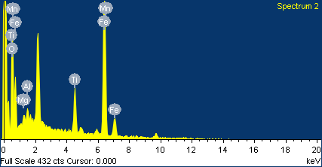
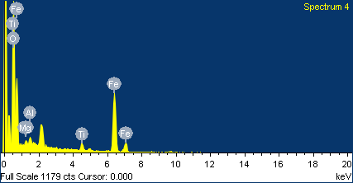
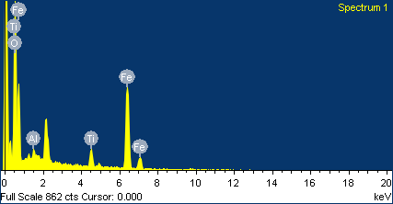

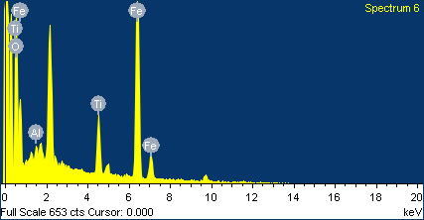
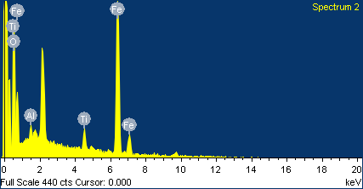

Fig. 1: EDX and SE image of magnetite mineral of (A) the andesite rock in Crescent Beach, (B) the sandstone rock in the North side of Houlongxi estuary, Miaoli city, (C) the sandy clay rock in the North side of Daanxi estuary, Taichung city, (D) the sandy clay rock in the North side of Dajiaxi estuary, Taichung city, (G) the sandstone rock in the Dintouer Sandbank, Tainan city, (H) the siltstone rock in South of Anping New Port locality.

Table 2: shows the chemical composition of the studied samples at the studied area by using SEM

 |  | Western side
 |  | Beach
Sample no. |  | C.B.2 | M.H.4 | T.D.N.E.6 | T.D.N.S.7 | W.G.S.9 | W.D.2 | T.H.4 | S.A.N. P.6 | K.K.8 | P.W.2 | P.I.M.4
O K | Wt% | 22.15 | 22.17 | 20.26 | 20.1 | 24.13 | 23.76 | 24.85 | 25.5 | 39.47 | 24.19 | 22.17
 | At% | 66.57 | 61.11 | 69.47 | 59.42 | 63.6 | 68.03 | 68.6 | 68.49 | 67.77 | 63.76 | 61.34
C K | Wt% | - | - | - | - | - | - | - | - | - | - | -
 | At% | - | - | - | - | - | - | - | - | - | - | -
Cr K | Wt% | - | - | - | - | - | - | - | - | - | - | -
 | At% | - | - | - | - | - | - | - | - | - | - | -
Ni K | Wt% | - | - | - | - | - | - | - | - | - | - | -
 | At% | - | - | - | - | - | - | - | - | - | - | -
Si K | Wt% | - | - | - | - | - | 1.18 | - | - | - | - | -
 | At% | - | - | - | - | - | 1.18 | - | - | - | - | -
Mn K | Wt% | 0.73 | - | - | - | - | - | - | - | - | - | -
 | At% | 0.9 | - | - | - | - | - | - | - | - | - | -
Mg K | Wt% | - | 1.2 | - | - | - | - | - | - | 1.76 | - | -
 | At% | - | 1.5 | - | - | - | - | - | - | 1.99 | - | -
Al K | Wt% | 1.51 | 1.61 | 1.31 | 1.47 | - | - | - | - | 1.87 | 1.29 | -
 | At% | 1.61 | 1.81 | 1.34 | 1.72 | - | - | - | - | 1.9 | 1.42 | -
Ti K | Wt% | 3.76 | 2.28 | 3.64 | 1.83 | 2.17 | 5.02 | 4.58 | 1.97 | 4.27 | 3.75 | 2.74
 | At% | 2.25 | 1.44 | 2.1 | 1.21 | 2.4 | 4.11 | 3.29 | 1.17 | 2.45 | 2.34 | 3.1
Fe K | Wt% | 70.84 | 72.74 | 74.8 | 76.6 | 73.7 | 70.05 | 70.57 | 72.53 | 52.62 | 70.78 | 75.09
 | At% | 28.67 | 34.14 | 27.1 | 37.66 | 34.01 | 26.67 | 28.11 | 30.34 | 25.88 | 32.48 | 35.56

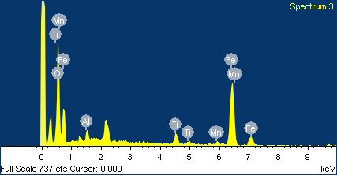
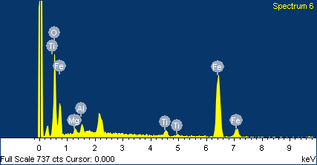
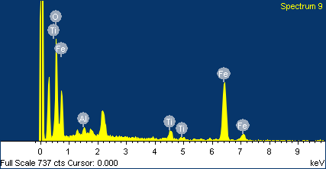
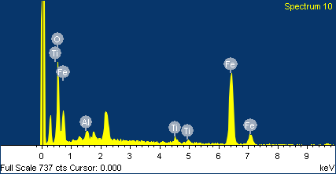
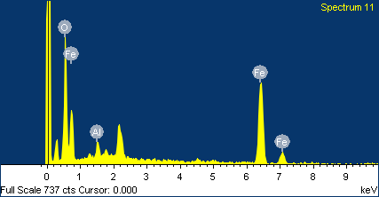
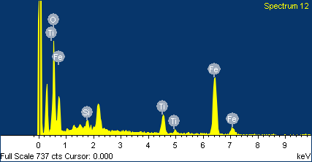
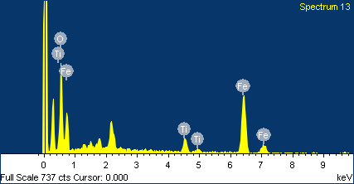
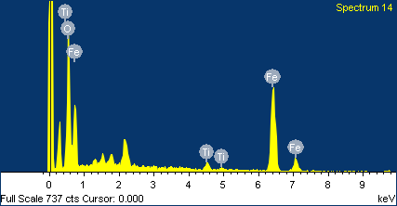
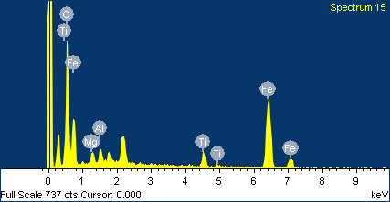
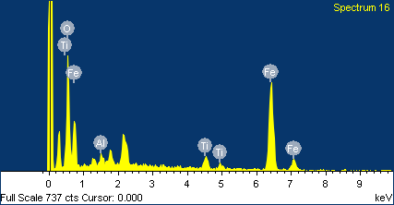
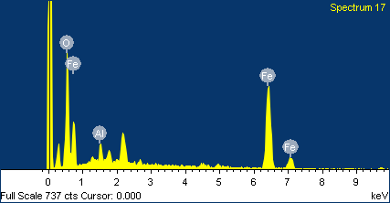
A
K
J
I
H
G
E
F
C
D
B

Fig. 2: EDX and SE image of magnetite mineral of (A) the sand in Crescent Beach, (B) the sand in the North side of Houlongxi estuary, Miaoli city, (C) the sand in the North side of Daanxi estuary, Taichung city, (D) the sand in North side of Dajiaxi estuary, Taichung city, (E) the sand in Wanggong seaside locality, (F) the sand in Waisanding Sand Bar beach, (G) the sand in the Dintouer Sandbank, Tainan city, (H) the sand in South of Anping New Port locality, (I) the sand in the Xiacuo, Kaohsiung city, (J) the sand in the Linbian, Pingtung city, and (K) the sand in the Fangshan, Pingtung city.

 |  | Table 3: shows the chemical composition of the studied samples at the studied area by using SEM

 |  | Eastern side
 |  | Rock
Sample no. |  | T.Da.5 | T.T.1 | T.X.9 | T.Do.3 | T.Do.2 | T.S.1 | T.P.6 | H.F.8 | H.X.8 | H.P.1 | H.P.3 | H.S.A.5 | Y.C.7 | T.Y.1 | Y.F.9
O K | Wt% | 24.45 | 23.65 | 25.76 | 25.59 | 23.48 | 21.43 | 22.61 | 21.69 | 24.47 | 21.22 | 25.68 | 20.75 | 23.23 | 21.55 | 25.6
 | At% | 73.67 | 67.54 | 59.25 | 65.45 | 51.65 | 60.42 | 67.21 | 68.85 | 64.25 | 64.25 | 67.27 | 69.45 | 51.67 | 72.33 | 68.21
C K | Wt% | 2.23 | - | - | - |  | - | - | - | - | - | 1.43 | - | - | - | -
 | At% | 1.56 | - | - | - |  | - | - | - | - | - | 1.33 | - | - | - | -
Cr K | Wt% | - | - | - | - | - | - | - | - | - | 0.65 | - | - | - | 0.41 | -
 | At% | - | - | - | - | - | - | - | - | - | 1.19 | - | - | - | 0.89 | -
Ni K | Wt% | - | - | - | - | - | - | - | - | - | 2.15 | - | - | - | - | -
 | At% | - | - | - | - | - | - | - | - | - | 1.32 | - | - | - | - | -
Si K | Wt% | - | - | - | - | - | - | - | - | - | - | - | - | - | - | -
 | At% | - | - | - | - | - | - | - | - | - | - | - | - | - | - | -
Mn K | Wt% | - | - | - | - | - | - | - | - | - | - | - | - | - | 1.39 | -
 | At% | - | - | - | - | - | - | - | - | - | - | - | - | - | 1.76 | -
Mg K | Wt% | - | 2.62 | - | - | 3.65 | - | - | - | - | 2.76 | - | - | 2.25 | 2.06 | 0.25
 | At% | - | 3.76 | - | - | 3.19 | - | - | - | - | 1.56 | - | - | 2.68 | 1.76 | 1.32
Al K | Wt% | - | - | 1.54 | 1.45 | 5.96 | 2.32 | 1.36 | 1.33 | 1.36 | - | 1.35 | 2.57 | - | - | 1.24
 | At% | - | - | 1.86 | 1.23 | 2.49 | 2.33 | 1.65 | 1.48 | 1.37 | - | 1.52 | 2.75 | - | - | 1.35
Ti K | Wt% | - | - | 1.43 | 1.74 | - | 4.37 | 3.43 | 6.69 | 2.43 | - | 2.54 | 6.29 | 4.43 | - | 4.59
 | At% | - | - | 0.68 | 1.54 | - | 2.66 | 2.24 | 3.63 | 1.69 | - | 1.34 | 3.32 | 4.48 | - | 4.54
Fe K | Wt% | 73.54 | 69.65 | 71.23 | 72.64 | 64.69 | 72.32 | 72.57 | 71.58 | 71.23 | 72.56 | 70.23 | 70.38 | 70.23 | 70.64 | 68.64
 | At% | 27.21 | 36.78 | 38.32 | 32.78 | 39.43 | 34.43 | 29.57 | 27.42 | 52.33 | 31.67 | 29.54 | 24.48 | 40.69 | 27.69 | 25.23
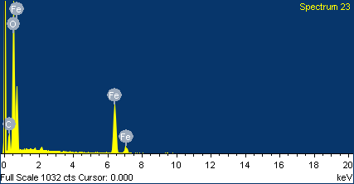

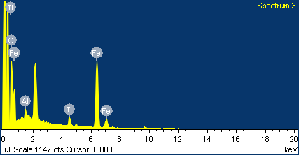

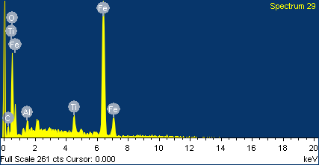
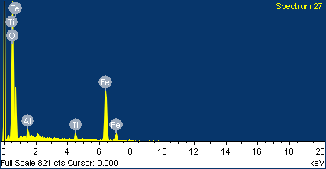
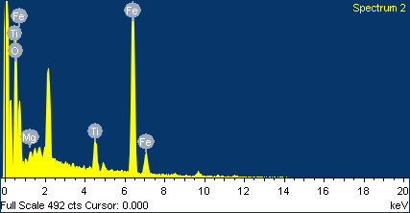
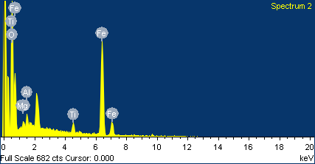
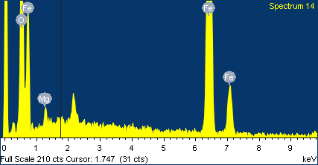
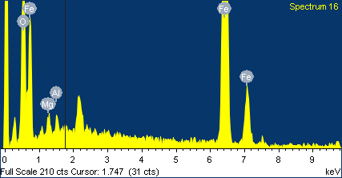
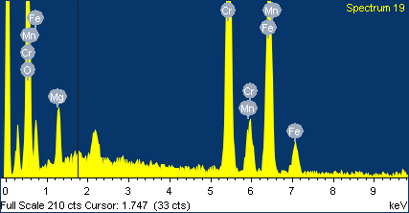
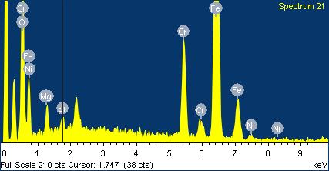
A
L
K
J
I
H
G
F
E
C
D
B
N
M
O

Fig. 3: EDX and SE image of magnetite mineral of (A) the quartizite rock in the Daren Beach, Taitung city, (B) the quartizite rock in the Taimali Beach, Taitung city, (C) the serpentine rock in the Creek Estuary, Taitung city, (D) the serpentine in the Donghe, Taitung city, (E) the mudstone in the Donghe, Taitung city, (F) the volcano clastic rocks (Andesite agglomerate) in the Chenggong (Sanxiantai) beach, Taitung city, (G) the andesite rock in the Dagangkou, Taitung city, (H) the volcano clastic rocks (Andesite agglomerate) in the Fengbin beach, Hualien city, (I) the para gneiss in the Creek Estuary, Hualien city, (J) the black green schist rock in the Heping, Yilan city, (K) the migmatite rock in the Heping, Yilan city, (L) the migmatite rock in the Nan-ao beach, Yilan city, (M) the quartizite rock in the Suao beach, Yilan city, (N) the quartizite rock in the Toucheng beach, Yilan city, and (O) the quartizite rock in the Fulong (Shuangxikou) beach, New Taipe city,

 |  | Table 4: shows the chemical composition of the studied samples at the studied area by using SEM

 |  | Beach
Sample no. |  | T.Da.4 | T.T.2 | T.X.8 | T.Do.1 | T.S.3 | T.P.5 | H.F.7 | H.X.9 | H.P.2 | H.S.A.3 | Y.C.6 | T.Y.2 | Y.F.7
O K | Wt% | 25.38 | 23.42 | 25.92 | 25.69 | 21.32 | 22.55 | 21.63 | 24.58 | 25.71 | 20.81 | 25.31 | 21.48 | 23.41
 | At% | 74.62 | 69.21 | 59.17 | 65.39 | 60.38 | 67 | 68.96 | 64.15 | 67.15 | 69.38 | 68.07 | 71.28 | 51.75
C K | Wt% | - | - | - | - | - | - | - | - | - | - | - | - | -
 | At% | - | - | - | - | - | - | - | - | - | - | - | - | -
Cr K | Wt% | - | - | - | - | - | - | - | - | - | - | - | 0.54 | -
 | At% | - | - | - | - | - | - | - | - | - | - | - | 1.04 | -
Ni K | Wt% | - | - | - | - | - | - | - | - | - | - | - | - | -
 | At% | - | - | - | - | - | - | - | - | - | - | - | - | -
Si K | Wt% | - | - | - | - | - | - | - | - | - | - | 0.18 | - | -
 | At% | - | - | - | - | - | - | - | - | - | - | 1.16 | - | -
Mn K | Wt% | - | - | - | - | - | - | - | - | - | - | - | 1.63 | -
 | At% | - | - | - | - | - | - | - | - | - | - | - | 1.18 | -
Mg K | Wt% | - | 2.04 | - | - | - | - | - | - | - | - | - | 1.48 | 2.14
 | At% | - | 2.59 | - | - | - | - | - | - | - | - | - | 1.53 | 2.99
Al K | Wt% | - | - | 1.65 | - | 2.2 | 1.41 | - | 1.45 | 1.54 | 2.47 | 1.18 | - | -
 | At% | - | - | 1.94 | - | 2.51 | 1.49 | - | 1.6 | 1.62 | 2.49 | 1.21 | - | -
Ti K | Wt% | - | - | 1.31 | 1.53 | 4.21 | 3.55 | 6.51 | 2.85 | 2.76 | 6.28 | 4.61 | - | 4.38
 | At% | - | - | 0.87 | 1.66 | 2.71 | 2.11 | 3.71 | 1.77 | 1.64 | 3.57 | 4.4 | - | 4.52
Fe K | Wt% | 74.62 | 71.65 | 71.11 | 72.78 | 72.27 | 72.49 | 71.86 | 71.11 | 70 | 70.45 | 68.73 | 69.98 | 70.06
 | At% | 28.03 | 39.43 | 38.02 | 32.95 | 34.39 | 29.39 | 27.33 | 52.48 | 29.69 | 24.57 | 25.16 | 31.54 | 40.73

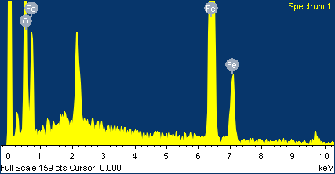
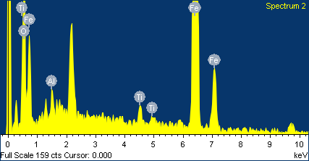
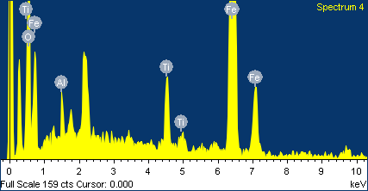
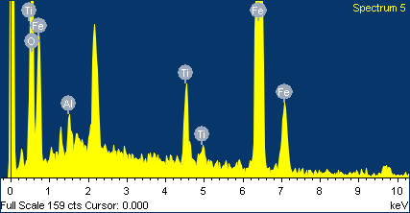
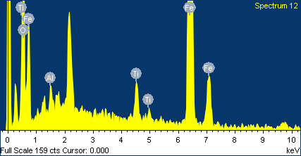

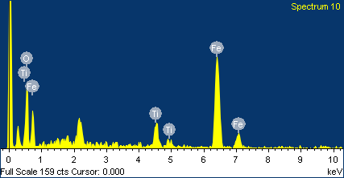
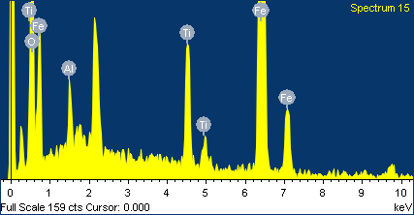
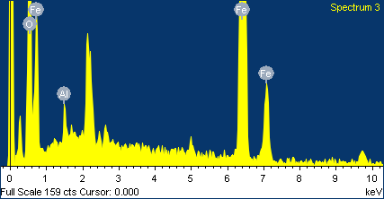
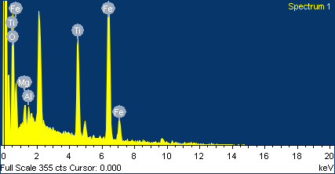
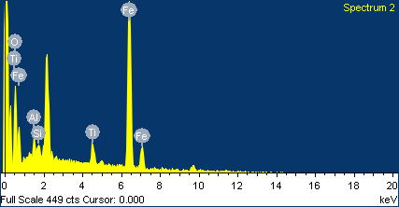
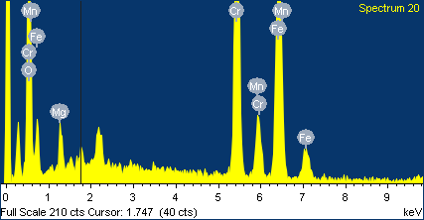
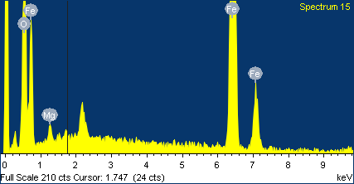
A
M
K
J
I
H
G
F
E
D
C
B
L

 | Fig. 4: EDX and SE image of magnetite mineral of (A) the sand in the Daren Beach, Taitung city, (B) the sand in the Taimali Beach, Taitung city,(C) the sand in the Creek Estuary, Taitung city, (D) the sand in the Donghe, Taitung city, (E) the sand in the Chenggong (Sanxiantai) beach, Taitung city, (F) the sand in the Dagangkou, Taitung city, (G) the sand in the Fengbin beach, Hualien city, (H) the sand in the Creek Estuary, Hualien city, (I) the sand in the Heping, Yilan city, (J) the sand in the Nan-ao beach, Yilan city, (K) the sand in the Suao beach, Yilan city, (L) the sand in the Toucheng beach, Yilan city, and (M) the sand in the Fulong (Shuangxikou) beach, New Taipe city.

Box and Whisker data
Table 9: Minimum, Lower quartile, Median, Upper quartile, Maximum values of some elements at the magmatic magnetite on the western side based on LA-ICP-MS data

Magmatic-Western side
 | Min. | Q1 | Median | Q2 | Max. | Difference |  |  |  |  |  | Difference
Fe | 831302.14101 | 842644.21977 | 853986.29853 | 865328.37729 | 876670.45605 | 831302.14101 | 11342.078759 | 11342.078759 | 11342.078759 | 11342.078759 | Fe | 831302.14101 | 11342.078759 | 11342.078759 | 11342.078759 | 11342.078759
Ti | 40505.847398 | 50907.971812 | 61310.096226 | 71712.22064 | 82114.345054 | 40505.847398 | 10402.124414 | 10402.124414 | 10402.124414 | 10402.124414 | Ti | 40505.847398 | 10402.124414 | 10402.124414 | 10402.124414 | 10402.124414
Al | 24484.297566 | 24755.121584 | 25025.945601 | 25296.769618 | 25567.593635 | 24484.297566 | 270.82401717 | 270.82401717 | 270.82401717 | 270.82401717 | Al | 24484.297566 | 270.82401717 | 270.82401717 | 270.82401717 | 270.82401717
Mg | 13111.439002 | 14494.49317 | 15877.547338 | 17260.601506 | 18643.655674 | 13111.439002 | 1383.054168 | 1383.054168 | 1383.054168 | 1383.054168 | Mg | 13111.439002 | 1383.054168 | 1383.054168 | 1383.054168 | 1383.054168
Ca | 98.604146621 | 110.03845871 | 121.47277081 | 132.9070829 | 144.341395 | 98.604146621 | 11.434312094 | 11.434312094 | 11.434312094 | 11.434312094 | V | 3026.6388754 | 297.23211752 | 297.23211752 | 297.23211752 | 297.23211752
Na | 14.766595191 | 20.178221088 | 25.589846984 | 31.001472881 | 36.413098777 | 14.766595191 | 5.4116258965 | 5.4116258965 | 5.4116258965 | 5.4116258965 | Mn | 7476.3278092 | 86.12498101 | 86.12498101 | 86.12498101 | 86.12498101
K | 12.763383714 | 21.526996287 | 30.29060886 | 39.054221433 | 47.817834007 | 12.763383714 | 8.7636125732 | 8.7636125732 | 8.7636125732 | 8.7636125732 | Zn | 975.26869845 | 72.593751163 | 72.593751163 | 72.593751163 | 72.593751163
P | 74.175649512 | 154.89897933 | 235.62230915 | 316.34563897 | 397.06896879 | 74.175649512 | 80.72332982 | 80.72332982 | 80.72332982 | 80.72332982 | Ca | 98.604146621 | 11.434312094 | 11.434312094 | 11.434312094 | 11.434312094
Li | 0 | 3.5793419243 | 7.1586838486 | 10.738025773 | 14.317367697 | 0 | 3.5793419243 | 3.5793419243 | 3.5793419243 | 3.5793419243 | Na | 14.766595191 | 5.4116258965 | 5.4116258965 | 5.4116258965 | 5.4116258965
Sc | 4.0897171959 | 8.7587014145 | 13.427685633 | 18.096669852 | 22.76565407 | 4.0897171959 | 4.6689842185 | 4.6689842185 | 4.6689842185 | 4.6689842185 | K | 12.763383714 | 8.7636125732 | 8.7636125732 | 8.7636125732 | 8.7636125732
V | 3026.6388754 | 3323.8709929 | 3621.1031104 | 3918.3352279 | 4215.5673455 | 3026.6388754 | 297.23211752 | 297.23211752 | 297.23211752 | 297.23211752 | P | 74.175649512 | 80.72332982 | 80.72332982 | 80.72332982 | 80.72332982
Cr | 53.654392173 | 97.263685915 | 140.87297966 | 184.4822734 | 228.09156714 | 53.654392173 | 43.609293742 | 43.609293742 | 43.609293742 | 43.609293742 | Li | 0 | 3.5793419243 | 3.5793419243 | 3.5793419243 | 3.5793419243
Mn | 7476.3278092 | 7562.4527902 | 7648.5777712 | 7734.7027522 | 7820.8277333 | 7476.3278092 | 86.12498101 | 86.12498101 | 86.12498101 | 86.12498101 | Sc | 4.0897171959 | 4.6689842185 | 4.6689842185 | 4.6689842185 | 4.6689842185
Co | 125.66751249 | 132.09810687 | 138.52870125 | 144.95929563 | 151.38989002 | 125.66751249 | 6.4305943821 | 6.4305943821 | 6.4305943821 | 6.4305943821 | Cr | 53.654392173 | 43.609293742 | 43.609293742 | 43.609293742 | 43.609293742
Ni | 33.671627554 | 41.140693462 | 48.60975937 | 56.078825278 | 63.547891186 | 33.671627554 | 7.469065908 | 7.469065908 | 7.469065908 | 7.469065908 | Co | 125.66751249 | 6.4305943821 | 6.4305943821 | 6.4305943821 | 6.4305943821
Cu | 40.022169749 | 92.222096055 | 144.42202236 | 196.62194867 | 248.82187497 | 40.022169749 | 52.199926306 | 52.199926306 | 52.199926306 | 52.199926306 | Ni | 33.671627554 | 7.469065908 | 7.469065908 | 7.469065908 | 7.469065908
Zn | 975.26869845 | 1047.8624496 | 1120.4562008 | 1193.0499519 | 1265.6437031 | 975.26869845 | 72.593751163 | 72.593751163 | 72.593751163 | 72.593751163 | Cu | 40.022169749 | 52.199926306 | 52.199926306 | 52.199926306 | 52.199926306
Ga | 68.738032305 | 69.698494873 | 70.658957441 | 71.619420008 | 72.579882576 | 68.738032305 | 0.96046256798 | 0.96046256798 | 0.96046256798 | 0.96046256798 | Ga | 68.738032305 | 0.96046256798 | 0.96046256798 | 0.96046256798 | 0.96046256798
Zr | 11.923474694 | 12.689495753 | 13.455516813 | 14.221537872 | 14.987558932 | 11.923474694 | 0.76602105951 | 0.76602105951 | 0.76602105951 | 0.76602105951 | Zr | 11.923474694 | 0.76602105951 | 0.76602105951 | 0.76602105951 | 0.76602105951
Nb | 2.6902130555 | 3.4400216301 | 4.1898302048 | 4.9396387794 | 5.6894473541 | 2.6902130555 | 0.74980857464 | 0.74980857464 | 0.74980857464 | 0.74980857464 | Nb | 2.6902130555 | 0.74980857464 | 0.74980857464 | 0.74980857464 | 0.74980857464
Sn | 10.232196172 | 11.30712826 | 12.382060349 | 13.456992438 | 14.531924527 | 10.232196172 | 1.0749320888 | 1.0749320888 | 1.0749320888 | 1.0749320888 | Sn | 10.232196172 | 1.0749320888 | 1.0749320888 | 1.0749320888 | 1.0749320888

Table 10: Minimum, Lower quartile, Median, Upper quartile, Maximum values of some elements at the hydrothermal magnetite on the western side based on LA-ICP-MS data

 | Min. | Q1 | Median | Q2 | Max. | Difference
Fe | 682702.64954 | 795985.51887 | 810262.88183 | 831302.14101 | 843876.21159 | 682702.64954 | 113282.86933 | 14277.362956 | 21039.25918 | 12574.070576 | Fe | 682702.64954 | 113282.86933 | 14277.362956 | 21039.25918 | 12574.070576
Ti | 71414.701222 | 81562.422176 | 98345.765484 | 99675.293848 | 213445.35309 | 71414.701222 | 10147.720954 | 16783.343308 | 1329.5283644 | 113770.05924 | Ti | 71414.701222 | 10147.720954 | 16783.343308 | 1329.5283644 | 113770.05924
Al | 21490.055622 | 22765.183872 | 23491.650636 | 26367.865718 | 33245.176542 | 21490.055622 | 1275.12825 | 726.46676405 | 2876.2150823 | 6877.310824 | Al | 21490.055622 | 1275.12825 | 726.46676405 | 2876.2150823 | 6877.310824
Mg | 9562.4573108 | 11150.431206 | 16548.765243 | 16969.606724 | 19970.071327 | 9562.4573108 | 1587.973895 | 5398.3340373 | 420.84148116 | 3000.4646026 | Mg | 9562.4573108 | 1587.973895 | 5398.3340373 | 420.84148116 | 3000.4646026
Ca | 139.89168748 | 163.22439595 | 444.34535609 | 529.65378315 | 1256.8765637 | 139.89168748 | 23.332708468 | 281.12096014 | 85.308427065 | 727.22278057 | V | 3679.5341319 | 344.34143066 | 132.88910823 | 122.23640948 | 366.45681534
Na | 13.582095191 | 520.96778787 | 732.52402069 | 830.91879587 | 997.6013268 | 13.582095191 | 507.38569268 | 211.55623282 | 98.39477518 | 166.68253093 | Mn | 5634.5431118 | 898.66677959 | 84.0575 | 925.51451786 | 6663.0497641
K | 11.801983714 | 357.84045603 | 1145.246014 | 1377.773082 | 1636.2474871 | 11.801983714 | 346.03847232 | 787.40555794 | 232.52706803 | 258.47440514 | Zn | 167.54686547 | 826.86488361 | 159.03364049 | 60.941330863 | 440.37871413
P | 73.235656458 | 648.36093911 | 961.87376811 | 1162.0097426 | 1375.2345655 | 73.235656458 | 575.12528265 | 313.512829 | 200.1359745 | 213.22482288 | Ca | 139.89168748 | 23.332708468 | 281.12096014 | 85.308427065 | 727.22278057
Li | 0 | 1.8833640703 | 5.8730869227 | 8.1938338796 | 16.176543794 | 0 | 1.8833640703 | 3.9897228523 | 2.3207469569 | 7.982709914 | Na | 13.582095191 | 507.38569268 | 211.55623282 | 98.39477518 | 166.68253093
Sc | 13.716390551 | 21.341376389 | 35.653888187 | 36.49888187 | 86.977381037 | 13.716390551 | 7.624985838 | 14.312511798 | 0.84499368331 | 50.478499167 | K | 11.801983714 | 346.03847232 | 787.40555794 | 232.52706803 | 258.47440514
V | 3679.5341319 | 4023.8755626 | 4156.7646708 | 4279.0010803 | 4645.4578956 | 3679.5341319 | 344.34143066 | 132.88910823 | 122.23640948 | 366.45681534 | P | 73.235656458 | 575.12528265 | 313.512829 | 200.1359745 | 213.22482288
Cr | 35.293071931 | 53.648441304 | 55.348394863 | 59.444427713 | 82.765457929 | 35.293071931 | 18.355369373 | 1.6999535587 | 4.0960328505 | 23.321030216 | Li | 0 | 1.8833640703 | 3.9897228523 | 2.3207469569 | 7.982709914
Mn | 5634.5431118 | 6533.2098914 | 6617.2673914 | 7542.7819092 | 14205.831673 | 5634.5431118 | 898.66677959 | 84.0575 | 925.51451786 | 6663.0497641 | Sc | 13.716390551 | 7.624985838 | 14.312511798 | 0.84499368331 | 50.478499167
Co | 65.377968833 | 145.84925134 | 157.76563413 | 162.38316341 | 169.11589002 | 65.377968833 | 80.471282505 | 11.916382794 | 4.6175292812 | 6.732726603 | Cr | 35.293071931 | 18.355369373 | 1.6999535587 | 4.0960328505 | 23.321030216
Ni | 40.460814782 | 41.728944852 | 43.345359609 | 52.630029407 | 65.918911864 | 40.460814782 | 1.2681300704 | 1.6164147566 | 9.2846697985 | 13.288882457 | Co | 65.377968833 | 80.471282505 | 11.916382794 | 4.6175292812 | 6.732726603
Cu | 42.526324127 | 63.647941084 | 65.61370341 | 351.55081187 | 967.43567755 | 42.526324127 | 21.121616957 | 1.9657623267 | 285.93710846 | 615.88486568 | Ni | 40.460814782 | 1.2681300704 | 1.6164147566 | 9.2846697985 | 13.288882457
Zn | 167.54686547 | 994.41174908 | 1153.4453896 | 1214.3867204 | 1654.7654346 | 167.54686547 | 826.86488361 | 159.03364049 | 60.941330863 | 440.37871413 | Cu | 42.526324127 | 21.121616957 | 1.9657623267 | 285.93710846 | 615.88486568
Ga | 30.006271806 | 66.780054435 | 69.321229435 | 75.448645311 | 78.90199467 | 30.006271806 | 36.773782629 | 2.541175 | 6.1274158757 | 3.4533493592 | Ga | 30.006271806 | 36.773782629 | 2.541175 | 6.1274158757 | 3.4533493592
Zr | 13.234567899 | 25.931269066 | 65.685465957 | 67.276965957 | 312.8256989 | 13.234567899 | 12.696701168 | 39.754196891 | 1.5915 | 245.54873294 | Zr | 13.234567899 | 12.696701168 | 39.754196891 | 1.5915 | 245.54873294
Nb | 5.485678987 | 7.8499146249 | 32.679737459 | 35.905617375 | 96.357854457 | 5.485678987 | 2.3642356379 | 24.829822834 | 3.2258799158 | 60.452237082 | Nb | 5.485678987 | 2.3642356379 | 24.829822834 | 3.2258799158 | 60.452237082
Sn | 13.065924527 | 17.036993658 | 27.432548791 | 28.791548791 | 33.548494793 | 13.065924527 | 3.9710691309 | 10.395555133 | 1.359 | 4.7569460019 | Sn | 13.065924527 | 3.9710691309 | 10.395555133 | 1.359 | 4.7569460019

Table 11: Minimum, Lower quartile, Median, Upper quartile, Maximum values of some elements at the magmatic magnetite on the eastern side based on LA-ICP-MS data

 | Min. | Q1 | Median | Q2 | Max. | Difference
Fe | 765445.63867 | 823696.62625 | 830794.05884 | 837219.12656 | 846539.23387 | 765445.63867 | 58250.987577 | 7097.4325902 | 6425.067725 | 9320.1073075 | Fe | 765445.63867 | 58250.987577 | 7097.4325902 | 6425.067725 | 9320.1073075
Ti | 45378.345674 | 55713.397773 | 59546.754758 | 73912.347052 | 78438.14348 | 45378.345674 | 10335.052099 | 3833.356985 | 14365.592294 | 4525.7964285 | Ti | 45378.345674 | 10335.052099 | 3833.356985 | 14365.592294 | 4525.7964285
Al | 10548.645676 | 16328.88746 | 18787.084743 | 20577.501527 | 21248.919434 | 10548.645676 | 5780.2417838 | 2458.197283 | 1790.4167838 | 671.41790711 | Al | 10548.645676 | 5780.2417838 | 2458.197283 | 1790.4167838 | 671.41790711
Mg | 1054.546682 | 11126.377038 | 11277.140346 | 14736.404574 | 16793.162603 | 1054.546682 | 10071.830356 | 150.76330829 | 3459.2642278 | 2056.7580288 | Mg | 1054.546682 | 10071.830356 | 150.76330829 | 3459.2642278 | 2056.7580288
Ca | 61.7653897 | 5280.0377111 | 6414.8555324 | 11668.029709 | 13578.654396 | 61.7653897 | 5218.2723214 | 1134.8178213 | 5253.1741765 | 1910.6246871 | V | 275.97736 | 3064.8022762 | 333.74134762 | 410.8966774 | 269.01739247
Na | 127.45607452 | 145.24558287 | 163.70047681 | 214.09190724 | 235.54369407 | 127.45607452 | 17.789508345 | 18.45489394 | 50.391430436 | 21.45178683 | Mn | 438.755 | 4436.509176 | 357.98855118 | 2551.591236 | 897.06141835
K | 102.76440875 | 106.58617278 | 133.12955779 | 200.03204811 | 234.21538813 | 102.76440875 | 3.8217640346 | 26.543385003 | 66.902490328 | 34.183340013 | Ca | 61.7653897 | 5218.2723214 | 1134.8178213 | 5253.1741765 | 1910.6246871
P | 205.65678014 | 5246.7882505 | 5931.5449039 | 9575.8100474 | 11216.543127 | 205.65678014 | 5041.1314704 | 684.75665335 | 3644.2651435 | 1640.7330801 | P | 205.65678014 | 5041.1314704 | 684.75665335 | 3644.2651435 | 1640.7330801
Li | 1.5623123553 | 2.0840771976 | 3.2394659721 | 5.2477634312 | 19.766732 | 1.5623123553 | 0.52176484226 | 1.1553887746 | 2.008297459 | 14.518968569 | Na | 127.45607452 | 17.789508345 | 18.45489394 | 50.391430436 | 21.45178683
Sc | 14.654494712 | 19.9952142 | 32.655415455 | 40.929546774 | 121.67868 | 14.654494712 | 5.3407194886 | 12.660201255 | 8.274131319 | 80.749133226 | K | 102.76440875 | 3.8217640346 | 26.543385003 | 66.902490328 | 34.183340013
V | 275.97736 | 3340.7796362 | 3674.5209839 | 4085.4176613 | 4354.4350537 | 275.97736 | 3064.8022762 | 333.74134762 | 410.8966774 | 269.01739247 | Li | 1.5623123553 | 0.52176484226 | 1.1553887746 | 2.008297459 | 14.518968569
Cr | 42.433459066 | 51.376009551 | 76.760854887 | 79.010093539 | 136.97679437 | 42.433459066 | 8.9425504851 | 25.384845336 | 2.2492386527 | 57.966700831 | Sc | 14.654494712 | 5.3407194886 | 12.660201255 | 8.274131319 | 80.749133226
Mn | 438.755 | 4875.264176 | 5233.2527272 | 7784.8439632 | 8681.9053816 | 438.755 | 4436.509176 | 357.98855118 | 2551.591236 | 897.06141835 | Cr | 42.433459066 | 8.9425504851 | 25.384845336 | 2.2492386527 | 57.966700831
Co | 150.21208068 | 151.40990163 | 152.49933711 | 174.1354847 | 298.5679 | 150.21208068 | 1.1978209547 | 1.0894354781 | 21.636147586 | 124.4324153 | Co | 150.21208068 | 1.1978209547 | 1.0894354781 | 21.636147586 | 124.4324153
Ni | 36.6788149 | 56.304409895 | 59.53406663 | 60.030644191 | 60.196170044 | 36.6788149 | 19.625594995 | 3.2296567353 | 0.4965775605 | 0.1655258535 | Ni | 36.6788149 | 19.625594995 | 3.2296567353 | 0.4965775605 | 0.1655258535
Cu | 35.812830301 | 39.756224726 | 87.513507705 | 218.53837697 | 255.34533496 | 35.812830301 | 3.9433944247 | 47.757282979 | 131.02486927 | 36.806957982 | Cu | 35.812830301 | 3.9433944247 | 47.757282979 | 131.02486927 | 36.806957982
Zn | 189.692851 | 819.04858155 | 824.14984312 | 1060.9167882 | 1158.5468267 | 189.692851 | 629.35573055 | 5.1012615717 | 236.76694506 | 97.630038511 | Zn | 189.692851 | 629.35573055 | 5.1012615717 | 236.76694506 | 97.630038511
Ga | 63.219020005 | 66.809476764 | 77.580847041 | 147.55357387 | 572.78934664 | 63.219020005 | 3.590456759 | 10.771370277 | 69.972726829 | 425.23577277 | Ga | 63.219020005 | 3.590456759 | 10.771370277 | 69.972726829 | 425.23577277
Zr | 11.971015315 | 13.447291636 | 15.761120601 | 21.355982425 | 58.76541 | 11.971015315 | 1.4762763215 | 2.3138289646 | 5.5948618241 | 37.409427575 | Zr | 11.971015315 | 1.4762763215 | 2.3138289646 | 5.5948618241 | 37.409427575
Nb | 3.3912830079 | 6.7127430482 | 13.232123169 | 18.44929029 | 65.8765843 | 3.3912830079 | 3.3214600403 | 6.519380121 | 5.2171671212 | 47.42729401 | Nb | 3.3912830079 | 3.3214600403 | 6.519380121 | 5.2171671212 | 47.42729401
Sn | 11.389646306 | 14.326535348 | 21.221224879 | 25.464533027 | 67.896399 | 11.389646306 | 2.9368890418 | 6.8946895318 | 4.2433081477 | 42.431865973 | Sn | 11.389646306 | 2.9368890418 | 6.8946895318 | 4.2433081477 | 42.431865973

Table 12: Minimum, Lower quartile, Median, Upper quartile, Maximum values of some elements at the hydrothermal magnetite on the eastern side based on LA-ICP-MS data

 | Min. | Q1 | Median | Q2 | Max. | Difference
Fe | 725569.453 | 797908.6705 | 822753.77327 | 862151.29822 | 950807.97001 | 725569.453 | 72339.217499 | 24845.10277 | 39397.524956 | 88656.671781 | Fe | 725569.453 | 72339.217499 | 24845.10277 | 39397.524956 | 88656.671781
Ti | 24578.567553 | 43672.392595 | 55918.407167 | 84980.483498 | 648756.76445 | 24578.567553 | 19093.825042 | 12246.014572 | 29062.076331 | 563776.28095 | Ti | 24578.567553 | 19093.825042 | 12246.014572 | 29062.076331 | 563776.28095
Al | 10.774065929 | 24144.403742 | 25142.053038 | 28715.813958 | 41456.169832 | 10.774065929 | 24133.629676 | 997.64929557 | 3573.7609201 | 12740.355874 | Al | 10.774065929 | 24133.629676 | 997.64929557 | 3573.7609201 | 12740.355874
Mg | 1497.39766 | 8233.8843209 | 13459.654512 | 17977.069744 | 23660.750769 | 1497.39766 | 6736.4866609 | 5225.7701907 | 4517.4152325 | 5683.6810249 | Mg | 1497.39766 | 6736.4866609 | 5225.7701907 | 4517.4152325 | 5683.6810249
Ca | 6.4943074891 | 131.59447291 | 1125.5482346 | 3629.8783921 | 42487.54897 | 6.4943074891 | 125.10016542 | 993.95376165 | 2504.3301575 | 38857.670578 | V | 0.63240866845 | 1149.2351832 | 2269.497102 | 880.71828411 | 1250.9257777
Na | 0 | 28.541234785 | 219.76588302 | 338.16723639 | 3517.5371743 | 0 | 28.541234785 | 191.22464824 | 118.40135336 | 3179.3699379 | Mn | 2575.2864524 | 1832.7322057 | 674.13326892 | 1065.0972933 | 743.55338329
K | 2.7206547286 | 10.243843604 | 60.793403334 | 211.43247762 | 2523.4331842 | 2.7206547286 | 7.5231888757 | 50.54955973 | 150.63907429 | 2312.0007066 | Ca | 6.4943074891 | 125.10016542 | 993.95376165 | 2504.3301575 | 38857.670578
P | 14.543450467 | 32.345632657 | 361.94320432 | 6448.6705565 | 34489.25191 | 14.543450467 | 17.80218219 | 329.59757167 | 6086.7273521 | 28040.581353 | P | 14.543450467 | 17.80218219 | 329.59757167 | 6086.7273521 | 28040.581353
Li | 0 | 0.74855431873 | 1.3488554863 | 13.000359045 | 23.566368204 | 0 | 0.74855431873 | 0.60030116756 | 11.651503558 | 10.56600916 | Na | 0 | 28.541234785 | 191.22464824 | 118.40135336 | 3179.3699379
Sc | 0.12184971098 | 8.166114918 | 19.512873562 | 24.106127031 | 67.83494373 | 0.12184971098 | 8.044265207 | 11.346758644 | 4.5932534695 | 43.728816699 | K | 2.7206547286 | 7.5231888757 | 50.54955973 | 150.63907429 | 2312.0007066
V | 0.63240866845 | 1149.8675918 | 3419.3646938 | 4300.082978 | 5551.0087557 | 0.63240866845 | 1149.2351832 | 2269.497102 | 880.71828411 | 1250.9257777 | Li | 0 | 0.74855431873 | 0.60030116756 | 11.651503558 | 10.56600916
Cr | 30.565247564 | 65.536376287 | 153.56029212 | 218.93817531 | 279.78372779 | 30.565247564 | 34.971128724 | 88.023915835 | 65.377883188 | 60.845552476 | Sc | 0.12184971098 | 8.044265207 | 11.346758644 | 4.5932534695 | 43.728816699
Mn | 2575.2864524 | 4408.0186581 | 5082.1519271 | 6147.2492204 | 6890.8026037 | 2575.2864524 | 1832.7322057 | 674.13326892 | 1065.0972933 | 743.55338329 | Cr | 30.565247564 | 34.971128724 | 88.023915835 | 65.377883188 | 60.845552476
Co | 33.765547822 | 126.8894081 | 157.23072492 | 177.97804885 | 1283.3468765 | 33.765547822 | 93.123860281 | 30.341316818 | 20.74732393 | 1105.3688276 | Co | 33.765547822 | 93.123860281 | 30.341316818 | 20.74732393 | 1105.3688276
Ni | 9.3677004416 | 50.738863745 | 64.941522796 | 82.879643298 | 320.13300928 | 9.3677004416 | 41.371163303 | 14.202659051 | 17.938120502 | 237.25336598 | Ni | 9.3677004416 | 41.371163303 | 14.202659051 | 17.938120502 | 237.25336598
Cu | 16.420573683 | 33.877031543 | 83.831874396 | 110.1166247 | 2389.4334165 | 16.420573683 | 17.45645786 | 49.954842853 | 26.284750303 | 2279.3167918 | Cu | 16.420573683 | 17.45645786 | 49.954842853 | 26.284750303 | 2279.3167918
Zn | 13.313273402 | 812.61131337 | 926.67790967 | 946.45280861 | 2765.6218984 | 13.313273402 | 799.29803996 | 114.06659631 | 19.774898943 | 1819.1690898 | Zn | 13.313273402 | 799.29803996 | 114.06659631 | 19.774898943 | 1819.1690898
Ga | 3.5064957351 | 71.595454697 | 76.145887574 | 90.96126096 | 219.43890414 | 3.5064957351 | 68.088958962 | 4.5504328774 | 14.815373386 | 128.47764318 | Ga | 3.5064957351 | 68.088958962 | 4.5504328774 | 14.815373386 | 128.47764318
Zr | 0.051875671452 | 9.1589497317 | 17.340733315 | 19.44667891 | 65.747229041 | 0.051875671452 | 9.1070740603 | 8.1817835829 | 2.1059455954 | 46.300550131 | Zr | 0.051875671452 | 9.1070740603 | 8.1817835829 | 2.1059455954 | 46.300550131
Nb | 0.0033119094118 | 4.3328636658 | 5.5435149454 | 14.211867739 | 64.385424732 | 0.0033119094118 | 4.3295517564 | 1.2106512796 | 8.6683527933 | 50.173556993 | Nb | 0.0033119094118 | 4.3295517564 | 1.2106512796 | 8.6683527933 | 50.173556993
Sn | 1.5893466458 | 9.0237428486 | 12.565494729 | 20.928892212 | 161.34179084 | 1.5893466458 | 7.4343962027 | 3.54175188 | 8.3633974838 | 140.41289862 | Sn | 1.5893466458 | 7.4343962027 | 3.54175188 | 8.3633974838 | 140.41289862

