2D and FFPE
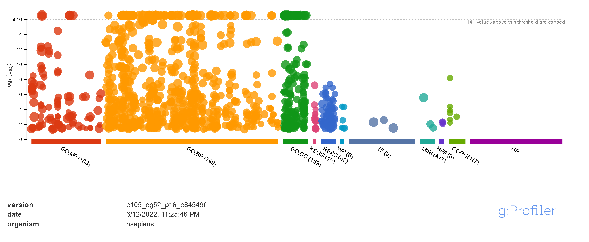
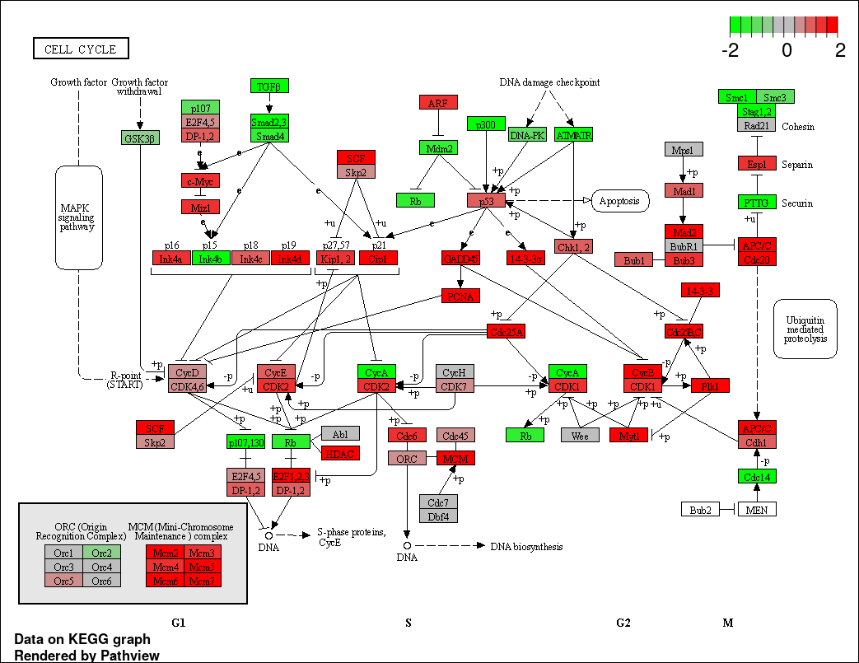
Enriched pathways in DEGs for the selected comparison:
Direction | adj.Pval | nGenes | Pathways
Down regulated | 2.30E-37 | 784 | Cell adhesion | 10183 | Enriched pathways among all genes in selected module
 | 2.30E-37 | 787 | Biological adhesion | 3572
 | 2.20E-23 | 450 | Inflammatory response | 13755 | adj.Pval | Genes | Pathways
 | 1.40E-20 | 469 | Cell-cell adhesion |  | 1.80E-42 | 71 | Extracellular matrix organization
 | 8.50E-20 | 184 | Cell-cell adhesion via plasma-membrane adhesion molecules |  | 1.80E-42 | 71 | Extracellular structure organization
 | 9.00E-20 | 1229 | Regulation of multicellular organismal process |  | 1.90E-42 | 71 | External encapsulating structure organization
 | 1.30E-19 | 1023 | System process |  | 1.20E-31 | 151 | Regulation of multicellular organismal process
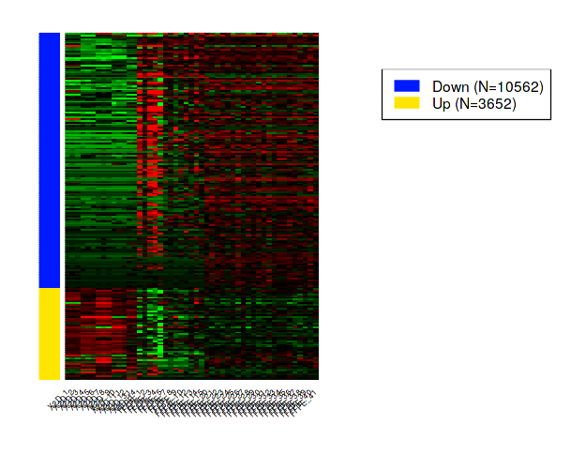
 | 8.50E-18 | 808 | Defense response |  | 3.00E-30 | 108 | Biological adhesion
 | 9.80E-17 | 775 | Regulation of immune system process |  | 8.40E-30 | 107 | Cell adhesion
 | 1.30E-16 | 121 | Homophilic cell adhesion via plasma membrane adhesion molecules |  | 3.10E-28 | 155 | Response to external stimulus
 | 2.30E-16 | 867 | Locomotion |  | 8.60E-26 | 94 | Regulation of multicellular organismal development
 | 1.50E-15 | 979 | Movement of cell or subcellular component |  | 1.10E-25 | 164 | Animal organ development
 | 1.60E-15 | 192 | Positive regulation of cytosolic calcium ion concentration |  | 3.00E-25 | 82 | Circulatory system development
 | 7.70E-15 | 1308 | Cell surface receptor signaling pathway |  | 4.40E-25 | 131 | Regulation of developmental process
 | 9.70E-15 | 207 | Regulation of cytosolic calcium ion concentration |  | 1.40E-24 | 135 | Anatomical structure morphogenesis
Up regulated | 3.40E-57 | 303 | Translation |  | 7.00E-24 | 159 | Immune system process
 | 5.10E-55 | 307 | Peptide biosynthetic process |  | 2.10E-23 | 95 | Cell migration
 | 6.90E-50 | 340 | Peptide metabolic process |  | 1.10E-22 | 106 | Locomotion
 | 1.80E-49 | 334 | Amide biosynthetic process
 | 7.90E-49 | 221 | Ribonucleoprotein complex biogenesis
 | 2.50E-45 | 402 | Cellular amide metabolic process
 | 1.10E-44 | 174 | Ribosome biogenesis
 | 1.20E-40 | 146 | RRNA processing
 | 2.40E-40 | 149 | RRNA metabolic process
 | 3.70E-37 | 338 | RNA processing
 | 3.70E-37 | 521 | Organonitrogen compound biosynthetic process
 | 1.40E-35 | 71 | Mitochondrial translational elongation
 | 5.90E-35 | 95 | Cytoplasmic translation
 | 7.90E-35 | 81 | Protein targeting to ER
 | 1.60E-34 | 90 | Mitochondrial translation

3D and FFPE
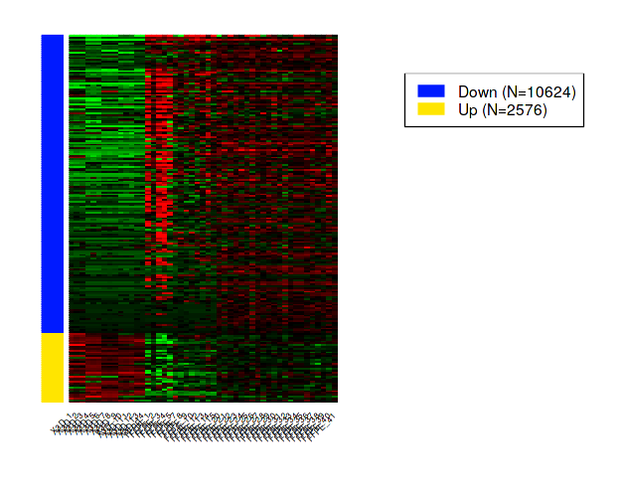
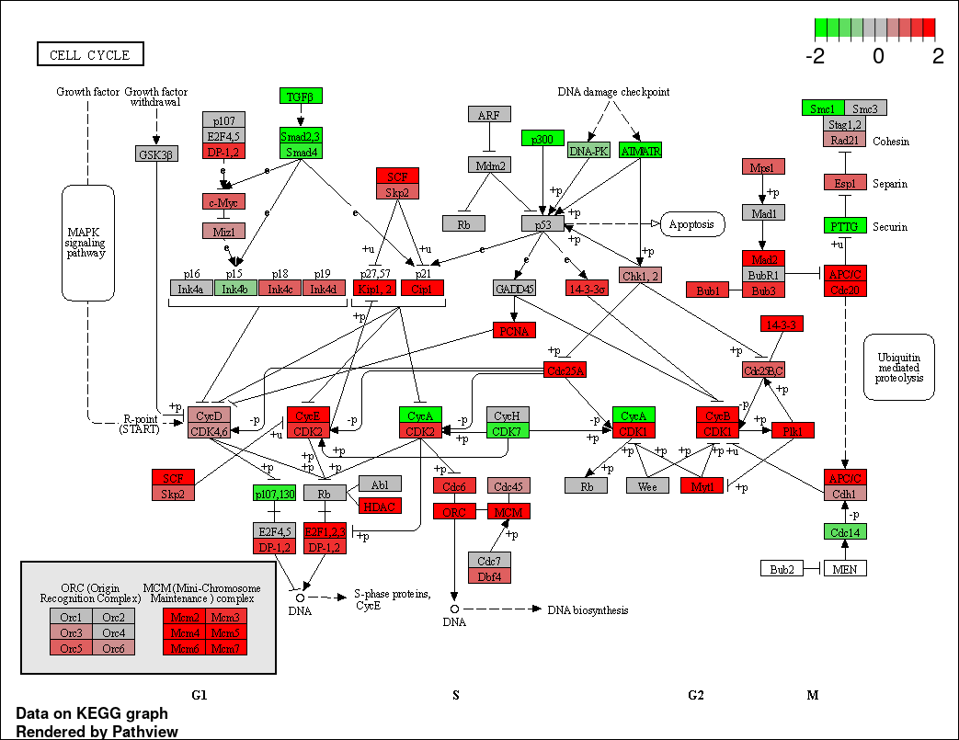
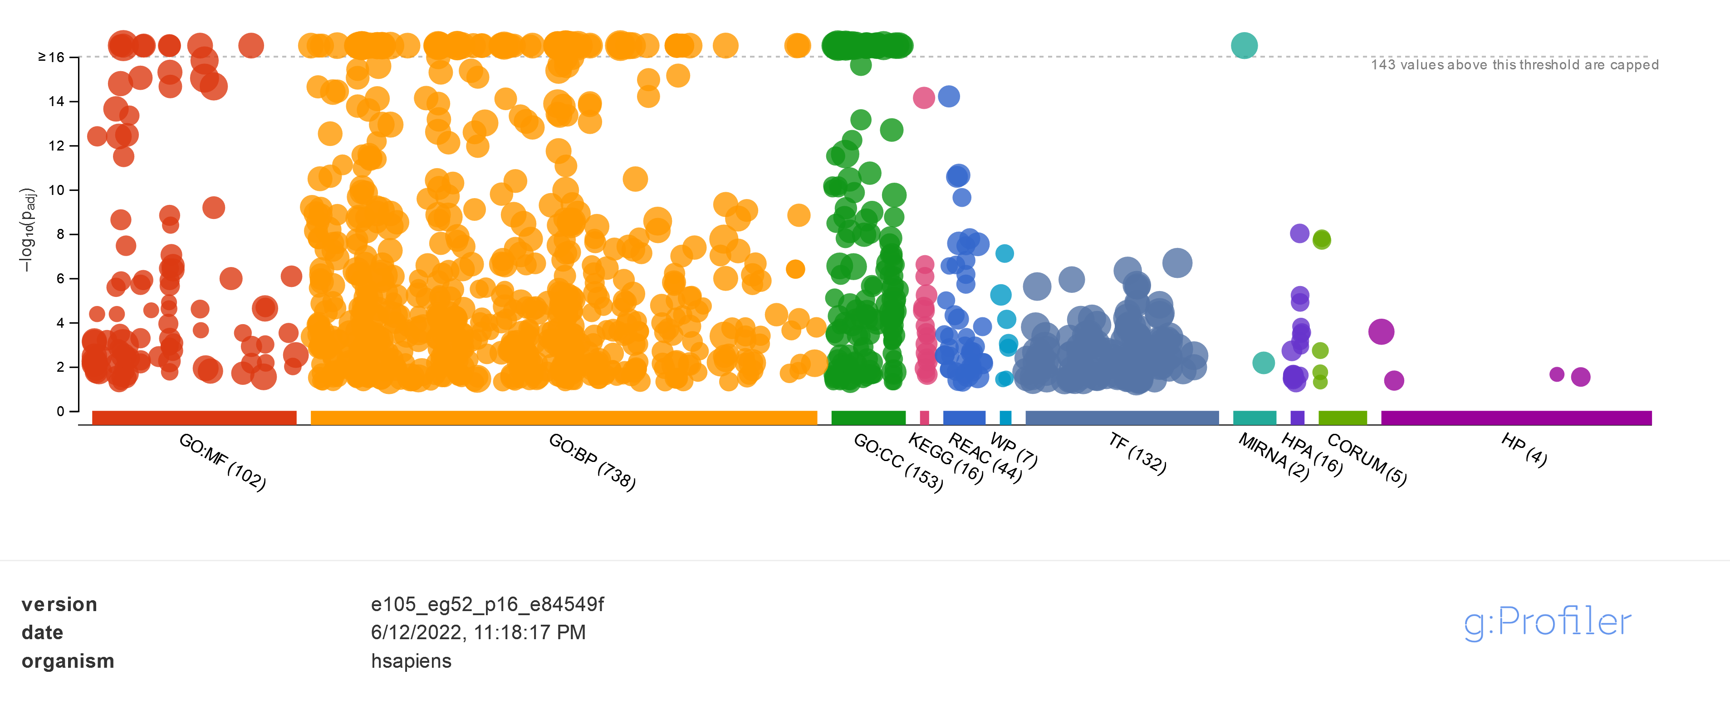
Enriched pathways in DEGs for the selected comparison: |  |  |  |  | Enriched gene sets in selected bicluster
Direction | adj.Pval | nGenes | Pathways | 10903 | adj.Pval | Genes | Pathways
Down regulated | 9.60E-42 | 793 | Cell adhesion | 2726 | 1.20E-56 | 92 | Extracellular matrix organization
 | 1.30E-41 | 795 | Biological adhesion | 13629 | 1.20E-56 | 92 | Extracellular structure organization
 | 1.40E-33 | 1081 | System process |  | 1.50E-56 | 92 | External encapsulating structure organization
 | 4.20E-28 | 461 | Inflammatory response |  | 1.20E-49 | 153 | Biological adhesion
 | 3.60E-25 | 1251 | Regulation of multicellular organismal process |  | 3.00E-49 | 152 | Cell adhesion
 | 4.20E-24 | 476 | Cell-cell adhesion |  | 7.10E-41 | 193 | Regulation of multicellular organismal process
 | 9.80E-24 | 897 | Locomotion |  | 4.20E-38 | 218 | Immune system process
 | 9.80E-24 | 190 | Cell-cell adhesion via plasma-membrane adhesion molecules |  | 6.30E-38 | 127 | Regulation of multicellular organismal development
 | 3.00E-23 | 828 | Defense response |  | 3.00E-35 | 173 | Regulation of developmental process
 | 4.10E-22 | 257 | External encapsulating structure organization |  | 5.30E-33 | 192 | Response to external stimulus
 | 4.10E-22 | 691 | Nervous system process |  | 1.20E-31 | 207 | Animal organ development
 | 6.40E-22 | 1006 | Movement of cell or subcellular component |  | 5.40E-31 | 123 | Cell migration
 | 6.50E-22 | 633 | G protein-coupled receptor signaling pathway |  | 8.30E-31 | 188 | Cell surface receptor signaling pathway
 | 8.50E-22 | 255 | Extracellular structure organization |  | 1.80E-29 | 128 | Cell motility
 | 1.20E-21 | 1289 | Response to external stimulus |  | 1.80E-29 | 128 | Localization of cell
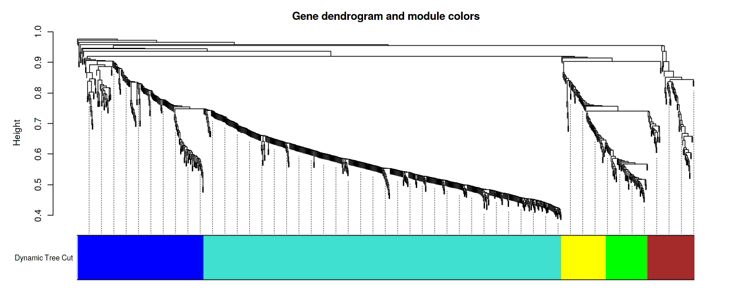
Up regulated | 1.30E-54 | 191 | Ribonucleoprotein complex biogenesis
 | 2.90E-51 | 237 | Translation
 | 8.50E-51 | 242 | Peptide biosynthetic process
 | 2.20E-49 | 73 | Mitochondrial translational elongation
 | 1.20E-47 | 264 | Amide biosynthetic process
 | 4.00E-47 | 459 | Protein-containing complex subunit organization
 | 5.40E-47 | 148 | Ribosome biogenesis
 | 5.80E-46 | 71 | Mitochondrial translational termination
 | 1.50E-45 | 88 | Mitochondrial translation
 | 4.30E-45 | 77 | Translational termination
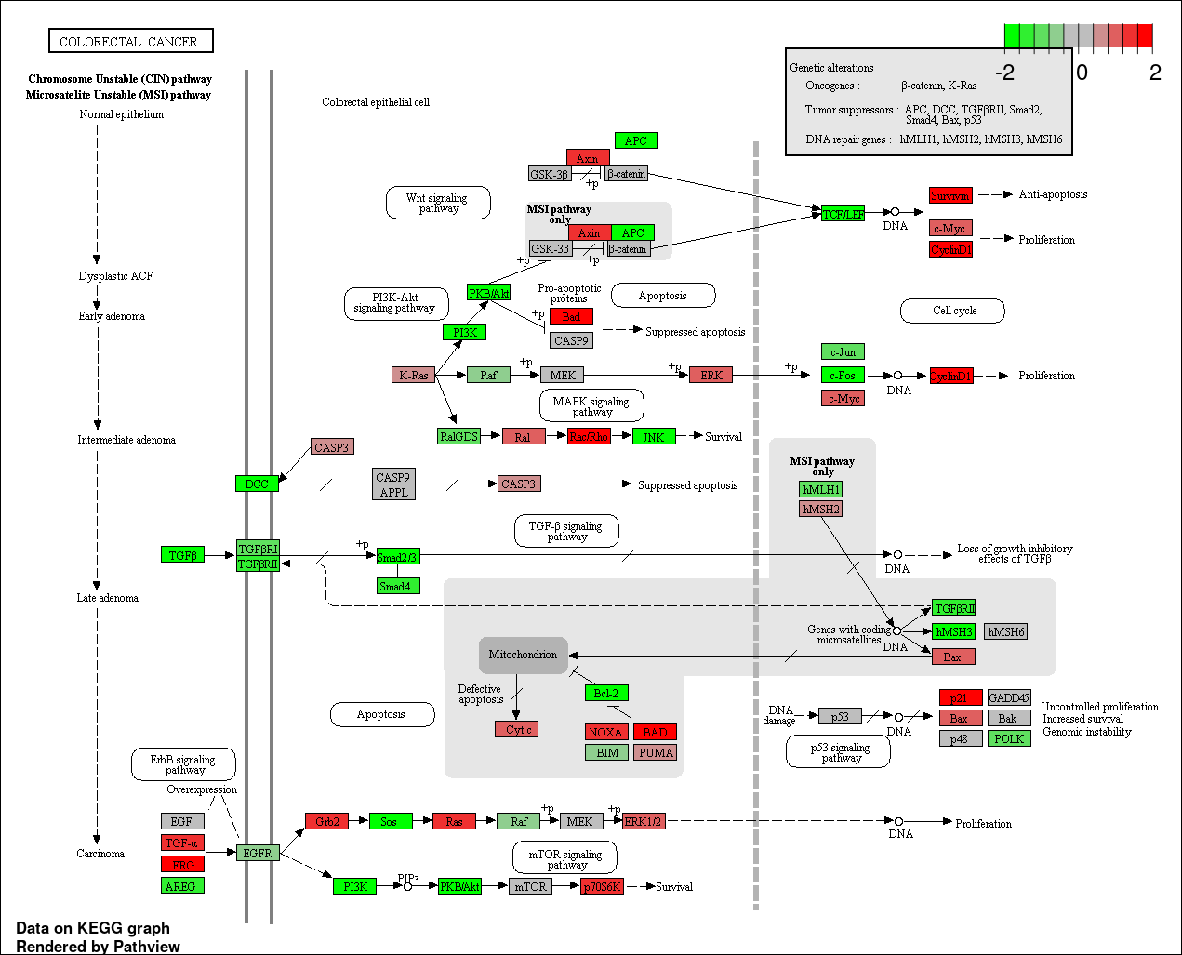
 | 4.40E-45 | 91 | Translational elongation
 | 4.40E-45 | 262 | Peptide metabolic process
 | 2.90E-43 | 311 | Cellular amide metabolic process
 | 2.60E-39 | 92 | Mitochondrial gene expression
 | 7.30E-39 | 120 | RRNA processing

