Table S2
Supplementary Table 2: Marker genes identified for principle component analysis that were used to identify cell identities (resolution = 0.7)

MNP1 | MNP2 | MNP3 | MNP4 | Class switch B cells | Ccl19+ fibroblasts 1 | CD4+ 1 | CD4+ 2 | MNP5 | Ccl19+ fibroblasts 2 | cDC1 | Neutro | CD8+ T cells | Endo | mural cells | Granulocytes | replicative B cells | Erythroblast | neuron
0 | 1 | 2 | 3 | 4 | 5 | 6 | 7 | 8 | 9 | 10 | 11 | 12 | 13 | 14 | 15 | 16 | 17 | 18
Ccl8 | Nos2 | Mrc1 | Chil3 | Igkc | Igfbp5 | Ms4a4b | Il7r | mt-Co1 | Thbs1 | Cbfa2t3 | S100a9 | Top2a | Ly6c1 | Mpz | Prtn3 | Mzb1 | Hba-a1 | Chgb
C1qa | Prdx1 | Selenop | Plac8 | Ighm | Apod | Nkg7 | Trbc2 | mt-Co2 | Gpx3 | Xcr1 | S100a8 | Hist1h1b | Flt1 | Rgs5 | Elane | Hist1h1b | Hbb-bt | Pde6g
C1qc | Clec4e | Vcam1 | Ccr2 | Jchain | Slc38a2 | Trbc2 | Cd3d | mt-Atp6 | Dcn | Clec9a | Ngp | Pclaf | Ptprb | Plp1 | Ctsg | Pclaf | Hba-a2 | Spink4
C1qb | Fth1 | Apoe | Ly6i | Iglc1 | Mgp | Cd3g | Ms4a4b | mt-Co3 | Mgp | H2-Oa | Camp | Stmn1 | Timp3 | Timp3 | Mpo | Pou2af1 | Car2 | Tph1
Aif1 | Fabp5 | Hmox1 | Ms4a4c | Slpi | Col1a2 | Cd3d | Cd3g | mt-Nd4 | Ctgf | Sep-03 | Retnlg | Ube2c | Plvap | Vtn | Ms4a3 | Fkbp11 | Hemgn | Gnb3
Apoe | Saa3 | Stab1 | Ly6c2 | Iglc2 | 1500015O10Rik | Gimap4 | Rpl12 | mt-Nd1 | Ogn | Flt3 | Lcn2 | Birc5 | Ctla2a | Cyp26b1 | Hist1h1b | Ube2c | Slc4a1 | Sag
H2-Eb1 | Acsl1 | Psap | Gpr141 | Mzb1 | Dcn | Ifng | Rps15a | mt-Cytb | Fmo1 | Gcsam | Ltf | Cenpf | Egfl7 | Myh11 | Stmn1 | Rrm2 | Gypa | Cplx3
Fcgr4 | Ccl5 | Lgmn | Il1b | Iglc3 | Plpp3 | Cd3e | Rps27 | mt-Nd2 | Col1a2 | A530099J19Rik | Wfdc21 | Nusap1 | Tm4sf1 | Kcna1 | Pclaf | Hist1h3c | Apol11b | Tulp1
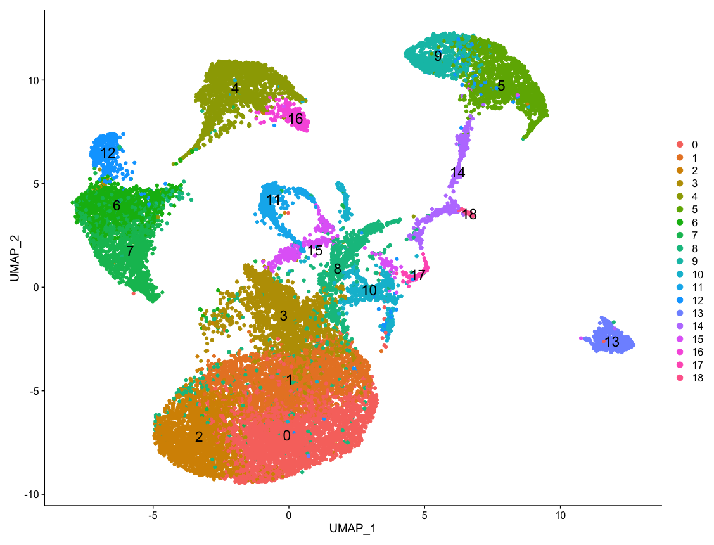
Adgre1 | Sod2 | Ctsd | S100a6 | Iglv1 | Lum | Trac | Rps13 | mt-Nd3 | Serping1 | Ppp1r14a | Ifitm6 | Ccna2 | Cd200 | Mustn1 | Hist1h2ae | Phgdh | Rhd | Neurod1
H2-Aa | Cstb | Ctsb | S100a4 | Txndc5 | Cdh11 | S100a4 | Rpl21 | Gm42418 | Fmod | Kit | Mmp8 | Kif11 | Vwf | Notch3 | Hist1h2ap | Birc5 | Ctse | Neurod4
Ms4a7 | Clec4d | Grn | Alox5ap | Sec11c | Igfbp4 | Gimap3 | Rpl17 | mt-Nd5 | Col12a1 | Bcl11a | Pglyrp1 | Prc1 | Emcn | Art3 | Birc5 | Derl3 | Mgst3 | Sphkap
H2-Ab1 | Sdc4 | C1qa | Prdx5 | Xbp1 | Serping1 | Trbc1 | Rps24 | Malat1 | Col1a1 | H2-Ob | Anxa1 | Hist1h2ap | Igfbp3 | Abcc9 | Ramp1 | Cenpw | Car1 | Gm4792
Cd74 | Slc7a11 | C1qc | Ms4a6c | Herpud1 | Col1a1 | Icos | Rpl34 | Psap | Bgn | Itgae (CD103) | Gm5483 | Cdca8 | Pecam1 | Gm13889 | Cdca8 | Cdk1 | Alas2 | AI847159
Ctsc | Acod1 | Mafb | Lyz2 | Ssr4 | Cxcl12 | Arap2 | Rpl30 | mt-Nd4l | 1500015O10Rik | Kmo | Mmp9 | Hist1h2ae | Epas1 | Lmod1 | Spc24 | Spc24 | Tspan33 | Snap25
Lst1 | Tnfaip2 | Gns | Hp | Trp53inp1 | Bgn | Ets1 | Rps16 | Xist | Chil1 | Tlr11 | Cd177 | Hist1h3c | Cavin2 | Des | Myb | Cdc20 | Snca | Crabp1
Marcks | Procr | Frmd4b | Fos | Creld2 | Mfap4 | Ltb | Rps10 | Dbi | Lox | Wdfy4 | Stfa2l1 | Aspm | Kdr | Gja4 | Svip | Cdca3 | Cldn13 | Mgarp
Ly86 | Lgals3 | Mertk | Vcan | Cd79b | Sparc | Ptprcap | Rpl38 | Zeb2 | Sparc | Tnni2 | Ly6g | Mki67 | Clec14a | Acta2 | Cdca7 | Lockd | Rhag | Mpp4
Ctsb | Ptgs2 | Pla2g7 | Ifitm3 | Gm30211 | Cpxm1 | Cxcr6 | Rps21 | Lars2 | Ptprd | Bcl2l14 | Hdc | Trbc2 | Podxl | Adra2a | Dmkn | Ccna2 | Aqp1 | Ddc
Cfp | Esd | Ms4a7 | Ifi27l2a | Edem1 | Gas1 | Bhlhe40 | Rpl27a | Kif5b | Lum | H2-DMb2 | F630028O10Rik | Cenpa | Cdh5 | Tagln | Prss57 | Ccnb1 | Nxpe2 | Tc2n
Ctss | Cybb | Slc43a2 | Mcemp1 | Manf | Rarres2 | Gm8369 | Fau | mt-Atp8 | Adamts5 | AC163354.1 | Serpinb1a | Cd3d | Adgrf5 | Nrxn1 | Top2a | Hmmr | Klf1 | Rbp3
Mafb | Prdx5 | Serinc3 | Napsa | Prdx4 | Ogn | Cd2 | Tpt1 | Prpf4b | Aebp1 | Btla | Cxcr2 | Ms4a4b | Adgrl4 | Nr2f2 | Cdca3 | Cenpm | Kel | Map2
Sdc3 | Gpnmb | Lamp1 | Tyrobp | Pou2af1 | Fstl1 | Tnfrsf4 | Rpsa | Neat1 | Col3a1 | Rps11 | Adpgk | Esco2 | Eng | Cryab | Rrm2 | Myl4 | Spta1 | Mir124a-1hg
Fcer1g | F10 | C1qb | Cd52 | Sec61b | Rbp1 | Gimap6 | Gimap3 | Ewsr1 | Chad | Rnase6 | G0s2 | Trac | Nfib | Csmd1 | BC035044 | Tnfrsf13c | Abcb10 | Bex2
Fcgr2b | Cd14 | Ctss | Fcer1g | Slc3a2 | Fbln1 | Il2rb | Rpl13 | Itgal | Serpinf1 | Net1 | Cd24a | Kif15 | Sox18 | Pla1a | Hist1h3c | Tg | Tspo2 | Rgs9
Unc93b1 | Ftl1 | Itm2b | Rps9 | Fkbp11 | Col3a1 | Lck | Rpl18a | Tcf4 | Id3 | Zbtb46 | Asprv1 | Lmnb1 | Lrg1 | Sod3 | Aurkb | Sapcd2 | Tal1 | Rom1
Gbp2b | Rnf149 | mt-Co1 | Ifitm6 | Pdia4 | Mdk | Gimap5 | Trac | Sirpa | Apod | Lsp1 | Syne1 | Cenpe | Abcg2 | Myl9 | Mcm7 | Gm8879 | Ermap | Gm10419
Csf1r | Ly6i | Tns1 | Fau | Derl3 | H19 | Gimap7 | Rpl39 | Ppp3ca | Mmp2 | Ly6d | Lrg1 | Ccnb2 | Ramp2 | Igfbp7 | Hist1h1a | Hist1h2ae | Trim10 | Abca4
Sirpa | Fpr2 | Csf1r | S100a11 | Fam46c | Col14a1 | Ctla4 | Gimap4 | Apobec3 | C1s1 | Pkib | Trem3 | Spc24 | Sparcl1 | Col18a1 | Ccnb2 | Hist1h2ap | Sptb | Lhx4
Cxcl9 | Cd274 | Mpeg1 | Gpx1 | Fkbp2 | Col6a1 | Cd4 | Rps18 | Trpc4ap | Cyr61 | Serpinb6b | Slfn4 | Rrm2 | Crip2 | Gucy1b1 | Cenph | B930036N10Rik | Sox6 | Syp
Lgmn | Blvrb | mt-Co2 | Tgfbi | Cd79a | Nedd4 | Gimap1 | Ltb | Grn | Crispld2 | Bri3bp | Fcnb | Clspn | Hspb1 | Snca | Kif15 | Bhlha15 | Ank1 | A930003A15Rik
Grn | Il1rn | Cd68 | Tmsb10 | Serp1 | Col12a1 | Thy1 | Rps14 | Susd6 | Abi3bp | Arhgap22 | Itgb2l | Smc2 | Prss23 | Ccl19 | Tyms | Rad51 | Epb42 | Plekhb1
H2-DMa | Slamf7 | Trf | Rnase6 | Spcs2 | Foxd1 | Cd28 | Rpl9 | Dazap2 | Pam | Tbc1d4 | Cebpe | Dut | Cav1 | Gpm6b | Ccna2 | Top2a | Pdzk1ip1 | Cdhr1
Fcgr3 | Fcer1g | Laptm5 | Cyba | Fam214a | Id3 | Il18r1 | Rps7 | Itm2c | Gas6 | Irf8 | Mrgpra2b | Tpx2 | S1pr1 | Tpm2 | Cks2 | Eaf2 | Icam4 | Otx2
Psap | Nampt | C3ar1 | Rps27a | H13 | Ptn | Bcl11b | Rps23 | Eif4a2 | Olfml3 | Olfm1 | Ltb4r1 | Gimap7 | Itga1 | Fxyd1 | Cenpw | Ccnb2 | Gata1 | Chrnb4
Lyz2 | Wfdc17 | Clec4a1 | Gapdh | Mrpl57 | Gpx3 | Lat | Nkg7 | Abcg1 | Cdh11 | Cst3 | Trem1 | Nkg7 | Gpihbp1 | Serpine2 | Lmnb1 | Rfc4 | Dmtn | Crx
Lamp1 | Creg1 | F13a1 | Sh3bgrl3 | Sdf2l1 | Cald1 | Tnfrsf18 | Gm8369 | Dock2 | Chrdl1 | Rpsa | Ceacam1 | Cd3g | Slc9a3r2 | Mal | Cenpm | Creld2 | Fn3k | Nrcam
Itm2b | Ctss | Sirpa | Msrb1 | Krtcap2 | Timp1 | Skap1 | Rpl32 | Irf8 | Tsc22d3 | Rps19 | Rflnb | Hmgb2 | Cd34 | Gucy1a1 | Knl1 | Timd2 | Add2 | Calml4
Mpeg1 | Ccrl2 | Ninj1 | Sem1 | Selenos | Serpinf1 | Sh2d1a | Ptprcap | Rnpep | Prelp | Ccnd1 | Il1f9 | Lockd | Esam | Angpt2 | Dut | Gm30211 | Abcb4 | Scg2
Fth1 | Alas1 | Fcgr2b | Naaa | Eaf2 | Tsc22d1 | Zap70 | Rpl18 | Srsf2 | Ccdc80 | Qpct | Rdh12 | Cd3e | Cyyr1 | Nr2f1 | Ube2c | Iglc3 | Tspan8 | Prcd
Tyrobp | Cxcl16 | Ctsl | Ctsc | Txndc11 | Ank2 | Cd247 | Rps11 | Map7d1 | Scara5 | Napsa | Bmx | Knl1 | Mmrn2 | Il34 | Cdk1 | Cks1b | Slc38a5 | Gm2694
Clec4a1 | Ms4a6d | Ccl8 | Sirpb1c | Vpreb3 | Atp1b1 | Sh2d2a | Rpl37a | Birc6 | Igfbp4 | Rps26 | Mapk13 | Asf1b | Ltbp4 | Sparc | Mcm5 | Cacna1s | Apol8 | Wscd1
Ftl1 | Fam102b | Ifi207 | Actb | Chchd10 | Shisa3 | Cd6 | Rpl19 | Kdm2a | Igfbp7 | Tspan33 | Abca13 | Hmmr | Cldn5 | Cpe | H2afx | Srm | Asb17os | Chga
Tmem176b | Ctsz | Trem2 | Gm9733 | Sel1l | Itm2a | Cd5 | Rpl23 | Csf2rb | Fibin | Fcrla | 1700047M11Rik | Lat | Calcrl | Synpo2 | Fcnb | Iglv1 | Gfi1b | Rorb
Clec12a | Cd68 | Abca1 | Klra2 | Oosp1 | Slc4a10 | Dusp2 | Rpl11 | Rap2b | Fmo2 | Rps20 | Alox5 | Cdk1 | Myct1 | Sema5a | Nusap1 | Cd79b | Btnl10 | Slc1a2
Ms4a6c | Pla2g7 | Cfp | Atox1 | Edem2 | Cyp1b1 | Hcst | Rpl36 | Tab2 | Mxra8 | Rps5 | B230208H11Rik | Fbxo5 | Aqp1 | Atp1a2 | Sgo1 | Cd24a | Fhdc1 | Aipl1
Fam26f | Cd38 | Sdc3 | Magohb | Irf4 | Prrx1 | Gzmb | Cd3e | Nfkbia | Cfh | Phf11a | Ceacam10 | Tyms | Tek | Matn2 | Rad51ap1 | Prc1 | Apol10a | Cntn1
Ninj1 | Ninj1 | Pf4 | H3f3a | Dennd5b | Ccdc80 | Ctla2a | Rpl37 | Ehd1 | Cst3 | Batf3 | Padi4 | Ptprcap | Rapgef5 | Plekhb1 | Hist1h2bj | Sgo1 | Apol11a | Ttyh1
Saa3 | Slamf8 | Zeb2 | Rpl10 | Tnfrsf13b | Aebp1 | Rinl | Gimap5 | Mfsd1 | Itm2a | Tbc1d8 | Slco4c1 | Racgap1 | Ecscr | Hspb1 | Tpx2 | Mki67 | 5430401H09Rik | F2rl1
Cybb | AW112010 | Ccl6 | Coro1a | Pafah1b3 | Pmepa1 | Hopx | Ets1 | Mycbp2 | Cpxm1 | Rps12 | 4930438A08Rik | Ets1 | Tie1 | Rarres2 | Hist2h2ac | Slc23a1 | Mfsd2b | Trnp1
Cd38 | Lyz2 | Fkbp5 | Fam49b | Phgdh | Igfbp7 | S100a10 | Rpl24 | Celf2 | Cald1 | Rpl18a | Orm1 | Gimap4 | Tinagl1 | Dmd | E2f8 | Hist1h3e | Hbq1b | Cngb3
Ctsd | Txn1 | Ctsa | Fn1 | Spcs3 | C1s1 | Txk | Rps3a1 | Ankrd11 | Nbl1 | Rpl39 | Chil3 | Cdca3 | Slco2a1 | Hspb2 | Hist1h2ab | Nusap1 | Bex4 | Cplx4
Ccl5 | Cyba | Ftl1 | Rpl19 | Cmah | Slc23a2 | Pkp3 | Rpl8 | Pkn1 | Flrt2 | Rpl19 | Rgs18 | Cks1b | Slco1a4 | Postn | Clspn | Hist1h2bj | Pkhd1l1 | Pde6b
Mrc1 | Nrp2 | Marco | Zfp36 | Iglv3 | Col6a2 | Ctsw | Rplp2 | Atp1a1 | H19 | Dpp4 | Mcemp1 | Depdc1a | Ldb2 | Cald1 | Hist1h3d | Trp73 | Dnajb3 | Ntm
Clec4a3 | C1qb | Gpnmb | Lst1 | Tspan13 | Map1b | Ptprc | Rps8 | Ptpre | Timp1 | Rpl13 | Hp | Il2rb | Fzd4 | Pde3a | Hist1h3e | Stmn1 | Slc25a21 | Nap1l5
Fcgr1 | Aoah | Glul | Hspa8 | Mef2c | Efemp1 | Lag3 | Rps4x | Luc7l3 | Peg3 | Rpl35a | Pram1 | Smc4 | Cd300lg | Scn7a | Kif23 | Spc25 | Ache | Atp6v0e2
Wfdc17 | Cebpb | Wnk1 | Btg1 | Cacna1s | Gdf10 | Itk | Rps3 | Cd274 | Timp2 | Rpl32 | Slpi | Ncapg | Pcp4l1 | Id3 | F630028O10Rik | Cdc45 | Ces2g | Slc12a5
Ctsz | Slc11a1 | Ptprj | Arhgdib | Cd24a | Itih5 | Il18rap | Hcst | Ranbp2 | Fstl1 | Rps29 | Mxd1 | Lig1 | Sorbs2 | Apol11b | Hmgn2 | St8sia6 | Rec114 | Syt1
Ccl12 | Npc2 | Plin2 | Fpr2 | Slc7a5 | Pcolce | Gimap8 | Rps19 | Ier5 | Cpxm2 | Rpl17 | Slc2a3 | Lck | Jam2 | Epas1 | Cdc45 | Psmc3ip | Hmbs | Pcbd1
Il18bp | Hmox1 | H2-D1 | Ccr1 | Blnk | Ramp2 | Inpp4b | Rps5 | 1700020I14Rik | Pmepa1 | Ciita | Chil1 | Hist1h1d | Ptpn14 | Gypa | Kif11 | Knl1 | Tfdp2 | 1700042O10Rik
Actb | Tnfrsf1b | Ucp2 | Slfn1 | Plpp5 | Ebf1 | Slamf1 | Trbc1 | Bbx | Aspn | Rasgrp3 | Pygl | Themis | Ehd2 | Lhfp | Prc1 | St6gal1 | Epor | Unc80
Pla2g7 | Cxcl2 | Wwp1 | Lsp1 | Rgcc | Foxc1 | Ikzf2 | Rplp1 | Grina | Col8a1 | Cd24a | Rab44 | Plk1 | Enpp6 | Fst | Lig1 | Cdkn3 | Slc6a9 | Pde6c
Pltp | Pgam1 | Marcks | Gm34084 | Ckap4 | Il33 | Spn | Rps27a | Son | Fbln1 | Rpl21 | Klf5 | Sh2d2a | Sema6a | 1500009L16Rik | Smc2 | Ak7 | Cpox | Ckmt1
Cd72 | Pkm | Unc93b1 | Smpdl3b | Isg20 | Oat | Gpr174 | Cd2 | Qk | Tpm1 | Tmsb4x | Nfe2 | Hmgb3 | Dock9 | Dlc1 | Rgs18 | Hist1h4i | Birc5 | Pcbp3
Cd300c2 | Atp6v1e1 | Tlr7 | F10 | Tram2 | Serpinh1 | Tbc1d10c | Rpl22 | Marco | Nedd4 | Rpl26 | Adgrg3 | Cd2 | Bcam | Mylk | Tuba4a | Shmt2 | Hbb-bs | Snrpn
...

