Supplement Table 5
 | Supplement Table 5. Panoramic radiographs of participants and summary charts of missing teeth

X-agenesis | E-extraction

 |  | F1 II-2 |  |  |  | F1 III-2
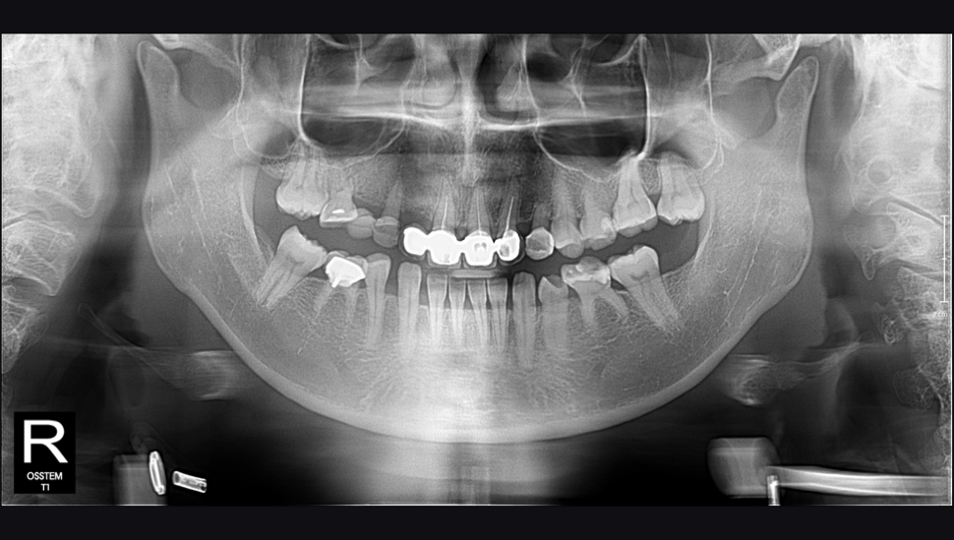
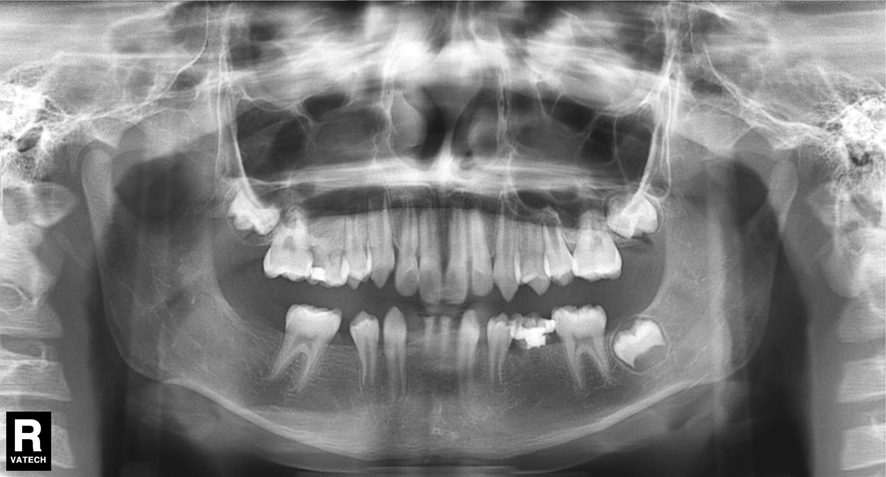

 | Right quadrant |  | Left quadrant |  |  | Right quadrant |  | Left quadrant
Max | 7 6 5 4 3 2 1 |  | 1 2 3 4 5 6 7 |  | Max | 7 6 5 4 3 2 1 |  | 1 2 3 4 5 6 7
 | X E | X X | X | X |  | X
Mand | 7 6 5 4 3 2 1 |  | 1 2 3 4 5 6 7 |  | Mand | 7 6 5 4 3 2 1 |  | 1 2 3 4 5 6 7
 | X X |  | X X |  |  | X X | X X | X X | X

 |  | F2 I-2 |  |  |  | F2 II-1 |  |  |  |  |  | F2 III-2
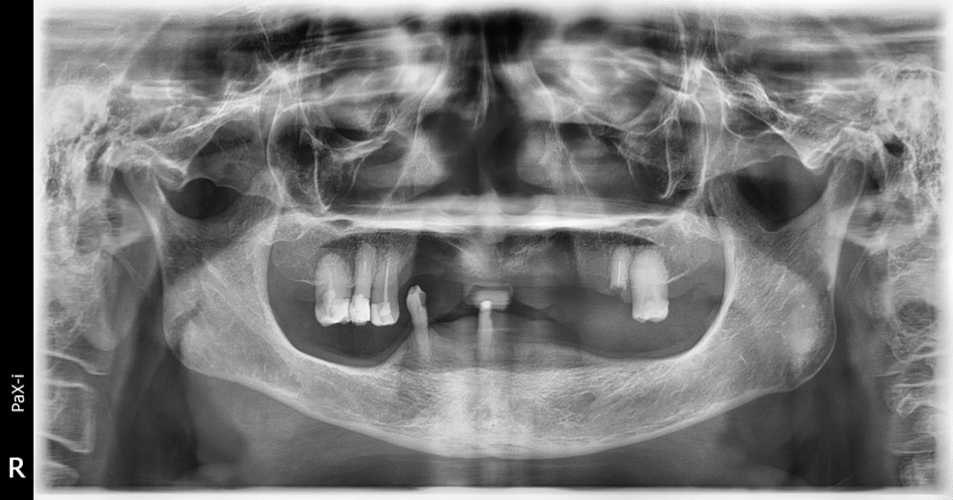
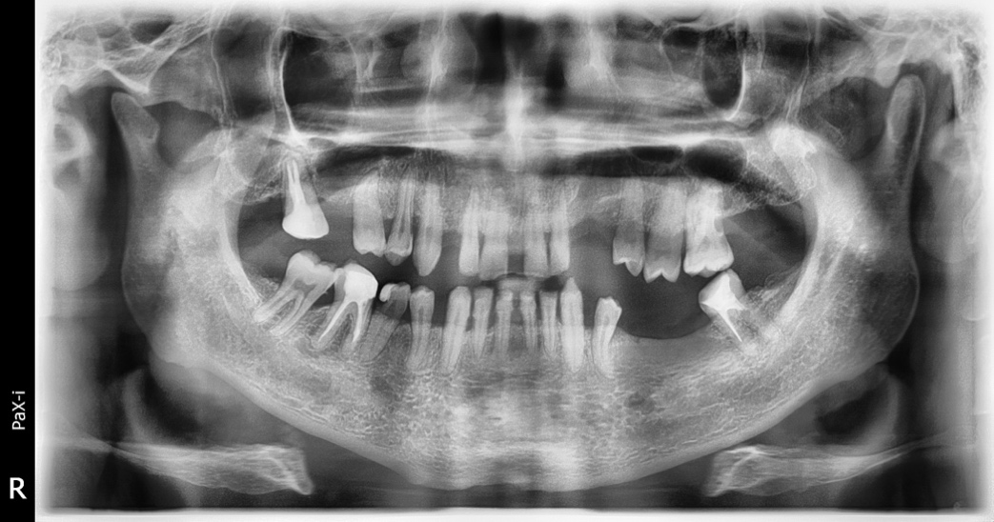
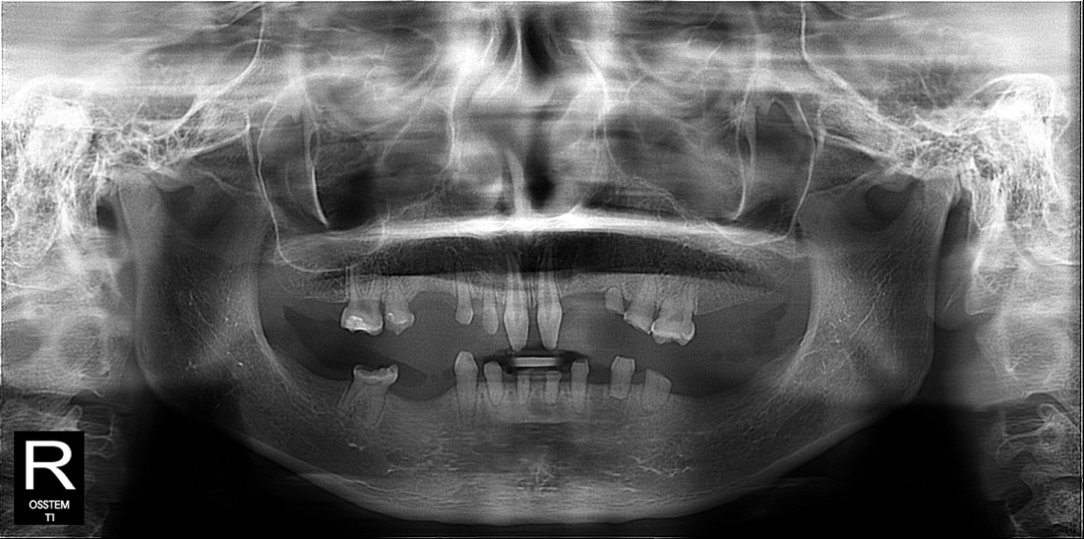

 | Right quadrant |  | Left quadrant |  |  | Right quadrant |  | Left quadrant |  |  | Right quadrant |  | Left quadrant
Max | 7 6 5 4 3 2 1 |  | 1 2 3 4 5 6 7 |  | Max | 7 6 5 4 3 2 1 |  | 1 2 3 4 5 6 7 |  | Max | 7 6 5 4 3 2 1 |  | 1 2 3 4 5 6 7
 | X | E X E | E X E E | E |  | X E |  | E | X |  | X X X | X X X | X X | X X X X
Mand | 7 6 5 4 3 2 1 |  | 1 2 3 4 5 6 7 |  | Mand | 7 6 5 4 3 2 1 |  | 1 2 3 4 5 6 7 |  | Mand | 7 6 5 4 3 2 1 |  | 1 2 3 4 5 6 7
 | E E E | X E | E E E E | X E E |  | E |  |  | X E |  | X X X | X X X X | X X X | X X X X

 |  | F3 I-1 |  |  |  | F3 II-1 |  |  |  |  |  | F3 II-2

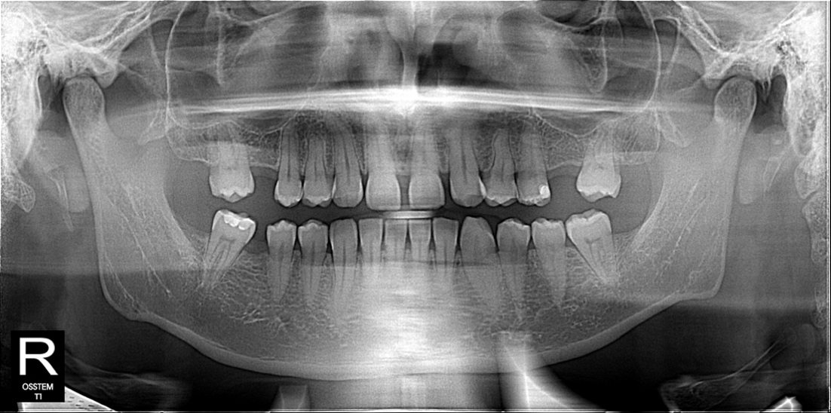
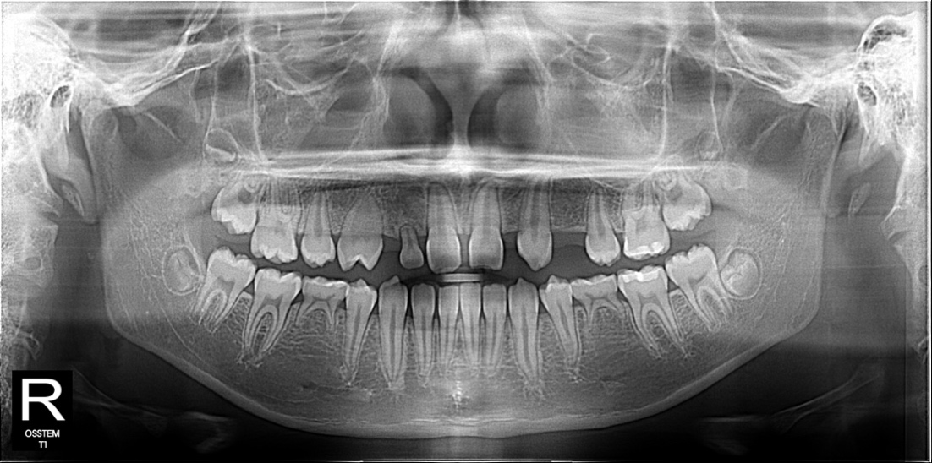
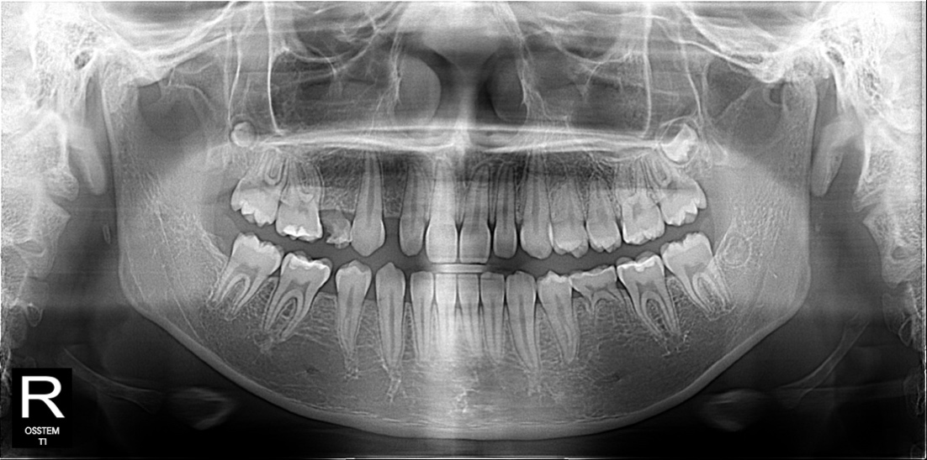

 | Right quadrant |  | Left quadrant |  |  | Right quadrant |  | Left quadrant |  |  | Right quadrant |  | Left quadrant
Max | 7 6 5 4 3 2 1 |  | 1 2 3 4 5 6 7 |  | Max | 7 6 5 4 3 2 1 |  | 1 2 3 4 5 6 7 |  | Max | 7 6 5 4 3 2 1 |  | 1 2 3 4 5 6 7
 | E | X | X | E |  |  | X X | X | X |  | X | X
Mand | 7 6 5 4 3 2 1 |  | 1 2 3 4 5 6 7 |  | Mand | 7 6 5 4 3 2 1 |  | 1 2 3 4 5 6 7 |  | Mand | 7 6 5 4 3 2 1 |  | 1 2 3 4 5 6 7
 | E |  |  | E |  | X |  |  | X |  | X |  |  | X

 |  | F4 II-1 |  |  |  | F5 II-7 |  |  |  |  |  | F6 II-1
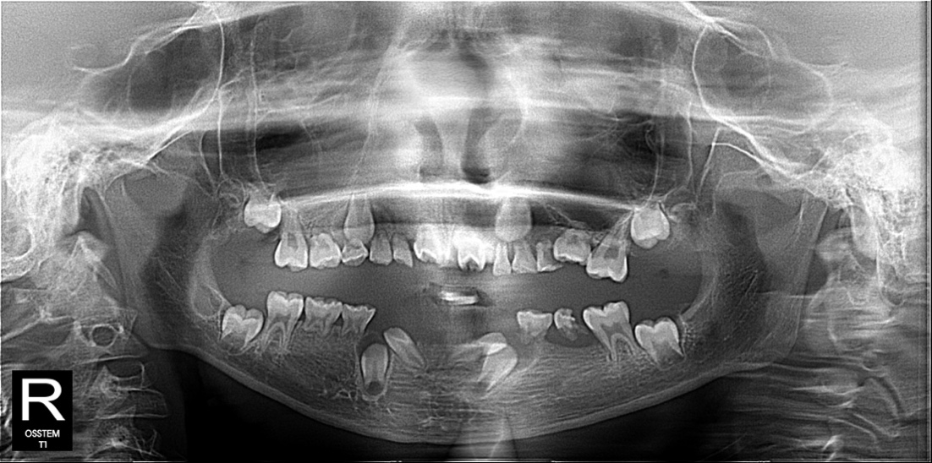
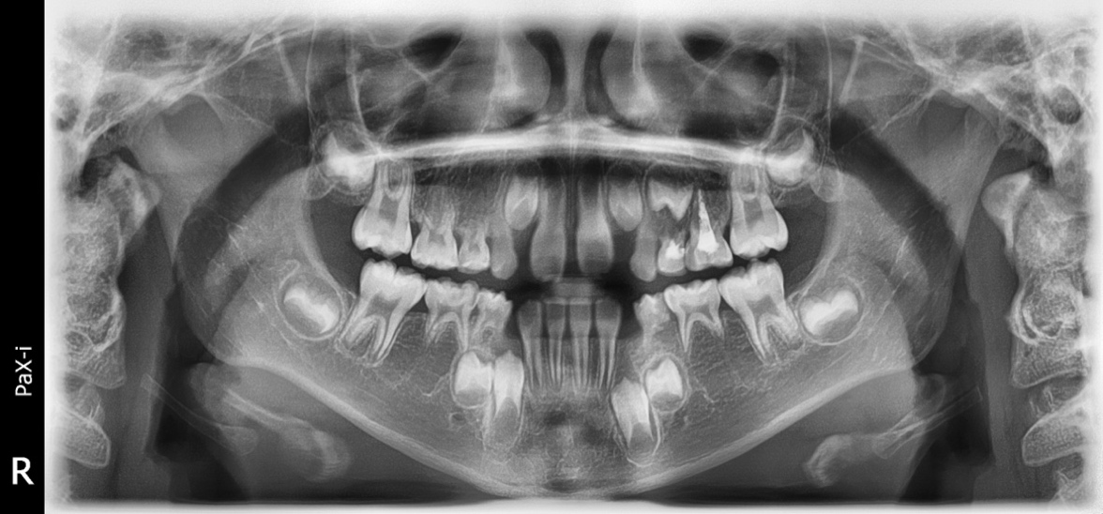
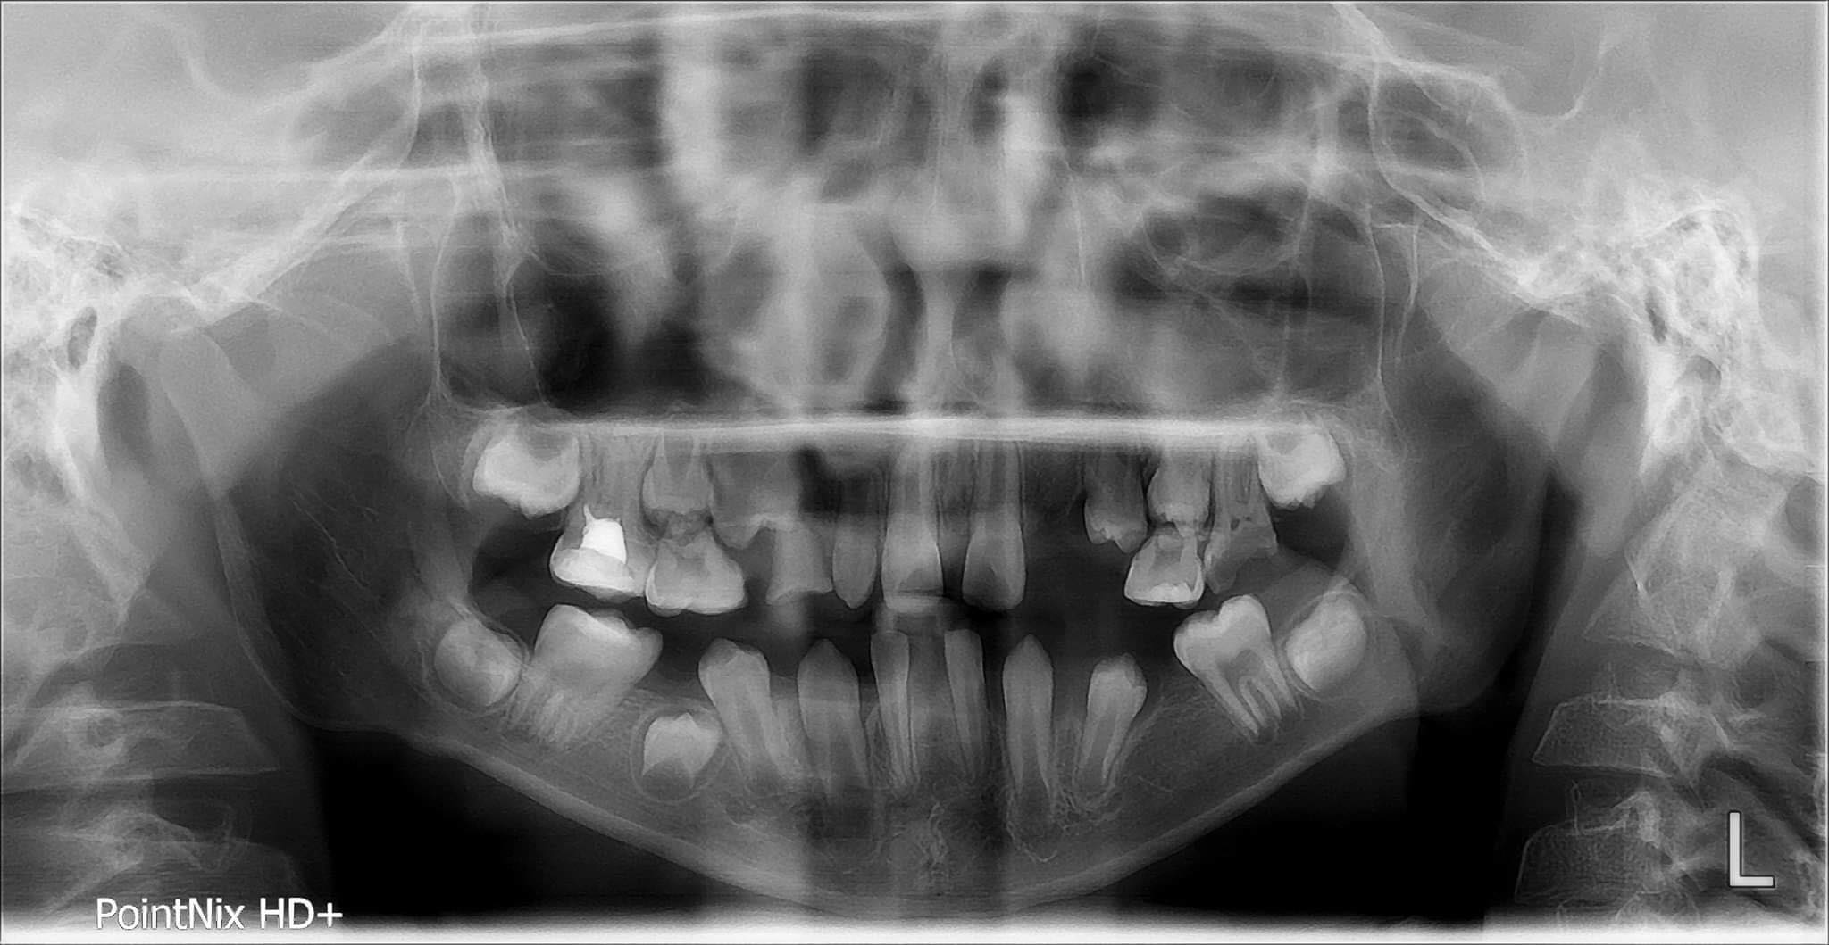

 | Right quadrant |  | Left quadrant |  |  | Right quadrant |  | Left quadrant |  |  | Right quadrant |  | Left quadrant
Max | 7 6 5 4 3 2 1 |  | 1 2 3 4 5 6 7 |  | Max | 7 6 5 4 3 2 1 |  | 1 2 3 4 5 6 7 |  | Max | 7 6 5 4 3 2 1 |  | 1 2 3 4 5 6 7
 | X | X X | X | X |  |  | X | X X |  |  | X | X X | X | XX
Mand | 7 6 5 4 3 2 1 |  | 1 2 3 4 5 6 7 |  | Mand | 7 6 5 4 3 2 1 |  | 1 2 3 4 5 6 7 |  | Mand | 7 6 5 4 3 2 1 |  | 1 2 3 4 5 6 7
 | X |  |  | X |  |  | X | X | X |  | X | X X | X | X X

 |  | F7 II-1 |  |  |  | F8 II-3 |  |  |  |  |  | F9 II-1
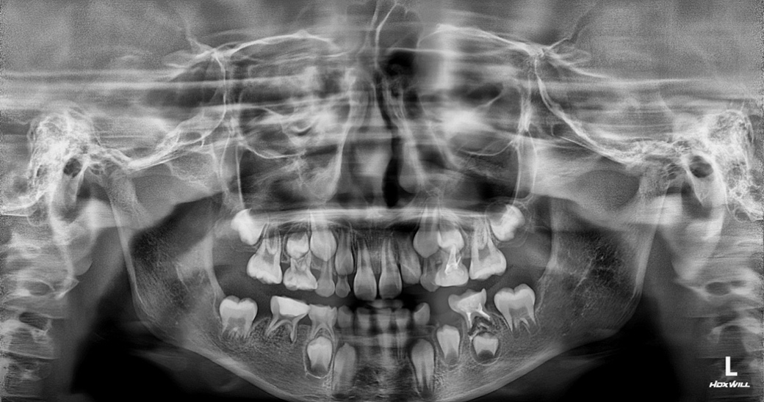
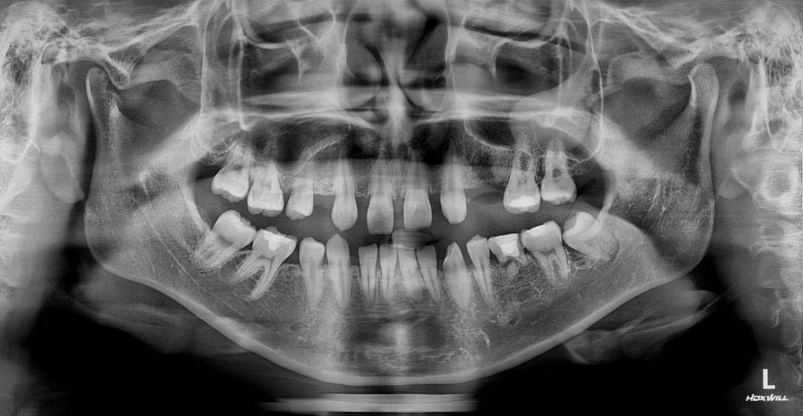
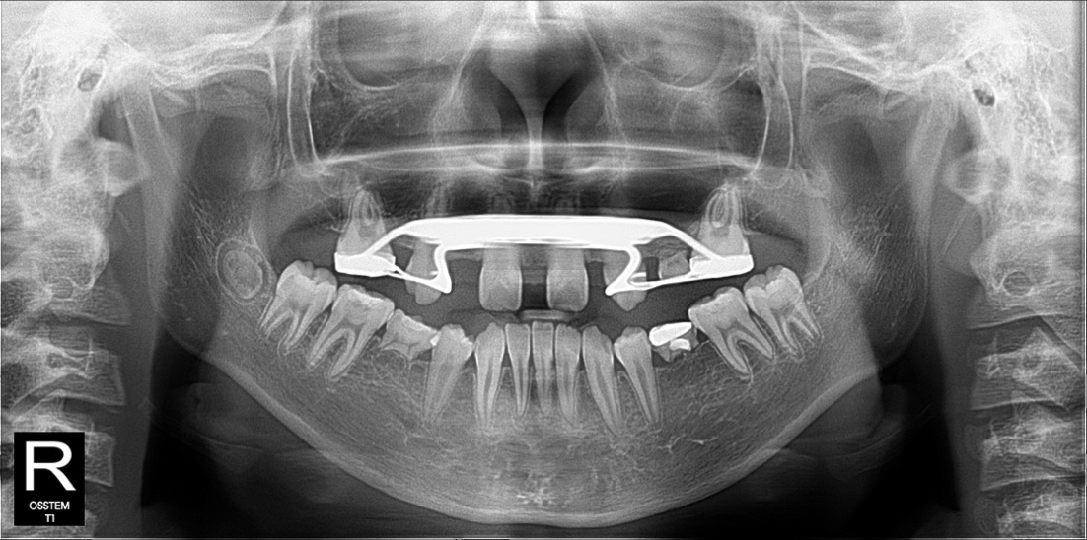

 | Right quadrant |  | Left quadrant |  |  | Right quadrant |  | Left quadrant |  |  | Right quadrant |  | Left quadrant
Max | 7 6 5 4 3 2 1 |  | 1 2 3 4 5 6 7 |  | Max | 7 6 5 4 3 2 1 |  | 1 2 3 4 5 6 7 |  | Max | 7 6 5 4 3 2 1 |  | 1 2 3 4 5 6 7
 |  | X X | X | XX |  | X |  |  | X |  | X X | X X | X | X X X
Mand | 7 6 5 4 3 2 1 |  | 1 2 3 4 5 6 7 |  | Mand | 7 6 5 4 3 2 1 |  | 1 2 3 4 5 6 7 |  | Mand | 7 6 5 4 3 2 1 |  | 1 2 3 4 5 6 7
 | X |  |  | X |  | X X | X |  | X |  | X | X |  | X

