GHG fluxes
References | Treatment | Drainage Purpose | Climatic conditions | Organic C input (kg CO2-eq. ha-1 yr-1) | Control | SD | n | Harvested NPP (kg CO2-eq. ha-1 yr-1) | Control | SD | n | DOC export (kg CO2-eq. ha-1 yr-1) | Control | SD | n | DIC export (kg CO2-eq. ha-1 yr-1) | Control | SD | n | Ditches CO2 emission (kg CO2-eq. ha-1 yr-1) | Control | SD | n | Ditches CH4 emission (kg CO2-eq. ha-1 yr-1) | Control | SD | n | Ditches N2O emission (kg CO2-eq. ha-1 yr-1) | Control | SD | n | Livetock fermentation (kg CO2-eq. ha-1 yr-1) | Control | SD | n | Ditches area percent (%) | CO2 part (kg CO2-eq. ha-1 yr-1) | CH4 part (kg CO2-eq. ha-1 yr-1) | N2O part (kg CO2-eq. ha-1 yr-1) | References | 137 | 95
Billett et al. 2004 | Drained |  | Temperate |  |  |  |  |  |  |  |  | 83 | 304 |  |  |  |  |  |  |  |  |  |  |  |  |  |  |  |  |  |  |  |  |  |  |  |  |  |  | Billett et al. 2004. Linking land-atmosphere-stream carbon fluxes in a lowland peatland system
Billett et al. 2004 | Drained |  | Temperate |  |  |  |  |  |  |  |  | 84 | 308 |  |  |  |  |  |  |  |  |  |  |  |  |  |  |  |  |  |  |  |  |  |  |  |  |  |  | Billett et al. 2004. Linking land-atmosphere-stream carbon fluxes in a lowland peatland system
Billett et al. 2004 | Drained |  | Temperate |  |  |  |  |  |  |  |  | 100 | 367 |  |  |  |  |  |  |  |  |  |  |  |  |  |  |  |  |  |  |  |  |  |  |  |  |  |  | Billett et al. 2004. Linking land-atmosphere-stream carbon fluxes in a lowland peatland system
Billett et al. 2004 | Drained |  | Temperate |  |  |  |  |  |  |  |  | 121 | 444 |  |  |  |  |  |  |  |  |  |  |  |  |  |  |  |  |  |  |  |  |  |  |  |  |  |  | Billett et al. 2004. Linking land-atmosphere-stream carbon fluxes in a lowland peatland system
Billett et al. 2004 | Drained |  | Temperate |  |  |  |  |  |  |  |  | 150 | 550 |  |  |  |  |  |  |  |  |  |  |  |  |  |  |  |  |  |  |  |  |  |  |  |  |  |  | Billett et al. 2004. Linking land-atmosphere-stream carbon fluxes in a lowland peatland system
Billett et al. 2004 | Drained |  | Temperate |  |  |  |  |  |  |  |  | 430 | 1577 |  |  |  |  |  |  |  |  |  |  |  |  |  |  |  |  |  |  |  |  |  |  |  |  |  |  | Billett et al. 2004. Linking land-atmosphere-stream carbon fluxes in a lowland peatland system
Billett et al. 2004 | Drained |  | Temperate |  |  |  |  |  |  |  |  | 294 | 1078 |  |  |  |  |  |  |  |  |  |  |  |  |  |  |  |  |  |  |  |  |  |  |  |  |  |  | Billett et al. 2004. Linking land-atmosphere-stream carbon fluxes in a lowland peatland system
Billett et al. 2004 | Drained |  | Temperate |  |  |  |  |  |  |  |  | 300 | 1100 |  |  |  |  |  |  |  |  |  |  |  |  |  |  |  |  |  |  |  |  |  |  |  |  |  |  | Billett et al. 2004. Linking land-atmosphere-stream carbon fluxes in a lowland peatland system
Billett et al. 2004 | Drained |  | Temperate |  |  |  |  |  |  |  |  | 304 | 1115 | 227 |  |  |  |  |  |  |  |  |  |  |  |  |  |  |  |  |  |  |  |  |  |  |  |  |  | Billett et al. 2004. Linking land-atmosphere-stream carbon fluxes in a lowland peatland system
Billett et al. 2004 | Drained |  | Temperate |  |  |  |  |  |  |  |  | 323 | 1184 |  |  |  |  |  |  |  |  |  |  |  |  |  |  |  |  |  |  |  |  |  |  |  |  |  |  | Billett et al. 2004. Linking land-atmosphere-stream carbon fluxes in a lowland peatland system
Billett et al. 2004 | Drained |  | Temperate |  |  |  |  |  |  |  |  | 390 | 1430 |  |  |  |  |  |  |  |  |  |  |  |  |  |  |  |  |  |  |  |  |  |  |  |  |  |  | Billett et al. 2004. Linking land-atmosphere-stream carbon fluxes in a lowland peatland system
Billett et al. 2004 | Drained |  | Temperate |  |  |  |  |  |  |  |  | 200 | 733 |  |  |  |  |  |  |  |  |  |  |  |  |  |  |  |  |  |  |  |  |  |  |  |  |  |  | Billett et al. 2004. Linking land-atmosphere-stream carbon fluxes in a lowland peatland system
Billett et al. 2004 | Drained |  | Temperate |  |  |  |  |  |  |  |  | 400 | 1467 |  |  |  |  |  |  |  |  |  |  |  |  |  |  |  |  |  |  |  |  |  |  |  |  |  |  | Billett et al. 2004. Linking land-atmosphere-stream carbon fluxes in a lowland peatland system
Billett et al. 2004 | Drained |  | Temperate |  |  |  |  |  |  |  |  | 500 | 1833 |  |  |  |  |  |  |  |  |  |  |  |  |  |  |  |  |  |  |  |  |  |  |  |  |  |  | Billett et al. 2004. Linking land-atmosphere-stream carbon fluxes in a lowland peatland system
IPCC 2014 | Drained |  | Boreal |  |  |  |  |  |  |  |  | 120 | 440 |  |  |  |  |  |  |  |  |  |  |  |  |  |  |  |  |  |  |  |  |  |  |  |  |  |  | IPCC 2014
IPCC 2014 | Drained |  | Temperate |  |  |  |  |  |  |  |  | 310 | 1137 |  |  |  |  |  |  |  |  |  |  |  |  |  |  |  |  |  |  |  |  |  |  |  |  |  |  | IPCC 2014
IPCC 2014 | Drained |  | Tropical |  |  |  |  |  |  |  |  | 820 | 3007 |  |  |  |  |  |  |  |  |  |  |  |  |  |  |  |  |  |  |  |  |  |  |  |  |  |  | IPCC 2014
Strack and Zuback, 2013 | Drained | Peat extraction | Temperate |  |  |  |  |  |  |  |  | 288 | 1056 |  | 3 |  |  |  |  |  | 18124 | 3604 | 3 |  | 7027 | 8722 | 3 |  |  |  |  |  |  |  |  | 4.8 |  |  |  | Strack and Zuback, 2013. Annual carbon balance of a peatland 10 yr following restoration
Lohila et al. 2011 | Drained | Forestry | Boreal |  |  |  |  |  |  |  |  |  |  |  |  |  |  |  |  |  |  |  |  |  |  |  |  |  |  |  |  |  |  |  |  |  |  |  |  | Lohila et al. 2011. Greenhouse gas flux measurements in a forestry-drained peatland indicate a large carbon sink
Järveoja et al. 2016 | Drained | Peat extraction | Temperate |  |  |  |  |  |  |  |  |  |  |  |  |  |  |  |  |  |  |  |  |  |  |  |  |  |  |  |  |  |  |  |  |  |  |  |  | Järveoja et al. 2016. Impact of water table level on annual carbon and greenhouse gas balances of a restored peat extraction area
Hommeltenberg et al. 2014 | Drained | Forestry | Temperate |  |  |  |  |  |  |  |  |  |  |  |  |  |  |  |  |  |  |  |  |  |  |  |  |  |  |  |  |  |  |  |  |  |  |  |  | Hommeltenberg et al. 2014. Can a bog drained for forestry be a stronger carbon sink than a natural bog forest?
Hommeltenberg et al. 2014 | Drained | Forestry | Temperate |  |  |  |  |  |  |  |  |  |  |  |  |  |  |  |  |  |  |  |  |  |  |  |  |  |  |  |  |  |  |  |  |  |  |  |  | Hommeltenberg et al. 2014. Can a bog drained for forestry be a stronger carbon sink than a natural bog forest?
Kittler et al. 2017 | Drained | WT manipulation | Arctic |  |  |  |  |  |  |  |  |  |  |  |  |  |  |  |  |  |  |  |  |  |  |  |  |  |  |  |  |  |  |  |  |  |  |  |  | Kittler et al. 2017. Long-Term Drainage Reduces CO2 Uptake and CH4 Emissions in a Siberian Permafrost Ecosystem
Kittler et al. 2017 | Drained | WT manipulation | Arctic |  |  |  |  |  |  |  |  |  |  |  |  |  |  |  |  |  |  |  |  |  |  |  |  |  |  |  |  |  |  |  |  |  |  |  |  | Kittler et al. 2017. Long-Term Drainage Reduces CO2 Uptake and CH4 Emissions in a Siberian Permafrost Ecosystem
Kittler et al. 2017 | Drained | WT manipulation | Arctic |  |  |  |  |  |  |  |  |  |  |  |  |  |  |  |  |  |  |  |  |  |  |  |  |  |  |  |  |  |  |  |  |  |  |  |  | Kittler et al. 2017. Long-Term Drainage Reduces CO2 Uptake and CH4 Emissions in a Siberian Permafrost Ecosystem
Kittler et al. 2017 | Drained | WT manipulation | Arctic |  |  |  |  |  |  |  |  |  |  |  |  |  |  |  |  |  |  |  |  |  |  |  |  |  |  |  |  |  |  |  |  |  |  |  |  | Kittler et al. 2017. Long-Term Drainage Reduces CO2 Uptake and CH4 Emissions in a Siberian Permafrost Ecosystem
Peichl et al. 2014 | Drained | WT manipulation | Boreal |  |  |  |  |  |  |  |  |  |  |  |  |  |  |  |  |  |  |  |  |  |  |  |  |  |  |  |  |  |  |  |  |  |  |  |  | Peichl et al. 2014. A 12-year record reveals pre-growing season temperature and water table level threshold effects on the net carbon dioxide exchange in a boreal fen
Peichl et al. 2014 | Drained | WT manipulation | Boreal |  |  |  |  |  |  |  |  |  |  |  |  |  |  |  |  |  |  |  |  |  |  |  |  |  |  |  |  |  |  |  |  |  |  |  |  | Peichl et al. 2014. A 12-year record reveals pre-growing season temperature and water table level threshold effects on the net carbon dioxide exchange in a boreal fen
Peichl et al. 2014 | Drained | WT manipulation | Boreal |  |  |  |  |  |  |  |  |  |  |  |  |  |  |  |  |  |  |  |  |  |  |  |  |  |  |  |  |  |  |  |  |  |  |  |  | Peichl et al. 2014. A 12-year record reveals pre-growing season temperature and water table level threshold effects on the net carbon dioxide exchange in a boreal fen
Peichl et al. 2014 | Drained | WT manipulation | Boreal |  |  |  |  |  |  |  |  |  |  |  |  |  |  |  |  |  |  |  |  |  |  |  |  |  |  |  |  |  |  |  |  |  |  |  |  | Peichl et al. 2014. A 12-year record reveals pre-growing season temperature and water table level threshold effects on the net carbon dioxide exchange in a boreal fen
Peichl et al. 2014 | Drained | WT manipulation | Boreal |  |  |  |  |  |  |  |  |  |  |  |  |  |  |  |  |  |  |  |  |  |  |  |  |  |  |  |  |  |  |  |  |  |  |  |  | Peichl et al. 2014. A 12-year record reveals pre-growing season temperature and water table level threshold effects on the net carbon dioxide exchange in a boreal fen
Peichl et al. 2014 | Drained | WT manipulation | Boreal |  |  |  |  |  |  |  |  |  |  |  |  |  |  |  |  |  |  |  |  |  |  |  |  |  |  |  |  |  |  |  |  |  |  |  |  | Peichl et al. 2014. A 12-year record reveals pre-growing season temperature and water table level threshold effects on the net carbon dioxide exchange in a boreal fen
...
References | Treatment | Drainage Purpose | Climatic conditions | Organic C input (kg CO2-eq. ha-1 yr-1) | Control | SD | n | Harvested NPP (kg CO2-eq. ha-1 yr-1) | Control | SD | n | DOC export (kg CO2-eq. ha-1 yr-1) | Control | SD | n | DIC export (kg CO2-eq. ha-1 yr-1) | Control | SD
Temperate |  |  |  |  | -4980 | 502 |  |  | 12385 | 906 |  |  | 707 | 64 |  |  | 87 | 35
SE

Tropical |  |  |  |  |  |  |  |  | 28527 | 7831 |  |  | 2220 | 562 |  |  | 960 | 137
SE

Overall |  |  |  |  | -4980 | 502 | 22 |  | 12603 | 987 | 77 |  | 1121 | 188 | 99 |  | 401 | 88
SE
Count
Area-weighted on the basis of agriculture and grassland proportion |  |  |  |  | -3008 | 303 |  |  | 7611 | 596
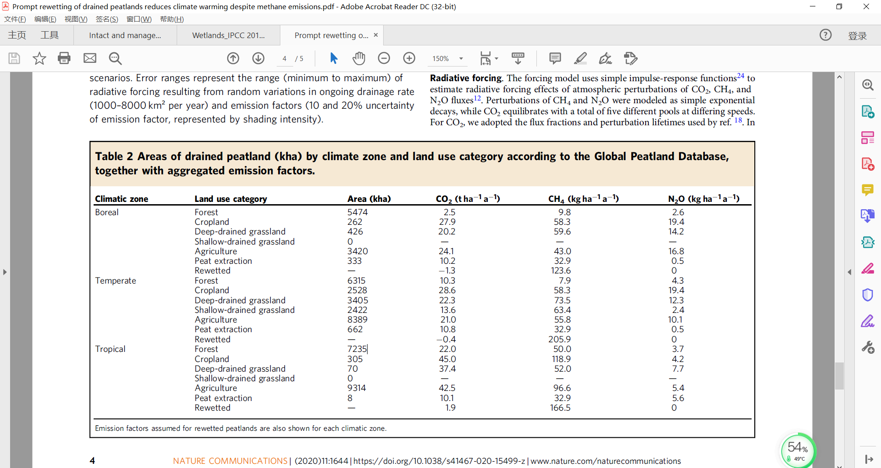
Climate zone | Land use category | Area (kha)
Boreal | Forest | 5475
 | Cropland | 262
 | Deep-drained grassland | 426
 | Shallow-drained grassland | 0
 | Agriculture | 3420
 | Peat extraction | 333
 | Rewetted
Temperate | Forest | 6315
 | Cropland | 2528
 | Deep-drained grassland | 3405
 | Shallow-drained grassland | 2422
 | Agriculture | 8389
 | Peat extraction | 662
 | Rewetted
Tropical | Forest | 7235
 | Cropland | 305
 | Deep-drained grassland | 70
 | Shallow-drained grassland | 0
 | Agriculture | 9314
 | Peat extraction | 8
 | Rewetted

Total |  | 50569
Agriculture |  | 0.48
Grassland |  | 0.13
Agriculture+grassland |  | 0.60
Peat extraction |  | 0.02

