Readme
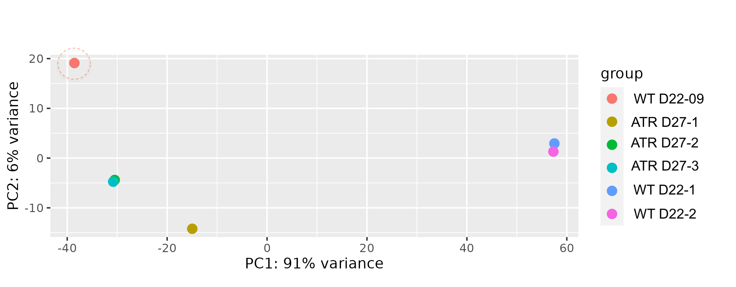
 | This table combines differential gene expression analysis for RNA extracted from multiple organoids differentiated in individual plates for X days in two batches: one for ATR mutants and their isogenic NHKS controls (WT), and the other for ACE mutants and their matching isogenic NHKS controls (WT).
Tab | Contains | Contains | Sort | CPM formatting | Cutoffs
Table S1 | DEG WT vs ATR | Contains the statistical data (Column A-G) and abundance (CPM, Column H-M) for this pairwise comparison. Note that one WT sample was excluded from the analyses based on PCA. Column "N" denotes shared/unique DEG | Column N then C | Each raw, Column I-M (high-magenta) | FDR<0.05, -0.5<FC>0.5, CPM at laest ???
Table S2 | DEG WT Vs. ACE | Contains the statistical data (Column A-G) and abundance (CPM, Column H-L) for this pairwise comparison. Column "M" denotes shared/unique DEG | Column N then C | Each raw, Column H-L (high-magenta) | FDR<0.05, -0.5<FC>0.5, CPM at laest ???
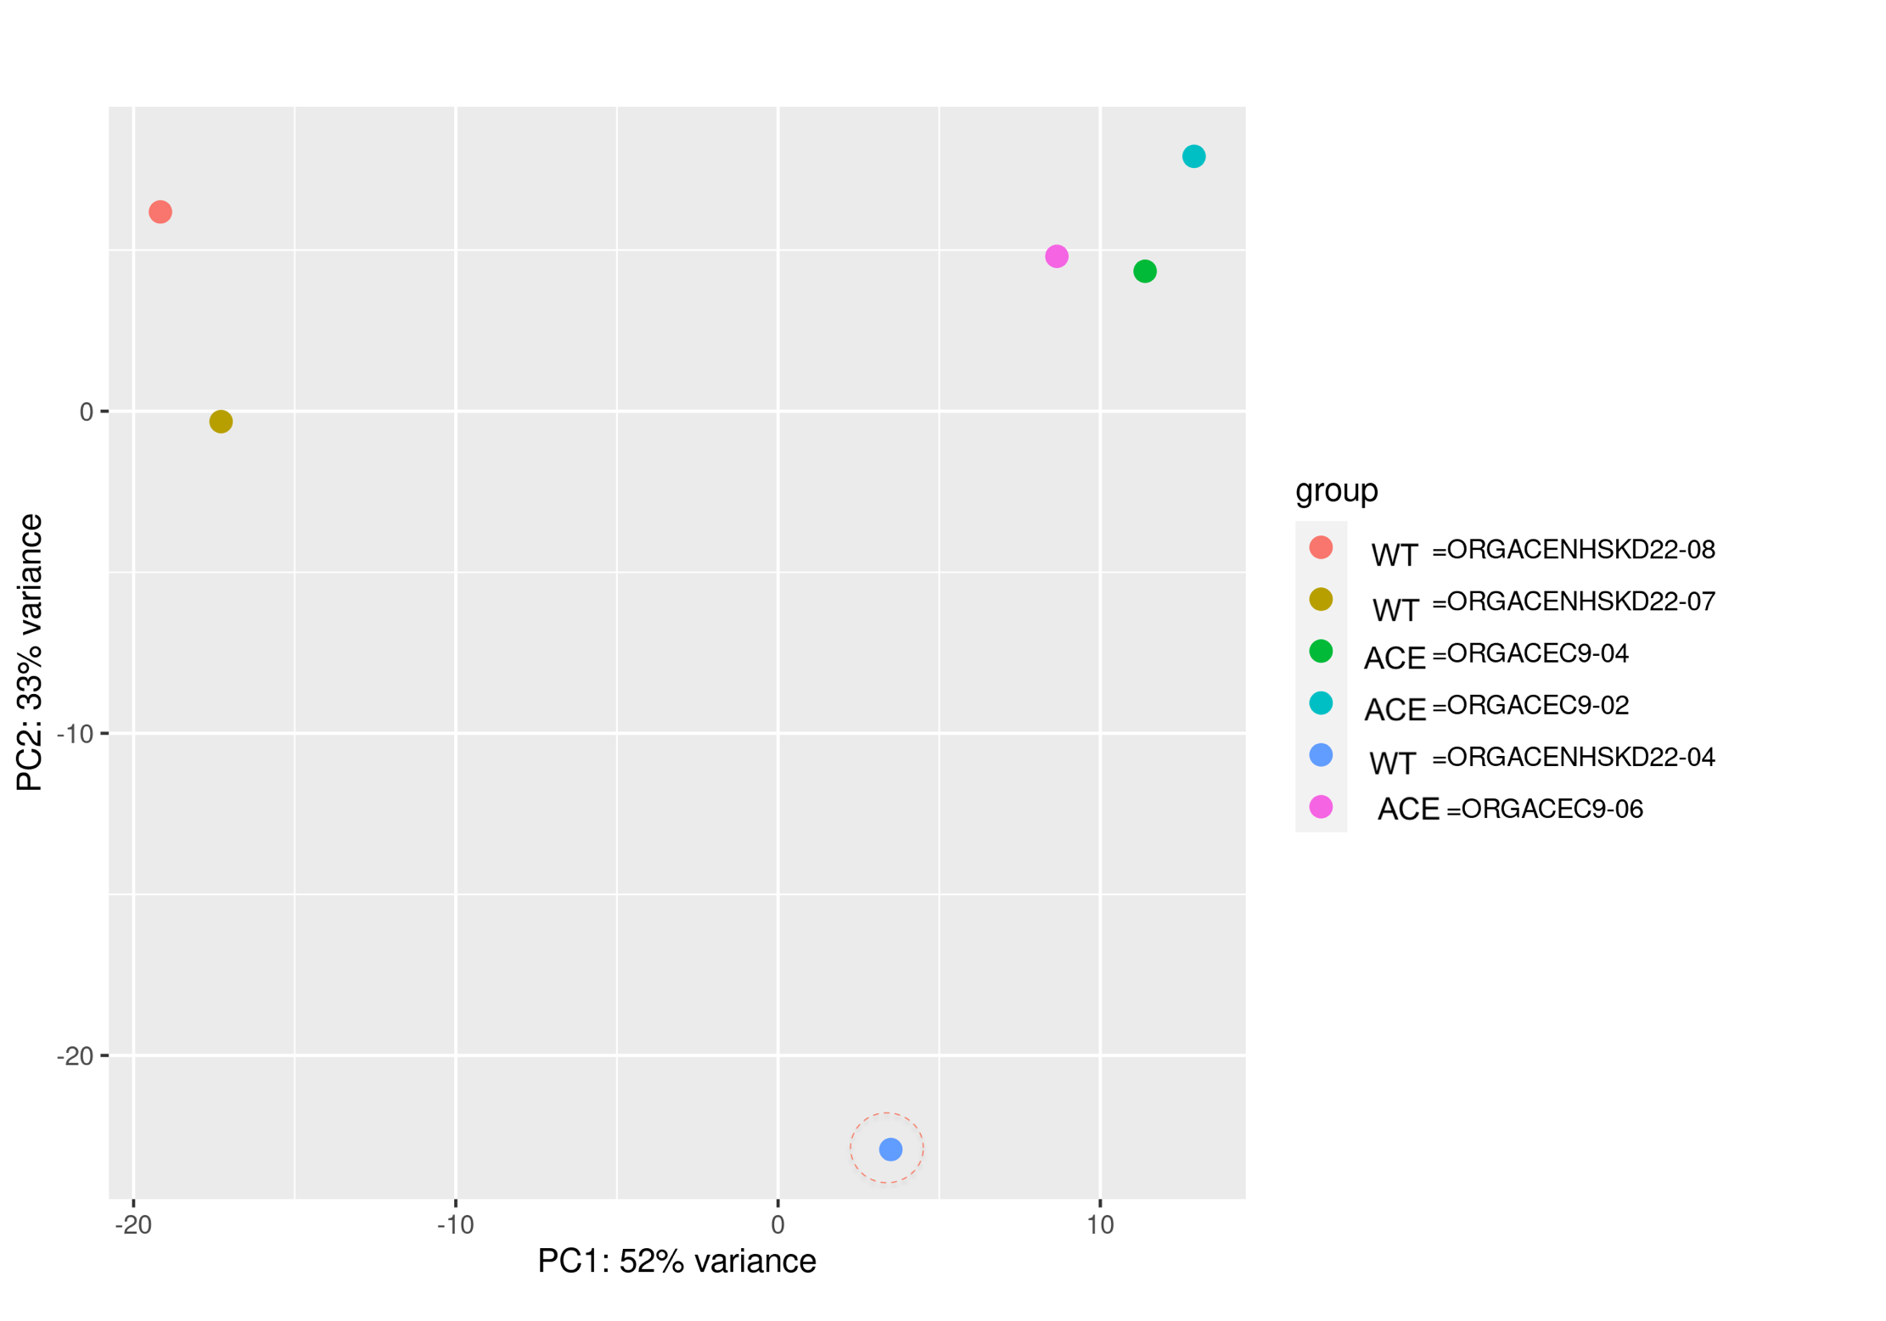
Table S3 | ATR, ACE Shared DEG | Shared genes with their CPM and FC data. For each gene list we show fold change in ATR (column M) and ACE (column N, copied using VLOOKUP excel function from tables S1 and S2, respectively). In column O, we used the function '=OR(AND(M4>0,N4>0),AND(M4<0,N4<0)) to return "TRUE" if both DEG were in the same direction, e.g., WT>Mutant. "FALSE is returned if DEG are in opposite direction (e.g., up in ATR but down in ACE). FALSE may be reflective of batch effects, these genes were disregarded in downstream analyses | Column B | Each raw, Column C-M (high-magenta) | FDR<0.05, -0.5<FC>0.5, CPM at laest ???
Table S4 | ToppFun functional enrichment analysis of Table S3, A4-A403 | All shared DEG. Genes comprising a selected term (Column I) are shown in column N-R. For each gene list we show fold change in ATR (column S) and ACE (column R, copied using VLOOKUP excel function from tables S1 and S2, respectively). In column U, we used the function =IF(ABS(R3-S3)<ABS(R3*0.25),TRUE, FALSE) to identify DEG with a fold change within 25% of each other. In column V, we used the formula '=IF(ABS(S3)>ABS(T3),"√","") to ask if f ATR value was greater than ACE value. The links in this table may expire but the analyses can be repeated by pasting the shared gene list in Table S3 into the tool (in cell B6) | Column U then T |  | ToppFun, FDR<0.05
Table S5 | ToppFun functional enrichment analysis of Table S3, A4-A179 | Upregulated shared DEG listed and "TRUE" in Table S3, same layout as Table S4 | Column U then T |  | ToppFun, FDR<0.05
Table S6 | ToppFun functional enrichment analysis of Table S3, A180-A403 | Downregulated shared DEG listed and "TRUE" in Table S3, same layout as Table S4 | Column U then T |  | ToppFun, FDR<0.05
Table S7 | ATR, ACE Shared DEG (Batch corrected) | Batch corrected analyses of both ACE and AGTR DEG | Column G |  | <0.05 ain adjusted pValue, Column I
Table S8 | ToppFun functional enrichment analysis of Table S3, A4-A179 | Downregulated DEG listed in Table S7 |  |  | ToppFun, FDR<0.05
Table S9 | ToppFun functional enrichment analysis of Table S3, A180-A403 | Upregulated DEG listed in Table S7 |  |  | ToppFun, FDR<0.05

