Sheet8
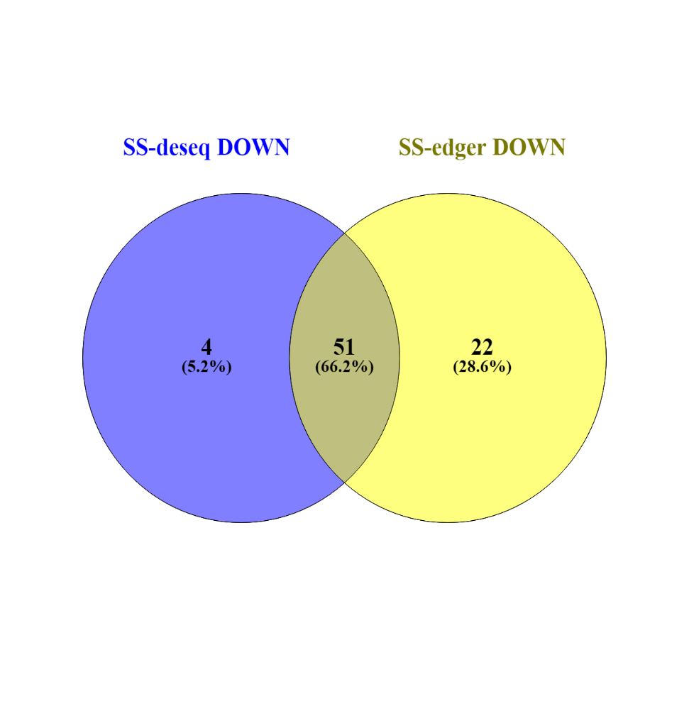
DeSeq2 & EdgeR combined results for DEGs
Id | wt1 | wt2 | wt3 | wt4 | ss1 | ss2 | ss3 | ss4 | log2FoldChange | pvalue | padj | Blast-Hit-Accession | Human-Readable-Description | Interpro-ID (Description)
Niben101Scf03870g01016.1 | 182 | 269 | 146 | 239 | 0 | 1 | 1 | 0 | -8.53 | 4.1965624799E-49 | 1.2667323846E-44 | AT1G69780.1 | Homeobox-leucine zipper protein family LENGTH=294 | IPR003106 (Leucine zipper, homeobox-associated), IPR009057 (Homeodomain-like)
Niben101Scf03893g02007.1 | 51 | 16 | 18 | 55 | 7 | 0 | 1 | 2 | -3.898 | 2.4868965723E-07 | 0.00024215152592 | sp|Q9SSK5|MLP43_ARATH | MLP-like protein 43 | IPR000916 (Bet v I domain), IPR023393 (START-like domain) | GO:0006952 (defense response), GO:0009607 (response to biotic stimulus)
Niben101Scf06026g01003.1 | 20 | 15 | 13 | 19 | 3 | 0 | 2 | 3 | -3.139 | 6.0010729363E-08 | 6.9670148686E-05 | sp|Q9ZUU0|WRK44_ARATH | WRKY transcription factor 44 | IPR003657 (DNA-binding WRKY) | GO:0003700 (sequence-specific DNA binding transcription factor activity), GO:0006355 (regulation of transcription, DNA-templated), GO:0043565 (sequence-specific DNA binding)
Niben101Scf01529g01006.1 | 53 | 17 | 51 | 35 | 0 | 7 | 10 | 3 | -3.04 | 7.8165526237E-06 | 0.0032769811242 | gb|KEH39049.1| | wound-responsive family protein [Medicago truncatula] | IPR022251 (Protein of unknown function wound-induced) | NA
Niben101Scf00163g03007.1 | 29 | 36 | 13 | 40 | 0 | 4 | 2 | 12 | -2.88 | 1.7826955201E-05 | 0.0043949876977 | AT1G76500.1 | Predicted AT-hook DNA-binding family protein LENGTH=302 | IPR005175 (Domain of unknown function DUF296) | NA
Niben101Scf01959g01001.1 | 159 | 94 | 171 | 99 | 20 | 45 | 12 | 6 | -2.793 | 4.1150293391E-11 | 6.5604541077E-08 | ref|NP_001047761.1| | product [Oryza sativa Japonica Group] | NA | NA
Niben101Scf06059g02006.1 | 46 | 14 | 31 | 3 | 3 | 2 | 4 | 7 | -2.705 | 0.00021956408593 | 0.02365160158 | sp|Q9T068|EPFL2_ARATH | EPIDERMAL PATTERNING FACTOR-like protein 2 | NA | NA
Niben101Scf02982g01023.1 | 152 | 125 | 250 | 140 | 22 | 56 | 27 | 15 | -2.612 | 1.3562484584E-13 | 1.0811108544E-09 | sp|Q9LCQ4|DNAJ_BRECH | Chaperone protein DnaJ | IPR001623 (DnaJ domain) | NA
Niben101Scf08508g02011.1 | 105 | 77 | 82 | 131 | 23 | 21 | 13 | 16 | -2.597 | 1.3811572439E-12 | 3.669888259E-09 | sp|Q9LEX0|P2A13_ARATH | F-box protein PP2-A13 | IPR001810 (F-box domain), IPR025886 (Phloem protein 2-like) | GO:0005515 (protein binding)
Niben101Scf01084g03003.1 | 772 | 2423 | 925 | 1203 | 255 | 497 | 49 | 206 | -2.587 | 0.00029326952405 | 0.028509135765 | NA | Unknown protein | IPR004297 (Systemic acquired resistance protein SAR) | NA
Niben101Scf00108g00004.1 | 127 | 83 | 161 | 86 | 21 | 29 | 32 | 16 | -2.37 | 5.7516840919E-13 | 2.2924295562E-09 | sp|P48981|BGAL_MALDO | Beta-galactosidase | IPR001944 (Glycoside hydrolase, family 35), IPR017853 (Glycoside hydrolase superfamily) | GO:0004553 (hydrolase activity, hydrolyzing O-glycosyl compounds), GO:0005975 (carbohydrate metabolic process)
Niben101Scf05269g03023.1 | 31 | 26 | 35 | 14 | 6 | 8 | 7 | 2 | -2.363 | 8.7364384544E-05 | 0.01313982322 | NA | Unknown protein | NA | NA
Niben101Scf09044g01012.1 | 252 | 479 | 394 | 278 | 46 | 148 | 50 | 71 | -2.313 | 6.6421833773E-07 | 0.00037819326972 | sp|P81370|TLP_ACTDE | Thaumatin-like protein | IPR001938 (Thaumatin) | NA
Niben101Scf10322g01012.1 | 12 | 40 | 23 | 22 | 4 | 6 | 12 | 2 | -2.197 | 0.00019652040094 | 0.021858552875 | sp|Q52QH4|NAC68_ORYSJ | NAC domain-containing protein 68 | IPR003441 (NAC domain) | GO:0003677 (DNA binding), GO:0006355 (regulation of transcription, DNA-templated)
Niben101Scf00912g02003.1 | 116 | 29 | 73 | 47 | 11 | 11 | 27 | 15 | -2.191 | 3.1833833444E-05 | 0.0063732280774 | AT3G10600.1 | cationic amino acid transporter 7 LENGTH=584 | IPR002293 (Amino acid/polyamine transporter I), IPR029485 (Cationic amino acid transporter, C-terminal) | GO:0003333 (amino acid transmembrane transport), GO:0015171 (amino acid transmembrane transporter activity), GO:0016020 (membrane)
Niben101Scf00745g02015.1 | 30 | 55 | 28 | 49 | 5 | 12 | 14 | 11 | -2.118 | 0.00012788567843 | 0.016803616011 | sp|P47735|RLK5_ARATH | Receptor-like protein kinase 5 | IPR001611 (Leucine-rich repeat), IPR003591 (Leucine-rich repeat, typical subtype), IPR011009 (Protein kinase-like domain), IPR013320 (Concanavalin A-like lectin/glucanase domain), IPR025875 (Leucine rich repeat 4) | GO:0004672 (protein kinase activity), GO:0004674 (protein serine/threonine kinase activity), GO:0005515 (protein binding), GO:0005524 (ATP binding), GO:0006468 (protein phosphorylation), GO:0016772 (transferase activity, transferring phosphorus-containing groups)
Niben101Scf09345g00013.1 | 242 | 201 | 285 | 248 | 32 | 79 | 94 | 47 | -2.099 | 4.5777206077E-15 | 5.4735805306E-11 | sp|B9DNJ9|DNAJ_STACT | Chaperone protein DnaJ | IPR001623 (DnaJ domain) | NA
Niben101Scf07019g00004.1 | 217 | 149 | 241 | 216 | 61 | 63 | 61 | 29 | -2.097 | 9.1046749886E-13 | 3.1104171097E-09 | sp|Q1QSX1|DNAJ_CHRSD | Chaperone protein DnaJ | IPR001623 (DnaJ domain) | NA
Niben101Scf01001g07015.1 | 61 | 126 | 65 | 139 | 39 | 22 | 30 | 14 | -2.086 | 1.7359394071E-05 | 0.0043698163138 | sp|O49508|FB237_ARATH | F-box protein | IPR001810 (F-box domain) | GO:0005515 (protein binding)
Niben101Scf01372g11012.1 | 36 | 46 | 71 | 33 | 17 | 8 | 20 | 5 | -2.065 | 1.2038719474E-05 | 0.0032715220172 | sp|P42211|ASPRX_ORYSJ | Aspartic proteinase | IPR001461 (Aspartic peptidase), IPR011001 (Saposin-like), IPR021109 (Aspartic peptidase domain) | GO:0004190 (aspartic-type endopeptidase activity), GO:0006508 (proteolysis)
Niben101Scf10363g00006.1 | 56 | 46 | 82 | 25 | 14 | 35 | 3 | 3 | -2.063 | 0.00035428396119 | 0.033355695464 | emb|CDY27712.1| | BnaA05g31210D [Brassica napus] | NA | NA
Niben101Ctg08688g00001.1 | 759 | 526 | 435 | 1333 | 379 | 133 | 232 | 104 | -2.026 | 4.4397974439E-05 | 0.008104833288 | sp|Q9SSK7|MLP34_ARATH | MLP-like protein 34 | IPR000916 (Bet v I domain), IPR023393 (START-like domain) | GO:0006952 (defense response), GO:0009607 (response to biotic stimulus)
Niben101Scf01374g15011.1 | 671 | 402 | 650 | 548 | 91 | 210 | 232 | 92 | -2 | 8.8081851958E-12 | 1.7275293069E-08 | ref|NP_001047761.1| | product [Oryza sativa Japonica Group] | NA | NA
Niben101Scf00472g06013.1 | 214 | 179 | 252 | 203 | 77 | 64 | 38 | 71 | -1.925 | 1.1901122787E-11 | 2.032881788E-08 | sp|Q9U2A9|BOP1_CAEEL | Ribosome biogenesis protein BOP1 homolog | IPR012953 (BOP1, N-terminal domain), IPR015943 (WD40/YVTN repeat-like-containing domain), IPR028598 (WD repeat BOP1/Erb1) | GO:0005515 (protein binding), GO:0006364 (rRNA processing), GO:0042254 (ribosome biogenesis)
Niben101Scf01237g07020.1 | 60 | 42 | 43 | 46 | 13 | 28 | 14 | 3 | -1.868 | 0.00013064386086 | 0.016979441786 | AT2G40390.1 | unknown protein; BEST Arabidopsis thaliana protein match is: unknown protein . LENGTH=496 | NA | NA
Niben101Scf03326g05004.1 | 34 | 23 | 23 | 10 | 12 | 5 | 4 | 7 | -1.86 | 0.00023465779488 | 0.02472073351 | NA | Unknown protein | NA | NA
Niben101Scf02245g00008.1 | 52 | 75 | 55 | 96 | 33 | 20 | 6 | 28 | -1.856 | 6.1468916283E-06 | 0.0018845739282 | AT5G37770.1 | EF hand calcium-binding protein family LENGTH=161 | IPR011992 (EF-hand domain pair), IPR028974 (TSP type-3 repeat) | GO:0005509 (calcium ion binding)
Niben101Scf04240g03001.1 | 81 | 148 | 41 | 95 | 29 | 22 | 40 | 25 | -1.848 | 2.9674575035E-05 | 0.0061707633686 | sp|Q01440|GTR1_LEIDO | Membrane transporter D1 | IPR005828 (General substrate transporter), IPR020846 (Major facilitator superfamily domain) | GO:0005215 (transporter activity), GO:0016020 (membrane), GO:0016021 (integral component of membrane), GO:0022857 (transmembrane transporter activity), GO:0022891 (substrate-specific transmembrane transporter activity), GO:0055085 (transmembrane transport)
Niben101Scf05329g01008.1 | 22 | 38 | 38 | 16 | 2 | 12 | 10 | 12 | -1.824 | 0.00044276533189 | 0.038363370097 | AT3G56200.1 | Transmembrane amino acid transporter family protein LENGTH=435 | IPR013057 (Amino acid transporter, transmembrane) | NA
Niben101Scf00726g02003.1 | 71 | 70 | 69 | 82 | 26 | 30 | 26 | 11 | -1.813 | 4.3672626076E-08 | 4.1775487199E-05 | AT4G34980.1 | subtilisin-like serine protease 2 LENGTH=764 | IPR015500 (Peptidase S8, subtilisin-related) | GO:0004252 (serine-type endopeptidase activity), GO:0006508 (proteolysis)
Niben101Scf02340g01003.1 | 375 | 270 | 471 | 365 | 131 | 184 | 86 | 67 | -1.808 | 8.0571713121E-09 | 8.7581452163E-06 | AT4G27450.1 | Aluminium induced protein with YGL and LRDR motifs LENGTH=250 | IPR024286 (Domain of unknown function DUF3700), IPR029055 (Nucleophile aminohydrolases, N-terminal) | NA
Niben101Scf02124g00007.1 | 53 | 78 | 45 | 60 | 32 | 12 | 23 | 13 | -1.753 | 0.00010215788184 | 0.014455642523 | AT2G24100.1 | unknown protein; BEST Arabidopsis thaliana protein match is: unknown protein . LENGTH=466 | NA | NA
Niben101Scf10650g02017.1 | 546 | 337 | 544 | 555 | 119 | 188 | 204 | 143 | -1.744 | 5.1103774728E-13 | 2.2924295562E-09 | ref|NP_001047761.1| | product [Oryza sativa Japonica Group] | NA | NA
Niben101Scf01232g03010.1 | 113 | 82 | 150 | 82 | 28 | 68 | 32 | 19 | -1.677 | 3.9121447072E-06 | 0.0013558699787 | AT5G52570.1 | beta-carotene hydroxylase 2 LENGTH=303 | IPR006694 (Fatty acid hydroxylase) | GO:0005506 (iron ion binding), GO:0006633 (fatty acid biosynthetic process), GO:0016491 (oxidoreductase activity), GO:0055114 (oxidation-reduction process)
Niben101Scf11646g03020.1 | 84 | 69 | 85 | 83 | 23 | 24 | 35 | 30 | -1.677 | 0.00012454804094 | 0.016546899173 | sp|Q00391|FRHB_METVO | Coenzyme F420 hydrogenase subunit beta | IPR007516 (Coenzyme F420 hydrogenase/dehydrogenase beta subunit, N-terminal), IPR007525 (Coenzyme F420 hydrogenase/dehydrogenase beta subunit, C-terminal), IPR011254 (Prismane-like) | GO:0003824 (catalytic activity), GO:0016491 (oxidoreductase activity), GO:0055114 (oxidation-reduction process)
Niben101Scf09711g00005.1 | 82 | 137 | 104 | 53 | 22 | 55 | 33 | 23 | -1.666 | 3.4062262149E-06 | 0.0012531768262 | AT1G32170.1 | xyloglucan endotransglucosylase/hydrolase 30 LENGTH=343 | IPR013320 (Concanavalin A-like lectin/glucanase domain) | GO:0004553 (hydrolase activity, hydrolyzing O-glycosyl compounds), GO:0005975 (carbohydrate metabolic process)
Niben101Scf02153g02002.1 | 126 | 61 | 118 | 72 | 22 | 37 | 33 | 40 | -1.658 | 5.1241889875E-07 | 0.00031420475756 | sp|Q2Y9Y7|BIOH_NITMU | Pimeloyl-[acyl-carrier protein] methyl ester esterase | IPR029058 (Alpha/Beta hydrolase fold) | NA
Niben101Scf10213g00009.1 | 388 | 212 | 545 | 358 | 108 | 176 | 111 | 134 | -1.645 | 2.3327174532E-13 | 1.3946151294E-09 | NA | Unknown protein | NA | NA
Niben101Scf06123g05006.1 | 77 | 52 | 52 | 34 | 7 | 35 | 29 | 5 | -1.642 | 0.00034876914299 | 0.03296626595 | emb|CDX80857.1| | BnaC03g01110D [Brassica napus] | IPR007608 (Senescence regulator S40) | NA
Niben101Scf08799g00001.1 | 95 | 234 | 83 | 147 | 48 | 76 | 30 | 51 | -1.633 | 2.2826006069E-06 | 0.00097475198059 | gb|ACZ64224.1| | RPM1 interacting protein 4 transcript 2 [Lactuca saligna] | IPR008700 (Pathogenic type III effector avirulence factor Avr cleavage site) | NA
Niben101Scf01964g08023.1 | 172 | 132 | 190 | 191 | 64 | 54 | 78 | 53 | -1.618 | 9.3911018608E-12 | 1.7275293069E-08 | AT5G22510.1 | alkaline/neutral invertase LENGTH=617 | IPR008928 (Six-hairpin glycosidase-like), IPR024746 (Glycosyl hydrolase family 100) | GO:0003824 (catalytic activity), GO:0033926 (glycopeptide alpha-N-acetylgalactosaminidase activity)
Niben101Scf04382g00015.1 | 130 | 174 | 110 | 77 | 36 | 36 | 27 | 83 | -1.613 | 6.4126878703E-06 | 0.0019411774396 | sp|A2WWV5|ERG1_ORYSI | Elicitor-responsive protein 1 | IPR000008 (C2 domain) | GO:0005515 (protein binding)
Niben101Scf02437g03005.1 | 67 | 56 | 72 | 32 | 33 | 19 | 18 | 14 | -1.606 | 2.1146487424E-05 | 0.0049578147083 | sp|P07753|PSBA_CHLRE | Photosystem Q(B) protein | IPR000484 (Photosynthetic reaction centre, L/M) | GO:0009772 (photosynthetic electron transport in photosystem II), GO:0019684 (photosynthesis, light reaction), GO:0045156 (electron transporter, transferring electrons within the cyclic electron transport pathway of photosynthesis activity)
Niben101Scf04328g00052.1 | 136 | 113 | 179 | 129 | 82 | 78 | 6 | 39 | -1.603 | 0.00011007299996 | 0.015001918226 | sp|Q6EM56|RR7_STEPS | 30S ribosomal protein S7, chloroplastic | IPR000235 (Ribosomal protein S5/S7), IPR006032 (Ribosomal protein S12/S23), IPR023798 (Ribosomal protein S7 domain) | GO:0003735 (structural constituent of ribosome), GO:0005622 (intracellular), GO:0005840 (ribosome), GO:0006412 (translation), GO:0015935 (small ribosomal subunit)
Niben101Scf02543g01008.1 | 120 | 217 | 146 | 145 | 75 | 82 | 33 | 46 | -1.592 | 3.4884792153E-06 | 0.0012639923024 | sp|Q08507|ACCO3_PETHY | 1-aminocyclopropane-1-carboxylate oxidase 3 | IPR005123 (Oxoglutarate/iron-dependent dioxygenase), IPR026992 (Non-haem dioxygenase N-terminal domain), IPR027443 (Isopenicillin N synthase-like) | GO:0016491 (oxidoreductase activity), GO:0016706 (oxidoreductase activity, acting on paired donors, with incorporation or reduction of molecular oxygen, 2-oxoglutarate as one donor, and incorporation of one atom each of oxygen into both donors), GO:0055114 (oxidation-reduction process)
Niben101Scf01773g08011.1 | 89 | 110 | 64 | 81 | 30 | 20 | 59 | 22 | -1.572 | 2.4214875694E-05 | 0.0054174873659 | sp|F1MK05|RN170_BOVIN | E3 ubiquitin-protein ligase RNF170 | IPR013083 (Zinc finger, RING/FYVE/PHD-type) | GO:0005515 (protein binding), GO:0008270 (zinc ion binding)
Niben101Scf20283g00004.1 | 111 | 174 | 142 | 198 | 79 | 54 | 65 | 42 | -1.557 | 2.5949128961E-09 | 3.2660393157E-06 | sp|Q65KJ5|FOSB_BACLD | Metallothiol transferase FosB | IPR029068 (Glyoxalase/Bleomycin resistance protein/Dihydroxybiphenyl dioxygenase) | NA
Niben101Scf07123g00019.1 | 227 | 180 | 266 | 158 | 74 | 130 | 51 | 62 | -1.539 | 1.0609156408E-07 | 8.7485298738E-05 | sp|Q04739|GAL83_YEAST | SNF1 protein kinase subunit beta-3 | IPR006828 (Association with the SNF1 complex (ASC) domain), IPR014756 (Immunoglobulin E-set), IPR030067 (SNF1-related protein kinase regulatory subunit beta-1) | GO:0005515 (protein binding), GO:0009744 (response to sucrose), GO:0043562 (cellular response to nitrogen levels)
Niben101Scf02805g05007.1 | 40 | 56 | 46 | 56 | 14 | 15 | 14 | 34 | -1.532 | 5.7303530949E-06 | 0.0018187699642 | AT2G01190.1 | Octicosapeptide/Phox/Bem1p family protein LENGTH=720 | IPR000270 (Phox/Bem1p) | GO:0005515 (protein binding)
Niben101Scf08341g10005.1 | 92 | 43 | 111 | 27 | 24 | 22 | 42 | 17 | -1.525 | 0.00013736266207 | 0.017472822876 | AT3G24520.1 | heat shock transcription factor C1 LENGTH=330 | IPR011991 (Winged helix-turn-helix DNA-binding domain), IPR027725 (Heat shock transcription factor family) | GO:0003700 (sequence-specific DNA binding transcription factor activity), GO:0005634 (nucleus), GO:0006355 (regulation of transcription, DNA-templated), GO:0009408 (response to heat), GO:0043565 (sequence-specific DNA binding)
Niben101Scf08893g00009.1 | 87 | 232 | 115 | 126 | 75 | 68 | 28 | 52 | -1.522 | 2.0912777227E-06 | 0.00090928755382 | sp|Q8S8E3|PYL6_ARATH | Abscisic acid receptor PYL6 | IPR019587 (Polyketide cyclase/dehydrase), IPR023393 (START-like domain) | NA

