fig7a
Figure 7a The expression of APBB1IP protein in paired colorectal cancer and para-cancer samples.

P1
C1
P2
C2
P3
C3
P4
C4
P5
C5
APBB1IP
Actin
150kDa
100kDa

50kDa
70kDa
40kDa

P6
C6
P7
C7
P8
C8
P9
C9
P10
C10
APBB1IP
Actin

150kDa
100kDa

70kDa
50kDa
40kDa

fig7c
Figure 7c The expression levels of APBB1IP and ARG1 in LPS plus IFN-γ-induced M1 macrophages and IL4-induced M2 macrophages were detected by western blot.

APBB1IP
+
-
-
+
ARG1
Actin
IL4
LPS+IFN-γ
BMDMs

100kDa

70kDa

50kDa
40kDa
35kDa

25kDa
50kDa

40kDa

fig7d
Figure 7d Immunofluorescence staining for APBB1IP and ARG1 in M1 and M2 macrophages from BMDMs.

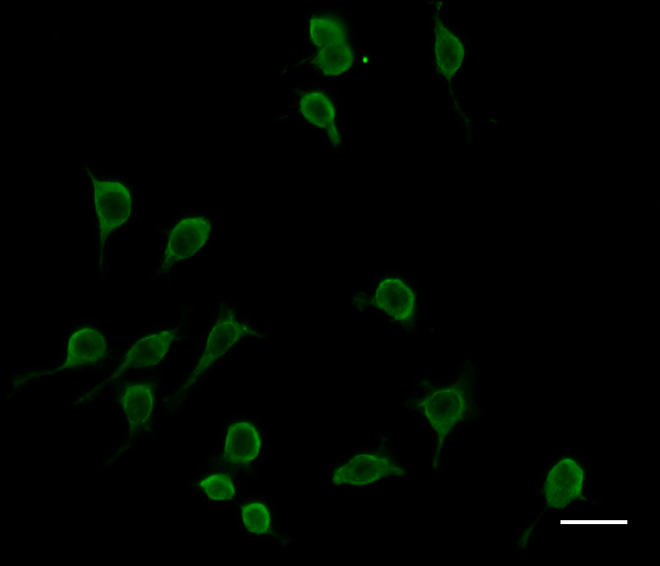
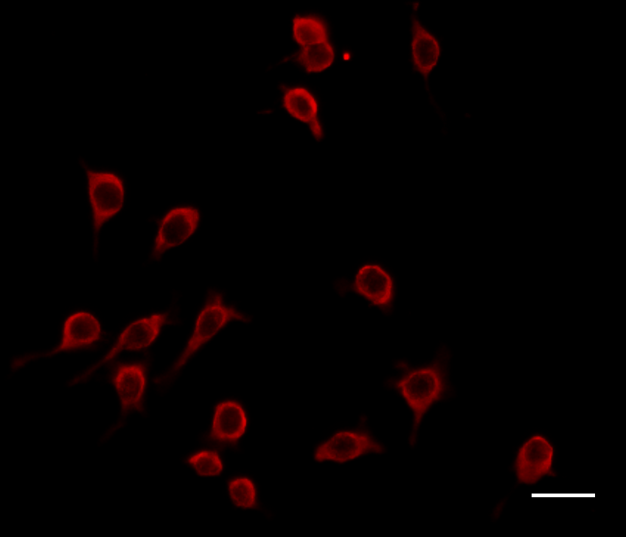
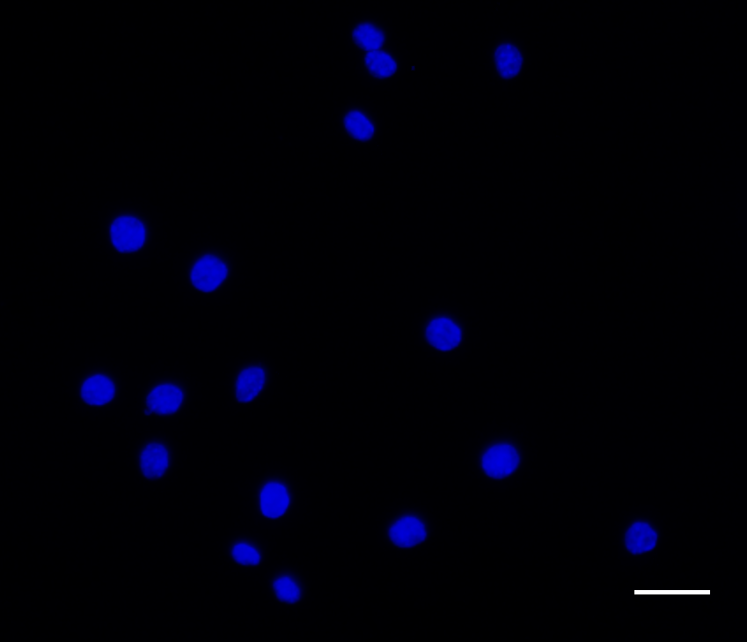
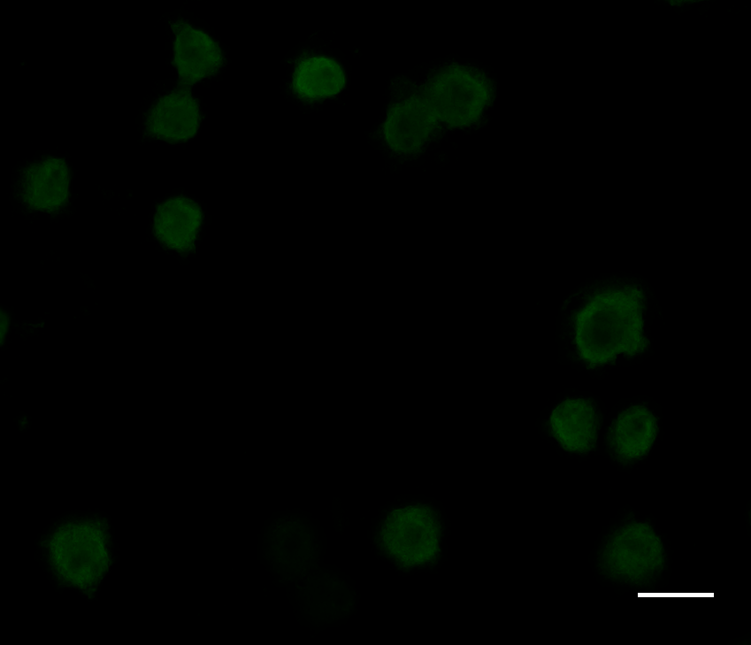
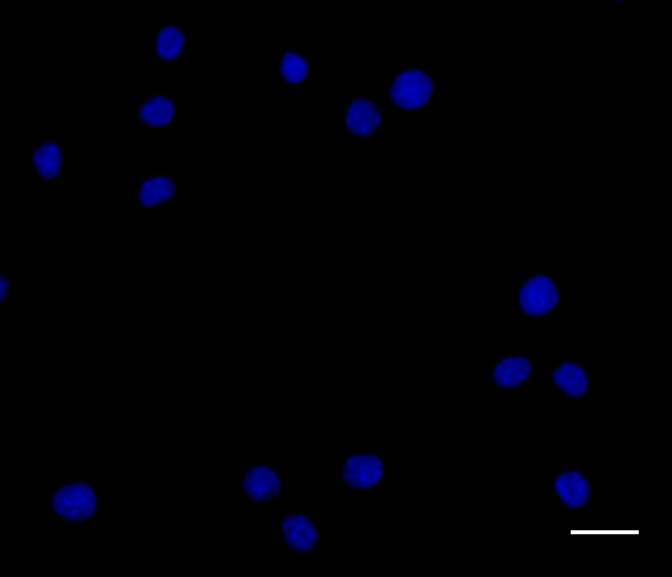
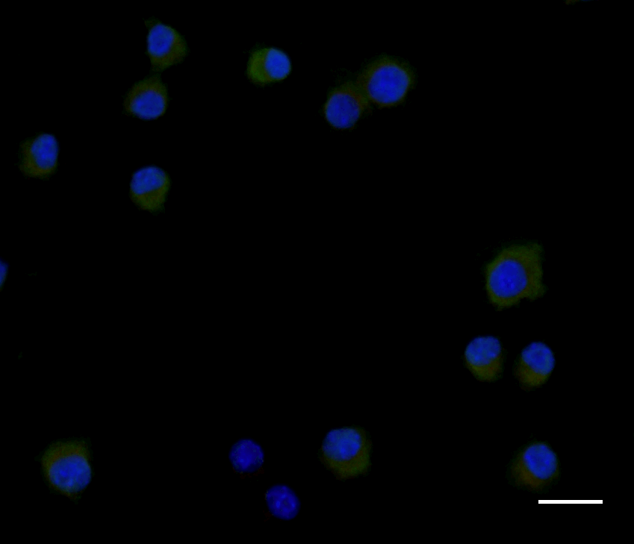
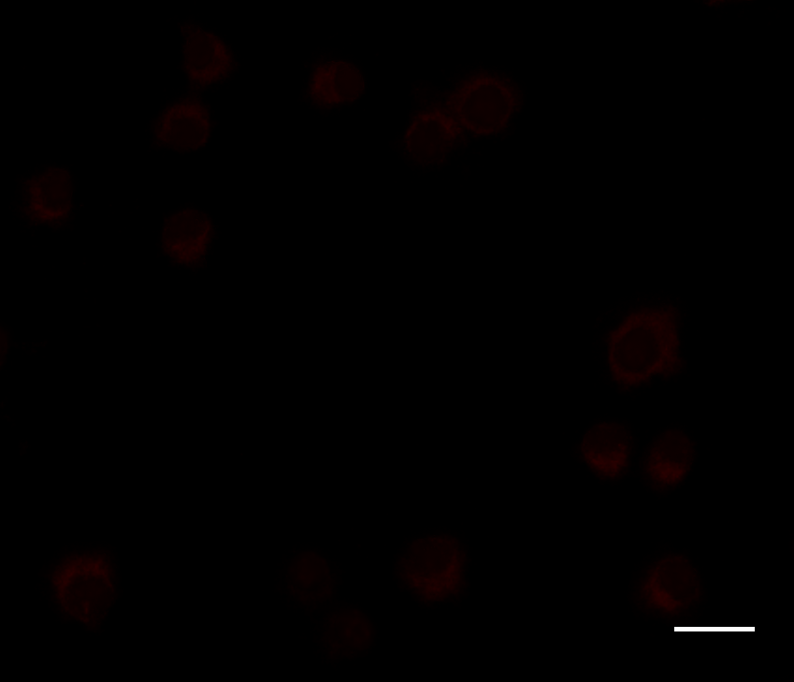
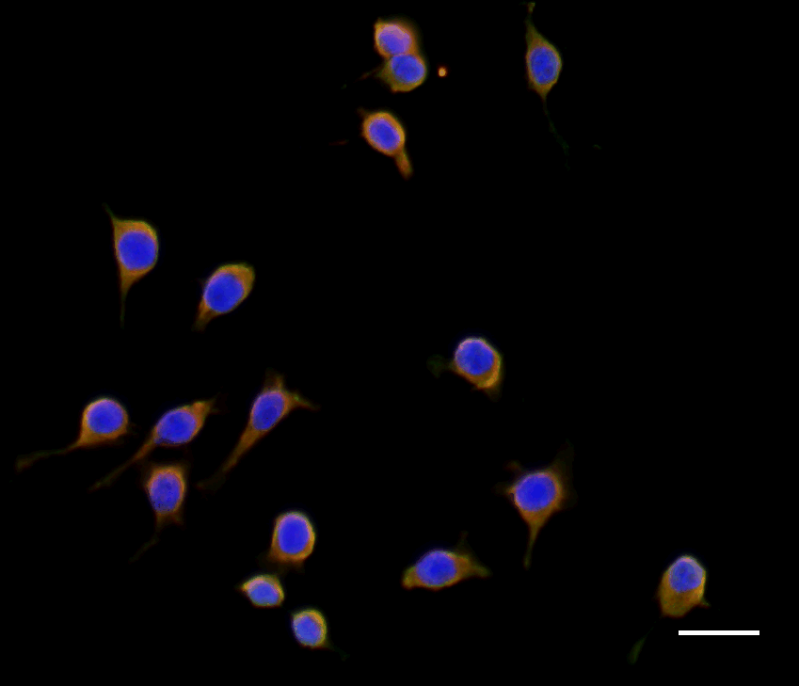
M1
M2
APBB1IP
ARG1
DAPI
Merge

