Figure S1
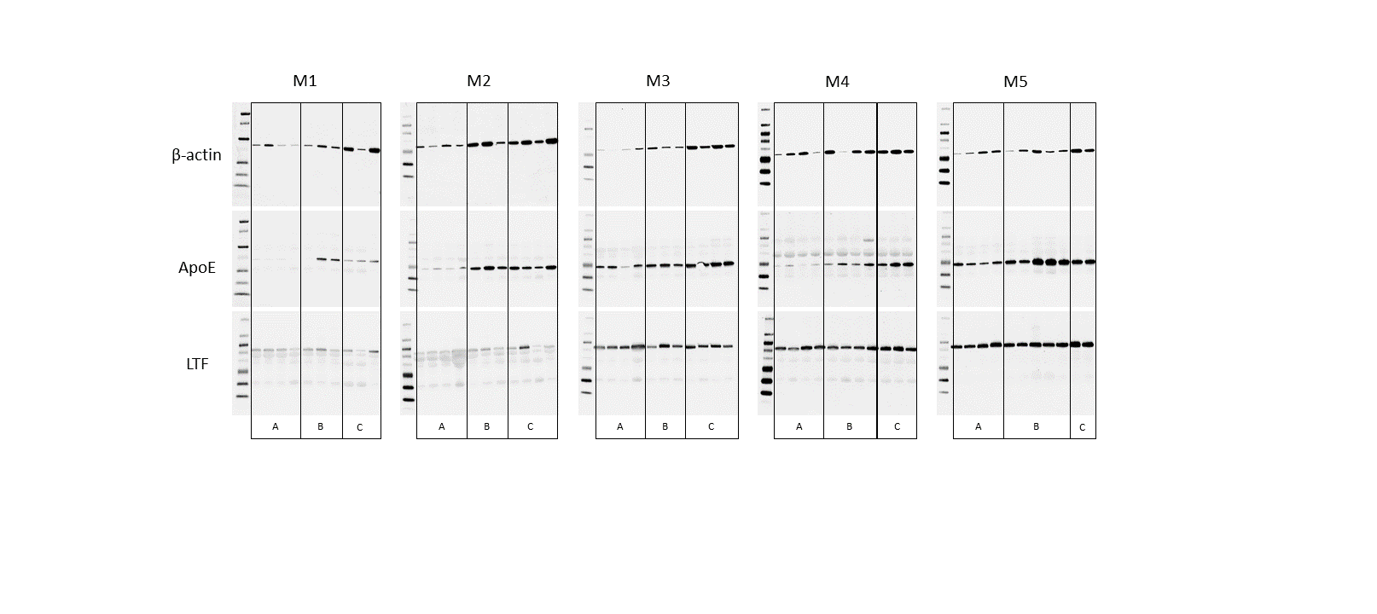
Supplementary Figure 1. Validation of the proteomics dana. Full western blot images of lactoferrin (LTF), apolipoprotein E (apoE), and beta actin between control group (A), uncomplicated (B) and complicated babesiosis (C) are shown. The abundance of the protein of interest was normalized to the total amount of protein in each lane determined with Ponceau S and quantified using ImageJ software.

