imagenes
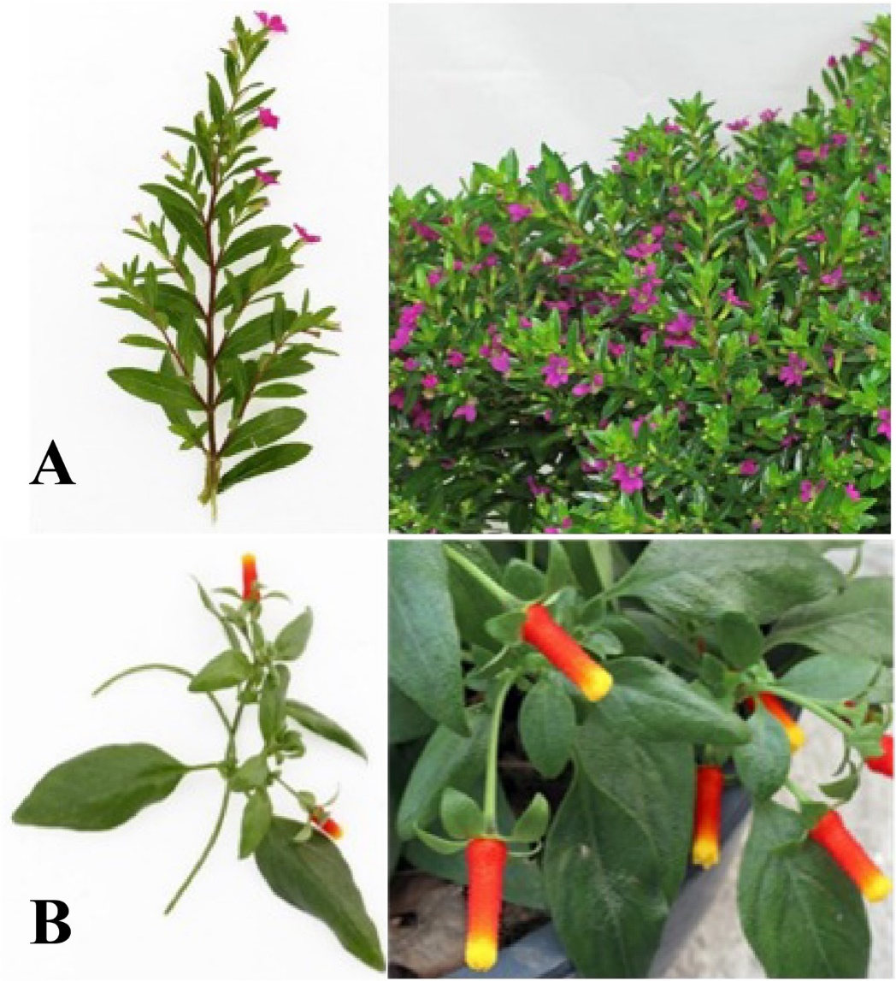
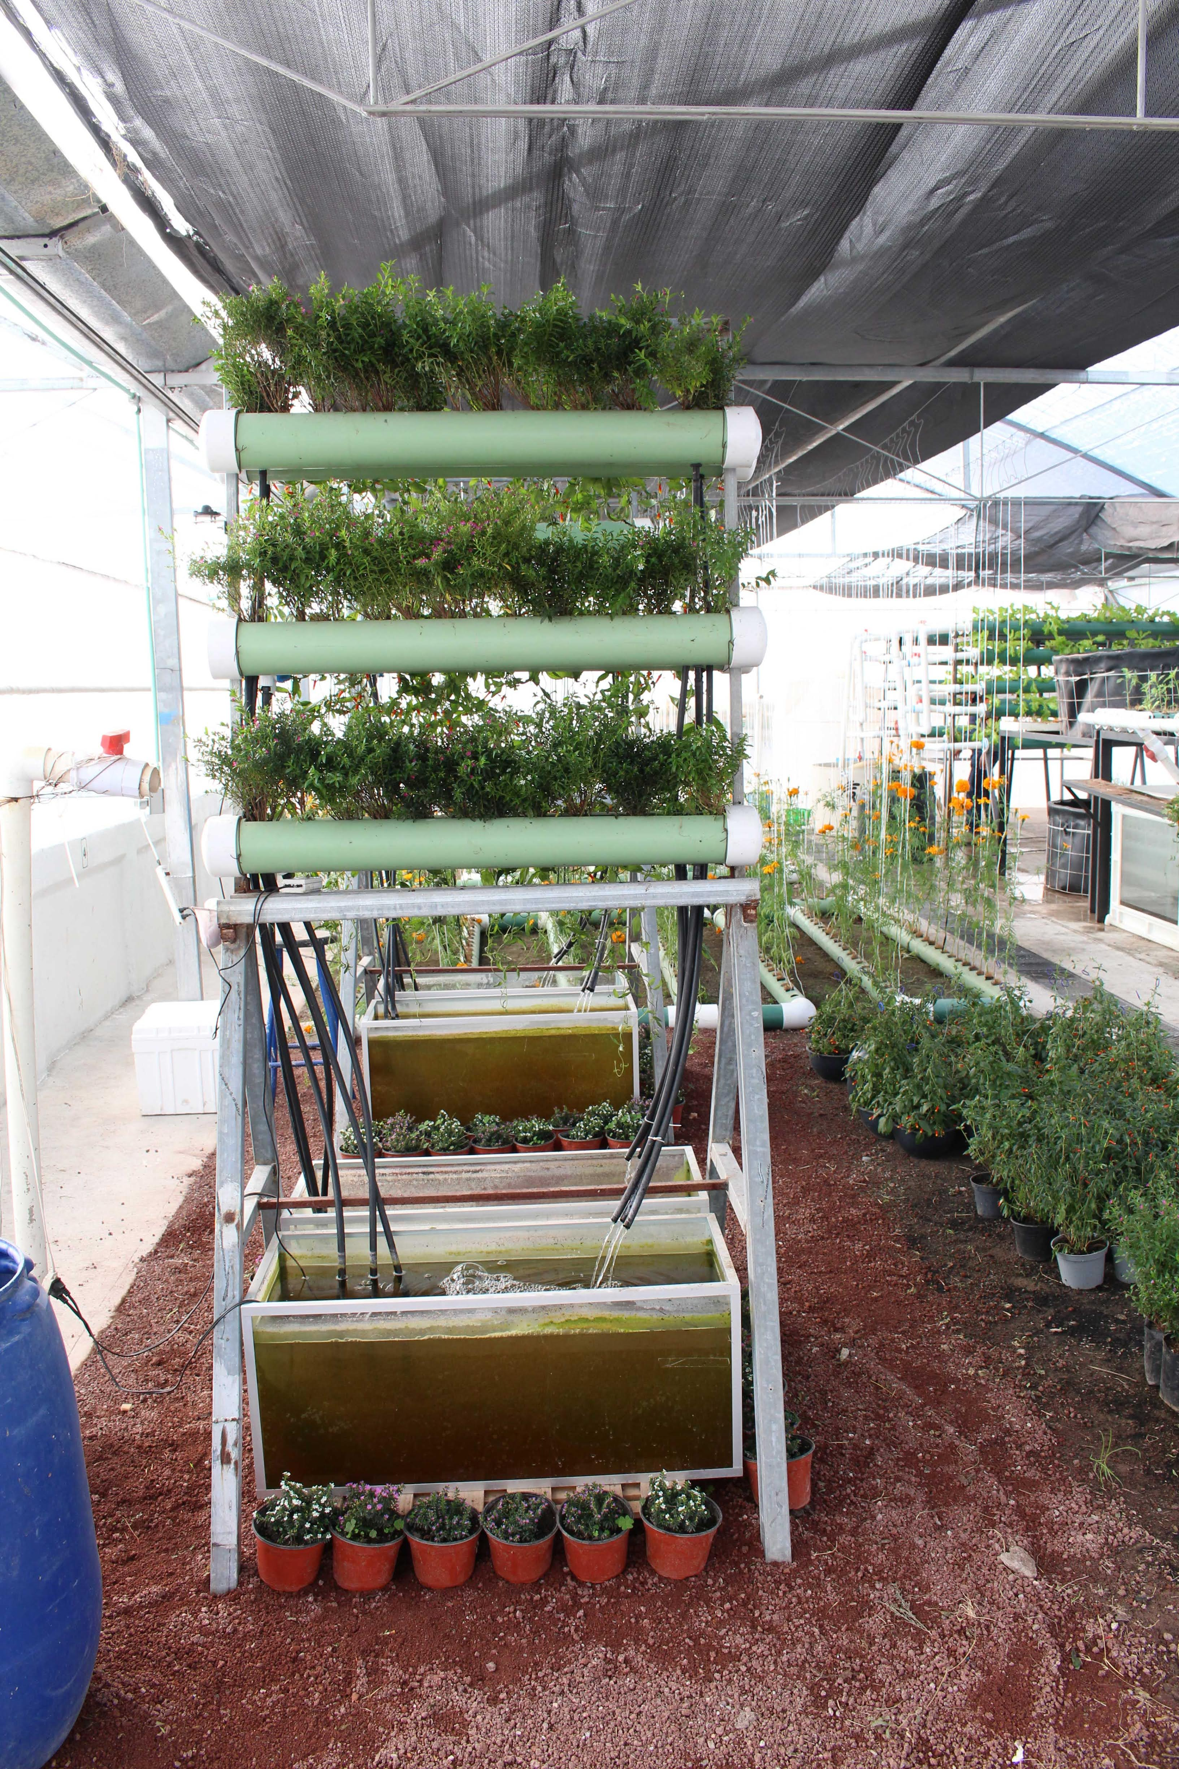

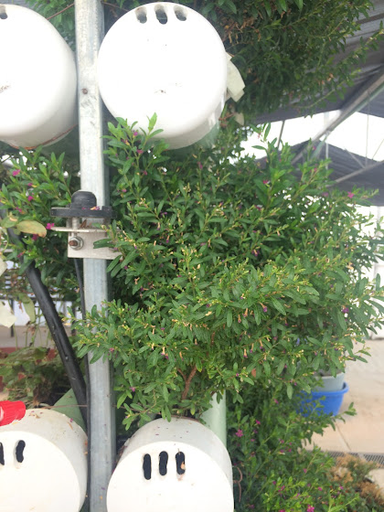
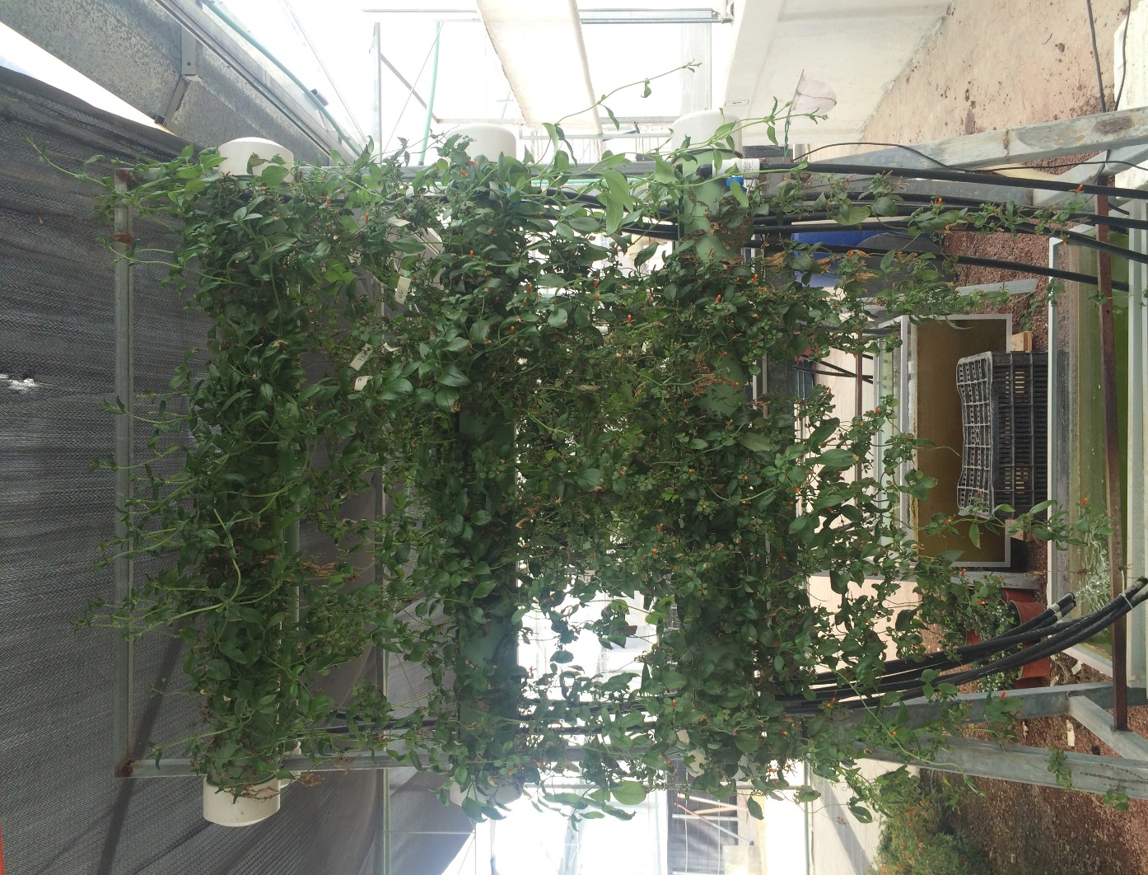

identificación
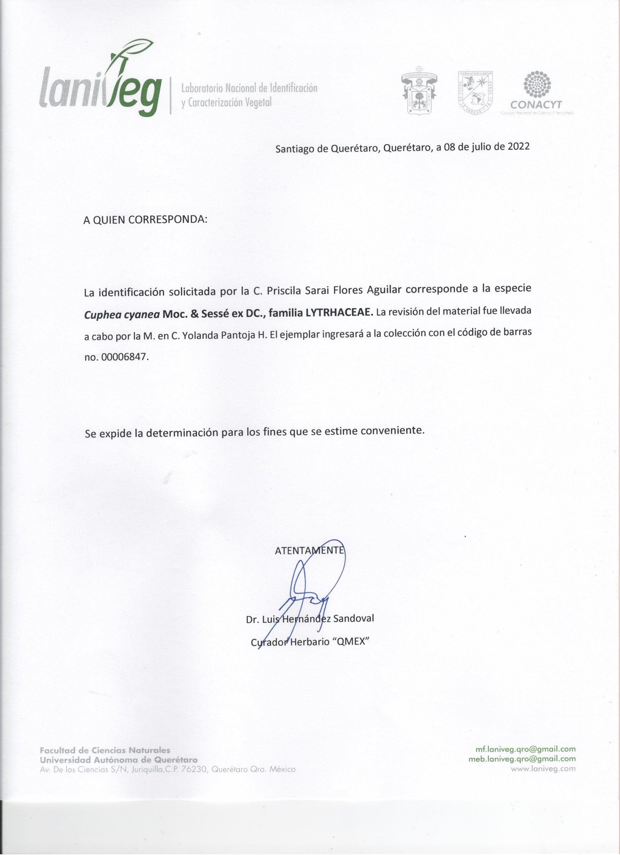
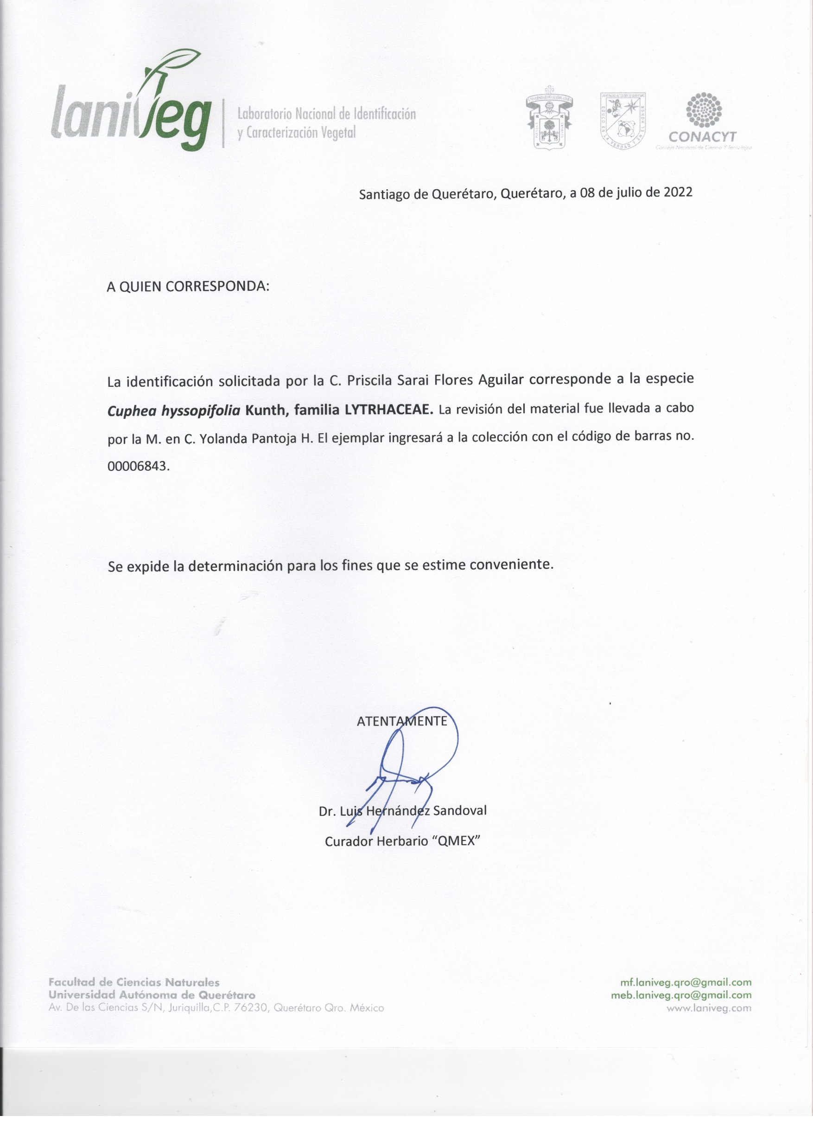

Gráficos
 |  | Total phenolics |  | Total flavonoids |  | DPPH |  | FRAP
 | Treatment | Mean | Std Dev | Mean | Std Dev | Mean | Std Dev | Mean | Std Dev
C. hyssopifolia | T0 | 80.391473192 | 9.9172451372 | 10.712044444 | 1.0348942628 | 125.72643333 | 3.4033823191 | 133.04751111 | 9.0275037337 | Control
C. hyssopifolia | Aquaponic | 61.083977778 | 7.1563250018 | 5.6189111111 | 0.51330333733 | 114.81714444 | 6.0149639692 | 134.53334579 | 14.133482468 | Aquaponic
C. hyssopifolia | Conventional | 16.994188889 | 0.39635432521 | 8.1942555556 | 1.6335911844 | 96.915188889 | 12.095399472 | 114.87750488 | 16.307205789 | Conventional
C. cyanea | T0 | 17.057233333 | 0.78559023352 | 7.4593333333 | 0.76764228323 | 11.051033333 | 0.84918594695 | 13.335733333 | 0.88485101147 | Control
C. cyanea | Aquaponic | 15.362044444 | 0.75020759979 | 3.5187222222 | 0.56933274273 | 15.164644444 | 0.53778631702 | 13.346422222 | 1.1560696268 | Aquaponic
C. cyanea | Conventional | 14.105933333 | 1.3391115954 | 1.7928888889 | 0.13718130744 | 7.2214888889 | 0.57558034071 | 7.3664555556 | 0.44112203275 | Conventional
Total phenolic content
ANOVA y Tukey 95% |  | TP | TF | DPPH | FRAP
Species | Treatment
C. hyssopifolia | Control | a | a | a | a
C. hyssopifolia | Aquaponic | b | c | b | a
C. hyssopifolia | Conventional | c | b | c | b
C. cyanea | Control | a | a | b | a
C. cyanea | Aquaponic | b | b | a | a
C. cyanea | Conventional | c | c | c | b

Antioxidant activity (C. hyssopifolia)
Total phenolic and flavonoid content (C. hyssopifolia)

Antioxidant activity (C. cyanea)
Total phenolic and flavonoid content (C. cyanea )

Apigenin
Apigenin content (C. hyssopifolia)
Apigenin content (C. cyanea)
 |  | Apigenin (mg/g)
 | Treatment | Mean | Std Dev
C. hyssopifolia | T0 | 1.0600 | 0.02
C. hyssopifolia | Aquaponic | 1.6300 | 0.08
C. hyssopifolia | Conventional | 0.1013 | 0.01
C. cyanea | T0 | 2.2000 | 0.03
C. cyanea | Aquaponic | 0.8900 | 0.03
C. cyanea | Conventional | 0.0067 | 0.02

Fisiológicos
 |  | Leaf area |  |  | Height |  |  | Water content
 | Treatment | Mean | t-Test | Std Dev | Mean | t-Test | Std Dev | Mean | Std Dev |  | C. hyssopifolia |  |  | C. cyanea |  |  |  |  | Maximum plant height | Leaf area
C. hyssopifolia | T0 | 1.421 | a | 0.67 | 29.71 | a | 8.14 | 59.67 |  |  | T0 | Aquaponic | Conventional | T0 | Aquaponic | Conventional | C. hyssopifolia | T0 | 29.71 ±8.1a | 1.42±0.67a
C. hyssopifolia | Aquaponic | 1.8632 | a | 0.53 | 39.98 | a | 10.32 | 43.26 |  | Maximum plant height | 29.71 ±8.1a | 39.98±10.32b | 30.05±5.22a | 77.76±40.1a | 69.78±32.9b | 65.04±19.68a |  | Aquaponic | 39.98±10.32a | 1.86±0.53a
C. hyssopifolia | Conventional | 1.87 | a | 0.16 | 30.05 | a | 5.22 | 62.14 |  | Leaf area | 1.42±0.67a | 1.86±0.53a | 1.87±0.2a | 19.16±1.4a | 22.074±3.83b | 23.74±8.5a |  | Conventional | 30.05±5.22a | 1.87±0.2a
C. cyanea | T0 | 19.162 | a | 1.36 | 77.76 | a | 40.072 | 51.92 |  |  |  |  |  |  |  |  | C. cyanea | T0 | 77.76±40.1a | 19.16±1.4a
C. cyanea | Aquaponic | 22.074 | a | 3.83 | 69.78 | a | 32.897 | 81.31 |  |  |  |  |  |  |  |  |  | Aquaponic | 69.78±32.9a | 22.07±3.83a
C. cyanea | Conventional | 23.74 | a | 8.53 | 65.04 | a | 19.68 | 82.28 |  |  |  |  |  |  |  |  |  | Conventional | 65.04±19.68a | 23.74±8.5a

Sacar un índice de crecimiento
Hacer análisis de correlación con respecto a los fenólicos
Leaf area (C. hyssopifolia)
Maximum plant height (C. hyssopifolia)
Plant height (C. cyanea )
 | Total flavonoids | Total phenolics
T0 | 7.4593333333 | 17.057233333
Aquaponic | 3.5187222222 | 15.362044444
Conventional | 1.7928888889 | 14.105933333

Maximum plant height (C. cyanea)
Leaf area (C. cyanea)

tablas
 |  | Total phenolics |  | Total flavonoids |  | DPPH |  | FRAP
 | Treatment | Mean | Std Dev | Mean | Std Dev | Mean | Std Dev | Mean | Std Dev |  | SEPARAR EL CONTENIDO FENOLICO TOTAL POR ESPECIE
C. hyssopifolia | T0 | 80.391473192 | 9.9172451372 | 10.712044444 | 1.0348942628 | 125.72643333 | 3.4033823191 | 133.04751111 | 9.0275037337 | Control
C. hyssopifolia | Aquaponic | 61.083977778 | 7.1563250018 | 5.6189111111 | 0.51330333733 | 114.81714444 | 6.0149639692 | 134.53334579 | 14.133482468 | Aquaponic
C. hyssopifolia | Conventional | 16.994188889 | 0.39635432521 | 8.1942555556 | 1.6335911844 | 96.915188889 | 12.095399472 | 114.87750488 | 16.307205789 | Conventional
C. cyanea | T0 | 17.057233333 | 0.78559023352 | 7.4593333333 | 0.76764228323 | 11.051033333 | 0.84918594695 | 13.335733333 | 0.88485101147 | Control
C. cyanea | Aquaponic | 15.362044444 | 0.75020759979 | 3.5187222222 | 0.56933274273 | 15.164644444 | 0.53778631702 | 13.346422222 | 1.1560696268 | Aquaponic | COMPUESTO
C. cyanea | Conventional | 14.105933333 | 1.3391115954 | 1.7928888889 | 0.13718130744 | 7.2214888889 | 0.57558034071 | 7.3664555556 | 0.44112203275 | Conventional
Total phenolic content
 | C. hyssopifolia | C. cyanea
T0 | 80.391473192 | 17.057233333
Aquaponic | 61.083977778 | 15.362044444
Conventional | 16.994188889 | 14.105933333
ANOVA y Tukey 95% |  | TP | TF | DPPH | FRAP
Species | Treatment
C. hyssopifolia | Control | a | a | a | a
C. hyssopifolia | Aquaponic | b | c | b | a
C. hyssopifolia | Conventional | c | b | c | b
C. cyanea | Control | a | a | b | a
C. cyanea | Aquaponic | b | b | a | a
C. cyanea | Conventional | c | c | c | b

Antioxidant activity (C. hyssopifolia)
 | DPPH | FRAP
T0 | 125.72643333 | 133.04751111
Aquaponic | 114.81714444 | 134.53334579
Conventional | 96.915188889 | 114.87750488
Total phenolic and flavonoid content (C. hyssopifolia)
 | Total flavonoids | Total phenolics
 | 10.712044444 | 80.391473192
 | 5.6189111111 | 61.083977778
 | 8.1942555556 | 16.994188889

Antioxidant activity (C. cyanea)
 | DPPH | FRAP
T0 | 11.051033333 | 13.335733333
Aquaponic | 15.164644444 | 13.346422222
Conventional | 7.2214888889 | 7.3664555556
Total phenolic and flavonoid content (C. cyanea )
 | Total flavonoids | Total phenolics
T0 | 7.4593333333 | 17.057233333
Aquaponic | 3.5187222222 | 15.362044444
Conventional | 1.7928888889 | 14.105933333

upc
 |  | Apigenin (mg/g) |  | Tabla 1. Gradiente de elución para el análisis de apigenina.
 | Treatment | Mean | Std Dev | Tiempo | Ácido | Acetonitrilo
C. hyssopifolia | T0 | 1.0600 | 0.02 | (minutos) | acético
C. hyssopifolia | Aquaponic | 1.6300 | 0.08 |  | [0.0125N]
C. hyssopifolia | Conventional | 0.1013 | 0.01 | 0 | 95% | 5%
C. cyanea | T0 | 2.2000 | 0.03 | 2 | 95% | 5%
C. cyanea | Aquaponic | 0.8900 | 0.03 | 5 | 85% | 15%
C. cyanea | Conventional | 0.0067 | 0.00 | 20 | 50% | 50%
 |  |  |  | 25 | 95% | 5%
Apigenin content
 | C. hyssopifolia | C. cyanea
T0 | 1.0600 | 2.2000
Aquaponic | 1.6300 | 0.8900
Conventional | 0.1013 | 0.0067

fisiológicos2
 |  | Leaf area |  |  | Height |  |  | Water content
 | Treatment | Mean | t-Test | Std Dev | Mean | t-Test | Std Dev | Mean | Std Dev |  |  | C. hyssopifolia |  |  | C. cyanea |  |  |  |  | Maximum plant height | Leaf area
C. hyssopifolia | T0 | 1.421 | a | 0.67 | 29.71 | a | 8.14 | 59.67 |  |  |  | T0 | Aquaponic | Conventional | T0 | Aquaponic | Conventional | C. hyssopifolia | T0 | 29.71 ±8.1a | 1.42±0.67a
C. hyssopifolia | Aquaponic | 1.8632 | a | 0.53 | 39.98 | a | 10.32 | 43.26 |  |  | Maximum plant height | 29.71 ±8.1a | 39.98±10.32b | 30.05±5.22a | 77.76±40.1a | 69.78±32.9b | 65.04±19.68a |  | Aquaponic | 39.98±10.32a | 1.86±0.53a
C. hyssopifolia | Conventional | 1.87 | a | 0.16 | 30.05 | a | 5.22 | 62.14 |  |  | Leaf area | 1.42±0.67a | 1.86±0.53a | 1.87±0.2a | 19.16±1.4a | 22.074±3.83b | 23.74±8.5a |  | Conventional | 30.05±5.22a | 1.87±0.2a
C. cyanea | T0 | 19.162 | a | 1.36 | 77.76 | a | 40.072 | 51.92 |  |  |  |  |  |  |  |  |  | C. cyanea | T0 | 77.76±40.1a | 19.16±1.4a
C. cyanea | Aquaponic | 22.074 | a | 3.83 | 69.78 | a | 32.897 | 81.31 |  |  |  |  |  |  |  |  |  |  | Aquaponic | 69.78±32.9a | 22.07±3.83a
C. cyanea | Conventional | 23.74 | a | 8.53 | 65.04 | a | 19.68 | 82.28 |  |  |  |  |  |  |  |  |  |  | Conventional | 65.04±19.68a | 23.74±8.5a

Sacar un índice de crecimiento
Hacer análisis de correlación con respecto a los fenólicos
Leaf area (C. hyssopifolia)
 | Leaf area
T0 | 1.421
Aquaponic | 1.8632
Conventional | 1.87
Maximum plant height (C. hyssopifolia)
 | Height
T0 | 29.71
Aquaponic | 39.98
Conventional | 30.05
Plant height (C. cyanea )
 | Total flavonoids | Total phenolics
T0 | 7.4593333333 | 17.057233333
Aquaponic | 3.5187222222 | 15.362044444
Conventional | 1.7928888889 | 14.105933333

Maximum plant height (C. hyssopifolia)
 | Height
T0 | 77.76
Aquaponic | 69.78
Conventional | 65.04
Leaf area (C. hyssopifolia)
 | 19.162
T0 | 19.162
Aquaponic | 22.074
Conventional | 23.74

 |  |  |  |  |  |  |  |  |  |  | capacidad antioxidante
 |  | area foliar | altura maxima | largo de raiz |  |  |  | contenido de humedad | contenido de flavonoides | contenido de fenoles | frap | dpph | apigenina
especie 1 | t0 |  |  |  |  | especie 1 | t0
 | acuap |  |  |  |  |  | acuap
 | conven |  |  |  |  |  | conven
especie 2 | t0 |  |  |  |  | especie 2 | t0
 | acuapo |  |  |  |  |  | acuapo
 | conven |  |  |  |  |  | conven

