Live birthsIncidenceBDs
Title: Spatial analysis of birth defects in Brazil based on the human development index (HDI): an ecological study

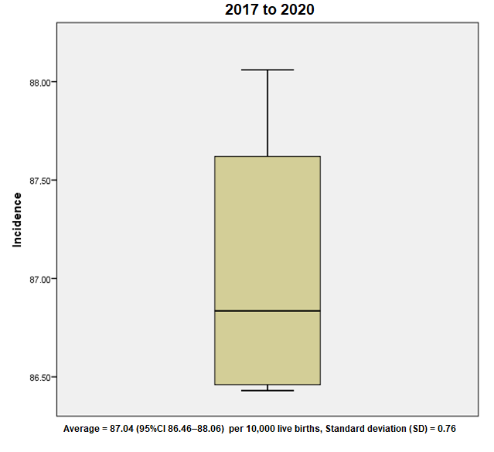

Luzivan Costa Reis1; Dayane Caroliny Pereira Justino2; Perpetua do Socorro da Silva; Luis Enrique Murillo Vizcardo4
1Postgraduate Program in Medicine: Medical Sciences, Faculty of Medicine, Universidade Federal do Rio Grande do Sul, Porto Alegre, RS 90035-003, Brazil
2Postgraduate Program in Public Health, Universidade Federal do Rio Grande do Rio Grande do Norte, Natal, RN 59075-000, Brazil
3Nursing Course Coordination, Universidade Federal do Maranhão, Imperatriz, MA 65900-000, Brazil
4Postgraduate Program in Informatics, Department of Informatics, Universidade Federal do Rio Grande do Sul, Porto Alegre, RS 91501-970, Brazil

*Corresponding author: Luzivan Costa Reis. Postgraduate Program in Medicine: Medical Sciences, Faculty of Medicine, Universidade Federal do Rio Grande do Sul, Porto Alegre, RS 90035-003, Brazil. Email: luzivanreis@gmail.com

IMR-DBs2017to2020
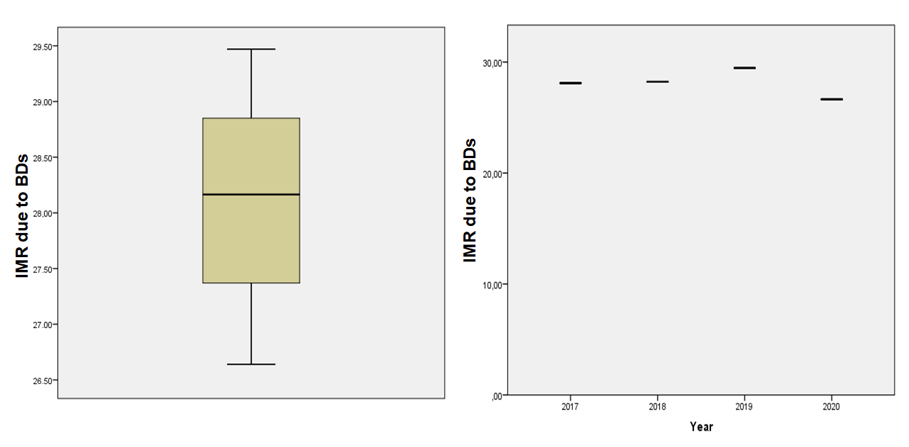
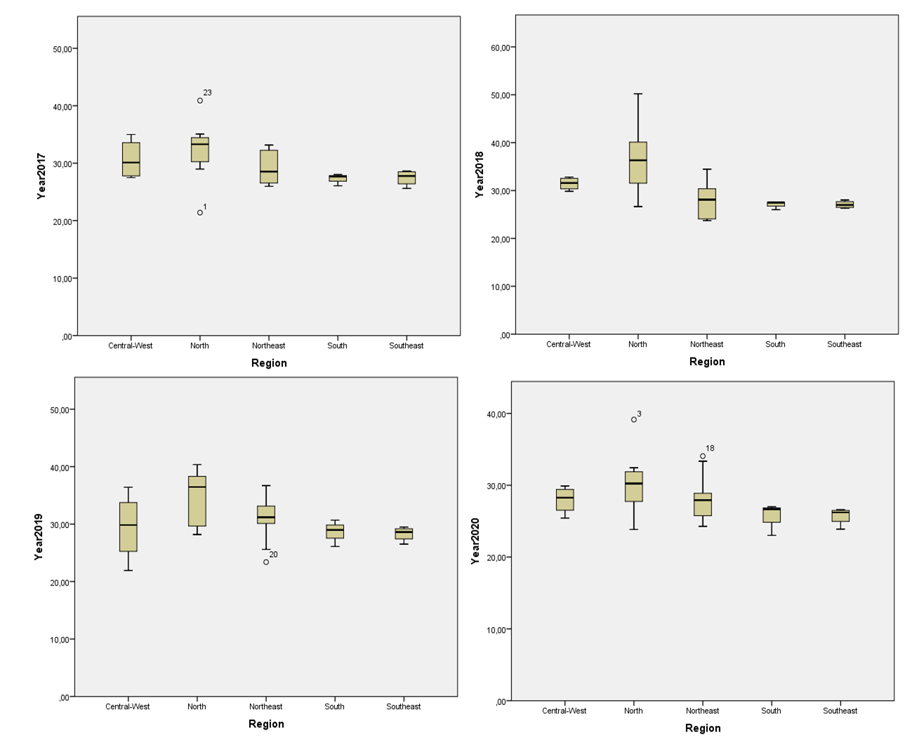
Infant mortality due to Birth defects (BDs) | Period 20217 to 2020
Repeated measures ANOVA summary
Assume sphericity? | No
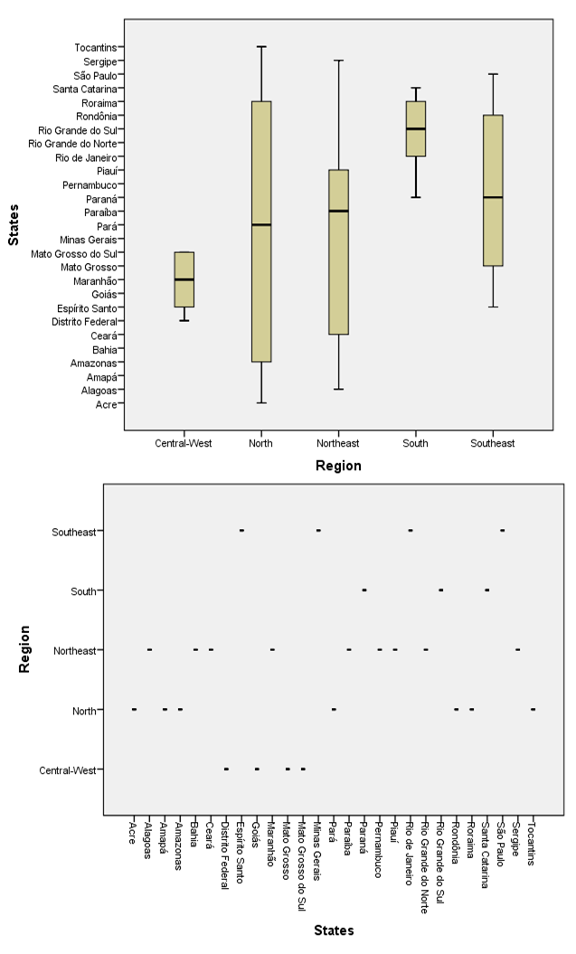
F | 4.111
P value | 0.01
P value summary | *
Statistically significant (P < 0.05)? | Yes
Geisser-Greenhouse's epsilon | 0.9175
R squared | 0.1365

Was the matching effective?
F | 4.973
P value | <0,001
P value summary | ***
Is there significant matching (P < 0.05)? | Yes
R squared | 0.5887

ANOVA table | SS | DF | MS | F (DFn, DFd) | P value
Treatment (between columns) | 130.6 | 3 | 43.53 | F (2,753, 71,57) = 4,111 | P=0,01
Individual (between rows) | 1369 | 26 | 52.66 | F (26, 78) = 4,973 | P<0,001
Residual (random) | 826 | 78 | 10.59
Total | 2326 | 107

Friedman test (ANOVA)
P value | 0.001
Exact or approximate P value? | Approximate
P value summary | **
Are means signif. different? (P < 0.05) | Yes
Number of groups | 4
Friedman statistic | 16.11

Data summary
Number of treatments (columns) | 4
Number of subjects (rows) | 27

Uncorrected Dunn's test | Rank sum diff, | Significant? | Summary | Individual P Value
2018 vs. 2017 | -3 | No | ns | 0.75 | D-C
2019 vs. 2017 | 11 | No | ns | 0.25 | E-C
2020 vs. 2017 | -26 | Yes | ** | 0.006 | F-C
2019 vs. 2018 | 14 | No | ns | 0.14 | E-D
2020 vs. 2018 | -23 | Yes | * | 0.02 | F-D
2020 vs. 2019 | -37 | Yes | *** | <0,001 | F-E

Test details | Rank sum 1 | Rank sum 2 | Rank sum diff, | n1 | n2 | Z
2018 vs. 2017 | 69 | 72 | -3 | 27 | 27 | 0.3162
2019 vs. 2017 | 83 | 72 | 11 | 27 | 27 | 1.16
2020 vs. 2017 | 46 | 72 | -26 | 27 | 27 | 2.741
2019 vs. 2018 | 83 | 69 | 14 | 27 | 27 | 1.476
2020 vs. 2018 | 46 | 69 | -23 | 27 | 27 | 2.424
2020 vs. 2019 | 46 | 83 | -37 | 27 | 27 | 3.9

Source: DATASU-SINASC, Brazil

