Linear Model
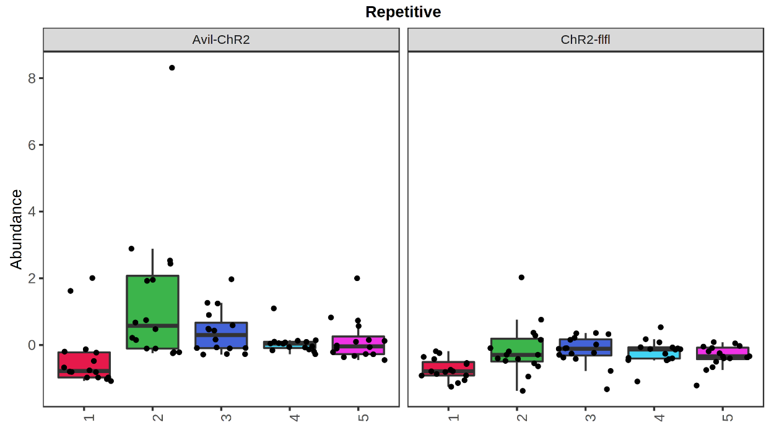
Parameter | LogFC | AvgExpr (autoscale normalization) | t value | P value | adjusted P value | B value
Repetitive | 0.62119 | 11.11 | 4.4223 | 1.63E-05 | 2.54E-04 | 2.6597
Licks /h | 0.6309 | 8.18 | 4.413 | 1.69E-05 | 2.54E-04 | 2.6232
LickDuration /h | 0.61289 | -4.67 | 4.2928 | 2.79E-05 | 2.79E-04 | 2.1566
VisitDuration /h | 0.48615 | 4.68 | 3.2358 | 0.0014275 | 0.010706 | -1.4711
Amplitude | 0.43008 | -1.74 | 3.1616 | 0.0018225 | 0.010935 | -1.6921
Lduration /LVisit | 0.42266 | 0.78 | 3.0932 | 0.002274 | 0.01137 | -1.8918
Lvisits | 0.4566 | 14.52 | 3.0399 | 0.0026951 | 0.01155 | -2.0446
SideCorrect /h | 0.42899 | -5.40 | 2.9852 | 0.0032005 | 0.012002 | -2.1988
Svisits | 0.3968 | 1.27 | 2.8859 | 0.0043482 | 0.014494 | -2.4727
Visits | 0.4287 | 5.64 | 2.8355 | 0.0050626 | 0.015188 | -2.6081
Mesor | 0.42416 | -1.14 | 2.8017 | 0.0056015 | 0.015277 | -2.6979
NPVdur | 0.3905 | 5.22 | 2.5783 | 0.010674 | 0.026684 | -3.2659
LickContact /h | 0.35832 | -4.51 | 2.508 | 0.012965 | 0.027858 | -3.4355
Licks /LVisit | 0.34288 | 17.10 | 2.507 | 0.013 | 0.027858 | -3.4379
Visits /h | 0.36103 | -5.78 | 2.3539 | 0.019584 | 0.038695 | -3.7922
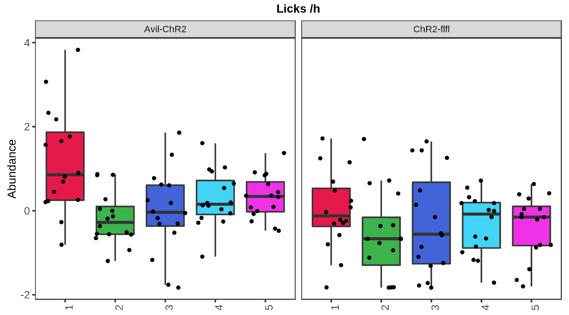
PlaceCorrect | 0.32177 | -3.22 | 2.3338 | 0.020637 | 0.038695 | -3.8372
Nosepokes /h | 0.32867 | -7.68 | 2.1345 | 0.034066 | 0.060117 | -4.263
NPdur /h | 0.30464 | 5.55 | 2.0022 | 0.046665 | 0.073921 | -4.5256
Nosepokes /Visit with NP | 0.30953 | 2.01 | 2.0008 | 0.046817 | 0.073921 | -4.5283

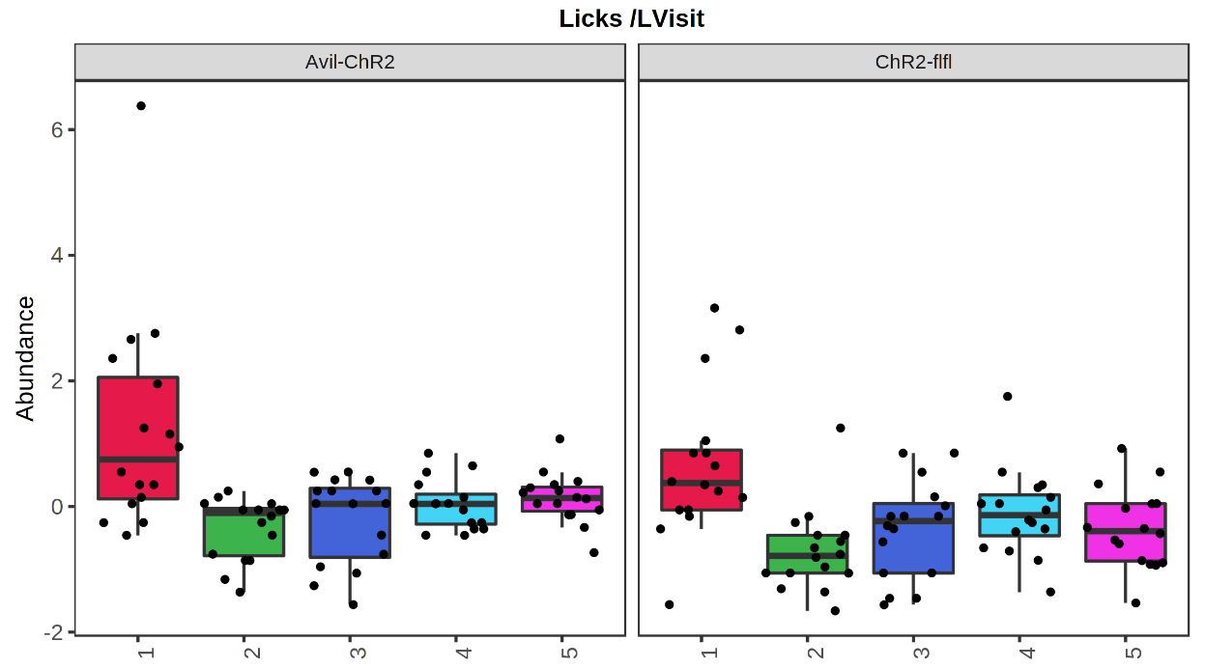

 |  |  |  |  |  |  | X-axis "time" refers to different sequential tasks
 |  |  |  |  |  |  | 01 | Free adaptation (FA)
 |  |  |  |  |  |  | 02 | Nosepoke learning of three correct corner (NP3C)
 |  |  |  |  |  |  | 03 | Place Preference Learning (PPL)
 |  |  |  |  |  |  | 04 | PPL reversal (PPLrev)
 |  |  |  |  |  |  | 05 | Mean during all tasks

correlation
Parameter | correlation | t-stat | p-value | FDR | increased in Avil-ChR2 is positive
Licks /h | 0.31897 | 4.2169 | 0.000041703 | 0.0006843 | decreased in Avil-ChR2 is negative
Repetitive | 0.31176 | 4.1112 | 0.000063269 | 0.0006843
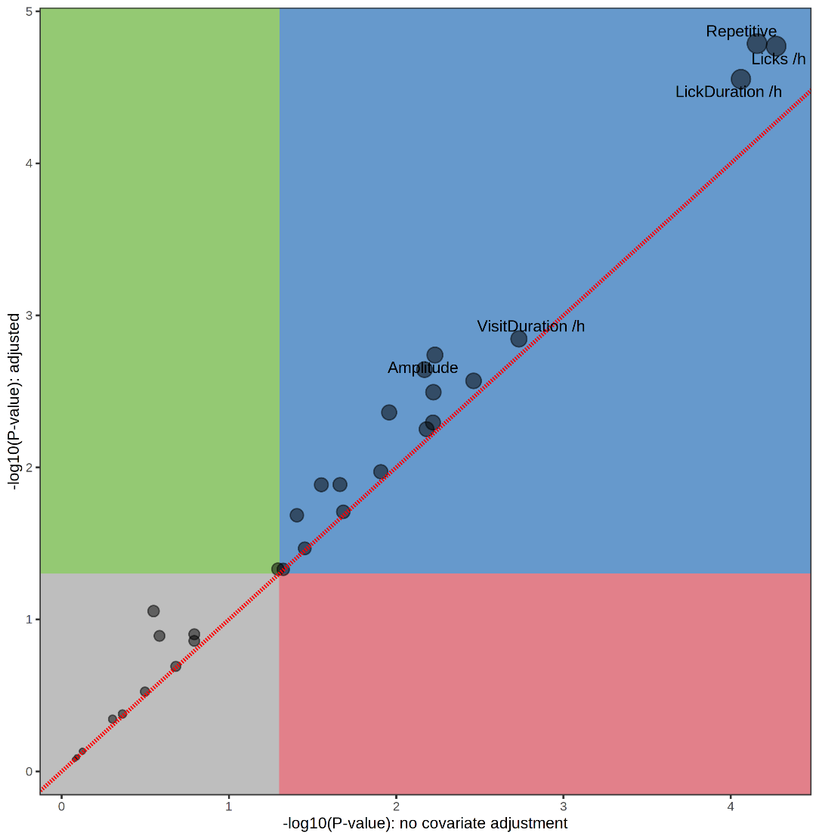
LickDuration /h | 0.31038 | 4.0911 | 0.00006843 | 0.0006843
VisitDuration /h | 0.24441 | 3.1582 | 0.0019043 | 0.014282
Lvisits | 0.23088 | 2.9732 | 0.0034121 | 0.020473
SideCorrect /h | 0.22065 | 2.8346 | 0.0051927 | 0.020507
Amplitude | 0.21858 | 2.8067 | 0.0056396 | 0.020507
Lduration /LVisit | 0.21851 | 2.8058 | 0.0056552 | 0.020507
Visits | 0.2159 | 2.7705 | 0.0062726 | 0.020507
Mesor | 0.2137 | 2.741 | 0.0068356 | 0.020507
Svisits | 0.20698 | 2.6508 | 0.008853 | 0.024144
NPVdur | 0.19677 | 2.5147 | 0.012919 | 0.032296
LickContact /h | 0.18365 | 2.3409 | 0.020493 | 0.047291
Visits /h | 0.18128 | 2.3096 | 0.02221 | 0.047594
Licks /LVisit | 0.17678 | 2.2504 | 0.02581 | 0.05162
PlaceCorrect | 0.16791 | 2.1342 | 0.034382 | 0.064467
Nosepokes /h | 0.16499 | 2.096 | 0.037683 | 0.0665
Nosepokes /Visit with NP | 0.15532 | 1.9701 | 0.050586 | 0.084311
NPdur /h | 0.1533 | 1.9438 | 0.053707 | 0.084801
Regularity | 0.11307 | 1.4259 | 0.15587 | 0.2338
Npvisits | 0.11058 | 1.3941 | 0.16527 | 0.2361
Nocturnal | 0.098907 | 1.2454 | 0.21484 | 0.29296
SideCorrectProp | 0.095896 | 1.2071 | 0.22919 | 0.29626
PlaceCorrectProp | 0.094314 | 1.187 | 0.23701 | 0.29626
Lcontact /LVisit | 0.079369 | 0.99764 | 0.31999 | 0.38399
Acrophase | -0.061417 | -0.77101 | 0.44186 | 0.50984
Uneveness | -0.056108 | -0.70415 | 0.48238 | 0.53598
FirstLeft | -0.024732 | -0.30999 | 0.75698 | 0.81105
Npduration | -0.018756 | -0.23506 | 0.81447 | 0.83932
IVIrepdens | -0.016207 | -0.2031 | 0.83932 | 0.83932

ASCAsigAB
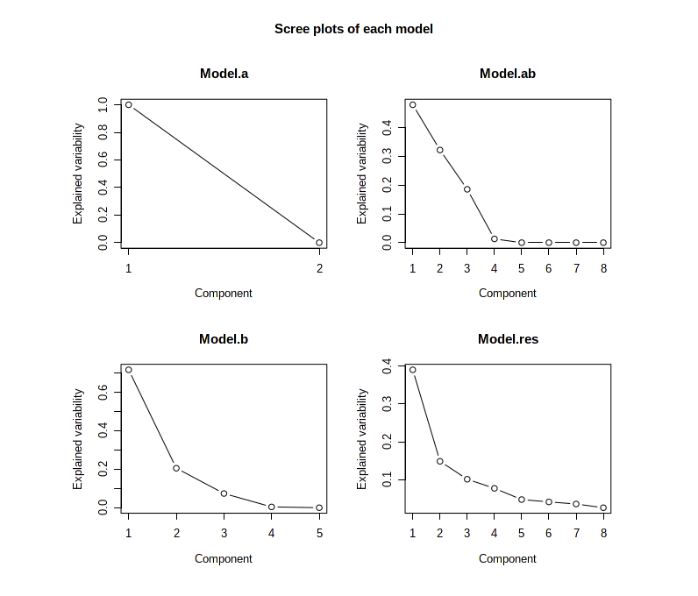
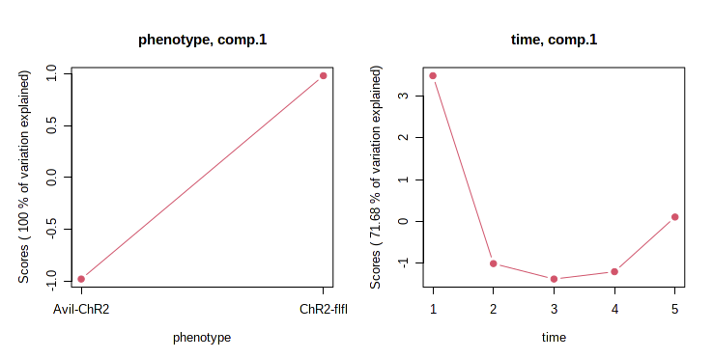
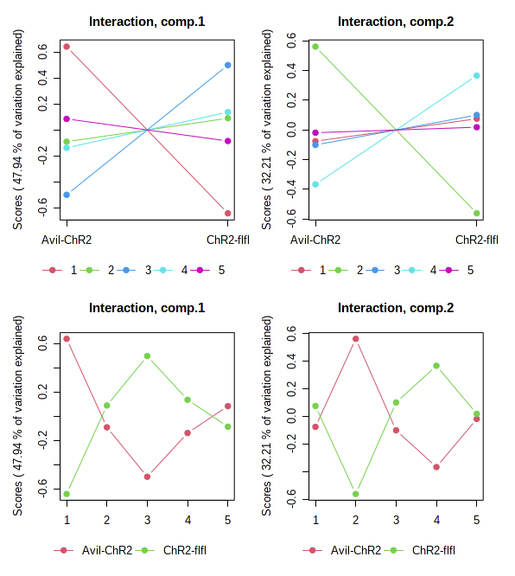
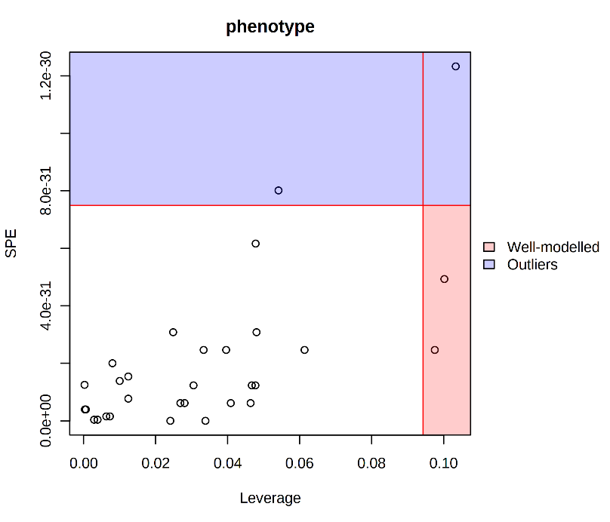
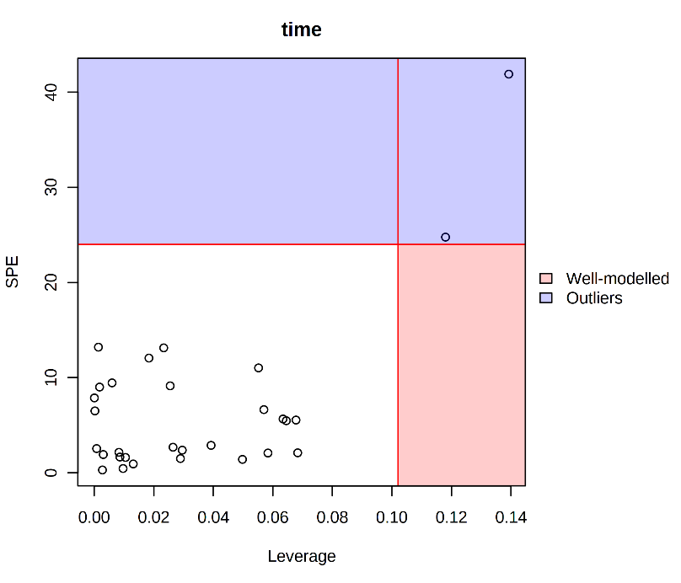
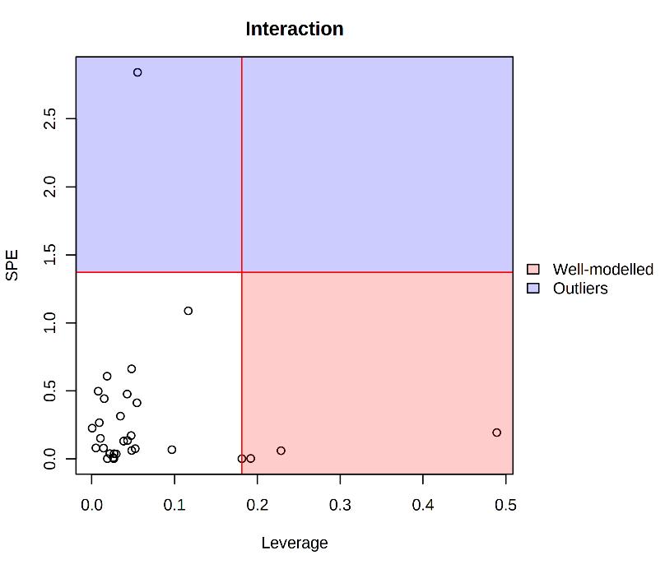
Parameter (ASCAsig) | Leverage | SPE | ASCA explained
Repetitive | 0.489201 | 0.194072
LickContact /h | 0.22855 | 0.0609304
LickDuration /h | 0.19198 | 0.0036597
Licks /h | 0.181275 | 0.00200047

"time" refers to different sequential tasks
01 | Free adaptation (FA)
02 | Nosepoke learning of three correct corner (NP3C)
03 | Place Preference Learning (PPL)
04 | PPL reversal (PPLrev)
05 | Mean during all tasks

RmForest-Imp
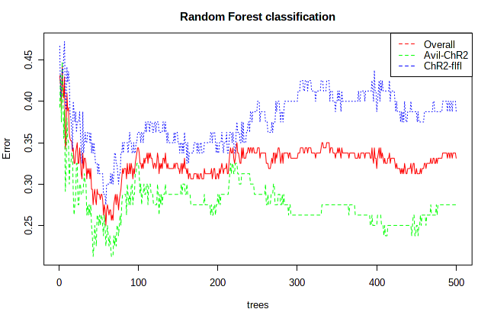
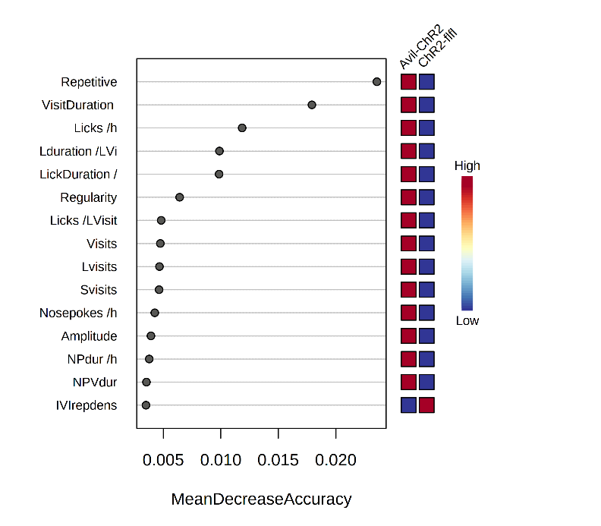
Name | Mean Decrease Accuracy
Repetitive | 0.023568
VisitDuration /h | 0.017918
Licks /h | 0.011853
Lduration /LVisit | 0.0098796
LickDuration /h | 0.0098496
Regularity | 0.0064244
Licks /LVisit | 0.0048195
Visits | 0.0047439
Lvisits | 0.0046674
Svisits | 0.0046345
Nosepokes /h | 0.0042607
Amplitude | 0.0039279
NPdur /h | 0.0037814
NPVdur | 0.003536
IVIrepdens | 0.0034949
Mesor | 0.0030503
PlaceCorrect | 0.0029805
FirstLeft | 0.0026837
Npvisits | 0.0023198
Visits /h | 0.0021899
 |  | The OOB error is 0.312
 |  |  | Avil-ChR2 | ChR2-flfl | class.error
 |  | Avil-ChR2 | 59 | 21 | 0.262
 |  | ChR2-flfl | 29 | 51 | 0.363

