Sheet2
Supplementary Table 1. Hit candidate list of computational virtual screening for OTUD3 inhibitors
Index | Structure | MW(Da) | SMILES | ChemDiv ID
1 |  | 448.95 | O=C1C(=COC=2C=CC([Cl])=CC1=2)[C@@]4([H])NC3=CC(C)=C(C)C=C3NC=5CC(C)(C)CC(=O)C4=5 | 2986-4181
2 |  | 519.64 | O=C1N(C(=O)[C@@]2([H])[C@]1([H])[C@@]35C=C([C@]2([H])C[C@]3([H])[C@]4(C)CCC[C@@](C)(C(=O)O)[C@]4([H])CC5)C(C)(C)[H])C6=CC(=CC=C6)C(=O)O | 2995-2035
3 |  | 491.63 | O=C4N(C(=O)[C@@]5([H])[C@@]13C=C([C@]([H])(C[C@]1([H])[C@]2(C)CCC[C@](C)(C(=O)O)[C@]2([H])CC3)[C@@]45[H])C(C)(C)[H])C=6C=CC(O)=CC=6 | 2995-2037
4 |  | 491.63 | O=C1N(C(=O)[C@@]2([H])[C@]1([H])[C@@]35C=C([C@]2([H])C[C@]3([H])[C@]4(C)CCC[C@](C)(C(=O)O)[C@]4([H])CC5)C(C)(C)[H])C=6/C=C(/O)C=CC=6 | 2995-2038
5 | 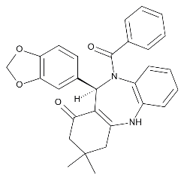 | 466.54 | O=C(N3C=1C=CC=CC=1NC=2CC(C)(C)CC(=O)C=2[C@@]3([H])C5=CC=4OCOC=4C=C5)C6=CC=CC=C6 | 3045-0014
6 | 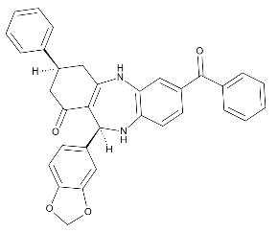 | 514.59 | O=C3C[C@]([H])(CC=2NC=1C=C(C=CC=1N[C@]([H])(C=23)C=5C=C4OCOC4=CC=5)C(=O)C6=CC=CC=C6)C=7C=CC=CC=7 | 3096-0108
7 |  | 486.58 | O=C3C[C@@]([H])(CC=2NC=1C=C(C=CC=1N[C@]([H])(C=23)C=4/C=C(/O)C=CC=4)C(=O)C=5C=CC=CC=5)C6=CC=CC=C6 | 3096-0113
8 |  | 428.54 | O=C1C(=COC2=C/C=C(/C)C=C12)[C@]4([H])NC3=CC(C)=C(C)C=C3NC=5CC(C)(C)CC(=O)C4=5 | 3490-5450
9 | 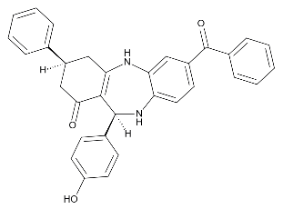 | 486.58 | O=C3C[C@]([H])(CC=2NC1=CC(=CC=C1N[C@]([H])(C=23)C=4C=CC(O)=CC=4)C(=O)C5=CC=CC=C5)C=6C=CC=CC=6 | 3770-0090
10 |  | 531.66 | O=C(C=2[S]C=1/N=C(/C)N=C(C=1C=2C)N3CCN(CC3)C4=NC=CC=C4)N5CCN(CC5)C6=C/C=C(/[F])C=C6 | 3909-9064
11 |  | 465.6 | O=C3C[C@]([H])(CC=2NC=1C=CC=CC=1N(C(=O)C)[C@@]([H])(C=23)C=4C=NC=CC=4)C=5C=CC(=CC=5)C(C)(C)C | 4780-0051
12 | 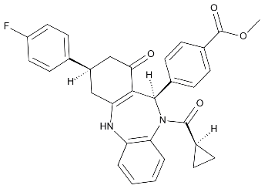 | 510.57 | O=C(N3C=1C=CC=CC=1NC=2C[C@]([H])(CC(=O)C=2[C@@]3([H])C=4C=CC(=CC=4)C(=O)OC)C=5C=CC([F])=CC=5)[C@@]6([H])CC6 | 4780-0123
13 |  | 449.42 | O=C4N(C(=O)C=5C=C3OC=1C=CC=CC=1C=2C=CC=CC=2OC3=CC4=5)C=6C=C(C=CC=6)C(=O)O | 5871-1852
14 |  | 484.65 | O=C(N1CCN(CC1)C2=CC=CC=C2)C3([H])CCN(CC3)C5=NN=C(C4=CC=CC=C45)N6CCCCC6 | C201-1276
15 | 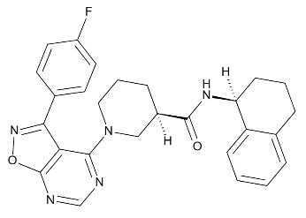 | 471.54 | O=C(N[C@@]1([H])CCCC2=CC=CC=C12)[C@@]3([H])CN(CCC3)C4=NC=NC=5ON=C(C4=5)C=6C=CC([F])=CC=6 | E945-0137
16 |  | 508.6 | O=[S](=O)(N2CC=1C=CC=CC=1CC2)C3=CC=C(C=C3)C(=O)N/C4=C/C(=CC=C4)C6=NC=5C=CC=CC=5N6 | G856-0029
17 | 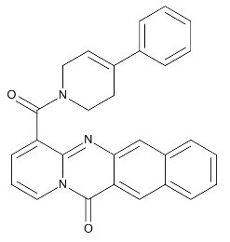 | 431.5 | O=C4N1C=CC=C(C1=NC3=CC2=CC=CC=C2C=C34)C(=O)N5CC=C(CC5)C6=CC=CC=C6 | K306-0671
18 |  | 458.69 | O=C(C)O[C@@]6([H])C[C@@]5([H])CC[C@@]4([H])[C@@]3([H])C[C@@]2([H])O[C@@]1(OC[C@](C)([H])CC1)[C@](C)([H])[C@]2([H])[C@@]3(C)CC[C@]4([H])[C@@]5(C)CC6 | N039-0023
MW：molecular weight.

