Paw weight
con | carr | 0.5mg | 1mg | aspirin

0.1 | 0.3 | 0.15 | 0.25 | 0.2
0.15 | 0.35 | 0.25 | 0.3 | 0.2
0.1 | 0.35 | 0.15 | 0.2 | 0.25 |  |  | 0HRS
0.11666666667 | 0.33333333333 | 0.18333333333 | 0.25 | 0.21666666667 | GROUP | ANIMAL BODY WEIGHT | BEF0RE TREATMENT | AFTER TREATMENT | 1ST HR | 2RD HR | 3TH HR | 4 TH HR
0.028867513459 | 0.028867513459 | 0.057735026919 | 0.05 | 0.028867513459 | CONTROL | 150 | 0.5 | 0.5 | 0.5 | 0.5 | 0.5 | 0.5
 | #NAME? | #NAME? | #NAME? | #NAME?

 |  |  |  |  | CARRAGENNAN | 155 | 0.5 | 0.9 | 0.9 | 0.85 | 0.85 | 0.85
 |  |  |  |  |  | 150 | 0.5 | 0.9 | 0.95 | 0.85 | 0.85 | 0.85

 |  |  |  |  | 0.5mg | 150 | 0.6 | 0.9 | 0.7 | 0.7 | 0.6 | 0.6
 |  |  |  |  |  | 155 | 0.5 | 0.9 | 0.75 | 0.7 | 0.6 | 0.6

 |  |  |  |  | 1mg | 156 | 0.6 | 0.9 | 0.8 | 0.75 | 0.6 | 0.6
 |  |  |  |  |  | 160 | 0.6 | 0.9 | 0.8 | 0.78 | 0.55 | 0.6
 |  |  |  |  |  | 153.71428571 | 0.54285714286 | 0.84285714286 | 0.77142857143 | 0.73285714286 | 0.65 | 0.65714285714
 |  |  |  |  |  | 3.8606685826 | 0.053452248382 | 0.1511857892 | 0.14679107278 | 0.1199603109 | 0.14142135624 | 0.13671311638
 |  |  |  |  |  |  | #NAME? | #NAME? | #NAME? | #NAME? | #NAME? | #NAME?

 |  |  |  |  | 1hr | Control | Car | 0.5mg | 1mg
 |  |  |  |  |  | 0.5 | 0.9 | 0.8 | 0.7 |  |  |  | 1hr | 2hr | 3hr | 4hr
 |  |  |  |  |  | 0.5 | 0.9 | 0.8 | 0.7 |  |  | con | 0.5 | 0.5 | 0.5 | 0.5
 |  |  |  |  |  | 0.5 | 0.9 | 0.75 | 0.75 |  |  | car | 0.9125 | 0.8625 | 0.8625 | 0.8125
 |  |  |  |  |  | 0.5 | 0.95 | 0.75 | 0.75 |  |  | 0.5mg | 0.775 | 0.725 | 0.6125 | 0.5525
 |  |  |  |  |  | 0.5 | 0.9125 | 0.775 | 0.725 |  |  | 1mg | 0.725 | 0.7125 | 0.5875 | 0.525
 |  |  |  |  |  | #NAME? | #NAME? | #NAME? | #NAME?
 |  |  |  |  | 2hr | 0.5 | 0.85 | 0.75 | 0.7
 |  |  |  |  |  | 0.5 | 0.9 | 0.7 | 0.75
 |  |  |  |  |  | 0.5 | 0.85 | 0.75 | 0.7
 |  |  |  |  |  | 0.5 | 0.85 | 0.7 | 0.7
 |  |  |  |  |  | 0.5 | 0.8625 | 0.725 | 0.7125
 |  |  |  |  |  | #NAME? | #NAME? | #NAME? | #NAME?
 |  |  |  |  | 3hr | 0.5 | 0.85 | 0.65 | 0.55
 |  |  |  |  |  | 0.5 | 0.85 | 0.6 | 0.6
 |  |  |  |  |  | 0.5 | 0.9 | 0.6 | 0.6
 |  |  |  |  |  | 0.5 | 0.85 | 0.6 | 0.6
 |  |  |  |  |  | 0.5 | 0.8625 | 0.6125 | 0.5875
 |  |  |  |  |  | #NAME? | #NAME? | #NAME? | #NAME?
 |  |  |  |  | 4hr | 0.5 | 0.8 | 0.55 | 0.5
 |  |  |  |  |  | 0.5 | 0.8 | 0.56 | 0.5
 |  |  |  |  |  | 0.5 | 0.85 | 0.55 | 0.55
 |  |  |  |  |  | 0.5 | 0.8 | 0.55 | 0.55
 |  |  |  |  |  | 0.5 | 0.8125 | 0.5525 | 0.525
 |  |  |  |  |  | #NAME? | #NAME? | #NAME? | #NAME?

MPO
 | MPO |  |  |  | PROTEIN
 | Control | Carragennan | 0.5mg | 1 mg | Control | carragennan | 0.5mg | 1mg
A | 0.085 | 0.279 | 0.14 | 0.185 | 1.217 | 0.965 | 1.302 | 1.272
B | 0.089 | 0.283 | 0.142 | 0.181 | 1.21 | 0.995 | 1.338 | 1.258
C | 0.091 | 0.294 | 0.141 | 0.187 | 1.228 | 1.115 | 1.309 | 1.321
D | 0.09 | 0.288 | 0.139 | 0.207 | 1.132 | 1.38 | 1.529 | 1.216
E | 0.089 | 0.281 | 0.139 | 0.198 | 1.158 | 1.349 | 1.559 | 1.223
F | 0.091 | 0.291 | 0.142 | 0.206 | 1.193 | 1.358 | 1.667 | 1.236

 |  |  | MPO protein OD |  |  |  |  |  | Total Protein OD
 |  |  |  | Control | Carragennan | 0.5mg | 1 mg |  |  | Control | carragennan | 0.5mg | 1mg
 |  |  | A | 0.085 | 0.279 | 0.14 | 0.185 |  | A | 1.217 | 0.965 | 1.302 | 1.272
 |  |  | B | 0.089 | 0.283 | 0.142 | 0.181 |  | B | 1.21 | 0.995 | 1.338 | 1.258
 |  |  | C | 0.091 | 0.294 | 0.141 | 0.187 |  | C | 1.228 | 1.115 | 1.309 | 1.321
 |  |  | D | 0.09 | 0.288 | 0.139 | 0.207 |  | D | 1.132 | 1.38 | 1.529 | 1.216
 |  |  | E | 0.089 | 0.281 | 0.139 | 0.198 |  | E | 1.158 | 1.349 | 1.559 | 1.223
 |  |  | F | 0.091 | 0.291 | 0.142 | 0.206 |  | F | 1.193 | 1.358 | 1.667 | 1.236
 |  |  | Mean | 0.089166666667 | 0.286 | 0.1405 | 0.194 |  |  | 1.189666667 | 1.189666667 | 1.189666667 | 1.189666667

Control | 0.075023678617
Carragennan | 0.24475037072
0.5mg | 0.097770502913
1 mg | 0.154945459
 |  |  |  | Control | Carragennan | 0.5mg | 1 mg
MPO OD/TOTAL PROTEIN OD |  |  |  | 0.069843878389 | 0.28911917098 | 0.10752688172 | 0.14544025157
 |  |  |  | 0.073553719008 | 0.28442211055 | 0.10612855007 | 0.14387917329
 |  |  |  | 0.074104234528 | 0.26367713004 | 0.1077158136 | 0.14155942468
 |  |  |  | 0.079505300353 | 0.20869565217 | 0.090909090909 | 0.17023026316
 |  |  |  | 0.076856649396 | 0.20830244626 | 0.089159717768 | 0.16189697465
 |  |  |  | 0.076278290025 | 0.21428571429 | 0.085182963407 | 0.16666666667
 |  |  | Mean | 0.075023678617 | 0.24475037072 | 0.097770502913 | 0.154945459
 |  |  | stdev | 0.003312257663 | 0.03861903369 | 0.010427116866 | 0.012738391419
 |  |  | TTEST |  | #NAME? | #NAME? | #NAME?

NO2
NO2 STD |  | Concentration(µM) | OD
 |  | 0 | 0.055666666667
 |  | 0.625 | 0.065666666667
 |  | 1.25 | 0.063333333333
 |  | 2.5 | 0.079
 |  | 5 | 0.1
 |  | 10 | 0.14533333333
 |  | 50 | 0.51366666667
 |  | 100 | 0.87766666667

 | control | Carragennan | 0.5mg | 1mg
A | 0.059 | 0.38 | 0.168 | 0.316
B | 0.057 | 0.375 | 0.157 | 0.334
C | 0.058 | 0.377 | 0.158 | 0.301
D | 0.051 | 0.382 | 0.157 | 0.352
E | 0.049 | 0.368 | 0.152 | 0.35
F | 0.048 | 0.389 | 0.154 | 0.356

 | control | Carragennan | 0.5mg | 1mg
 | -0.16943715528 | 38.200100498 | 12.859471269 | 30.550099221
 | -0.40849969517 | 37.602444148 | 11.5446273 | 32.70166208
 | -0.28896842523 | 37.841506688 | 11.66415857 | 28.757130172
 | -1.1256873149 | 38.439163038 | 11.5446273 | 34.853224939
 | -1.3647498548 | 36.765725259 | 10.94697095 | 34.6141624
 | -1.4842811247 | 39.275881928 | 11.18603349 | 35.331350019
MEAN | -0.80693726167 | 38.020803593 | 11.624314813 | 32.801271472
STD | 0.58395235932 | 0.84436807869 | 0.66193419954 | 2.6582385668
TTEST | #NAME? | #NAME? | #NAME? | #NAME?

H2S
 | Control | Carrageenan | 0.5mg | 1mg | Aspirin
 | 0.0217 | 0.067 | 0.0453 | 0.0597 | 0.0497
 | 0.0225 | 0.051 | 0.0458 | 0.0504 | 0.0404
 | 0.0215 | 0.052 | 0.0459 | 0.0509 | 0.0509
 | 0.0212 | 0.053 | 0.0458 | 0.0587 | 0.0578
 | 0.0203 | 0.053 | 0.0445 | 0.0575 | 0.0575
Mean | 0.0217 | 0.0552 | 0.044 | 0.0566 | 0.0566
STDEV | 0.00079874902191 | 0.0066483080554 | 0.00058566201857 | 0.0044449971879 | 0.0071100632909

histology score
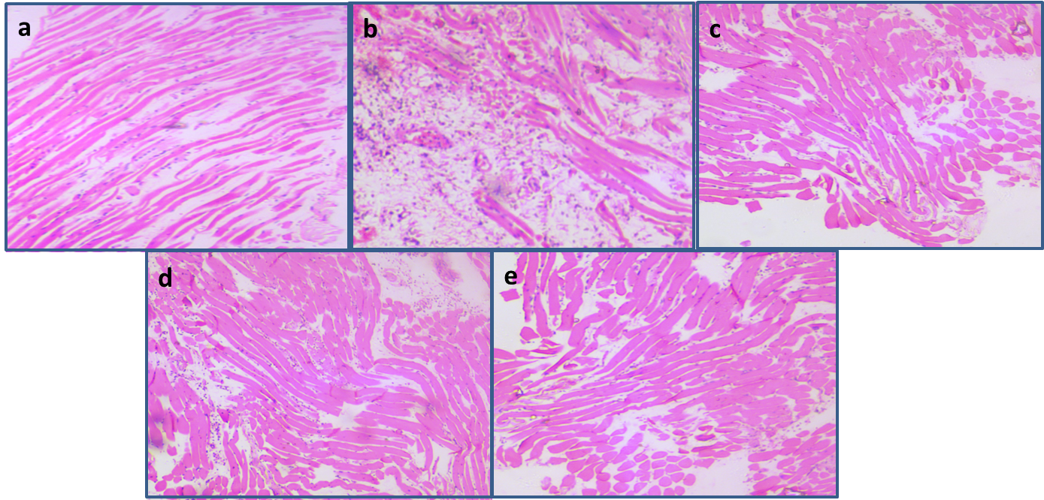

 | Histologic grading was based on the following scale |  | for % calculation
 | 0 = no inflammation | 0 | 0 to 0 %
 | 1 = mild inflammation | 1 | 1 to 25 %
 | 2 = mild/moderate inflammation | 2 | 25 to 50 %
 | 3 = moderate inflammation | 3 | 50 to 75 %
 | 4 = moderate/severe inflammation | 4 | 75 to 100 %
 | 5 = severe inflammation | 5 | 100%
Inflammation

 |  | Inflammatory Index Score
 |  | Control | Carrageenan | Car +0.5mg | Car +1mg | Asp

 |  | 0 | 4 | 2 | 3 | 4
 |  | 0 | 5 | 3 | 4 | 3
 |  | 0 | 5 | 3 | 3 | 3
 |  | 0 | 5 | 2 | 3 | 3
 |  | 0 | 4.75 | 2.5 | 3.25 | 3.25
 |  | 0 | 0.5 | 0.57735026919 | 0.5 | 0.5
 |  | 0 | #NAME? | #NAME? | #NAME? | #NAME?

 | Based on the counting of nucleus

