Cluster 1
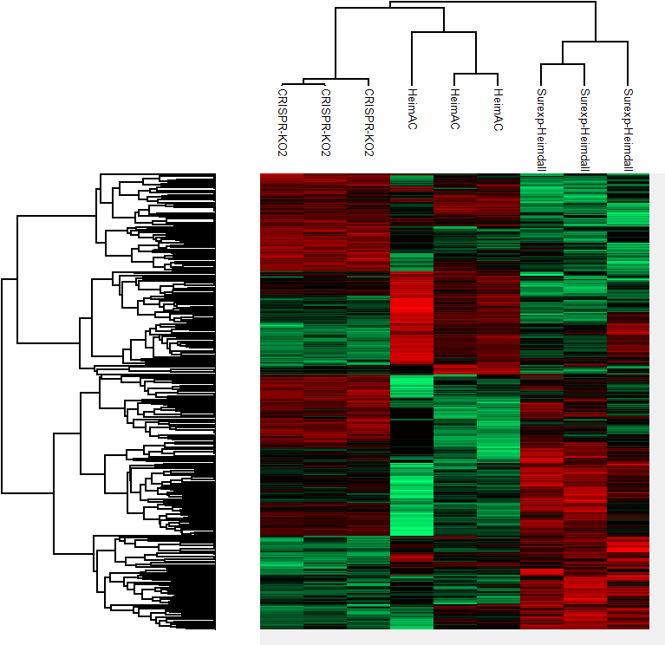
CLUSTER 1
Protein IDs | Majority protein IDs | Protein names | Gene names
D3ZSL2;Q5FVK7 | D3ZSL2 |  | Abracl
Q5PPJ4 | Q5PPJ4 | Deoxyhypusine hydroxylase | Dohh
Q52KJ9 | Q52KJ9 |  | Tmx1
D4A8N0 | D4A8N0 |  | Fam111a
A0A0G2K737;Q920J4 | A0A0G2K737;Q920J4 | Thioredoxin-like protein 1 | Txnl1
D3ZV81 | D3ZV81 |  | Heatr3
D3ZUC9 | D3ZUC9 |  | Oxsr1
Q9HB97;G3V818;D3ZKG5 | Q9HB97;G3V818 | Alpha-parvin | Parva
Q9Z270;A0A0G2K8E6 | Q9Z270;A0A0G2K8E6 | Vesicle-associated membrane protein-associated protein A | Vapa
Q6P685 | Q6P685 |  | Eif2s2
Q9Z2Y1;E9PTS7;B1WBQ6 | Q9Z2Y1;E9PTS7 | Protein timeless homolog | Timeless
Q56R17 | Q56R17 | Importin subunit alpha | Kpna4
O35791;P61589;Q5XIM3;Q80WN4 | O35791;P61589 | Transforming protein RhoA | Rhoa
B5DF65 | B5DF65 |  | Blvrb
P63281;A0A0G2KB55 | P63281;A0A0G2KB55 | SUMO-conjugating enzyme UBC9 | Ube2i
P30009;F1LMW7 | P30009;F1LMW7 | Myristoylated alanine-rich C-kinase substrate | Marcks
P02454;A0A068F650;CON__Q862S4 | P02454 | Collagen alpha-1(I) chain | Col1a1
A0A0G2KAN1;F1LS40;A0A0G2K5E8 | A0A0G2KAN1;F1LS40;A0A0G2K5E8 |  | Col1a2
P83868;B2GV92;Q5PQL9 | P83868;B2GV92 | Prostaglandin E synthase 3 | Ptges3
P62749 | P62749 | Hippocalcin-like protein 1 | Hpcal1
Q920A6 | Q920A6 | Retinoid-inducible serine carboxypeptidase | Scpep1
Q9EQX9;G3V6M7 | Q9EQX9 | Ubiquitin-conjugating enzyme E2 N | Ube2n
D3ZTJ7 | D3ZTJ7 |  | Kdm2a
Q5U2V8 | Q5U2V8 | ER membrane protein complex subunit 3 | Emc3
A0A140TAH1;Q9JJ50-2;Q9JJ50 | A0A140TAH1;Q9JJ50-2;Q9JJ50 | Hepatocyte growth factor-regulated tyrosine kinase substrate | Hgs
Q02769;Q8BHH4 | Q02769 | Squalene synthase | Fdft1
D4A8H5;B2RZ73 | D4A8H5;B2RZ73 |  | Ppp4r2
Z4YNP1;Q792H5-2;Q792H5-3;Q792H5;Q792H5-4 | Z4YNP1;Q792H5-2;Q792H5-3;Q792H5;Q792H5-4 | CUGBP Elav-like family member 2 | Celf2
D3ZBT9;F1MAH5;B6ID03 | D3ZBT9;F1MAH5 |  | Ppp6r3
Q5PQX1;Q5PQX1-3;Q5PQX1-2 | Q5PQX1;Q5PQX1-3;Q5PQX1-2 | Torsin-1A-interacting protein 1 | Tor1aip1
P61023 | P61023 | Calcineurin B homologous protein 1 | Chp1
A0A0G2K3Z9;Q63716 | A0A0G2K3Z9;Q63716 | Peroxiredoxin-1 | Prdx1
Q6IN22;P00787 | Q6IN22;P00787 | Cathepsin B;Cathepsin B light chain;Cathepsin B heavy chain | Ctsb
G3V8G5;Q62638 | G3V8G5;Q62638 | Golgi apparatus protein 1 | Glg1
A0A0G2JVL6;Q7TP78;F7EXQ7 | A0A0G2JVL6;Q7TP78;F7EXQ7 |  | Ndufa8
Q6DGG0;M0RB67 | Q6DGG0;M0RB67 | Peptidyl-prolyl cis-trans isomerase D | Ppid;Ppidl1
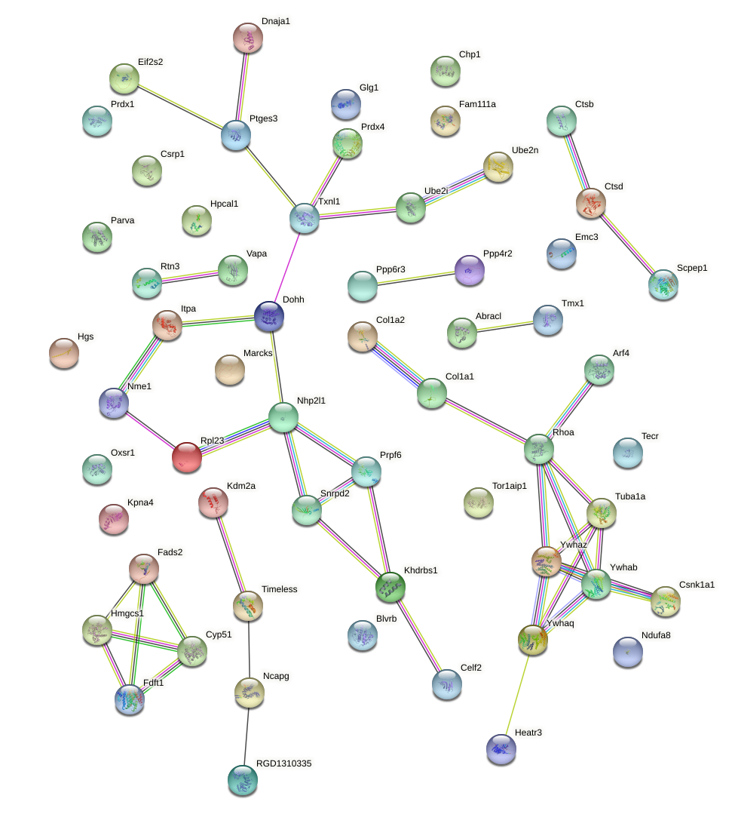
P63036 | P63036 | DnaJ homolog subfamily A member 1 | Dnaja1
Q9Z0V5 | Q9Z0V5 | Peroxiredoxin-4 | Prdx4
Q64654 | Q64654 | Lanosterol 14-alpha demethylase | Cyp51a1
P63102;A0A0G2JV65 | P63102;A0A0G2JV65 | 14-3-3 protein zeta/delta | Ywhaz
P61751 | P61751 | ADP-ribosylation factor 4 | Arf4
Q6P6T6;P24268 | Q6P6T6;P24268 | Cathepsin D;Cathepsin D 12 kDa light chain;Cathepsin D 9 kDa light chain;Cathepsin D 34 kDa heavy chain;Cathepsin D 30 kDa heavy chain | Ctsd
P17425 | P17425 | Hydroxymethylglutaryl-CoA synthase, cytoplasmic | Hmgcs1
D3ZW55 | D3ZW55 | Inosine triphosphate pyrophosphatase | Itpa
Q4KLN6;D4A7M6;D4ADQ1 | Q4KLN6;D4A7M6 | Ribonucleoside-diphosphate reductase subunit M2 | Rrm2;LOC100359539
A0A0H2UHX1;A1L1I6;Q6RJR6-2;Q6RJR6 | A0A0H2UHX1;A1L1I6;Q6RJR6-2;Q6RJR6 | Reticulon;Reticulon-3 | Rtn3
B3SVE9;Q64232 | B3SVE9;Q64232 | Very-long-chain enoyl-CoA reductase | Tecr
P62832 | P62832 | 60S ribosomal protein L23 | Rpl23
Q9Z122;A0A140TAE1 | Q9Z122;A0A140TAE1 | Fatty acid desaturase 2 | Fads2
D3ZF50 | D3ZF50 |  | RGD1310335
P35213;P35213-2 | P35213;P35213-2 | 14-3-3 protein beta/alpha;14-3-3 protein beta/alpha, N-terminally processed | Ywhab
Q05982;Q6LCQ4 | Q05982 | Nucleoside diphosphate kinase A | Nme1
P55770;H7C5X3 | P55770 | NHP2-like protein 1;NHP2-like protein 1, N-terminally processed | Nhp2l1
P47875 | P47875 | Cysteine and glycine-rich protein 1 | Csrp1
B5DES0 | B5DES0 |  | Snrpd2
D3ZD72 | D3ZD72 |  | Ncapg
A0JPL2;P97633;D3ZRE3;P97633-2 | A0JPL2;P97633;D3ZRE3;P97633-2 | Casein kinase I isoform alpha | Csnk1a1
P68370 | P68370 | Tubulin alpha-1A chain | Tuba1a
A1A5S1 | A1A5S1 | Pre-mRNA-processing factor 6 | Prpf6
P68255 | P68255 | 14-3-3 protein theta | Ywhaq
Q91V33;Q920F3 | Q91V33 | KH domain-containing, RNA-binding, signal transduction-associated protein 1 | Khdrbs1

Cluster 2
Cluster 2
Protein IDs | Majority protein IDs | Protein names | Gene names
D3ZKG1 | D3ZKG1 |  | Mut
C7E1V1;Q63269;Q5BJS8;A0A0G2K260 | C7E1V1;Q63269 | Inositol 1,4,5-trisphosphate receptor type 3 | Itpr3
Q5U2T9 | Q5U2T9 |  | Fkbp5
Q80WE1;Q80WE1-2;A0A067XMV0 | Q80WE1;Q80WE1-2 | Fragile X mental retardation protein 1 homolog | Fmr1
A0A0G2K654;P06349 | A0A0G2K654
F1LV13;F1M3D3;Q62826;Q62826-2;A0A0G2JVD4 | F1LV13;F1M3D3;Q62826;Q62826-2 | Heterogeneous nuclear ribonucleoprotein M | Hnrnpm
P62997;F1LVK5 | P62997 | Transformer-2 protein homolog beta | Tra2b
A0A0G2JSS1;Q9Z1Z6 | A0A0G2JSS1;Q9Z1Z6 | Integrin-linked kinase-associated serine/threonine phosphatase 2C | Ilkap
A0A0G2K8N9;REV__B1WC28 | A0A0G2K8N9
F1M9D6;Q9QXK0;A0A0G2JX93;Q7TP57;Q6P6Q7;O70406 | F1M9D6;Q9QXK0;A0A0G2JX93;Q7TP57;Q6P6Q7 | Signal transducer and activator of transcription | Stat1;Stat4
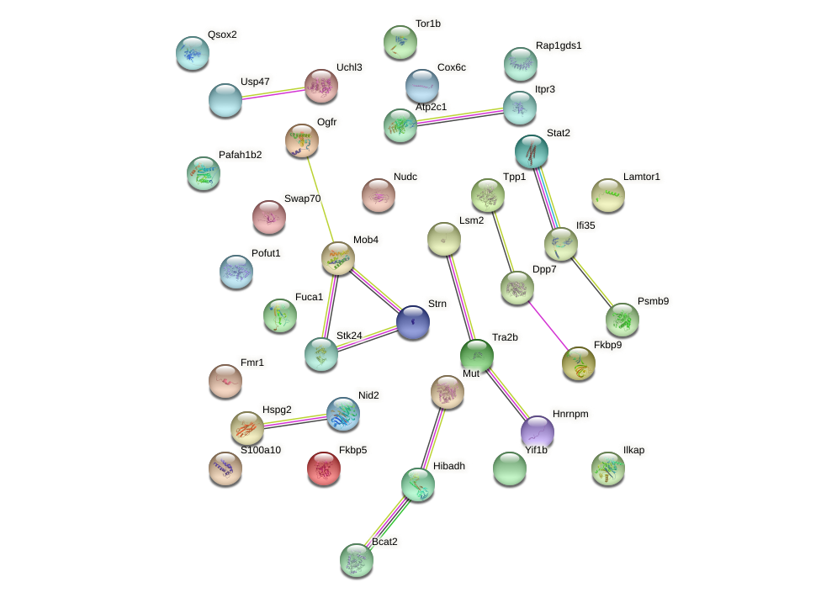
Q5XI26 | Q5XI26 | Signal transducer and activator of transcription | Stat2
Q6P791 | Q6P791 | Ragulator complex protein LAMTOR1 | Lamtor1
B5DFC9;A0A0G2K3C8;W4VSR4;B5DFC9-2 | B5DFC9;A0A0G2K3C8;W4VSR4 | Nidogen-2 | Nid2
A0A0G2K1D2;F1M7Y3 | A0A0G2K1D2;F1M7Y3 |  | Rap1gds1
A0A0G2K8Q7;Q6MG66;A0A0G2KAB8;A0A0G2K375 | A0A0G2K8Q7;Q6MG66;A0A0G2KAB8 |  | Lsm2
Q5PQW5;Q64566;Q64566-2;F1M281;F1M9B5;A0A0G2JZ57;M0RAF9;Q8R4C1 | Q5PQW5;Q64566;Q64566-2;F1M281;F1M9B5 | Calcium-transporting ATPase;Calcium-transporting ATPase type 2C member 1 | Atp2c1
P11951;Q78EE8;Q9Z1G9;P11950 | P11951 | Cytochrome c oxidase subunit 6C-2 | Cox6c2
G3V9N6;Q6PEC3;Q6PEC3-2;A0A0H2UHX7 | G3V9N6;Q6PEC3;Q6PEC3-2 | Protein YIF1B | Yif1b
O35854;G3V8U8;Q6P784 | O35854;G3V8U8;Q6P784 | Branched-chain-amino-acid aminotransferase, mitochondrial;Branched-chain-amino-acid aminotransferase | Bcat2
Q63525;A0A0G2K0V8 | Q63525;A0A0G2K0V8 | Nuclear migration protein nudC | Nudc
A0A023ILN9;Q6MGA6;P28077 | A0A023ILN9;Q6MGA6;P28077 | Proteasome subunit beta type;Proteasome subunit beta type-9 | Psmb9
Q66H94 | Q66H94 | Peptidyl-prolyl cis-trans isomerase FKBP9 | Fkbp9
Q9QYW3 | Q9QYW3 | MOB-like protein phocein | Mob4
Q9EQV6;Q642E6 | Q9EQV6;Q642E6 | Tripeptidyl-peptidase 1 | Tpp1
B0LT89;H9KVF3 | B0LT89;H9KVF3 | Serine/threonine-protein kinase 24;Serine/threonine-protein kinase 24 35 kDa subunit;Serine/threonine-protein kinase 24 12 kDa subunit | Stk24
B3Y9H3;P05943 | B3Y9H3;P05943 | Protein S100-A10 | S100a10
D3ZRE7 | D3ZRE7 |  | Swap70
Q9EPB1 | Q9EPB1 | Dipeptidyl peptidase 2 | Dpp7
D4ABI6;Q91Y78 | D4ABI6;Q91Y78 | Ubiquitin carboxyl-terminal hydrolase;Ubiquitin carboxyl-terminal hydrolase isozyme L3 | Uchl3
F1LTJ5 | F1LTJ5 |  | Hspg2
Q5M849 | Q5M849 |  | Ifi35
A0A0G2JSJ8;P17164 | A0A0G2JSJ8;P17164 | Tissue alpha-L-fucosidase | Fuca1
G3V6L8;P70483 | G3V6L8;P70483 | Striatin | Strn
D3ZP13 | D3ZP13 | Sulfhydryl oxidase | Qsox2
P29266 | P29266 | 3-hydroxyisobutyrate dehydrogenase, mitochondrial | Hibadh
Q2M2S1 | Q2M2S1 |  | Tor1b
Q3MID9;Q9QXY4 | Q3MID9;Q9QXY4 | Opioid growth factor receptor | Ogfr
K7R8M0;G3V9C0;D3ZVK7;Q64598;Q4FZT6;P0C170;P0C169;M0RDM4;Q6I8Q6;M0RCL5;A9UMV8;Q00728;M0R6X5 | K7R8M0;G3V9C0;D3ZVK7;Q64598;Q4FZT6;P0C170;P0C169;M0RDM4;Q6I8Q6;M0RCL5;A9UMV8;Q00728 | Histone H2A;Histone H2A type 1-F;Histone H2A type 3;Histone H2A type 1-E;Histone H2A type 1-C;Histone H2A.J;Histone H2A type 4 | Hist1h2ao;Hist1h2ac;Hist1h2ak;LOC680322;Hist1h2af;LOC100910554;H2afj
O35264 | O35264 | Platelet-activating factor acetylhydrolase IB subunit beta | Pafah1b2
A0A0G2JUX4;F1MAA1;B2GVC1 | A0A0G2JUX4;F1MAA1 | Ubiquitin carboxyl-terminal hydrolase | Usp47
Q6EV70 | Q6EV70 | GDP-fucose protein O-fucosyltransferase 1 | Pofut1

