Total
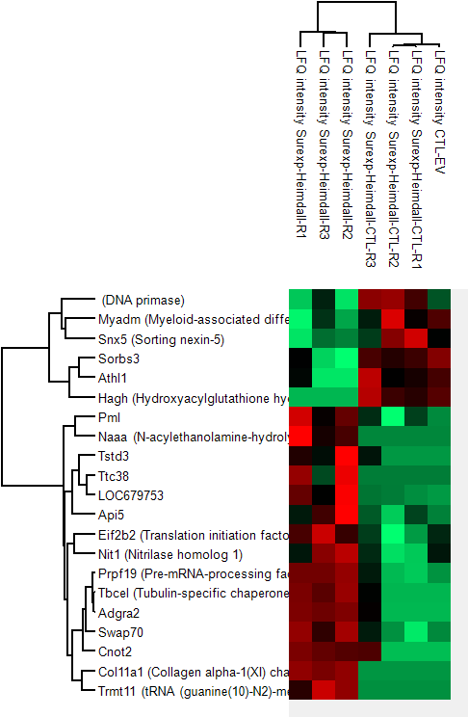
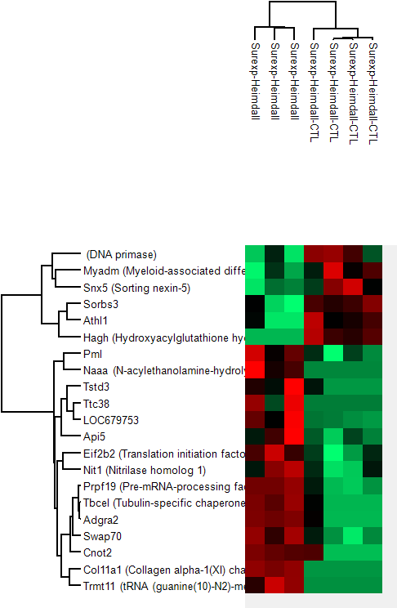
Cluster 1
Protein IDs | Majority protein IDs | Protein names | Gene names
O89045 | O89045 | DNA primase
Q05BA4;Q6VBQ5 | Q05BA4;Q6VBQ5 | Myeloid-associated differentiation marker | Myadm
B1H267 | B1H267 | Sorting nexin-5 | Snx5
Q5XIL4 | Q5XIL4 |  | Sorbs3
D3ZY02 | D3ZY02 |  | Athl1
F1LQI1;O35952-2;O35952 | F1LQI1;O35952-2;O35952 | Hydroxyacylglutathione hydrolase, mitochondrial | Hagh

Cluster 2
Protein IDs | Majority protein IDs | Protein names | Gene names
F1M589 | F1M589 |  | Pml
Q5KTC7 | Q5KTC7 | N-acylethanolamine-hydrolyzing acid amidase;N-acylethanolamine-hydrolyzing acid amidase subunit alpha;N-acylethanolamine-hydrolyzing acid amidase subunit beta | Naaa
Q3SWT2;G3V8W9 | Q3SWT2;G3V8W9 |  | Tstd3
D4ACL2 | D4ACL2 |  | Ttc38
D3ZBJ0;D3ZD76 | D3ZBJ0;D3ZD76 |  | LOC679753;LOC685221
B1WC49 | B1WC49 |  | Api5
F7EVX2;Q6IRS8;Q62818 | F7EVX2;Q6IRS8;Q62818 | Translation initiation factor eIF-2B subunit beta | Eif2b2
Q7TQ94-2;Q7TQ94 | Q7TQ94-2;Q7TQ94 | Nitrilase homolog 1 | Nit1
Q9JMJ4 | Q9JMJ4 | Pre-mRNA-processing factor 19 | Prpf19
Q5PQJ7 | Q5PQJ7 | Tubulin-specific chaperone cofactor E-like protein | Tbcel
D4ADC7 | D4ADC7 |  | Adgra2
D3ZRE7 | D3ZRE7 |  | Swap70
Q5PPJ8;A0A0G2KB82;A0A0G2K717 | Q5PPJ8;A0A0G2KB82;A0A0G2K717 |  | Cnot2
P20909-6;P20909-4;P20909-5;P20909-3;P20909;P20909-2 | P20909-6;P20909-4;P20909-5;P20909-3;P20909;P20909-2 | Collagen alpha-1(XI) chain | Col11a1
F1MA13;A0A0G2JWR1;Q7TNK6 | F1MA13;A0A0G2JWR1;Q7TNK6 | tRNA (guanine(10)-N2)-methyltransferase homolog | Trmt11

