KO1-KO2-CTL-POLY-EV-T2
List names | number of elements | number of unique elements | KO1 | 111 | D3ZFH6 | KO2 | 94 | F1M9C8
CTL | 2788 | 2788 |  |  | A0A140TAA3 |  |  | G3V6K4 | KO1 KO2 | 39 | D4ACK7
EV | 2850 | 2850 |  |  | A0A0G2K866 |  |  | Q62950 |  |  | Q68FR5
KO1 | 2765 | 2765 |  |  | F1LQS9 |  |  | Q498U1 |  |  | Q9JHX4
KO2 | 2785 | 2785 |  |  | Q4KLN9 |  |  | D3ZHA9 |  |  | Q9QZM5
POLY | 2703 | 2703 |  |  | A0A0G2JWF7 |  |  | D3ZWE0 |  |  | A0A096MK29
T2 | 2767 | 2767 |  |  | Q6P6Q7 |  |  | Q496Z3 |  |  | Q8CGX0 |  | KO1 | Your Input:
Overall number of unique elements |  | 3785 |  |  | P41516 |  |  | B1WBS4 |  |  | F1M6Q3 |  |  |  | Mrpl45 | Mitochondrial ribosomal protein L45 (306 aa)
 |  |  |  |  | Q3MHS2 |  |  | D4A7M0 |  |  | Q4KLJ3 |  |  |  | Ppl | Periplakin (predicted); Periplakin (1754 aa)
 |  |  |  |  | Q5I0H3 |  |  | P53565 |  |  | D4ADT5 |  |  |  | Ccnt1 | Cyclin t1 (predicted); Cyclin T1; Belongs to the cyclin family (663 aa)
 |  |  |  |  | Q6AYD9 |  |  | F1LM16 |  |  | F1LWM8 |  |  |  | Qk | Protein quaking-like; RNA-binding protein that plays a central role in myelinization. Binds to the 5'-NACUAAY-N(1,20)-UAAY-3' RNA core sequence. Acts by regulating pre-mRNA splicing, mRNA export, mRNA stability and protein translation. Required to protect and promote stability of mRNAs such as MBP and CDKN1B which promotes oligodendrocyte differentiation. Participates in mRNA transport by regulating the nuclear export of MBP mRNA. Also involved in regulation of mRNA splicing of MAG pre-mRNA. Acts as a translational repressor (By similarity) (294 aa)
 |  |  |  |  | A0A0G2K0U8 |  |  | D3ZF50 |  |  | B5DEG6 |  |  |  | Zfp638 | Zinc finger, matrin-like (Predicted), isoform CRA_a; Zinc finger protein 638 (1875 aa)
 |  |  |  |  | F1LWE6 |  |  | Q63750 |  |  | A0A0G2K9B4 |  |  |  | Tmed8 | Transmembrane emp24 domain containing 8 (326 aa)
 |  |  |  |  | Q812D3 |  |  | Q561S0 |  |  | Q5RJT0 |  |  |  | Tpm1 | Tropomyosin alpha-1 chain; Binds to actin filaments in muscle and non-muscle cells. Plays a central role, in association with the troponin complex, in the calcium dependent regulation of vertebrate striated muscle contraction. Smooth muscle contraction is regulated by interaction with caldesmon. In non-muscle cells is implicated in stabilizing cytoskeleton actin filaments; Belongs to the tropomyosin family (287 aa)
 |  |  |  |  | E9PTT2 |  |  | Q4KLH5 |  |  | Q9JJ79 |  |  |  | Wbscr27 | Similar to Williams-Beuren syndrome critical region protein 27 (253 aa)
 |  |  |  |  | Q99P99 |  |  | D3ZMN2 |  |  | Q6AXX6 |  |  |  | Ddx21 | Nucleolar RNA helicase 2; RNA helicase that acts as a sensor of the transcriptional status of both RNA polymerase (Pol) I and II: promotes ribosomal RNA (rRNA) processing and transcription from polymerase II (Pol II). Binds various RNAs, such as rRNAs, snoRNAs, 7SK and, at lower extent, mRNAs. In the nucleolus, localizes to rDNA locus, where it directly binds rRNAs and snoRNAs, and promotes rRNA transcription, processing and modification. Required for rRNA 2'-O-methylation, possibly by promoting the recruitment of late-acting snoRNAs SNORD56 and SNORD58 with pre-ribosomal complexes. In [...] (782 aa)
 |  |  |  |  | D3Z9D2 |  |  | G3V8G9 |  |  | A0A0G2K1P8 |  |  |  | Scaf4 | Splicing factor, arginine/serine-rich 15; Anti-terminator protein required to prevent early mRNA termination during transcription. Together with SCAF8, acts by suppressing the use of early, alternative poly(A) sites, thereby preventing the accumulation of non-functional truncated proteins. Mechanistically, associates with the phosphorylated C-terminal heptapeptide repeat domain (CTD) of the largest RNA polymerase II subunit (POLR2A), and subsequently binds nascent RNA upstream of early polyadenylation sites to prevent premature mRNA transcript cleavage and polyadenylation. Independentl [...] (1200 aa)
 |  |  |  |  | D3ZPN5 |  |  | D4A650 |  |  | D4AB06 |  |  |  | Utp3 | UTP3, small subunit processome component homolog (S. cerevisiae); Something about silencing protein 10; Essential for gene silencing: has a role in the structure of silenced chromatin. Plays a role in the developing brain (By similarity) (470 aa)
 |  |  |  |  | D4A104 |  |  | D3ZRD3 |  |  | Q09326 |  |  |  | Ehd3 | EH domain-containing protein 3; ATP- and membrane-binding protein that controls membrane reorganization/tubulation upon ATP hydrolysis. In vitro causes tubulation of endocytic membranes. Binding to phosphatidic acid induces its membrane tubulation activity. Plays a role in endocytic transport. Involved in early endosome to recycling endosome compartment (ERC), retrograde early endosome to Golgi, and endosome to plasma membrane (rapid recycling) protein transport. Involved in the regulation of Golgi maintenance and morphology. Involved in the recycling of internalized D1 dopamine recept [...] (535 aa)
 |  |  |  |  | A0A0H2UHT6 |  |  | D4A5S9 |  |  | F1LSQ0 |  |  |  | Slc39a10 | Solute carrier family 39 (zinc transporter), member 10 (predicted), isoform cra_a; Solute carrier family 39 (zinc transporter), member 10 (834 aa)
 |  |  |  |  | D4ADP9 |  |  | Q9EQR2 |  |  | B0BNN0 |  |  |  | Ext2 | Glucuronyl/n-acetylglucosaminyl transferase ext2; Exostoses (Multiple) 2 (Predicted); Exostosin glycosyltransferase 2 (670 aa)
 |  |  |  |  | A0A0G2KAH4 |  |  | D3ZZK3 |  |  | A0A0G2JUQ6 |  |  |  | Sdf2 | Stromal cell derived factor 2 (predicted), isoform cra_b; Stromal cell derived factor 2 (219 aa)
 |  |  |  |  | D3Z8G8 |  |  | P18484 |  |  | Q6AZ26 |  |  |  | Szt2 | SZT2, KICSTOR complex subunit; Seizure threshold 2 homolog (mouse) (3431 aa)
 |  |  |  |  | Q63627 |  |  | D3ZUU2 |  |  | O88637-2 |  |  |  | Gadd45gip1 | Growth arrest and DNA damage-inducible proteins-interacting protein 1; Acts as a negative regulator of G1 to S cell cycle phase progression by inhibiting cyclin-dependent kinases. Inhibitory effects are additive with GADD45 proteins but occurs also in the absence of GADD45 proteins. Acts as a repressor of the orphan nuclear receptor NR4A1 by inhibiting AB domain-mediated transcriptional activity. May be involved in the hormone-mediated regulation of NR4A1 transcriptional activity. May play a role in mitochondrial protein synthesis (228 aa)
 |  |  |  |  | D4AE08 |  |  | D4ACA5 |  |  | B5DFB6 |  |  |  | Entpd2 | Ectonucleoside triphosphate diphosphohydrolase 2; In the nervous system, could hydrolyze ATP and other nucleotides to regulate purinergic neurotransmission. Hydrolyzes ADP only to a marginal extent (545 aa)
 |  |  |  |  | B2GV63 |  |  | B2GUZ7 |  |  | Q5XII0 |  |  |  | Fyco1 | FYVE and coiled-coil domain containing 1 (1451 aa)
 |  |  |  |  | D4A0U3 |  |  | F1M609 |  |  | A0A0G2K824 |  |  |  | Gpatch11 | Putative uncharacterized protein RGD1311424_predicted; G patch domain containing 11 (260 aa)
 |  |  |  |  | Q5EB72 |  |  | D3ZES9 |  |  | M0R9L3 |  |  |  | Ngly1 | Peptide-N(4)-(N-acetyl-beta-glucosaminyl)asparagine amidase; Specifically deglycosylates the denatured form of N- linked glycoproteins in the cytoplasm and assists their proteasome-mediated degradation. Cleaves the beta-aspartyl- glucosamine (GlcNAc) of the glycan and the amide side chain of Asn, converting Asn to Asp. Prefers proteins containing high- mannose over those bearing complex type oligosaccharides. Can recognize misfolded proteins in the endoplasmic reticulum that are exported to the cytosol to be destroyed and deglycosylate them, while it has no activity toward native prote [...] (603 aa)
 |  |  |  |  | Q80WK7 |  |  | A0A0G2JXT9 |  |  | Q5BK85 |  |  |  | Mdc1 | Mediator of DNA damage checkpoint protein 1; Required for checkpoint mediated cell cycle arrest in response to DNA damage within both the S phase and G2/M phases of the cell cycle. May serve as a scaffold for the recruitment of DNA repair and signal transduction proteins to discrete foci of DNA damage marked by 'Ser-139' phosphorylation of histone H2AFX. Also required for downstream events subsequent to the recruitment of these proteins. These include phosphorylation and activation of the ATM, CHEK1 and CHEK2 kinases, and stabilization of TP53 and apoptosis. ATM and CHEK2 may also be a [...] (1278 aa)
 |  |  |  |  | D4A2F6 |  |  | D4A3H5 |  |  | D3Z8X4 |  |  |  | Zc3h4 | Zinc finger CCCH-type containing 4 (1304 aa)
 |  |  |  |  | M0RAT6 |  |  | D4A1D3 |  |  | D3ZMR9 |  |  |  | Osbpl3 | Oxysterol-binding protein-related protein 3/6/7; Oxysterol binding protein-like 3; Belongs to the OSBP family (855 aa)
 |  |  |  |  | D4ABJ4 |  |  | D4A8X8 |  |  | A0A0G2K9T4 |  |  |  | Ppil3 | Peptidyl-prolyl cis-trans isomerase-like 3; PPIases accelerate the folding of proteins. It catalyzes the cis-trans isomerization of proline imidic peptide bonds in oligopeptides. May be involved in pre-mRNA splicing (By similarity) (161 aa)
 |  |  |  |  | R9PXR4 |  |  | Q4V8J2 |  |  | A0A0G2KA14 |  |  |  | Pars2 | Probable proline--tRNA ligase, mitochondrial; prolyl-tRNA synthetase 2, mitochondrial (putative); Belongs to the class-II aminoacyl-tRNA synthetase family (475 aa)
 |  |  |  |  | B4F7F2 |  |  | B1WC66 |  |  | B4F766 |  |  |  | Tubb1 | Tubulin, beta 1 class vi; Tubulin beta chain; Tubulin is the major constituent of microtubules. It binds two moles of GTP, one at an exchangeable site on the beta chain and one at a non-exchangeable site on the alpha chain (452 aa)
 |  |  |  |  | P83565 |  |  | D4A1W5 |  |  | Q6AXT0 |  |  |  | Tomm70a | Translocase of outer mitochondrial membrane 70; Mitochondrial import receptor subunit TOM70; Receptor that accelerates the import of all mitochondrial precursor proteins (560 aa)
 |  |  |  |  | D4A5T8 |  |  | P09811 |  |  | D3ZU48 |  |  |  | Snrpe | Plays role in pre-mRNA splicing as core component of the SMN- Sm complex that mediates spliceosomal snRNP assembly and as component of the spliceosomal U1, U2, U4 and U5 small nuclear ribonucleoproteins (snRNPs), the building blocks of the spliceosome. Component of both the pre-catalytic spliceosome B complex and activated spliceosome C complexes. Is also a component of the minor U12 spliceosome. As part of the U7 snRNP it is involved in histone 3'-end processing. May indirectly play a role in hair development (92 aa)
 |  |  |  |  | Q5XIL4 |  |  | A0A0G2JYA2 |  |  | Q4QR81 |  |  |  | Asrgl1 | L-asparaginase / beta-aspartyl-peptidase; Isoaspartyl peptidase/L-asparaginase; Has both L-asparaginase and beta-aspartyl peptidase activity. Is highly active with L-Asp beta-methyl ester. Besides, has catalytic activity toward beta-aspartyl dipeptides and their methyl esters, including beta-L-Asp-L-Phe, beta-L-Asp-L-Phe methyl ester (aspartame), beta-L-Asp-L-Ala, beta-L-Asp-L-Leu and beta-L- Asp-L-Lys. Does not have aspartylglucosaminidase activity and is inactive toward GlcNAc-L-Asn. Likewise, has no activity toward glutamine (By similarity). May be involved in the production of L- a [...] (333 aa)
 |  |  |  |  | D3Z8P1 |  |  | O54715 |  |  | G3V6B0 |  |  |  | Slc29a3 | Solute carrier family 29 (equilibrative nucleoside transporter), member 1/2/3; Equilibrative nucleoside transporter 3; Mediates both influx and efflux of nucleosides across the membrane (equilibrative transporter). Mediates transport of adenine, adenosine and uridine (By similarity) (474 aa)
 |  |  |  |  | Q9WVJ4 |  |  | A0A0G2K2Q2 |  |  | Q924M6 |  |  |  | Tead3 | Transcriptional enhancer factor TEF-5; Transcription factor which plays a key role in the Hippo signaling pathway, a pathway involved in organ size control and tumor suppression by restricting proliferation and promoting apoptosis (437 aa)
 |  |  |  |  | D3ZHZ3 |  |  | D3ZHL6 |  |  | A0A0G2K1Q1 |  |  |  | Srsf9 | Serine/arginine-rich splicing factor 9; Plays a role in constitutive splicing and can modulate the selection of alternative splice sites. Represses the splicing of MAPT/Tau exon 10 (By similarity); Belongs to the splicing factor SR family (221 aa)
 |  |  |  |  | Q91XN6 |  |  | O35260 |  |  |  |  |  |  | Mrpl40 | 39S ribosomal protein L40, mitochondrial; Mitochondrial ribosomal protein L40; Belongs to the mitochondrion-specific ribosomal protein mL40 family (206 aa)
 |  |  |  |  | D3ZSP1 |  |  | Q64599 |  |  |  |  |  |  | B4galt5 | Udp-gal:betaglcnac beta 1,4-galactosyltransferase, polypeptide 5 (predicted), isoform cra_b; UDP-Gal:betaGlcNAc beta 1,4-galactosyltransferase, polypeptide 5 (143 aa)
 |  |  |  |  | M0R464 |  |  | Q5BJX1 |  |  |  |  |  |  | Arhgef11 | May play a role in the regulation of RhoA GTPase by guanine nucleotide-binding alpha-12 (GNA12) and alpha-13 (GNA13). Acts as guanine nucleotide exchange factor (GEF) for RhoA GTPase and may act as GTPase-activating protein (GAP) for GNA12 and GNA13. Involved in neurotrophin-induced neurite outgrowth (By similarity) (1526 aa)
 |  |  |  |  | Q924C3 |  |  | Q4G058 |  |  |  |  |  |  | Synj2bp | Synaptojanin-2-binding protein; Regulates endocytosis of activin type 2 receptor kinases through the Ral/RALBP1-dependent pathway and may be involved in suppression of activin-induced signal transduction (145 aa)
 |  |  |  |  | O35824 |  |  | B5DFH8 |  |  |  |  |  |  | Clic6 | Chloride intracellular channel protein 6; May insert into membranes and form chloride ion channels. May play a critical role in water-secreting cells, possibly through the regulation of chloride ion transport (By similarity) (608 aa)
 |  |  |  |  | D4ADB4 |  |  | G3V953 |  |  |  |  |  |  | A2m | Alpha-2-macroglobulin-like; Alpha-2-macroglobulin; Is able to inhibit all four classes of proteinases by a unique 'trapping' mechanism. This protein has a peptide stretch, called the 'bait region' which contains specific cleavage sites for different proteinases. When a proteinase cleaves the bait region, a conformational change is induced in the protein which traps the proteinase. The entrapped enzyme remains active against low molecular weight substrates (activity against high molecular weight substrates is greatly reduced). Following cleavage in the bait region a thioester bond is hy [...] (1472 aa)
 |  |  |  |  | A0A0G2K0X1 |  |  | A0A0G2K8N6 |  |  |  |  |  |  | Zfp830 | Zinc finger protein 830; Acts as an important regulator of the cell cycle that participates in the maintenance of genome integrity. During cell cycle progression in embryonic fibroblast, prevents replication fork collapse, double-strand break formation and cell cycle checkpoint activation. Controls mitotic cell cycle progression and cell survival in rapidly proliferating intestinal epithelium and embryonic stem cells. During the embryo preimplantation, controls different aspects of M phase. During early oocyte growth, plays a role in oocyte survival by preventing chromosomal breaks for [...] (370 aa)
 |  |  |  |  | D4A2N1 |  |  | A0A0G2K9T1 |  |  |  |  |  |  | Pus10 | Trna pseudouridine synthase 10; Similar to RIKEN cDNA 4933435A13, isoform CRA_a; Pseudouridylate synthase 10 (262 aa)
 |  |  |  |  | A0A023IKJ0 |  |  | Q63014 |  |  |  |  |  |  | Ttc28 | Tetratricopeptide repeat domain 28 (2331 aa)
 |  |  |  |  | Q5PPI1 |  |  | D3ZUP5 |  |  |  |  |  |  | Hdac4 | Histone deacetylase 4/5; Histone deacetylase 4; Responsible for the deacetylation of lysine residues on the N-terminal part of the core histones (H2A, H2B, H3 and H4). Histone deacetylation gives a tag for epigenetic repression and plays an important role in transcriptional regulation, cell cycle progression and developmental events. Histone deacetylases act via the formation of large multiprotein complexes. Involved in muscle maturation via its interaction with the myocyte enhancer factors such as MEF2A, MEF2C and MEF2D. Deacetylates HSPA1A and HSPA1B at 'Lys-77' leading to their pref [...] (1077 aa)
 |  |  |  |  | D3ZXP1 |  |  | B0BNF5 |  |  |  |  |  |  | Mau2 | MAU2 sister chromatid cohesion factor (618 aa)
 |  |  |  |  | A0A0G2K8P0 |  |  | F1LYS7 |  |  |  |  |  |  | Fam206a | Family with sequence similarity 206, member A (193 aa)
 |  |  |  |  | D3ZAQ6 |  |  | P55266 |  |  |  |  |  |  | Mtpap | PAP associated domain containing 1 (Predicted); Mitochondrial poly(A) polymerase (336 aa)
 |  |  |  |  | A0A0G2JZE8 |  |  | Q0ZFS6 |  |  |  |  |  |  | Snrpb | Small nuclear ribonucleoprotein polypeptides b and b1; Plays role in pre-mRNA splicing as core component of the SMN- Sm complex that mediates spliceosomal snRNP assembly and as component of the spliceosomal U1, U2, U4 and U5 small nuclear ribonucleoproteins (snRNPs), the building blocks of the spliceosome (By similarity). Component of both the pre-catalytic spliceosome B complex and activated spliceosome C complexes (By similarity). Is also a component of the minor U12 spliceosome (By similarity). As part of the U7 snRNP it is involved in histone pre-mRNA 3'-end processing (By similarity) (231 aa)
 |  |  |  |  | Q5XJW2 |  |  | A0A0G2K9P5 |  |  |  |  |  |  | Phb-ps1 | Prohibitin, pseudogene 1 (281 aa)
 |  |  |  |  | P07756 |  |  | Q5RK08 |  |  |  |  |  |  | Chst14 | Carbohydrate (N-acetylgalactosamine 4-0) sulfotransferase 14 (375 aa)
 |  |  |  |  | Q5RJP4 |  |  | B2RYU6 |  |  |  |  |  |  | Arhgef12 | Rho guanine nucleotide exchange factor (GEF) 12 (1414 aa)
 |  |  |  |  | A0A0G2K4T5 |  |  | Q7TP11 |  |  |  |  |  |  | Fam91a1 | Family with sequence similarity 91, member A1 (838 aa)
 |  |  |  |  | D3ZTF6 |  |  | D3ZWR3 |  |  |  |  |  |  | Ate1 | Arginyl-tRNA--protein transferase 1; Involved in the post-translational conjugation of arginine to the N-terminal aspartate or glutamate of a protein. This arginylation is required for degradation of the protein via the ubiquitin pathway (509 aa)
 |  |  |  |  | Q5M7W7 |  |  | D3ZN37 |  |  |  |  |  |  | Phf6 | PHD finger protein 6 (284 aa)
 |  |  |  |  | Q5XI55 |  |  | A0A0G2JV16 |  |  |  |  |  |  | Thoc7 | Tho complex subunit 7; THO complex 7 homolog (Drosophila) (198 aa)
 |  |  |  |  | A0A0G2JVD0 |  |  | A0A0G2JX05 |  |  |  |  |  |  | Stk39 | STE20/SPS1-related proline-alanine-rich protein kinase; May act as a mediator of stress-activated signals. Mediates the inhibiton of SLC4A4, SLC26A6 as well as CFTR activities by the WNK scaffolds, probably through phosphorylation; Belongs to the protein kinase superfamily. STE Ser/Thr protein kinase family. STE20 subfamily (553 aa)
 |  |  |  |  | O88943-7 |  |  | D3ZAP7 |  |  |  |  |  |  | Top2a | Topoisomerase (dna) ii alpha; Control of topological states of DNA by transient breakage and subsequent rejoining of DNA strands. Topoisomerase II makes double- strand breaks. Essential during mitosis and meiosis for proper segregation of daughter chromosomes. May play a role in regulating the period length of ARNTL/BMAL1 transcriptional oscillation (1525 aa)
 |  |  |  |  | Q9R050 |  |  | D3ZX08 |  |  |  |  |  |  | Rnf7 | Ring finger protein 7 (113 aa)
 |  |  |  |  | D4A517 |  |  | P20909 |  |  |  |  |  |  | Pik3c2a | Phosphatidylinositol 3-kinase, C2 domain containing, alpha polypeptide (Predicted), isoform CRA_a; Phosphatidylinositol-4-phosphate 3-kinase, catalytic subunit type 2 alpha; Belongs to the PI3/PI4-kinase family (1687 aa)
 |  |  |  |  | P06238 |  |  | A0A0G2JWG6 |  |  |  |  |  |  | Enpp1 | Ectonucleotide pyrophosphatase/phosphodiesterase family member 1/3; Nucleotide pyrophosphatase that generates diphosphate (PPi) and functions in bone mineralization and soft tissue calcification by regulating pyrophosphate levels. PPi inhibits bone mineralization and soft tissue calcification by binding to nascent hydroxyapatite crystals, thereby preventing further growth of these crystals. Preferentially hydrolyzes ATP, but can also hydrolyze other nucleoside 5' triphosphates such as GTP, CTP, TTP and UTP to their corresponding monophosphates with release of pyrophosphate and diadenos [...] (905 aa)
 |  |  |  |  | A0A0G2JWV8 |  |  | F1MAM8 |  |  |  |  |  |  | Dnaja2 | Dnaj heat shock protein family (hsp40) member a2; Co-chaperone of Hsc70. Stimulates ATP hydrolysis and the folding of unfolded proteins mediated by HSPA1A/B (in vitro) (412 aa)
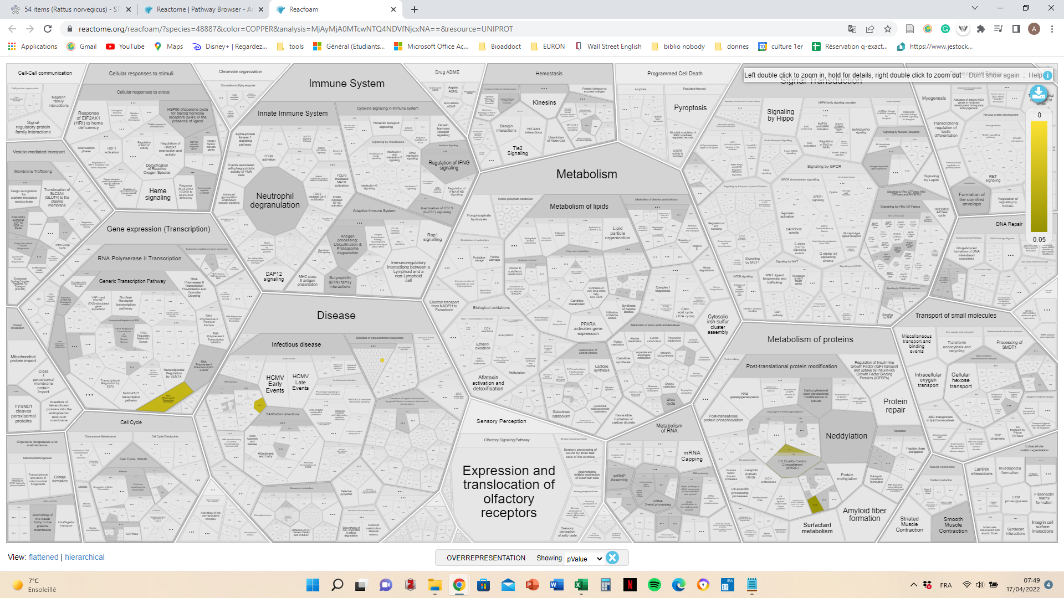
 |  |  |  |  | D3ZYR0 |  |  | Q6P7A4 |  |  |  |  |  |  | Mllt4 | Myeloid/lymphoid or mixed-lineage leukemia (trithorax homolog, drosophila); translocated to, 4; Belongs to an adhesion system, probably together with the E- cadherin-catenin system, which plays a role in the organization of homotypic, interneuronal and heterotypic cell-cell adherens junctions (AJs) . Nectin- and actin-filament-binding protein that connects nectin to the actin cytoskeleton . May play a key role in the organization of epithelial structures of the embryonic ectoderm (By similarity). Essential for the organization of adherens junctions (By similarity) (1781 aa)
 |  |  |  |  | A0A0G2K0Y2 |  |  | Q5XID6 |  |  |  |  |  |  | Xylt2 | Protein xylosyltransferase; Catalyzes the first step in the biosynthesis of chondroitin sulfate, heparan sulfate and dermatan sulfate proteoglycans, such as DCN (By similarity). Transfers D-xylose from UDP-D-xylose to specific serine residues of the core protein (By similarity) (864 aa)
 |  |  |  |  | D4AED1 |  |  | Q6P506 |  |  |  |  |  |  | Lrrfip2 | Leucine-rich repeat flightless-interacting protein 2; May function as activator of the canonical Wnt signaling pathway, in association with DVL3, upstream of CTNNB1/beta- catenin. Positively regulates Toll-like receptor (TLR) signaling in response to agonist probably by competing with the negative FLII regulator for MYD88-binding (By similarity) (437 aa)
 |  |  |  |  | Q5XI80 |  |  | A0A0G2K3S4 |  |  |  |  |  |  | Nol7 | Nucleolar protein 7 (250 aa)
 |  |  |  |  | F7FG68 |  |  | P35284 |  |  |  |  |  |  | Cnot11 | CCR4-NOT transcription complex subunit 11; Component of the CCR4-NOT complex which is one of the major cellular mRNA deadenylases and is linked to various cellular processes including bulk mRNA degradation, miRNA-mediated repression, translational repression during translational initiation and general transcription regulation. Additional complex functions may be a consequence of its influence on mRNA expression. Is required for the association of CNOT10 with the CCR4-NOT complex. Seems not to be required for complex deadenylase function (By similarity) (504 aa)
 |  |  |  |  | D4AED6 |  |  | D4A009 |  |  |  |  |  |  | Rbm28 | RNA binding motif protein 28 (700 aa)
 |  |  |  |  | A0A0G2K864 |  |  | Q05030 |  |  |  |  |  |  | Syvn1 | Synovial apoptosis inhibitor 1, synoviolin, isoform CRA_b; E3 ubiquitin-protein ligase synoviolin-like (608 aa)
 |  |  |  |  | A0A0G2JXP1 |  |  | M0R979 |  |  |  |  |  |  | Psmg1 | Down syndrome critical region homolog 2 (Human) (Predicted), isoform CRA_b; Proteasome (prosome, macropain) assembly chaperone 1 (201 aa)
 |  |  |  |  | Q4V7E8 |  |  | A0A0G2JWU1 |  |  |  |  |  |  | Copz2 | Coatomer protein complex, subunit zeta 2 (predicted), isoform cra_a; Coatomer protein complex, subunit zeta 2 (207 aa)
 |  |  |  |  | Q2VC85 |  |  | Q6AYA6 |  |  |  |  |  |  | Cps1 | Carbamoyl-phosphate synthase [ammonia], mitochondrial; Involved in the urea cycle of ureotelic animals where the enzyme plays an important role in removing excess ammonia from the cell (1500 aa)
 |  |  |  |  | P17136 |  |  | Q5XIU5 |  |  |  |  |  |  | Msi2 | Musashi RNA-binding protein 2 (312 aa)
 |  |  |  |  | A0A0G2JVI4 |  |  | P13941 |  |  |  |  |  |  | Nudt19 | Nucleoside diphosphate-linked moiety x motif 19, mitochondrial; Nucleoside diphosphate-linked moiety X motif 19; Acyl-CoA diphosphatase that mediates the hydrolysis of a wide range of CoA esters, including choloyl-CoA and branched-chain fatty-acyl-CoA esters. At low substrate concentrations medium and long-chain fatty-acyl-CoA esters are the primary substrates (By similarity) (357 aa)
 |  |  |  |  | B0BNA9 |  |  | F7EMB2 |  |  |  |  |  |  | RGD1308106 | LOC361719 (Predicted); LOC361719 (376 aa)
 |  |  |  |  | A0A0G2JW74 |  |  | Q66HF9 |  |  |  |  |  |  | Stat1 | Signal transducer and activator of transcription 1 (749 aa)
 |  |  |  |  | F1LV52 |  |  | A0A0G2K911 |  |  |  |  |  |  | Dido1 | Death inducer-obliterator 1 (2256 aa)
 |  |  |  |  | B1WBZ5 |  |  | G3V9U0 |  |  |  |  |  |  | Mvk | Mevalonate kinase; Catalyzes the phosphorylation of mevalonate to mevalonate 5- phosphate, a key step in isoprenoid and cholesterol biosynthesis (395 aa)
 |  |  |  |  | D3ZC98 |  |  | F1M4I4 |  |  |  |  |  |  | Ssbp3 | Single stranded dna binding protein 3; May be involved in transcription regulation of the alpha 2(I) collagen gene where it binds to the single-stranded polypyrimidine sequences in the promoter region (361 aa)
 |  |  |  |  | F1LZL3 |  |  | D4A4J3 |  |  |  |  |  |  | Cggbp1 | CGG triplet repeat binding protein 1 (167 aa)
 |  |  |  |  | O35889 |  |  | E9PU15 |  |  |  |  |  |  | Hars2 | histidyl-tRNA synthetase 2, mitochondrial (507 aa)
 |  |  |  |  | G3V6L4 |  |  | A0A0G2JW29 |  |  |  |  |  |  | Nhlrc3 | NHL repeat containing 3 (347 aa)
 |  |  |  |  | D3ZUQ8 |  |  | P12369 |  |  |  |  |  |  | Sumo1 | Small ubiquitin-related modifier 1; Ubiquitin-like protein that can be covalently attached to proteins as a monomer or a lysine-linked polymer. Covalent attachment via an isopeptide bond to its substrates requires prior activation by the E1 complex SAE1-SAE2 and linkage to the E2 enzyme UBE2I, and can be promoted by E3 ligases such as PIAS1-4, RANBP2 or CBX4. This post-translational modification on lysine residues of proteins plays a crucial role in a number of cellular processes such as nuclear transport, DNA replication and repair, mitosis and signal transduction. Involved for instan [...] (101 aa)
 |  |  |  |  | Q8R491 |  |  | Q6MGC4 |  |  |  |  |  |  | Sorbs3 | Sorbin and sh3 domain containing 3, isoform cra_b; Sorbin and SH3 domain containing 3 (733 aa)
 |  |  |  |  | Q6AXX4 |  |  | Q5RK24 |  |  |  |  |  |  | Kif5c | Kinesin-like protein; Kinesin family member 5C; Belongs to the TRAFAC class myosin-kinesin ATPase superfamily. Kinesin family (914 aa)
 |  |  |  |  | Q3B8Q1 |  |  | Q5M7T1 |  |  |  |  |  |  | Reck | Reversion-inducing-cysteine-rich protein with kazal motifs (920 aa)
 |  |  |  |  | M0R5W4 |  |  | Q924S1
 |  |  |  |  | A0A0G2KA71 |  |  | F1M5T1
 |  |  |  |  | Q6NT88 |  |  | Q6IRK9
 |  |  |  |  | F1LMH5
 |  |  |  |  | Q811Q2
 |  |  |  |  | A0A0G2K5C8
 |  |  |  |  | Q3KRD6
 |  |  |  |  | O88506
 |  |  |  |  | D4AAH6
 |  |  |  |  | A0A5P8DHK4
 |  |  |  |  | D3ZVW3
 |  |  |  |  | D4A4H5
 |  |  |  |  | A0A140UHX9 |  |  |  |  |  |  | KO2
 |  |  |  |  | D3ZWL9
 |  |  |  |  | Q8VI04 |  |  |  |  |  |  |  |  |  | Your Input:
 |  |  |  |  | B0ZTI0 |  |  |  |  |  |  |  |  |  |  |  | Dicer1 | Dicer 1, ribonuclease type III; Belongs to the helicase family. Dicer subfamily (1918 aa)
 |  |  |  |  | Q5U2M8 |  |  |  |  |  |  |  |  |  |  |  | Plxnc1 | Plexin C1 (1574 aa)
 |  |  |  |  | Q7TSY5 |  |  |  |  |  |  |  |  |  |  |  | Map4k5 | Mitogen-activated protein kinase kinase kinase kinase 5; Belongs to the protein kinase superfamily. STE Ser/Thr protein kinase family. STE20 subfamily (846 aa)
 |  |  |  |  | B2RYP3 |  |  |  |  |  |  |  |  |  |  |  | Ap2a2 | Adaptor-related protein complex 2, alpha 2 subunit; Component of the adaptor protein complex 2 (AP-2). Adaptor protein complexes function in protein transport via transport vesicles in different membrane traffic pathways. Adaptor protein complexes are vesicle coat components and appear to be involved in cargo selection and vesicle formation. AP-2 is involved in clathrin-dependent endocytosis in which cargo proteins are incorporated into vesicles surrounded by clathrin (clathrin-coated vesicles, CCVs) which are destined for fusion with the early endosome. The clathrin lattice serves as [...] (939 aa)
 |  |  |  |  | M0R8B6 |  |  |  |  |  |  |  |  |  |  |  | LOC100359668 | Ferritin; Stores iron in a soluble, non-toxic, readily available form. Important for iron homeostasis. Iron is taken up in the ferrous form and deposited as ferric hydroxides after oxidation (183 aa)
 |  |  |  |  |  |  |  |  |  |  |  |  |  |  |  |  | Dcdc5 | Doublecortin domain-containing protein 1; Doublecortin domain containing 5 (952 aa)
 |  |  |  |  |  |  |  |  |  |  |  |  |  |  |  |  | Pfdn6 | MHC class II region expressed gene KE2, isoform CRA_a; Prefoldin subunit 6 (127 aa)
 |  |  |  |  |  |  |  |  |  |  |  |  |  |  |  |  | Cux1 | Homeobox protein cut-like 1; Probably has a broad role in mammalian development as a repressor of developmentally regulated gene expression. May act by preventing binding of positively-activing CCAAT factors to promoters. Component of nf-munr repressor; binds to the matrix attachment regions (MARs) (5' and 3') of the immunoglobulin heavy chain enhancer. Represses T-cell receptor (TCR) beta enhancer function by binding to MARbeta, an ATC-rich DNA sequence located upstream of the TCR beta enhancer (By similarity). Binds to the TH enhancer; may require the basic helix-loop-helix protein T [...] (1506 aa)
 |  |  |  |  |  |  |  |  |  |  |  |  |  |  |  |  | Vps26b | Similar to vacuolar protein sorting 26 homolog (vps26 protein homolog), isoform cra_a; Vacuolar protein sorting 26 homolog B (S. pombe) (336 aa)
 |  |  |  |  |  |  |  |  |  |  |  |  |  |  |  |  | Ndufa10 | NADH dehydrogenase [ubiquinone] 1 alpha subcomplex subunit 10, mitochondrial; Accessory subunit of the mitochondrial membrane respiratory chain NADH dehydrogenase (Complex I), that is believed not to be involved in catalysis. Complex I functions in the transfer of electrons from NADH to the respiratory chain. The immediate electron acceptor for the enzyme is believed to be ubiquinone (355 aa)
 |  |  |  |  |  |  |  |  |  |  |  |  |  |  |  |  | Adar | Catalyzes the hydrolytic deamination of adenosine to inosine in double-stranded RNA (dsRNA) referred to as A-to-I RNA editing. This may affect gene expression and function in a number of ways that include mRNA translation by changing codons and hence the amino acid sequence of proteins; pre-mRNA splicing by altering splice site recognition sequences; RNA stability by changing sequences involved in nuclease recognition; genetic stability in the case of RNA virus genomes by changing sequences during viral RNA replication; and RNA structure-dependent activities such as microRNA production [...] (1175 aa)
 |  |  |  |  |  |  |  |  |  |  |  |  |  |  |  |  | Agpat4 | Lysophosphatidic acid acyltransferase / lysophosphatidylinositol acyltransferase; 1-acyl-sn-glycerol-3-phosphate acyltransferase delta; Converts lysophosphatidic acid (LPA) into phosphatidic acid by incorporating an acyl moiety at the sn-2 position of the glycerol backbone (378 aa)
 |  |  |  |  |  |  |  |  |  |  |  |  |  |  |  |  | RGD1310335 | Similar to RIKEN cDNA C330027C09 (909 aa)
CTL | 124 | D3ZQI0 |  |  |  |  |  |  |  |  |  |  |  |  |  |  | Arhgef17 | Rho guanine nucleotide exchange factor (GEF) 17 (2058 aa)
 |  | G3V9K8 |  |  |  |  |  |  |  |  |  |  |  |  |  |  | Acss2 | acyl-CoA synthetase short-chain family member 2 (701 aa)
 |  | Q9QYU8 |  |  |  |  |  |  |  |  |  |  |  |  |  |  | RGD1311747 | Histone PARylation factor 1; Similar to 2700029M09Rik protein (351 aa)
 |  | F1LX68 |  |  |  |  |  |  |  |  |  |  |  |  |  |  | Prkar2b | Regulatory subunit of the cAMP-dependent protein kinases involved in cAMP signaling in cells. Type II regulatory chains mediate membrane association by binding to anchoring proteins, including the MAP2 kinase (308 aa)
 |  | D4A929 |  |  |  |  |  |  |  |  |  |  |  |  |  |  | Thbs1 | Thrombospondin 1 (681 aa)
 |  | F1M8Y4 |  |  |  |  |  |  |  |  |  |  |  |  |  |  | Chd7 | Chromodomain-helicase-dna-binding protein 7; Chromodomain helicase DNA binding protein 7 (2985 aa)
 |  | M0R5B6 |  |  |  |  |  |  |  |  |  |  |  |  |  |  | Epha4 | Eph receptor A4 (986 aa)
 |  | F1MAC6 |  |  |  |  |  |  |  |  |  |  |  |  |  |  | Col3a1 | Collagen alpha-1(III) chain; Collagen type III occurs in most soft connective tissues along with type I collagen. Involved in regulation of cortical development. Is the major ligand of ADGRG1 in the developing brain and binding to ADGRG1 inhibits neuronal migration and activates the RhoA pathway by coupling ADGRG1 to GNA13 and possibly GNA12 (By similarity) (1463 aa)
 |  | A0A0G2K9K2 |  |  |  |  |  |  |  |  |  |  |  |  |  |  | Ifrd2 | Interferon-related developmental regulator 2 (441 aa)
 |  | A0A0G2JTT4 |  |  |  |  |  |  |  |  |  |  |  |  |  |  | Psap | [Prosaposin]: Behaves as a myelinotrophic and neurotrophic factor, these effects are mediated by its G-protein-coupled receptors, GPR37 and GPR37L1, undergoing ligand-mediated internalization followed by ERK phosphorylation signaling. Saposin-B stimulates the hydrolysis of galacto-cerebroside sulfate by arylsulfatase A (EC 3.1.6.8), GM1 gangliosides by beta- galactosidase (EC 3.2.1.23) and globotriaosylceramide by alpha- galactosidase A (EC 3.2.1.22). Saposin-B forms a solubilizing complex with the substrates of the sphingolipid hydrolases. Saposins are specific low-molecular mass non- [...] (557 aa)
 |  | Q5RJK9 |  |  |  |  |  |  |  |  |  |  |  |  |  |  | Kif1c | Kinesin family member 1c; Probable motor protein (1097 aa)
 |  | A0A0G2K9Q0 |  |  |  |  |  |  |  |  |  |  |  |  |  |  | Trappc2l | Trafficking protein particle complex subunit 2-like protein; May play a role in vesicular transport from endoplasmic reticulum to Golgi (139 aa)
 |  | Q5XIA4 |  |  |  |  |  |  |  |  |  |  |  |  |  |  | Atp6ap1 | Accessory subunit of the proton-transporting vacuolar (V)- ATPase protein pump, which is required for luminal acidification of secretory vesicles. Guides the V-type ATPase into specialized subcellular compartments, such as neuroendocrine regulated secretory vesicles or the ruffled border of the osteoclast, thereby regulating its activity. Involved in membrane trafficking and Ca(2+)-dependent membrane fusion. May play a role in the assembly of the V-type ATPase complex. In aerobic conditions, involved in intracellular iron homeostasis, thus triggering the activity of Fe(2+) prolyl hydro [...] (463 aa)
 |  | D3ZA31 |  |  |  |  |  |  |  |  |  |  |  |  |  |  | Cpq | Carboxypeptidase Q; Carboxypeptidase that may play an important role in the hydrolysis of circulating peptides. Catalyzes the hydrolysis of dipeptides with unsubstituted terminals into amino acids. May play a role in the liberation of thyroxine hormone from its thyroglobulin (Tg) precursor (472 aa)
 |  | E9PTW1 |  |  |  |  |  |  |  |  |  |  |  |  |  |  | LOC619574 | Uncharacterized protein c17orf62 homolog; Necessary for a stable expression of the CYBA and CYBB subunits of the cytochrome b-245 heterodimer. Controls the phagocyte respiratory burst and is essential for innate immunity (187 aa)
 |  | B5DFF4 |  |  |  |  |  |  |  |  |  |  |  |  |  |  | Ddx20 | Atp-dependent rna helicase ddx20; DEAD-box helicase 20; DEAD (Asp-Glu-Ala-Asp) box polypeptide 20 (824 aa)
 |  | A0A0G2K677 |  |  |  |  |  |  |  |  |  |  |  |  |  |  | ENSRNOP00000003224 | Sarcoglycan, delta (dystrophin-associated glycoprotein) (289 aa)
 |  | D3ZFJ6 |  |  |  |  |  |  |  |  |  |  |  |  |  |  | Crmp1 | Collapsin response mediator protein 1; Dihydropyrimidinase-related protein 1; Necessary for signaling by class 3 semaphorins and subsequent remodeling of the cytoskeleton. Plays a role in axon guidance, invasive growth and cell migration. May participate in cytokinesis (By similarity) (572 aa)
 |  | P69682 |  |  |  |  |  |  |  |  |  |  |  |  |  |  | Asnsd1 | Asparagine synthetase domain containing 1 (627 aa)
 |  | A0A0A0MXW1 |  |  |  |  |  |  |  |  |  |  |  |  |  |  | Sgcg | Sarcoglycan, gamma (dystrophin-associated glycoprotein) (292 aa)
 |  | Q7TP54 |  |  |  |  |  |  |  |  |  |  |  |  |  |  | Sacs | Sacsin molecular chaperone (4578 aa)
 |  | O70277 |  |  |  |  |  |  |  |  |  |  |  |  |  |  | Dcaf5 | DDB1- and CUL4-associated factor 5; DDB1 and CUL4 associated factor 5 (946 aa)
 |  | Q2TGJ6 |  |  |  |  |  |  |  |  |  |  |  |  |  |  | rCG_22860 | Mitochondrial import inner membrane translocase subunit Tim17-B-like; Essential component of the TIM23 complex, a complex that mediates the translocation of transit peptide-containing proteins across the mitochondrial inner membrane (172 aa)
 |  | Q9WTP0 |  |  |  |  |  |  |  |  |  |  |  |  |  |  | Man2a2 | Alpha-mannosidase; Mannosidase, alpha, class 2A, member 2 (1161 aa)
 |  | Q1HAQ0 |  |  |  |  |  |  |  |  |  |  |  |  |  |  | Agps | Alkyldihydroxyacetonephosphate synthase; Catalyzes the exchange of the acyl chain in acyl- dihydroxyacetonephosphate (acyl-DHAP) for a long chain fatty alcohol, yielding the first ether linked intermediate, i.e. alkyl- dihydroxyacetonephosphate (alkyl-DHAP), in the pathway of ether lipid biosynthesis (423 aa)
 |  | A0A0G2K2V7 |  |  |  |  |  |  |  |  |  |  |  |  |  |  | Mrpl23 | 39S ribosomal protein L23, mitochondrial; Mitochondrial ribosomal protein L23; Belongs to the universal ribosomal protein uL23 family (146 aa)
 |  | Q62825 |  |  |  |  |  |  |  |  |  |  |  |  |  |  | Prc1 | Protein regulator of cytokinesis 1 (predicted), isoform cra_b; Protein regulator of cytokinesis 1 (606 aa)
 |  | G3V741 |  |  |  |  |  |  |  |  |  |  |  |  |  |  | Itch | E3 ubiquitin-protein ligase Itchy; Itchy E3 ubiquitin protein ligase (853 aa)
 |  | Q4V7C8 |  |  |  |  |  |  |  |  |  |  |  |  |  |  | Qk | Protein quaking-like; RNA-binding protein that plays a central role in myelinization. Binds to the 5'-NACUAAY-N(1,20)-UAAY-3' RNA core sequence. Acts by regulating pre-mRNA splicing, mRNA export, mRNA stability and protein translation. Required to protect and promote stability of mRNAs such as MBP and CDKN1B which promotes oligodendrocyte differentiation. Participates in mRNA transport by regulating the nuclear export of MBP mRNA. Also involved in regulation of mRNA splicing of MAG pre-mRNA. Acts as a translational repressor (By similarity) (294 aa)
 |  | D4AAI9 |  |  |  |  |  |  |  |  |  |  |  |  |  |  | Akap8 | A-kinase anchor protein 8; Anchoring protein that mediates the subcellular compartmentation of cAMP-dependent protein kinase (PKA type II). Acts as an anchor for a PKA-signaling complex onto mitotic chromosomes, which is required for maintenance of chromosomes in a condensed form throughout mitosis. Recruits condensin complex subunit NCAPD2 to chromosomes required for chromatin condensation; the function appears to be independent from PKA-anchoring. May help to deliver cyclin D/E to CDK4 to facilitate cell cycle progression. Required for cell cycle G2/M transition and histone deacetyla [...] (687 aa)
 |  | D3ZYQ8 |  |  |  |  |  |  |  |  |  |  |  |  |  |  | Rbbp6 | Retinoblastoma binding protein 6, isoform cra_a; Retinoblastoma binding protein 6 (1789 aa)
 |  | A1A5P5 |  |  |  |  |  |  |  |  |  |  |  |  |  |  | Pmvk | Phosphomevalonate kinase (194 aa)
 |  | D3Z9C2 |  |  |  |  |  |  |  |  |  |  |  |  |  |  | Aars2 | Alanine--tRNA ligase, mitochondrial; Catalyzes the attachment of alanine to tRNA(Ala) in a two-step reaction: alanine is first activated by ATP to form Ala- AMP and then transferred to the acceptor end of tRNA(Ala). Also edits incorrectly charged tRNA(Ala) via its editing domain; Belongs to the class-II aminoacyl-tRNA synthetase family (985 aa)
 |  | D3ZDU2 |  |  |  |  |  |  |  |  |  |  |  |  |  |  | Cttnbp2nl | CTTNBP2 N-terminal like (Predicted), isoform CRA_a; CTTNBP2 N-terminal like (638 aa)
 |  | A0A0G2K0Q7 |  |  |  |  |  |  |  |  |  |  |  |  |  |  | Gbas | Glioblastoma amplified sequence (281 aa)
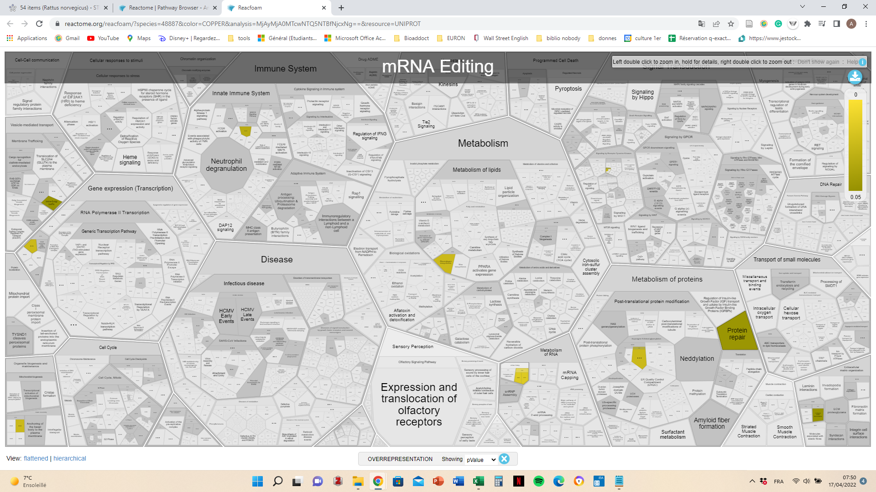
 |  | Q3SWT4 |  |  |  |  |  |  |  |  |  |  |  |  |  |  | Med16 | Mediator of rna polymerase ii transcription subunit 16; Component of the Mediator complex, a coactivator involved in the regulated transcription of nearly all RNA polymerase II-dependent genes. Mediator functions as a bridge to convey information from gene- specific regulatory proteins to the basal RNA polymerase II transcription machinery. Mediator is recruited to promoters by direct interactions with regulatory proteins and serves as a scaffold for the assembly of a functional preinitiation complex with RNA polymerase II and the general transcription factors (865 aa)
 |  | D3ZZ99 |  |  |  |  |  |  |  |  |  |  |  |  |  |  | Rbm4 | RNA binding motif protein 4 (365 aa)
 |  | G3V7N6 |  |  |  |  |  |  |  |  |  |  |  |  |  |  | Col11a1 | Collagen type v/xi/xxiv/xxvii, alpha; Collagen alpha-1(XI) chain; May play an important role in fibrillogenesis by controlling lateral growth of collagen II fibrils (1816 aa)
 |  | D3ZES2 |  |  |  |  |  |  |  |  |  |  |  |  |  |  | Lrrfip1 | Leucine-rich repeat flightless-interacting protein 1; Transcriptional repressor which preferentially binds to the GC-rich consensus sequence (5'-AGCCCCCGGCG-3') and may regulate expression of TNF, EGFR and PDGFA. May control smooth muscle cells proliferation following artery injury through PDGFA repression. May also bind double-stranded RNA. Positively regulates Toll-like receptor (TLR) signaling in response to agonist probably by competing with the negative FLII regulator for MYD88-binding (By similarity); Belongs to the LRRFIP family (738 aa)
 |  | P60192 |  |  |  |  |  |  |  |  |  |  |  |  |  |  | Nacc1 | Nucleus accumbens-associated protein 1; Functions as a transcriptional repressor. Isoform 1 is a stronger transcriptional repressor than isoform 2. Seems to function as a transcriptional corepressor in neuronal cells through recruitment of HDAC3 and HDAC4. Contributes to tumor progression, and tumor cell proliferation and survival. This may be mediated at least in part through repressing transcriptional activity of GADD45GIP1. Required for recruiting the proteasome from the nucleus to the cytoplasm and dendritic spines (514 aa)
 |  | A0A096MJY1 |  |  |  |  |  |  |  |  |  |  |  |  |  |  | Prpf39 | pre-mRNA processing factor 39 (664 aa)
 |  | D4A9Q3 |  |  |  |  |  |  |  |  |  |  |  |  |  |  | RGD1563296 | Conserved oligomeric golgi complex subunit 5; Component of oligomeric golgi complex 5 (829 aa)
 |  | B5D5N9-2 |  |  |  |  |  |  |  |  |  |  |  |  |  |  | Brk1 | BRICK1, SCAR/WAVE actin-nucleating complex subunit (75 aa)
 |  | A0A0U1RRY3 |  |  |  |  |  |  |  |  |  |  |  |  |  |  | Agfg1 | Arf-GAP domain and FG repeat-containing protein 1; Required for vesicle docking or fusion during acrosome biogenesis. May play a role in RNA trafficking or localization (By similarity) (560 aa)
 |  | Q6TUH4 |  |  |  |  |  |  |  |  |  |  |  |  |  |  | Tbcc | Tubulin-specific chaperone c (Predicted); Tubulin folding cofactor C (340 aa)
 |  | A0A0G2K189 |  |  |  |  |  |  |  |  |  |  |  |  |  |  | Rpo1-3 | RNA polymerase I subunit D; RNA polymerase 1-3 (123 aa)
 |  | B5DF80 |  |  |  |  |  |  |  |  |  |  |  |  |  |  | Pdgfrb | Platelet-derived growth factor receptor beta; Tyrosine-protein kinase that acts as cell-surface receptor for homodimeric PDGFB and PDGFD and for heterodimers formed by PDGFA and PDGFB, and plays an essential role in the regulation of embryonic development, cell proliferation, survival, differentiation, chemotaxis and migration. Plays an essential role in blood vessel development by promoting proliferation, migration and recruitment of pericytes and smooth muscle cells to endothelial cells. Plays a role in the migration of vascular smooth muscle cells and the formation of neointima at v [...] (1097 aa)
 |  | P83732 |  |  |  |  |  |  |  |  |  |  |  |  |  |  | Psmf1 | Proteasome inhibitor subunit 1 (pi31); Plays an important role in control of proteasome function. Inhibits the hydrolysis of protein and peptide substrates by the 20S proteasome. Also inhibits the activation of the proteasome by the proteasome regulatory proteins PA700 and PA28 (By similarity) (271 aa)
 |  | F1LNY3 |  |  |  |  |  |  |  |  |  |  |  |  |  |  | Notch2 | Functions as a receptor for membrane-bound ligands Jagged-1 (JAG1), Jagged-2 (JAG2) and Delta-1 (DLL1) to regulate cell-fate determination. Upon ligand activation through the released notch intracellular domain (NICD) it forms a transcriptional activator complex with RBPJ/RBPSUH and activates genes of the enhancer of split locus. Affects the implementation of differentiation, proliferation and apoptotic programs (By similarity). Involved in bone remodeling and homeostasis. In collaboration with RELA/p65 enhances NFATc1 promoter activity and positively regulates RANKL-induced osteoclast [...] (2471 aa)
 |  | Q5M969 |  |  |  |  |  |  |  |  |  |  |  |  |  |  | Hist2h2ab | Histone cluster 2 h2a family member b; Belongs to the histone H2A family (130 aa)
 |  | P68035 |  |  |  |  |  |  |  |  |  |  |  |  |  |  | Vps51 | VPS51 GARP complex subunit; Vacuolar protein sorting 51 homolog (S. cerevisiae) (781 aa)
 |  | P50393 |  |  |  |  |  |  |  |  |  |  |  |  |  |  | Ipo13 | Functions in nuclear protein import as nuclear transport receptor. Serves as receptor for nuclear localization signals (NLS) in cargo substrates. Is thought to mediate docking of the importin/substrate complex to the nuclear pore complex (NPC) through binding to nucleoporin and the complex is subsequently translocated through the pore by an energy requiring, Ran-dependent mechanism. At the nucleoplasmic side of the NPC, Ran binds to the importin, the importin/substrate complex dissociates and importin is re-exported from the nucleus to the cytoplasm where GTP hydrolysis releases Ran. T [...] (963 aa)
 |  | B0BN78 |  |  |  |  |  |  |  |  |  |  |  |  |  |  | Serpine1 | Plasminogen activator inhibitor 1; Serine protease inhibitor. Inhibits TMPRSS7. Is a primary inhibitor of tissue-type plasminogen activator (PLAT) and urokinase- type plasminogen activator (PLAU). As PLAT inhibitor, it is required for fibrinolysis down-regulation and is responsible for the controlled degradation of blood clots. As PLAU inhibitor, it is involved in the regulation of cell adhesion and spreading. Acts as a regulator of cell migration, independently of its role as protease inhibitor. It is required for stimulation of keratinocyte migration during cutaneous injury repair. I [...] (402 aa)
 |  | Q8CHJ4 |  |  |  |  |  |  |  |  |  |  |  |  |  |  | Abca9 | ATP-binding cassette, subfamily A (ABC1), member 9 (1617 aa)
 |  | A0A0G2K211 |  |  |  |  |  |  |  |  |  |  |  |  |  |  | Ube2l6 | Ubiquitin/ISG15-conjugating enzyme E2 L6; Catalyzes the covalent attachment of ubiquitin to other proteins. Functions in the E6/E6-AP-induced ubiquitination of p53/TP53. Promotes ubiquitination and subsequent proteasomal degradation of FLT3 (153 aa)
 |  | D4A229 |  |  |  |  |  |  |  |  |  |  |  |  |  |  | Rab12 | RAB12, member RAS oncogene family; Ras-related protein Rab-12; The small GTPases Rab are key regulators of intracellular membrane trafficking, from the formation of transport vesicles to their fusion with membranes. Rabs cycle between an inactive GDP-bound form and an active GTP-bound form that is able to recruit to membranes different set of downstream effectors directly responsible for vesicle formation, movement, tethering and fusion. That Rab may play a role in protein transport from recycling endosomes to lysosomes regulating, for instance, the degradation of the transferrin recep [...] (187 aa)
 |  | Q80W83 |  |  |  |  |  |  |  |  |  |  |  |  |  |  | Nt5dc1 | 5'-nucleotidase domain containing 1 (Predicted), isoform CRA_a; 5'-nucleotidase domain containing 1 (240 aa)
 |  | Q5M862 |  |  |  |  |  |  |  |  |  |  |  |  |  |  | Pde6d | Retinal rod rhodopsin-sensitive cgmp 3',5'-cyclic phosphodiesterase subunit delta; Phosphodiesterase 6D, cGMP-specific, rod, delta (131 aa)
 |  | B2RZ91 |  |  |  |  |  |  |  |  |  |  |  |  |  |  | Msrb3 | Peptide-methionine (r)-s-oxide reductase; Methionine-sulfoxide reductase that specifically reduces methionine (R)-sulfoxide back to methionine. While in many cases methionine oxidation is the result of random oxidation following oxidative stress, methionine oxidation is also a post-translational modification that takes place on specific residues (203 aa)
 |  | Q01134 |  |  |  |  |  |  |  |  |  |  |  |  |  |  | Clcn6 | Chloride voltage-gated channel 6; Chloride channel, voltage-sensitive 6 (870 aa)
 |  | A0A0G2JVT8 |  |  |  |  |  |  |  |  |  |  |  |  |  |  | Acox1 | Peroxisomal acyl-coenzyme A oxidase 1; Catalyzes the desaturation of acyl-CoAs to 2-trans- enoyl-CoAs. Isoform 1 shows highest activity against medium-chain fatty acyl-CoAs and activity decreases with increasing chain length. Isoform 2 is active against a much broader range of substrates and shows activity towards very long-chain acyl-CoAs. Isoform 1 shows optimum activity with a chain length of 10 carbons while isoform 2 exhibits optimum activity with 14 carbons (660 aa)
 |  | A0A0G2K2U7 |  |  |  |  |  |  |  |  |  |  |  |  |  |  | Rock1 | Rho-associated coiled-coil containing protein kinase 1; Protein kinase which is a key regulator of actin cytoskeleton and cell polarity . Involved in regulation of smooth muscle contraction, actin cytoskeleton organization, stress fiber and focal adhesion formation, neurite retraction, cell adhesion and motility via phosphorylation of DAPK3, GFAP, LIMK1, LIMK2, MYL9/MLC2, TPPP, PFN1 and PPP1R12A . Phosphorylates FHOD1 and acts synergistically with it to promote SRC-dependent non-apoptotic plasma membrane blebbing. Phosphorylates JIP3 and regulates the recruitment of JNK to JIP3 upon UV [...] (1369 aa)
 |  | D3ZPW6 |  |  |  |  |  |  |  |  |  |  |  |  |  |  | Mrpl41 | 39S ribosomal protein L41, mitochondrial; Component of the mitochondrial ribosome large subunit. Also involved in apoptosis and cell cycle. Enhances p53/TP53 stability, thereby contributing to p53/TP53-induced apoptosis in response to growth-inhibitory condition. Enhances p53/TP53 translocation to the mitochondria. Has the ability to arrest the cell cycle at the G1 phase, possibly by stabilizing the CDKN1A and CDKN1B (p27Kip1) proteins (134 aa)
 |  | P15684 |  |  |  |  |  |  |  |  |  |  |  |  |  |  | Ciao1 | Probable cytosolic iron-sulfur protein assembly protein CIAO1; Key component of the cytosolic iron-sulfur protein assembly (CIA) complex, a multiprotein complex that mediates the incorporation of iron-sulfur cluster into extramitochondrial Fe/S proteins. Seems to specifically modulate the transactivation activity of WT1. As part of the mitotic spindle-associated MMXD complex it may play a role in chromosome segregation (339 aa)
 |  | D4A565 |  |  |  |  |  |  |  |  |  |  |  |  |  |  | Pygl | Glycogen phosphorylase, liver form; Phosphorylase is an important allosteric enzyme in carbohydrate metabolism. Enzymes from different sources differ in their regulatory mechanisms and in their natural substrates. However, all known phosphorylases share catalytic and structural properties (850 aa)
 |  | A0A140TAE6 |  |  |  |  |  |  |  |  |  |  |  |  |  |  | Gzf1 | GDNF-inducible zinc finger protein 1; Transcriptional repressor. Binds the GZF1 responsive element (GRE) (consensus: 5'-TGCGCN[TG][CA]TATA-3'). May be regulating VSX2/HOX10 expression (By similarity) (707 aa)
 |  | G3V8A5
 |  | Q5PQS6
 |  | Q5XIL1
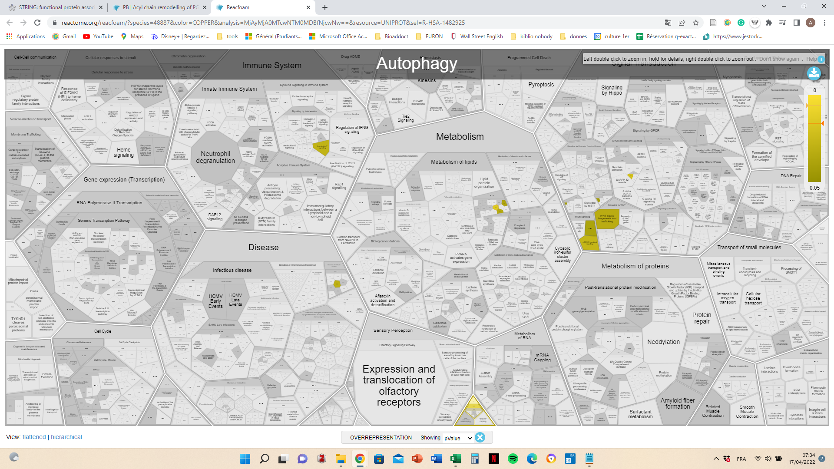
 |  | D4AAN0
 |  | Q8R4Z9
 |  | D3ZP13
 |  | Q6AY56
 |  | F1LPB4
 |  | A0A0G2K5G8
 |  | Q6PDW4
 |  | Q63486
 |  | F1LVV3
 |  | M0RCA3
 |  | B2GV11
 |  | A0A0G2KAN5
 |  | M0RCH5
 |  | A0A0G2JUF8
 |  | Q6AY55
 |  | Q6DKG0
 |  | A0A1W2Q616
 |  | Q7TP16
 |  | D3ZXP3
 |  | Q9ERZ8
 |  | Q5FVR4
 |  | Q5BJT4
 |  | A0A0G2JV78
 |  | Q9Z1Z6
 |  | D3ZG00
 |  | F1MAQ7
 |  | Q6P775
 |  | A0A0G2K3V2
 |  | B2RYS9
 |  | Q712J2
 |  | Q08415-1
 |  | Q6LED0
 |  | P11530
 |  | D3ZWJ2
 |  | A0A140UHX0
 |  | D3ZG05
 |  | F1M9C9
 |  | E9PTG1
 |  | G3V7V5
 |  | D3ZAA9
 |  | Q3MQ06
 |  | D3ZLQ6
 |  | A0A0G2JUM2
 |  | A0A0G2K6F1
 |  | Q6Y1S1
 |  | P61621
 |  | B4F7C7
 |  | Q498C9
 |  | Q6AXN3
 |  | Q7TP15
 |  | D4A3E2
 |  | D3Z955
 |  | D3Z9L0
 |  | M0RDA4
 |  | O55173
EV | 115 | A0A140TAC3
 |  | Q5RKH6
 |  | M0R9Z5
 |  | Q2TGI9
 |  | D3ZKH2
 |  | D3ZEM6
 |  | Q5XI53
 |  | A0A0G2JZI0
 |  | M0R8A4
 |  | A0A0G2K9J2
 |  | A0A0G2K6T6
 |  | F1LXV3
 |  | Q6AY86
 |  | M0R950
 |  | A0A0G2KA69
 |  | D3ZQL1
 |  | D3Z822
 |  | Q2HWF0
 |  | Q9JHZ4
 |  | Q5PQM2
 |  | A0A0G2KAW4
 |  | Q811A3
 |  | P39052-2
 |  | D4A2D3
 |  | A7VLG3
 |  | Q63624
 |  | D4A7L4
 |  | G3V8V3
 |  | A0A0G2K9Q8
 |  | A0A0G2K916
 |  | B0BN46
 |  | Q642A5
 |  | D3ZER1
 |  | D3ZQ82
 |  | P21272
 |  | A0A0G2K0J4
 |  | D3ZK36
 |  | Q6AY98
 |  | D3ZZ51
 |  | A8QIC3
 |  | Q498N4
 |  | D3ZD83
 |  | P46844
 |  | D5MTH0
 |  | Q6P503
 |  | D4A333
 |  | D3ZF99
 |  | Q6AXQ5
 |  | D3ZEK7
 |  | Q66H28
 |  | B2RYS8
 |  | Q4V8K1
 |  | F1M863
 |  | Q5XIJ6
 |  | Q80WA4
 |  | B1H248
 |  | Q6J4I0
 |  | Q4V794
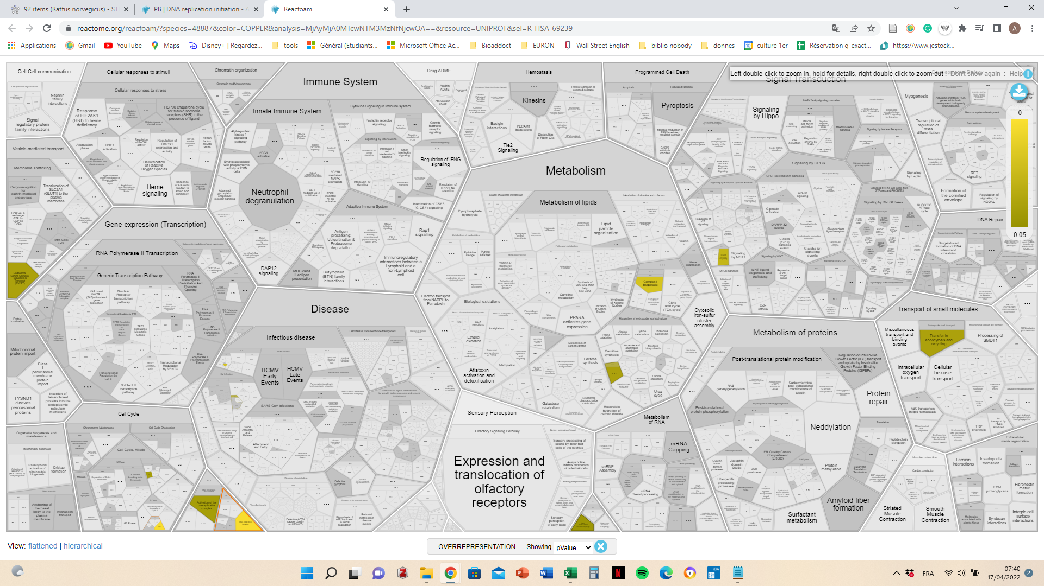
 |  | D4A885
 |  | Q69DC0
 |  | P62489
 |  | Q5I0P2
 |  | F1M8P2
 |  | A0A0G2JW28
 |  | P50545
 |  | Q68FP9
 |  | Q05759
 |  | Q498S9
 |  | M0R9Y3
 |  | F1M1R4
 |  | B2GV71
 |  | D3ZUL3
 |  | D4ABC7
 |  | B0BN53
 |  | A0A0G2K652
 |  | G3V8C0
 |  | Q9R1Q2
 |  | P25977
 |  | A0A0G2K2I0
 |  | D3ZVB0
 |  | A7BJV7
 |  | Q07116
 |  | Q10743
 |  | D3ZDR2
 |  | Q6MGC5
 |  | F1LR42
 |  | Q69DC1
 |  | D3ZQB6
 |  | A0A096MJE3
 |  | Q66H99
 |  | B1H222
 |  | Q9JJP9
 |  | D4A1S0
 |  | Q5XIK2
 |  | Q6AZ23
 |  | F6PUQ7
 |  | D4AEG3
 |  | Q6GMN6
 |  | D3ZV54
 |  | Q4KM92
 |  | A0A140TAA0
 |  | Q99PV3
 |  | F1LRT0
 |  | Q5I0J2
 |  | D4ACF1
 |  | A0A0G2K8H1
 |  | A0A0G2JVH4
 |  | B4F779
 |  | O89043
 |  | A0A0G2K9V6
 |  | D3ZMM2
 |  | Q5U2Y7
 |  | D3Z9E1
 |  | D3ZUU5
 |  | Q6GMN2
T2 | 62 | F1LPC7
 |  | B5DFL5
 |  | B5DEH7
 |  | M0RB60
 |  | G3V7S2
 |  | D4A4B4
 |  | D3ZMZ9
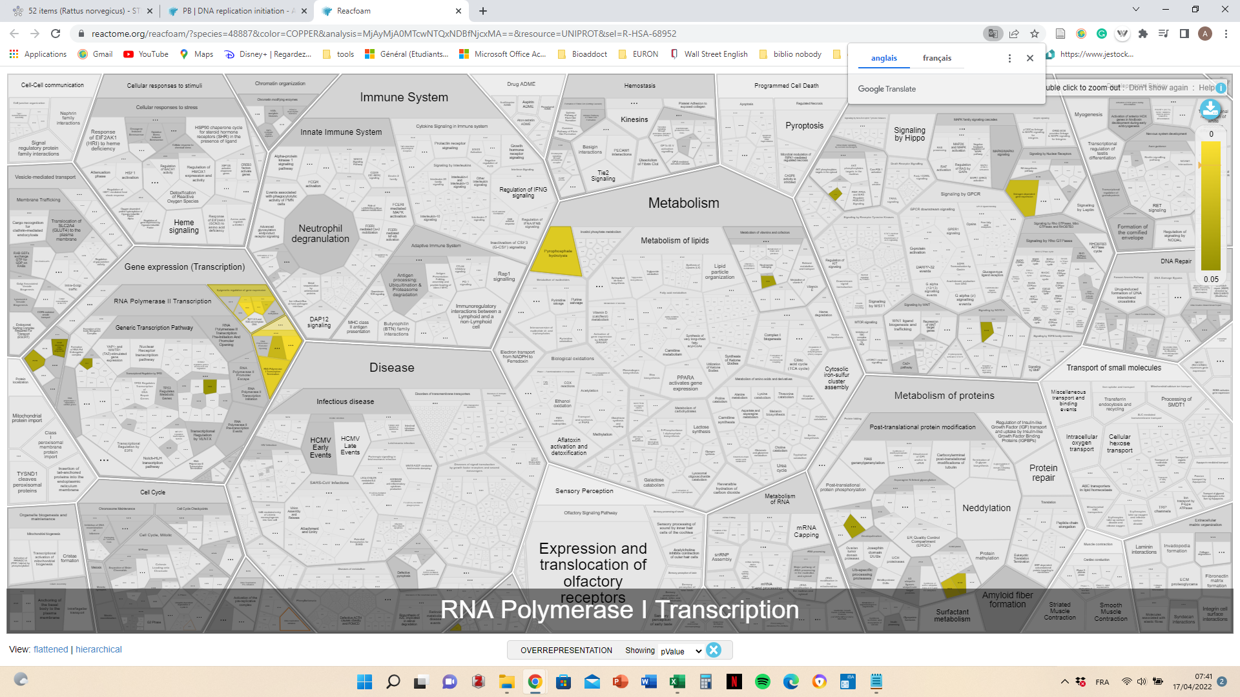
 |  | O35112
 |  | Q5I0D5
 |  | A0A0A0MXT5
 |  | D3ZJU0
 |  | F1LQI1
 |  | P83006
 |  | Q6P7B0
 |  | Q66H09
 |  | Q5XIA5
 |  | D4A817
 |  | Q568Y2
 |  | Q9JKB0
 |  | Q6MGA9
 |  | A0A0U1RRW6
 |  | Q7TPJ1
 |  | P97878
 |  | O35804
 |  | D3ZW58
 |  | D3ZLM5
 |  | Q66HB1
 |  | D4AB23
 |  | A0A0G2K038
 |  | D3ZGW2
 |  | Q62673
 |  | B5D5N9
 |  | P62632
 |  | B2GV55
 |  | P97571
 |  | P57790
 |  | A0A0G2K776
 |  | G3V8A4
 |  | Q5U1Z2
 |  | C6L8E0
 |  | B5DFJ4
 |  | D4A362
 |  | D3ZX56
 |  | Q62952
 |  | Q02589
 |  | A0A0G2JSQ9
 |  | D3ZL85
 |  | A0A0G2KAK2
 |  | D3Z9I1
 |  | Q4KLN1
 |  | D4AA31
 |  | F1MA20
 |  | D4AC38
 |  | G3V8P3
 |  | Q5RJT2
 |  | F1M9X5
 |  | Q9R037
 |  | G3V914
 |  | F7EVN7
 |  | B0BN64
 |  | P61959
 |  | A0A096MJY6
POLY | 73 | Q66HG9
 |  | A0A0G2K8T0
 |  | D3ZWB1
 |  | B2RYW9
 |  | E9PT90
 |  | Q3MHC2
 |  | M0RC57
 |  | A0A0G2K382
 |  | O08816
 |  | B5DFL1
 |  | Q5PPK6
 |  | D3ZTJ0
 |  | Q6IN15
 |  | D3ZY45
 |  | Q8VID1
 |  | A0A096MJL8
 |  | A0A0G2K0V3
 |  | Q7TP77
 |  | A0A0G2JW52
 |  | Q32Q88
 |  | Q5FWU2
 |  | Q6AY53
 |  | Q5FWT7
 |  | A0A0G2JXJ7
 |  | Q6URK4
 |  | A0A0G2JW94
 |  | P54777
 |  | D4A144
 |  | O35876
 |  | Q9WV50
 |  | Q9ERH3
 |  | D3ZSW5
 |  | Q2YDU8
 |  | Q9JI92
 |  | M0R959
 |  | Q5M9H1
 |  | Q5XIB2
 |  | A0A5H1ZRU4
 |  | F1LYF3
 |  | M0R776
 |  | M0RCV0
 |  | G3V6I1
 |  | Q5XI79
 |  | A0A0G2JV21
 |  | Q5PQP9
 |  | P23928
 |  | Q99MZ4
 |  | M0RCB1
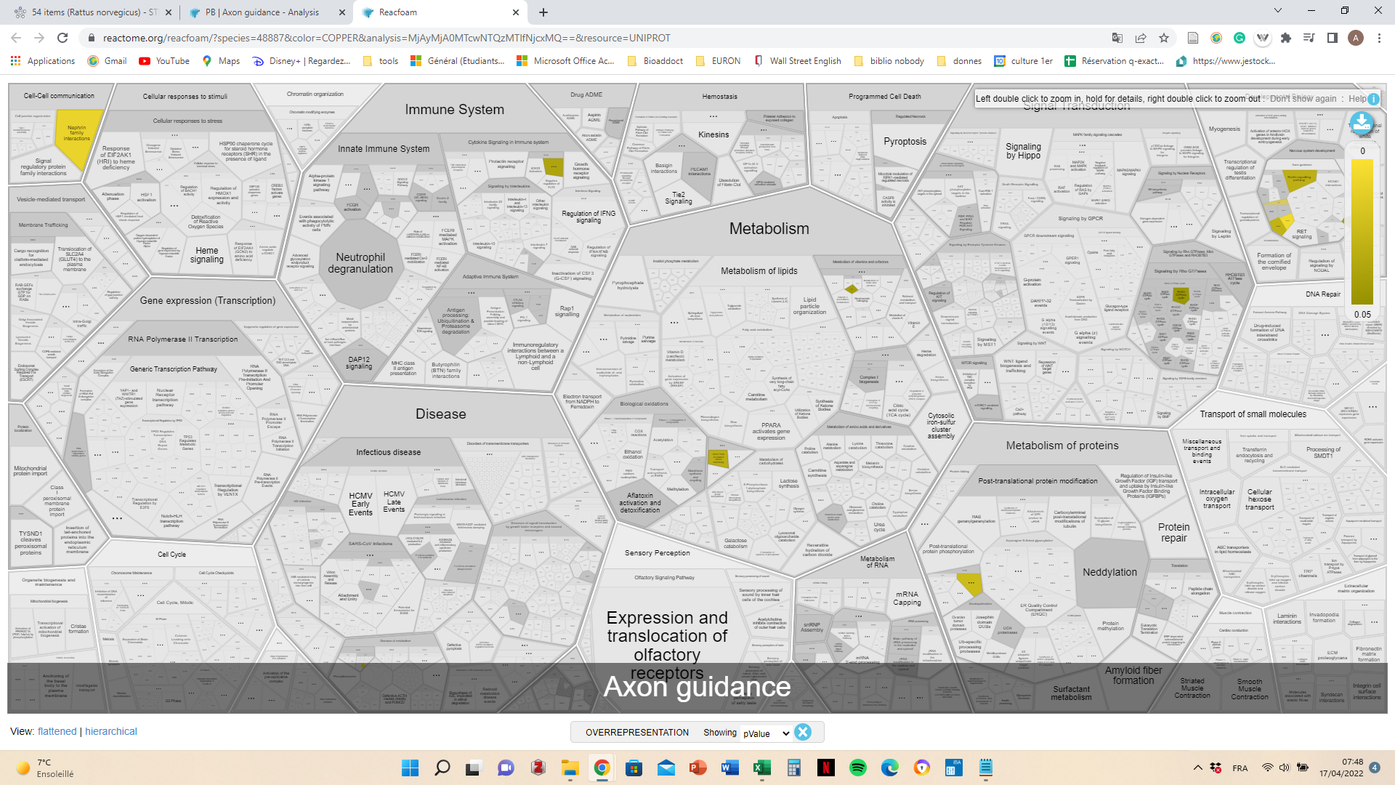
 |  | R9PXZ9
 |  | A0A0G2K7Y5
 |  | F7EVX2
 |  | D3ZH75
 |  | Q00972
 |  | Q99MM4
 |  | A0A0G2K3S6
 |  | A0A0G2K5T6
 |  | Q5U2W6
 |  | D3ZR64
 |  | Q62844
 |  | Q91Z79
 |  | M0RAD5
 |  | D3ZU55
 |  | Q99MC0
 |  | D3ZQC6
 |  | Q00438
 |  | E9PTF0
 |  | F1LQ62
 |  | D4ACA6
 |  | Q5XI69
 |  | A0A0G2K7N9
 |  | D3ZMR7
 |  | P80385
 |  | A0A0G2JTS3

