IP vs IPPep average
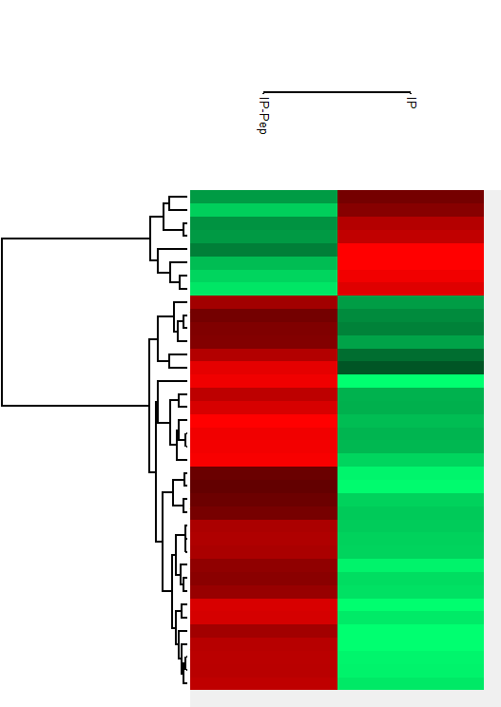
CLUSTER 1 |  |  |  | CLUSTER 2
Protein IDs | Majority protein IDs | Protein names | Gene names | Protein IDs | Majority protein IDs | Protein names | Gene names
F1LMZ8;B5DEP6;A0A0G2JWX1;D3Z950 | F1LMZ8;B5DEP6;A0A0G2JWX1;D3Z950 | 26S proteasome non-ATPase regulatory subunit 11 | Psmd11 | M0R735;A0A0G2K9J1;Q7TP47 | M0R735;A0A0G2K9J1;Q7TP47 | Heterogeneous nuclear ribonucleoprotein Q | Syncrip
P46844;Q6AZ33 | P46844;Q6AZ33 | Biliverdin reductase A | Blvra | P48500;A0A0G2JWJ4;Q6SA19;A0A0G2JWU1 | P48500;A0A0G2JWJ4;Q6SA19;A0A0G2JWU1 | Triosephosphate isomerase | Tpi1;LOC500959
O35303-6;O35303-2;O35303-5;O35303-4;O35303;O35303-3 | O35303-6;O35303-2;O35303-5;O35303-4;O35303;O35303-3 | Dynamin-1-like protein | Dnm1l | P16617;M0R6Y8;Q5XIV1;A0A096MJL6 | P16617 | Phosphoglycerate kinase 1 | Pgk1
Q8K1Q0;Q700Q7 | Q8K1Q0 | Glycylpeptide N-tetradecanoyltransferase 1 | Nmt1 | G3V8L9;P85125 | G3V8L9;P85125 | Polymerase I and transcript release factor | Ptrf
B6DYQ7;P04906;D4A8S2;A0A0G2K4Q5 | B6DYQ7;P04906 | Glutathione S-transferase P | Gstp1 | P27605;Q6LDG5 | P27605;Q6LDG5 | Hypoxanthine-guanine phosphoribosyltransferase | Hprt1
D3ZG43 | D3ZG43 |  | Ndufs3 | P62630;M0R757;F1M6C2;P62632 | P62630;M0R757;F1M6C2 | Elongation factor 1-alpha 1;Elongation factor 1-alpha | Eef1a1;LOC100360413;LOC100360150
F1M9D6;Q6P6Q7;Q9QXK0;A0A0G2JX93;Q7TP57 | F1M9D6;Q6P6Q7;Q9QXK0;A0A0G2JX93;Q7TP57 | Signal transducer and activator of transcription | Stat1;Stat4 | Q6PED0;P62982;Q63654;Q6P7R7;F1LU69;IP_1381478.1|IP_1381478.1_RAT;Q5FWT0;F1LML2;P62986;P0CG51;Q63429;F1M927;IP_1255401.1|IP_1255401.1_RAT | Q6PED0;P62982;Q63654;Q6P7R7;F1LU69;IP_1381478.1|IP_1381478.1_RAT;Q5FWT0;F1LML2;P62986;P0CG51;Q63429 | Ubiquitin-40S ribosomal protein S27a;Ubiquitin;40S ribosomal protein S27a;Ubiquitin-60S ribosomal protein L40;Ubiquitin;60S ribosomal protein L40;Polyubiquitin-B;Ubiquitin;Polyubiquitin-C;Ubiquitin;Ubiquitin-related | Rps27a;Ubb;Uba52;Rps27l3;LOC100360548;Ubc
A0A0G2K930;P09527 | A0A0G2K930;P09527 | Ras-related protein Rab-7a | Rab7a | P85845;Q80X10 | P85845 | Fascin | Fscn1
 |  |  |  | Q7TPB1 | Q7TPB1 | T-complex protein 1 subunit delta | Cct4
 |  |  |  | P62804;IP_1353727.1|IP_1353727.1_RAT;IP_1353729.1|IP_1353729.1_RAT;Q5BM22;P62804-2 | P62804;IP_1353727.1|IP_1353727.1_RAT | Histone H4;Osteogenic growth peptide | Hist1h4b
 |  |  |  | Q3MHS9;Q5BJY2;Q6AYJ7;IP_1381273.1|IP_1381273.1_RAT | Q3MHS9 |  | Cct6a
Cluster 1
 |  |  |  | Q04931 | Q04931 | FACT complex subunit SSRP1 | Ssrp1
 |  |  |  | M0RDM4;IP_1353728.1|IP_1353728.1_RAT;K7R8M0;G3V9C0;D3ZVK7;A9UMV8;Q4FZT6;P0C170;P0C169;Q6I8Q6;M0RCL5;Q64598;Q00728 | M0RDM4;IP_1353728.1|IP_1353728.1_RAT;K7R8M0;G3V9C0;D3ZVK7;A9UMV8;Q4FZT6;P0C170;P0C169;Q6I8Q6;M0RCL5;Q64598;Q00728 | Histone H2A;Histone H2A.J;Histone H2A type 3;Histone H2A type 1-E;Histone H2A type 1-C;Histone H2A type 1-F;Histone H2A type 4 | LOC680322;Hist1h2ao;Hist1h2ac;Hist1h2ak;H2afj;Hist1h2af;LOC100910554
 |  |  |  | P50398;Q5BK95;IP_1255715.1|IP_1255715.1_RAT | P50398 | Rab GDP dissociation inhibitor alpha | Gdi1
 |  |  |  | P10760;Q6P743 | P10760;Q6P743 | Adenosylhomocysteinase | Ahcy
 |  |  |  | Q9ER34 | Q9ER34 | Aconitate hydratase, mitochondrial | Aco2
 |  |  |  | A0A0G2K9V6;Q5XHY5;Q68FW7 | A0A0G2K9V6;Q5XHY5 | Threonine--tRNA ligase, cytoplasmic | Tars
Cluster 2
 |  |  |  | Q5U2Q7;IP_1255527.1|IP_1255527.1_RAT;IP_1255528.1|IP_1255528.1_RAT | Q5U2Q7 | Eukaryotic peptide chain release factor subunit 1 | Etf1
 |  |  |  | O70186 | O70186 | Nuclear factor 1 | Nfib
 |  |  |  | B1WC49 | B1WC49 |  | Api5
 |  |  |  | P60123;A0A0G2K0H9 | P60123;A0A0G2K0H9 | RuvB-like 1 | Ruvbl1
 |  |  |  | Q6P6R2 | Q6P6R2 | Dihydrolipoyl dehydrogenase, mitochondrial | Dld
 |  |  |  | B0BMW2;O70351 | B0BMW2;O70351 | 3-hydroxyacyl-CoA dehydrogenase type-2 | Hsd17b10
 |  |  |  | P47942;Q62950 | P47942 | Dihydropyrimidinase-related protein 2 | Dpysl2
 |  |  |  | F1M9V7;Q8VID2;Q3B8Q9 | F1M9V7 |  | Npepps
 |  |  |  | P13832 | P13832 | Myosin regulatory light chain RLC-A | Rlc-a
 |  |  |  | A0A0G2K5E7;G3V888;P16638;G3V9G4;P16638-2 | A0A0G2K5E7;G3V888;P16638;G3V9G4;P16638-2 | ATP-citrate synthase | Acly
 |  |  |  | D3ZAN3 | D3ZAN3 |  | Ganab
 |  |  |  | D4A6G6;A0A0H2UI38;P17074;F1M8C7;D3ZGN8;F1M764;IP_1364045.1|IP_1364045.1_RAT;D3ZSH6;F1LYF3;D3ZUD7 | D4A6G6;A0A0H2UI38;P17074;F1M8C7;D3ZGN8;F1M764;IP_1364045.1|IP_1364045.1_RAT;D3ZSH6;F1LYF3 | 40S ribosomal protein S19 | LOC100362339;Rps19;LOC100360843;Rps19l1
 |  |  |  | A0A0G2K3Z9;Q63716 | A0A0G2K3Z9;Q63716 | Peroxiredoxin-1 | Prdx1

