Surexpet CTL Triplicat Venn Dia
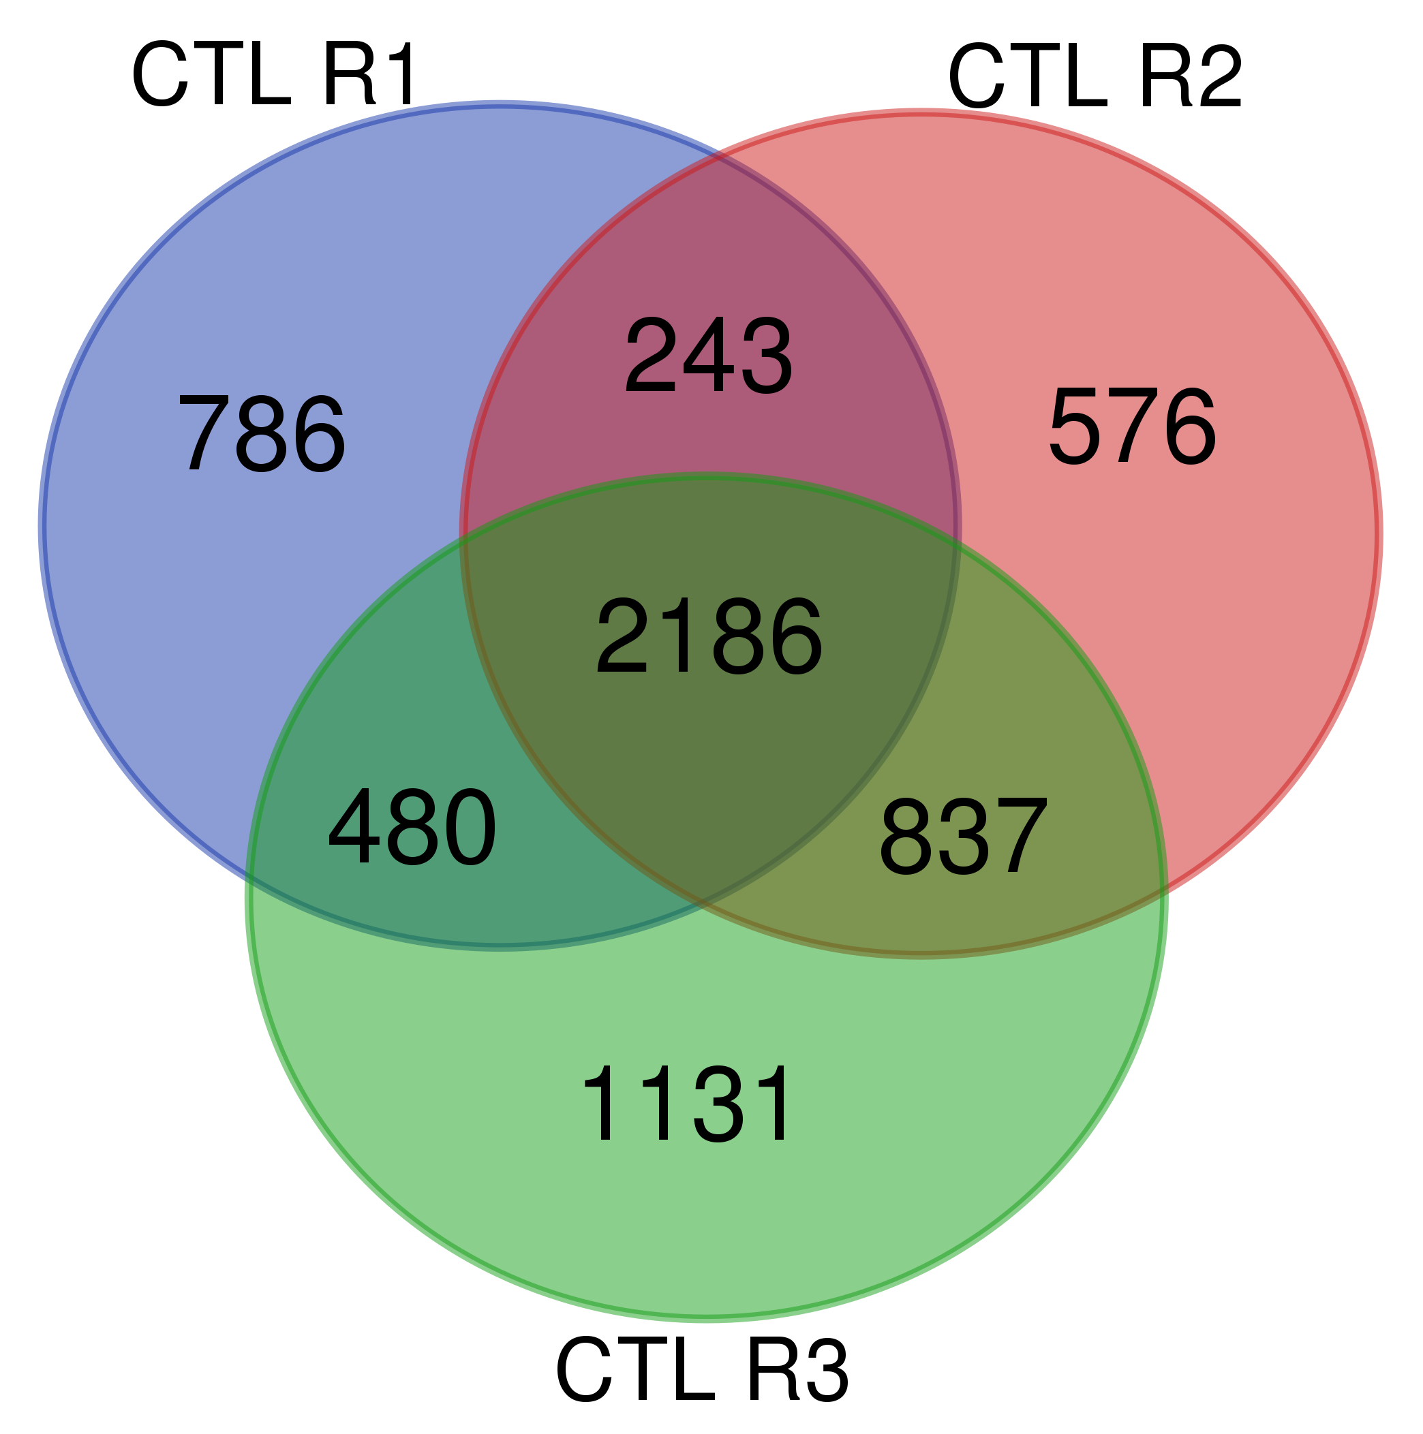
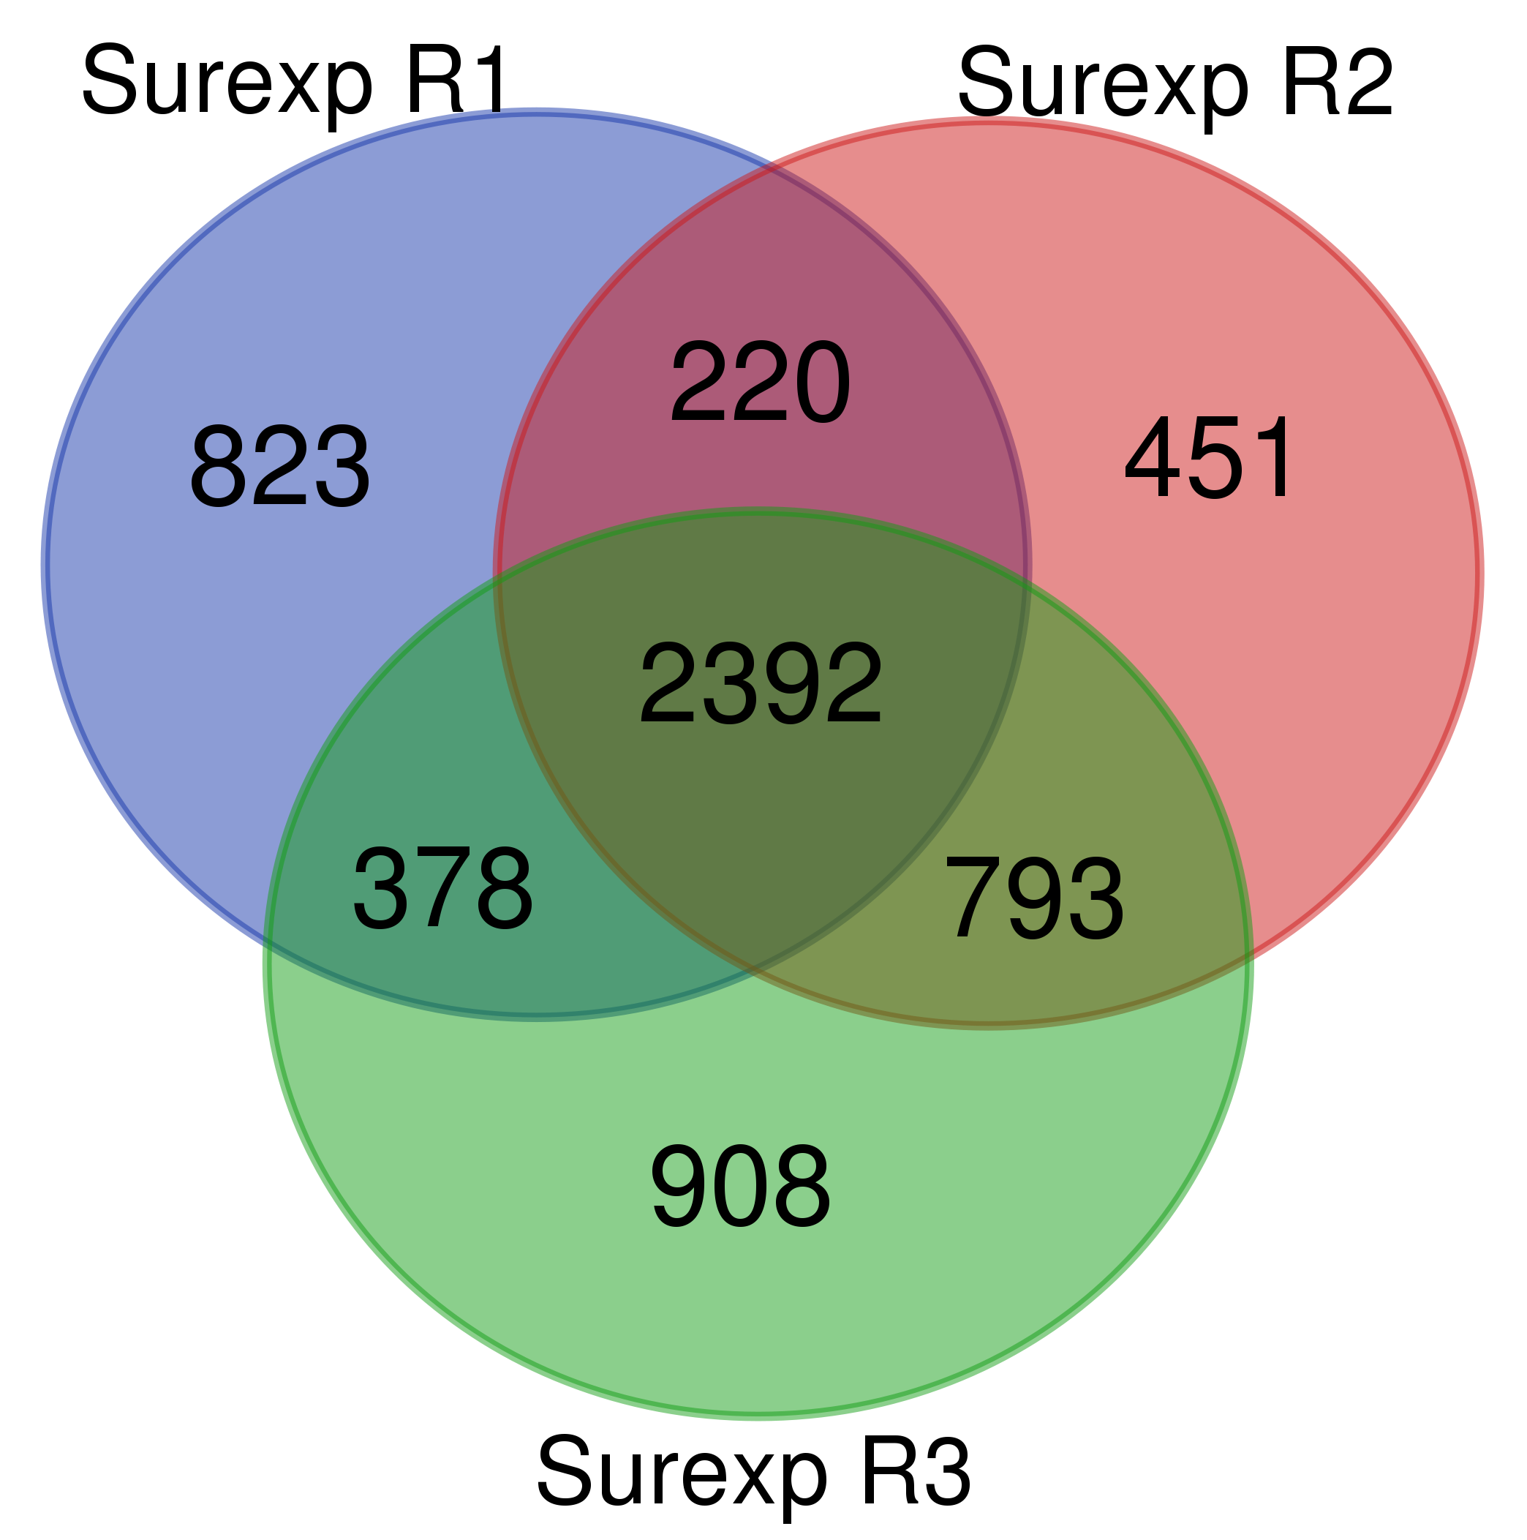
1R1 | 1R2 | 1R3 | CTL R1 | CTL R2 | CTL R3
Q6TUG0 | A0A0G2JUA5 | A0A0G2JUA5 | A0A0G2JUA5 | A0A0G2JUA5 | A0A0G2JUA5
P31399 | Q6S3A0 | A0A0G2JU96 | A0A0G2JU96 | A0A0G2JU96 | A0A0G2JU96
D3ZK73 | P30427 | Q6S3A0 | G3V6P7 | G3V6P7 | Q6S396
Q08163 | G3V6P7 | Q6S3A5 | C0JPT7 | M0R9X8 | P30427
A0A0G2JZZ4 | M0R9X8 | G3V6P7 | P31000 | Q6S395 | M0R9X8
P62944 | C0JPT7 | M0R9X8 | P04785 | C0JPT7 | G3V6P7
Q5U2Z2 | P31000 | C0JPT7 | F1M853 | Q6S3A0 | P38650
F1LXP8 | G3V852 | P31000 | D4A0Y6 | P38650 | C0JPT7
A0A0G2K6S9 | Q9Z1P2 | Q6IRK8 | F1MA98 | P06761 | P31000
A0A0H2UH99 | P04785 | G3V9Y1 | P06761 | A0A0G2KAJ7 | P16086
G3V6D3 | P06761 | P16086 | F1LUD3 | P31000 | G3V9Y1
D3Z8X6 | Q6IRK8 | P11442 | Q6S395 | Q66HD0 | Q9Z1P2
P52164 | P16086 | Q9Z1P2 | P09495 | G3V852 | P11442
F1LSS1 | P11442 | G3V852 | P30427 | P04785 | P11980-2
G3V852 | Q66HD0 | P63259 | Q6T487 | A0A0G2K3K2 | G3V852
D4ACV0 | P46462 | A0A0G2JXT8 | Q6GMN8 | P11442 | P34058
Q68FX7 | P07150 | P11980-2 | Q6IRK8 | Q6T487 | P63018
Q505I4 | P63018 | P34058 | D3ZF26 | P63018 | P06761
C5NTX8 | P11980-2 | Q66HD0 | P04692 | P34058 | G3V6S0
Q68FU2 | A0A0G2K8V2 | P06761 | Q38PF9 | G3V9Y1 | A0A0G2JXT8
G3V7C6 | P34058 | P07150 | O35814 | Q6IRK8 | P07150
D4A5T1 | G3V9Y1 | A0A0G2K8V2 | G3V852 | P07150 | A0A0G2K793
P07323 | P63039 | P69897 | F1LW91 | A0A0G2K8V2 | A0A0G2K8V2
D3ZJ92 | M0R5J4 | D3ZHA0 | G3V9Y1 | P16086 | P11980
D3ZAF7 | A0A0G2JXT8 | A0A0G2KAJ7 | A0A0G2K051 | G3V6S0 | Q66HD0
Q4V897 | Q07936 | G3V6S0 | Q66HD0 | P11980-2 | A0A0G2KAJ7
A0A0H2UHN2 | M0R8M9 | P46462 | C9EH87 | M0R8M9 | P63259
Q63560 | Q5RJR9 | G3V7C6 | Q63610 | P69897 | A0A0G2JZI2
Q99068 | Q9QXQ0 | P63018 | A0A0G2K8V2 | A0A0H2UHM5 | P05197
D4A746 | P69897 | P04785 | P63018 | Q5RJR9 | P46462
P50503 | P05197 | A0A0G2K013 | Q63610-2 | G3V7C6 | P69897
Q4FZU2 | P82995 | P05197 | A0A0G2JSQ4 | P10719 | G3V7C6
D3ZAP1 | G3V7C6 | P85108 | P34058 | A0A0G2JXT8 | P04785
G3V7J0 | P10719 | Q3KRE8 | A0A0G2K3K2 | G3V8L3 | A0A0G2K013
Q9WV97 | P11980 | Q5RJR9 | Q5U328 | P15999 | P82995
O70377 | A0A0H2UHM5 | P12785 | G3V8L3 | M0R5J4 | P12785
A0A0G2JUN8 | A1Z0K8 | P11980 | Q62733 | P82995 | D3ZHA0
A0JPM9 | Q3KRE8 | A0A0G2JZI2 | A0A0G2K022 | P11980 | Q5RJR9
D4A9L2 | M0R757 | Q5U328 | Q5RJR9 | A0A0G2K013 | P85108
G3V6K3 | P12785 | P82995 | D3ZMS1 | P63039 | M0R5J4
D3ZDU5 | G3V6S0 | Q07936 | P58775-2 | P85108 | Q3KRE8
A0A096MK61 | A0A0G2KAJ7 | M0R757 | P07150 | G3V928 | G3V928
A0A0G2K6T6 | P15999 | Q6AYZ1 | M0RCB1 | Q3KRE8 | P63039
A0A140TAA4 | P68370 | M0R5J4 | Q5M7W5 | A0A0G2K695 | P68370
Q99N37 | F1M853 | G3V7Q7 | P69897 | Q07936 | M0R757
Q68FW2 | D3ZHA0 | G3V6T1 | A0A0G2JW88 | Q6IMZ3 | Q07936
B1WBY1 | G3V8L3 | P63039 | P11980-2 | P04182 | Q5U328
Q6TRW4 | Q6AYZ1 | G3V928 | Q63083 | P46462 | A0A0H2UHM5
D4AEC2 | A0A096P6L8 | G3V6D3 | Q07936 | P68136 | Q6AYZ1
Q5EBD4 | P68035 | P10719 | P82995 | A0A096P6L8 | Q6IMZ3
P07150 | A0A0G2K695 | G3V8L3 | P63039 | G3V6T7 | G3V6D3
F1M1X9 | G3V928 | P68035 | M0R5J4 | F1LST1 | G3V8L3
Q5JC29 | Q6P6V0 | P15999 | P58775 | P06685 | G3V7Q7
Q68FQ9 | Q5U300 | P63269 | G3V928 | G3V7U4 | G3V6T1
F1M0R1 | P06685 | A0A0H2UHM5 | M0R961 | P04797 | P15999
A0A0H2UHX1 | G3V6T1 | Q68FR8 | G3V7C6 | P10860 | Q5U300
P97629 | Q5U328 | P50399 | P11442 | P05197 | P50399
P60841 | A0A096MK30 | A0A096P6L8 | Q38PG1 | P18418 | P68035
A0A0G2JX72 | G3V7Q7 | Q6IMZ3 | P62804 | P09495 | F1LNJ2
Q02874 | Q6IMZ3 | F1LRI5 | G3V6S0 | P04692 | G3V7U4
A0JPP1 | P04256 | F1LNF1 | A0A0G2K013 | Q6AYZ1 | O35814
B1H216 | P25113 | O35814 | F1SW39 | D3ZAN3 | P63269
Q0ZHH6 | M0R660 | P04797 | A0A0H2UHM5 | A0A0G2JZI2 | A0A0G2K695
Q62632 | G3V7U4 | D3ZAN3 | P10719 | B4F7C2 | Q4QQV0
Q99MB4 | O35814 | A0A0G2K695 | P46462 | O35814 | D3ZAN3
Q9JKL8 | Q6P136 | F1LNJ2 | P11980 | F1M853 | G3V6H2
B0K024 | A0A0G2JZI2 | G3V6H2 | P02401 | P04636 | Q5XIF6
D3ZBL6 | G3V6T7 | Q5U300 | Q3KRE8 | P12785 | F1M6C2
P12001 | P04182 | Q5XIF6 | A0A0G2JTV2 | Q9ER34 | B4F7C2
A0A0G2JVI3 | P50399 | Q5XIM9 | Q9JK11 | D3ZZT9 | Q64428
P29314 | P10860 | M0R735 | D4A4D5 | Q9JLA3 | F1LRI5
P04182 | P16617 | Q4QQV0 | F1LPG9 | Q68FR8 | M0R735
P18421 | A1A5L2 | P04256 | Q6AYZ1 | P05065 | P04797
D4A5R3 | B4F7C2 | G3V9G4 | D4A4Z9 | M0R757 | Q5XIM9
Q6DGG0 | P47942 | P62804 | Q5XIW8 | Q6P136 | P04256
D3ZXT2 | Q5XIF6 | G3V7U4 | A0A0G2JXT8 | P14668 | A0A0G2JWP8
D4A1C5 | D3ZAN3 | Q6IMY8 | A0A0G2JUC7 | A1A5L2 | Q62744
Q6AY21 | Q5XIM9 | F1M853 | G3V6S3 | M0R660 | P47942
M0RA86 | P18418 | Q4QRB4 | P13084 | Q5XIM9 | G3V9G4
Q31267 | P05065 | Q6P3V9 | D4A5T8 | Q5U300 | E9PU01
Q5XIP0 | Q9JLA3 | A0A096MK30 | Q6IMZ3 | P47942 | P50475
P07151 | P09495 | Q6URK4-2 | P15999 | Q63610 | Q66X93
A0A0G2K8K5 | F1LRI5 | M0R660 | Q6LDS4 | Q9Z2L0 | Q1PS21
A0A0G2JSR7 | P62804 | P09495 | Q5D059 | P25113 | F1LNF1
F1MA61 | Q9ER34 | E9PU01 | A0A0G2JZI2 | F1LRI5 | P06685
G3V7I7 | P14668 | Q6AYI1 | Q6TXE9 | Q62744 | A0A096MK30
A0A023ILN9 | P11507 | P50475 | F1LM82 | A0A096MK30 | Q6P3V9
A0A096MJI4 | A0A0G2JSZ5 | Q9EPH8 | P38650 | P04762 | A0A0G2K3H2
B2RYG2 | P16638 | Q6URK4 | Q3MID6 | Q6P502 | Q6P3V8
Q5M7U6 | Q6P7A7 | P04182 | F1LRT9 | A0A0G2JSQ4 | P41516
Q68FT7 | Q6P3V8 | Q64428 | P04256 | G3V6T1 | Q6URK4-2
D4A1V7 | Q64428 | P14668 | D3ZM69 | Q66X93 | G3V6Y6
G3V7H2 | Q6P502 | F1SW39 | A0A0G2K2M9 | P54001 | A0A096P6L8
F8WFH8 | Q4QQV0 | G3V7T6 | B4F758 | P11507 | P25113
Q9R0C9 | F1LRV4 | Q66X93 | D3ZHA0 | G3V7Q7 | Q9EPH8
B0BNB4 | P04642 | P47942 | A0A0G2K4M6 | Q5XIF6 | F1M853
D4A8H3 | P25235 | P06685 | Q6P136 | Q5BJZ3 | M0R660
G3V6E7 | Q66X93 | Q9ER34 | P18418 | Q4QQV0 | A1A5L2
F1LN14 | Q66HA8 | D3ZZT9 | P04797 | A0A0G2JSZ5 | P09495
P39951 | F1M953 | F1M953 | P12785 | P16617 | G3V6T7
D3ZK47 | P04762 | P10860 | P05197 | D3ZHA0 | F1SW39
D3ZHG4 | F1LNJ2 | Q6P136 | P62630 | P58775-2 | P14668
Q06486 | G3V7T6 | D4A9D6 | A0A0G2K3Z9 | P58775 | P10860
A0A0H2UHL9 | Q9Z2L0 | Q6P502 | A0A140TAI1 | Q6P7A7 | G3V7T6
B5DF29 | A0A0G2K3Z9 | Q6P6V0 | Q6URK4 | P62804 | Q6P6V0
Q09073 | P04692 | Q1PS21 | Q5PQK2 | P25235 | G3V8T4
A0A0G2JT26 | Q1JU68 | F1LRS2 | Q5XIM9 | Q7TPB1 | D3ZZT9
A0A0A0MXY5 | A0A0G2JVH4 | Q9JLA3 | P14668 | F1M953 | Q6P136
Q64361 | F1LNF1 | Q6P3V8 | Q5XIF6 | Q5U328 | P04642
M0R5Y8 | G3V826 | A0A0G2K3Z9 | P16617 | Q6P6V0 | P62804
Q6AY20 | F1MA98 | G3V6Y6 | D3ZH41 | A0A140TAF0 | F1LW91
F1M062 | A0A0G2JWJ4 | D3ZB30 | Q9JJ19 | P35565 | Q63610-2
Q5XI73 | D4A8Y5 | P25113 | B4F7C2 | D4A8Y5 | Q1JU68
D3ZMY7 | Q5D059 | Q5D059 | Q32PX7 | Q6P3V8 | Q9ER34
B2GV14 | P48721 | G3V6T7 | A0A0G2K8H0 | P00507 | P16617
Q498R7 | D3ZB30 | X1WI37 | Q9Z0U8 | A0A0G2K3Z9 | Q63610
G3V7K5 | Q99MI8 | Q00438 | O70371 | Q64057 | D4A8Y5
F1M0V5 | Q68FQ0 | A1A5L2 | A0A096MK30 | Q6IMY8 | Q9JLA3
D4A862 | Q1PS21 | Q3KRF2 | P50399 | G3V8T4 | D4A9D6
B5DEL7 | P04636 | P16617 | Q63654 | P24368 | Q3KRF2
B0BMT9 | G3V8T4 | F1LQ48 | A0A0G2JSZ5 | G3V6Y6 | Q66HA8
O08618 | O35142 | Q63610 | M0R660 | P50475 | D3ZFP4
A0A2P1NRY9 | Q68FR6 | O35567 | D3ZGE6 | P48500 | P04182
C9WPN6 | G3V6H2 | A0A0G2JSZ5 | Q9JI85 | D3ZFP4 | Q641Z6
Q5XIF5 | G3V6Y6 | P48721 | Q4QRB4 | P16638 | O35567
B2GUZ2 | P54001 | F1LRV4 | Q5XFX0 | Q5XIP9 | Q6AYI1
Q4FZU3 | E9PT66 | Q3B8Q1 | Q5U300 | Q62733 | D3ZP96
D3ZA85 | Q63610 | Q68FQ0 | G3V8L9 | P04642 | P04692
B0BMX6 | Q5U3Z7 | Q64057 | G3V6T7 | B4F758 | F1LRV4
Q6AYS7 | Q5M7X1 | P04762 | G3V7U4 | G3V681 | P04762
B1WC09 | Q6IMY8 | Q5RKI0 | F1LR10 | P28480 | D3ZB30
Q4V8F9 | Q9EPH8 | G3V8T4 | E9PST5 | A0A0G2JVH4 | G3V826
Q4V8E2 | O35567 | G3V826 | D4AA63 | Q5XHZ0 | F1M953
P43244 | F1SW39 | F1LNF0 | A0A0G2JYC6 | G3V6H2 | Q6P502
Q99372 | G3V681 | F1LW91 | P04182 | Q924S5 | A0A0G2JSZ5
D4ABK7 | Q63610-2 | D4A8Y5 | Q62826 | A0A0G2JV65 | Q3B8Q1
P27867 | Q3KRF2 | P04642 | G3V8F8 | D3ZH41 | A0A0G2JSQ4
A0A0G2K8L6 | A0A0G2JYL4 | Q9Z1A6 | A1A5L2 | Q68FQ0 | Q5D059
G3V8V3 | F1LQ48 | P49242 | P25113 | Q6P9U9 | Q68FQ0
P56522 | D3ZH41 | A0A0G2K099 | Q9EPH8 | D3ZQ74 | Q496Z5
B0BNL2 | Q7TP57 | Q5PPJ6 | A0A0G2JWP8 | Q5U3Z7 | P18418
D3ZZ81 | Q7TPB1 | D3ZMS1 | Q9JJP9 | Q5XI78 | A0A0G2K3Z9
Q63714 | Q5BJZ3 | D4ABT8 | Q9JHZ4 | F1LM33 | P05065
Q5PQV5 | D3ZP96 | P11507 | Q9Z2Q1 | P50399 | Q5PPJ6
M0R3V4 | Q5XIP9 | Q1JU68 | Q05175 | Q5XFX0 | F1LQ48
F1LT10 | M0R735 | Q566E4 | A0A0G2K751 | F1LTJ5 | Q7TPB1
Q6P769 | E9PU01 | A0A0G2JX64 | O35987 | Q04462 | Q6IMY8
A0A0G2JTG7 | A0A0G2JSQ4 | Q66HA8 | A0A0G2K1L8 | Q66HF1 | A0A0G2K8P3
Q4V7C0 | P30835 | Q5XFX0 | Q6P6V0 | Q64428 | G3V681
B2RZ64 | A0A0G2JWU1 | E9PT66 | Q62785 | A0A0G2JYL4 | Q62826
B2GV01 | D3ZFP4 | B5DEL9 | A0A0G2JUF8 | A0A0G2KB63 | O35142
B0BNG3 | Q5XFX0 | Q496Z5 | O08629 | E9PT66 | Q00438
P57113 | P24368 | Q5XI19 | D3ZAN3 | G3V7I0 | P31977
D4A4Q4 | Q6URK4-2 | P21531 | B1WBQ0 | D3ZQR7 | Q566E4
Q6AY87 | Q5U2S7 | Q5FVM4 | P21263 | P56574 | Q5U3Z7
P15800 | P00507 | D3ZFP4 | Q6PCT3 | F1LNJ2 | Q6P7A7
O88775 | D4A0F5 | P18418 | Q99068 | Q99ML5 | A0A0G2JWJ4
G3V644 | P35565 | F1MA98 | Q4V8A7 | P23514 | F1LNF0
P34926 | A0A0G2JV65 | P48500 | F1M953 | Q9Z1X1 | D4ACB8
F1LMR4 | Q3MHS9 | Q63355 | A0A0G2K3L9 | G3V7T6 | F1MA98
D3ZQL8 | Q9Z1X1 | Q62826 | G3V7T6 | Q38PF9 | P47819
D4A900 | D4ACB8 | A0A0G2JWP8 | G3V8T4 | Q9EPH8 | D3ZD97
Q5XI60 | B5DEL9 | P04692 | O70185 | Q1PS21 | P49242
Q5U318 | Q641Z6 | P47819 | F1MAA7 | Q00438 | Q9Z2L0
D3ZV82 | Q38PF9 | Q2TL32 | D3ZUB0 | P10111 | Q9QZX1
Q27W01 | F1LM33 | Q3MHS9 | Q4QQV0 | Q5M7X1 | P48721
D3ZES9 | Q6P3V9 | Q5U3Z7 | D4A777 | O35142 | D3ZMS1
Q5PQR0 | Q68FP1 | D3ZIE9 | Q10728 | Q5U362 | E9PT66
P52590 | Q5XI34 | A0A096MIX2 | Q5M7V8 | F1MA98 | F1LM66
Q5U2X8 | P10111 | Q5I0G4 | P47942 | F1LNF1 | Q2TL32
Q9R1J8 | Q08163 | F1LM66 | P27321 | Q63083 | Q4FZT9
P06686 | P02401 | P05065 | D4A2G9 | D4A0F5 | Q5U2S7
Q4G022 | D3ZQ74 | Q641Z6 | Q9JK11-2 | Q91Y81 | D3ZIE9
D3ZCG4 | P58775-2 | A0A0G2K8P3 | A0A096P6L8 | P62260 | Q68FP1-2
Q6AYD6 | Q04462 | P31977 | P48500 | Q63598 | P52631
P84092 | Q64057 | Q5U2S7 | A0A0G2K099 | Q66HA8 | Q5XI19
F1M6V1 | P31044 | P28480 | P11030 | D4ACB8 | Q5I0G4
F1LPE9 | P23514 | Q6P7A7 | P54001 | P14659 | D4A8A0
A0A096MKA6 | Q6URK4 | Q04462 | Q9Z1W6 | A9CMB8 | P62198
D3ZH75 | Q4G061 | F1LY19 | Q4FZT6 | Q5RKI0 | Q5RKI0
F1LPT8 | Q91Y81 | Q7TPB1 | Q62839 | Q3KRF2 | Q80U96
Q5PQK2 | Q6P9U9 | D3ZH41 | Q3KRF2 | F1MAA7 | P25235
M0RAD5 | A0A0G2KB63 | D3ZP96 | P04642 | P30835 | Q63355
Q3MHC2 | G3V6S2 | Q91Y81 | Q2EJA0 | G3V826 | Q04462
F1LRI5 | Q80U96 | O35821 | P38652 | P05708 | Q62733
D3ZCA0 | Q5XI78 | P25235 | F1LNY3 | F2Z3Q8 | Q3MHS9
Q3ZAV2 | G3V6C4 | P62198 | P02262 | P67779 | Q6P6U2
Q5XI34 | P58775 | P85515 | Q5U3Y8 | G3V8B6 | Q6P9U9
A0A0G2JY43 | Q68FS4 | P62909 | Q4KMA2 | P04256 | Q4AEF8
Q5U211 | P28480 | Q924S5 | M0R9L0 | Q63355 | A0A0G2JWU1
A0A0G2K8V2 | Q924S5 | A0A0G2JSR7 | D3ZQN7 | P31977 | X1WI37
D4A9H6 | Q63083 | Q4G061 | D4A8G7 | O08629 | Q38PF9
Q5BJP4 | Q63598 | G3V681 | P52944 | B5DFC9 | Q63569
B2RYL1 | F1LM66 | Q80U96 | P11762 | F1LQ48 | Q9Z1X1
Q5U300 | B4F758 | Q9Z2Q1 | P06685 | F1SW39 | Q5PQK5
G3V8B6 | P50475 | O35142 | Q5EBC7 | G3V8L9 | D4ABT8
B5DFD8 | Q6P6U2 | Q5M7X1 | Q3ZAV2 | Q5U367 | P23514
P62919 | F2Z3Q8 | A0A0G2K719 | D4A206 | Q6P6U2 | P35565
Q5XIM9 | P21531 | A0A0G2K8S6 | D4A9L2 | P05712 | Q91Y81
P60522 | Q5XI73 | Q5PQK2 | Q6IMY8 | P0DMW0 | A0A096MIX2
A0A0C5AMK0 | D3ZMS1 | G3V9N0 | P62260 | P11884 | Q5U302
Q811A2 | Q5I0G4 | D4A8A0 | Q6P3V8 | Q9JK11 | A0A0G2K719
P16086 | Q6AYI1 | Q9Z1X1 | P31977 | D4AC23 | G3V6S2
D3ZWF5 | Q63570 | Q4FZT9 | D4A3P1 | Q4FZT0 | P19139
G3V7M0 | Q9Z2Q1 | Q5PQK5 | Q68FQ0 | D3ZP96 | P21531
P62243 | P49242 | P10111 | F1LRV4 | Q920L2 | B4F758
Q6IUR5 | Q63663 | D4A0F5 | G3V7Q7 | Q1JU68 | Q4G061
F1M9V7 | Q66H61 | F2Z3Q8 | B2GV14 | M0R961 | P11507
G3V836 | Q2TL32 | D4A5Q2 | P35565 | W4VSR4 | P19804
D3Z8B2 | P85515 | Q3KR86 | A0A0G2K695 | Q5FVM4 | Q66HM2
Q9QUR2-2 | P67779 | Q9Z2L0 | A0A0G2KB73 | P02401 | Q5XFX0
A0A0G2K089 | G3V7I0 | P38656 | P45592 | F1LRV4 | Q64057
P25235 | A0A0G2K022 | P24368 | P48721 | Q5XI73 | B5DEL9
D3Z9M5 | Q5VLR5 | A0A0H2UHQ0 | G3V9G4 | Q641Z6 | P38656
Q5U3Z3 | P31977 | A0A0G2JWJ4 | A0A0G2JSK5 | Q4QQS4 | Q924S5
Q811Q2 | P0CG51 | A0A0G2K9V6 | Q91Y81 | P97852 | P04636
A0A0G2K7V5 | Q62733 | Q68FS4 | F1LSC3 | Q4V8H8 | B2GUX3
G3V8L9 | P62909 | P19804 | M0R7Z0 | P85515 | F2Z3Q8
A0A0G2JTN4 | P38983 | P04636 | A0A0G2JZF2 | Q66HM2 | B2RYG2
F1LPP2 | Q4AEF8 | Q62733 | F1LUV9 | Q38PG1 | P62909
O08769 | Q4FZT9 | D4AC23 | P05065 | Q68FP1 | F1MAD9
F1LUD3 | Q62952-2 | D3ZD97 | P0DP31 | A0A0G2JXC1 | F1LQJ7
D3ZNX2 | P62198 | F1M9V7 | Q00438 | A0A0G2JTN4 | Q05096
A0A0G2JUH4 | D3ZQR7 | D4ACB8 | A0A068F1Y2 | Q6MG49 | Q3KR86
P08644 | Q9JKB7 | Q5U302 | A0A0G2JYI7 | Q5VLR5 | Q3B8Q2
M0RA08 | P50398 | Q05096 | P70580 | A0A0G2JSR0 | Q68FR6
Q569C3 | Q5RKI0 | P62755 | B1WC34 | P09895 | D4A5Q2
Q6GQP4 | Q4V8H8 | A0A140TAF0 | D3ZFP4 | P52944 | Q63083
D4A416 | P13084 | D3ZU13 | Q5FVM4 | Q6URK4-2 | Q68FS4
Q6GMN6 | A0A0G2K8S6 | P52631 | P41350 | P17764 | A0A0G2JV65
B5DFL5 | P07323 | A0A0G2JTN4 | O35142 | Q5XI34 | F1LM33
P07895 | Q3B8Q2 | P23514 | F1LTJ5 | Q5U2S7 | D4A0F5
Q5M7A4 | P62260 | Q4AEF8 | A0A0G2K2P5 | Q5XI22 | Q63598
G3V7I8 | P47819 | P50398 | Q794F9 | D3ZN27 | Q9Z2Q1
D3ZQK5 | F1M9V7 | A0A0G2K9T4 | A0A0H2UHL9 | P62909 | Q66H61
G3V8C4 | D4AC23 | Q68FP1-2 | A0A0G2K681 | Q66HR2 | P62246
A0A140TA89 | O55096 | B2GUX3 | B1WC16 | Q6P9Y4 | P10111
Q9Z2P6 | Q5PQK2 | P19139 | Q62920 | D4A994 | Q4V8H8
Q9Z2J5 | M0R961 | D4A1B9 | Q9Z330 | Q9Z2Q1 | P62944
D3ZD09 | Q5PPJ6 | G3V6S2 | D3ZYS7 | Q62826 | Q794F9
Q792I0 | C7C5T2 | Q66H61 | A0A0G2K160 | A0A0G2JUC7 | A0A0G2KB63
A0A0G2QC21 | G3V6H0 | Q68FR6 | F1MAQ7 | Q8R4A1 | O08629
A0A0G2KB73 | Q63355 | Q2PQA9 | P10111 | Q6P6R2 | Q66HR2
G3V7Q4 | O70513 | P14659 | Q3MID3 | P27653 | P58775
F1M4J1 | Q8R4A1 | P62278 | G3V662 | Q5D059 | P27653
D4A8M7 | G3V8C4 | P09895 | G3V9R8 | A0A0G2JWU1 | D4A1B9
Q9ES67 | A9CMB7 | B2RYG2 | D4A6A2 | Q68FR6 | A1L1M0
F1LQH2 | Q4FZT0 | B4F758 | Q62703 | D3ZMS1 | D4AC23
Q99P99 | D3ZU13 | F1LM33 | B5DF03 | Q08163 | O54975
G3V8E2 | P17220 | P58775 | Q9JLA3 | Q80U96 | P50398
Q6IV68 | O08629 | P00507 | Q6MG08 | D3ZJH9 | P54001
Q6P685 | A0A0G2K7T6 | A0A0G2JV65 | A0A0G2JV65 | F1LQB2 | P14659
B5DF11 | F1LTJ5 | Q6P6U2 | G3V681 | F1LND7 | A0A0G2JTN4
P63312 | P15429 | O08629 | Q8VHK7 | P07872 | F1M9V7
Q64428 | B1WC26 | P27653 | Q7TP73 | O35987 | P62755
A0A096MJG1 | A0A0G2K2E4 | D3Z941 | Q6AXS5 | D4A8A0 | P85515
B1WC49 | G3V6W6 | P13084 | Q6P502 | A0A0H2UHQ0 | P24368
G3V9K0 | Q66HM2 | E9PU28 | E9PT66 | Q6P7R7 | Q5XI34
Q4FZU8 | P19804 | P54319 | Q4KLK7 | E9PU01 | Q08163
F1LSQ0 | X1WI37 | Q6P790 | D3ZZT9 | Q06647 | D3ZVQ0
B3SVE6 | F1LW91 | M0R544 | P62859 | M0R544 | P58775-2
D3ZF39 | Q5FVM4 | A0A0G2JU82 | D3ZY47 | Q5XI19 | P31044
G3V8B4 | P27653 | F1LN75 | P14659 | Q5XIM7 | Q9Z0U8
D3ZJA3 | P62755 | F1M3H8 | Q9JJ54-2 | P49242 | Q5RKI1
D3ZCP9 | F1LV13 | P62246 | Q66HD3 | Q7TP61 | A9CMB8
B5DF89 | M0R544 | Q63598 | G3V6T1 | D3ZZC1 | P00507
A0A0G2K7G2 | P09895 | P67779 | A0A0G2JXE0 | D3ZIE9 | P13084
D3ZUL1 | P19139 | O54975 | Q5U301 | D3ZU13 | Q2PQA9
A0A0G2KAP8 | P05708 | P62260 | P42930 | A0A0G2JY07 | P30835
Q7TQN4 | P61206 | D3ZVQ0 | A0A0G2JUR5 | Q6URK4 | P38983
A0A0G2JZ87 | D3ZZT9 | Q9Z0U8 | M0RA08 | C7C5T2 | P28480
G3V9V2 | P14659 | Q08163 | B3DMA1 | Q4FZT6 | P02401
Q9ES73 | G3V8L9 | Q4V8H8 | P28480 | A9CMB7 | M0R544
B2RYN3 | A0A0H2UHZ2 | Q3B8Q2 | P17955 | P63245 | Q38PG1
D3ZCL3 | Q6P6R2 | Q9JMJ4 | F1MAN8 | Q6P769 | P61206
B5DEM3 | D3ZVQ0 | Q6PDV6 | Q66X93 | Q5U302 | P62278
P63004 | Q5XHZ0 | Q63083 | Q5RKI0 | M0R735 | A0A0G2JSR7
Q3SWU3 | Q66HR2 | B5DFC3 | Q6AXW2 | P97536 | M0R961
Q5XI29 | A0A0G2JTN4 | Q66HR2 | Q9JI03 | P06687 | A9CMB7
D4ADP9 | Q5U367 | Q63570 | P04762 | A0A0G2K7T6 | Q63570
D3ZX06 | F1MAA7 | Q6AYK8 | E9PU01 | Q63584 | P62260
D3ZSP1 | Q794F9 | F1LTJ5 | D3ZQR7 | F1LM66 | Q5FVM4
Q5M9F1 | Q62969 | B2RZC6 | P24368 | G3V6C4 | P0DMW0
D3ZFP4 | Q8R491 | M0R961 | D3ZN76 | Q4FZT9 | D3ZQ74
Q6P756 | B2GUX3 | Q5XI34 | Q7TPB1 | Q6P3V9 | Q4KM71
P38718 | D4A5Q2 | P0DMW0 | Q4FZT9 | B5DEP6 | A0A0G2K9T4
Q5XIL4 | P62944 | P62944 | P23514 | P19139 | Q6MG49
A0A0G2K6I4 | F1LQS6 | P38983 | Q6MG49 | F1MAD9 | F1LRJ9
P20651 | D3ZIE9 | P63245 | G3V9N0 | O35567 | D3ZH41
P52631 | D4A781 | A9CMB8 | Q66HA8 | D3ZA84 | D4A781
A0A0G2JVD6 | Q38PG1 | Q38PG1 | P52925 | P26376 | Q5M9H2
Q4V7C8 | D4A9D6 | A9CMB7 | A0A0G2KAN1 | Q9EQS0 | Q6AYK8
Q9JKL7 | F1LN75 | A0A0A0MXW9 | E9PSJ4 | O88941 | A0A0G2JZM2
A0A0G2JW18 | P63245 | P49088 | P19945 | P62944 | P45592
Q5U312 | P56574 | F1MAD9 | Q63598 | Q4AEF8 | A0A0G2JUC7
B5DFN0 | P02262 | D3ZM69 | D3ZU13 | D3ZQN7 | P68101
A0A0G2K8N6 | B2RYG2 | Q9JJ54 | P02466 | Q5M9H2 | D3Z941
G3V6H5 | D3ZPR0 | B6DYQ7 | Q4FZY0 | A0A0G2QC06 | F8WFH8
D4AD05 | P84082 | A0A0G2KB63 | P38983 | P62755 | F1LY19
Q9JLT6 | Q95577 | Q80YG1 | Q64428 | B2RYG2 | A0A0G2K3N1
A0A096MJ11 | D3ZF26 | Q38PF9 | P62909 | F1M9V7 | P61107
P14056 | G3V7L6 | A0A0G2JUC7 | Q5U2S7 | P62198 | P56574
D3ZU74 | Q68FR9 | F1LVV4 | Q5XI73 | P15650 | Q6P790
Q91V33 | Q9JMJ4 | P15429 | P47819 | A0A0H2UHZ2 | B5DF91
A0A0G2JXE5 | P68255 | P30835 | A0A0G2K6H5 | Q68FR9 | P67779
Q9JK71 | Q5PQK5 | D4A0Y6 | P25235 | P38983 | P22509
A0A0G2K7M1 | F1LRJ9 | B5DF91 | F1LNI5 | D4A133 | A0A0G2K428
Q07205 | F1LND7 | Q5RKI1 | Q5U302 | P68511 | F2Z3T9
P21575 | G3V8B6 | P22509 | O35889 | G3V7L6 | O35821
O08816 | Q5U362 | D3ZN27 | P62944 | A0A0G2JTV2 | D3ZPR0
F1MA89 | P00388 | P11497 | F1LRS8 | P02262 | G3V9N0
B5DEP7 | O54975 | Q794E4 | D3ZSR2 | A0A0G2JW88 | D3ZU13
P62749 | M0RCL5 | P54001 | P17220 | P61107 | F1LVV4
F1LM84 | P19945 | Q5PPK6 | Q9EPF2 | A0A0G2JWP8 | P39951
A0A0K0WYI6 | P63029 | P39052 | B2GV99 | D3ZJ32 | P84092
D4A5H0 | A0A0G2JV52 | F1M446 | Q1PS21 | P81795 | P62193
F1LPA4 | Q9JK11 | Q6P7R7 | P08081-2 | G3V6W6 | M0RD20
Q6AZ26 | A0A0G2JTV2 | A0A0G2K7B3 | Q62847-2 | D3ZSA9 | G3V6C4
A0A0H2UHF6 | Q6P790 | Q812C4 | Q66HF9 | Q5PQK5 | B5DF03
A0A0G2K6Q5 | P0DMW0 | Q5M9H2 | Q9QZR6 | P35213 | P97536
Q5XIM0 | P97536 | Q5XIP9 | P19804 | P19804 | Q9JMJ4
D4ACK1 | F1LP82 | Q4KM71 | A0A0H2UHZ2 | P70580 | Q68FU2
Q31261 | M0R6Y8 | G3V7I0 | D4ACB8 | D3ZTT7 | O88941
P0C5H9 | Q5M9H2 | P61206 | Q4KM71 | B0BNK1 | Q3ZAV8
F1LYA4 | D4ABT8 | P35565 | D3ZC82 | Q3MHS9 | D3ZNI3
Q68G38 | A0A0G2JUC7 | G3V6H0 | G3V7L9 | Q9Z0U8 | Q5PPK6
B2GV73 | D3Z941 | F1LQT9 | Q6MG48 | G3V6H0 | D3ZN27
Q6P6U2 | P45592 | P63326 | D3ZAY8 | P60123 | P39052
P51607 | O88989 | Q5M7U6 | Q9JHL4 | Q5I0G4 | A0A0G2KAT3
P27008 | P52631 | A0A0G2K3N1 | D3ZNS1 | P52631 | G3V8C4
D4A914 | Q6P9Y4 | P02262 | Q5U2V1 | A0A0G2K022 | A0A0G2K022
D4A9X9 | D3ZSA9 | F1LNL2 | G3V6Y6 | G3V6S3 | D3ZU56
Q1EG89 | D3ZD97 | A0A0G2JTV2 | G3V644 | Q9R063 | C7C5T2
D3ZH95 | A0A0G2K2Y3 | A0A0G2JXT3 | Q04931 | G3V784 | G3V8B6
D3ZUK4 | Q5XI19 | B5DF03 | D3ZET9 | D3ZVQ0 | F1LND7
D3ZR64 | P14408 | P61107 | Q4QQV8 | D4A777 | P63326
G3V7T6 | Q2PQA9 | G3V8L9 | D4A817 | P14604 | P15429
D3ZQQ2 | Q5U302 | D3ZPR0 | Q9WUW2 | P14408 | Q5PQK2
Q6QD51 | D4A777 | Q5XHZ0 | P63025 | P19945 | Q5XIP9
P26453 | P07895 | Q5XI78 | Q496Z5 | P15429 | Q9QZR6
D3ZPL1 | D3ZZC1 | D3ZNI3 | Q6AXS3 | Q66H80 | Q62969
Q5BJN7 | Q9Z0U8 | Q64537 | D4A0F5 | P07895 | Q68FR9
D3ZCS3 | Q5RKI1 | O55096 | D3ZZC1 | C9WPN6 | A0A0G2K9V6
B2RYC9 | G3V9N0 | A0A0G2K7T6 | B1WC84 | D3ZF26 | Q5XHZ0
Q80Z36 | A0A0G2JW88 | Q6AYU2 | A0A0G2JYT1 | B2GV99 | Q812C4
Q27W02 | P62907 | P41562 | D4A1B9 | D3ZD11 | Q5XI73
F1LPM3 | Q9R063 | P84092 | Q4V8E1 | Q2TL32 | Q6P743
M0R9Y3 | Q6P769 | P62832 | G3V826 | D3ZZM8 | E9PTB2
M0R776 | P11884 | M0RCL5 | Q5PQK5 | D3ZM69 | Q60587
F1LU18 | Q09073 | Q6MG49 | D3ZQ74 | P42930 | G3V8L9
P10252 | P41562 | Q4FZT0 | A0A0G2K5C6 | B1WC26 | Q5M7W5
Q9Z0U8 | P61107 | F1LSS1 | Q9JMJ4 | O70351 | A0A0G2K1C0
Q6AYQ9 | Q6AYU2 | Q4V898 | Q6P769 | Q64303 | A0A0H2UHZ2
Q64560 | A0A0G2JXC1 | A0JPJ7 | Q9EPJ0 | Q09073 | P19945
A1A5Q1 | D4A8U7 | A0A0G2K1C0 | P67779 | Q4KM71 | G3V6H0
D3ZVI2 | D3ZM69 | P41123 | F1LPB4 | B5DEL9 | Q4KLK7
M0RCV5 | P05370 | D4A9L2 | A0A0G2JW28 | O55096 | O35987
A0A0H2UHV9 | Q496Z5 | Q5BJP4 | G3V6H0 | D3ZXR5 | O35331
F1MA87 | O35331 | P68101 | A0A0G2JUE4 | D4A781 | O35303-2
D4A7N1 | A0A0G2K6D5 | Q68FR9 | A0A0G2K9I3 | P00388 | O35303-6
Q9ER24 | Q9JI03 | D4A781 | O35567 | F1M446 | Q06647
P53676 | F1M0R1 | A0A0G2JW88 | F1M265 | A0A0G2K6G2 | Q14TE9
G3V8W9 | A0A0G2JWK7 | Q5XI73 | Q6P6U2 | P09527 | B5DEP6
P62755 | Q6P9V7 | F1LRJ9 | Q9ER34 | G3V8C4 | P07323
G3V9Y1 | P85973 | Q5XI22 | Q68FR9 | Q4G061 | P63245
Q9JJT1 | Q9Z0V5 | Q641Y8 | Q5XI34 | A0A0G2K6D5 | F1LTJ5
D4AAG4 | D3ZQN7 | P60123 | Q02874 | B1WC61 | A0A0A0MXW9
Q6MFW8 | Q641Y0 | P62138 | Q3T1J1 | F1LNF0 | F1M3H8
Q4G063 | D3ZJ32 | Q7M0E3 | Q6PDU1 | D3ZPR0 | P41562
D4A769 | A0A0G2K9V6 | A0A0G2K022 | P25977 | Q5XIP6 | Q5M7U6
G3V862 | Q99ML5 | D3ZQN7 | P18614 | Q9Z0V5 | P84083
A0A0G2K849 | Q71UF4 | Q06647 | A0A0G2K4J0 | F1LRS2 | Q5BJZ3
Q9Z142 | O35303-2 | A0A0G2KAT3 | D3ZGY1 | P62963 | O55096
P07335 | D3ZN27 | F1LN59 | Q14TE9 | P31399 | B1WC26
F1LRB8 | Q6NYB7 | A1L1M0 | G3V6P6 | Q4V8H5 | Q9WV25-2
Q642A5 | A0A0G2K0W9 | Q66HM2 | D4AEK9 | P31044 | A0A0G2K931
B5DFN4 | P17764 | G3V8C4 | P13668 | Q63570 | P41123
AABR03032342 | Q68FY0 | P62997 | D3ZN95 | D4A8U7 | Q63654
Q6P6R2 | Q66HF1 | B1WC26 | Q5RKI1 | A0A0G2K3H2 | Q5BJP4
F7FLS6 | O35821 | D3ZU22 | Q3MHS9 | P13221 | A0A140TAI1
B0K020 | G3V6S3 | P10760 | P02454 | Q5XI04 | A0A0G2JW28
Q68FY1 | A0A0G2KAT3 | P56574 | P26376 | D3ZLC1 | D3ZCT7
D3ZUD8 | P54319 | A0A0G2K9N3 | Q498U4 | A0A0G2JY43 | D4AB03
D4A8N1 | Q4KMA2 | Q4KM49 | Q9ESH1 | P52555 | G3V6W6
F1LTR1 | Q6P799 | C7C5T2 | A0A0G2JU09 | O54975 | D4A777
B4F764 | P68511 | P45592 | D3ZBP2 | B5DF03 | Q6PDV6
Q4V8H5 | D3ZUB0 | D3ZF26 | Q4G061 | D3ZQ57 | Q5XI22
Q6PDV6 | P81795 | D3ZVH2 | D4A3T3 | Q45QN0 | A0A0G2JTV2
D3ZBM3 | P62963 | F1M265 | Q1JU68 | P32551 | D4AEH3
Q4KLK7 | P41123 | P97536 | F1LM66 | P35435 | P54319
P85515 | F1MAD9 | P17220 | P62198 | D3ZU56 | A0A0G2K2T6
D3ZEX6 | Q9WV25-2 | D4A777 | O70377 | F1MAN8 | P11884
A0A0G2K7W4 | B5DEP6 | A0A0G2JWK7 | D3ZA84 | P13084 | F1LNL2
G3V8V0 | Q6PDV6 | P11884 | Q712U5 | D3Z941 | O88989
D4A4T0 | O35987 | Q9WV25-2 | P10860 | P04961 | A0A0G2K7T6
P05982 | B5DFC9 | O35987 | Q68FR6 | Q5XI77 | A0A0G2K0P9
M0R5N4 | Q6AYK8 | P07323 | Q4KLL0 | B0BN93 | Q641Y8
D4A4H5 | Q63768 | P02401 | F1LMP9 | P54319 | P62919
F1LM54 | D4A8A0 | G3V6W6 | Q4AEF8 | P20070 | D3ZM69
Q641W2 | Q06647 | P97608 | P04636 | Q6P6T0 | Q4FZT0
D3ZM57 | P85845 | B1WBQ0 | D3Z962 | Q9Z1E1 | P49088
A4L9P7 | B1WC32 | P81795 | A0A0G2KB63 | Q9JHY2 | Q71UF4
Q6P9V6 | A0A023IM54 | P62243 | Q5M9H2 | A0A0G2JV52 | A0A0G2K7B3
A0A0G2K4X8 | G3V8G2 | P62907 | D3ZLC1 | Q68FX0 | Q4QQS4
Q6AYL5 | D3ZZM8 | A0A0H2UHT6 | P31044 | Q68FS4 | P17220
A0A0G2JXZ3 | O70196 | Q7TP61 | Q80ZE7 | D4A5Q2 | G3V7I0
B5DEX4 | P38656 | P24049 | A0A0G2K6I4 | Q6QI09 | A0A0G2JSR0
P17955 | A0A0G2JSR7 | G3V7L6 | P97710 | A0A0G2K776 | Q9JJ54
A0A0G2JSL8 | B5DF03 | D4AEH3 | P00173 | F1LV44 | P97608
D3ZHV1 | P39951 | A0A140TAI1 | Q3B8Q1 | P30349 | F1LMA7
Q6P9V7 | O35244 | D3ZYS7 | A0A0G2KAT3 | P39052 | Q5XIM7
F1MA59 | P70580 | Q5U362 | Q66H80 | P49432 | O35244
P11345 | Q4QQV4 | B1WC49 | B4F7F1 | D3ZUM4 | G3V7L6
Q4V8C2 | O70351 | P29314 | Q5XIM5 | Q66H61 | Q62847-2
Q498N4 | D3ZV82 | G3V6C4 | F1M9V7 | Q3MIE4 | D4A133
D3ZWB1 | F8WFH8 | A0A0H2UHZ2 | A0JPM9 | P24049 | Q8R491
F1LRV4 | Q566E4 | Q99ML5 | Q66HM2 | F1LZW6 | A0A0G2K5G8
A0A0G2K051 | P13221 | A0A0H2UHV4 | P15800 | P24155 | Q9Z0V5
D4AEB0 | P52555 | O88989 | D4A652 | A0A0G2K0W9 | Q4KM49
Q4KM35 | Q9JJ54 | P52944 | P50503 | B2GV01 | Q05982
A0A0G2JSW3 | A0A0G2K737 | B5DEP6 | D3ZA78 | O35331 | D4A994
M0R8B6 | A0A096MIX2 | D4AB03 | D3ZVQ0 | B3GNI6 | Q4FZT6
Q5XIK2 | A0JPJ7 | D4A133 | D3ZC07 | P41562 | P81795
B5DEG7 | D3ZTT7 | Q5VLR5 | Q6PCU4 | P61983 | Q4V898
D3ZLA3 | Q80YG1 | P62919 | P62963 | P97560 | B0BMT9
Q5U214 | P60123 | P13221 | D4AC23 | B6DYQ7 | P47853
A0A0G2JU43 | P62278 | Q62969 | P30835 | P84092 | B6DYQ7
Q9EQS4 | Q5M7U6 | Q9JKB7 | A0A0G2K8P3 | Q9ES21 | B2GV01
A0A0G2K542 | P39052 | G3V918 | P0DMW0 | Q7TP57 | D3ZU22
D4A233 | D3ZVH2 | B2GV01 | A0A0G2K4X8 | P05370 | P68511
G3V6E8 | Q4KM74 | F1LP82 | B6RIU0 | A0A0G2KAT3 | P05708
P19139 | F1M446 | G3V8B6 | P62755 | F1LX07 | F1LSM5
Q6QBQ4 | A0A0H2UHZ6 | O35244 | A4L9P7 | Q5RKH2 | Q4QQW4
F1M6B3 | Q66H80 | Q66H80 | O55096 | P38656 | F1LP82
A0A0G2JTH7 | Q60587 | O70185 | F7EL36 | G3V6S2 | Q99ML5
Q45QJ4 | P60901 | D3ZQ74 | M0R735 | P68255 | Q32PX7
Q7TPB4 | A1L1M0 | Q6P9U5 | Q3MIE4 | Q5RKI1 | Q4V7C6
O88321 | Q3MIE4 | Q5BJZ3 | Q156J1 | Q63413 | D3ZQR7
O35889-2 | B1WC49 | A0A0G2K3V7 | Q5PQN7 | O35509 | P62832
P13803 | P18420 | Q4KMA2 | F2Z3Q8 | O70513 | P17764
Q6PDV7 | P84083 | E9PTB2 | A0A059NZR0 | A0A140TAA4 | Q7TP61
P54319 | A0A0G2K1C0 | Q3ZAV2 | Q5XI07 | A0A0G2JSG6 | D3ZFA8
F7DP88 | B5DF91 | D3ZHP8 | Q6AY21 | Q05982 | P52555
O08557 | D4AEH3 | Q4V7C6 | A0A0G2JSH9 | P26051 | Q566D8
Q9EPX0 | B6DYQ7 | Q9R063 | A0A0G2JWK7 | P84082 | D3ZVH2
D3ZUV9 | E9PTV9 | P62193 | P21571 | P61206 | P40615
G3V6B8 | F1LU69 | Q505J8 | D4A2B0 | Q9QVC8 | P62907
F1LVK8 | P52944 | F1M949 | Q00238 | G3V9R8 | D3ZYS7
M0RDC2 | Q31257 | Q6P799 | A0A0G2JUQ6 | A0A0G2KB00 | A0JPJ7
D4AE58 | P11497 | Q5XIM7 | Q811A3 | Q6P762 | P09895
F1LNP1 | P04961 | Q6P6R2 | B2RYB3 | P32198 | D4A0Y6
Q7TSP2 | A0A0G2K2M9 | A0A0G2JW28 | F1M8A5 | Q9Z2S9 | P61751
Q5XI48 | Q4KM71 | P63029 | F1M842 | F1LRJ9 | Q6AY21
A0A0G2JZF2 | F1LVV4 | Q4KLK7 | B1WC33 | Q9JMJ4 | M0RC65
P05964 | Q7TP61 | Q52KS1 | Q64057 | B2RYJ7 | P24049
P52555 | D4A2G9 | D4A5A6 | F1LSS1 | A0A0G2K8N3 | A0A0H2UHT6
F7F0B1 | Q9EQS0 | G3V6S3 | A0A0G2K249 | Q2PQA9 | B0BN93
Q6GQY2 | A0A0G2K3N1 | Q4QQW4 | D4A9D6 | Q6IRH6 | A0A0G2JWK7
B2GUY9 | P40307 | C9WPN6 | O35244 | Q2I6B0 | P14408
Q6PDV8 | P20070 | O35303-2 | Q920Q0 | A0A0G2K261 | Q52KS1
D4A7G9 | Q63798 | P14408 | G3V6S2 | B2RYN0 | B5DFC9
P37805 | F1LM55 | Q32PX7 | D4A0L4 | Q6NYB7 | G3V918
Q71SA3 | Q6MG49 | F1LMA7 | Q9Z1X1 | A0A0G2K2Y3 | F1M446
D3ZTW9 | P97608 | Q62703 | B5DEL9 | O88989 | P62243
B2RZ91 | Q5BJP4 | A0A0G2JXC1 | P15429 | Q9JLJ3 | B3STT9
Q5XIB7 | F1LN59 | F8WFH8 | Q6NYB7 | A0A0G2JSH9 | P97852
Q7TP34 | A0A0G2JSS9 | Q6AYR1 | P26051 | Q5RJR8 | Q6P769
Q6AYR2 | Q4KLJ1 | O70196 | P31399 | B1WC34 | B1WBQ0
A0A0G2K3N1 | D4A720 | B0BMT9 | Q4R1A4 | P45592 | G3V9N8
A0JPJ7 | D3ZLC1 | B4F7E8 | P61206 | P15800 | D4ACV3
D4A0T0 | D4A7R3 | P00388 | A0A0G2JWP1 | Q6PCT9 | Q4KMA2
Q5XIB2 | A9CMB8 | P62963 | P50475 | Q6PDV6 | Q794E4
Q9JLA3 | Q5RKH2 | P07335 | Q4V8H8 | Q5I0E7 | A0A0G2K8H0
A1A5R1 | G3V918 | Q9EQS0 | Q4KM74 | A0A0G2K2M9 | A0A0G2JVW5
P13832 | Q3B8Q1 | D3ZU56 | D4A7F2 | Q9JKB7 | P13221
P18420 | A0A0G2JSK5 | Q5XIP6 | Q9WV25-2 | Q6P790 | D3ZUY8
Q0D2L6 | P09527 | O35331 | F7F707 | P21531 | D4A5A6
Q99PD6 | Q7TP11 | M0R7I0 | O88321 | D4A9D6 | P68255
A0A096MK30 | A0A0G2K330 | A0A0G2JSK5 | Q63002 | A4L9P7 | A0A0G2K2Y3
Q5BJL7 | Q5I0E7 | B5DFC8 | P52631 | B5DF80 | D3ZD73
Q6QI75 | P51635 | Q5XI07 | F1LQ48 | Q5PQK2 | M0R7I0
D3ZDS4 | Q64537 | P68255 | O70513 | P41542 | D4AEP0
Q9EPH8 | G3V8U9 | Q7TP11 | A0A0G2KAJ7 | P85973 | F1LR10
J7JVB9 | A0A0G2JSH9 | A0A0G2JYL4 | P62278 | Q62920 | Q5XI04
Q6AY07 | Q4QQW4 | Q5FVC2 | M0R5Q3 | D3ZYS7 | Q505J8
O08561 | P54921 | P54921 | Q63570 | P50398 | A0A0G2K235
D4A031 | Q6MGA3 | F1MAA7 | Q4KLZ0 | P47875 | D3ZF26
P62994 | Q5XIM7 | P85973 | Q5PQX1 | Q9JJ54 | Q9Z330
G3V7R1 | P97560 | B0K031 | D3ZP96 | Q6AYK8 | Q63692
Q9EPJ3 | Q05096 | P39951 | P24049 | O35244 | P29314
A0A096MJX5 | D3ZU22 | P17764 | P49242 | P26772 | P60123
P13599 | Q6PCT9 | P31044 | Q9Z2R7 | M0RA08 | Q5XI78
G3V715 | P97690 | P37397 | Q2PQA9 | P85834 | B0K023
Q6P7Q1 | F1LSS1 | D4A054 | B3GNI6 | P62278 | Q6AYU2
D3ZV60 | D3ZD73 | F1LPV0 | D4A6A9 | B2GV33 | A0A0G2JYL4
D4A1G8 | P68101 | B5DF80 | P18666 | A1L1M0 | A0A140TAI3
Q5RJR9 | Q7M0E3 | P09527 | O70351 | P11762 | B0BNG3
Q6P9U0 | P26772 | O55147 | P05712 | B1WC67 | B2RYI2
F1LT41 | B4F7E8 | Q4QQS4 | Q7TPK9 | Q68FY0 | Q9JKB7
Q5XI39 | M0RC65 | B1WC02 | A0A0G2JXC3 | A0A0G2JUJ9 | P00388
A0A0G2K5T6 | P61983 | B0BN93 | P40307 | P13668 | P62138
Q52KJ9 | G3V8D5 | D3ZQR7 | Q5U3Z7 | D3ZUJ8 | Q5M7V8
B5DEZ4 | A0A0G2K8S2 | F7EMB2 | F1LND7 | F1LPD6 | Q7M0E3
P16638 | P62632 | P68511 | G3V6W6 | D3ZQM0 | B1WC49
Q498S1 | A0A0G2K261 | A0A0H2UHZ6 | Q5U2R7 | P11505 | Q04931
M0R8A4 | Q6Q0N1 | D3ZCT7 | Q63396 | P22509 | B2RZC6
A9UMV7 | Q62991 | Q6AYT3 | Q99MZ8 | F1MAB8 | F1LS86
F1LNQ9 | B2RYJ7 | Q60587 | P04166 | P29314 | D4AAI5
Q6P505 | D4A133 | P84083 | D3ZQM0 | O70185 | Q4QQS7
A0A0G2K5M6 | F1LMA7 | P85834 | A0A0F7RQJ6 | A0A0G2JSV2 | D4A7R3
Q8R4E1 | P50503 | D3ZUY8 | M0RC65 | Q5PPJ6 | A0A0G2JSK5
Q63610 | F1LYQ7 | P47875 | F1LVV4 | Q3MID6 | Q4KM74
P19804 | Q9JJ19 | Q9Z330-4 | F1MA18 | Q4QQW8 | Q66HF1
Q8CHN6 | B3GNI6 | O70351 | A0A0G2K4U8 | P70582 | Q6AY18
Q68FU3 | A0A0G2K3Q6 | Q5XI04 | Q4V898 | Q4KLZ0 | Q6MG08
A0A0G2K2Z0 | G3V9R8 | F1LSM5 | A0A0H2UI38 | F1LNY3 | Q5U367
P06685 | P07335 | Q5RKH2 | P09527 | Q641Y0 | Q6AYT3
Q4V7D1 | A0A0H2UHT6 | B0BNG3 | Q5XHZ0 | A0A0G2JTG7 | D4A4Z9
G3V6B0 | P11030 | F2Z3T9 | Q9R063 | Q32PX7 | D3ZQN7
D4A944 | P37996 | A0A0G2K2T6 | Q62952 | Q9Z270 | A0A0G2K0W9
O55000 | Q32PX7 | P05370 | Q6P3V9 | B4F7C9 | Q7TP21
M0R9N8 | P62243 | D4AAI5 | A0A0G2K2T6 | P62907 | B5DFC8
A0A0G2K1S6 | C9WPN6 | Q6PDV7 | P63029 | Q68FU2 | P85834
E9PT20 | P35213 | G3V8G2 | Q6AYI1 | Q9JJ19 | A0A0G2JXC1
P36506 | Q4QQS7 | G3V8D5 | Q05982 | D4A2G9 | Q5U2Q5
D3ZZQ5 | B0BNK1 | F1LU69 | P70501 | P21913 | G3V8U9
A0A0G2JU15 | Q5RJK5 | P40615 | G3V6H2 | P62632 | Q66H80
D4A144 | B0BN93 | Q63692 | P37397 | Q6AYU2 | P42930
D3ZH12 | Q4V8H5 | Q6MG08 | P52555 | P35571 | Q8K1P7
Q4KLY4 | D3ZA84 | A0A0G2K8H0 | A0A0G2JZ48 | G3V6H5 | Q63768
Q5XI83 | D3ZRM9 | D4A994 | X1WI37 | P07323 | Q7TP57
D4A0Y6 | B5DFC8 | M0R9L0 | Q5PPI5 | A0A096MIX2 | Q6P6R2
D3ZJY5 | D3ZQM0 | P63329 | P60123 | P68101 | Q9WU82
D4AAT4 | D4A054 | D4A1J6 | D4A8U7 | Q9JHL4 | Q5U362
Q9JHY8 | A0A0G2K3H2 | A0A0G2KB77 | A0A0G2JYL4 | Q00238 | Q9JJ19
Q5XI04 | F1LSC3 | Q8K1P7 | Q8K1P7 | Q63768 | O70351
P19468 | P97852 | P05708 | W8BZ34 | O70196 | D4A054
Q8R2E7 | Q9WVB1 | D3ZXT2 | F1M3H8 | P18421 | P63329
P23347 | Q05982 | Q00715 | P13221 | Q4KLZ6 | D4A9L2
D3ZRC3 | Q3ZAV2 | M0RC65 | Q5U2M8 | P11030 | M0R7Z0
G3V6Y6 | M0RA08 | Q62847-2 | A9CMB8 | Q99376 | D4AAG8
D3ZUV3 | Q68FX0 | Q64560 | A0A0G2K9C0 | D4A857 | Q920L2
B5DEY5 | Q45QN0 | D4AA63 | D3ZWU1 | D3ZZL3 | Q5U214
B5DF51 | Q920L2 | A4L9P7 | P62246 | Q5XIC6 | P85973
A0A0G2K5Y3 | A0A0G2JSR0 | D3ZD73 | Q63009 | Q63707 | D4A8H8
Q6P762 | B2RZA9 | Q66HF1 | D3ZXP3 | P09456 | Q5RKH2
Q5BJP3 | A0A140TAA4 | P85970 | P62959 | Q6AYS3 | F1LM60
D4A7I8 | Q63525 | A0A0G2JW60 | A0A0U1RRV7 | P39951 | P51635
Q6DGF2 | Q9ES21 | B1WC32 | D3ZN59 | Q5M7U6 | G3V8D5
P42667 | Q566E5 | A0A0G2K2M9 | Q7TP15 | Q63009 | P63036
D3ZE02 | Q7TP14 | B0BNK1 | A0A0G2K0W9 | G3V7G9 | D4A2D7
D4A2B0 | P61751 | A0A0G2K235 | M0R5H1 | P81155 | G3V6S3
O09175 | P05982 | P21670 | Q5I0G4 | Q6P9V7 | Q64560
P16975 | B0K023 | Q63413 | Q641Z6 | P41123 | F1LSS1
Q499S9 | Q5XIC6 | B2RYJ7 | B2GUX3 | P0DP31 | A0A0G2K654
Q7TPB1 | Q63692 | Q63768 | P07323 | Q6P6T6 | Q3MIE4
A1A5L2 | A0A0G2K0I3 | D4AAG8 | D4A3I4 | D3ZUB0 | P61354
D3ZX63 | P83941 | D4A8U7 | Q9ESN0 | P50503 | G3V8G2
D3ZDJ9 | D4ADT5 | Q9JK11 | P54319 | A0A0G2K0M8 | O08651
F1MAA5 | P62246 | D4ACC2 | Q6P9U9 | F1M790 | Q3ZAV2
D3ZCE5 | Q62920 | Q6P769 | P11884 | Q62703 | Q62724
Q5XIT5 | B1WBQ7 | P40307 | Q9EST6 | Q4KM74 | Q9JK11-2
B0BMT2 | P62828 | P61751 | Q6QI16 | P48450 | A0A0G2JTG7
Q5RJN2 | P06214 | D3ZA84 | A0A0G2JTI7 | Q32KK0 | Q9JK11
Q08415-1 | P24049 | Q71UF4 | M0RC54 | M0R7Z0 | A0A0G2K261
Q8VIB0 | A0A0G2K8P3 | Q6P9Y4 | D4ACM9 | A0A0G2K3Q6 | P15865
D3ZGQ8 | A0A0G2JYC6 | P06686 | D3ZLD5 | D3ZM57 | A0A0G2K2M9
A0A0G2JUQ6 | P10760 | Q9QVC8 | D3ZUM4 | A1L1J8 | P13832
P83941 | Q3T1L0 | Q8R491 | Q6DGF2 | Q64542 | G3V829
P62916 | E9PTN6 | P52555 | Q9Z270 | Q68FS2 | F7EPH4
D3ZUI1 | D3ZU56 | Q62952 | O54975 | P27615 | P47875
P00507 | A1L1J8 | Q05982 | P27615 | Q64560 | B1WC32
F1LSM5 | Q4QQS4 | Q6PCT9 | D3ZWL9 | P10760 | P52944
F1M2Z5 | A0A0G2JZM2 | D3ZM33 | D4A8A0 | B5DF91 | P04961
D4A7U1 | Q00715 | D3ZW08 | A0A0G2K781 | A0A0G2K121 | D3Z8B2
F1LMQ3 | Q5U214 | P19945 | Q9R1T1 | Q05096-3 | D3ZXT2
D3ZCD4 | P62919 | F1M7H3 | Q6P6R2 | F1LN75 | P30349
B2RYN6 | Q64303 | Q68FS8 | Q6AYB6 | B5DFC8 | P62828
D3ZUM4 | D4A994 | M0RA08 | A0A0G2JU91 | Q9QZX1 | B3GNI6
Q4QQU1 | Q63584 | Q99M63 | G3V8G5 | P63029 | Q63009
Q4G009 | P63036 | O08651 | Q5PPJ6 | Q496Z5 | Q6P9Y4
D3ZTJ7 | Q6IRH6 | D4AEI5 | Q5U318 | Q4QQW4 | P63029
D3ZN27 | Q505J8 | G3V8U9 | A0A0G2JSM7 | Q5U2N2 | R9PXU4
Q6IN22 | B5DF80 | Q4KLH4 | G3V946 | P17220 | P15800
M0R991 | Q4V8E2 | P20070 | D3ZHG3 | P05943 | F1MAA7
Q5XIF3 | Q63413 | P24155 | P62828 | A0A0G2JSK5 | A0A0G2JSM7
Q64620 | A0A0G2K9T4 | A0A0G2JTG7 | Q3B8Q2 | A0A0G2JWH3 | P56522
G3V946 | O70185 | Q3MID6 | M0R544 | D3ZRA3 | Q6PDV7
A0A0G2JY69 | D4AAI5 | D4A2G9 | P63245 | A0A0G2JZM2 | B1WC02
P12368 | B2GV01 | Q62920 | Q6AYK1 | X1WI37 | P41542
Q5U2Q5 | D4AC36 | D4A7R3 | Q6P9V7 | A0A0G2K7M1 | Q6P9V7
F1M5V2 | A4L9P7 | B2GV99 | Q5BJP4 | P83941 | Q9JHY8
D3ZJM7 | F1M265 | B5DFC9 | Q4KM73 | Q3B8Q2 | F7EMB2
A0A0G2K5A0 | P07872-2 | Q9ES21 | P15337 | P54921 | D3ZQ57
F1LRK9 | Q3MID6 | A0A0G2JV54 | P08082-2 | O19446 | Q62991
A0A0G2K1G0 | A0A0G2JTG7 | D3ZAS8 | P20070 | A0A0G2K1C0 | F1LM55
M0R5H1 | A0A0G2JVW5 | Q9JK11-2 | P62632 | G3V7J0 | A3KNA0
A0A0G2K1C0 | A0A0G2K121 | Q63525 | Q99ML5 | P51635 | Q9EQS0
D4ACL2 | P11762 | D3ZFA8 | Q9Z2L0 | D3ZRN3 | P85970
Q5XII9 | F1LSM5 | P13832 | P0C5H9 | F1LVV4 | D3ZZC1
G3V8I4 | P13832 | F1LM55 | P68101 | Q9WVB1 | D3ZN63
G3V912 | Q6MG61 | Q66HC5 | A0A140UHY3 | Q6IRJ7 | Q63413
P28494 | Q9JHY2 | P21708 | P51635 | A0A0G2JVW5 | Q68FS2
F8WFF9 | A0A0G2JSV2 | P62828 | Q5PQQ2 | Q5U214 | Q5VLR5
O35264 | A0A0G2K658 | P51635 | B5DEN5 | Q5EAJ6-2 | P68182
D3ZG21 | P84092 | D4A8H8 | P62898 | Q99N27 | F1MAN8
P32089 | B2GUZ5 | P56522 | G3V8B6 | D4A0T0 | P09527
Q6PCT5 | P18421 | A0A0G2JVW5 | A0A0G2JTS5 | Q5XIN6 | Q641X8
R4HD46 | P40329 | Q9JHY8 | P06686 | D3ZHG3 | B2GV41
P12075 | Q641X8 | A0A140TAA4 | D4A7U1 | A0A0G2JSJ8 | Q5XIP6
P52909 | Q62752 | P63036 | Q71UF4 | Q9Z1W6 | A0A0G2JWH3
F1M0L3 | Q5U2N2 | Q68FS2 | P06687 | P61751 | B2RYG6
P27321 | P05943 | P54313 | Q499N6 | D4AC36 | Q62952
P0DSP1 | Q3MID9 | A0A0G2K0W9 | D4A0V6 | Q63965 | F1M265
M0R660 | D3ZD11 | A0A0G2JSR0 | P62243 | Q32KJ5 | P62997
P61765 | D4A914 | Q4QQV4 | A0A0G2K6S9 | B2GUZ5 | P36972
A0A0G2K0X1 | A0A0G2K7M1 | G3V8Q1 | D4A3M7 | P21571 | Q9EST6
D4AC36 | D4A5F0 | D3ZQ57 | Q6AYU2 | P62815 | Q4QQV4
...

Venn Diagram Surexp vs EV vs CT
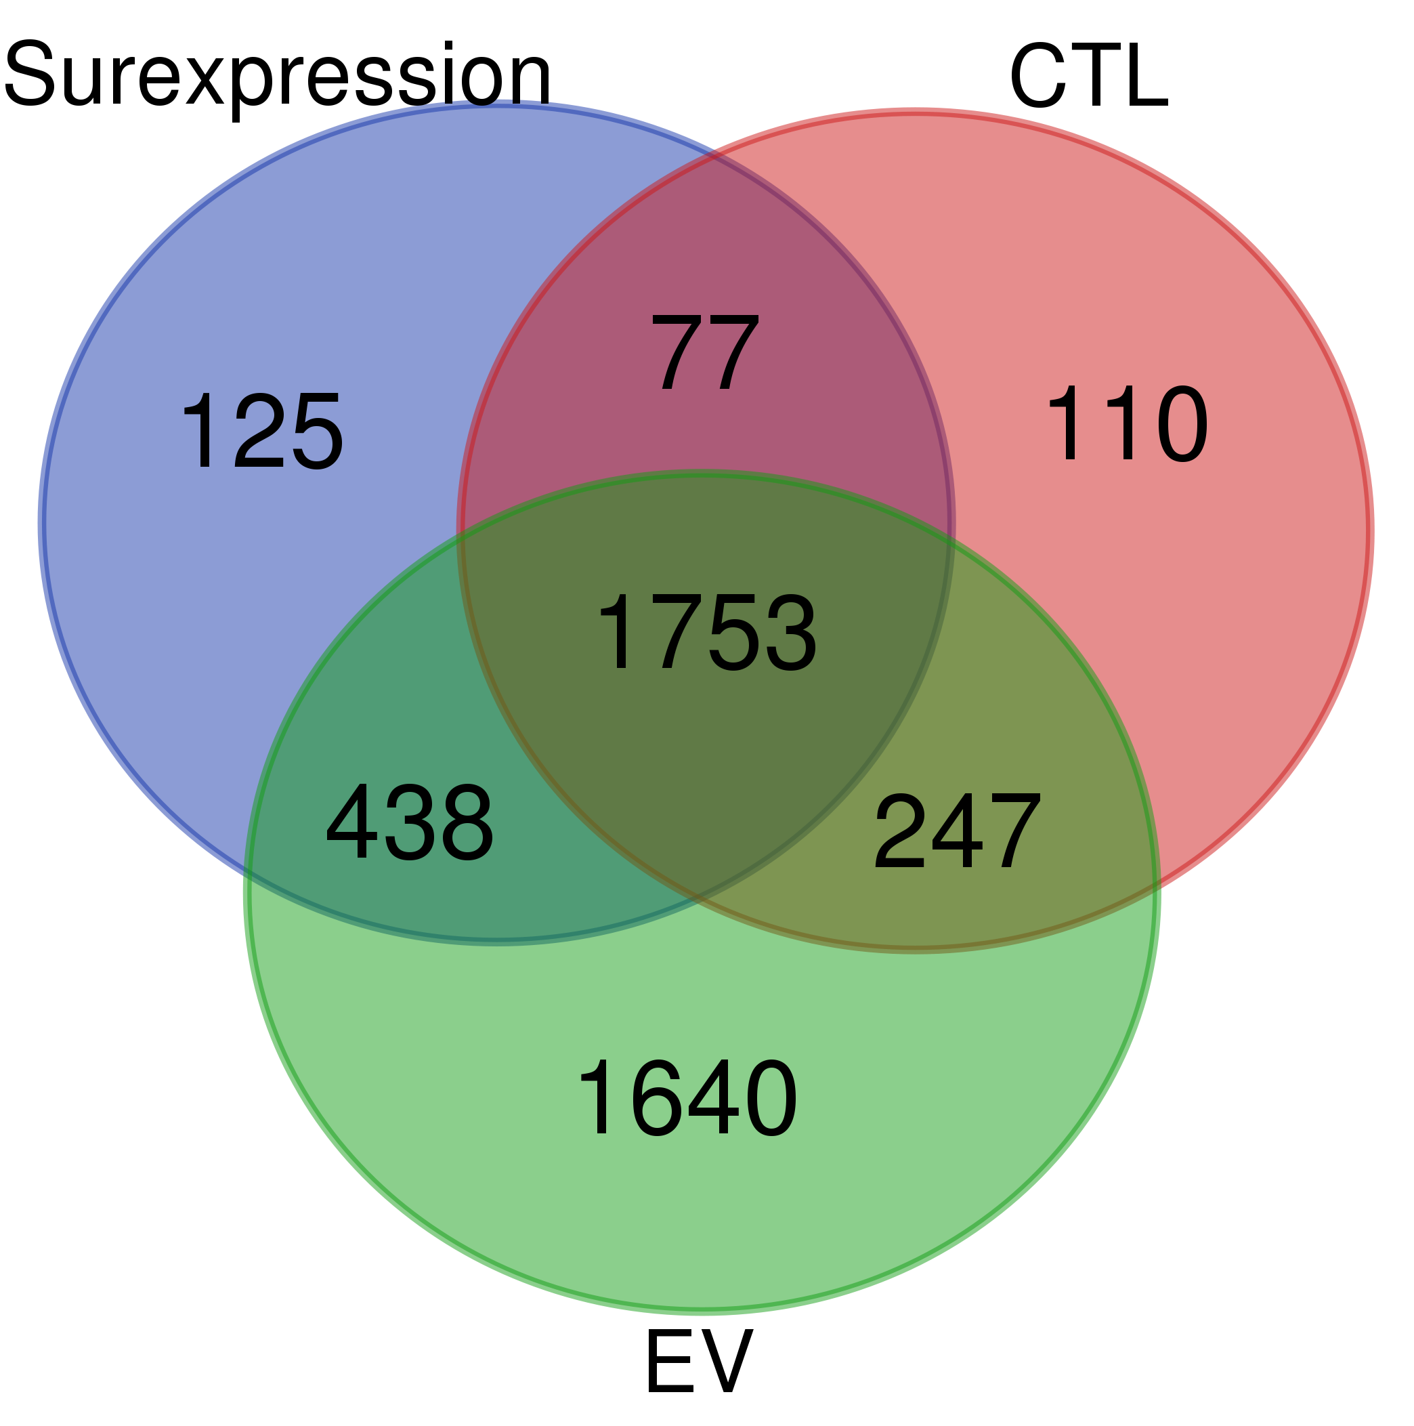
Surexp | CTL | EV
A0A0G2K3Q6 | A0A0G2K3Q6
A0A0G2K719 | A0A0G2JY69 | A0A0G2JUA5
A0A0G2JY69 | G3V6S2 | A0A0G2JU96
G3V6S2 | Q5U209 | M0R9X8
B1WBQ0 | B1WBQ0 | C0JPT7
Q66HD3 | Q66HD3 | Q6S3A0
Q27W02 | F1LX81 | Q6S396
Q5XI78 | Q5XI78 | G3V852
D3ZQ57 | D3ZQ57 | P12785
Q9QYU8 | Q5U3Y7 | A0A0G2K8V2
B0BNE5 | Q9QYU8 | G3V6P7
Q9ER34 | B0BNE5 | Q6T487
P21571 | Q9ER34 | D3ZHA0
D3ZZW1 | P21571 | Q6IRK8
Q6NX65 | P63326 | A0A0G2K1E7
D4A648 | D4A648 | P11442
D3ZTW9 | Q66H94 | P63018
Q66H94 | D4A0G9 | P06761
D4A0G9 | A0A0G2K249 | P05197
Q56A18 | D3ZI68 | P34058
A0A0G2K249 | A0A140TAC3 | P46462
D3ZI68 | F1LRJ9 | P07150
F1LRJ9 | G3V9S9 | A0A0G2JXT8
A0A140TAC3 | Q5RKH6 | P31000
Q9Z2Q7 | P41562 | P69897
G3V9S9 | Q6AXT8 | G3V6S0
Q5RKH6 | P62898 | M0R5J4
P41562 | F1M8Y4 | P11980
B4F7E2 | D4A7I6 | G3V7C6
Q6AXT8 | Q4KM35 | Q07936
F1LMQ3 | Q2PQA9 | P04785
P62898 | Q64350 | P85108
D4A7I6 | P27605 | Q66HD0
Q4KM35 | D4A0Y6 | P63259
...

