SF_1
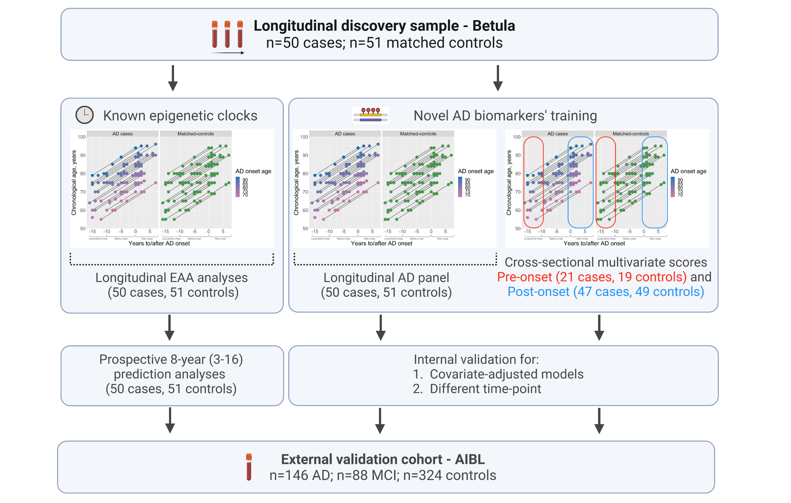

Supplementary Figure 1. Descriptives of study workflow. Created with BioRender.com.

SF_5_6_7
Distribution of the DNAm biomarkers in the Betula Baseline sample |  | Distribution of the DNAm biomarkers in the AIBL MCI cases |  | Distribution of theDNAm biomarkers in the AIBL AD cases

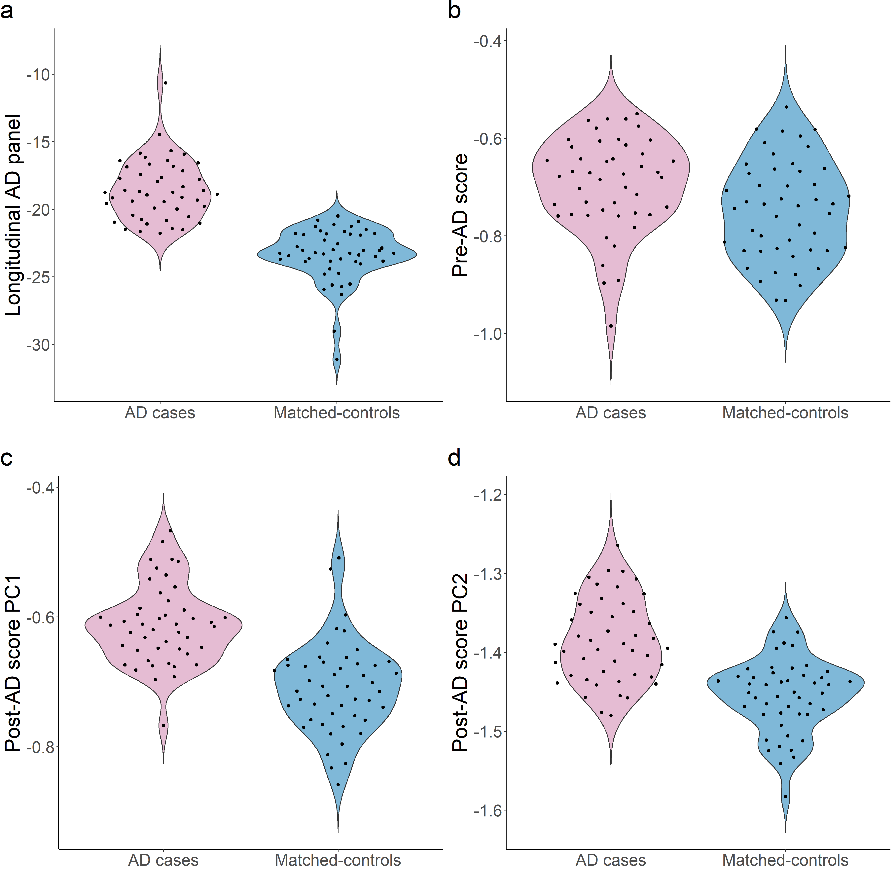
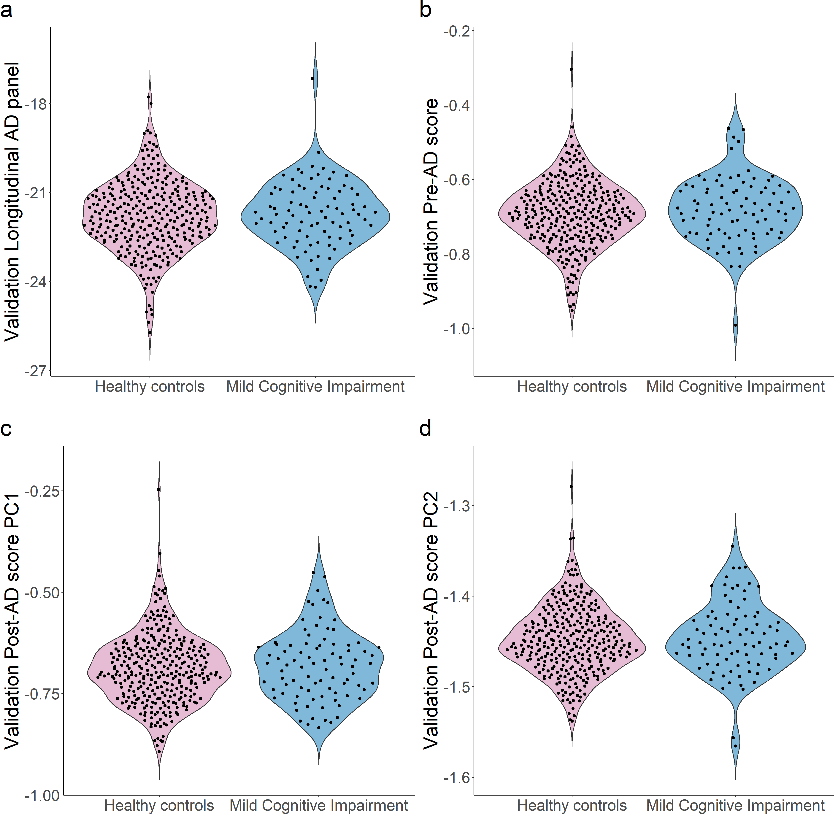
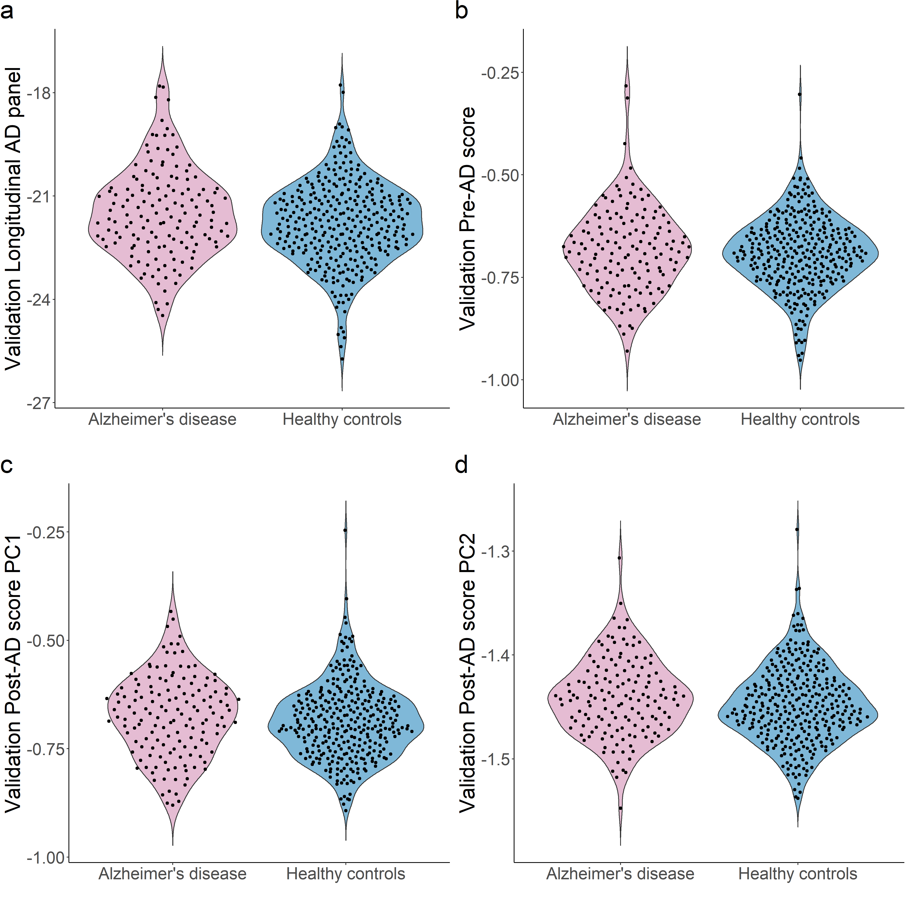

 | Suppl. Figure 5. Violin plots showing the distribution of the novel DNAm biomarkers longitudinal AD panel (a), Pre-AD (b), Post-AD PC1 (c) and PC2 (d) scores, between AD cases and sex- and age-matched controls in the baseline time-point of each participant of the Betula sample, on average 8-years (from 16 to 3 years) before diagnosis AD onset (n = 101, 50 AD cases and 51 matched-controls). |  | Suppl. Figure 6. Violin plots showing the distribution of the novel DNAm biomarkers longitudinal AD panel (a), Pre-AD (b), Post-AD PC1 (c) and PC2 (d) scores between controls not AD or MCI converters (n = 324) and MCI cases (n = 88) in the external validation AIBL sample subjects older than 65 years. AIBL, The Australian Imaging, Biomarker & Lifestyle Flagship Study of Ageing, AD, Alzheimer's disease. MCI, mild cognitive impairment. PC, principal component. |  | Suppl. Figure 7. Violin plots showing the distribution of the novel DNAm biomarkers longitudinal AD panel (a), Pre-AD (b), Post-AD PC1 (c) and PC2 (d) scores between controls not AD or MCI converters (n = 324) and AD cases (n = 146) in the external validation AIBL sample subjects older than 65 years. AIBL, The Australian Imaging, Biomarker & Lifestyle Flagship Study of Ageing, AD, Alzheimer's disease. PC, principal component.

SF_8
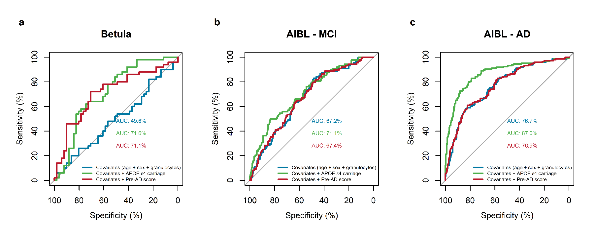
External validation of the Pre-AD score

External validation of the Post-AD PC1 and PC2 scores
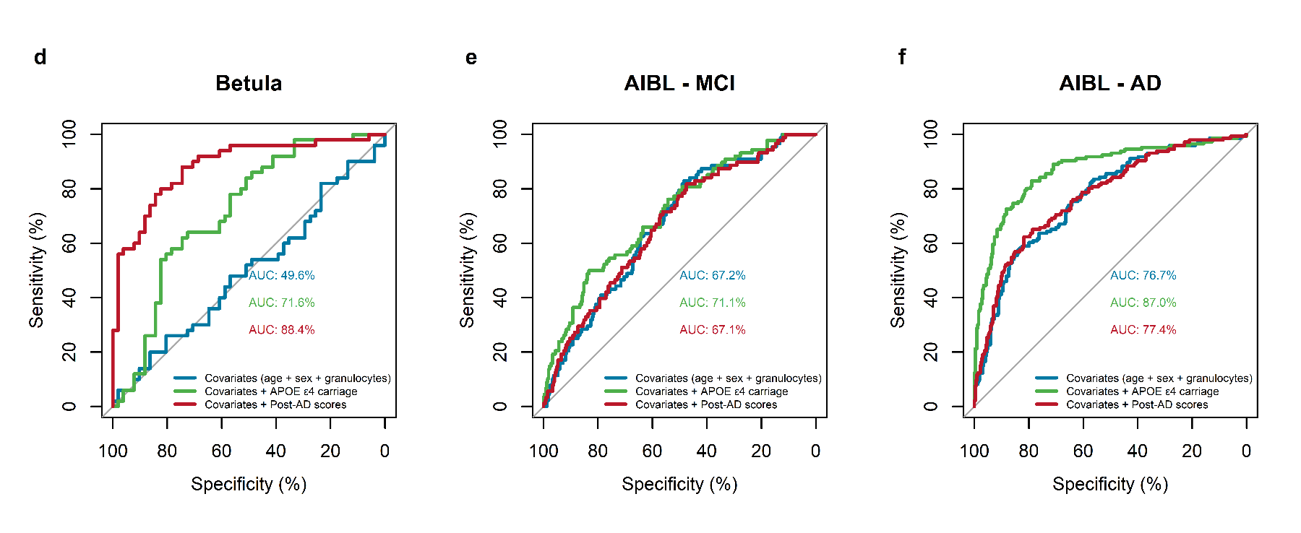

Suppl. Figure 8. Area under the receiver operating characteristic (ROC) curves (AUC) plots comparing the discriminatory accuracy of the novel DNAm biomarkers pre-AD score and post-AD PC1 and PC2 scores with Apolipoprotein (APOE) ε4-carriers between AD cases (n = 50) and sex- and age-matched controls (n = 51) of the Betula baseline sample (a,d); MCI cases (n = 88) and controls not AD or MCI converters (n = 324) of the selected AIBL sample (b,e); AD cases (n = 146) and controls not AD or MCI converters (n = 324) of the selected AIBL sample (c,f). Logistic regression models were adjusted by chronological age, sex and granulocyte proportion. APOE ε4-carriers, and sex is a binary term; the other variables are continuous and z-transformed. Binary terms as AD, are interpreted as the difference between AD and control when all the other covariates are 0. Z-transformed terms are interpreted as the effect of one standard deviation's increase in the odds ratio. AIBL, The Australian Imaging, Biomarker & Lifestyle Flagship Study of Ageing. AD, Alzheimer's disease. AIC, APOE, apolipoprotein E. MCI, mild cognitive impairment. PC, principal component.

