Processing cost calculation
Part Name | Volume (Vp) | Suport Volume (Vs) | Height | No. of Layers | T_recoat | T_Build (h) | C_material | C_operation | C_setup | C_removal |  | AM cost | Processing cost benefit | Cbr
AB5 | 32.029 | 0.690 | 69.41 | 2313.667 | 5.784 | 7.458 | 137.686 | 522.072 | 340.000 | 510.000 | 1509.759 | 1510 | 1552 | 0.5069
AB1 | 33.392 | 1.740 | 91.57 | 3052.333 | 7.631 | 8.032 | 148.306 | 562.232 | 340.000 | 510.000 | 1560.538 | 1561 | 1501 | 0.4902
AB2 | 40.723 | 3.360 | 105.37 | 3512.333 | 8.781 | 10.065 | 186.640 | 704.552 | 340.000 | 510.000 | 1741.191 | 1741 | 1321 | 0.4314
AB9 | 42.047 | 3.410 | 96.09 | 3203.000 | 8.008 | 10.361 | 192.431 | 725.290 | 340.000 | 510.000 | 1767.721 | 1768 | 1294 | 0.4226
AB7 | 43.249 | 2.690 | 76.56 | 2552.000 | 6.380 | 10.443 | 194.120 | 730.983 | 340.000 | 510.000 | 1775.102 | 1775 | 1287 | 0.4203
AB4 | 40.422 | 5.900 | 76.95 | 2565.000 | 6.413 | 10.529 | 197.223 | 737.053 | 340.000 | 510.000 | 1784.276 | 1784 | 1278 | 0.4174
AB3 | 41.393 | 4.900 | 112.92 | 3764.000 | 9.410 | 10.573 | 196.635 | 740.093 | 340.000 | 510.000 | 1786.728 | 1787 | 1275 | 0.4164
AB8 | 44.633 | 2.820 | 65.94 | 2198.000 | 5.495 | 10.769 | 200.536 | 753.796 | 340.000 | 510.000 | 1804.332 | 1804 | 1258 | 0.4108
AB6 | 43.837 | 7.020 | 79.22 | 2640.667 | 6.602 | 11.553 | 216.784 | 808.700 | 340.000 | 510.000 | 1875.484 | 1875 | 1187 | 0.3877
ABOD | 109.715 | 0.760 | 84.6 | 2820.000 | 7.050 | 24.974 | 464.163 | 1748.206 | 340.000 | 510.000 | 3062.370 | 3062 | 0 | 0.0000

Data assumed in the calculation

Support cost
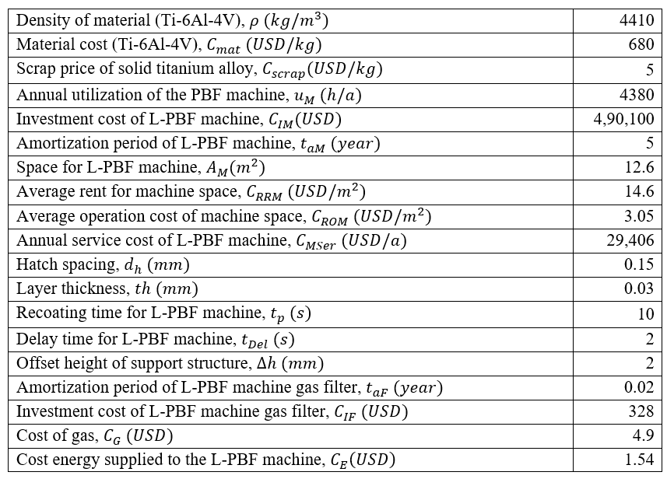
Equation for calculating Support cost (given in the appendix number 9-24) is simplified after substituting the constant values,
Support cost (USD) = $1097.24+37.53×Vs$
$Vs$ - Support volume (cm^3)
Part Name | Suport Volume | Build time | Support cost | Incremental cost
AB1 | 1.740 | 0.3811 | 1113.1615889 | 4.46
AB2 | 3.360 | 0.5311 | 1120.5418889 | 11.84
AB3 | 4.900 | 0.6737 | 1127.5577296 | 18.86
AB4 | 5.900 | 0.7663 | 1132.1134704 | 23.41
AB5 | 0.890 | 0.3024 | 1109.2892093 | 0.59
AB6 | 7.020 | 0.8700 | 1137.2159 | 28.52
AB7 | 2.690 | 0.4691 | 1117.4895426 | 8.79
AB8 | 2.820 | 0.4811 | 1118.0817889 | 9.38
AB9 | 3.410 | 0.5357 | 1120.7696759 | 12.07
ABOD | 0.760 | 0.2904 | 1108.696963 | 0.00

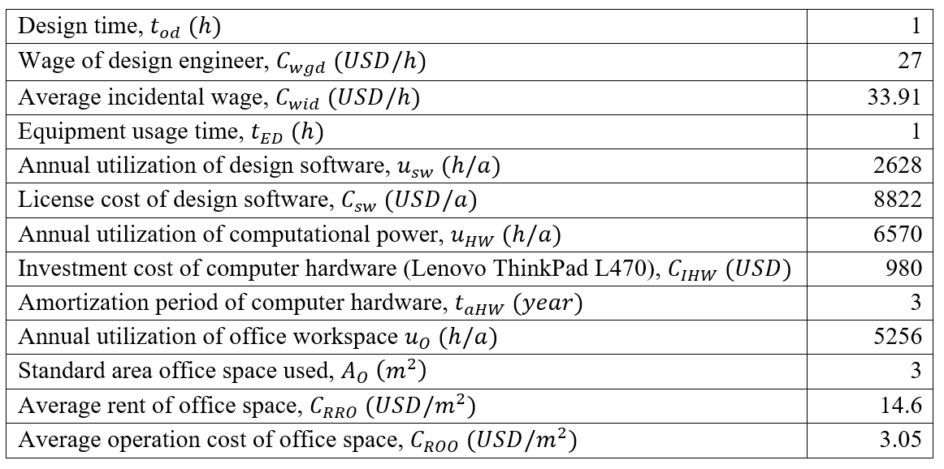
Processing cost of support structure, $C_{S}=C_{D}+C_{M}+C_{P}$ (9)
Design cost of support structure, $C_{D}=C_{O,D}+C_{E,D}+C_{R,D}$ (10)
Operator cost for design, $C_{O,D}= t_{od} \left(C_{wgd}+ C_{wid}\right)$ (11)
Equipment cost for design, $C_{E,D}= \frac{t_{ED}}{u_{sw}}C_{sw}+ \frac{t_{ED}}{u_{HW}} \frac{C_{IHW}}{t_{aHW}}$ (12)
Office space cost for design, $C_{R,D}= \frac{t_{ED}}{u_{O}}A_{O}(C_{RRO}+C_{ROO})$ (13)
Manufacturing cost of support structure,
$C_{M}$ = $C_{M,M}+C_{P,M,M}+C_{P,F,M}+ C_{P,G,M}+ C_{P,E,M}$ (14)
Material cost, $C_{M,M}= ρV_{s}\left(C_{mat}− C_{scrap}\right)$ (15)
Cost of production, $C_{P,M,M}= \frac{t_{B}}{u_{M}}\left(\frac{C_{IM}}{t_{aM}}+ A_{M}\left(C_{RRM}+ C_{ROM}\right)+ C_{MSer}\right)$ (16)
Build time, $t_{B}= \frac{V_{s}}{\dot{M}}+ \frac{∆h}{th} (t_{p}+t_{Del})$ (17)
Melt rate, $\dot{M}= v_{s}d_{h}thn_{L}$ (18)
Cost of gas filter, $C_{P,F,M}= \frac{t_{B}}{u_{M}}\frac{C_{IF}}{t_{aF}}$ (19)
Cost of post processing gas, $C_{P,G,M}= t_{B}C_{G}$ (20)
Cost of energy, $C_{P,E,M}= t_{B}C_{E}$ (21)
Post processing cost of support structure, $C_{P}=C_{Substrate}+C_{Postp}$ (22)
$C_{Substrate}= C_{Stress}+ C_{EDM}$ (23)
$C_{Postp}= T_{Postp}(C_{op}+ C_{tools})$ (24)

