Reference
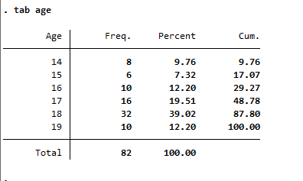
Reference group

Girls, 14-19 y

