Histopathology Grading
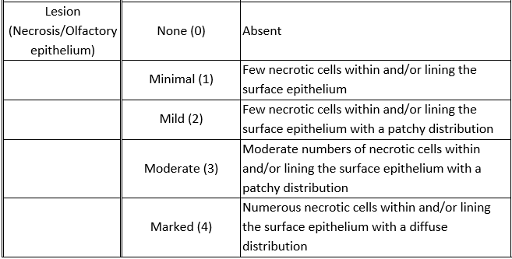
Criteria | Grade | Description
Inflammation/ Brain | None (0) | Absence of inflammatory cells
 | Minimal (1) | Few inflammatory cells in clusters in the neuropil
 | Mild (2) | Few inflammatory cells in the neuropil with a patchy distribution
 | Moderate (3) | Moderate numbers of inflammatory cells in the neuropil with a patchy distribution
 | Marked (4) | Numerous inflammatory cells diffusely distributed in the neuropil
Perivascular cuffing/Brain | None (0) | Absent
 | Minimal (1) | Minimal cuffing with a single layer of inflammatory cells around the vessel wall
 | Mild (2) | Mild cuffing with one to two layers of inflammatory cells around the vessel wall with a patchy distribution
 | Moderate (3) | Moderate cuffing with more than two layers of inflammatory cells around the vessel wall with a patchy distribution
 | Marked (4) | Marked cuffing with several layers of inflammatory cells around the vessel wall with a diffuse distribution
Gliosis/Brain | None (0) | Absence of glial cell
 | Minimal (1) | Few reactive glial cells
 | Mild (2) | Few reactive glial cells with patchy distribution
 | Moderate (3) | Moderate numbers of reactive glial cells with a patchy distribution
 | Marked (4) | Numerous reactive glial cell accumulation with a diffuse distribution
Necrosis/Brain | None (0) | Absent
 | Minimal (1) | Few necrotic neurons in the neuropil
 | Mild (2) | Few necrotic neurons with a patchy distribution in the neuropil
 | Moderate (3) | Moderate numbers of necrotic neurons with a patchy distribution in the neuropil
 | Marked (4) | Numerous necrotic neurons with a diffuse distribution in the neuropil
Inflammation/ Olfactory epithelium | None (0) | Absence of inflammatory cells
 | Minimal (1) | Few inflammatory cells in clusters within and/or lining the surface epithelium
 | Mild (2) | Few inflammatory cells within and/or lining the surface epithelium with a patchy distribution
 | Moderate (3) | Moderate numbers of inflammatory cells within and/or lining the surface epithelium with a patchy distribution
 | Marked (4) | Numerous inflammatory cells diffusely distributed in the neuropil within and/or lining the surface epithelium
Necrosis/Olfactory epithelium | None (0) | Absent
 | Minimal (1) | Few necrotic cells within and/or lining the surface epithelium
 | Mild (2) | Few necrotic cells within and/or lining the surface epithelium with a patchy distribution
 | Moderate (3) | Moderate numbers of necrotic cells within and/or lining the surface epithelium with a patchy distribution
 | Marked (4) | Numerous necrotic cells within and/or lining the surface epithelium with a diffuse distribution

