Fecundity Step 1
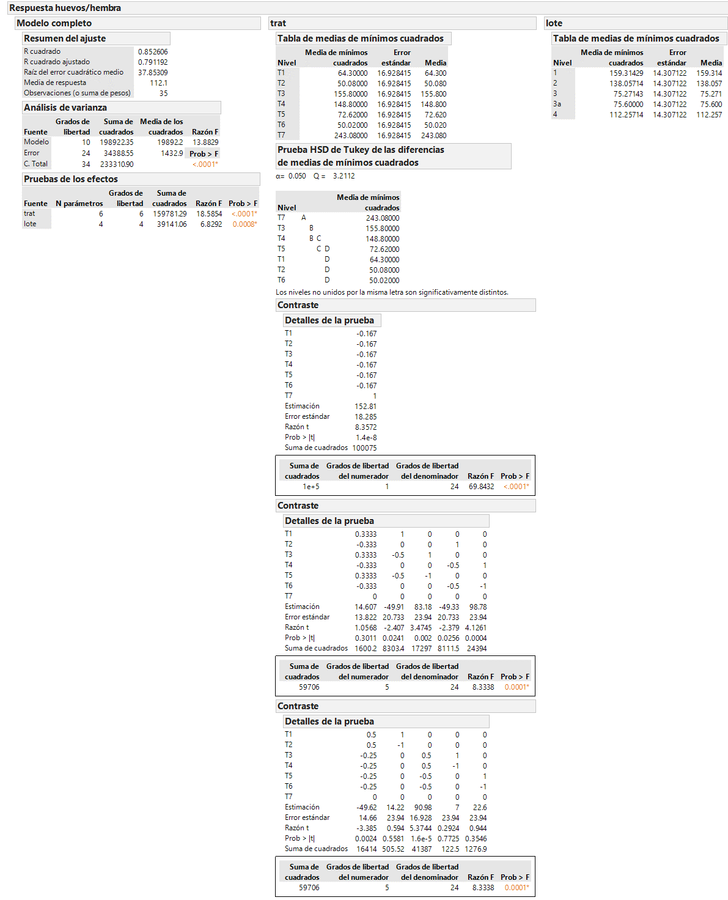
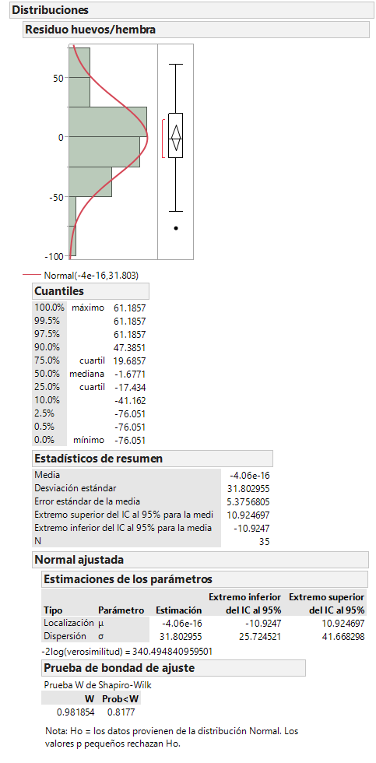
Treatment | Batch | eggs/female | residual |  |  | Etiquetas de fila | Promedio de eggs/female | Desvest de eggs/female
T1 | 1 | 72.2 | -39.31428571 |  |  | T1 | 64.3 | 26.806062747
T1 | 2 | 98.9 | 8.6428571429 |  |  | T2 | 50.08 | 22.356922865
T1 | 3 | 70.7 | 43.228571429 |  |  | T3 | 155.8 | 77.37877616
T1 | 4 | 53.6 | -10.85714286 |  |  | T4 | 148.8 | 76.23975341
T1 | 5 | 26.1 | -1.7 |  |  | T5 | 72.62 | 22.079787137
T2 | 1 | 83 | -14.29428571 |  |  | T6 | 50.02 | 20.791993651
T2 | 2 | 35.1 | -40.93714286 |  |  | T7 | 243.08 | 66.66488581
T2 | 3 | 47.7 | 34.448571429 |  |  | Total general | 112.1 | 82.837704544
T2 | 4 | 59.1 | 8.8628571429
T2 | 5 | 25.5 | 11.92
T3 | 1 | 264.2 | 61.185714286
T3 | 2 | 194.9 | 13.142857143
T3 | 3 | 88.1 | -30.87142857
T3 | 4 | 154 | -1.957142857
T3 | 5 | 77.8 | -41.5
T4 | 1 | 215.7 | 19.685714286
T4 | 2 | 231.1 | 56.342857143
T4 | 3 | 101.8 | -10.17142857
T4 | 4 | 145.5 | -3.457142857
T4 | 5 | 49.9 | -62.4
T5 | 1 | 109.5 | -10.33428571
T5 | 2 | 68.8 | -29.77714286
T5 | 3 | 50.7 | 14.908571429 |  |  |  | Eggs/female | Estándar error
T5 | 4 | 71.1 | -1.677142857 | ♂-♀ Inoculated | Device | T1 | 64.3 | 12.0
T5 | 5 | 63 | 26.88 |  | Topical | T2 | 50.1 | 10.0
T6 | 1 | 79.8 | -17.43428571 | ♂ Inoculated | Device | T3 | 155.8 | 34.6
T6 | 2 | 44.9 | -31.07714286 |  | Topical | T4 | 148.8 | 34.1
T6 | 3 | 37.7 | 24.508571429 | ♀ Inoculated | Dispositivo | T5 | 72.6 | 9.9
T6 | 4 | 61 | 10.822857143 |  | Topico | T6 | 50.0 | 9.3
T6 | 5 | 26.7 | 13.18 |  | Control | T7 | 243.1 | 29.8
T7 | 1 | 290.8 | 0.5057142857
T7 | 2 | 292.7 | 23.662857143
T7 | 3 | 130.2 | -76.05142857
T7 | 4 | 241.5 | -1.737142857
T7 | 5 | 260.2 | 53.62

Fertility Step 1
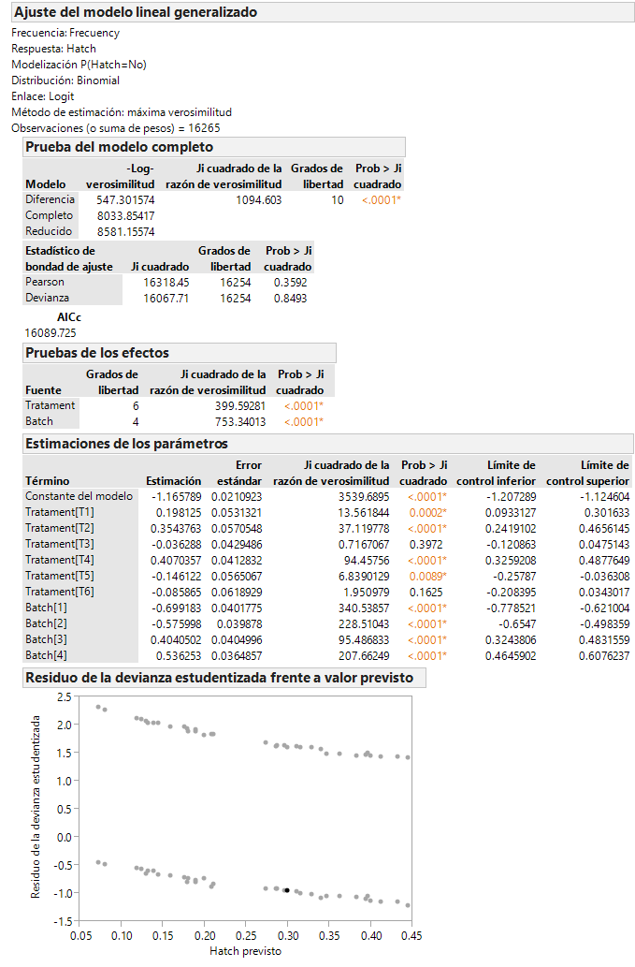
Tratament | Batch | Sample total | Frecuency | Hatch | porcentaje | Suma de Frecuency | Etiquetas de columna
T1 | 1 | 467 | 395 | Yes | 84.582441113 | Etiquetas de fila | No | Yes | Total general | Percent
T1 | 2 | 510 | 369 | Yes | 72.352941176 | T1 | 426 | 1260 | 1686 | 74.7
T1 | 3 | 233 | 164 | Yes | 70.386266094 | T2 | 394 | 862 | 1256 | 68.6
T1 | 4 | 265 | 145 | Yes | 54.716981132 | T3 | 683 | 2517 | 3200 | 78.7
T1 | 5 | 211 | 187 | Yes | 88.625592417 | T4 | 864 | 2095 | 2959 | 70.8
T2 | 1 | 342 | 295 | Yes | 86.257309942 | T5 | 346 | 1269 | 1615 | 78.6
T2 | 2 | 192 | 163 | Yes | 84.895833333 | T6 | 285 | 989 | 1274 | 77.6
T2 | 3 | 272 | 167 | Yes | 61.397058824 | T7 | 589 | 3686 | 4275 | 86.2
T2 | 4 | 262 | 119 | Yes | 45.419847328 | Total general | 3587 | 12678 | 16265
T2 | 5 | 188 | 118 | Yes | 62.765957447
T3 | 1 | 976 | 845 | Yes | 86.577868852
T3 | 2 | 874 | 720 | Yes | 82.3798627
T3 | 3 | 368 | 245 | Yes | 66.576086957
T3 | 4 | 575 | 406 | Yes | 70.608695652
T3 | 5 | 407 | 301 | Yes | 73.955773956
T4 | 1 | 832 | 705 | Yes | 84.735576923
T4 | 2 | 894 | 773 | Yes | 86.465324385
T4 | 3 | 400 | 241 | Yes | 60.25
T4 | 4 | 535 | 282 | Yes | 52.710280374
T4 | 5 | 298 | 94 | Yes | 31.543624161
T5 | 1 | 400 | 318 | Yes | 79.5
T5 | 2 | 355 | 319 | Yes | 89.85915493
T5 | 3 | 239 | 178 | Yes | 74.476987448
T5 | 4 | 325 | 237 | Yes | 72.923076923
T5 | 5 | 296 | 217 | Yes | 73.310810811
T6 | 1 | 320 | 252 | Yes | 78.75
T6 | 2 | 288 | 239 | Yes | 82.986111111
T6 | 3 | 191 | 154 | Yes | 80.628272251
T6 | 4 | 288 | 189 | Yes | 65.625
T6 | 5 | 187 | 155 | Yes | 82.887700535
T7 | 1 | 1000 | 948 | Yes | 94.8
T7 | 2 | 1000 | 922 | Yes | 92.2
T7 | 3 | 642 | 476 | Yes | 74.143302181
T7 | 4 | 700 | 577 | Yes | 82.428571429
T7 | 5 | 933 | 763 | Yes | 81.77920686
T1 | 1 |  | 72 | No
T1 | 2 |  | 141 | No
T1 | 3 |  | 69 | No
T1 | 4 |  | 120 | No
T1 | 5 |  | 24 | No
T2 | 1 |  | 47 | No
T2 | 2 |  | 29 | No
T2 | 3 |  | 105 | No
T2 | 4 |  | 143 | No
T2 | 5 |  | 70 | No
T3 | 1 |  | 131 | No
T3 | 2 |  | 154 | No
T3 | 3 |  | 123 | No
T3 | 4 |  | 169 | No
T3 | 5 |  | 106 | No
T4 | 1 |  | 127 | No
T4 | 2 |  | 121 | No
T4 | 3 |  | 159 | No
T4 | 4 |  | 253 | No
T4 | 5 |  | 204 | No
T5 | 1 |  | 82 | No
T5 | 2 |  | 36 | No
T5 | 3 |  | 61 | No
T5 | 4 |  | 88 | No
T5 | 5 |  | 79 | No
T6 | 1 |  | 68 | No
T6 | 2 |  | 49 | No
T6 | 3 |  | 37 | No
T6 | 4 |  | 99 | No
T6 | 5 |  | 32 | No
T7 | 1 |  | 52 | No
T7 | 2 |  | 78 | No
T7 | 3 |  | 166 | No
T7 | 4 |  | 123 | No
T7 | 5 |  | 170 | No

Sporultaion step 1
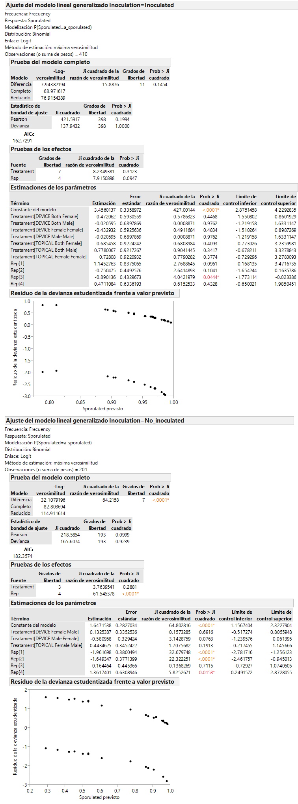
Treat | Method | Treated sex | Sex | Rep | Sporulated | total | Frecuency | Inoculation | Treatament
T1 | DEVICE | Both | Male | 1 | a_sporulated | 10 | 10 | Inoculated | DEVICE Both Male
T1 | DEVICE | Both | Male | 2 | a_sporulated | 10 | 10 | Inoculated | DEVICE Both Male
T1 | DEVICE | Both | Male | 3 | a_sporulated | 10 | 9 | Inoculated | DEVICE Both Male
T1 | DEVICE | Both | Male | 4 | a_sporulated | 10 | 10 | Inoculated | DEVICE Both Male
T1 | DEVICE | Both | Male | 5 | a_sporulated | 11 | 10 | Inoculated | DEVICE Both Male
T2 | TOPICAL | Both | Male | 1 | a_sporulated | 10 | 10 | Inoculated | TOPICAL Both Male
T2 | TOPICAL | Both | Male | 2 | a_sporulated | 10 | 10 | Inoculated | TOPICAL Both Male
T2 | TOPICAL | Both | Male | 3 | a_sporulated | 12 | 12 | Inoculated | TOPICAL Both Male
T2 | TOPICAL | Both | Male | 4 | a_sporulated | 12 | 12 | Inoculated | TOPICAL Both Male
T2 | TOPICAL | Both | Male | 5 | a_sporulated | 10 | 9 | Inoculated | TOPICAL Both Male
T3 | DEVICE | Male | Male | 1 | a_sporulated | 10 | 10 | Inoculated | DEVICE Male Male
T3 | DEVICE | Male | Male | 2 | a_sporulated | 10 | 9 | Inoculated | DEVICE Male Male
T3 | DEVICE | Male | Male | 3 | a_sporulated | 10 | 10 | Inoculated | DEVICE Male Male
T3 | DEVICE | Male | Male | 4 | a_sporulated | 10 | 9 | Inoculated | DEVICE Male Male
T3 | DEVICE | Male | Male | 5 | a_sporulated | 11 | 11 | Inoculated | DEVICE Male Male
T4 | TOPICAL | Male | Male | 1 | a_sporulated | 10 | 10 | Inoculated | TOPICAL Male Male
T4 | TOPICAL | Male | Male | 2 | a_sporulated | 10 | 8 | Inoculated | TOPICAL Male Male
T4 | TOPICAL | Male | Male | 3 | a_sporulated | 10 | 6 | Inoculated | TOPICAL Male Male
T4 | TOPICAL | Male | Male | 4 | a_sporulated | 11 | 11 | Inoculated | TOPICAL Male Male
T4 | TOPICAL | Male | Male | 5 | a_sporulated | 10 | 10 | Inoculated | TOPICAL Male Male
T5 | DEVICE | Female | Male | 1 | a_sporulated | 10 | 6 | No_inoculated | DEVICE Female Male
T5 | DEVICE | Female | Male | 2 | a_sporulated | 10 | 7 | No_inoculated | DEVICE Female Male
T5 | DEVICE | Female | Male | 3 | a_sporulated | 10 | 8 | No_inoculated | DEVICE Female Male
T5 | DEVICE | Female | Male | 4 | a_sporulated | 10 | 8 | No_inoculated | DEVICE Female Male
T5 | DEVICE | Female | Male | 5 | a_sporulated | 10 | 9 | No_inoculated | DEVICE Female Male
T6 | TOPICAL | Female | Male | 1 | a_sporulated | 10 | 6 | No_inoculated | TOPICAL Female Male
T6 | TOPICAL | Female | Male | 2 | a_sporulated | 10 | 5 | No_inoculated | TOPICAL Female Male
T6 | TOPICAL | Female | Male | 3 | a_sporulated | 10 | 9 | No_inoculated | TOPICAL Female Male
T6 | TOPICAL | Female | Male | 4 | a_sporulated | 10 | 10 | No_inoculated | TOPICAL Female Male
T6 | TOPICAL | Female | Male | 5 | a_sporulated | 10 | 10 | No_inoculated | TOPICAL Female Male
T1 | DEVICE | Both | Female | 1 | a_sporulated | 10 | 9 | Inoculated | DEVICE Both Female
T1 | DEVICE | Both | Female | 2 | a_sporulated | 10 | 9 | Inoculated | DEVICE Both Female
T1 | DEVICE | Both | Female | 3 | a_sporulated | 10 | 10 | Inoculated | DEVICE Both Female
T1 | DEVICE | Both | Female | 4 | a_sporulated | 10 | 10 | Inoculated | DEVICE Both Female
T1 | DEVICE | Both | Female | 5 | a_sporulated | 10 | 9 | Inoculated | DEVICE Both Female
T2 | TOPICAL | Both | Female | 1 | a_sporulated | 10 | 10 | Inoculated | TOPICAL Both Female
T2 | TOPICAL | Both | Female | 2 | a_sporulated | 10 | 10 | Inoculated | TOPICAL Both Female
T2 | TOPICAL | Both | Female | 3 | a_sporulated | 10 | 9 | Inoculated | TOPICAL Both Female
T2 | TOPICAL | Both | Female | 4 | a_sporulated | 10 | 10 | Inoculated | TOPICAL Both Female
T2 | TOPICAL | Both | Female | 5 | a_sporulated | 10 | 10 | Inoculated | TOPICAL Both Female
T3 | DEVICE | Male | Female | 1 | a_sporulated | 10 | 1 | No_inoculated | DEVICE Male Female
T3 | DEVICE | Male | Female | 2 | a_sporulated | 10 | 3 | No_inoculated | DEVICE Male Female
T3 | DEVICE | Male | Female | 3 | a_sporulated | 10 | 9 | No_inoculated | DEVICE Male Female
T3 | DEVICE | Male | Female | 4 | a_sporulated | 10 | 10 | No_inoculated | DEVICE Male Female
T3 | DEVICE | Male | Female | 5 | a_sporulated | 10 | 10 | No_inoculated | DEVICE Male Female
T4 | TOPICAL | Male | Female | 1 | a_sporulated | 10 | 4 | No_inoculated | TOPICAL Male Female
T4 | TOPICAL | Male | Female | 2 | a_sporulated | 10 | 5 | No_inoculated | TOPICAL Male Female
T4 | TOPICAL | Male | Female | 3 | a_sporulated | 11 | 9 | No_inoculated | TOPICAL Male Female
T4 | TOPICAL | Male | Female | 4 | a_sporulated | 10 | 10 | No_inoculated | TOPICAL Male Female
T4 | TOPICAL | Male | Female | 5 | a_sporulated | 10 | 10 | No_inoculated | TOPICAL Male Female
T5 | DEVICE | Female | Female | 1 | a_sporulated | 10 | 10 | Inoculated | DEVICE Female Female
T5 | DEVICE | Female | Female | 2 | a_sporulated | 10 | 9 | Inoculated | DEVICE Female Female
T5 | DEVICE | Female | Female | 3 | a_sporulated | 11 | 10 | Inoculated | DEVICE Female Female
T5 | DEVICE | Female | Female | 4 | a_sporulated | 10 | 9 | Inoculated | DEVICE Female Female
T5 | DEVICE | Female | Female | 5 | a_sporulated | 10 | 10 | Inoculated | DEVICE Female Female
T6 | TOPICAL | Female | Female | 1 | a_sporulated | 11 | 11 | Inoculated | TOPICAL Female Female
T6 | TOPICAL | Female | Female | 2 | a_sporulated | 10 | 9 | Inoculated | TOPICAL Female Female
T6 | TOPICAL | Female | Female | 3 | a_sporulated | 11 | 11 | Inoculated | TOPICAL Female Female
T6 | TOPICAL | Female | Female | 4 | a_sporulated | 10 | 10 | Inoculated | TOPICAL Female Female
T6 | TOPICAL | Female | Female | 5 | a_sporulated | 10 | 10 | Inoculated | TOPICAL Female Female
T1 | DEVICE | Both | Male | 1 | b_no_sporulated |  | 0 | Inoculated | DEVICE Both Male
T1 | DEVICE | Both | Male | 2 | b_no_sporulated |  | 0 | Inoculated | DEVICE Both Male
T1 | DEVICE | Both | Male | 3 | b_no_sporulated |  | 1 | Inoculated | DEVICE Both Male
T1 | DEVICE | Both | Male | 4 | b_no_sporulated |  | 0 | Inoculated | DEVICE Both Male
T1 | DEVICE | Both | Male | 5 | b_no_sporulated |  | 1 | Inoculated | DEVICE Both Male
T2 | TOPICAL | Both | Male | 1 | b_no_sporulated |  | 0 | Inoculated | TOPICAL Both Male
T2 | TOPICAL | Both | Male | 2 | b_no_sporulated |  | 0 | Inoculated | TOPICAL Both Male
T2 | TOPICAL | Both | Male | 3 | b_no_sporulated |  | 0 | Inoculated | TOPICAL Both Male
T2 | TOPICAL | Both | Male | 4 | b_no_sporulated |  | 0 | Inoculated | TOPICAL Both Male
T2 | TOPICAL | Both | Male | 5 | b_no_sporulated |  | 1 | Inoculated | TOPICAL Both Male
T3 | DEVICE | Male | Male | 1 | b_no_sporulated |  | 0 | Inoculated | DEVICE Male Male
T3 | DEVICE | Male | Male | 2 | b_no_sporulated |  | 1 | Inoculated | DEVICE Male Male
T3 | DEVICE | Male | Male | 3 | b_no_sporulated |  | 0 | Inoculated | DEVICE Male Male
T3 | DEVICE | Male | Male | 4 | b_no_sporulated |  | 1 | Inoculated | DEVICE Male Male
T3 | DEVICE | Male | Male | 5 | b_no_sporulated |  | 0 | Inoculated | DEVICE Male Male
T4 | TOPICAL | Male | Male | 1 | b_no_sporulated |  | 0 | Inoculated | TOPICAL Male Male
T4 | TOPICAL | Male | Male | 2 | b_no_sporulated |  | 2 | Inoculated | TOPICAL Male Male
T4 | TOPICAL | Male | Male | 3 | b_no_sporulated |  | 4 | Inoculated | TOPICAL Male Male
T4 | TOPICAL | Male | Male | 4 | b_no_sporulated |  | 0 | Inoculated | TOPICAL Male Male
T4 | TOPICAL | Male | Male | 5 | b_no_sporulated |  | 0 | Inoculated | TOPICAL Male Male
T5 | DEVICE | Female | Male | 1 | b_no_sporulated |  | 4 | No_inoculated | DEVICE Female Male
T5 | DEVICE | Female | Male | 2 | b_no_sporulated |  | 3 | No_inoculated | DEVICE Female Male
T5 | DEVICE | Female | Male | 3 | b_no_sporulated |  | 2 | No_inoculated | DEVICE Female Male
T5 | DEVICE | Female | Male | 4 | b_no_sporulated |  | 2 | No_inoculated | DEVICE Female Male
T5 | DEVICE | Female | Male | 5 | b_no_sporulated |  | 1 | No_inoculated | DEVICE Female Male
T6 | TOPICAL | Female | Male | 1 | b_no_sporulated |  | 4 | No_inoculated | TOPICAL Female Male
T6 | TOPICAL | Female | Male | 2 | b_no_sporulated |  | 5 | No_inoculated | TOPICAL Female Male
T6 | TOPICAL | Female | Male | 3 | b_no_sporulated |  | 1 | No_inoculated | TOPICAL Female Male
T6 | TOPICAL | Female | Male | 4 | b_no_sporulated |  | 0 | No_inoculated | TOPICAL Female Male
T6 | TOPICAL | Female | Male | 5 | b_no_sporulated |  | 0 | No_inoculated | TOPICAL Female Male
T1 | DEVICE | Both | Female | 1 | b_no_sporulated |  | 1 | Inoculated | DEVICE Both Female
T1 | DEVICE | Both | Female | 2 | b_no_sporulated |  | 1 | Inoculated | DEVICE Both Female
T1 | DEVICE | Both | Female | 3 | b_no_sporulated |  | 0 | Inoculated | DEVICE Both Female
T1 | DEVICE | Both | Female | 4 | b_no_sporulated |  | 0 | Inoculated | DEVICE Both Female
T1 | DEVICE | Both | Female | 5 | b_no_sporulated |  | 1 | Inoculated | DEVICE Both Female
T2 | TOPICAL | Both | Female | 1 | b_no_sporulated |  | 0 | Inoculated | TOPICAL Both Female
T2 | TOPICAL | Both | Female | 2 | b_no_sporulated |  | 0 | Inoculated | TOPICAL Both Female
T2 | TOPICAL | Both | Female | 3 | b_no_sporulated |  | 1 | Inoculated | TOPICAL Both Female
T2 | TOPICAL | Both | Female | 4 | b_no_sporulated |  | 0 | Inoculated | TOPICAL Both Female
T2 | TOPICAL | Both | Female | 5 | b_no_sporulated |  | 0 | Inoculated | TOPICAL Both Female
T3 | DEVICE | Male | Female | 1 | b_no_sporulated |  | 9 | No_inoculated | DEVICE Male Female
T3 | DEVICE | Male | Female | 2 | b_no_sporulated |  | 7 | No_inoculated | DEVICE Male Female
T3 | DEVICE | Male | Female | 3 | b_no_sporulated |  | 1 | No_inoculated | DEVICE Male Female
T3 | DEVICE | Male | Female | 4 | b_no_sporulated |  | 0 | No_inoculated | DEVICE Male Female
T3 | DEVICE | Male | Female | 5 | b_no_sporulated |  | 0 | No_inoculated | DEVICE Male Female
T4 | TOPICAL | Male | Female | 1 | b_no_sporulated |  | 6 | No_inoculated | TOPICAL Male Female
T4 | TOPICAL | Male | Female | 2 | b_no_sporulated |  | 5 | No_inoculated | TOPICAL Male Female
T4 | TOPICAL | Male | Female | 3 | b_no_sporulated |  | 2 | No_inoculated | TOPICAL Male Female
T4 | TOPICAL | Male | Female | 4 | b_no_sporulated |  | 0 | No_inoculated | TOPICAL Male Female
T4 | TOPICAL | Male | Female | 5 | b_no_sporulated |  | 0 | No_inoculated | TOPICAL Male Female
T5 | DEVICE | Female | Female | 1 | b_no_sporulated |  | 0 | Inoculated | DEVICE Female Female
T5 | DEVICE | Female | Female | 2 | b_no_sporulated |  | 1 | Inoculated | DEVICE Female Female
T5 | DEVICE | Female | Female | 3 | b_no_sporulated |  | 1 | Inoculated | DEVICE Female Female
T5 | DEVICE | Female | Female | 4 | b_no_sporulated |  | 1 | Inoculated | DEVICE Female Female
T5 | DEVICE | Female | Female | 5 | b_no_sporulated |  | 0 | Inoculated | DEVICE Female Female
T6 | TOPICAL | Female | Female | 1 | b_no_sporulated |  | 0 | Inoculated | TOPICAL Female Female
T6 | TOPICAL | Female | Female | 2 | b_no_sporulated |  | 1 | Inoculated | TOPICAL Female Female
T6 | TOPICAL | Female | Female | 3 | b_no_sporulated |  | 0 | Inoculated | TOPICAL Female Female
T6 | TOPICAL | Female | Female | 4 | b_no_sporulated |  | 0 | Inoculated | TOPICAL Female Female
T6 | TOPICAL | Female | Female | 5 | b_no_sporulated |  | 0 | Inoculated | TOPICAL Female Female

Fecundity step 2
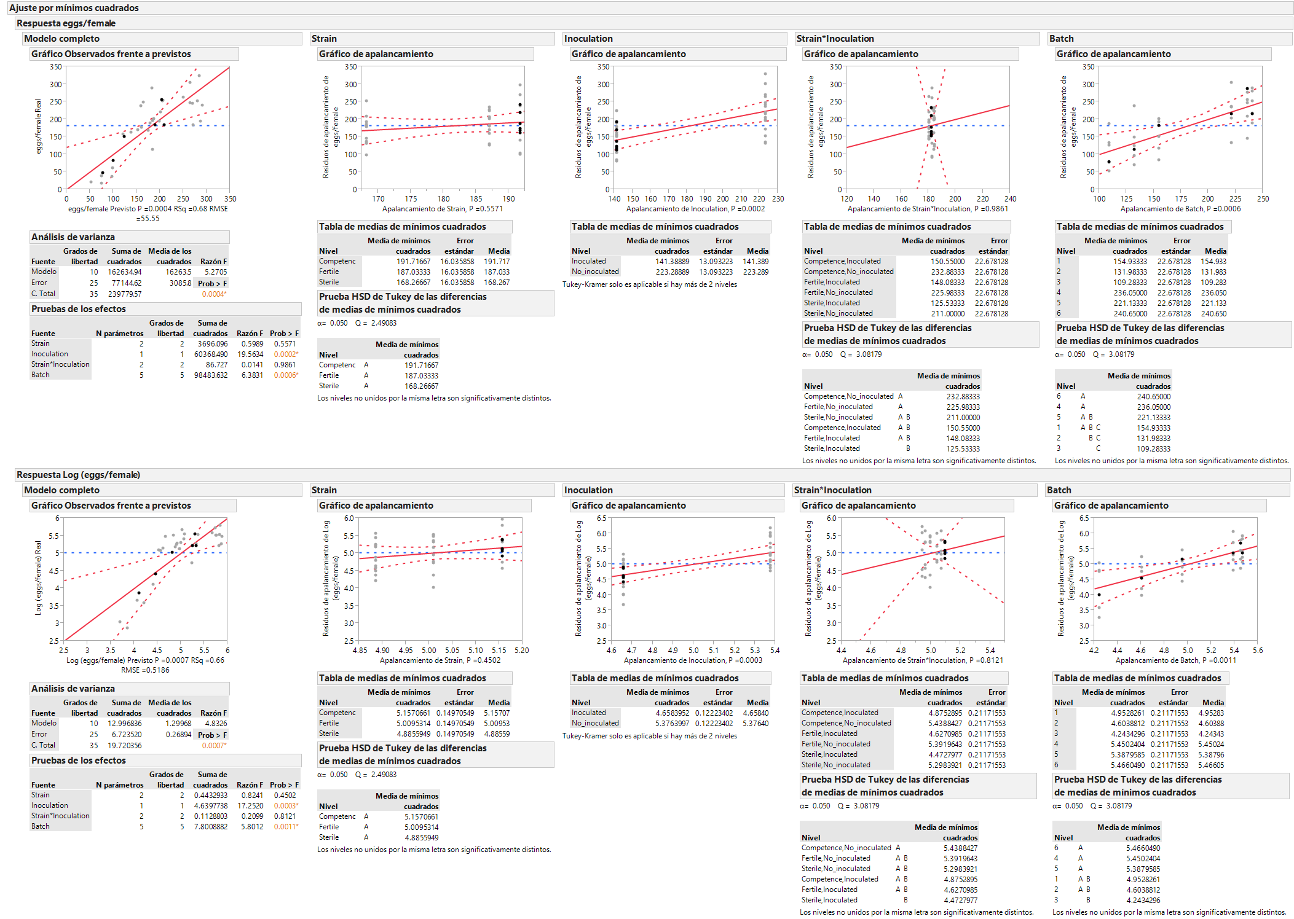
Strain | Inoculation | Trat | Batch | eggs/female | Log (eggs/female) | residual (eggs/femele) | residual (log (eggs/femele))
Sterile | Inoculated | T1 | 1 | 60.9 | 4.1092331747 | -37.22777778 | -0.298993173
Sterile | Inoculated | T1 | 2 | 38.9 | 3.6609942506 | -36.27777778 | -0.398287179
Sterile | Inoculated | T1 | 3 | 20.8 | 3.0349529867 | -31.67777778 | -0.663876898
Sterile | Inoculated | T1 | 4 | 189.2 | 5.2428046566 | 9.9555555556 | 0.3371639961
Sterile | Inoculated | T1 | 5 | 247.7 | 5.5122183365 | 83.372222222 | 0.668859594
Sterile | Inoculated | T1 | 6 | 195.7 | 5.2765828744 | 11.855555556 | 0.35513366
Sterile | No_inoculated | T2 | 1 | 113.1 | 4.7282723831 | -70.49444444 | -0.505548315
Sterile | No_inoculated | T2 | 2 | 177.6 | 5.1795338306 | 16.955555556 | 0.2946580502
Sterile | No_inoculated | T2 | 3 | 161.9 | 5.0869788607 | 23.955555556 | 0.5625546258
Sterile | No_inoculated | T2 | 4 | 304.8 | 5.7196558238 | 40.088888889 | -0.011579187
Sterile | No_inoculated | T2 | 5 | 262.8 | 5.5713932866 | 13.005555556 | -0.097559806
Sterile | No_inoculated | T2 | 6 | 245.8 | 5.5045181971 | -23.51111111 | -0.242525368
Competence | Inoculated | T3 | 1 | 150.7 | 5.0152911056 | 27.555555556 | 0.2045730113
Competence | Inoculated | T3 | 2 | 82 | 4.4067192473 | -18.19444444 | -0.055053929
Competence | Inoculated | T3 | 3 | 47.3 | 3.8565102955 | -30.19444444 | -0.244811336
Competence | Inoculated | T3 | 4 | 254.7 | 5.540086382 | 50.438888889 | 0.2319539748
Competence | Inoculated | T3 | 5 | 184.3 | 5.2165648647 | -5.044444444 | -0.029285625
Competence | Inoculated | T3 | 6 | 184.3 | 5.2165648647 | -24.56111111 | -0.107376096
Fertile | No_inoculated | T4 | 1 | 194.2 | 5.2688885559 | -4.377777778 | -0.058504419
Fertile | No_inoculated | T4 | 2 | 168.3 | 5.1257481012 | -7.327777778 | 0.1473000441
Fertile | No_inoculated | T4 | 3 | 170.3 | 5.1375615877 | 17.372222222 | 0.519565076
Fertile | No_inoculated | T4 | 4 | 251.9 | 5.5290321834 | -27.79444444 | -0.295775104
Fertile | No_inoculated | T4 | 5 | 246.8 | 5.508578292 | -17.97777778 | -0.253947078
Fertile | No_inoculated | T4 | 6 | 324.4 | 5.7819773222 | 40.105555556 | -0.058638519
Fertile | Inoculated | T5 | 1 | 158.2 | 5.0638600553 | 37.522222222 | 0.5013329447
Fertile | Inoculated | T5 | 2 | 36 | 3.5835189385 | -61.72777778 | -0.630063255
Fertile | Inoculated | T5 | 3 | 17.7 | 2.8735646396 | -57.32777778 | -0.979566008
Fertile | Inoculated | T5 | 4 | 220.6 | 5.3963511068 | 18.805555556 | 0.3364096833
Fertile | Inoculated | T5 | 5 | 201.7 | 5.306781445 | 14.822222222 | 0.3091219395
Fertile | Inoculated | T5 | 6 | 254.3 | 5.5385146724 | 47.905555556 | 0.462764695
Competence | No_inoculated | T6 | 1 | 252.5 | 5.5314112487 | 47.022222222 | 0.1571399509
Competence | No_inoculated | T6 | 2 | 289.1 | 5.666772649 | 106.57222222 | 0.6414462689
Competence | No_inoculated | T6 | 3 | 237.7 | 5.4710093744 | 77.872222222 | 0.8061345397
Competence | No_inoculated | T6 | 4 | 195.1 | 5.2735122476 | -91.49444444 | -0.598173363
Competence | No_inoculated | T6 | 5 | 183.5 | 5.2122146675 | -88.17777778 | -0.597189025
Competence | No_inoculated | T6 | 6 | 239.4 | 5.4781357931 | -51.79444444 | -0.409358371

fertility step 2
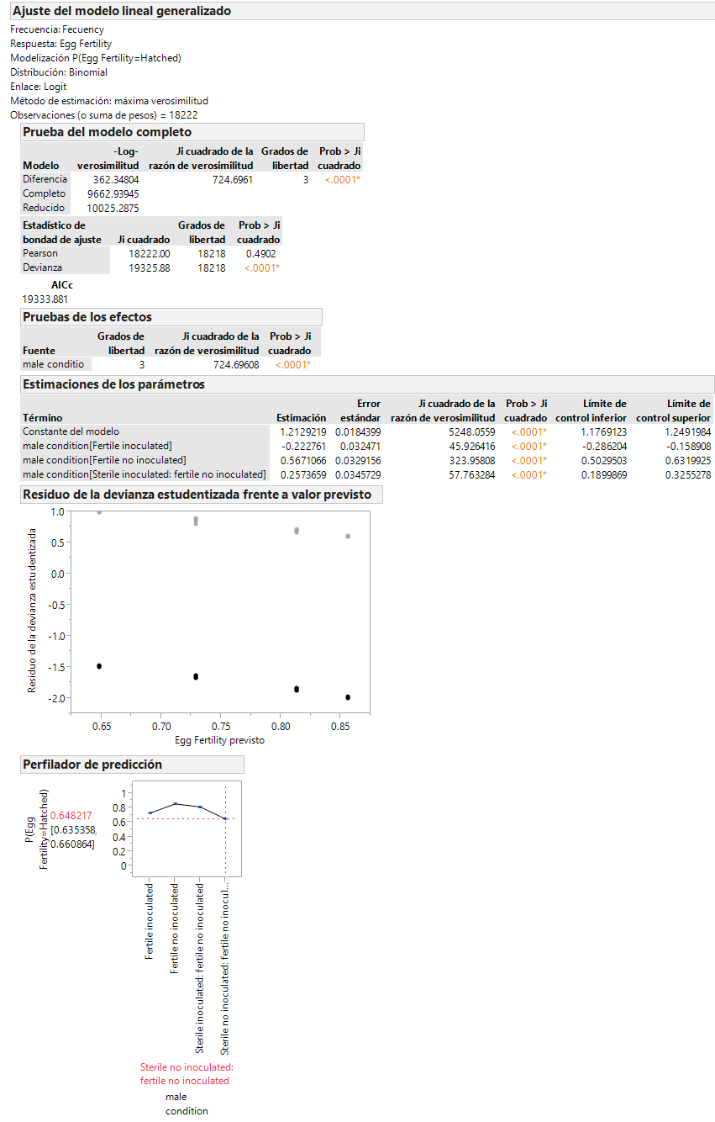
male condition | Strain | inoculation | Trat | Batch | Total Eggs | Fecuency | Proportion | Egg Fertility | Arcsin proportion | Residual proportion | Residual Arcsin proprotion
Sterile inoculated: fertile no inoculated | Competence | Inoculated | T3 | 1 | 533 | 439 | 0.823639775 | Hatched | 1.1374031853 | -0.054561636 | -0.073827285
Sterile inoculated: fertile no inoculated | Competence | Inoculated | T3 | 2 | 460 | 391 | 0.85 | Hatched | 1.1730969117 | 0.1282923113 | 0.1425527475
Sterile inoculated: fertile no inoculated | Competence | Inoculated | T3 | 3 | 308 | 279 | 0.905844156 | Hatched | 1.2589165798 | 0.2072294563 | 0.2921241195
Sterile inoculated: fertile no inoculated | Competence | Inoculated | T3 | 4 | 898 | 726 | 0.808463252 | Hatched | 1.1178138978 | -0.073755253 | -0.100385275
Sterile inoculated: fertile no inoculated | Competence | Inoculated | T3 | 5 | 836 | 615 | 0.735645933 | Hatched | 1.0307756355 | -0.137486779 | -0.170338474
Sterile inoculated: fertile no inoculated | Competence | Inoculated | T3 | 6 | 812 | 678 | 0.834975369 | Hatched | 1.1524693788 | -0.069718099 | -0.090125833
Fertile no inoculated | Fertile | No_inoculated | T4 | 1 | 692 | 598 | 0.86416185 | Hatched | 1.193334383 | -0.043812173 | -0.056207592
Fertile no inoculated | Fertile | No_inoculated | T4 | 2 | 865 | 757 | 0.875144509 | Hatched | 1.2096477341 | 0.123664208 | 0.1407920651
Fertile no inoculated | Fertile | No_inoculated | T4 | 3 | 937 | 813 | 0.867662753 | Hatched | 1.1984715913 | 0.139275441 | 0.1933676262
Fertile no inoculated | Fertile | No_inoculated | T4 | 4 | 1000 | 859 | 0.859 | Hatched | 1.1858604927 | -0.052991118 | -0.070650185
Fertile no inoculated | Fertile | No_inoculated | T4 | 5 | 953 | 755 | 0.792235047 | Hatched | 1.0975115835 | -0.110670277 | -0.14191403
Fertile no inoculated | Fertile | No_inoculated | T4 | 6 | 1000 | 879 | 0.879 | Hatched | 1.2155188333 | -0.055466081 | -0.065387884
Fertile inoculated | Fertile | Inoculated | T5 | 1 | 530 | 404 | 0.762264151 | Hatched | 1.0614786572 | 0.163267759 | 0.2104925927
Fertile inoculated | Fertile | Inoculated | T5 | 2 | 274 | 16 | 0.058394161 | Hatched | 0.2440646885 | -0.384108509 | -0.42623507
Fertile inoculated | Fertile | Inoculated | T5 | 3 | 99 | 0 | 0 | Hatched | 0 | -0.419409681 | -0.606548055
Fertile inoculated | Fertile | Inoculated | T5 | 4 | 881 | 739 | 0.838819523 | Hatched | 1.1576718673 | 0.2358060365 | 0.2997170996
Fertile inoculated | Fertile | Inoculated | T5 | 5 | 791 | 660 | 0.834386852 | Hatched | 1.1516772285 | 0.2404591593 | 0.3108075248
Fertile inoculated | Fertile | Inoculated | T5 | 6 | 969 | 765 | 0.789473684 | Hatched | 1.0941167149 | 0.1639852345 | 0.211765908
Sterile no inoculated: fertile no inoculated | Competence | No_inoculated | T6 | 1 | 889 | 564 | 0.634420697 | Hatched | 0.9214931324 | -0.06489395 | -0.080457716
Sterile no inoculated: fertile no inoculated | Competence | No_inoculated | T6 | 2 | 923 | 623 | 0.674972914 | Hatched | 0.9641548007 | 0.1321519895 | 0.1428902576
Sterile no inoculated: fertile no inoculated | Competence | No_inoculated | T6 | 3 | 923 | 547 | 0.592632719 | Hatched | 0.8785691482 | 0.0729047835 | 0.1210563091
Sterile no inoculated: fertile no inoculated | Competence | No_inoculated | T6 | 4 | 838 | 498 | 0.594272076 | Hatched | 0.8802379129 | -0.109059665 | -0.128681639
Sterile no inoculated: fertile no inoculated | Competence | No_inoculated | T6 | 5 | 926 | 650 | 0.701943844 | Hatched | 0.9932794673 | 0.0076978965 | 0.0014449794
Sterile no inoculated: fertile no inoculated | Competence | No_inoculated | T6 | 6 | 885 | 608 | 0.68700565 | Hatched | 0.9770634004 | -0.038801054 | -0.056252191
Sterile inoculated: fertile no inoculated | Competence | Inoculated | T3 | 1 |  | 94 |  | No_hateched
Sterile inoculated: fertile no inoculated | Competence | Inoculated | T3 | 2 |  | 69 |  | No_hateched
Sterile inoculated: fertile no inoculated | Competence | Inoculated | T3 | 3 |  | 29 |  | No_hateched
Sterile inoculated: fertile no inoculated | Competence | Inoculated | T3 | 4 |  | 172 |  | No_hateched
Sterile inoculated: fertile no inoculated | Competence | Inoculated | T3 | 5 |  | 221 |  | No_hateched
Sterile inoculated: fertile no inoculated | Competence | Inoculated | T3 | 6 |  | 134 |  | No_hateched
Fertile no inoculated | Fertile | No_inoculated | T4 | 1 |  | 94 |  | No_hateched
Fertile no inoculated | Fertile | No_inoculated | T4 | 2 |  | 108 |  | No_hateched
Fertile no inoculated | Fertile | No_inoculated | T4 | 3 |  | 124 |  | No_hateched
Fertile no inoculated | Fertile | No_inoculated | T4 | 4 |  | 141 |  | No_hateched
Fertile no inoculated | Fertile | No_inoculated | T4 | 5 |  | 198 |  | No_hateched
Fertile no inoculated | Fertile | No_inoculated | T4 | 6 |  | 121 |  | No_hateched
Fertile inoculated | Fertile | Inoculated | T5 | 1 |  | 126 |  | No_hateched
Fertile inoculated | Fertile | Inoculated | T5 | 2 |  | 258 |  | No_hateched
Fertile inoculated | Fertile | Inoculated | T5 | 3 |  | 99 |  | No_hateched
Fertile inoculated | Fertile | Inoculated | T5 | 4 |  | 142 |  | No_hateched
Fertile inoculated | Fertile | Inoculated | T5 | 5 |  | 131 |  | No_hateched
Fertile inoculated | Fertile | Inoculated | T5 | 6 |  | 204 |  | No_hateched
Sterile no inoculated: fertile no inoculated | Competence | No_inoculated | T6 | 1 |  | 325 |  | No_hateched
Sterile no inoculated: fertile no inoculated | Competence | No_inoculated | T6 | 2 |  | 300 |  | No_hateched
Sterile no inoculated: fertile no inoculated | Competence | No_inoculated | T6 | 3 |  | 376 |  | No_hateched
Sterile no inoculated: fertile no inoculated | Competence | No_inoculated | T6 | 4 |  | 340 |  | No_hateched
Sterile no inoculated: fertile no inoculated | Competence | No_inoculated | T6 | 5 |  | 276 |  | No_hateched
Sterile no inoculated: fertile no inoculated | Competence | No_inoculated | T6 | 6 |  | 277 |  | No_hateched

esporulation step 2
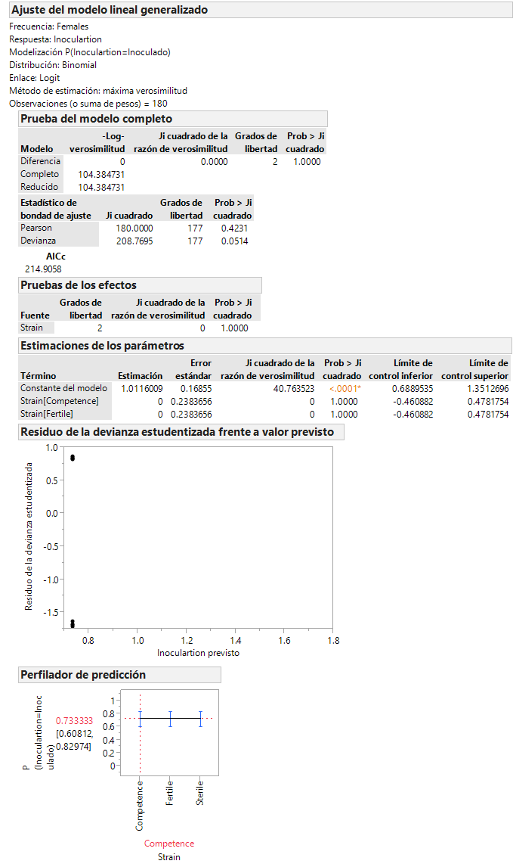
Strain | Treat | Batch | Inoculartion | Males | Females
Sterile | T1 | 1 | Inoculado | 10 | 10
Sterile | T1 | 2 | Inoculado | 11 | 10
Sterile | T1 | 3 | Inoculado | 9 | 10
Sterile | T1 | 4 | Inoculado | 9 | 4
Sterile | T1 | 5 | Inoculado | 10 | 6
Sterile | T1 | 6 | Inoculado | 10 | 4
Competence | T3 | 1 | Inoculado | 7 | 9
Competence | T3 | 2 | Inoculado | 9 | 9
Competence | T3 | 3 | Inoculado | 10 | 9
Competence | T3 | 4 | Inoculado | 6 | 5
Competence | T3 | 5 | Inoculado | 9 | 6
Competence | T3 | 6 | Inoculado | 7 | 6
Fertile | T5 | 1 | Inoculado | 9 | 9
Fertile | T5 | 2 | Inoculado | 10 | 10
Fertile | T5 | 3 | Inoculado | 10 | 9
Fertile | T5 | 4 | Inoculado | 10 | 6
Fertile | T5 | 5 | Inoculado | 10 | 6
Fertile | T5 | 6 | Inoculado | 10 | 4
Sterile | T1 | 1 | No inoculado | 0 | 0
Sterile | T1 | 2 | No inoculado | 0 | 0
Sterile | T1 | 3 | No inoculado | 1 | 0
Sterile | T1 | 4 | No inoculado | 1 | 6
Sterile | T1 | 5 | No inoculado | 0 | 4
Sterile | T1 | 6 | No inoculado | 0 | 6
Competence | T3 | 1 | No inoculado | 3 | 1
Competence | T3 | 2 | No inoculado | 1 | 1
Competence | T3 | 3 | No inoculado | 0 | 1
Competence | T3 | 4 | No inoculado | 4 | 5
Competence | T3 | 5 | No inoculado | 1 | 4
Competence | T3 | 6 | No inoculado | 3 | 4
Fertile | T5 | 1 | No inoculado | 1 | 1
Fertile | T5 | 2 | No inoculado | 0 | 0
Fertile | T5 | 3 | No inoculado | 0 | 1
Fertile | T5 | 4 | No inoculado | 0 | 4
Fertile | T5 | 5 | No inoculado | 0 | 4
Fertile | T5 | 6 | No inoculado | 0 | 6

lxmx step 2
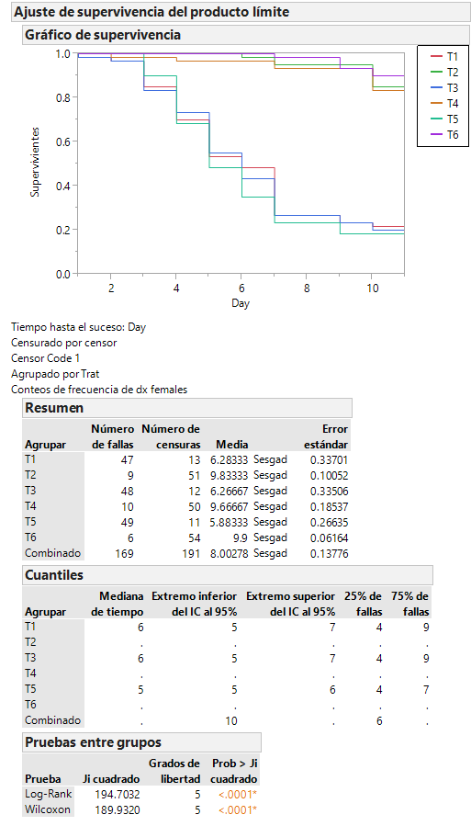
Strain | Inoculation | Trat | Day | dx males | dx females | censor
Estéril | Inoculado | T1 | 0 | 0 | 0 | 0
Estéril | Inoculado | T1 | 1 | 10 | 1 | 0
Estéril | Inoculado | T1 | 2 | 9 | 1 | 0
Estéril | Inoculado | T1 | 3 | 8 | 7 | 0
Estéril | Inoculado | T1 | 4 | 12 | 9 | 0
Estéril | Inoculado | T1 | 5 | 14 | 10 | 0
Estéril | Inoculado | T1 | 6 | 3 | 3 | 0
Estéril | Inoculado | T1 | 7 | 1 | 13 | 0
Estéril | Inoculado | T1 | 8 | 0 | 0 | 0
Estéril | Inoculado | T1 | 9 | 1 | 2 | 0
Estéril | Inoculado | T1 | 10 | 1 | 1 | 0
Estéril | Inoculado | T1 | 11 | 1 | 13 | 1
Estéril | No inoculado | T2 | 0 | 0 | 0 | 0
Estéril | No inoculado | T2 | 1 | 0 | 0 | 0
Estéril | No inoculado | T2 | 2 | 0 | 0 | 0
Estéril | No inoculado | T2 | 3 | 2 | 0 | 0
Estéril | No inoculado | T2 | 4 | 2 | 0 | 0
Estéril | No inoculado | T2 | 5 | 0 | 0 | 0
Estéril | No inoculado | T2 | 6 | 0 | 1 | 0
Estéril | No inoculado | T2 | 7 | 1 | 2 | 0
Estéril | No inoculado | T2 | 8 | 0 | 0 | 0
Estéril | No inoculado | T2 | 9 | 1 | 0 | 0
Estéril | No inoculado | T2 | 10 | 2 | 6 | 0
Estéril | No inoculado | T2 | 11 | 52 | 51 | 1
Competencia | Inoculado | T3 | 0 | 0 | 0 | 0
Competencia | Inoculado | T3 | 1 | 7 | 1 | 0
Competencia | Inoculado | T3 | 2 | 7 | 1 | 0
Competencia | Inoculado | T3 | 3 | 9 | 8 | 0
Competencia | Inoculado | T3 | 4 | 11 | 6 | 0
Competencia | Inoculado | T3 | 5 | 10 | 11 | 0
Competencia | Inoculado | T3 | 6 | 7 | 7 | 0
Competencia | Inoculado | T3 | 7 | 1 | 10 | 0
Competencia | Inoculado | T3 | 8 | 0 | 0 | 0
Competencia | Inoculado | T3 | 9 | 0 | 2 | 0
Competencia | Inoculado | T3 | 10 | 0 | 2 | 0
Competencia | Inoculado | T3 | 11 | 8 | 12 | 1
Fertil | No inoculado | T4 | 0 | 0 | 0 | 0
Fertil | No inoculado | T4 | 1 | 0 | 0 | 0
Fertil | No inoculado | T4 | 2 | 0 | 1 | 0
Fertil | No inoculado | T4 | 3 | 1 | 0 | 0
Fertil | No inoculado | T4 | 4 | 2 | 1 | 0
Fertil | No inoculado | T4 | 5 | 0 | 0 | 0
Fertil | No inoculado | T4 | 6 | 0 | 0 | 0
Fertil | No inoculado | T4 | 7 | 0 | 2 | 0
Fertil | No inoculado | T4 | 8 | 2 | 0 | 0
Fertil | No inoculado | T4 | 9 | 1 | 0 | 0
Fertil | No inoculado | T4 | 10 | 1 | 6 | 0
Fertil | No inoculado | T4 | 11 | 53 | 50 | 1
Fertil | Inoculado | T5 | 0 | 0 | 0 | 0
Fertil | Inoculado | T5 | 1 | 15 | 0 | 0
Fertil | Inoculado | T5 | 2 | 10 | 0 | 0
Fertil | Inoculado | T5 | 3 | 9 | 6 | 0
Fertil | Inoculado | T5 | 4 | 18 | 13 | 0
Fertil | Inoculado | T5 | 5 | 4 | 12 | 0
Fertil | Inoculado | T5 | 6 | 3 | 8 | 0
Fertil | Inoculado | T5 | 7 | 0 | 7 | 0
Fertil | Inoculado | T5 | 8 | 0 | 0 | 0
Fertil | Inoculado | T5 | 9 | 0 | 3 | 0
Fertil | Inoculado | T5 | 10 | 0 | 0 | 0
Fertil | Inoculado | T5 | 11 | 1 | 11 | 1
Competencia | No inoculado | T6 | 0 | 0 | 0 | 0
Competencia | No inoculado | T6 | 1 | 0 | 0 | 0
Competencia | No inoculado | T6 | 2 | 0 | 0 | 0
Competencia | No inoculado | T6 | 3 | 0 | 0 | 0
Competencia | No inoculado | T6 | 4 | 1 | 0 | 0
Competencia | No inoculado | T6 | 5 | 0 | 0 | 0
Competencia | No inoculado | T6 | 6 | 0 | 0 | 0
Competencia | No inoculado | T6 | 7 | 3 | 1 | 0
Competencia | No inoculado | T6 | 8 | 0 | 0 | 0
Competencia | No inoculado | T6 | 9 | 8 | 3 | 0
Competencia | No inoculado | T6 | 10 | 5 | 2 | 0
Competencia | No inoculado | T6 | 11 | 43 | 54 | 1

