all days fold change
Gene Symbol | Day1 | Day3 | Day6 | Day7 | Day28 | counts
A0A140TAV0 |  |  |  |  | 1.6 | 1
A0A1D5Q043 |  |  |  | -1.3 |  | 1
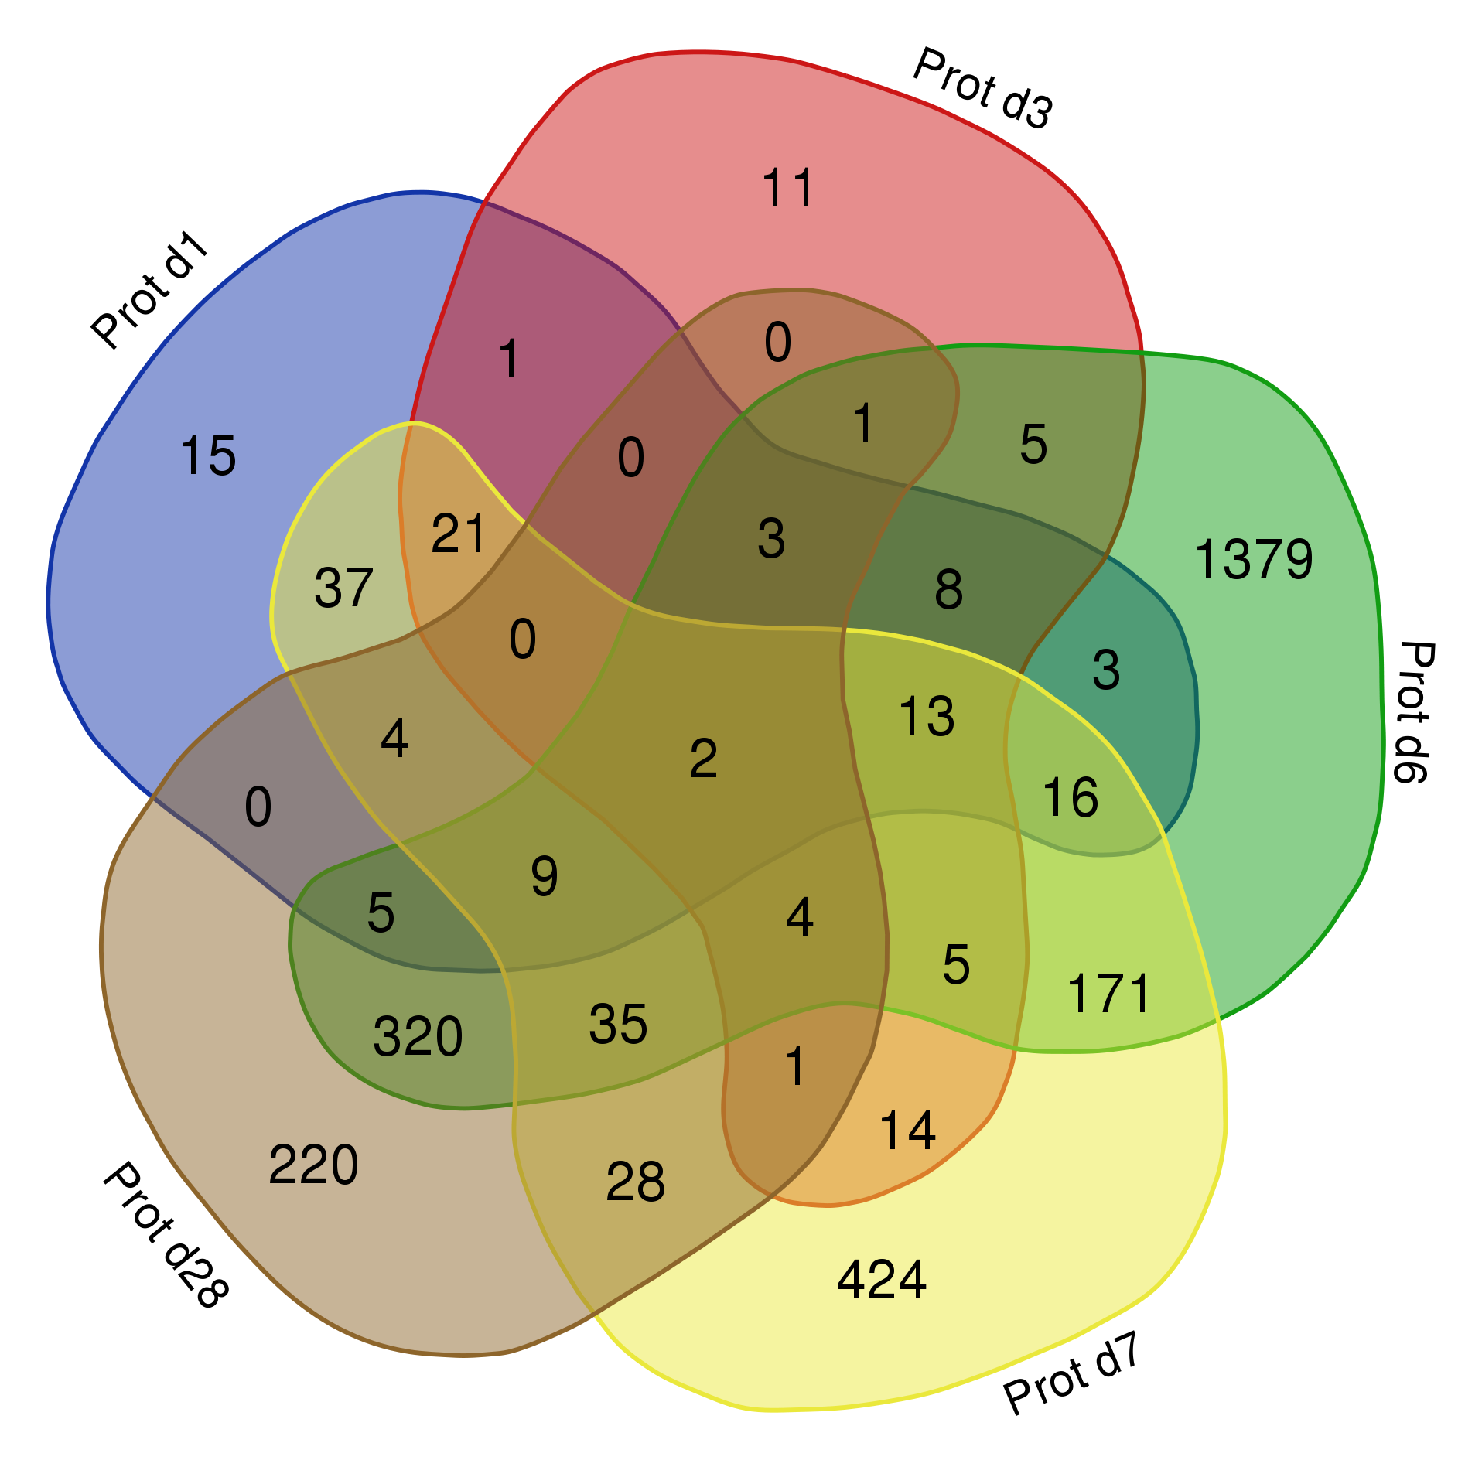
A0A1D5Q1A5 |  |  |  | 1.4 |  | 1
A0A1D5Q3K4 |  |  |  | 1.8 |  | 1
A0A1D5Q619 |  |  |  | 1.4 |  | 1
A0A1D5QBS4 |  |  |  | 1.4 |  | 1
A0A1D5QEZ4 |  |  |  | -1.3 |  | 1
A0A1D5QGM3 |  |  |  | 1.6 |  | 1
A0A1D5QGQ0 |  |  |  | -1.3 |  | 1
A0A1D5QH55 |  |  |  | 1.8 |  | 1
A0A1D5QIG2 |  | -1.4 | -6.0 |  |  | 2
A0A1D5QJ56 |  |  |  | -1.4 |  | 1
A0A1D5QK65 | -1.4 | -1.5 |  | 1.7 |  | 3
A0A1D5QNY6 |  |  |  | 2.0 |  | 1
A0A1D5QPZ4 |  |  |  | 1.7 |  | 1
A0A1D5QQQ9 |  |  |  | -1.3 |  | 1
A0A1D5QUY4 |  |  |  | 1.4 |  | 1
A0A1D5QZA8 |  |  |  | -1.5 |  | 1
A0A1D5R245 |  |  |  | 2.3 |  | 1
A0A1D5R6X6 | -2.1 | -2.0 |  | 1.3 |  | 3
A0A1D5R7D8 | 1.3 |  |  |  |  | 1
A0A1D5RFM0 |  |  |  | -1.4 |  | 1
A0A1D5RJ46 |  |  |  | -1.5 |  | 1
A1BG |  |  |  | 1.4 |  | 1
A2M |  |  |  | 2.4 |  | 1
AAAS |  |  | -2.6 |  |  | 1
AAK1 |  |  | -3.1 |  |  | 1
AARS1 |  |  | -6.4 |  |  | 1
ABCB10 |  |  | 3.0 |  |  | 1
ABCB11 |  |  | -1.7 |  |  | 1
ABCC1 |  |  | 2.1 |  |  | 1
ABCD1 |  |  | 1.8 |  |  | 1
ABCE1 |  |  | -7.1 |  |  | 1
ABCF1 |  |  |  |  | -1.3 | 1
ABHD12 |  |  | -3.9 |  |  | 1
ABHD14B |  |  | -2.6 |  | 1.5 | 2
ABHD16A |  |  | 1.9 |  |  | 1
ABHD5 |  |  | 2.6 |  |  | 1
ABHD6 |  |  | -3.3 | -1.5 |  | 2
ABR |  |  | -2.1 |  |  | 1
ACAA1 |  |  | -2.2 |  | 1.2 | 2
ACAA2 |  |  | 1.8 |  |  | 1
ACAD10,ACAD10,ACAD10,ACAD10,ACAD10,ACAD10;ALDH2 |  |  | -6.5 |  |  | 1
ACAD8 |  |  | 2.1 |  |  | 1
ACADM |  |  |  |  | 1.3 | 1
ACADSB |  |  | 1.8 |  |  | 1
ACAP1 |  |  | -1.9 |  |  | 1
ACAP2 |  |  | -2.1 |  |  | 1
ACAT1 |  |  |  | -1.3 |  | 1
ACIN1 |  |  | -3.9 |  |  | 1
ACOT13 |  |  |  | -1.9 |  | 1
ACOT8 |  |  | 1.9 |  |  | 1
ACOX3 |  |  |  | 3.6 | 1.5 | 2
ACP1 |  |  | -1.5 |  |  | 1
ACP3 |  |  | -2.5 |  |  | 1
ACP6 |  |  | -1.6 |  |  | 1
ACP7 |  |  |  | 1.4 |  | 1
ACSL3 |  |  | 1.7 | 1.4 |  | 2
ACSL5 |  |  | 1.7 |  |  | 1
ACSL6 |  |  |  |  | -1.3 | 1
ACSS1 |  |  | 1.6 |  |  | 1
ACTB |  |  | 2.6 |  |  | 1
ACTBL2 |  |  | -43.6 |  |  | 1
ACTC1 |  |  | -9.3 | -1.3 | 1.8 | 3
ACTG1 |  |  | -2.7 |  | 1.5 | 2
ACTL6A |  |  | -2.0 | -1.6 |  | 2
ACTN1 |  |  |  | 1.5 |  | 1
ACTN2 |  |  | 1.5 |  |  | 1
ACTR2 |  |  | -1.7 |  | 0.9 | 2
ACTR3 |  |  |  | 1.4 |  | 1
ACY1;LOC100425407,LOC100425407,LOC100425407,LOC100425407,LOC100425407,LOC100425407,LOC100425407 |  |  |  | 4.5 |  | 1
ADA |  |  | -2.5 |  |  | 1
ADAM10 |  |  |  | 1.5 |  | 1
ADAM22 |  |  |  |  | 1.4 | 1
ADAMDEC1 |  |  |  | 3.1 |  | 1
ADAMTS7 |  |  | -1.7 |  |  | 1
ADAR |  |  | -2.6 |  |  | 1
ADCY6 | 1.4 | 1.3 |  | 2.8 |  | 3
ADD1 |  |  | -4.5 |  | 0.8 | 2
ADD2 |  |  |  |  | -1.4 | 1
ADD3 |  |  | 2.1 |  | 1.7 | 2
ADGRE2 |  |  | -2.1 |  |  | 1
ADGRE5 |  |  | -3.6 |  | 1.0 | 2
ADGRG1 |  |  | -1.5 |  | 1.8 | 2
ADH5 |  |  |  | 3.0 |  | 1
ADI1 |  |  |  | -1.3 |  | 1
ADK |  |  | -2.9 | -1.5 |  | 2
ADNP |  |  |  | -1.3 |  | 1
ADPGK |  |  | 1.8 |  |  | 1
ADSL |  |  | 1.6 |  |  | 1
AFM |  |  | 2.1 |  |  | 1
AGFG1 |  |  | -1.9 |  |  | 1
AGL |  |  | 2.0 |  |  | 1
AGPAT1 |  |  | -6.9 |  |  | 1
AGPAT4 |  |  | 2.9 | 1.6 |  | 2
AGPAT5 |  |  | 2.2 |  |  | 1
AGPS |  |  | 1.8 | 1.9 |  | 2
AGTRAP |  |  | 1.6 | 2.6 |  | 2
AHNAK |  |  | -3.6 |  |  | 1
AHSG |  |  |  | 1.5 |  | 1
AHSP |  |  | -4.1 |  | 2.2 | 2
AIF1 |  |  | -6.0 |  |  | 1
AIM2 | 1.4 |  | 4.9 | 3.2 | 1.4 | 4
AIMP1 |  |  | -1.6 | 2.4 |  | 2
AIMP2 | -1.8 | -1.7 | -6.1 |  | 1.3 | 4
AK2 |  |  |  | 1.3 |  | 1
AKAP13 |  |  | -1.8 |  |  | 1
AKAP8 |  |  | -3.8 |  |  | 1
AKNA |  |  | -3.6 |  |  | 1
AKR1A1 |  |  | 2.1 | 1.9 |  | 2
AKR1B1 | -1.8 | 1.3 | -5.9 | -2.0 |  | 4
AKR7A2 |  |  | -1.7 |  |  | 1
ALAD |  |  | 2.0 |  | 1.7 | 2
ALB |  |  |  | 2.5 |  | 1
ALCAM |  |  | 2.6 |  |  | 1
ALDH16A1 |  |  | -1.6 |  |  | 1
ALDH18A1 |  |  | -1.7 |  |  | 1
ALDH1A1 |  |  |  | 2.3 |  | 1
ALDH3A2 |  |  | -1.5 |  |  | 1
ALDH3B1 |  |  | -1.7 |  |  | 1
ALDH6A1 |  |  | -2.5 |  |  | 1
ALDH9A1 |  |  | -2.6 | -1.3 |  | 2
ALG5 |  |  | 1.6 |  |  | 1
ALOX12 |  |  | 3.6 |  | 1.3 | 2
ALOX15 |  |  | -2.9 |  | 6.6 | 2
ALOX5 |  |  | -1.8 |  |  | 1
ALPK1 |  |  |  | 1.3 |  | 1
ALYREF |  |  | -2.3 |  |  | 1
AMBP |  |  |  | 1.9 |  | 1
AMDHD1 |  |  | -3.0 | -1.3 |  | 2
AMDHD2 |  |  | -2.9 |  |  | 1
AMFR |  |  | -5.0 |  |  | 1
AMPD2 |  |  | -6.6 |  | 1.2 | 2
AMPD3 |  |  |  | 1.4 |  | 1
ANGPT1 | 1.3 |  |  | 2.8 |  | 2
ANK1 |  |  | -1.7 |  | 1.6 | 2
ANKRD13A |  |  | -1.9 |  |  | 1
ANKRD22 |  |  | -1.7 |  |  | 1
ANKRD28 |  |  |  | 1.3 |  | 1
ANKRD31 |  |  |  | -1.5 |  | 1
ANKRD44 |  |  | -3.9 |  |  | 1
ANO10 |  |  | 1.9 |  |  | 1
ANO6 | -1.5 | -1.3 |  | -1.5 |  | 3
ANP32A |  |  | -4.1 |  |  | 1
ANP32B |  |  | -2.1 |  | -1.6 | 2
ANP32E |  |  | -2.7 |  |  | 1
ANPEP |  |  | 2.1 |  |  | 1
ANXA1 |  |  | 2.2 |  | -1.3 | 2
ANXA11 |  |  | 1.6 |  | 0.9 | 2
ANXA2 |  |  | -2.0 |  |  | 1
ANXA4 |  |  |  |  | 1.1 | 1
ANXA5 |  |  |  | 3.2 |  | 1
ANXA6 |  |  | -2.4 |  |  | 1
ANXA7 |  |  |  | 1.4 |  | 1
AP1B1 |  |  |  |  | 1.3 | 1
AP1G1 |  |  | 2.3 |  |  | 1
AP1M1 |  |  | 3.2 |  |  | 1
AP1S1 |  |  | -8.4 |  |  | 1
AP1S2 |  |  |  | -1.3 |  | 1
AP2A2 |  |  | 2.0 |  |  | 1
AP2M1 |  |  | 1.9 | 1.5 |  | 2
AP3B1 | 1.4 |  | 1.8 | 2.6 |  | 3
AP3S1 |  |  | -1.5 |  |  | 1
AP4S1 |  |  | 2.3 |  |  | 1
APBB1IP |  |  | -1.7 |  |  | 1
APCS |  |  | 3.3 |  |  | 1
APEH |  |  |  | 1.8 |  | 1
APEX1 |  |  | -4.2 |  |  | 1
API5 |  |  | -2.3 |  |  | 1
APLP2 |  |  |  |  | -1.5 | 1
APMAP |  |  | -1.6 |  |  | 1
APOA1 |  |  | -4.4 |  | 1.2 | 2
APOA2 |  |  |  | 1.6 | 1.6 | 2
APOBEC3H |  |  | -1.9 |  |  | 1
APOBR |  |  | -4.0 |  |  | 1
APOC2 |  |  | -2.3 |  | 1.3 | 2
APOE |  |  | -2.3 | -1.6 | -1.3 | 3
APOH |  |  |  | 2.0 |  | 1
APOO |  |  | -1.7 |  |  | 1
APP |  |  |  | 1.3 | 1.2 | 2
APPL1 |  |  | -1.8 |  | -1.3 | 2
APRT |  |  |  | 1.3 |  | 1
AQP1 |  |  |  |  | 1.6 | 1
AQP3 |  |  | 5.2 |  |  | 1
ARF5 |  |  | -1.6 |  |  | 1
ARF6 | 1.3 |  |  | 2.8 |  | 2
ARFGAP3 |  |  | -1.7 |  |  | 1
ARHGAP1 |  |  |  | 1.6 |  | 1
ARHGAP15 |  |  | -2.4 |  |  | 1
ARHGAP17 |  |  | -2.3 |  |  | 1
ARHGAP18 |  | -1.4 | -2.0 | 2.0 |  | 3
ARHGAP25 |  |  | -3.1 |  | 1.0 | 2
ARHGAP26 |  |  |  | 1.3 |  | 1
ARHGAP27 | 2.9 | 2.7 |  | 2.2 |  | 3
ARHGAP30 |  |  | -3.6 |  |  | 1
ARHGAP45 |  |  |  | 1.6 |  | 1
ARHGAP6 |  |  | -2.8 |  | 1.4 | 2
ARHGAP9 |  |  | -3.2 |  |  | 1
ARHGDIB |  |  | -1.7 |  |  | 1
ARHGEF1 |  |  | -3.8 |  |  | 1
ARHGEF2 |  |  | -6.0 |  |  | 1
ARID1A |  |  | -2.2 |  |  | 1
ARL1 |  |  | 2.2 |  |  | 1
ARL15 |  |  | 3.6 |  |  | 1
ARL6IP4 |  |  | -4.1 |  |  | 1
ARL6IP5 |  |  | -11.7 |  |  | 1
ARMC1 |  |  | 3.0 |  |  | 1
ARMC8 |  |  | -7.5 | -1.3 | 0.8 | 3
ARMCX3 |  |  | 1.9 |  |  | 1
ARPC1B |  |  |  | 1.7 |  | 1
ARPC2 |  |  |  | 1.5 |  | 1
ARPC3 |  |  | 1.7 |  |  | 1
ARPC4 |  |  |  | 1.6 |  | 1
ARPC5 |  |  |  | 1.6 |  | 1
ARPC5L |  |  |  | -1.3 |  | 1
ARPP19 |  |  | -1.7 |  |  | 1
ARRB1 |  | -1.5 | -3.2 |  |  | 2
ARRB2 |  |  | -5.8 |  | 0.8 | 2
ARSA |  |  | 2.3 | 1.6 |  | 2
ART4 |  |  | -2.1 |  |  | 1
ASAP2 | -1.5 | -1.3 | -4.0 |  |  | 3
ASCC2 |  |  |  | 1.4 |  | 1
ASCC3 |  |  | 3.4 | 1.7 |  | 2
ASNS |  |  | 1.7 |  |  | 1
ASPSCR1 |  |  | -2.5 |  |  | 1
ATAD1 |  |  | -2.9 |  | 1.3 | 2
ATAD2B |  |  | -3.4 |  |  | 1
ATE1 |  | 1.4 | -2.9 |  |  | 2
ATG16L2 |  |  |  | 1.4 |  | 1
ATG3 |  |  | 3.0 |  |  | 1
ATIC |  |  | 1.5 |  |  | 1
ATOX1 |  |  |  | 5.7 |  | 1
ATP1A4 |  |  |  |  | 1.5 | 1
ATP1B1 |  |  | 1.8 | 1.3 |  | 2
ATP2A3 |  |  |  | 1.7 |  | 1
ATP2B1 |  |  | -1.6 |  |  | 1
ATP2B4 |  |  | -1.9 |  |  | 1
ATP2C1 |  |  | 1.8 |  |  | 1
ATP5E |  |  | 2.1 |  |  | 1
ATP5F1B |  |  | 4.5 |  |  | 1
ATP5IF1 |  |  | -5.1 | -1.3 |  | 2
ATP5L |  |  | 1.9 |  |  | 1
ATP5O | 1.7 |  |  | -1.4 |  | 2
ATP6AP1 |  |  | 2.4 | -1.4 |  | 2
ATP6V0A1 |  |  | 2.2 |  |  | 1
ATP6V1A |  |  | 1.7 | 1.7 |  | 2
ATP6V1C1 |  |  | 2.1 |  |  | 1
ATP6V1H |  | 1.4 |  |  |  | 1
ATP8A1 |  |  | -3.0 |  | 1.4 | 2
ATP8B2 | 1.3 |  |  | 2.0 |  | 2
ATP9B |  |  | 1.7 | 1.4 |  | 2
ATPAF2 |  |  | -2.8 |  |  | 1
ATPIF1 |  |  |  | -1.3 |  | 1
ATXN7L1 | 1.3 |  |  |  |  | 1
AVEN |  |  | -2.2 |  |  | 1
AZU1 |  |  | -1.9 |  |  | 1
BABAM1 |  |  | -1.7 |  |  | 1
BAG1 |  |  | -2.7 | 1.8 |  | 2
BAG6 |  |  | -2.0 |  |  | 1
BAK1 |  |  | -1.7 |  |  | 1
BASP1 |  |  | -1.7 |  |  | 1
BAX |  |  | -5.6 |  | 1.1 | 2
BAZ1B |  |  | -2.5 |  |  | 1
BBS2 |  |  |  | 1.4 |  | 1
BCAM |  |  | -4.5 |  |  | 1
BCAS2 |  |  | 3.2 |  | -1.7 | 2
BCKDK |  |  | 1.9 |  |  | 1
BCL11B |  |  | -4.8 |  | -1.7 | 2
BCL2L1 |  |  | 3.4 | 2.5 |  | 2
BCL2L13 |  |  |  |  | -1.5 | 1
BCLAF1 |  |  |  |  | -1.7 | 1
BCS1L |  |  | -1.6 |  |  | 1
BDH1 |  |  | 1.7 |  |  | 1
BET1 |  |  | 2.2 |  |  | 1
BICRAL |  |  |  | 2.0 |  | 1
BID |  |  |  | 2.3 |  | 1
BIN1 |  |  | 1.5 |  |  | 1
BIN2 | -1.4 | -1.5 |  | 2.1 |  | 3
BLMH |  |  |  | 1.3 |  | 1
BLOC1S2 |  |  | 1.5 | 1.6 |  | 2
BLVRA |  |  | -2.5 | -1.4 | 0.9 | 3
BLVRB |  |  | 2.4 |  | 2.0 | 2
BMP2K |  |  | 2.2 |  | -1.6 | 2
BNIP2 |  |  | 1.8 |  |  | 1
BNIP3L | 1.4 |  | 2.5 | 2.6 | 1.4 | 4
BOLA3 |  |  | -6.2 |  |  | 1
BOP1 |  |  |  |  | -1.5 | 1
BORCS8 |  |  | 1.5 |  |  | 1
BPGM |  |  | -2.1 |  | -1.3 | 2
BPHL |  |  | -1.6 |  |  | 1
BPI |  |  | -1.7 |  |  | 1
BPNT1 |  |  | 1.9 |  |  | 1
BRCC3 |  |  | -2.0 |  |  | 1
BRD2 |  |  |  |  | -1.7 | 1
BRD4 |  |  | -3.2 |  |  | 1
BRI3BP |  |  | 1.6 |  |  | 1
BRK1 |  |  |  |  | 1.3 | 1
BSDC1 |  |  | -5.5 |  | 0.6 | 2
BSG |  |  |  | 1.8 |  | 1
BST2 |  |  | -2.2 |  |  | 1
BTBD11 |  |  | -27.2 |  |  | 1
BTD |  |  | 1.8 |  |  | 1
BTF3L4 |  |  | -3.7 | -1.3 |  | 2
BTK |  |  |  | 1.8 |  | 1
BUD31 |  |  | -2.1 |  |  | 1
C11ORF54 |  |  |  | 1.3 |  | 1
C12H2orf88 |  |  | 2.6 |  |  | 1
C14H11orf58 |  | -1.5 | -2.3 |  | 1.3 | 3
C16H17orf49,C16H17orf49;C17orf49 |  |  | -2.3 |  |  | 1
C19ORF33 |  |  | -3.4 | 1.7 | 1.7 | 3
C19orf63;EMC10 |  |  | 2.2 |  |  | 1
C1H1orf198 |  |  |  |  | 1.1 | 1
C1H1orf35 |  |  |  |  | -1.6 | 1
C1QB |  |  | 1.9 |  |  | 1
C1R;LOC722133,LOC722133 |  |  | -3.1 |  |  | 1
C2 |  |  |  | 2.0 |  | 1
C21orf33 |  |  | 1.5 |  |  | 1
C2H3orf52 |  |  | 2.7 |  |  | 1
C3 |  |  |  | 2.5 |  | 1
C4H6orf120 |  |  | 3.2 |  |  | 1
C4orf52 |  |  | 1.8 |  |  | 1
C5 | -1.5 |  | -2.1 |  |  | 2
C8A |  |  | 1.7 |  |  | 1
C9 |  |  | 2.0 |  | 1.3 | 2
...

