all days
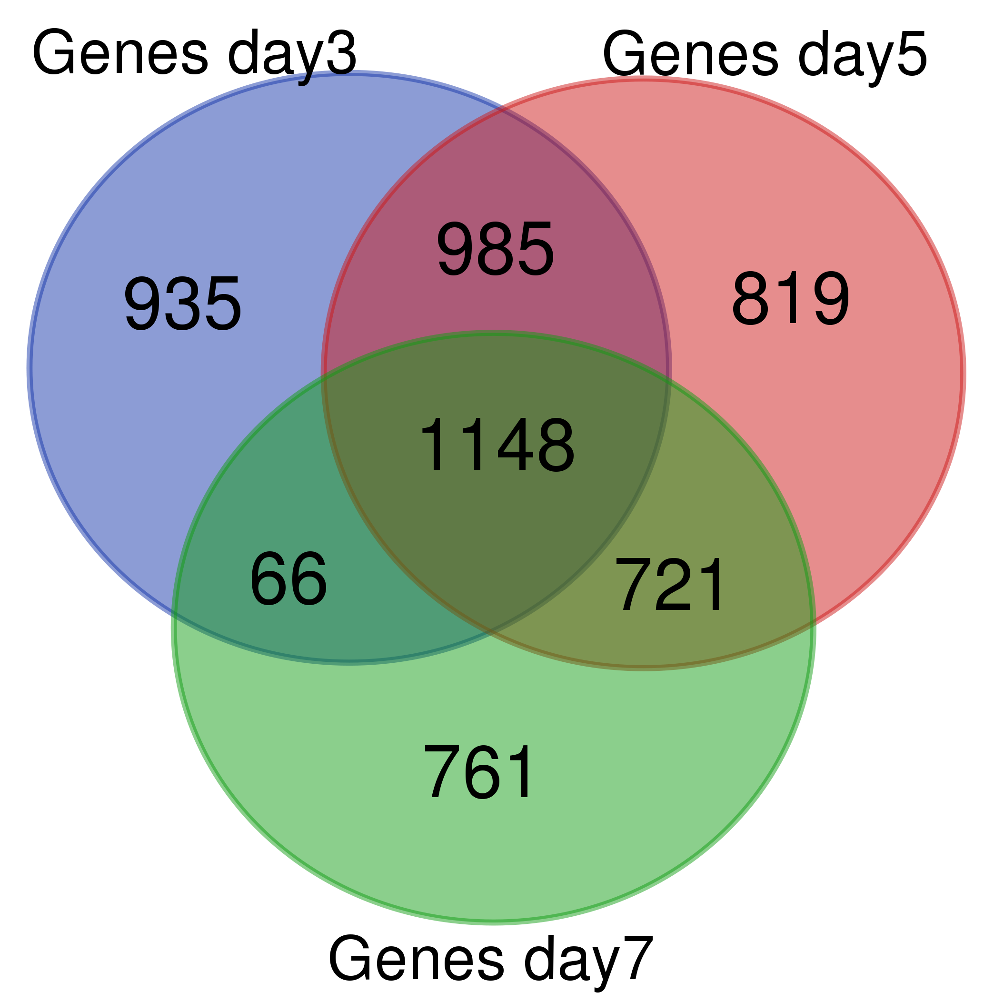
All days merge
Symbol | Genes day1 | Genes day5 | Genes day7 | count
43161 |  |  | 0.45 | 1
43165 |  | 1.82 |  | 1
43167 | 0.31 | 0.23 | 0.11 | 3
43348 | 2.88 |  |  | 1
43352 |  | 0.48 | 0.46 | 2
A_01_P000455 |  | 0.40 | 0.26 | 2
A_01_P000687 | 0.14 | 0.14 | 0.13 | 3
A_01_P001098 |  | 1.83 |  | 1
A_01_P001483 |  |  | 2.06 | 1
A_01_P001504 |  |  | 0.34 | 1
A_01_P001737 |  |  | 2.21 | 1
A_01_P001741 |  |  | 2.66 | 1
A_01_P002615 | 0.32 |  |  | 1
A_01_P003414 | 2.07 |  |  | 1
A_01_P004466 | 2.41 | 2.83 | 2.85 | 3
A_01_P004553 |  | 0.44 | 0.27 | 2
A_01_P004656 |  | 1.93 |  | 1
A_01_P005183 |  | 2.38 | 2.61 | 2
A_01_P005373 | 2.15 | 3.19 | 3.67 | 3
A_01_P005455 |  |  | 0.33 | 1
A_01_P005475 | 0.54 | 0.53 |  | 2
A_01_P006068 | 3.32 | 4.38 | 3.75 | 3
A_01_P007305 |  | 2.06 | 2.47 | 2
A_01_P007380 |  | 0.53 | 0.50 | 2
A_01_P007429 | 0.50 |  |  | 1
A_01_P007678 |  |  | 0.16 | 1
A_01_P008153 | 0.30 |  |  | 1
A_01_P008177 |  | 0.38 | 0.40 | 2
A_01_P008354 |  |  | 0.60 | 1
A_01_P008849 | 0.45 | 0.47 |  | 2
A_01_P009268 | 0.48 | 0.61 | 0.64 | 3
A_01_P009535 | 0.55 |  |  | 1
A_01_P009641 | 0.12 | 0.09 | 0.26 | 3
A_01_P009911 | 5.30 |  |  | 1
A_01_P010032 | 0.59 |  |  | 1
A_01_P010145 | 7.31 |  |  | 1
A_01_P010411 | 1.71 |  |  | 1
A_01_P010627 | 0.45 | 0.52 |  | 2
A_01_P010714 | 0.39 | 0.52 |  | 2
A_01_P010771 | 1.76 | 1.76 |  | 2
A_01_P011429 | 2.61 | 3.46 | 2.30 | 3
A_01_P012174 |  |  | 0.30 | 1
A_01_P012183 | 2.00 | 2.85 | 2.25 | 3
A_01_P012444 | 0.47 |  |  | 1
A_01_P012791 |  |  | 0.10 | 1
A_01_P013047 | 0.21 | 0.08 | 0.10 | 3
A_01_P013763 |  |  | 0.17 | 1
A_01_P013950 | 2.31 |  |  | 1
A_01_P014034 | 2.26 |  |  | 1
A_01_P014203 |  | 0.43 |  | 1
A_01_P014643 |  |  | 2.57 | 1
A_01_P014686 | 2.81 |  |  | 1
A_01_P015518 |  |  | 1.75 | 1
A_01_P016478 |  | 0.30 | 0.25 | 2
A_01_P016981 | 0.30 | 0.30 | 0.31 | 3
A_01_P017749 | 2.56 | 2.49 | 2.84 | 3
A_01_P017882 |  | 3.35 | 3.00 | 2
A_01_P018031 |  |  | 2.07 | 1
A_01_P018376 |  |  | 0.55 | 1
A_01_P018585 |  | 2.90 | 2.21 | 2
A_01_P019087 |  | 1.90 |  | 1
A_01_P019151 |  | 0.37 |  | 1
A_01_P019236 |  | 4.46 |  | 1
A_01_P019480 | 0.33 |  |  | 1
A_01_P019862 | 2.18 |  |  | 1
A_01_P1672261 |  | 0.49 | 0.46 | 2
A_01_P1672316 |  |  | 0.55 | 1
A_01_P1672551 | 0.42 |  |  | 1
A_01_P1672726 | 0.60 |  | 0.51 | 2
A_01_P1672776 |  | 1.98 |  | 1
A_01_P1672871 | 0.49 |  |  | 1
A_01_P1672886 |  | 3.38 |  | 1
A_01_P1673226 | 0.34 | 0.30 | 0.22 | 3
A_01_P1673227 | 0.36 | 0.31 | 0.23 | 3
A_01_P1673271 | 0.43 | 0.41 | 0.38 | 3
A_01_P1673711 | 2.34 |  | 2.13 | 2
A_01_P1673776 | 2.24 |  |  | 1
A_01_P1674031 | 0.47 | 0.44 | 0.39 | 3
A_01_P1674081 |  | 2.05 |  | 1
A_01_P1676091 | 0.50 | 0.43 | 0.47 | 3
A_01_P1676236 |  |  | 2.07 | 1
A_01_P1676806 | 1.96 |  |  | 1
A_01_P1677766 |  |  | 0.50 | 1
A_01_P1677968 |  | 0.18 | 0.08 | 2
A_01_P1678396 | 1.69 |  |  | 1
A_01_P1679361 |  | 2.57 | 3.30 | 2
A_01_P1679471 |  |  | 0.22 | 1
A_01_P1679741 | 0.15 | 0.06 |  | 2
A_01_P1680716 | 0.35 |  |  | 1
A_01_P1681436 | 0.37 | 0.36 | 0.49 | 3
A_01_P1681751 | 0.38 | 0.47 |  | 2
A_01_P1681782 | 2.57 | 2.51 |  | 2
A_01_P1683061 |  | 0.48 | 0.37 | 2
A_01_P1683921 |  |  | 5.11 | 1
A_01_P1685016 | 0.41 | 0.41 | 0.38 | 3
A_01_P1686306 | 0.23 | 0.33 |  | 2
A_01_P1686791 | 0.48 | 0.43 | 0.45 | 3
A_01_P1686841 | 0.12 | 0.10 | 0.13 | 3
A_01_P1687321 | 0.50 |  |  | 1
A_01_P1688461 |  | 0.62 | 0.51 | 2
A_01_P1688626 | 3.34 | 3.81 |  | 2
A_01_P1688642 | 0.31 | 0.42 | 0.43 | 3
A_01_P1688990 |  | 0.28 |  | 1
A_01_P1689356 |  | 0.50 | 0.44 | 2
A_01_P1689611 |  |  | 2.17 | 1
A_01_P1689656 |  | 4.23 | 3.06 | 2
A_01_P1689741 | 0.28 | 0.37 |  | 2
A_01_P1689981 | 0.48 | 0.48 | 0.44 | 3
A_01_P1690121 | 2.36 | 2.54 | 2.70 | 3
A_01_P1690181 | 0.31 | 0.34 | 0.45 | 3
A_01_P1690646 |  |  | 2.07 | 1
A_01_P1691121 | 0.40 | 0.38 | 0.44 | 3
A_01_P1691316 | 0.55 | 0.47 | 0.45 | 3
A_01_P1691711 | 0.39 | 0.40 | 0.45 | 3
A_01_P1692296 |  | 0.50 | 0.42 | 2
A_01_P1692477 |  | 2.16 |  | 1
A_01_P1692526 | 0.40 | 0.48 |  | 2
A_01_P1692686 |  |  | 1.92 | 1
A_01_P1692796 | 3.42 | 3.97 |  | 2
A_01_P1699441 | 2.61 | 2.35 |  | 2
A_01_P1699576 |  |  | 0.48 | 1
A_01_P1699761 | 0.36 | 0.20 | 0.11 | 3
A_01_P1699911 | 5.34 | 6.26 | 5.25 | 3
A_01_P1699921 | 2.45 | 2.27 |  | 2
A_01_P1700086 | 0.24 |  |  | 1
A_01_P1700336 | 0.40 |  |  | 1
A_01_P1700596 | 0.44 | 0.46 | 0.42 | 3
A_01_P1701266 | 0.29 | 0.35 |  | 2
A_01_P1701351 | 2.35 |  |  | 1
A_01_P1701406 |  |  | 2.34 | 1
A_01_P1701681 |  |  | 0.54 | 1
A_01_P1701787 |  | 0.18 | 0.21 | 2
A_01_P1702091 |  | 2.02 |  | 1
A_01_P1702206 |  | 0.40 |  | 1
A_01_P1702396 | 0.32 | 0.37 |  | 2
A_01_P1702471 |  |  | 0.29 | 1
A_01_P1702851 | 0.35 | 0.41 |  | 2
A_01_P1703141 |  | 3.84 |  | 1
A_01_P1704181 |  | 2.36 |  | 1
A_01_P1704266 |  | 2.11 | 2.15 | 2
A_01_P1704356 | 0.35 | 0.35 | 0.38 | 3
A_01_P1704551 | 0.36 | 0.38 | 0.40 | 3
A_01_P1704566 |  | 0.55 |  | 1
A_01_P1705011 |  | 0.59 |  | 1
A_01_P1705091 |  |  | 2.30 | 1
A_01_P1705516 |  | 0.39 |  | 1
A_01_P1705531 | 3.93 | 3.08 |  | 2
A_01_P1705541 |  | 2.24 |  | 1
A_01_P1705601 | 0.11 | 0.10 | 0.12 | 3
A_01_P1706226 | 4.14 | 3.16 |  | 2
A_01_P1706296 | 2.39 |  |  | 1
A_01_P1707031 |  |  | 2.38 | 1
A_01_P1707426 | 3.94 | 3.14 |  | 2
A_01_P1707531 | 0.45 | 0.47 | 0.48 | 3
A_01_P1707976 |  | 2.96 |  | 1
A_01_P1708696 |  |  | 0.41 | 1
A_01_P1709251 |  | 2.13 |  | 1
A_01_P1709511 |  | 2.17 | 2.12 | 2
A_01_P1709941 |  | 1.93 |  | 1
A_01_P1710006 |  | 1.76 | 1.92 | 2
A_01_P1710191 |  | 1.84 | 2.41 | 2
A_01_P1710206 | 0.37 | 0.34 | 0.36 | 3
A_01_P1710416 |  |  | 2.85 | 1
A_01_P1710456 |  | 1.62 | 2.31 | 2
A_01_P1710486 | 2.46 | 2.50 |  | 2
A_01_P1710956 |  | 0.40 |  | 1
A_01_P1711096 | 0.24 | 0.22 | 0.33 | 3
A_01_P1711111 |  | 0.29 | 0.38 | 2
A_01_P1711251 |  | 0.42 |  | 1
A_01_P1711276 | 2.21 | 1.93 |  | 2
A_01_P1711301 |  |  | 2.21 | 1
A_01_P1711456 |  | 0.48 |  | 1
A_01_P1711656 | 5.48 | 6.80 | 6.00 | 3
A_01_P1711821 | 0.24 | 0.23 | 0.38 | 3
A_01_P1711956 |  | 2.93 |  | 1
A_01_P1712081 |  | 0.25 |  | 1
A_01_P1712776 | 0.24 | 0.22 |  | 2
A_01_P1713361 | 3.45 | 3.47 | 2.37 | 3
A_01_P1713531 |  | 1.88 | 1.87 | 2
A_01_P1713976 |  | 2.34 | 2.83 | 2
A_01_P1714031 |  |  | 2.40 | 1
A_01_P1714066 |  | 1.63 |  | 1
A_01_P1714106 | 1.71 | 2.04 | 2.54 | 3
A_01_P1714406 |  |  | 2.84 | 1
A_01_P1714431 | 0.31 | 0.32 |  | 2
A_01_P1714566 | 3.32 | 2.93 | 3.05 | 3
A_01_P1714861 |  |  | 2.36 | 1
A_01_P1715231 |  | 3.72 | 2.98 | 2
A_01_P1715316 |  | 2.65 |  | 1
A_01_P1715361 |  |  | 1.85 | 1
A_01_P1715711 |  | 2.13 | 2.54 | 2
A_01_P1715801 | 0.05 | 0.02 | 0.03 | 3
A_01_P1716086 |  |  | 0.35 | 1
A_01_P1716466 |  | 2.71 | 2.19 | 2
A_01_P1716641 | 0.53 |  |  | 1
A_01_P1716666 | 0.43 | 0.42 |  | 2
A_01_P1716861 |  | 0.14 |  | 1
A_01_P1717221 | 3.32 |  |  | 1
A_01_P1718076 | 0.27 | 0.32 |  | 2
A_01_P1718091 |  |  | 0.26 | 1
A_01_P1718246 |  | 0.47 |  | 1
A_01_P1718376 |  | 4.31 | 4.41 | 2
A_01_P1718761 | 0.21 | 0.14 | 0.18 | 3
A_01_P1719501 |  | 2.90 | 2.65 | 2
A_01_P1719676 | 0.37 | 0.40 | 0.41 | 3
A_01_P1720016 |  |  | 3.06 | 1
A_01_P1720076 |  | 0.59 |  | 1
A_01_P1720341 |  | 2.19 |  | 1
A_01_P1720376 | 0.40 | 0.40 | 0.43 | 3
A_01_P1720521 |  | 1.77 |  | 1
A_01_P1720531 |  | 2.15 |  | 1
A_01_P1720686 |  | 2.14 | 2.60 | 2
A_01_P1720866 |  | 1.54 |  | 1
A_01_P1721161 |  |  | 2.76 | 1
A_01_P1722056 |  | 1.61 |  | 1
A_01_P1722511 |  | 2.83 |  | 1
A_01_P1722641 |  | 2.31 | 1.89 | 2
A_01_P1722906 |  |  | 2.16 | 1
A_01_P1723066 | 0.26 | 0.12 | 0.16 | 3
A_01_P1723086 |  |  | 2.25 | 1
A_01_P1723116 | 0.57 |  |  | 1
A_01_P1723221 |  |  | 0.25 | 1
A_01_P1723301 |  | 3.61 | 3.37 | 2
A_01_P1723386 | 0.31 | 0.38 | 0.23 | 3
A_01_P1723426 | 6.52 | 6.54 |  | 2
A_01_P1723646 |  |  | 2.16 | 1
A_01_P1723671 | 0.45 | 0.45 | 0.45 | 3
A_01_P1723851 |  | 5.13 | 3.26 | 2
A_01_P1723991 |  |  | 1.77 | 1
A_01_P1724726 | 2.35 |  |  | 1
A_01_P1725591 |  |  | 4.78 | 1
A_01_P1726186 | 0.54 |  |  | 1
A_01_P1726266 | 0.31 |  |  | 1
A_01_P1726606 | 0.09 | 0.01 | 0.02 | 3
A_01_P1726761 |  | 0.42 | 0.44 | 2
A_01_P1726926 |  | 1.97 | 1.68 | 2
A_01_P1728226 |  | 4.36 |  | 1
A_01_P1728551 |  |  | 2.23 | 1
A_01_P1728606 | 1.73 | 1.66 |  | 2
A_01_P1728816 |  | 1.89 |  | 1
A_01_P1729466 |  | 3.38 |  | 1
A_01_P1729471 | 1.76 | 1.95 | 2.00 | 3
A_01_P1729561 |  |  | 1.95 | 1
A_01_P1729671 | 0.33 | 0.45 |  | 2
A_01_P1729916 | 3.06 | 3.40 | 3.22 | 3
A_01_P1730471 |  | 2.29 |  | 1
A_01_P1730576 |  | 2.20 | 1.86 | 2
A_01_P1731566 |  | 0.60 |  | 1
A_01_P1732176 | 2.71 | 3.63 |  | 2
A_01_P1732276 | 0.50 |  |  | 1
A_01_P1733186 |  |  | 1.73 | 1
A_01_P1733236 |  |  | 1.95 | 1
A_01_P1733701 | 0.54 |  |  | 1
A_01_P1734066 |  | 2.47 |  | 1
A_01_P1734081 |  | 3.94 |  | 1
A_01_P1734381 |  | 2.38 |  | 1
A_01_P1734591 |  | 0.45 | 0.32 | 2
A_01_P1734611 |  |  | 1.70 | 1
A_01_P1734634 |  | 0.47 | 0.53 | 2
A_01_P1735096 | 0.53 | 0.52 | 0.52 | 3
A_01_P1735226 |  | 1.71 |  | 1
A_01_P1735401 | 2.24 | 2.25 |  | 2
A_01_P1735851 |  | 3.08 | 2.94 | 2
A_01_P1735966 |  | 3.37 | 5.29 | 2
A_01_P1736566 |  | 1.76 |  | 1
A_01_P1736616 |  | 2.76 | 2.77 | 2
A_01_P1736676 |  | 2.10 | 2.59 | 2
A_01_P1737266 |  | 0.50 | 0.56 | 2
A_01_P1737311 |  | 0.50 |  | 1
A_01_P1737651 |  | 3.25 |  | 1
A_01_P1737849 |  | 1.61 | 2.28 | 2
A_01_P1737886 | 2.31 | 2.38 |  | 2
A_01_P1738152 |  | 0.41 |  | 1
A_01_P1738176 |  |  | 0.55 | 1
A_01_P1738226 |  |  | 1.70 | 1
A_01_P1738876 | 0.40 | 0.55 |  | 2
A_01_P1738881 |  |  | 0.41 | 1
A_01_P1739141 | 2.00 | 2.29 | 2.43 | 3
A_01_P1739151 | 2.13 | 2.41 | 2.49 | 3
A_01_P1739191 |  | 2.16 |  | 1
A_01_P1739336 |  | 0.35 |  | 1
A_01_P1739531 | 0.37 | 0.37 | 0.46 | 3
A_01_P1739566 | 0.45 | 0.46 |  | 2
A_01_P1739611 | 0.60 | 0.42 |  | 2
A_01_P1739986 | 0.42 | 0.45 | 0.51 | 3
A_01_P1740201 |  | 2.50 | 3.53 | 2
A_01_P1740591 |  | 2.00 |  | 1
A_01_P1740746 |  |  | 0.45 | 1
A_01_P1740761 |  |  | 3.01 | 1
A_01_P1740891 |  | 1.83 |  | 1
A_01_P1741006 |  | 2.89 | 2.58 | 2
A_01_P1741036 | 3.13 | 2.36 |  | 2
A_01_P1741371 |  |  | 0.38 | 1
A_01_P1741806 | 2.48 | 2.60 | 2.07 | 3
A_01_P1742191 |  |  | 2.15 | 1
A_01_P1742586 | 3.10 |  |  | 1
A_01_P1742606 | 2.23 |  |  | 1
A_01_P1742641 |  | 1.90 |  | 1
A_01_P1742851 |  | 0.29 |  | 1
A_01_P1743076 | 4.77 | 6.52 | 3.67 | 3
A_01_P1743086 |  |  | 2.26 | 1
A_01_P1743226 |  |  | 0.53 | 1
A_01_P1743836 | 2.08 | 2.16 |  | 2
A_01_P1744161 |  | 1.65 |  | 1
A_01_P1744406 | 2.22 | 2.54 |  | 2
A_01_P1744576 | 0.51 |  |  | 1
A_01_P1744616 | 2.80 | 2.92 |  | 2
A_01_P1744796 |  |  | 0.20 | 1
A_01_P1744936 | 0.40 | 0.40 | 0.40 | 3
A_01_P1745011 | 2.32 | 2.36 | 2.39 | 3
A_01_P1745051 | 0.37 | 0.45 |  | 2
A_01_P1745106 |  | 2.30 | 2.41 | 2
A_01_P1745371 | 0.19 | 0.18 | 0.26 | 3
A_01_P1745646 |  | 2.81 |  | 1
A_01_P1745656 | 2.38 | 3.55 | 2.65 | 3
A_01_P1745871 | 2.29 |  | 2.77 | 2
A_01_P1746001 | 0.52 | 0.61 |  | 2
A_01_P1746061 | 4.86 |  |  | 1
A_01_P1746091 | 0.55 | 0.48 | 0.48 | 3
...

