Table S5
 |  |  |  |  |  | Q.icd.Heat.003 1A | Q.icd.Heat.007 1B | Q.icd.Heat.016 3B
 |  |  |  |  | Markers-id | AX-94583506 | AX-94507963 | AX-94887053
 |  |  |  |  | Durum chr | 1A | 1B | 3B
 |  |  |  |  | subject start | 521657123 | 546002401 | 10261024
 |  |  |  |  | Locus | 1A-521657123 | 1B-546002401 | 3B-10261024
 |  |  |  |  | Allele + | CC | AA | CC
 |  |  |  |  | Allele - | TT | GG | GG
genetic trait code | Tol class | Yield class | HSI-COMGY | GY-SR-com | ID | AX-94583506 | AX-94507963 | AX-94887053 | Source | ID (ig) | Origin | Pedigree | Set
Egypt_254 | Tolerant | Medium | 0.25 | 3,019 | Wollaroi | TT | AA | GG | DURUM_PANEL_UNIBO-0245 | Wollaroi | AUSTRALIA | Tam1B17/Kamilaroisib//RokelSelection/Kamilaroisib | elite | Tolerant | 27 | 13% | Top | 20 | 9%
Egypt_287 | Tolerant | Top | 0.32 | 3,498 | Atil C2000 | CC | AA | GG | DURUM_PANEL_UNIBO-0252 | Atil C2000 | CIMMYT | SOOTY9/RASCON37 | elite | Non-tolerant | 152 | 70% | Medium | 181 | 84%
Egypt_331 | Tolerant | Medium | 0.39 | 2,987 | GRAZIA | CC | GG | GG | DURUM_PANEL_UNIBO-096 | GRAZIA | ITALY | Leeds(M6800127)/Valselva | elite | Susceptible | 37 | 17% | Low | 15 | 7%
Egypt_356 | Tolerant | Medium | 0.43 | 3,133 | JAWHAR | CC | GG | GG | DURUM_PANEL_UNIBO-053 | JAWHAR | MOROCCO-TUNISIA, INRA MAROC_Mar_1993 | 0 | Released_Mor
Egypt_250 | Tolerant | Medium | 0.43 | 3,130 | Tamaroi | CC | AA | GG | Jable-009 | Tamaroi | AUSTRALIA | Altar84////Tam1B17/Kamilaroi///Wells/56111//Guillemot | elite_Boron
Egypt_340 | Tolerant | Top | 0.48 | 3,479 | VALNOVA | CC | AA | GG | DURUM_PANEL_UNIBO-0114 | VALNOVA | ITALY | Giorgio324//SenatoreCappelli/Yuma | elite
 | Tolerant |  | Non-tolerant |  | Susceptible
0.25 | 3,019 | 0.70 | 2,663 | 1.20 | 2,296
0.32 | 3,498 | 0.71 | 3,622 | 1.22 | 2,382
0.39 | 2,987 | 0.72 | 2,622 | 1.23 | 2,266
0.43 | 3,133 | 0.73 | 3,487 | 1.24 | 2,437
0.43 | 3,130 | 0.73 | 2,842 | 1.24 | 2,627
0.48 | 3,479 | 0.74 | 3,693 | 1.24 | 2,307
0.49 | 2,609 | 0.74 | 2,996 | 1.25 | 2,910
0.53 | 3,237 | 0.74 | 2,855 | 1.25 | 2,329
0.53 | 2,794 | 0.75 | 3,362 | 1.25 | 2,293
0.53 | 2,656 | 0.76 | 2,622 | 1.25 | 2,455
0.54 | 3,050 | 0.76 | 2,856 | 1.26 | 2,248
0.54 | 3,806 | 0.76 | 2,785 | 1.27 | 2,405
0.54 | 3,545 | 0.76 | 3,312 | 1.27 | 2,558
0.55 | 2,938 | 0.76 | 2,808 | 1.28 | 2,283
0.55 | 2,996 | 0.77 | 2,658 | 1.28 | 2,609
0.56 | 2,448 | 0.77 | 2,760 | 1.28 | 2,467
0.57 | 3,331 | 0.77 | 2,968 | 1.29 | 2,216
0.62 | 3,082 | 0.78 | 2,565 | 1.31 | 2,209
0.65 | 2,909 | 0.80 | 2,484 | 1.31 | 2,645
0.65 | 2,848 | 0.81 | 3,079 | 1.31 | 2,544
0.66 | 3,500 | 0.82 | 3,015 | 1.31 | 2,979
0.68 | 2,550 | 0.82 | 3,016 | 1.32 | 2,686
0.68 | 2,619 | 0.83 | 3,254 | 1.32 | 2,211
0.68 | 2,636 | 0.84 | 2,794 | 1.34 | 2,230
0.69 | 3,085 | 0.84 | 2,299 | 1.34 | 1,733
0.69 | 3,470 | 0.84 | 2,774 | 1.34 | 2,280
0.69 | 3,097 | 0.85 | 3,121 | 1.35 | 2,310
 |  | 0.85 | 2,968 | 1.36 | 2,318
 |  | 0.85 | 3,100 | 1.36 | 2,478
 |  | 0.85 | 2,442 | 1.37 | 2,259
 |  | 0.86 | 3,308 | 1.43 | 2,261
 |  | 0.86 | 2,768 | 1.45 | 2,240
 |  | 0.86 | 3,039 | 1.45 | 1,868
 |  | 0.86 | 2,612 | 1.48 | 2,322
 |  | 0.86 | 3,089 | 1.49 | 1,960
 |  | 0.86 | 2,591 | 1.50 | 2,069
 |  | 0.86 | 2,564 | 1.52 | 1,598
 |  | 0.87 | 3,135
 |  | 0.87 | 3,232
 |  | 0.88 | 2,416
 |  | 0.89 | 2,557
 |  | 0.89 | 2,758
 |  | 0.89 | 2,804
 |  | 0.89 | 2,693
 |  | 0.90 | 3,026
 |  | 0.90 | 2,713
 |  | 0.90 | 2,442
 |  | 0.91 | 2,554
 |  | 0.91 | 2,661
 |  | 0.91 | 2,710
...
Egypt_348 | Tolerant | Medium | 0.49 | 2,609 | MAROUANE | CC | AA | GG | DURUM_PANEL_UNIBO-050 | MAROUANE | MOROCCO | Sebou/BT40//Sarif | elite
Egypt_128 | Tolerant | Top | 0.53 | 3,237 | Icavicre | CC | AA | CC | IDON37-013 | Icavicre | ICARDA | ICAMORTA0468/6/21563/AA//Fg/3/D68102A2A1A/4/Vitron/5/Bcr | New elite
Egypt_306 | Tolerant | Medium | 0.53 | 2,794 | Agridur | CC | AA | GG | DURUM_PANEL_UNIBO-0191 | Agridur | FRANCE | 0 | elite
Egypt_189 | Tolerant | Medium | 0.53 | 2,656 | AMEDAKUL1 | CC | AA | GG | DURUM_PANEL_UNIBO-0121 | AMEDAKUL1 | ICARDA | PI321644/M8//Marazk/4/Bcr/3/Ch1//Gta/Stk | Syria
Egypt_186 | Tolerant | Medium | 0.54 | 3,050 | Stojocri3 | CC | AA | GG | DURUM_PANEL_UNIBO-074 | Stojocri3 | ICARDA | Stk/4/Jo/3/Jo/Cr//Cit71 | Syr/Leb
Egypt_159 | Tolerant | Top | 0.54 | 3,806 | Berghouata1 | CC | GG | GG | IDYT37-04 | Berghouata1 | ICARDA | Ter1//Mrf1/Stj2 | New elite
Egypt_120 | Tolerant | Top | 0.54 | 3,545 |  | CC | GG | GG | ADYT_097 | 0 | ICARDA | Ossl1/Stj5/5/Bicrederaa1/4/BEZAIZSHF//SD19539/Waha/3/Stj/Mrb3/6/Stk/Hau//Heca1 | New elite
Egypt_98 | Tolerant | Medium | 0.55 | 2,938 | Magrour | CC | GG | GG | DAWRyT-0110 | Magrour | ICARDA | Amedakul1/TdicoSyrCol//Cham1 | Mch_Top_Yld
Egypt_222 | Tolerant | Medium | 0.55 | 2,996 | Gerboy | CC | AA | GG | DURUM_PANEL_UNIBO-0152 | Gerboy | ICARDA | GdoVZ512/Cit//Ruff/Fg/3/Gr/Boy | Syria
Egypt_126 | Tolerant | Medium | 0.56 | 2,448 | CaMdoH25 | CC | AA | GG | IDON37-008 | CaMdoH25 | ICARDA | CM829/CandocrossH25 | New elite
Egypt_297 | Tolerant | Top | 0.57 | 3,331 |  | CC | AA | GG | DURUM_PANEL_UNIBO-0263 | 0 | CIMMYT | VANRRIKSE6.2//1A1D2+125/3*WB881 | elite
Egypt_119 | Tolerant | Medium | 0.62 | 3,082 |  | CC | AA | GG | ADYT_095 | 0 | ICARDA | Ossl1/Stj5/5/Bicrederaa1/4/BEZAIZSHF//SD19539/Waha/3/Stj/Mrb3/6/Bcr/Gro1//Mgnl1 | New elite
Egypt_99 | Tolerant | Medium | 0.65 | 2,909 |  | CC | GG | GG | DAWRyT-0208 | 0 | ICARDA | Korifla/AegSpeltoidesSyr/Amedakul | Mch_Top_Yld
Egypt_123 | Tolerant | Medium | 0.65 | 2,848 | F11_00257 = Ouassara | CC | AA | CC | ADYT_134 | F11_00257 = Ouassara | ICARDA | Ouasloukos1/5/Azn1/4/BEZAIZSHF//SD19539/Waha/3/Gdr2 | New elite
Egypt_191 | Tolerant | Top | 0.66 | 3,500 | ARISLAHN5 | CC | AA | GG | DURUM_PANEL_UNIBO-0123 | ARISLAHN5 | ICARDA | Aristan/3/Lahn//Gs/Stk/4/Brch | Syria
Egypt_258 | Tolerant | Medium | 0.68 | 2,550 | Semperdur | CC | AA | GG | DURUM_PANEL_UNIBO-0213 | Semperdur | AUSTRIA | 0 | elite
Egypt_182 | Tolerant | Medium | 0.68 | 2,619 | Moulsabil2 | CC | AA | GG | DURUM_PANEL_UNIBO-068 | Moulsabil2 | ICARDA | H.mouline(Mor)/Sabil2 | Syria
Egypt_246 | Tolerant | Medium | 0.68 | 2,636 | Bellaroi | TT | AA | GG | Jable-005 | Bellaroi | AUSTRALIA | 920405/920274 | elite_Boron
Egypt_238 | Tolerant | Medium | 0.69 | 3,085 |  | CC | GG | GG | MCHCB-0180 | 0 | ICARDA | OmRabi3/T.urartu500651//ICAMORTA0463/Ammar8/4/Stj3//Bcr/Lks4/3/Ter3 | CrossBlock_Sunn Pest
Egypt_146 | Tolerant | Top | 0.69 | 3,470 | Icadezful | CC | AA | GG | IDON37-082 | Icadezful | ICARDA | Geromtel1/IRANYT053//Mgnl3/Ainzen1 | New elite
Egypt_118 | Tolerant | Medium | 0.69 | 3,097 |  | CC | AA | GG | ADYT_046 | 0 | ICARDA | IcamorTA041/4/IcamorTA0469/3/Bcr/Gro1//Mgnl1/5/MIKI2 | New elite
Egypt_122a | Non-tolerant | Medium | 0.70 | 2,663 |  | CC | AA | GG | ADYT_120 | 0 | ICARDA | Aghrass1/3/HFN94N8/Mrb5//Zna1/4/IcamorTA0458 | New elite
Egypt_142 | Non-tolerant | Top | 0.71 | 3,622 |  | CC | GG | GG | IDON37-062 | 0 | ICARDA | Ter1/3/Stj3//Bcr/Lks4/4/Icajihan18 | New elite
Egypt_253 | Non-tolerant | Medium | 0.72 | 2,622 | Kamilaroi | CC | AA | GG | DURUM_PANEL_UNIBO-0244 | Kamilaroi | AUSTRALIA | 0 | elite
Egypt_143 | Non-tolerant | Top | 0.73 | 3,487 |  | CC | GG | GG | IDON37-063 | 0 | ICARDA | Ter1//Mrf1/Stj2/3/Icajihan22 | New elite
Egypt_268 | Non-tolerant | Medium | 0.73 | 2,842 | Commander | CC | AA | GG | Cpozniak-008 | Commander | CANADA | 0 | elite_cadmium
Egypt_136 | Non-tolerant | Top | 0.74 | 3,693 |  | CC | GG | GG | IDON37-039 | 0 | ICARDA | Mgnl3/Ainzen1/3/Ter1//Mrf1/Stj2 | New elite
Egypt_288 | Non-tolerant | Medium | 0.74 | 2,996 | Jupare C2003 | CC | AA | GG | DURUM_PANEL_UNIBO-0253 | Jupare C2003 | CIMMYT | STOT//ALTAR84/ALD | elite
Egypt_299 | Non-tolerant | Medium | 0.74 | 2,855 |  | CC | AA | GG | DURUM_PANEL_UNIBO-0265 | 0 | CIMMYT | PLATA10/6/MQUE/4/USDA573//QFN/AA7/3/ALBAD/5/AVO/HUI/7/PLATA13/8/THKNEE11/9/CHEN/ALTAR84/3/HUI/POC//BUB/RUFO/4/FNFOOT | elite
Egypt_141 | Non-tolerant | Top | 0.75 | 3,362 |  | CC | AA | GG | IDON37-053 | 0 | ICARDA | IcamorTA042/4/Bcr/Lks4/3/Altar84/Stn//Lahn/5/Beltagy2/6/Ossl1/Stj5/5/Bicrederaa1/4/BezaizSHF//SD19539/Waha/3/Stj/Mrb3 | New elite
Egypt_187 | Non-tolerant | Medium | 0.76 | 2,622 | AGHRASS1 | CC | GG | GG | DURUM_PANEL_UNIBO-0118 | AGHRASS1 | ICARDA | Altar84/Stn//Lahn | Syr/Leb
Egypt_251 | Non-tolerant | Medium | 0.76 | 2,856 | DBA-Aurora (ex:UAD0951096) | CC | AA | GG | Jable-010 | DBA-Aurora (ex:UAD0951096) | AUSTRALIA | Tamaroi*2/Kalka//RH920318/Kalka///Kalka*2/Tamaroi | elite_Boron
Egypt_300 | Non-tolerant | Medium | 0.76 | 2,785 |  | CC | AA | GG | DURUM_PANEL_UNIBO-0267 | 0 | CIMMYT | ROLA5/3/AJAIA12/F3LOCAL(SEL.ETHIO.135.85)//PLATA13/4/MALMUK1/SERRATOR1 | elite
Egypt_156 | Non-tolerant | Top | 0.76 | 3,312 | Icambel | CC | GG | GG | IDON37-143 | Icambel | ICARDA | Mrb3/Mna1//Ter1/3/IcamorTA0459/Ammar7/4/Beltagy2 | New elite
Egypt_179 | Non-tolerant | Medium | 0.76 | 2,808 | CHACAN | CC | AA | GG | DURUM_PANEL_UNIBO-063 | CHACAN | ICARDA | Cham1/5/Cando/4/BY*2/Tace//II27655/3/TME//ZB/W*2 | Syr/Leb
Egypt_183 | Non-tolerant | Medium | 0.77 | 2,658 | OMBAR | CC | GG | GG | DURUM_PANEL_UNIBO-069 | OMBAR | ICARDA | Mrb16/3/Ente/Mario//P66270/4/Ren/Bar | Syr/Leb
Egypt_275 | Non-tolerant | Medium | 0.77 | 2,760 |  | CC | AA | GG | DURUM_PANEL_UNIBO-015 | 0 | CIMMYT | KULRENGIBALIKCIL8 | elite
Egypt_235 | Non-tolerant | Medium | 0.77 | 2,968 |  | CC | GG | GG | MCHCB-0161 | 0 | ICARDA | 319ADDO/5/D68193A1A//Ruff/Fg/3/Mtl5/4/Lahn | CrossBlock_R rot res.
Egypt_357 | Non-tolerant | Medium | 0.78 | 2,565 | MARZAK | CC | AA | GG | DURUM_PANEL_UNIBO-055 | MARZAK | MOROCCO-TUNISIA,INRA MAROC _Mar_1984 | INRAEII,12SelectioninCIMMYT | Released_Mor
Egypt_364 | Non-tolerant | Medium | 0.80 | 2,484 | WEST BRED 881 | CC | AA | GG | DURUM_PANEL_UNIBO-0116 | WEST BRED 881 | SOUTH-WESTERN USA | ComplexcrossofWard,Wells,Cando,Waskana,Mexicali75 | elite
Egypt_284 | Non-tolerant | Medium | 0.81 | 3,079 |  | CC | AA | GG | DURUM_PANEL_UNIBO-024 | 0 | CIMMYT | GS/CRA//SBA81/3/HO/MEXI1/5/MEMO/6/2*… | elite
Egypt_151 | Non-tolerant | Medium | 0.82 | 3,015 |  | CC | GG | GG | IDON37-097 | 0 | ICARDA | Mgnl3/Ainzen1/3/Bcr/Gro1//Mgnl1 | New elite
Egypt_360 | Non-tolerant | Medium | 0.82 | 3,016 | DUREX | CC | AA | GG | DURUM_PANEL_UNIBO-092 | DUREX | SOUTH-WESTERN USA | 0 | elite
Egypt_231 | Non-tolerant | Top | 0.83 | 3,254 | Geromtel3 | CC | GG | GG | MCHCB-0128 | Geromtel3 | ICARDA | Gsbl1/4/D68193A1A//Ruff/Fg/3/Mtl5 | CrossBlock_LR,SR
Egypt_113 | Non-tolerant | Medium | 0.84 | 2,794 | Po | CC | AA | GG | 42-DCC-0321 | Po | ICARDA | Rabi/PI94587//Cit71/3/Stk/4/Valnova | DCC
Egypt_363 | Non-tolerant | Medium | 0.84 | 2,299 | REVA | CC | AA | GG | DURUM_PANEL_UNIBO-0109 | REVA | SOUTH-WESTERN USA | 0 | elite
Egypt_188 | Non-tolerant | Medium | 0.84 | 2,774 | ANGRE | CC | AA | GG | DURUM_PANEL_UNIBO-0120 | ANGRE | ICARDA | na | elite
Egypt_374 | Non-tolerant | Medium | 0.85 | 3,121 | ARTENA | CC | AA | GG | DURUM_PANEL_UNIBO-030 | ARTENA | SPAIN, SEMENCES DE PROVENCES_Fra_1993 | 0 | Released_Mor
Egypt_127 | Non-tolerant | Medium | 0.85 | 2,968 |  | CC | GG | GG | IDON37-010 | 0 | ICARDA | Marsyr3/3/Gcn//Stj/Mrb3 | New elite
Egypt_162 | Non-tolerant | Medium | 0.85 | 3,100 | Icakassem1 | CC | AA | GG | IDYT37-08 | Icakassem1 | ICARDA | Geromtel1/Icasyr1 | New elite
Egypt_249 | Non-tolerant | Medium | 0.85 | 2,442 | Saintly | TT | AA | GG | Jable-008 | Saintly | AUSTRALIA | Tamaroi/WLYY9//WLYY96a1773 | elite_Boron
Egypt_111 | Non-tolerant | Top | 0.86 | 3,308 |  | CC | GG | GG | DWAyT-0306 | 0 | ICARDA | Korifla/AegSpeltoidesSyr//Heider | Mch_Top_Yld
Egypt_121 | Non-tolerant | Medium | 0.86 | 2,768 |  | CC | AA | GG | ADYT_104 | 0 | ICARDA | Bcr/Lks4//Mrf1/Stj2/3/Ouasbar2 | New elite
Egypt_152 | Non-tolerant | Medium | 0.86 | 3,039 |  | CC | GG | GG | IDON37-105 | 0 | ICARDA | Azeghar1//Blrn/Mrf2/3/Bicrederaa1/Azeghar2 | New elite
Egypt_286 | Non-tolerant | Medium | 0.86 | 2,612 | MEXICALI75 | CC | AA | GG | DURUM_PANEL_UNIBO-0103 | MEXICALI75 | CIMMYT | GerardoVZ469/3/Jori//ND61130/Leeds | elite
Egypt_135 | Non-tolerant | Medium | 0.86 | 3,089 | Margherita 2 | CC | GG | GG | IDON37-036 | Margherita 2 | ICARDA | Terbol975/Geruftel2 | New elite
Egypt_380 | Non-tolerant | Medium | 0.86 | 2,591 | Tacna | CC | AA | GG | DURUM_PANEL_UNIBO-0241 | Tacna | USA-GREAT-PLAINS | 0 | elite
Egypt_307 | Non-tolerant | Medium | 0.86 | 2,564 | Aramon | CC | GG | GG | DURUM_PANEL_UNIBO-0192 | Aramon | FRANCE | 0 | elite
Egypt_129 | Non-tolerant | Medium | 0.87 | 3,135 | Ouassara1 | CC | AA | CC | IDON37-014 | Ouassara1 | ICARDA | Ouasloukos1/5/Azn1/4/BEZAIZSHF//SD19539/Waha/3/Gdr2 | New elite
Egypt_134 | Non-tolerant | Top | 0.87 | 3,232 |  | CC | GG | GG | IDON37-033 | 0 | ICARDA | Mgnl3/Ainzen1//Ammar1 | New elite
Egypt_100 | Non-tolerant | Medium | 0.88 | 2,416 |  | CC | GG | GG | DAWRyT-0304 | 0 | ICARDA | Korifla/AegSpeltoidesSyr//Heider | MCH Sel
Egypt_185 | Non-tolerant | Medium | 0.89 | 2,557 | SEBAH | CC | GG | GG | DURUM_PANEL_UNIBO-073 | SEBAH | ICARDA | Sbu/Lahn | Syr/Leb
Egypt_233 | Non-tolerant | Medium | 0.89 | 2,758 | Zeina4 | CC | AA | GG | MCHCB-0154 | Zeina4 | ICARDA | GdoVZ512/Cit//Ruff/Fg/3/Src3 | CrossBlock_Sep, RR, CB
Egypt_155 | Non-tolerant | Medium | 0.89 | 2,804 |  | CC | AA | GG | IDON37-141 | 0 | ICARDA | IcamorTA0471//IcamorTA0459/Ammar8/4/Stj3//Dra2/Bcr/3/Ter3 | New elite
...

Fig. S1
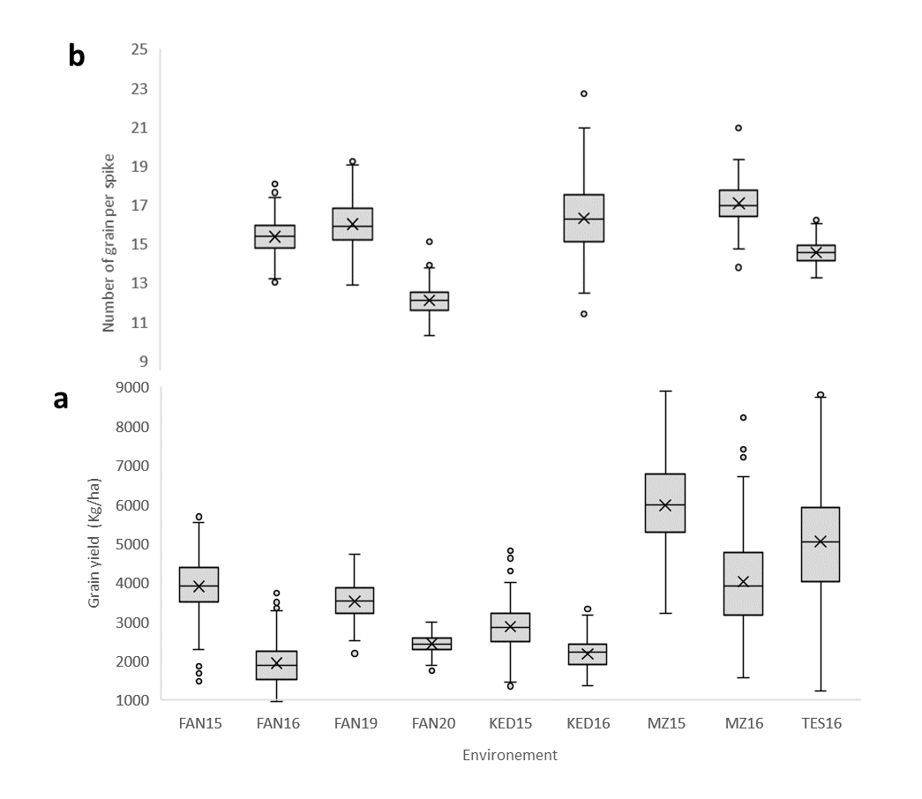
Fig 1. Variation in grain yield (a) and grains per spike (b) for each locations presented as box whiskers. FAN = Fanaye, KED = Kaedi, MZ = Melk Zhar and TES = Tassaout) during the crop seasons 2014-15 (15), 2015-16 (16), 2018-19 (19) and 2019-20 (20)

