Fig.1 d-d1. e-e1. f-f1
Figures 1d-d': uncropped agarose gel showing the PCR results from the amplification of GFP transgene (d) and endogenous gene (d') fragments (200-300 bps) using not diluted and a series of dilutions of the FS-derived gDNA from single 48 hpf embryos
Figures 1e-f': uncropped agarose gel showing the PCR results from the amplification of GFP transgene and endogenous gene fragments (200-300 bps) using not diluted and a series of filutions of the FC (e-e') and WE-derived (f-f') gDNA from a single 48 hpf embryo
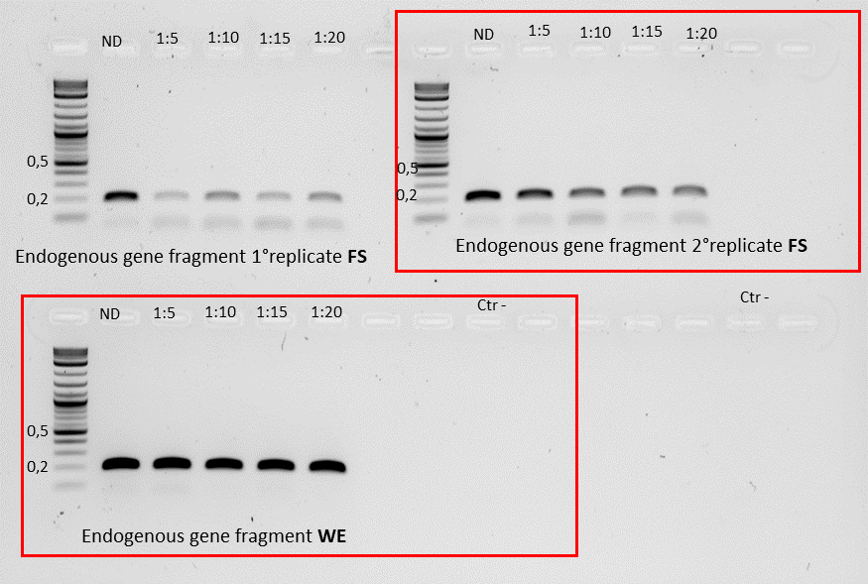
m
m
m

For this uncropped gel, the raw versions of the gel images shown in the main figures (replicate 2 for d' and WE for f') are indicated by red boxes

m

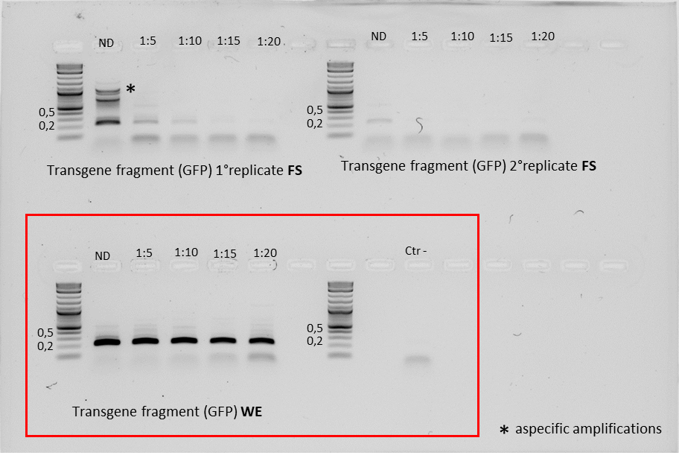
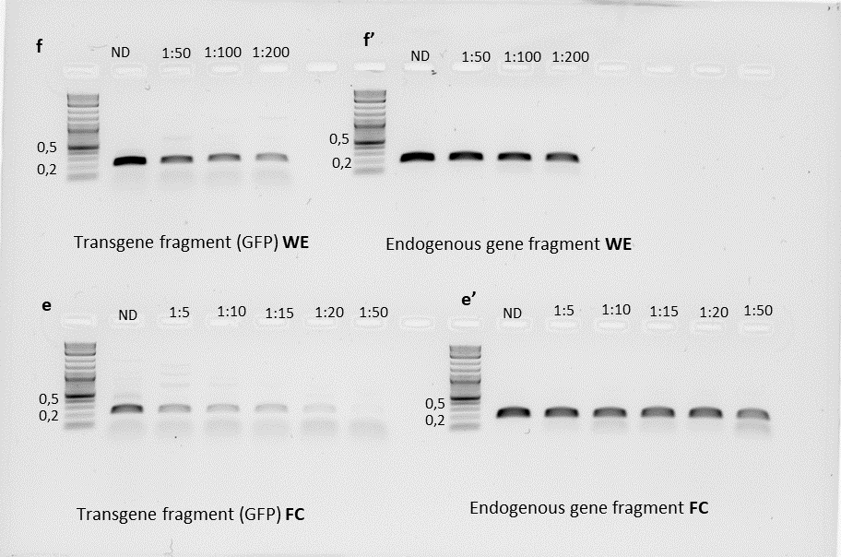
m
m
m
m

For this ucropped gel, the raw version of the gel images shown in the main figures are indicated by red boxes

m
m
m
m

Fig. 2b. 2c
Figure 2b: uncropped agarose gel showing the PCR result obtained by using FS-derived gDNA of single embryos from the offspring of plekhh1 mutants outcrossed with WT fish. A fragment of the plekhh1 exon targeted by CRISPR-Cas is amplified
Ctr -
0,5
0,2
b

Individual embryos
m

m

0,5

0,2

Figure 2c: Raw data relative to the survival rate of embryos subjected to FS compared to control individuals from the same clutch, which were not subjected to FS (2c)

Days post scratching | 1 |  |  |  |  | 2 |  |  |  |  | 3 |  |  |  |  | 4 |  |  |  |  | 5 |  |  |  |  | 6 |  |  |  |  | 7 |  |  |  |  | 8 |  |  |  |  | 9 |  |  |  |  | 10 |  |  |  |  | 11 |  |  |  |  | 12 |  |  |  |  | 13 |  |  |  |  | 14 |  |  |  |  | 15
Plekhh1 +/- | A | D | Tot | %D | %S* | A | D | Tot | %D | %S | A | D | Tot | %D | %S | A | D | Tot | %D | %S | A | D | Tot | %D | %S | A | D | Tot | %D | %S | A | D | Tot | %D | %S | A | D | Tot | %D | %S | A | D | Tot | %D | %S | A | D | Tot | %D | %S | A | D | Tot | %D | %S | A | D | Tot | %D | %S | A | D | Tot | %D | %S | A | D | Tot | %D | %S | A | D | Tot | %D | %S
Embyos subjected to FS | 24 | 0 | 24 | 0 | 100 | 24 | 0 | 24 | 0 | 100 | 24 | 0 | 24 | 0 | 100 | 24 | 0 | 24 | 0 | 100 | 24 | 0 | 24 | 0 | 100 | 24 | 0 | 24 | 0 | 100 | 24 | 0 | 24 | 0 | 100 | 24 | 0 | 24 | 0 | 100 | 24 | 0 | 24 | 0 | 100 | 24 | 0 | 24 | 0 | 100 | 24 | 0 | 24 | 0 | 100 | 24 | 0 | 24 | 0 | 100 | 24 | 0 | 24 | 0 | 100 | 24 | 0 | 24 | 0 | 100 | 24 | 0 | 24 | 0 | 100
control embryos non subjected to FS | 40 | 0 | 40 | 0 | 100 | 40 | 0 | 40 | 0 | 100 | 40 | 0 | 40 | 0 | 100 | 40 | 0 | 40 | 0 | 100 | 40 | 0 | 40 | 0 | 100 | 39 | 1 | 40 | 2.5 | 97.5 | 39 | 0 | 40 | 2.5 | 97.5 | 39 | 0 | 40 | 2.5 | 97.5 | 39 | 0 | 40 | 2.5 | 97.5 | 39 | 0 | 40 | 2.5 | 97.5 | 37 | 2 | 39 | 5 | 92.5 | 37 | 0 | 39 | 5 | 92.5 | 35 | 2 | 37 | 5 | 87.5 | 35 | 0 | 37 | 5 | 87.5 | 35 | 0 | 37 | 5 | 87.5
* %S is plotted in Fig. 2c

Fig. 2f
Figure 2f: uncropped agarose gel showing the PCR results of a zebrafish target fragment (tyr gene) using the FS- and WE tissue-derived gDNA of the same individuals

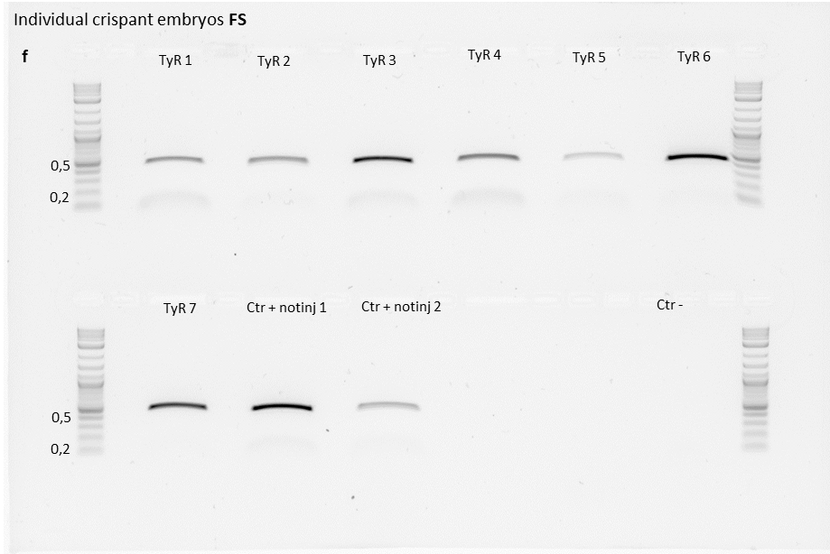
Ctr + notinj 1
Ctr + notinj 2
TyR 1
TyR 2
TyR 4
TyR 3
TyR 5
TyR 7
TyR 6
0,5
0,2
0,5
0,2
f
Individual crispant embryos WE

m
m

m
m

