vect1
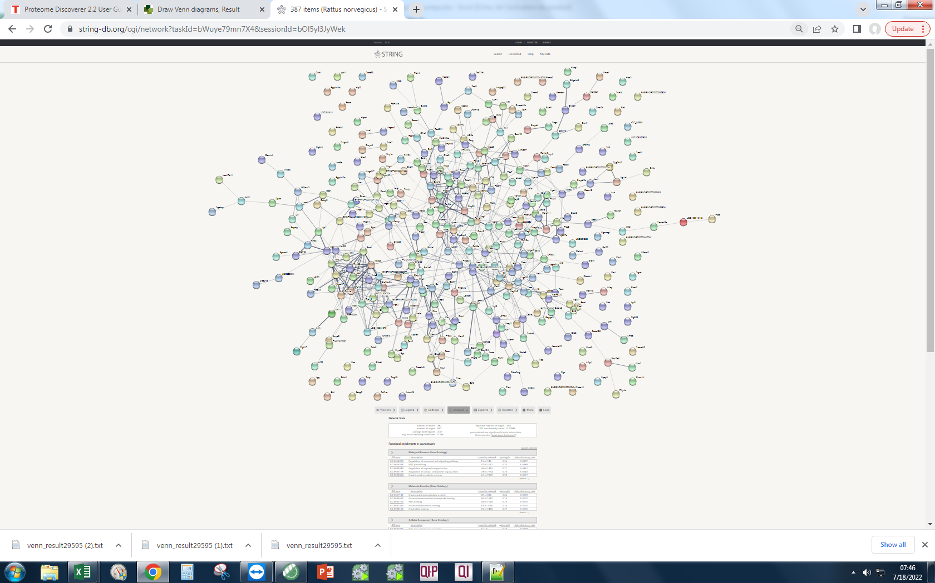
cells | ev | vect1 | List names | number of elements | number of unique elements
A0A0G2JUA5 | A0A0G2JUA5 | A0A0G2JUA5 | EV | 3016 | 3016
Q6S3A0 | P34058 | P60711 | cells | 3313 | 3313
Q6S395 | C0JPT7 | P63259 | vect1 | 2923 | 2923 |  |  |  | Your Input:
C0JPT7 | P82995 | C0JPT7 | Overall number of unique elements |  | 4535 | vect1 | 491 | Q27W02 |  | LOC100910143 | GPI ethanolamine phosphate transferase 2-like (977 aa)
P60711 | P60711 | P31000 |  |  |  |  |  | Q642C0 |  | Podn | LRRGT00160; Podocan-like (609 aa)
G3V6P7 | P63259 | P34058 |  |  |  |  |  | A0A0G2JW96 |  | Cyp2b15 | Cytochrome p450, family 2, subfamily b, polypeptide 15; Cytochromes P450 are a group of heme-thiolate monooxygenases. In liver microsomes, this enzyme is involved in an NADPH-dependent electron transport pathway. It oxidizes a variety of structurally unrelated compounds, including steroids, fatty acids, and xenobiotics (By similarity) (495 aa)
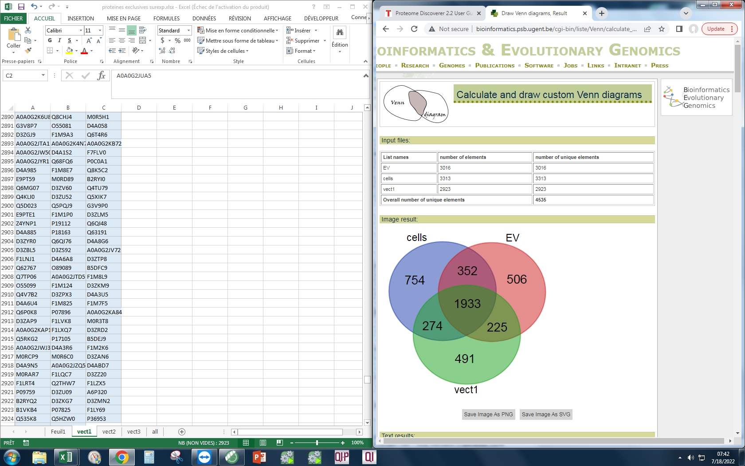
P63259 | P04797 | Q6S3A0 |  |  |  |  |  | Q99372 |  | Ipo11 | Importin 11 (971 aa)
P69897 | P69897 | Q6S395 |  |  |  |  |  | A0A573VVF2 |  | Mri1 | Methylthioribose-1-phosphate isomerase; Catalyzes the interconversion of methylthioribose-1- phosphate (MTR-1-P) into methylthioribulose-1-phosphate (MTRu-1- P); Belongs to the eIF-2B alpha/beta/delta subunits family. MtnA subfamily (369 aa)
M0R9X8 | M0R5J4 | P82995 |  |  |  |  |  | F1LVA9 |  | Mysm1 | Myb-like, SWIRM and MPN domains 1 (811 aa)
G3V7C6 | M0R9X8 | P63018 |  |  |  |  |  | Q4V8I7 |  | Zfp617 | Krab domain-containing zinc finger protein; Zinc finger protein 961 (432 aa)
P34058 | P63018 | P69897 |  |  |  |  |  | A0A0G2JUV4 |  | Rnps1 | RNA-binding protein with serine-rich domain 1; Part of pre- and post-splicing multiprotein mRNP complexes. Auxiliary component of the splicing-dependent multiprotein exon junction complex (EJC) deposited at splice junction on mRNAs. The EJC is a dynamic structure consisting of core proteins and several peripheral nuclear and cytoplasmic associated factors that join the complex only transiently either during EJC assembly or during subsequent mRNA metabolism. Component of the ASAP and PSAP complexes which bind RNA in a sequence-independent manner and are proposed to be recruited to the E [...] (305 aa)
P85108 | P06761 | P06761 |  |  |  |  |  | P41516 |  | Rbmx | Heterogeneous nuclear ribonucleoprotein g; RNA-binding motif protein, X chromosome; RNA-binding protein that plays several role in the regulation of pre- and post-transcriptional processes. Implicated in tissue-specific regulation of gene transcription and alternative splicing of several pre-mRNAs. Binds to and stimulates transcription from the tumor suppressor TXNIP gene promoter; may thus be involved in tumor suppression. When associated with SAFB, binds to and stimulates transcription from the SREBF1 promoter. Associates with nascent mRNAs transcribed by RNA polymerase II. Component [...] (390 aa)
P04797 | Q6S3A0 | M0R5J4 |  |  |  |  |  | D3ZN39 |  | Ppp2r2c | Serine/threonine-protein phosphatase 2a 55 kda regulatory subunit b gamma isoform; The B regulatory subunit might modulate substrate selectivity and catalytic activity, and also might direct the localization of the catalytic enzyme to a particular subcellular compartment (423 aa)
Q3KRE8 | P07150 | M0R9X8 |  |  |  |  |  | Q6AYM4 |  | Ranbp9 | Ran-binding protein 9; RAN binding protein 9 (707 aa)
M0R5J4 | G3V7C6 | P07150 |  |  |  |  |  | D3ZWB1 |  | Man2c1 | Mannosidase, alpha, class 2c, member 1; Cleaves alpha 1,2-, alpha 1,3-, and alpha 1,6-linked mannose residues from glycoproteins . Involved in the degradation of free oligosaccharides in the cytoplasm (By similarity) (1039 aa)
P11980-2 | Q6T487 | G3V6P7 |  |  |  |  |  | Q5FVJ0 |  | Ccdc88c | Coiled-coil domain containing 88C (2014 aa)
P63018 | P11980-2 | P04797 |  |  |  |  |  | D3ZN69 |  | Slc12a6 | Solute carrier family 12 (potassium/chloride transporter), member 4/6; Solute carrier family 12, member 6 (1150 aa)
P82995 | P85108 | G3V7C6 |  |  |  |  |  | D3ZM57 |  | Zgpat | Zinc finger CCCH-type with G patch domain-containing protein; Transcription repressor that specifically binds the 5'- GGAG[GA]A[GA]A-3' consensus sequence. Represses transcription by recruiting the chromatin multiprotein complex NuRD to target promoters. Negatively regulates expression of EGFR, a gene involved in cell proliferation, survival and migration. Its ability to repress genes of the EGFR pathway suggest it may act as a tumor suppressor (By similarity) (507 aa)
P06761 | Q3KRE8 | Q9Z1P2 |  |  |  |  |  | D4ADQ7 |  | Dnajc8 | Dnaj heat shock protein family (hsp40) member c8; DnaJ homolog subfamily C member 8; Suppresses polyglutamine (polyQ) aggregation of ATXN3 in neuronal cells (253 aa)
P07150 | P31000 | P11980-2 |  |  |  |  |  | Q8K1Q4 |  | Pip5k1c | Catalyzes the phosphorylation of phosphatidylinositol 4- phosphate (PtdIns4P) to form phosphatidylinositol 4,5-bisphosphate (PtdIns(4,5)P2). PtdIns(4,5)P2 is involved in a variety of cellular processes and is the substrate to form phosphatidylinositol 3,4,5- trisphosphate (PtdIns(3,4,5)P3), another second messenger. The majority of PtdIns(4,5)P2 is thought to occur via type I phosphatidylinositol 4- phosphate 5-kinases given the abundance of PtdIns4P. Participates in a variety of cellular processes such as vesicle mediated transport, cell adhesion, cell polarization and cell migration. [...] (688 aa)
P12785 | G3V852 | P85108 |  |  |  |  |  | A0A0G2JSV6 |  | Wtap | Pre-mrna-splicing regulator wtap; Wilms tumor 1 associated protein (395 aa)
P31000 | M0R757 | M0R757 |  |  |  |  |  | M0R7K4 |  | Smpd4 | Sphingomyelin phosphodiesterase 4, neutral membrane (823 aa)
P05197 | A0A0G2K8V2 | Q3KRE8 |  |  |  |  |  | D3ZNZ9 |  | Vps11 | Vacuolar protein sorting 11 (yeast) (predicted), isoform cra_a; Vacuolar protein sorting 11 homolog (S. cerevisiae) (878 aa)
B4F7C2 | P05197 | A0A0G2K8V2 |  |  |  |  |  | Q5I6B8 |  | H2afy | H2A histone family, member Y; Core histone macro-H2A.1; Variant histone H2A which replaces conventional H2A in a subset of nucleosomes where it represses transcription. Nucleosomes wrap and compact DNA into chromatin, limiting DNA accessibility to the cellular machineries which require DNA as a template. Histones thereby play a central role in transcription regulation, DNA repair, DNA replication and chromosomal stability. DNA accessibility is regulated via a complex set of post- translational modifications of histones, also called histone code, and nucleosome remodeling. Involved in s [...] (371 aa)
M0R757 | Q66HD0 | G3V852 |  |  |  |  |  | D4A757 |  | Mrto4 | MRT4 homolog, ribosome maturation factor; Ribosome assembly factor mrt4; Component of the ribosome assembly machinery. Nuclear paralog of the ribosomal protein P0, it binds pre-60S subunits at an early stage of assembly in the nucleolus, and is replaced by P0 in cytoplasmic pre-60S subunits and mature 80S ribosomes (193 aa)
G3V852 | Q07936 | P05197 |  |  |  |  |  | A0A6F8P9J1 |  | Arfip1 | Arfaptin-1; Putative target protein of ADP-ribosylation factor (366 aa)
Q66HD0 | B4F7C2 | Q07936 |  |  |  |  |  | F1LNC3 |  | Mrpl2 | 39S ribosomal protein L2, mitochondrial; Mitochondrial ribosomal protein L2; Belongs to the universal ribosomal protein uL2 family (304 aa)
P68370 | P68370 | Q66HD0 |  |  |  |  |  | Q2KN99 |  | Cep55 | Centrosomal protein of 55 kDa; Plays a role in mitotic exit and cytokinesis. Recruits PDCD6IP and TSG101 to midbody during cytokinesis. Required for successful completion of cytokinesis. Not required for microtubule nucleation. Plays a role in the development of the brain and kidney (462 aa)
Q6AYZ1 | G3V6P7 | P68370 |  |  |  |  |  | A0A0G2K6T6 |  | Asxl2 | Additional sex combs like transcriptional regulator 2 (1414 aa)
P11442 | P11442 | Q6AYZ1 |  |  |  |  |  | F1LXV3 |  | Rbpj | Recombining binding protein suppressor of hairless (Drosophila) (Predicted), isoform CRA_a; Recombination signal binding protein for immunoglobulin kappa J region (464 aa)
A0A0G2K8V2 | Q6AYZ1 | P11980 |  |  |  |  |  | O19446 |  | Ash2l | Ash2 (absent, small, or homeotic)-like (Drosophila) (623 aa)
Q5RJR9 | D3ZHA0 | Q5RJR9 |  |  |  |  |  | A0A0H2UHZ6 |  | Prdx5 | Peroxiredoxin-5, mitochondrial; Thiol-specific peroxidase that catalyzes the reduction of hydrogen peroxide and organic hydroperoxides to water and alcohols, respectively. Plays a role in cell protection against oxidative stress by detoxifying peroxides and as sensor of hydrogen peroxide-mediated signaling events (213 aa)
D3ZHA0 | Q5RJR9 | P10719 |  |  |  |  |  | A0A0G2K0T8 |  | Tead2 | Tea domain family member 2 (mapped), isoform cra_b; TEA domain family member 2 (445 aa)
Q9Z1P2 | P12785 | B4F7C2 |  |  |  |  |  | D4A3U5 |  | Xab2 | Pre-mRNA-splicing factor SYF1; Involved in transcription-coupled repair (TCR), transcription and pre-mRNA splicing (855 aa)
Q07936 | P46462 | A0A0G2K013 |  |  |  |  |  | Q6TUI0 |  | Arhgef40 | Rho guanine nucleotide exchange factor (GEF) 40 (1515 aa)
A0A0G2JXT8 | P04785 | P11442 |  |  |  |  |  | D3ZV91 |  | Usp48 | Ubiquitin carboxyl-terminal hydrolase 48; Recognizes and hydrolyzes the peptide bond at the C-terminal Gly of ubiquitin. Involved in the processing of poly-ubiquitin precursors as well as that of ubiquitinated proteins. May be involved in the regulation of NF-kappa-B activation by TNF receptor superfamily via its interactions with RELA and TRAF2. May also play a regulatory role at postsynaptic sites (1036 aa)
P63269 | A0A096MK30 | Q6IRK8 |  |  |  |  |  | P97888 |  | Nlrp1a | Nacht, lrr and pyd domains-containing protein 1; NLR family, pyrin domain containing 1A (1218 aa)
Q4QQV0 | Q6IRK8 | P04785 |  |  |  |  |  | Q5M7W4 |  | Cep135 | Centrosomal protein cep135; Centrosomal protein 135 (1140 aa)
P04785 | P16086 | P16086 |  |  |  |  |  | P23348 |  | Txnip | Thioredoxin-interacting protein; May act as an oxidative stress mediator by inhibiting thioredoxin activity or by limiting its bioavailability. Interacts with COPS5 and restores COPS5-induced suppression of CDKN1B stability, blocking the COPS5-mediated translocation of CDKN1B from the nucleus to the cytoplasm. Inhibits the proteasomal degradation of DDIT4, and thereby contributes to the inhibition of the mammalian target of rapamycin complex 1 (mTORC1) (By similarity). Functions as a transcriptional repressor, possibly by acting as a bridge molecule between transcription factors and co [...] (394 aa)
P46462 | P15999 | P68035 |  |  |  |  |  | Q5XHZ8 |  | Ugt1a1 | UDP-glucuronosyltransferase 1-1; UDPGT is of major importance in the conjugation and subsequent elimination of potentially toxic xenobiotics and endogenous compounds. Glucuronates opioids and bilirubin; Belongs to the UDP-glycosyltransferase family (535 aa)
G3V9Y1 | A0A0G2K013 | P15999 |  |  |  |  |  | Q4V7C8 |  | Yipf5 | Yip1 domain family, member 5; Protein YIPF5; Plays a role in transport between endoplasmic reticulum and Golgi (655 aa)
P10719 | A0A0G2JXT8 | A0A096MK30 |  |  |  |  |  | D3ZTJ3 |  | Rbms2 | Rna binding motif, single stranded interacting protein 2, isoform cra_a; RNA binding motif, single stranded interacting protein 2 (379 aa)
P15999 | P10719 | D3ZHA0 |  |  |  |  |  | A0A0G2K7Q7 |  | Snu13 | NHP2 non-histone chromosome protein 2-like 1 (S. cerevisiae) (128 aa)
Q6IRK8 | A0A0H2UHM5 | P46462 |  |  |  |  |  | O88521 |  | Nwd1 | NACHT and WD repeat domain containing 1 (1384 aa)
Q5XIF6 | P63269 | P12785 |  |  |  |  |  | D4AC16 |  | Etl4 | Enhancer trap locus 4 (1981 aa)
A0A096MK30 | Q5XIF6 | Q5XIF6 |  |  |  |  |  | Q63611 |  | Nop56 | NOP56 ribonucleoprotein (588 aa)
G3V7Q7 | G3V6S0 | Q38PF8 |  |  |  |  |  | Q5RJP5 |  | Ppp1r14b | Protein phosphatase 1, regulatory (inhibitor) subunit 14b; Protein phosphatase 1 regulatory subunit 14B; Inhibitor of PPP1CA. Has over 50-fold higher inhibitory activity when phosphorylated (By similarity) (147 aa)
G3V9G4 | Q4QQV0 | A0A0G2JXT8 |  |  |  |  |  | D4ABU0 |  | Shmt1 | Serine hydroxymethyltransferase; Interconversion of serine and glycine; Belongs to the SHMT family (681 aa)
M0R660 | M0R660 | Q4QRB4 |  |  |  |  |  | M0R7W3 |  | Cmya5 | Cardiomyopathy-associated 5; Cardiomyopathy associated 5 (3702 aa)
G3V6T1 | P63039 | A0A0H2UHM5 |  |  |  |  |  | D4ACX8 |  | Ppie | Peptidyl-prolyl isomerase e (cyclophilin e); Peptidyl-prolyl cis-trans isomerase; PPIases accelerate the folding of proteins. It catalyzes the cis-trans isomerization of proline imidic peptide bonds in oligopeptides (255 aa)
A0A0H2UHM5 | G3V7Q7 | G3V8L3 |  |  |  |  |  | M0R7Z7 |  | Arhgap33 | Rho gtpase-activating protein 33; Rho GTPase activating protein 33 (1284 aa)
P47942 | A0A0G2K695 | G3V6S0 |  |  |  |  |  | A0A0G2JXE5 |  | ENSRNOP00000043009 | Interferon-inducible gtpase 1-like; Similar to interferon-inducible GTPase (417 aa)
Q3KRF2 | Q5XIM9 | P63039 |  |  |  |  |  | F1LUB7 |  | Fech | Protoporphyrin/coproporphyrin ferrochelatase; Ferrochelatase; Catalyzes the ferrous insertion into protoporphyrin IX (422 aa)
Q6P3V8 | G3V8L3 | Q5XIM9 |  |  |  |  |  | A0A0G2JWA8 |  | Csf2ra | Colony stimulating factor 2 receptor, alpha, low-affinity (granulocyte-macrophage) (316 aa)
P63039 | Q6AY56 | Q4QQV0 |  |  |  |  |  | F1M6Q3 |  | Morc1 | MORC family CW-type zinc finger 1 (957 aa)
A0A0G2JZI2 | A0A0G2JZI2 | P09495 |  |  |  |  |  | Q641X9 |  | Cirh1a | U3 small nucleolar RNA-associated protein 4; Cirrhosis, autosomal recessive 1A (cirhin) (686 aa)
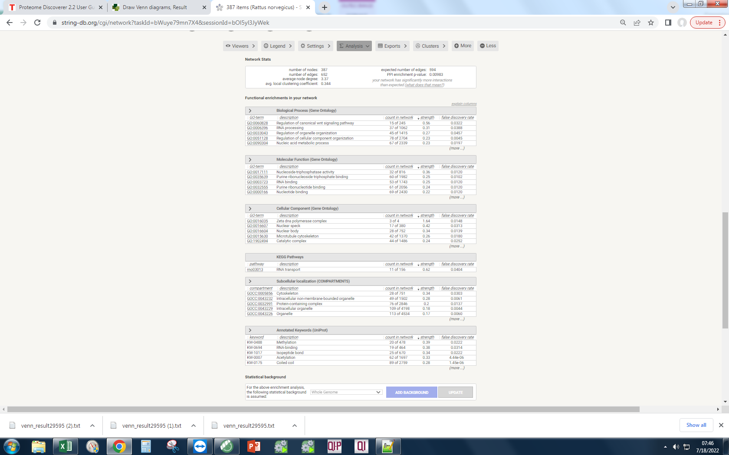
A0A0G2KAJ7 | P14668 | M0R660 |  |  |  |  |  | O70608 |  | Nfu1 | Histone cell cycle regulation defective interacting protein 5 (Predicted), isoform CRA_a; NFU1 iron-sulfur cluster scaffold (253 aa)
Q5XIM9 | P09495 | G3V7Q7 |  |  |  |  |  | D3ZUI1 |  | Lin7c | Lin-7 homolog C, crumbs cell polarity complex component; Protein lin-7 homolog C; Plays a role in establishing and maintaining the asymmetric distribution of channels and receptors at the plasma membrane of polarized cells. Forms membrane-associated multiprotein complexes that may regulate delivery and recycling of proteins to the correct membrane domains. The tripartite complex composed of LIN7 (LIN7A, LIN7B or LIN7C), CASK and APBA1 may have the potential to couple synaptic vesicle exocytosis to cell adhesion in brain. Ensures the proper localization of GRIN2B (subunit 2B of the NMDA [...] (197 aa)
P14668 | P18418 | P14668 |  |  |  |  |  | Q5PPF5 |  | Irgq | Immunity-related GTPase family, Q (582 aa)
G3V6S0 | Q5U300 | A0A0G2K695 |  |  |  |  |  | F1LTU4 |  | Yap1 | Transcriptional regulator which can act both as a coactivator and a corepressor and is the critical downstream regulatory target in the Hippo signaling pathway that plays a pivotal role in organ size control and tumor suppression by restricting proliferation and promoting apoptosis. The core of this pathway is composed of a kinase cascade wherein STK3/MST2 and STK4/MST1, in complex with its regulatory protein SAV1, phosphorylates and activates LATS1/2 in complex with its regulatory protein MOB1, which in turn phosphorylates and inactivates YAP1 oncoprotein and WWTR1/TAZ. Plays a key ro [...] (362 aa)
G3V8L3 | Q6IMZ3 | Q5U300 |  |  |  |  |  | Q45QM2 |  | Usp43 | Ubiquitin specific protease 43 (predicted); Ubiquitin specific peptidase 43; Belongs to the peptidase C19 family (1039 aa)
A0A0G2K013 | Q6P3V8 | Q5U328 |  |  |  |  |  | A0A0G2K4N8 |  | Hspa4l | Heat shock protein 110kda; Heat shock protein 4-like; Belongs to the heat shock protein 70 family (838 aa)
P16617 | G3V9G4 | Q6P3V8 |  |  |  |  |  | D3ZPY0 |  | Rnaseh2b | Ribonuclease H2 subunit B; Non catalytic subunit of RNase H2, an endonuclease that specifically degrades the RNA of RNA:DNA hybrids. Participates in DNA replication, possibly by mediating the removal of lagging- strand Okazaki fragment RNA primers during DNA replication. Mediates the excision of single ribonucleotides from DNA:RNA duplexes (By similarity) (307 aa)
P09495 | F1M853 | A0A0G2JZI2 |  |  |  |  |  | Q5XI68 |  | Fn1 | Fibronectin 1; Fibronectins bind cell surfaces and various compounds including collagen, fibrin, heparin, DNA, and actin. Fibronectins are involved in cell adhesion, cell motility, opsonization, wound healing, and maintenance of cell shape. Involved in osteoblast compaction through the fibronectin fibrillogenesis cell-mediated matrix assembly process, essential for osteoblast mineralization. Participates in the regulation of type I collagen deposition by osteoblasts (By similarity) (1913 aa)
Q6IMZ3 | P16617 | Q6IMZ3 |  |  |  |  |  | A0A0G2JW51 |  | Fgfr4 | Fibroblast growth factor receptor 4; Tyrosine-protein kinase that acts as cell-surface receptor for fibroblast growth factors and plays a role in the regulation of cell proliferation, differentiation and migration, and in regulation of lipid metabolism, bile acid biosynthesis, glucose uptake, vitamin D metabolism and phosphate homeostasis. Required for normal down-regulation of the expression of CYP7A1, the rate-limiting enzyme in bile acid synthesis, in response to FGF19. Phosphorylates PLCG1 and FRS2. Ligand binding leads to the activation of several signaling cascades. Activation of [...] (800 aa)
Q5U300 | P47942 | A0A068F1Y2 |  |  |  |  |  | Q498D6 |  | Ccdc15 | Coiled-coil domain-containing 15; Coiled-coil domain containing 15 (813 aa)
P10111 | G3V6T1 | P10111 |  |  |  |  |  | A0A0G2JU82 |  | Svep1 | Sushi, von Willebrand factor type A, EGF and pentraxin domain-containing protein 1; May play a role in the cell attachment process (3526 aa)
A0A0G2K695 | Q5U328 | G3V9G4 |  |  |  |  |  | O88775 |  | Aebp2 | AE binding protein 2 (308 aa)
D3ZZT9 | P04642 | F1M853 |  |  |  |  |  | D4A1Z2 |  | RGD1305045 | Putative uncharacterized protein RGD1305045_predicted (169 aa)
P50399 | P10111 | Q63610 |  |  |  |  |  | A0A0G2JY82 |  | Rinl | Similar to RIKEN cDNA 5830482F20 gene (Predicted); Ras and Rab interactor-like (568 aa)
Q1PS21 | Q66X93 | P18418 |  |  |  |  |  | D4A058 |  | Tmem65 | Transmembrane protein 65 (259 aa)
F1M853 | P31977 | A0A0G2K3Z9 |  |  |  |  |  | Q6TUD3 |  | Kif20b | Kinesin family member 20B; Belongs to the TRAFAC class myosin-kinesin ATPase superfamily. Kinesin family (1773 aa)
F1LRI5 | A1A5L2 | O35814 |  |  |  |  |  | F1M2M6 |  | Ecm1 | Extracellular matrix protein 1; Involved in endochondral bone formation as negative regulator of bone mineralization. Stimulates the proliferation of endothelial cells and promotes angiogenesis. Inhibits MMP9 proteolytic activity (By similarity) (562 aa)
Q66X93 | A0A0G2K3Z9 | Q6P502 |  |  |  |  |  | F1LWL5 |  | Pde10a | cAMP and cAMP-inhibited cGMP 3',5'-cyclic phosphodiesterase 10A; Plays a role in signal transduction by regulating the intracellular concentration of cyclic nucleotides. Can hydrolyze both cAMP and cGMP, but has higher affinity for cAMP and is more efficient with cAMP as substrate (849 aa)
P04642 | O35814 | P47942 |  |  |  |  |  | A0A0G2JXD9 |  | Snx33 | Sorting nexin-9/18/33; Sorting nexin 33 (574 aa)
Q5U328 | Q5XFX0 | Q63610-2 |  |  |  |  |  | Q8VHF5 |  | Smyd5 | SET and MYND domain containing 5 (Predicted); SMYD family member 5 (417 aa)
P45592 | P06685 | G3V6T1 |  |  |  |  |  | M0R5H1 |  | ENSRNOP00000062163 | Ankyrin repeat domain-containing protein 24-like; Uncharacterized protein (517 aa)
A1A5L2 | Q63610 | P62260 |  |  |  |  |  | Q9QY92 |  | Pkp4 | Plakophilin 4 (1190 aa)
Q68FQ0 | P10860 | G3V9Y1 |  |  |  |  |  | D3ZKX1 |  | Osbpl3 | Oxysterol-binding protein-related protein 3/6/7; Oxysterol binding protein-like 3; Belongs to the OSBP family (855 aa)
A0A0G2JSZ5 | Q63610-2 | A0A0G2JX64 |  |  |  |  |  | A8C4G9 |  | Plekhh1 | Pleckstrin homology, MyTH4 and FERM domain-containing H1; Pleckstrin homology domain containing, family H (with MyTH4 domain) member 1 (1360 aa)
Q6P3V9 | P62260 | P62632 |  |  |  |  |  | O35824 |  | Abtb1 | Ankyrin repeat and BTB/POZ domain-containing protein 1; May act as a mediator of the PTEN growth-suppressive signaling pathway. May play a role in developmental processes (By similarity) (478 aa)
Q6P502 | Q6P6V0 | P06685 |  |  |  |  |  | A0A0G2JVI6 |  | Pigo | Phosphatidylinositol glycan anchor biosynthesis, class O (1100 aa)
Q5XFX0 | Q6P136 | A0A0G2JSZ5 |  |  |  |  |  | Q63622-5 |  | Fat3 | Fat atypical cadherin 3; Protocadherin Fat 3; May play a role in the interactions between neurites derived from specific subsets of neurons during development (3111 aa)
P31977 | P50399 | A1A5L2 |  |  |  |  |  | D3ZHV1 |  | Trim7 | Tripartite motif-containing protein 7; Tripartite motif-containing 7 (510 aa)
Q64428 | A0A0G2JSZ5 | P31977 |  |  |  |  |  | A0A0G2JUD2 |  | ENSRNOP00000066854 | LRRGT00015; Uncharacterized protein (132 aa)
Q62826 | Q6P502 | F1LRI5 |  |  |  |  |  | D4A0F5 |  | ENSRNOP00000024023 | B double prime 1, subunit of RNA polymerase III transcription initiation factor IIIB (816 aa)
A0A0G2K3Z9 | P04636 | P62804 |  |  |  |  |  | Q5FWT7 |  | Adprhl2 | Adp-ribosylhydrolase like 2 (predicted); ADP-ribosylhydrolase like 2 (370 aa)
D3ZAN3 | Q62952-2 | Q66X93 |  |  |  |  |  | A0A0G2JYU6 |  | Sdhb | Succinate dehydrogenase [ubiquinone] iron-sulfur subunit, mitochondrial; Iron-sulfur protein (IP) subunit of succinate dehydrogenase (SDH) that is involved in complex II of the mitochondrial electron transport chain and is responsible for transferring electrons from succinate to ubiquinone (coenzyme Q) (282 aa)
P62260 | D3ZAN3 | P16617 |  |  |  |  |  | G3V6N7 |  | Phldb3 | Pleckstrin homology-like domain, family B, member 3 (642 aa)
A0A0G2K8P3 | Q5PQK5 | Q5XFX0 |  |  |  |  |  | D3ZMJ7 |  | Msr1 | Macrophage scavenger receptor 1 (454 aa)
Q5FVM4 | F1M953 | F1M953 |  |  |  |  |  | F6T1W7 |  | Fam81b | Family with sequence similarity 81, member B (360 aa)
D3ZP96 | A0A0G2JX64 | P04642 |  |  |  |  |  | Q6URK4 |  | Utp18 | U3 small nucleolar RNA-associated protein 18; UTP18 small subunit (SSU) processome component homolog (yeast) (546 aa)
Q6P136 | A0A0G2K7F7 | P04636 |  |  |  |  |  | A0A0G2K0T5 |  | Fabp5 | Fatty acid-binding protein, epidermal; High specificity for fatty acids. Highest affinity for C18 chain length (By similarity) (135 aa)
Q68FR6 | P62963 | P45592 |  |  |  |  |  | D3ZNJ9 |  | H3.3b | Histone H3.3; Variant histone H3 which replaces conventional H3 in a wide range of nucleosomes in active genes. Constitutes the predominant form of histone H3 in non-dividing cells and is incorporated into chromatin independently of DNA synthesis. Deposited at sites of nucleosomal displacement throughout transcribed genes, suggesting that it represents an epigenetic imprint of transcriptionally active chromatin. Nucleosomes wrap and compact DNA into chromatin, limiting DNA accessibility to the cellular machineries which require DNA as a template. Histones thereby play a central role in [...] (136 aa)
Q7TPB1 | G3V826 | P58775-2 |  |  |  |  |  | B2RYI3 |  | Mcc | Mutated in colorectal cancers (771 aa)
G3V8T4 | P45592 | P58775 |  |  |  |  |  | F1M614 |  | Ccdc53 | Wash complex subunit ccdc53; RCG48807, isoform CRA_a; Coiled-coil domain containing 53 (194 aa)
P62909 | Q68FR6 | Q6P136 |  |  |  |  |  | Q9R063 |  | Amot | Angiomotin (1131 aa)
Q6AYI1 | F1LRI5 | Q68FQ0 |  |  |  |  |  | F1LZS6 |  | Sdf2 | Stromal cell derived factor 2 (predicted), isoform cra_b; Stromal cell derived factor 2 (219 aa)
Q63610 | A0A0G2JWK7 | P50399 |  |  |  |  |  | F1LPG2 |  | Afg3l1 | AFG3(ATPase family gene 3)-like 1 (S. cerevisiae) (789 aa)
Q9EPH8 | F1LRV4 | Q7TPB1 |  |  |  |  |  | A0A096MJI4 |  | Glrx5 | Glutaredoxin 5 homolog (S. cerevisiae) (Predicted), isoform CRA_b; Glutaredoxin 5 (152 aa)
P06685 | Q1JU68 | P10860 |  |  |  |  |  | Q498M6 |  | ENSRNOP00000041984 | Heterogeneous nuclear ribonucleoprotein a1/a3; Heterogeneous nuclear ribonucleoprotein A3, pseudogene 1 (318 aa)
D3ZB30 | D3ZP96 | F1LRV4 |  |  |  |  |  | Q6MG75 |  | Nlrp12 | Nacht, lrr and pyd domains-containing protein 12; NLR family, pyrin domain containing 12 (1053 aa)
Q9JI03 | P58775 | P25113 |  |  |  |  |  | A0A0G2JXG7 |  | Clpb | Atp-dependent clp protease atp-binding subunit clpb; May function as a regulatory ATPase and be related to secretion/protein trafficking process (677 aa)
P05065 | Q1PS21 | Q6P6V0 |  |  |  |  |  | Q9JIS1 |  | Eif1ax | Similar to eukaryotic translation initiation factor 1A, Y-linked (Predicted); Seems to be required for maximal rate of protein biosynthesis. Enhances ribosome dissociation into subunits and stabilizes the binding of the initiator Met-tRNA(I) to 40 S ribosomal subunits (144 aa)
Q1JU68 | G3V9Y1 | Q68FR6 |  |  |  |  |  | A0A0G2JZZ4 |  | Ccnl1 | Cyclin-L1; Involved in pre-mRNA splicing. Functions in association with cyclin-dependent kinases (CDKs). May play a role in the regulation of RNA polymerase II (pol II). Inhibited by the CDK-specific inhibitor CDKN1A/p21 (By similarity) (527 aa)
G3V681 | P04182 | A0A0G2JWK7 |  |  |  |  |  | Q925D5 |  | Pitpnb | Phosphatidylinositol transfer protein, beta; Catalyzes the transfer of PtdIns and phosphatidylcholine between membranes (271 aa)
P15429 | Q91Y81 | D3ZB30 |  |  |  |  |  | B6DYQ3 |  | ENSRNOP00000041726 | Rna-binding motif, single stranded-interacting protein 3; RNA binding motif, single stranded interacting protein 3 (303 aa)
F1M953 | Q3KRF2 | O35567 |  |  |  |  |  | Q6AXY4 |  | Alpp | Alkaline phosphatase, placental (529 aa)
P49242 | P48500 | Q5PQK5 |  |  |  |  |  | D4A3X6 |  | ENSRNOP00000065896 | Dynein heavy chain 5, axonemal; Force generating protein of respiratory cilia. Produces force towards the minus ends of microtubules. Dynein has ATPase activity; the force-producing power stroke is thought to occur on release of ADP. Required for structural and functional integrity of the cilia of ependymal cells lining the brain ventricles; Belongs to the dynein heavy chain family (3470 aa)
Q62952-2 | Q9EPH8 | P0DMW0 |  |  |  |  |  | Q9WTT2 |  | Usp8 | Ubiquitin specific protease 8 (predicted); Ubiquitin specific peptidase 8; Belongs to the peptidase C19 family (1081 aa)
Q5D059 | O35567 | P62963 |  |  |  |  |  | Q7TPJ8 |  | Nelfe | Negative elongation factor complex member E (369 aa)
Q6NYB7 | Q38PG1 | D3ZP96 |  |  |  |  |  | F1LRE1 |  | Emb | Embigin; Plays a role in the outgrowth of motoneurons and in the formation of neuromuscular junctions. Following muscle denervation, promotes nerve terminal sprouting and the formation of additional acetylcholine receptor clusters at synaptic sites without affecting terminal Schwann cell number or morphology. Delays the retraction of terminal sprouts following re-innervation of denervated endplates (By similarity). Plays a role in targeting the monocarboxylate transporters SLC16A1 and SLC16A7 to the cell membrane (328 aa)
O35814 | D3ZB30 | D4A8Y5 |  |  |  |  |  | D3ZJ76 |  | Nlrp4f | NLR family, pyrin domain-containing 4F; NACHT, LRR and PYD domains-containing protein 4A-like (854 aa)
P18418 | P05065 | Q3KRF2 |  |  |  |  |  | G3V9P0 |  | Cnnm3 | Cyclin and CBS domain divalent metal cation transport mediator 3; Cyclin M3 (711 aa)
G3V6H2 | P35565 | Q62952-2 |  |  |  |  |  | M0R8U1 |  | Dock8 | Dedicator of cytokinesis protein 6/7/8; Dedicator of cytokinesis 8; Belongs to the DOCK family (2099 aa)
Q6P6V0 | Q68FQ0 | P02454 |  |  |  |  |  | Q7TP98 |  | Edc4 | Enhancer of mRNA-decapping protein 4; In the process of mRNA degradation, seems to play a role in mRNA decapping. Component of a complex containing DCP2 and DCP1A which functions in decapping of ARE-containing mRNAs. Promotes complex formation between DCP1A and DCP2. Enhances the catalytic activity of DCP2 (in vitro) (1407 aa)
B2GUX3 | P0DMW0 | G3V7U4 |  |  |  |  |  | Q157S1 |  | Ilf2 | Interleukin enhancer-binding factor 2; Appears to function predominantly as a heterodimeric complex with ILF3. This complex may regulate transcription of the IL2 gene during T-cell activation. It can also promote the formation of stable DNA-dependent protein kinase holoenzyme complexes on DNA (By similarity). Essential for the efficient reshuttling of ILF3 into the nucleus (By similarity) (463 aa)
Q5PQK5 | P52944 | Q9Z2L0 |  |  |  |  |  | Q6TXI4 |  | Arhgef10 | Rho guanine nucleotide exchange factor (GEF) 10 (1342 aa)
P38983 | P28480 | P04182 |  |  |  |  |  | F1LST1 |  | Dmxl1 | Dmx-like protein; Dmx-like 1 (3017 aa)
O08629 | Q04462 | P62982 |  |  |  |  |  | M0R991 |  | Spr | Sepiapterin reductase (7,8-dihydrobiopterin:nadp+ oxidoreductase); Sepiapterin reductase; Catalyzes the final one or two reductions in tetra- hydrobiopterin biosynthesis to form 5,6,7,8-tetrahydrobiopterin (262 aa)
D3ZFP4 | P02454 | Q04462 |  |  |  |  |  | Q63540 |  | Scaf11 | Similar to splicing factor, arginine/serine-rich 2, interacting protein (1417 aa)
P04636 | G3V681 | Q5D059 |  |  |  |  |  | B0BMY8 |  | Hsd17b11 | Hydroxysteroid (17-beta) dehydrogenase 11; Estradiol 17-beta-dehydrogenase 11; Can convert androstan-3-alpha,17-beta-diol (3-alpha- diol) to androsterone in vitro, suggesting that it may participate in androgen metabolism during steroidogenesis. May act by metabolizing compounds that stimulate steroid synthesis and/or by generating metabolites that inhibit it. Has no activity toward DHEA (dehydroepiandrosterone), or A-dione (4-androste-3,17-dione), and only a slight activity toward testosterone to A-dione (298 aa)
G3V6H0 | P15429 | Q38PF9 |  |  |  |  |  | Q497C2 |  | Ep400 | E1A binding protein p400, isoform CRA_a; E1A binding protein p400 (3034 aa)
A0A0G2JX64 | Q6P6U2 | Q9EPH8 |  |  |  |  |  | P36953 |  | RGD1304704 | Similar to Hypothetical protein CGI-99 (296 aa)
P84079 | D4ACB8 | G3V6T7 |  |  |  |  |  | M0R963 |  | Tbl3 | U3 small nucleolar RNA-associated protein 13; Transducin (beta)-like 3 (800 aa)
P28480 | G3V8C4 | P38983 |  |  |  |  |  | Q5BK41 |  | Pno1 | RNA-binding protein PNO1; Positively regulates dimethylation of two adjacent adenosines in the loop of a conserved hairpin near the 3'-end of 18S rRNA (251 aa)
P04182 | G3V8T4 | P28480 |  |  |  |  |  | D3ZY17 |  | Cyfip2 | Cytoplasmic FMR1 interacting protein 2 (593 aa)
P02454 | P25113 | D3ZAN3 |  |  |  |  |  | B5DEI5 |  | Vps28 | Vacuolar protein sorting-associated protein 28 homolog; Component of the endosomal sorting complex required for transport-I (ESCRT-I) complex, a regulator of vesicular trafficking process. The ESCRT-I complex participates in the sorting of membrane proteins into vesicles that bud into late endosomal compartments called multivesicular bodies, and is also involved in the budding of many viruses (228 aa)
Q5RKI1 | G3V7U4 | D4ACB8 |  |  |  |  |  | D3ZYY3 |  | Atp1a4 | Sodium/potassium-transporting ATPase subunit alpha-4; This is the catalytic component of the active enzyme, which catalyzes the hydrolysis of ATP coupled with the exchange of sodium and potassium ions across the plasma membrane. This action creates the electrochemical gradient of sodium and potassium ions, providing the energy for active transport of various nutrients. Plays a role in sperm motility (1028 aa)
B5DEL9 | Q63569 | G3V681 |  |  |  |  |  | Q64240 |  | ENSRNOP00000052404 | Transcription factor sox5/6/13 (sox group d); SRY box 5 (269 aa)
D3ZRN3 | Q63654 | Q91Y81 |  |  |  |  |  | D3ZAR1 |  | Net1 | Rho guanine nucleotide exchange factor 3/8; Neuroepithelial cell transforming 1 (541 aa)
P25113 | Q7TPB1 | P15429 |  |  |  |  |  | D3ZED6 |  | Ldlrap1 | Low density lipoprotein receptor adapter protein 1; Adapter protein (clathrin-associated sorting protein (CLASP)) required for efficient endocytosis of the LDL receptor (LDLR) in polarized cells such as hepatocytes and lymphocytes, but not in non-polarized cells (fibroblasts). May be required for LDL binding and internalization but not for receptor clustering in coated pits. May facilitate the endocytocis of LDLR and LDLR-LDL complexes from coated pits by stabilizing the interaction between the receptor and the structural components of the pits. May also be involved in the internalizat [...] (306 aa)
O35567 | Q9Z2L0 | P62909 |  |  |  |  |  | D3ZP73 |  | Pax7 | Paired box protein 3/7; Paired box 7 (503 aa)
Q4V8H8 | Q64428 | A0A0G2JV65 |  |  |  |  |  | A0A0G2K500 |  | mrpl9 | 39S ribosomal protein L9, mitochondrial; Mitochondrial ribosomal protein L9; Belongs to the bacterial ribosomal protein bL9 family (262 aa)
Q641Z6 | A0A0G2JV65 | Q1JU68 |  |  |  |  |  | P55770 |  | Pfdn4 | Prefoldin subunit 4; Binds specifically to cytosolic chaperonin (c-CPN) and transfers target proteins to it. Binds to nascent polypeptide chain and promotes folding in an environment in which there are many competing pathways for nonnative proteins (134 aa)
Q6P6U2 | Q64057 | D3ZRN3 |  |  |  |  |  | F1M8G6 |  | Dnaja2 | Dnaj heat shock protein family (hsp40) member a2; Co-chaperone of Hsc70. Stimulates ATP hydrolysis and the folding of unfolded proteins mediated by HSPA1A/B (in vitro) (412 aa)
G3V7U4 | Q80U96 | Q1PS21 |  |  |  |  |  | G3V933 |  | RGD1309534 | Ester hydrolase C11orf54 homolog; Exhibits ester hydrolase activity on the substrate p- nitrophenyl acetate (315 aa)
Q9Z2Q1 | Q5RKI0 | G3V826 |  |  |  |  |  | Q6TXG7 |  | Dcaf10 | DDB1- and CUL4-associated factor 10; DDB1 and CUL4 associated factor 10 (563 aa)
Q5RKI0 | D3ZRN3 | G3V8T4 |  |  |  |  |  | Q7TP42 |  | Mroh9 | Maestro heat-like repeat family member 9 (875 aa)
F1LND7 | F2Z3Q8 | D3ZFP4 |  |  |  |  |  | D4A9Q2 |  | Mrps36 | Mitochondrial ribosomal protein S36 (103 aa)
P48500 | Q5D059 | P50475 |  |  |  |  |  | F1M276 |  | Irf9 | Interferon regulatory factor 9 (398 aa)
P58775 | Q3MHS9 | P05065 |  |  |  |  |  | M0R8J7 |  | Hist3h2ba | Histone cluster 3, h2ba; Belongs to the histone H2B family (126 aa)
Q6P790 | Q63598 | Q5XI22 |  |  |  |  |  | D4AAN0 |  | Cobl | Cordon-bleu wh2 repeat protein; Protein cordon-bleu; Plays an important role in the reorganization of the actin cytoskeleton. Binds to and sequesters actin monomers (G actin). Nucleates actin polymerization by assembling three actin monomers in cross-filament orientation and thereby promotes growth of actin filaments at the barbed end. Can also mediate actin depolymerization at barbed ends and severing of actin filaments. Promotes formation of cell ruffles. Regulates dendrite branching in Purkinje cells (By similarity). Regulates neuron morphogenesis and increases branching of axons an [...] (1133 aa)
P14659 | Q5XI73 | Q38PG1 |  |  |  |  |  | Q99PR0 |  | Mark2 | Serine/threonine-protein kinase MARK2; Serine/threonine-protein kinase involved in cell polarity and microtubule dynamics regulation. Phosphorylates CRTC2/TORC2, DCX, HDAC7, KIF13B, MAP2, MAP4, MAPT/TAU and RAB11FIP2. Plays a key role in cell polarity by phosphorylating the microtubule-associated proteins MAP2, MAP4 and MAPT/TAU at KXGS motifs, causing detachment from microtubules, and their disassembly. Regulates epithelial cell polarity by phosphorylating RAB11FIP2. Involved in the regulation of neuronal migration through its dual activities in regulating cellular polarity and microt [...] (722 aa)
X1WI37 | P14659 | P11507 |  |  |  |  |  | Q64541 |  | Pold3 | Polymerase (DNA-directed), delta 3, accessory subunit (462 aa)
P19804 | P23514 | P48500 |  |  |  |  |  | A6P320 |  | Ice1 | Interactor of little elongator complex ELL subunit 1 (2220 aa)
P25235 | P50475 | P35565 |  |  |  |  |  | Q7TQ90 |  | Atxn1 | Ataxin 1/1l; Ataxin-1; Chromatin-binding factor that repress Notch signaling in the absence of Notch intracellular domain by acting as a CBF1 corepressor. Binds to the HEY promoter and might assist, along with NCOR2, RBPJ-mediated repression. Binds RNA in vitro. May be involved in RNA metabolism. In concert with CIC and ATXN1L, involved brain development (789 aa)
Q3MHS9 | P19804 | G3V6H0 |  |  |  |  |  | D3ZVF3 |  | Atad5 | ATPase family, AAA domain containing 5 (1831 aa)
Q91Y81 | D4A781 | P13084 |  |  |  |  |  | A0A0G2K0J7 |  | Sssca1 | Mammary tumor virus receptor 2, isoform CRA_a; Sjogren syndrome/scleroderma autoantigen 1 (199 aa)
P21531 | D3ZU13 | Q5RKI0 |  |  |  |  |  | D4ADD7 |  | Ccdc146 | Coiled-coil domain containing 146 (808 aa)
P62755 | P38983 | Q3MHS9 |  |  |  |  |  | Q63357 |  | Trim33 | Tripartite motif-containing protein 33; Tripartite motif-containing 33 (911 aa)
Q66H61 | P04256 | Q6NYB7 |  |  |  |  |  | D4AED6 |  | Kif22 | Kinesin-like protein KIF22; Kinesin family member that is involved in spindle formation and the movements of chromosomes during mitosis and meiosis. Binds to microtubules and to DNA. Plays a role in congression of laterally attached chromosomes in NDC80-depleted cells; Belongs to the TRAFAC class myosin-kinesin ATPase superfamily. Kinesin family (462 aa)
A0A0G2K3H2 | Q66HA8 | B5DEL9 |  |  |  |  |  | Q792I0 |  | Gsr | Glutathione-disulfide reductase; Maintains high levels of reduced glutathione in the cytosol (410 aa)
F1M265 | P05943 | Q62826 |  |  |  |  |  | A0A0G2K0B6 |  | Smpdl3b | Sphingomyelin phosphodiesterase, acid-like 3B (456 aa)
F1LRV4 | G3V6H0 | F1MA98 |  |  |  |  |  | Q4JFC6 |  | Rpl26-ps2 | Ribosomal protein L26, pseudogene 2 (145 aa)
Q5XI22 | Q5I0G4 | A0A0G2JW88 |  |  |  |  |  | A0A0G2KAT5 |  | Sycp2 | Synaptonemal complex protein 2; Major component of the axial/lateral elements of synaptonemal complexes (SCS) during meiotic prophase Plays a role in the assembly of synaptonemal complexes. Required for normal meiotic chromosome synapsis during oocyte and spermatocyte development and for normal male and female fertility. Required for insertion of SYCP3 into synaptonemal complexes. May be involved in the organization of chromatin by temporarily binding to DNA scaffold attachment regions. Requires SYCP3, but not SYCP1, in order to be incorporated into the axial/lateral elements (1505 aa)
Q9ER34 | P61206 | P02401 |  |  |  |  |  | A0A0G2K862 |  | Vps18 | Vacuolar protein sorting 18 (yeast) (predicted); Vacuolar protein sorting 18 homolog (S. cerevisiae) (973 aa)
A0A0G2JWK7 | Q62826 | Q5FVM4 |  |  |  |  |  | Q5U2Q3 |  | Tbc1d1 | TBC1 (tre-2/USP6, BUB2, cdc16) domain family, member 1 (1257 aa)
P62963 | P62909 | Q64428 |  |  |  |  |  | D3ZX13 |  | Tnip1 | TNFAIP3-interacting protein 1; TNFAIP3 interacting protein 1 (649 aa)
P52944 | Q6P3V9 | Q6P6U2 |  |  |  |  |  | A0A0G2K7N7 |  | Rab4a | RAB4A, member RAS oncogene family; Protein transport. Plays a role in vesicular traffic. Mediates VEGFR2 endosomal trafficking to enhance VEGFR2 signaling (214 aa)
Q6P7A7 | P13084 | Q5XI73 |  |  |  |  |  | A0A0G2K220 |  | Top2a | Topoisomerase (dna) ii alpha; Control of topological states of DNA by transient breakage and subsequent rejoining of DNA strands. Topoisomerase II makes double- strand breaks. Essential during mitosis and meiosis for proper segregation of daughter chromosomes. May play a role in regulating the period length of ARNTL/BMAL1 transcriptional oscillation (1525 aa)
P62944 | D3ZFP4 | Q2PQA9 |  |  |  |  |  | A0A0G2JW23 |  | Sumf1 | Sulfatase modifying factor 1 (372 aa)
D3ZIE9 | Q6NYB7 | P04256 |  |  |  |  |  | M0R3T8 |  | Tex264 | Testis expressed gene 264 homolog (Mouse), isoform CRA_a; Testis expressed 264 (309 aa)
D4ACB8 | Q6P9U9 | E9PT66 |  |  |  |  |  | D3ZUI5 |  | Cntn3 | Contactin-3; Contactins mediate cell surface interactions during nervous system development. Has some neurite outgrowth-promoting activity (1028 aa)
P50475 | Q38PF9 | Q6IMY8 |  |  |  |  |  | Q4QRB4 |  | Slc4a3 | Solute carrier family 4 (anion exchanger), member 3; Plasma membrane anion exchange protein (1227 aa)
P62982 | F1MA98 | F1LND7 |  |  |  |  |  | A0A1B0GWL4 |  | Bora | Bora, aurora kinase a activator; Protein aurora borealis; Required for the activation of AURKA at the onset of mitosis (534 aa)
Q5M7X1 | D3ZIE9 | P61206 |  |  |  |  |  | D3ZT59 |  | Dpcd | Protein DPCD; May play a role in the formation or function of ciliated cells (203 aa)
Q4AEF8 | Q6P7A7 | F2Z3Q8 |  |  |  |  |  | A0A0G2JYQ4 |  | Trim3 | Tripartite motif-containing protein 2/3; Probably involved in vesicular trafficking via its association with the CART complex. The CART complex is necessary for efficient transferrin receptor recycling but not for EGFR degradation. Positively regulates motility of microtubule-dependent motor protein KIF21B (744 aa)
P04256 | B5DEL9 | P52944 |  |  |  |  |  | Q5I0E8 |  | Runx1t1 | CBFA2T1 identified gene homolog (Human) (Predicted), isoform CRA_b; Runt-related transcription factor 1; translocated to, 1 (cyclin D-related) (577 aa)
G3V826 | F1LND7 | Q08163 |  |  |  |  |  | B5DFG5 |  | Vangl1 | VANGL planar cell polarity protein 1 (526 aa)
D4A8A0 | P62198 | P25235 |  |  |  |  |  | Q7TP89 |  | Wbscr27 | Similar to Williams-Beuren syndrome critical region protein 27 (253 aa)
Q7TPK0 | G3V6T7 | P62944 |  |  |  |  |  | A0A0G2JWP1 |  | Larp4 | La ribonucleoprotein domain family, member 4 (720 aa)
P23514 | O35142 | Q6P9U9 |  |  |  |  |  | D4A748 |  | Cnksr2 | Connector enhancer of kinase suppressor of ras 2; May function as an adapter protein or regulator of Ras signaling pathways, in synaptic junctions (1032 aa)
Q5XI73 | P13221 | Q9JLA3 |  |  |  |  |  | D3ZNH2 |  | Vps41 | VPS41 HOPS complex subunit; Vacuolar protein sorting 41 homolog (S. cerevisiae) (623 aa)
O35142 | Q9Z2Q1 | Q641Z6 |  |  |  |  |  | M0R805 |  | Son | Son DNA binding protein (2446 aa)
M0R735 | P00507 | Q63598 |  |  |  |  |  | D3ZB81 |  | Rdh11 | Retinol dehydrogenase 11 (all-trans/9-cis/11-cis); Belongs to the short-chain dehydrogenases/reductases (SDR) family (407 aa)
P35565 | P31044 | Q5I0G4 |  |  |  |  |  | D4A9W1 |  | Gna15 | Guanine nucleotide-binding protein subunit alpha-15; Guanine nucleotide-binding proteins (G proteins) are involved as modulators or transducers in various transmembrane signaling systems (374 aa)
P62250 | Q9JLA3 | A0A0G2KB63 |  |  |  |  |  | Q75WE7 |  | Upf1 | UPF1, RNA helicase and ATPase; UPF1 regulator of nonsense transcripts homolog (yeast) (1124 aa)
P10860 | P49242 | A0A0G2JSH9 |  |  |  |  |  | A0A0G2K1U9 |  | Kif2c | Kinesin family member 2/24; In complex with KIF18B, constitutes the major microtubule plus-end depolymerizing activity in mitotic cells. Regulates the turnover of microtubules at the kinetochore and functions in chromosome segregation during mitosis. Plays a role in chromosome congression and is required for the lateral to end-on conversion of the chromosome- microtubule attachment (721 aa)
Q5I0G4 | Q641Z6 | Q9QZX1 |  |  |  |  |  | D4ACE9 |  | Cdkl5 | Cyclin-dependent kinase-like 5 (934 aa)
Q04462 | O08629 | Q4FZT9 |  |  |  |  |  | A0A0G2K9N0 |  | XAF1 | XIAP associated factor-1 (268 aa)
Q63598 | P61751 | Q5RKI1 |  |  |  |  |  | D3ZG85 |  | Cep104 | Centrosomal protein of 104 kDa; Required for ciliogenesis and for structural integrity at the ciliary tip (924 aa)
Q5M7W5 | P24368 | Q5U2S7 |  |  |  |  |  | A0A0G2K1L8 |  | Lzts3 | Leucine zipper tumor suppressor family member 3; May be involved in promoting the maturation of dendritic spines, probably via regulating SIPA1L1 levels at the postsynaptic density of synapses (703 aa)
D4AC23 | Q3B8Q1 | F1M265 |  |  |  |  |  | J7NUQ1 |  | N6amt2 | Eukaryotic translation elongation factor 1 alpha lysine methyltransferase 1; EEF1A lysine methyltransferase 1; Protein-lysine methyltransferase that selectively catalyzes the trimethylation of EEF1A at 'Lys-79' (214 aa)
P62243 | P84083 | F1LUD3 |  |  |  |  |  | Q6AYP7 |  | Psmd11 | Proteasome 26s subunit, non-atpase 11; Component of the 26S proteasome, a multiprotein complex involved in the ATP-dependent degradation of ubiquitinated proteins. This complex plays a key role in the maintenance of protein homeostasis by removing misfolded or damaged proteins, which could impair cellular functions, and by removing proteins whose functions are no longer required. Therefore, the proteasome participates in numerous cellular processes, including cell cycle progression, apoptosis, or DNA damage repair. In the complex, PSMD11 is required for proteasome assembly. Plays a key [...] (445 aa)
P61751 | A0A0G2KB63 | Q62733 |  |  |  |  |  | B5DFJ4 |  | Wdfy4 | WDFY family member 4 (3025 aa)
P09895 | A0A0G2JW88 | Q9Z2Q1 |  |  |  |  |  | Q9Z0U5 |  | C1qtnf9 | C1q and tumor necrosis factor related protein 9 (331 aa)
Q6P9U9 | P19945 | G3V8C4 |  |  |  |  |  | D4A7T9 |  | Pomt1 | Dolichyl-phosphate-mannose-protein mannosyltransferase; Protein O-mannosyl-transferase 1; Transfers mannosyl residues to the hydroxyl group of serine or threonine residues; Belongs to the glycosyltransferase 39 family (747 aa)
P0DMW0 | P11507 | B2GUX3 |  |  |  |  |  | F1LMH5 |  | Ubr5 | Ubiquitin protein ligase e3 component n-recognin 5; E3 ubiquitin-protein ligase which is a component of the N-end rule pathway. Recognizes and binds to proteins bearing specific N- terminal residues that are destabilizing according to the N-end rule, leading to their ubiquitination and subsequent degradation (By similarity). Involved in maturation and/or transcriptional regulation of mRNA by activating CDK9 by polyubiquitination. May play a role in control of cell cycle progression. May have tumor suppressor function. Regulates DNA topoisomerase II binding protein (TopBP1) for the DNA [...] (2503 aa)
Q4FZT9 | Q68FS4-2 | P24368 |  |  |  |  |  | Q811Q2 |  | Ylpm1 | Ylp motif-containing protein 1; Plays a role in the reduction of telomerase activity during differentiation of embryonic stem cells by binding to the core promoter of TERT and controlling its down-regulation (1375 aa)
F2Z3Q8 | Q794F9 | Q9JK11 |  |  |  |  |  | F1M021 |  | Uckl1 | Uridine-cytidine kinase 1-like 1; Belongs to the uridine kinase family (548 aa)
D3ZU13 | M0RC65 | O08629 |  |  |  |  |  | D3ZX82 |  | Tmem63a | Calcium permeable stress-gated cation channel; Transmembrane protein 63a (804 aa)
A0A096P6L8 | Q08163 | Q3B8Q1 |  |  |  |  |  | Q4V7F5 |  | Knop1 | Lysine-rich nucleolar protein 1 (380 aa)
O55096 | A0A0G2K8P3 | P05943 |  |  |  |  |  | Q5M7W1 |  | Fam203a | Protein HGH1 homolog; Family with sequence similarity 203, member A; Belongs to the HGH1 family (393 aa)
G3V6T7 | Q5RKI1 | P09895 |  |  |  |  |  | Q5XIF0 |  | 2022-09-06 | RCG53214, isoform CRA_d; Septin 6; Belongs to the TRAFAC class TrmE-Era-EngA-EngB-Septin- like GTPase superfamily. Septin GTPase family (427 aa)
A0A0G2JX47 | B2GUX3 | P49242 |  |  |  |  |  | V9GVE9 |  | Pold2 | Dna polymerase delta 2, accessory subunit; DNA polymerase delta subunit 2; As a component of the trimeric and tetrameric DNA polymerase delta complexes (Pol-delta3 and Pol-delta4, respectively), plays a role in high fidelity genome replication, including in lagging strand synthesis, and repair. Pol-delta3 and Pol-delta4 are characterized by the absence or the presence of POLD4. They exhibit differences in catalytic activity. Most notably, Pol-delta3 shows higher proofreading activity than Pol- delta4. Although both Pol-delta3 and Pol-delta4 process Okazaki fragments in vitro, Pol-delta [...] (469 aa)
G3V6Y6 | Q4FZT9 | Q66H61 |  |  |  |  |  | Q8K3F3 |  | Park7 | Protein/nucleic acid deglycase DJ-1; Protein and nucleotide deglycase that catalyzes the deglycation of the Maillard adducts formed between amino groups of proteins or nucleotides and reactive carbonyl groups of glyoxals. Thus, functions as a protein deglycase that repairs methylglyoxal- and glyoxal-glycated proteins, and releases repaired proteins and lactate or glycolate, respectively. Deglycates cysteine, arginine and lysine residues in proteins, and thus reactivates these proteins by reversing glycation by glyoxals. Acts on early glycation intermediates (hemithioacetals and aminoca [...] (189 aa)
P84083 | Q9ER34 | P23514 |  |  |  |  |  | F1MAQ7 |  | Vps51 | VPS51 GARP complex subunit; Vacuolar protein sorting 51 homolog (S. cerevisiae) (781 aa)
Q3B8Q1 | Q6AYI1 | P42930 |  |  |  |  |  | B5DF33 |  | Wnk2 | WNK lysine deficient protein kinase 2 (2063 aa)
P11507 | P25235 | Q66HM2 |  |  |  |  |  | B5DEJ9 |  | Sbf2 | Myotubularin-related protein 5/13; SET binding factor 2; Belongs to the protein-tyrosine phosphatase family. Non-receptor class myotubularin subfamily (1826 aa)
A0A0U1RS25 | P67779 | B4F758 |  |  |  |  |  | Q62894 |  | Nt5c3b | 7-methylguanosine phosphate-specific 5'-nucleotidase; Specifically hydrolyzes 7-methylguanosine monophosphate (m(7)GMP) to 7-methylguanosine and inorganic phosphate. The specific activity for m(7)GMP may protect cells against undesired salvage of m(7)GMP and its incorporation into nucleic acids. Also has weak activity for CMP. UMP and purine nucleotides are poor substrates (By similarity); Belongs to the pyrimidine 5'-nucleotidase family (300 aa)
Q6URK4-2 | M0R735 | Q9JK11-2 |  |  |  |  |  | G3V8M8 |  | Tnik | Similar to Traf2 and NCK interacting kinase, splice variant 4 (Predicted), isoform CRA_a; TRAF2 and NCK interacting kinase (1354 aa)
P62198 | Q5U2S7 | P19804 |  |  |  |  |  | D3ZDR2 |  | Snd1 | Staphylococcal nuclease domain-containing protein 1; Functions as a bridging factor between STAT6 and the basal transcription factor. Plays a role in PIM1 regulation of MYB activity. Plays a role in cell viability. Functions as a transcriptional coactivator for STAT5. Plays a role in cell viability (By similarity) (909 aa)
G3V8C4 | A0A0G2K1C0 | P67779 |  |  |  |  |  | Q6AY59 |  | Papolg | Poly(a) polymerase gamma (predicted); poly(A) polymerase gamma (739 aa)
P30835 | Q4V8H8 | Q5U302 |  |  |  |  |  | Q5M864 |  | Setd1a | Set domain-containing 1a, histone lysine methyltransferase; SET domain-containing 1A (852 aa)
Q5XI34 | Q66HR2 | Q64057 |  |  |  |  |  | D3ZUT9 |  | Pithd1 | PITH domain-containing 1; PITH (C-terminal proteasome-interacting domain of thioredoxin-like) domain containing 1 (220 aa)
Q38PF9 | Q62920 | P00762 |  |  |  |  |  | Q64542 |  | Rapgef1 | Rap guanine nucleotide exchange factor (GEF) 1 (1202 aa)
P54001 | Q7TP61 | M0R735 |  |  |  |  |  | Q63085 |  | Col4a3 | Collagen, type IV, alpha 3; Belongs to the type IV collagen family (1670 aa)
Q9JLA3 | Q66H61 | Q62920 |  |  |  |  |  | F1LU19 |  | Rps12 | Small subunit ribosomal protein s12e; Ribosomal protein S12-like (132 aa)
Q2TL32 | D3ZQR7 | Q80U96 |  |  |  |  |  | D3Z8X7 |  | Ambp | Alpha-1-microglobulin/bikunin precursor; Protein AMBP; Inter-alpha-trypsin inhibitor inhibits trypsin, plasmin, and lysosomal granulocytic elastase. Inhibits calcium oxalate crystallization (By similarity); In the N-terminal section; belongs to the calycin superfamily. Lipocalin family (349 aa)
M0RC65 | Q5XIP9 | A0A0G2KAJ7 |  |  |  |  |  | B1WC73 |  | Rcor3 | REST corepressor 3 (551 aa)
Q2PQA9 | P63245 | O35142 |  |  |  |  |  | D3ZQK4 |  | Psme4 | Proteasome (prosome, macropain) activator subunit 4 (1844 aa)
D3ZLL8 | X1WI37 | Q66HA8 |  |  |  |  |  | D4A7I8 |  | Gabra2 | Gamma-aminobutyric acid type a receptor alpha2 subunit; Ligand-gated chloride channel which is a component of the heteropentameric receptor for GABA, the major inhibitory neurotransmitter in the brain (By similarity). Plays an important role in the formation of functional inhibitory GABAergic synapses in addition to mediating synaptic inhibition as a GABA-gated ion channel (By similarity). The gamma2 subunit is necessary but not sufficient for a rapid formation of active synaptic contacts and the synaptogenic effect of this subunit is influenced by the type of alpha and beta subunits p [...] (452 aa)
P05943 | P54001 | Q68FR9 |  |  |  |  |  | B5DFI0 |  | Degs1 | Sphingolipid delta(4)-desaturase DES1; Has sphingolipid-delta-4-desaturase activity. Converts D-erythro-sphinganine to D-erythro-sphingosine (E-sphing-4-enine) (By similarity); Belongs to the fatty acid desaturase type 1 family. DEGS subfamily (323 aa)
M0R965 | Q5XI34 | A0A0G2JTW5 |  |  |  |  |  | Q4KLN1 |  | Aass | Alpha-aminoadipic semialdehyde synthase; Bifunctional enzyme that catalyzes the first two steps in lysine degradation. The N-terminal and the C-terminal contain lysine- oxoglutarate reductase and saccharopine dehydrogenase activity, respectively (By similarity) (901 aa)
Q5PQK2 | Q62733 | G3V6Y6 |  |  |  |  |  | Q99PK0 |  | LOC108350839 | Similar to High mobility group protein 1 (HMG-1) (214 aa)
A0A0G2KB63 | P02401 | D4AC23 |  |  |  |  |  | Q5EBA4 |  | Dlst | 2-oxoglutarate dehydrogenase E2 component (dihydrolipoamide succinyltransferase); Dihydrolipoamide succinyltransferase (E2) component of the 2- oxoglutarate dehydrogenase complex (By similarity). The 2-oxoglutarate dehydrogenase complex catalyzes the overall conversion of 2- oxoglutarate to succinyl-CoA and CO(2) (By similarity). The 2- oxoglutarate dehydrogenase complex is mainly active in the mitochondrion. A fraction of the 2-oxoglutarate dehydrogenase complex also localizes in the nucleus and is required for lysine succinylation of histones: associates with KAT2A on chromatin and p [...] (454 aa)
P85515 | P97536 | A0A0G2JTV2 |  |  |  |  |  | A0A0G2K5P5 |  | Urb2 | URB2 ribosome biogenesis 2 homolog (S. cerevisiae) (1524 aa)
A0A0G2JV65 | Q9JK11 | Q6P7A7 |  |  |  |  |  | Q6P7R0 |  | Ppp1r12c | Protein phosphatase 1, regulatory subunit 12C (784 aa)
P67779 | P07323 | Q6P3V9 |  |  |  |  |  | Q6AY79 |  | Ahcyl2 | Adenosylhomocysteinase-like 2; Belongs to the adenosylhomocysteinase family (611 aa)
A0A0G2K719 | P61107 | Q4FZT6 |  |  |  |  |  | Q80T29 |  | Avil | Advillin; Ca(2+)-regulated actin-binding protein. May have a unique function in the morphogenesis of neuronal cells which form ganglia. Required for SREC1-mediated regulation of neurite-like outgrowth. Plays a role in regenerative sensory axon outgrowth and remodeling processes after peripheral injury in neonates. Involved in the formation of long fine actin-containing filopodia-like structures in fibroblast. Required for SREC1-mediated regulation of neurite-like outgrowth. Plays a role in ciliogenesis (819 aa)
F1LNJ2 | A0A0G2JSH9 | Q3KR86 |  |  |  |  |  | G3V6P2 |  | Tmc5 | Transmembrane channel-like protein; Probable ion channel (965 aa)
F1LMC7 | F1LMC7 | Q5U3Z7 |  |  |  |  |  | M0R8S7 |  | Ciart | Hypothetical gene supported by NM_017187 (Predicted), isoform CRA_a; Circadian associated repressor of transcription (328 aa)
B6DYQ7 | Q5FVM4 | Q5M7X1 |  |  |  |  |  | Q6AXM8 |  | Rev3l | REV3-like, polymerase (DNA directed), zeta, catalytic subunit (3132 aa)
P84092 | D3ZZT9 | D3ZH41 |  |  |  |  |  | D3ZU64 |  | Qk | Protein quaking-like; RNA-binding protein that plays a central role in myelinization. Binds to the 5'-NACUAAY-N(1,20)-UAAY-3' RNA core sequence. Acts by regulating pre-mRNA splicing, mRNA export, mRNA stability and protein translation. Required to protect and promote stability of mRNAs such as MBP and CDKN1B which promotes oligodendrocyte differentiation. Participates in mRNA transport by regulating the nuclear export of MBP mRNA. Also involved in regulation of mRNA splicing of MAG pre-mRNA. Acts as a translational repressor (By similarity) (294 aa)
Q64057 | A0A0G2JTV2 | A0A0G2JUC7 |  |  |  |  |  | A0A0G2JSX8 |  | Phlpp1 | Ph domain and leucine-rich repeat-containing protein phosphatase; Protein phosphatase involved in regulation of Akt and PKC signaling. Mediates dephosphorylation in the C-terminal domain hydrophobic motif of members of the AGC Ser/Thr protein kinase family; specifically acts on 'Ser-473' of AKT2 and AKT3, 'Ser-660' of PRKCB and 'Ser-657' of PRKCA . Isoform 2 seems to have a major role in regulating Akt signaling in hippocampal neurons while isoform 1 may promote Akt and PKC activation and inhibit ERK signaling . Akt regulates the balance between cell survival and apoptosis through a ca [...] (1696 aa)
P11030 | Q9JK11-2 | Q9ER34 |  |  |  |  |  | D4ABK9 |  | Drd1 | Dopamine receptor d1; Dopamine receptor whose activity is mediated by G proteins which activate adenylyl cyclase (446 aa)
Q66HA8 | P62944 | F1M9D6 |  |  |  |  |  | Q5I0C9 |  | ENSRNOP00000047902 | Uncharacterized protein (437 aa)
A0A0G2JTG7 | Q66HM2 | D4A0F5 |  |  |  |  |  | D3Z908 |  | Hba2 | Hemoglobin alpha, adult chain 2; Hemoglobin, alpha 2; Belongs to the globin family (142 aa)
P42930 | D3ZPR0 | P31044 |  |  |  |  |  | G3V7V5 |  | Myl3 | Myosin light chain 3; Regulatory light chain of myosin. Does not bind calcium (200 aa)
F1MA98 | P09895 | P62198 |  |  |  |  |  | M0R3X3 |  | Ubac1 | Ubiquitin-associated domain-containing protein 1; Non-catalytic subunit of the KPC complex that acts as E3 ubiquitin-protein ligase. Required for poly-ubiquitination and proteasome-mediated degradation of CDKN1B during G1 phase of the cell cycle (By similarity) (409 aa)
P62804 | D4AC23 | Q63570 |  |  |  |  |  | D3ZBM3 |  | Smarca1 | SWI/SNF related, matrix associated, actin dependent regulator of chromatin, subfamily a, member 1 (1062 aa)
Q9Z1X1 | P11030 | M0R961 |  |  |  |  |  | Q38PF8 |  | Mmp16 | Matrix metalloproteinase-16 (membrane-inserted); Endopeptidase that degrades various components of the extracellular matrix, such as collagen type III and fibronectin. Activates progelatinase A. Involved in the matrix remodeling of blood vessels. The short isoform efficiently converts progelatinase A to the intermediate form but not to the mature one. It has no effect on type I, II, IV and V collagen. However, upon interaction with CSPG4, it may be involved in degradation and invasion of type I collagen by melanoma cells (607 aa)
Q66H80 | P00762 | Q66H80 |  |  |  |  |  | B2RZ78 |  | Map2k2 | Dual specificity mitogen-activated protein kinase kinase 2; Catalyzes the concomitant phosphorylation of a threonine and a tyrosine residue in a Thr-Glu-Tyr sequence located in MAP kinases. Activates the ERK1 and ERK2 MAP kinases (By similarity) (400 aa)
Q4KM71 | F1LNF1 | P85515 |  |  |  |  |  | Q9QYQ1 |  | B4galnt3 | Beta-1,4-N-acetyl-galactosaminyl transferase 3; Beta-1,4-N-acetylgalactosaminyltransferase; Transfers N-acetylgalactosamine (GalNAc) from UDP-GalNAc to N-acetylglucosamine-beta-benzyl with a beta-1,4-linkage to form N,N'-diacetyllactosediamine, GalNAc-beta-1,4-GlcNAc structures in N-linked glycans and probably O-linked glycans (989 aa)
Q62733 | G3V6Y6 | Q5XI34 |  |  |  |  |  | P29995 |  | Rufy3 | Run and fyve domain containing 3; Protein RUFY3; Plays a role in the generation of neuronal polarity formation and axon growth. Implicated in the formation of a single axon by developing neurons. May inhibit the formation of additional axons by inhibition of PI3K in minor neuronal processes. Plays a role in the formation of F-actin- enriched protrusive structures at the cell periphery (By similarity). Plays a role in cytoskeletal organization by regulating the subcellular localization of FSCN1 and DBN1 at axonal growth cones (By similarity). Promotes gastric cancer cell migration and i [...] (487 aa)
A2VCW8 | A0A0G2JSK5 | Q66HR2 |  |  |  |  |  | Q6AYK1 |  | Arl6 | Adp-ribosylation factor-like 6 (predicted), isoform cra_a; ADP-ribosylation factor-like 6; Belongs to the small GTPase superfamily. Arf family (187 aa)
Q6IMY8 | D3ZVQ0 | P63245 |  |  |  |  |  | Q6TXI2 |  | Gstz1 | Glutathione s-transferase zeta 1; Maleylacetoacetate isomerase; Probable bifunctional enzyme showing minimal glutathione-conjugating activity with ethacrynic acid and 7- chloro-4-nitrobenz-2-oxa-1, 3-diazole and maleylacetoacetate isomerase activity. Has also low glutathione peroxidase activity with t-butyl and cumene hydroperoxides (By similarity). Is able to catalyze the glutathione dependent oxygenation of dichloroacetic acid to glyoxylic acid (216 aa)
P11497 | A9CMB8 | P97536 |  |  |  |  |  | Q2EJA0 |  | Rnf19a | Ring finger protein 19A, RBR E3 ubiquitin protein ligase (840 aa)
Q5U2S7 | Q6IMY8 | P51635 |  |  |  |  |  | Q4QR81 |  | Specc1l | Sperm antigen with calponin homology and coiled-coil domains 1-like; Cytospin-A; Involved in cytokinesis and spindle organization. May play a role in actin cytoskeleton organization and microtubule stabilization and hence required for proper cell adhesion and migration (By similarity) (1118 aa)
G3V8L9 | B6DYQ7 | Q6AYI1 |  |  |  |  |  | G3V7F6 |  | Eef1a2 | Eukaryotic translation elongation factor 1 alpha 2; Elongation factor 1-alpha 2; This protein promotes the GTP-dependent binding of aminoacyl-tRNA to the A-site of ribosomes during protein biosynthesis (463 aa)
P13084 | E9PT66 | P13221 |  |  |  |  |  | Q63191 |  | Notch1 | Neurogenic locus notch homolog protein 1; Functions as a receptor for membrane-bound ligands Jagged1, Jagged2 and Delta1 to regulate cell-fate determination. Upon ligand activation through the released notch intracellular domain (NICD) it forms a transcriptional activator complex with RBPJ/RBPSUH and activates genes of the enhancer of split locus. Affects the implementation of differentiation, proliferation and apoptotic programs. Involved in angiogenesis; negatively regulates endothelial cell proliferation and migration and angiogenic sprouting. Involved in the maturation of both CD4+ [...] (2531 aa)
Q66HM2 | Q9QZX1 | P19945 |  |  |  |  |  | B5DF01 |  | Mms22l | MMS22-like, DNA repair protein (1240 aa)
E9PU01 | Q6URK4-2 | B5DFC8 |  |  |  |  |  | E9PTV9 |  | Cdk11b | Cell division cycle 2-like; Plays multiple roles in cell cycle progression, cytokinesis and apoptosis. Involved in pre-mRNA splicing in a kinase activity- dependent manner. May act as a negative regulator of normal cell cycle progression (436 aa)
D4A5Q2 | D3ZLL8 | F1LMZ8 |  |  |  |  |  | Q9JHU5 |  | LOC691889 | Atpase phospholipid transporting 8a2; Similar to ATPase, aminophospholipid transporter-like, class I, type 8A, member 2; Belongs to the cation transport ATPase (P-type) (TC 3.A.3) family. Type IV subfamily (1025 aa)
P63245 | P11762 | B6DYQ7 |  |  |  |  |  | A0A0G2K9R9 |  | Chmp6 | Chromatin modifying protein 6 (Predicted); Charged multivesicular body protein 6; Belongs to the SNF7 family (200 aa)
A0A0G2K1C0 | Q2TL32 | F1LM33 |  |  |  |  |  | Q5S255 |  | Lgr4 | Leucine-rich repeat-containing G-protein coupled receptor 4; Receptor for R-spondins that potentiates the canonical Wnt signaling pathway and is involved in the formation of various organs. Upon binding to R-spondins (RSPO1, RSPO2, RSPO3 or RSPO4), associates with phosphorylated LRP6 and frizzled receptors that are activated by extracellular Wnt receptors, triggering the canonical Wnt signaling pathway to increase expression of target genes. In contrast to classical G-protein coupled receptors, does not activate heterotrimeric G-proteins to transduce the signal. Its function as activat [...] (951 aa)
G3V928 | Q9Z1X1 | Q6URK4-2 |  |  |  |  |  | P05714 |  | Slc25a31 | Solute carrier family 25 (mitochondrial carrier; adenine nucleotide translocator), member 31; Belongs to the mitochondrial carrier (TC 2.A.29) family (320 aa)
Q9JLZ1 | P85515 | G3V6W6 |  |  |  |  |  | D3ZIU9 |  | Slit3 | Slit guidance ligand 3; May act as molecular guidance cue in cellular migration, and function may be mediated by interaction with roundabout homolog receptors (1385 aa)
Q5U3Z7 | F1SW39 | D3ZQR7 |  |  |  |  |  | F1LU71 |  | Alg5 | ALG5, dolichyl-phosphate beta-glucosyltransferase (324 aa)
D4A4D5 | A0A0G2JUC7 | G3V7L6 |  |  |  |  |  | D3Z8N9 |  | Ppef2 | Serine/threonine-protein phosphatase with ef-hands; Protein phosphatase, EF hand calcium-binding domain 2 (754 aa)
A0A0G2JTV2 | Q5U3Z7 | A0A0G2K7R1 |  |  |  |  |  | Q9QXY2 |  | Trpm1 | Transient receptor potential cation channel, subfamily m, member 1; Calcium channel which may play a role in metastasis suppression. May act as a spontaneously active, calcium-permeable plasma membrane channel (By similarity) (1628 aa)
D3ZH41 | P51635 | F1LNF1 |  |  |  |  |  | D3ZDS2 |  | Insr | Receptor tyrosine kinase which mediates the pleiotropic actions of insulin. Binding of insulin leads to phosphorylation of several intracellular substrates, including, insulin receptor substrates (IRS1, 2, 3, 4), SHC, GAB1, CBL and other signaling intermediates. Each of these phosphorylated proteins serve as docking proteins for other signaling proteins that contain Src-homology-2 domains (SH2 domain) that specifically recognize different phosphotyrosine residues, including the p85 regulatory subunit of PI3K and SHP2. Phosphorylation of IRSs proteins lead to the activation of two main [...] (1248 aa)
P10760 | P68101 | A0A0G2JXE0 |  |  |  |  |  | G3V7A4 |  | Gsk3a | Glycogen synthase kinase-3 alpha; Constitutively active protein kinase that acts as a negative regulator in the hormonal control of glucose homeostasis, Wnt signaling and regulation of transcription factors and microtubules, by phosphorylating and inactivating glycogen synthase (GYS1 or GYS2), CTNNB1/beta-catenin, APC and AXIN1. Requires primed phosphorylation of the majority of its substrates. Contributes to insulin regulation of glycogen synthesis by phosphorylating and inhibiting GYS1 activity and hence glycogen synthesis. Regulates glycogen metabolism in liver, but not in muscle. M [...] (459 aa)
F1MAD9 | Q6P790 | Q4G061 |  |  |  |  |  | Q5XIU1 |  | Dhcr24 | 24-dehydrocholesterol reductase; Delta(24)-sterol reductase; Catalyzes the reduction of the delta-24 double bond of sterol intermediates (516 aa)
D3ZVQ0 | Q4AEF8 | Q4AEF8 |  |  |  |  |  | O88280 |  | Aup1 | Ancient ubiquitous protein 1; May play a role in the translocation of terminally misfolded proteins from the endoplasmic reticulum lumen to the cytoplasm and their degradation by the proteasome (410 aa)
Q5XHZ0 | Q3MIE4 | F1SW39 |  |  |  |  |  | D3ZG86 |  | Ifih1 | Interferon-induced helicase c domain-containing protein 1; Interferon induced with helicase C domain 1 (1027 aa)
E9PT66 | G3V8L9 | P00507 |  |  |  |  |  | A0A096MJW8 |  | Wdr5 | WD repeat-containing protein 5; Contributes to histone modification. May position the N- terminus of histone H3 for efficient trimethylation at 'Lys-4'. As part of the MLL1/MLL complex it is involved in methylation and dimethylation at 'Lys-4' of histone H3. H3 'Lys-4' methylation represents a specific tag for epigenetic transcriptional activation. As part of the NSL complex it may be involved in acetylation of nucleosomal histone H4 on several lysine residues. May regulate osteoblasts differentiation (By similarity) (334 aa)
G3V7T6 | Q68FR9 | D4A781 |  |  |  |  |  | D4A6M8 |  | Pon2 | Serum paraoxonase/arylesterase 2; Capable of hydrolyzing lactones and a number of aromatic carboxylic acid esters; Belongs to the paraoxonase family (354 aa)
D3Z941 | Q2PQA9 | P54001 |  |  |  |  |  | Q7TP59 |  | LOC100361079 | Large subunit ribosomal protein l36e; Ribosomal protein L36-like (107 aa)
F1LM33 | F1LP82 | D3Z941 |  |  |  |  |  | O88767 |  | Lsm1 | LSM1 homolog, U6 small nuclear RNA associated (S. cerevisiae) (Predicted); LSM1, U6 small nuclear RNA associated (133 aa)
Q5PPJ6 | B5DEP6 | P61751 |  |  |  |  |  | A1L134 |  | Mfsd6l | Major facilitator superfamily domain containing 6-like (596 aa)
A0A0G2JSH9 | F1M265 | G3V7T6 |  |  |  |  |  | A0A0G2K9M8 |  | Rhox3 | Reproductive homeobox on X chromosome 3 (158 aa)
P13221 | P11232 | P27653 |  |  |  |  |  | D3ZG78 |  | Zfhx4 | Zinc finger homeobox 4 (3593 aa)
A0A0G2JZM2 | Q5U302 | D3ZZT9 |  |  |  |  |  | Q5FVQ9 |  | Pih1d1 | PIH1 domain-containing protein 1; Involved in the assembly of C/D box small nucleolar ribonucleoprotein (snoRNP) particles. Recruits the SWI/SNF complex to the core promoter of rRNA genes and enhances pre-rRNA transcription. Mediates interaction of TELO2 with the R2TP complex which is necessary for the stability of MTOR and SMG1. Positively regulates the assembly and activity of the mTORC1 complex (290 aa)
D3ZN27 | Q9JLZ1 | D4ACV3 |  |  |  |  |  | Q5I0J5 |  | Gins3 | Similar to RIKEN cDNA 2700085M18 (Predicted); GINS complex subunit 3 (Psf3 homolog) (216 aa)
Q5BJZ3 | G3V6C4 | Q794F9 |  |  |  |  |  | Q701L2 |  | ENSRNOP00000065877 | 40S ribosomal protein S16-like; Belongs to the universal ribosomal protein uS9 family (153 aa)
A9CMB8 | Q80YG1 | P07323 |  |  |  |  |  | F1LNE8 |  | Slc4a8 | Solute carrier family 4 (sodium bicarbonate cotransporter), member 8; Mediates electroneutral sodium- and carbonate-dependent chloride-HCO3(-) exchange with a Na(+):HCO3(-) stoichiometry of 2:1. Plays a major role in pH regulation in neurons. May be involved in cell pH regulation by transporting HCO3(-) from blood to cell. Enhanced expression in severe acid stress could be important for cell survival by mediating the influx of HCO3(-) into the cells. Also mediates lithium-dependent HCO3(-) cotransport. May be regulated by osmolarity (By similarity) (1067 aa)
A0A0G2JTN4 | F1M0R1 | Q6P790 |  |  |  |  |  | F1LMF4 |  | Npepl1 | Aminopeptidase-like 1 (predicted); Aminopeptidase-like 1 (412 aa)
Q68FR9 | P62755 | G3V928 |  |  |  |  |  | A0A0G2K4K7 |  | Myo1d | Unconventional myosin-Id; Myosins are actin-based motor molecules with ATPase activity. Unconventional myosins serve in intracellular movements. Their highly divergent tails are presumed to bind to membranous compartments, which would be moved relative to actin filaments (By similarity); Belongs to the TRAFAC class myosin-kinesin ATPase superfamily. Myosin family (1006 aa)
P19945 | P42930 | D3ZU13 |  |  |  |  |  | Q2WEA5 |  | Rad21l1 | RAD21 cohesin complex component-like 1; RAD21-like 1 (S. pombe) (553 aa)
A0A0G2KAN1 | P05712 | A0A140TAA4 |  |  |  |  |  | A0A0G2K4T3 |  | Lrrc8a | Volume-regulated anion channel subunit LRRC8A; Essential component of the volume-regulated anion channel (VRAC, also named VSOAC channel), an anion channel required to maintain a constant cell volume in response to extracellular or intracellular osmotic changes. The VRAC channel conducts iodide better than chloride and may also conduct organic osmolytes like taurine. Required for channel activity, together with at least one other family member (LRRC8B, LRRC8C, LRRC8D or LRRC8E); channel characteristics depend on the precise subunit composition. Can form functional channels by itself (i [...] (810 aa)
O54975 | A9CMB7 | P11762 |  |  |  |  |  | F1LX13 |  | 2022-09-07 | Septin 7; Filament-forming cytoskeletal GTPase. Required for normal organization of the actin cytoskeleton. Required for normal progress through mitosis. Involved in cytokinesis. Required for normal association of CENPE with the kinetochore. Plays a role in ciliogenesis and collective cell movements. Forms a filamentous structure with SEPTIN12, SEPTIN6, SEPTIN2 and probably SEPTIN4 at the sperm annulus which is required for the structural integrity and motility of the sperm tail during postmeiotic differentiation (By similarity) (437 aa)
Q5XI19 | F1M446 | A0A0G2K2M9 |  |  |  |  |  | D3ZCD4 |  | Eln | Elastin; Major structural protein of tissues such as aorta and nuchal ligament, which must expand rapidly and recover completely. Molecular determinant of the late arterial morphogenesis, stabilizing arterial structure by regulating proliferation and organization of vascular smooth muscle (By similarity) (875 aa)
Q66HR2 | B5DFC8 | D3ZIE9 |  |  |  |  |  | P21913 |  | Apip | Methylthioribulose-1-phosphate dehydratase; APAF1 interacting protein; Belongs to the aldolase class II family. MtnB subfamily (170 aa)
F1LM66 | P62828 | Q3MIE4 |  |  |  |  |  | G3V6W5 |  | Zzef1 | Zinc finger zz-type and ef-hand domain containing 1; Zinc finger, ZZ-type with EF hand domain 1 (2924 aa)
F1LRJ9 | Q924S5 | P84083 |  |  |  |  |  | Q63453 |  | Brwd3 | Bromodomain and wd repeat domain containing protein 1/3; Bromodomain and WD repeat domain containing 3 (1800 aa)
Q80U96 | Q3KR86 | Q5XHZ0 |  |  |  |  |  | Q6B436 |  | Jhdm1d | Lysine (K)-specific demethylase 7A; Jumonji C domain containing histone demethylase 1 (843 aa)
Q9Z2L0 | P85968 | P0DP31 |  |  |  |  |  | Q5U2W5 |  | Nktr | Natural killer cell triggering receptor (1372 aa)
A0A096MIX2 | Q5XHZ0 | Q6URK4 |  |  |  |  |  | P18265 |  | Ccdc36 | Coiled-coil domain containing 36 (574 aa)
D3ZU22 | F1LM33 | P21531 |  |  |  |  |  | M0R8E8 |  | rCG_65886 | Ac2-143-like (589 aa)
A0A0H2UHT6 | B3GNI6 | P11030 |  |  |  |  |  | Q6QI75 |  | Pgk2 | Phosphoglycerate kinase 2 (417 aa)
P62271 | F1LUD3 | P63029 |  |  |  |  |  | Q5U2X0 |  | Vps29 | Vacuolar protein sorting-associated protein 29; Acts as component of the retromer cargo-selective complex (CSC). The CSC is believed to be the core functional component of retromer or respective retromer complex variants acting to prevent missorting of selected transmembrane cargo proteins into the lysosomal degradation pathway. The recruitment of the CSC to the endosomal membrane involves RAB7A and SNX3. The SNX-BAR retromer mediates retrograde transport of cargo proteins from endosomes to the trans-Golgi network (TGN) and is involved in endosome-to-plasma membrane transport for cargo [...] (182 aa)
Q63355 | O55096 | P41123 |  |  |  |  |  | F1LQJ1 |  | Ublcp1 | Ubiquitin-like domain-containing CTD phosphatase 1; Dephosphorylates 26S nuclear proteasomes, thereby decreasing their proteolytic activity. The dephosphorylation may prevent assembly of the core and regulatory particles (CP and RP) into mature 26S proteasome (By similarity) (318 aa)
F1M9V7 | O54975 | Q63663 |  |  |  |  |  | O70277 |  | Sardh | Sarcosine dehydrogenase, mitochondrial; Sarcosine dehydrogenase (919 aa)
Q68FS4-2 | F1M9D6 | M0RC65 |  |  |  |  |  | D3ZWZ8 |  | Arhgef17 | Rho guanine nucleotide exchange factor (GEF) 17 (2058 aa)
P24368 | G3V7L6 | D3ZNZ9 |  |  |  |  |  | D4ACK7 |  | Bub1b | Mitotic checkpoint serine/threonine-protein kinase bub1 beta; BUB1 mitotic checkpoint serine/threonine kinase B (1052 aa)
Q38PG1 | D3ZU22 | A0A0G2K1C0 |  |  |  |  |  | D3ZG88 |  | Nipsnap1 | Nipsnap homolog 1 (C. elegans) (284 aa)
D3ZD97 | A0A0G2JYL4 | D3ZMS1 |  |  |  |  |  | Q62682 |  | Irgm | Immunity-related GTPase family M protein; Putative GTPase which is required for IFNG-mediated clearance of acute protozoan and bacterial infections. Functions in innate immune response probably through regulation of autophagy. May regulate proinflammatory cytokine production and prevent endotoxemia upon infection. May also play a role in macrophages adhesion and motility (By similarity) (411 aa)
B1WC26 | P05370 | D3ZU22 |  |  |  |  |  | D3ZK16 |  | Cs | Citrate synthase, mitochondrial; Citrate synthase; Belongs to the citrate synthase family (466 aa)
P62907 | P52555 | B1WC26 |  |  |  |  |  | P62521 |  | Golim4 | Golgi integral membrane protein 4; Plays a role in endosome to Golgi protein trafficking; mediates protein transport along the late endosome-bypass pathway from the early endosome to the Golgi; Belongs to the GOLIM4 family (687 aa)
Q9JMJ4 | Q63570 | Q2TL32 |  |  |  |  |  | F1M078 |  | Pdzk1 | Na(+)/H(+) exchange regulatory cofactor NHE-RF3; A scaffold protein that connects plasma membrane proteins and regulatory components, regulating their surface expression in epithelial cells apical domains. May be involved in the coordination of a diverse range of regulatory processes for ion transport and second messenger cascades. In complex with SLC9A3R1, may cluster proteins that are functionally dependent in a mutual fashion and modulate the trafficking and the activity of the associated membrane proteins. May play a role in the cellular mechanisms associated with multidrug resista [...] (523 aa)
P63029 | P21531 | Q68FS4-2 |  |  |  |  |  | Q7TSU1 |  | Epha1 | Eph receptor a1 (predicted); Eph receptor A1 (977 aa)
Q4QQS4 | Q6PDV6 | F1M446 |  |  |  |  |  | D3ZQL1 |  | RGD1562758 | Similar to glyceraldehyde-3-phosphate dehydrogenase (333 aa)
O35821 | A0A0G2K9V6 | G3V6C4 |  |  |  |  |  | D4ABH1 |  | Trpc4ap | Transient receptor potential cation channel, subfamily C, member 4 associated protein (797 aa)
Q3KR86 | G3V6H2 | P60901 |  |  |  |  |  | A0A0G2JSX1 |  | LOC682914 | Similar to Zinc finger protein 326 (Zinc finger protein-associated with nuclear matrix of 75 kDa); Belongs to the AKAP95 family (303 aa)
P05370 | Q6MG49 | A9CMB7 |  |  |  |  |  | A0A0G2JWP6 |  | Mst4 | Serine/threonine-protein kinase 24/25/mst4; Serine/threonine protein kinase MST4 (416 aa)
Q5U302 | Q68FP1 | P38656 |  |  |  |  |  | Q3B8Q5 |  | Crtc1 | CREB-regulated transcription coactivator 1; Transcriptional coactivator for CREB1 which activates transcription through both consensus and variant cAMP response element (CRE) sites. Acts as a coactivator, in the SIK/TORC signaling pathway, being active when dephosphorylated and acts independently of CREB1 'Ser-133' phosphorylation. Enhances the interaction of CREB1 with TAF4. Regulates the expression of specific CREB-activated genes such as the steroidogenic gene, StAR. Potent coactivator of PGC1alpha and inducer of mitochondrial biogenesis in muscle cells (By similarity). In the hippo [...] (630 aa)
D3ZQR7 | E9PU01 | P05712 |  |  |  |  |  | Q5RJN5 |  | Glb1l | Galactosidase, beta 1-like; Belongs to the glycosyl hydrolase 35 family (646 aa)
P62278 | P81795 | A0A0G2K8P3 |  |  |  |  |  | F1LMI1 |  | Tbce | Tubulin-specific chaperone E; Tubulin-folding protein; involved in the second step of the tubulin folding pathway and in the regulation of tubulin heterodimer dissociation. Required for correct organization of microtubule cytoskeleton and mitotic splindle, and maintenance of the neuronal microtubule network (524 aa)
Q68FP1 | Q64303 | A0A0G2JTG7 |  |  |  |  |  | D3ZYQ8 |  | Eif4enif1 | Eukaryotic translation initiation factor 4E nuclear import factor 1 (985 aa)
G3V7L6 | F1LS86 | E9PU01 |  |  |  |  |  | D3ZRD2 |  | Dr1 | Down-regulator of transcription 1; The association of the DR1/DRAP1 heterodimer with TBP results in a functional repression of both activated and basal transcription of class II genes. This interaction precludes the formation of a transcription-competent complex by inhibiting the association of TFIIA and/or TFIIB with TBP. Can bind to DNA on its own. Component of the ATAC complex, a complex with histone acetyltransferase activity on histones H3 and H4 (By similarity) (176 aa)
D3ZPR0 | A0A0H2UHZ2 | P62243 |  |  |  |  |  | F1M7A9 |  | Rad17 | RAD17 checkpoint clamp loader component; RAD17 homolog (S. pombe) (686 aa)
A1L1M0 | A0A0G2KAJ7 | Q6P769 |  |  |  |  |  | D3Z8Q6 |  | Arfgef2 | Brefeldin A-inhibited guanine nucleotide-exchange protein 2; Promotes guanine-nucleotide exchange on ARF1 and ARF3 and to a lower extent on ARF5 and ARF6. Promotes the activation of ARF1/ARF5/ARF6 through replacement of GDP with GTP. Involved in the regulation of Golgi vesicular transport. Required for the integrity of the endosomal compartment. Involved in trafficking from the trans-Golgi network (TGN) to endosomes and is required for membrane association of the AP-1 complex and GGA1. Seems to be involved in recycling of the transferrin receptor from recycling endosomes to the plasma [...] (1791 aa)
P31044 | F1M9V7 | D3ZPR0 |  |  |  |  |  | D3ZDI4 |  | Ankrd34c | Ankyrin repeat domain 34C (534 aa)
Q05096 | G3V928 | E9PTV9 |  |  |  |  |  | D3ZQ26 |  | Cdh3 | Cadherin 3, type 1, P-cadherin (Placental); Cadherins are calcium-dependent cell adhesion proteins (822 aa)
P07323 | P39951 | P68511 |  |  |  |  |  | D4ABS5 |  | Rpp25l | Putative uncharacterized protein RGD1306576_predicted; Ribonuclease P/MRP 25 subunit-like (163 aa)
Q6PDV6 | P0DP31 | D3ZD97 |  |  |  |  |  | H9KVE3 |  | Mitd1 | Microtubule interacting and trafficking domain containing 1; MIT domain-containing protein 1; Required for efficient abscission at the end of cytokinesis, together with components of the ESCRT complexes. Seems not to be involved in endosomal transport (By similarity) (249 aa)
F1SW39 | P11497 | P06686 |  |  |  |  |  | P36506 |  | Mael | Maelstrom spermatogenic transposon silencer (434 aa)
B2GV99 | Q5M7U6 | Q9JLZ1 |  |  |  |  |  | D3ZKF3 |  | Zfp804a | Zinc finger protein 804A (1164 aa)
Q6P9U5 | P38656 | P62278 |  |  |  |  |  | D3ZHZ3 |  | Cog3 | Conserved oligomeric golgi complex subunit 3; Component of oligomeric golgi complex 3 (828 aa)
P27653 | Q05982 | P62755 |  |  |  |  |  | D4AAR7 |  | Tubb3 | Tubulin, beta 3 class iii; Tubulin beta-3 chain; Tubulin is the major constituent of microtubules. It binds two moles of GTP, one at an exchangeable site on the beta chain and one at a non-exchangeable site on the alpha chain. TUBB3 plays a critical role in proper axon guidance and mantainance (By similarity) (450 aa)
Q9JK11 | Q63083 | A0A0H2UHZ2 |  |  |  |  |  | F1M9B3 |  | 2022-03-11 | Membrane associated ring-ch-type finger 11; E3 ubiquitin-protein ligase that mediates polyubiquitination of CD4. E3 ubiquitin ligases accept ubiquitin from an E2 ubiquitin- conjugating enzyme in the form of a thioester and then directly transfer the ubiquitin to targeted substrates. May play a role in ubuquitin-dependent protein sorting in developmenting spermatids (398 aa)
P29314 | B4F758 | F1M0R1 |  |  |  |  |  | A0A0G2KB35 |  | Txndc16 | Thioredoxin domain containing 16 (818 aa)
F1LS86 | A0A0G2K2M9 | Q64303 |  |  |  |  |  | B2GUZ7 |  | ENSRNOP00000045335 | Uncharacterized protein; Similar to ribosomal protein L9 (192 aa)
B2RYG2 | D3ZH41 | F1LNJ2 |  |  |  |  |  | D3ZTV7 |  | Pias2 | Protein inhibitor of activated stat, 2; Functions as an E3-type small ubiquitin-like modifier (SUMO) ligase, stabilizing the interaction between UBE2I and the substrate, and as a SUMO-tethering factor. Plays a crucial role as a transcriptional coregulation in various cellular pathways, including the STAT pathway, the p53 pathway and the steroid hormone signaling pathway. The effects of this transcriptional coregulation, transactivation or silencing may vary depending upon the biological context and PIAS2 isoform studied. However, it seems to be mostly involved in gene silencing. Binds [...] (564 aa)
D3ZF26 | G3V6W6 | D4A857 |  |  |  |  |  | Q9QZX9 |  | Acta2 | Actin, alpha cardiac muscle 1; Actins are highly conserved proteins that are involved in various types of cell motility and are ubiquitously expressed in all eukaryotic cells; Belongs to the actin family (377 aa)
P62832 | G3V7I0 | Q9Z1X1 |  |  |  |  |  | A0A0G2JXT9 |  | Aox1 | Oxidase with broad substrate specificity, oxidizing aromatic azaheterocycles, such as N1-methylnicotinamide, N-methylphthalazinium and phthalazine, as well as aldehydes, such as benzaldehyde, retinal, pyridoxal, and vanillin. Plays a role in the metabolism of xenobiotics and drugs containing aromatic azaheterocyclic substituents. Participates in the bioactivation of prodrugs such as famciclovir, catalyzing the oxidation step from 6-deoxypenciclovir to penciclovir, which is a potent antiviral agent. Is probably involved in the regulation of reactive oxygen species homeostasis. Is a prom [...] (1309 aa)
Q63570 | Q9R063-2 | O54975 |  |  |  |  |  | A0A0G2K1D2 |  | U2surp | U2 snRNP-associated SURP domain containing (1029 aa)
F1LNF0 | P09527 | M0R7I0 |  |  |  |  |  | Q07008 |  | Clic6 | Chloride intracellular channel protein 6; May insert into membranes and form chloride ion channels. May play a critical role in water-secreting cells, possibly through the regulation of chloride ion transport (By similarity) (608 aa)
M0R961 | Q9JI03 | X1WI37 |  |  |  |  |  | A0A0G2JYE0 |  | Pik3c2b | Phosphatidylinositol-4-phosphate 3-kinase, catalytic subunit type 2 beta; Belongs to the PI3/PI4-kinase family (1621 aa)
P11232 | O35987 | Q4V8H8 |  |  |  |  |  | Q6TUH4 |  | Dnm1 | Dynamin 1/3; Dynamin-1; Microtubule-associated force-producing protein involved in producing microtubule bundles and able to bind and hydrolyze GTP. Most probably involved in vesicular trafficking processes. Involved in receptor-mediated endocytosis (By similarity) (864 aa)
Q6AYK8 | F1MAD9 | O35987 |  |  |  |  |  | Q6P7A6 |  | Dpf2 | D4, zinc and double PHD fingers family 2 (391 aa)
P41123 | B1WC26 | A0A0G2K9V6 |  |  |  |  |  | A0A0G2K8P0 |  | Magee2 | Melanoma antigen, family E, 2 (523 aa)
F1LW91 | Q4G061 | G3V6H2 |  |  |  |  |  | Q7TPI8 |  | Dock5 | Dedicator of cytokinesis 5; Belongs to the DOCK family (1868 aa)
P39951 | Q66H80 | Q9Z0U8 |  |  |  |  |  | F1M2K6 |  | Vps37b | Vacuolar protein sorting 37B (Yeast) (Predicted), isoform CRA_b; Vacuolar protein sorting 37 homolog B (S. cerevisiae) (285 aa)
P11884 | A1L1M0 | P81795 |  |  |  |  |  | A0A0G2JZE8 |  | ENSRNOP00000042470 | Collagen, type VI, alpha 4 (2306 aa)
P62828 | P05708 | C7C5T2 |  |  |  |  |  | D4A8Y5 |  | Rnf25 | E3 ubiquitin-protein ligase RNF25; Ring finger protein 25 (454 aa)
P81795 | P62804 | G3V7I0 |  |  |  |  |  | D3ZUK4 |  | Tnks | Poly [ADP-ribose] polymerase; Tankyrase, TRF1-interacting ankyrin-related ADP-ribose polymerase (1317 aa)
Q8CFN2 | Q5PPJ6 | Q5U3Y8 |  |  |  |  |  | Q9JJ40 |  | ND1 | Nadh-ubiquinone oxidoreductase chain 1; Core subunit of the mitochondrial membrane respiratory chain NADH dehydrogenase (Complex I) that is believed to belong to the minimal assembly required for catalysis. Complex I functions in the transfer of electrons from NADH to the respiratory chain. The immediate electron acceptor for the enzyme is believed to be ubiquinone (By similarity) (318 aa)
P37397 | D3Z941 | P05370 |  |  |  |  |  | G4XKZ2 |  | ENSRNOP00000001219 | Katanin p60 ATPase-containing subunit A-like 1-like (488 aa)
Q08163 | D4A5Q2 | D4A5Q2 |  |  |  |  |  | R9PXS8 |  | Zmynd8 | Zinc finger, MYND-type containing 8 (1208 aa)
Q05982 | A0A0G2JZM2 | P61983 |  |  |  |  |  | P08644-2 |  | Psmd9 | 26S proteasome regulatory subunit N4; Acts as a chaperone during the assembly of the 26S proteasome, specifically of the base subcomplex of the PA700/19S regulatory complex (RC). During the base subcomplex assembly is part of an intermediate PSMD9:PSMC6:PSMC3 module, also known as modulator trimer complex; PSMD9 is released during the further base assembly process (By similarity) (222 aa)
P62193 | B4F7E8 | D3ZVQ0 |  |  |  |  |  | F1LMZ8 |  | Sap18 | Histone deacetylase complex subunit sap18; Sin3-associated polypeptide 18 (172 aa)
Q5M7U6 | D4AEH3 | A0A0G2JSK5 |  |  |  |  |  | A0A0G2KA84 |  | Zfp865 | Zinc finger protein 865-like; Zinc finger protein 865 (82 aa)
P02466 | Q641X8 | G3V8L9 |  |  |  |  |  | F1M7F5 |  | L3hypdh | Similar to RIKEN cDNA 2810055F11 (Predicted); L-3-hydroxyproline dehydratase (trans-) (354 aa)
Q6MG49 | O35244 | F1LN59 |  |  |  |  |  | F1LPQ3 |  | Plch1 | Phosphatidylinositol phospholipase c, eta; Phospholipase C, eta 1 (1648 aa)
P05708 | Q3B8Q2 | A0A0G2K719 |  |  |  |  |  | P68035 |  | Zfp663 | Krab domain-containing zinc finger protein; Zinc finger protein 663 (660 aa)
P51635 | Q4KMA2 | Q4QQW4 |  |  |  |  |  | A0A0G2JZE7 |  | Ints3 | Integrator complex subunit 3 (1041 aa)
O35244 | A0A0G2K022 | P35213 |  |  |  |  |  | Q6TMG5 |  | Rpp38 | Ribonucleases p/mrp protein subunit rpp38; Ribonuclease P/MRP 38 subunit (272 aa)
Q641Y8 | P62250 | A0A0H2UHT6 |  |  |  |  |  | M0R5N4 |  | Tsc22d1 | TSC22 domain family, member 1; TSC22 domain family protein 1; Transcriptional repressor. Acts on the C-type natriuretic peptide (CNP) promoter (1050 aa)
A0A0G2JSK5 | F1LNJ2 | P62271 |  |  |  |  |  | Q8K5C2 |  | Tbcc | Tubulin-specific chaperone c (Predicted); Tubulin folding cofactor C (340 aa)
A0A0G2K8H0 | O70196 | B2RYG2 |  |  |  |  |  | P97569 |  | Mocs2 | Molybdopterin synthase catalytic subunit; Catalytic subunit of the molybdopterin synthase complex, a complex that catalyzes the conversion of precursor Z into molybdopterin. Acts by mediating the incorporation of 2 sulfur atoms from thiocarboxylated MOCS2A into precursor Z to generate a dithiolene group; Belongs to the MoaE family. MOCS2B subfamily (200 aa)
P11762 | G3V7T6 | Q63355 |  |  |  |  |  | F1M8W4 |  | Adamts12 | A disintegrin and metalloproteinase with thrombospondin motifs 12; ADAM metallopeptidase with thrombospondin type 1 motif, 12 (1599 aa)
A0A0G2K3N1 | P62243 | D3ZF26 |  |  |  |  |  | D3ZIE5 |  | Srcin1 | SRC kinase signaling inhibitor 1; Acts as a negative regulator of SRC by activating CSK which inhibits SRC activity and downstream signaling, leading to impaired cell spreading and migration. Regulates dendritic spine morphology. Involved in calcium-dependent exocytosis. May play a role in neurotransmitter release or synapse maintenance; Belongs to the SRCIN1 family (1197 aa)
F1LQ00 | Q4QQS4 | Q5BJZ3 |  |  |  |  |  | A0A0G2K3W1 |  | Rp1 | RP1, axonemal microtubule-associated; Retinitis pigmentosa 1 (human) (2125 aa)
A0A0G2K9V6 | P50398 | P11232 |  |  |  |  |  | A0A0G2K9Y9 |  | Lama2 | Laminin subunit alpha 2; Laminin, alpha 2 (2546 aa)
D4A781 | P62193 | Q5PQK2 |  |  |  |  |  | A0A0G2JV72 |  | Dzip1 | DAZ interacting zinc finger protein 1 (847 aa)
P54319 | P62907 | O70196 |  |  |  |  |  | F1M2I1 |  | Cep19 | Centrosomal protein cep19; Required for ciliation. Recruits the RABL2B GTPase to the ciliary base to initiate ciliation. After specifically capturing the activated GTP-bound RABL2B, the CEP19-RABL2B complex binds intraflagellar transport (IFT) complex B from the large pool pre-docked at the base of the cilium and thus triggers its entry into the cilia. Involved in the early steps in cilia formation by recruiting the ciliary vesicles (CVs) to the distal end of the mother centriole where they fuse to initiate cilium assembly. Involved in microtubule (MT) anchoring at centrosomes (175 aa)
Q68FU2 | M0R961 | G3V8G2 |  |  |  |  |  | A0A3G1T2C5 |  | Auh | Methylglutaconyl-CoA hydratase, mitochondrial; Catalyzes the conversion of 3-methylglutaconyl-CoA to 3- hydroxy-3-methylglutaryl-CoA (By similarity). Also has itaconyl- CoA hydratase activity by converting itaconyl-CoA into citramalyl- CoA in the C5-dicarboxylate catabolism pathway. The C5-dicarboxylate catabolism pathway is required to detoxify itaconate, a vitamin B12-poisoning metabolite. Has very low enoyl-CoA hydratase activity (By similarity). Was originally identified as RNA-binding protein that binds in vitro to clustered 5'-AUUUA-3' motifs (By similarity) (315 aa)
Q7TP11 | A0A0G2K0W9 | Q6MG49 |  |  |  |  |  | D3ZVH6 |  | Ctdp1 | CTD phosphatase subunit 1; CTD (carboxy-terminal domain, RNA polymerase II, polypeptide A) phosphatase, subunit 1 (969 aa)
Q3MIE4 | P36972 | D3ZLL8 |  |  |  |  |  | D3Z8C5 |  | Med17 | Mediator of rna polymerase ii transcription subunit 17; Component of the Mediator complex, a coactivator involved in the regulated transcription of nearly all RNA polymerase II-dependent genes. Mediator functions as a bridge to convey information from gene- specific regulatory proteins to the basal RNA polymerase II transcription machinery. Mediator is recruited to promoters by direct interactions with regulatory proteins and serves as a scaffold for the assembly of a functional preinitiation complex with RNA polymerase II and the general transcription factors (579 aa)
Q09073 | P62278 | Q5M7U6 |  |  |  |  |  | F1LQZ0 |  | Magoh | Protein mago nashi homolog; Core component of the splicing-dependent multiprotein exon junction complex (EJC) deposited at splice junctions on mRNAs. The EJC is a dynamic structure consisting of core proteins and several peripheral nuclear and cytoplasmic associated factors that join the complex only transiently either during EJC assembly or during subsequent mRNA metabolism. The EJC marks the position of the exon-exon junction in the mature mRNA for the gene expression machinery and the core components remain bound to spliced mRNAs throughout all stages of mRNA metabolism thereby infl [...] (146 aa)
F1LSM5 | P63029 | F1LQ48 |  |  |  |  |  | F1MAK9 |  | B4galt1 | Udp-gal:betaglcnac beta 1,4-galactosyltransferase, polypeptide 1 (mapped), isoform cra_a; UDP-Gal:betaGlcNAc beta 1,4- galactosyltransferase, polypeptide 1 (399 aa)
D4A9D6 | Q63663 | Q6MG61 |  |  |  |  |  | A0A0G2K2X5 |  | Cgn | Cingulin (1193 aa)
F7F707 | Q6P9V7 | P62250 |  |  |  |  |  | Q6TXJ6 |  | Pkm | M2 pyruvate kinase-like; Pyruvate kinase PKM; Glycolytic enzyme that catalyzes the transfer of a phosphoryl group from phosphoenolpyruvate (PEP) to ADP, generating ATP. Stimulates POU5F1-mediated transcriptional activation (By similarity) (531 aa)
A0A0G2K9T4 | D4A8A0 | Q4KMA2 |  |  |  |  |  | F1M6H4 |  | Dchs1 | Dachsous cadherin-related 1; Protocadherin-16; Calcium-dependent cell-adhesion protein. Mediates functions in neuroprogenitor cell proliferation and differentiation (By similarity) (3291 aa)
G3V8G2 | Q64560 | Q80YG1 |  |  |  |  |  | A0A0G2JU69 |  | Rps6ka5 | Ribosomal protein S6 kinase, polypeptide 5 (518 aa)
P00507 | Q505J8 | P61107 |  |  |  |  |  | D3ZED3 |  | Col4a2 | Collagen, type IV, alpha 2; Belongs to the type IV collagen family (1690 aa)
B5DF80 | P17220 | P37397 |  |  |  |  |  | Q9Z1T4 |  | Ankrd26 | Ankyrin repeat domain 26 (1680 aa)
Q64303 | Q5U3Y8 | F1LS86 |  |  |  |  |  | O55211 |  | Gemin4 | Similar to gem (nuclear organelle) associated protein 4 (predicted); Gem (nuclear organelle) associated protein 4 (1058 aa)
G3V9N0 | A0A0G2K719 | Q64560 |  |  |  |  |  | B5DEN9 |  | Fkbp11 | FK506-binding protein 11; Peptidylprolyl isomerase; FK506 binding protein 11 (201 aa)
...

vect2
cells | ev | vect2 | List names | number of elements | number of unique elements
A0A0G2JUA5 | A0A0G2JUA5 | A0A0G2JUA5 | EV | 3016 | 3016 | vect2 | 348 | Q63494
Q6S3A0 | P34058 | P31000 | cells | 3313 | 3313 |  |  | Q27W02
Q6S395 | C0JPT7 | Q6S3A0 | vect2 | 2718 | 2718 |  |  | F1LN57 | Your Input:
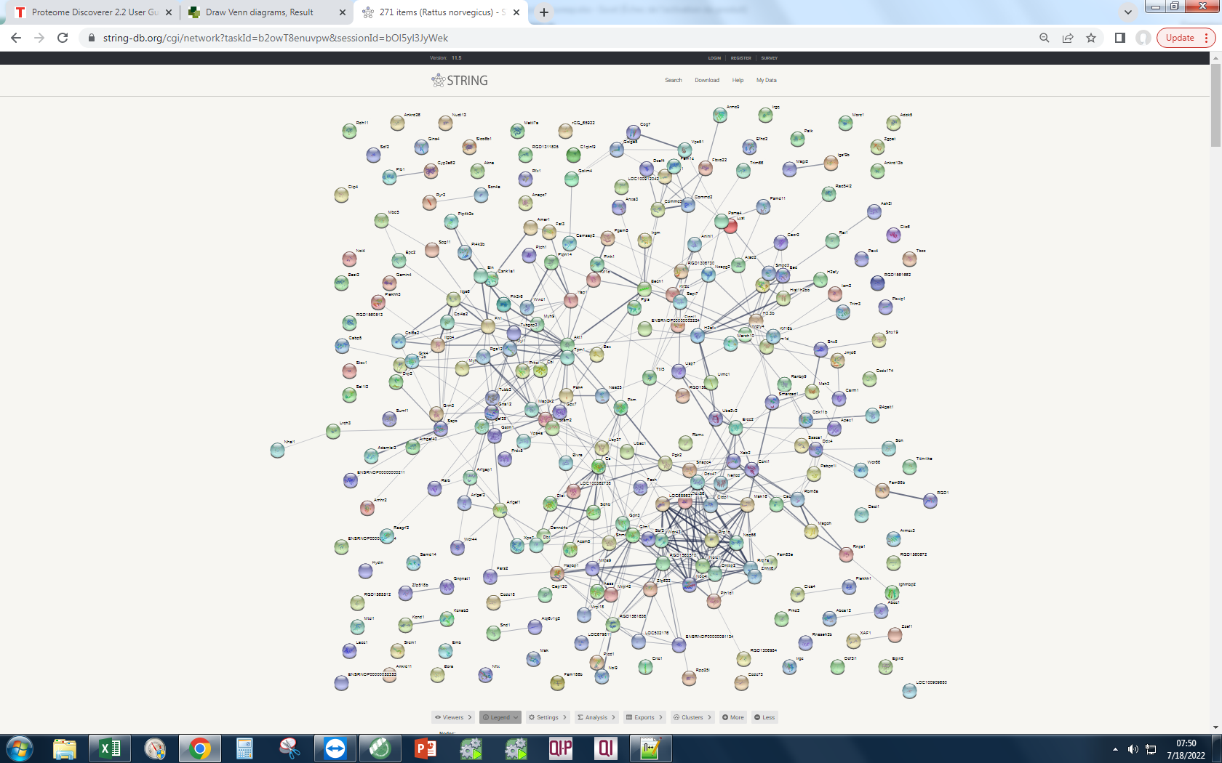
C0JPT7 | P82995 | P60711 | Overall number of unique elements |  | 4392 |  |  | Q91XJ1 |  | Lyst | Lysosomal-trafficking regulator; Lysosomal trafficking regulator (3785 aa)
P60711 | P60711 | P63259 |  |  |  |  |  | Q5EB56 |  | Igsf9b | Immunoglobulin superfamily, member 9b; Protein turtle homolog B; Transmembrane protein which is abundantly expressed in interneurons, where it may regulate inhibitory synapse development. May mediate homophilic cell adhesion (By similarity); Belongs to the immunoglobulin superfamily. Turtle family (1328 aa)
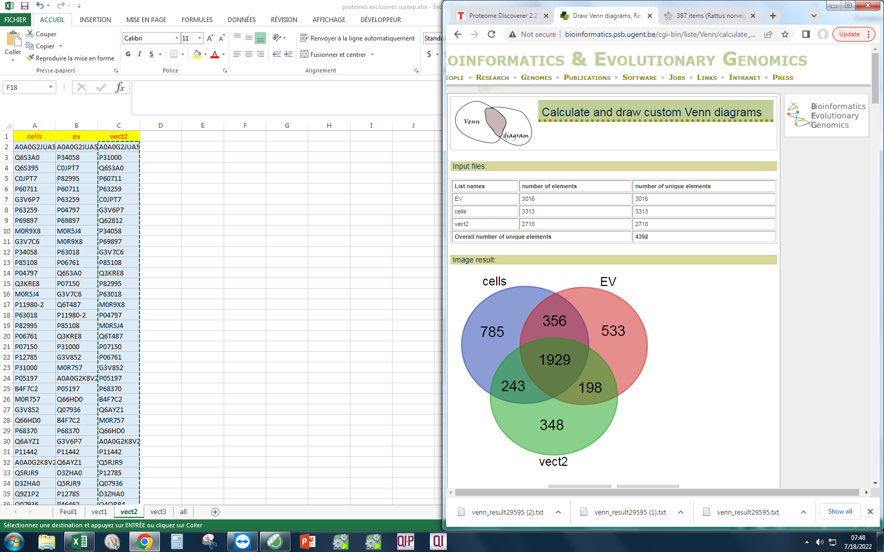
G3V6P7 | P63259 | C0JPT7 |  |  |  |  |  | Q99372 |  | Fam186b | Putative uncharacterized protein RGD1559522_predicted; Family with sequence similarity 186, member B (938 aa)
P63259 | P04797 | G3V6P7 |  |  |  |  |  | F1LT68 |  | Cbl | E3 ubiquitin-protein ligase CBL; Cbl proto-oncogene, E3 ubiquitin protein ligase (914 aa)
P69897 | P69897 | Q62812 |  |  |  |  |  | B2GUU0 |  | C1qtnf9 | C1q and tumor necrosis factor related protein 9 (331 aa)
M0R9X8 | M0R5J4 | P34058 |  |  |  |  |  | D3ZNH4 |  | Golim4 | Golgi integral membrane protein 4; Plays a role in endosome to Golgi protein trafficking; mediates protein transport along the late endosome-bypass pathway from the early endosome to the Golgi; Belongs to the GOLIM4 family (687 aa)
G3V7C6 | M0R9X8 | P69897 |  |  |  |  |  | F1M0U1 |  | Pik3r6 | Phosphoinositide-3-kinase regulatory subunit 5/6; Phosphoinositide-3-kinase, regulatory subunit 6 (756 aa)
P34058 | P63018 | G3V7C6 |  |  |  |  |  | D3ZM57 |  | H2afx | H2A histone family, member X (143 aa)
P85108 | P06761 | P85108 |  |  |  |  |  | D4A3A7 |  | RGD1561662 | Similar to AI661453 protein (1203 aa)
P04797 | Q6S3A0 | Q3KRE8 |  |  |  |  |  | Q5XHY7 |  | Clic6 | Chloride intracellular channel protein 6; May insert into membranes and form chloride ion channels. May play a critical role in water-secreting cells, possibly through the regulation of chloride ion transport (By similarity) (608 aa)
Q3KRE8 | P07150 | P82995 |  |  |  |  |  | D4ADM4 |  | Plekhh3 | Pleckstrin homology, myth4 and ferm domain containing h3; Pleckstrin homology domain containing, family H (with MyTH4 domain) member 3 (791 aa)
M0R5J4 | G3V7C6 | P63018 |  |  |  |  |  | Q2KTB9 |  | Amhr2 | Anti-Muellerian hormone type-2 receptor; On ligand binding, forms a receptor complex consisting of two type II and two type I transmembrane serine/threonine kinases. Type II receptors phosphorylate and activate type I receptors which autophosphorylate, then bind and activate SMAD transcriptional regulators. Receptor for anti-Muellerian hormone (557 aa)
P11980-2 | Q6T487 | M0R9X8 |  |  |  |  |  | A0A0H2UHZ6 |  | Ddx56 | Atp-dependent rna helicase ddx56/dbp9; DEAD (Asp-Glu-Ala-Asp) box helicase 56 (482 aa)
P63018 | P11980-2 | P04797 |  |  |  |  |  | F7F0U1 |  | Mrpl43 | Mitochondrial ribosomal protein l43 (predicted), isoform cra_b; Mitochondrial ribosomal protein L43 (117 aa)
P82995 | P85108 | M0R5J4 |  |  |  |  |  | A0A0G2K526 |  | Nol4 | Nucleolar protein 4 (predicted), isoform cra_b; Nucleolar protein 4 (574 aa)
P06761 | Q3KRE8 | Q6T487 |  |  |  |  |  | A0A1W7GKL0 |  | Stox1 | Storkhead box 1 (978 aa)
P07150 | P31000 | P07150 |  |  |  |  |  | D3ZVE5 |  | Rnps1 | RNA-binding protein with serine-rich domain 1; Part of pre- and post-splicing multiprotein mRNP complexes. Auxiliary component of the splicing-dependent multiprotein exon junction complex (EJC) deposited at splice junction on mRNAs. The EJC is a dynamic structure consisting of core proteins and several peripheral nuclear and cytoplasmic associated factors that join the complex only transiently either during EJC assembly or during subsequent mRNA metabolism. Component of the ASAP and PSAP complexes which bind RNA in a sequence-independent manner and are proposed to be recruited to the E [...] (305 aa)
P12785 | G3V852 | P06761 |  |  |  |  |  | D3ZLN7 |  | Yap1 | Transcriptional regulator which can act both as a coactivator and a corepressor and is the critical downstream regulatory target in the Hippo signaling pathway that plays a pivotal role in organ size control and tumor suppression by restricting proliferation and promoting apoptosis. The core of this pathway is composed of a kinase cascade wherein STK3/MST2 and STK4/MST1, in complex with its regulatory protein SAV1, phosphorylates and activates LATS1/2 in complex with its regulatory protein MOB1, which in turn phosphorylates and inactivates YAP1 oncoprotein and WWTR1/TAZ. Plays a key ro [...] (362 aa)
P31000 | M0R757 | G3V852 |  |  |  |  |  | J7PCJ5 |  | LOC100362738 | Pyruvate kinase ; Belongs to the pyruvate kinase family (486 aa)
P05197 | A0A0G2K8V2 | P05197 |  |  |  |  |  | F1LYI0 |  | Kif1c | Kinesin family member 1c; Probable motor protein (1097 aa)
B4F7C2 | P05197 | P68370 |  |  |  |  |  | A1A5P5 |  | Gnat3 | Guanine nucleotide-binding protein G(t) subunit alpha-3; Guanine nucleotide-binding protein (G protein) alpha subunit playing a prominent role in bitter and sweet taste transduction as well as in umami (monosodium glutamate, monopotassium glutamate, and inosine monophosphate) taste transduction. Transduction by this alpha subunit involves coupling of specific cell-surface receptors with a cGMP-phosphodiesterase; Activation of phosphodiesterase lowers intracellular levels of cAMP and cGMP which may open a cyclic nucleotide-suppressible cation channel leading to influx of calcium, ultima [...] (354 aa)
M0R757 | Q66HD0 | B4F7C2 |  |  |  |  |  | Q9ET64 |  | Ism2 | Isthmin 2 (580 aa)
G3V852 | Q07936 | Q6AYZ1 |  |  |  |  |  | A0A0G2K5J4 |  | Fignl1 | Fidgetin-like protein 1; Involved in DNA double-strand break (DBS) repair via homologous recombination (HR). Recruited at DSB sites independently of BRCA2, RAD51 and RAD51 paralogs in a H2AX- dependent manner. May regulate osteoblast proliferation and differentiation (By similarity). May play a role in the control of male meiosis dynamic (By similarity) (677 aa)
Q66HD0 | B4F7C2 | M0R757 |  |  |  |  |  | Q6AYU4 |  | Kif2c | Kinesin family member 2/24; In complex with KIF18B, constitutes the major microtubule plus-end depolymerizing activity in mitotic cells. Regulates the turnover of microtubules at the kinetochore and functions in chromosome segregation during mitosis. Plays a role in chromosome congression and is required for the lateral to end-on conversion of the chromosome- microtubule attachment (721 aa)
P68370 | P68370 | Q66HD0 |  |  |  |  |  | M0R7W3 |  | Gemin4 | Similar to gem (nuclear organelle) associated protein 4 (predicted); Gem (nuclear organelle) associated protein 4 (1058 aa)
Q6AYZ1 | G3V6P7 | A0A0G2K8V2 |  |  |  |  |  | A0A0G2K0Q7 |  | Zzef1 | Zinc finger zz-type and ef-hand domain containing 1; Zinc finger, ZZ-type with EF hand domain 1 (2924 aa)
P11442 | P11442 | P11442 |  |  |  |  |  | Q62848 |  | Fbxo22 | RCG58340, isoform CRA_b; F-box protein 22 (399 aa)
A0A0G2K8V2 | Q6AYZ1 | Q5RJR9 |  |  |  |  |  | B2GVB4 |  | Hspbp1 | Hspa (heat shock 70) binding protein, cytoplasmic cochaperone 1; Hsp70-binding protein 1; Inhibits HSPA1A chaperone activity by changing the conformation of the ATP-binding domain of HSPA1A and interfering with ATP binding. Interferes with ubiquitination mediated by STUB1 and inhibits chaperone-assisted degradation of target proteins (By similarity) (357 aa)
Q5RJR9 | D3ZHA0 | P12785 |  |  |  |  |  | P43138 |  | Spg11 | SPG11, spatacsin vesicle-trafficking-associated; Spastic paraplegia 11 (autosomal recessive) (2315 aa)
D3ZHA0 | Q5RJR9 | Q07936 |  |  |  |  |  | F1M6Q3 |  | Zfp622 | Zinc finger protein 622; May behave as an activator of the bound transcription factor, MYBL2, and be involved in embryonic development (470 aa)
Q9Z1P2 | P12785 | D3ZHA0 |  |  |  |  |  | Q6IRG3 |  | Pih1d1 | PIH1 domain-containing protein 1; Involved in the assembly of C/D box small nucleolar ribonucleoprotein (snoRNP) particles. Recruits the SWI/SNF complex to the core promoter of rRNA genes and enhances pre-rRNA transcription. Mediates interaction of TELO2 with the R2TP complex which is necessary for the stability of MTOR and SMG1. Positively regulates the assembly and activity of the mTORC1 complex (290 aa)
Q07936 | P46462 | Q4QRB4 |  |  |  |  |  | Q562B5 |  | Cyp3a62 | Cytochrome P450, family 3, subfamily a, polypeptide 62 (478 aa)
A0A0G2JXT8 | P04785 | A0A0G2K013 |  |  |  |  |  | Q5PPF5 |  | RGD1562608 | Similar to KIAA1328 protein (516 aa)
P63269 | A0A096MK30 | P10719 |  |  |  |  |  | Q6AZ33 |  | Ryr2 | Ryanodine receptor 2; Calcium channel that mediates the release of Ca(2+) from the sarcoplasmic reticulum into the cytoplasm and thereby plays a key role in triggering cardiac muscle contraction. Aberrant channel activation can lead to cardiac arrhythmia. In cardiac myocytes, calcium release is triggered by increased Ca(2+) levels due to activation of the L-type calcium channel CACNA1C. The calcium channel activity is modulated by formation of heterotetramers with RYR3. Required for cellular calcium ion homeostasis. Required for embryonic heart development (By similarity) (4834 aa)
Q4QQV0 | Q6IRK8 | P11980 |  |  |  |  |  | D3ZT45 |  | Tbcc | Tubulin-specific chaperone c (Predicted); Tubulin folding cofactor C (340 aa)
P04785 | P16086 | P04785 |  |  |  |  |  | O02953 |  | Rpp25l | Putative uncharacterized protein RGD1306576_predicted; Ribonuclease P/MRP 25 subunit-like (163 aa)
P46462 | P15999 | P63269 |  |  |  |  |  | Q45QM2 |  | Ankrd11 | Ankyrin repeat domain-containing protein 11/12; Ankyrin repeat domain 11 (2629 aa)
G3V9Y1 | A0A0G2K013 | P46462 |  |  |  |  |  | Q4FZY0 |  | Snapc4 | Small nuclear RNA activating complex, polypeptide 4 (1331 aa)
P10719 | A0A0G2JXT8 | P15999 |  |  |  |  |  | Q6IMX7 |  | Fam98b | Family with sequence similarity 98, member B (431 aa)
P15999 | P10719 | A0A0G2JXT8 |  |  |  |  |  | A0A0G2JW51 |  | Ptcd1 | Pentatricopeptide repeat-containing protein 1, mitochondrial; Mitochondrial protein implicated in negative regulation of leucine tRNA levels, as well as negative regulation of mitochondria-encoded proteins and COX activity. Affects also the 3'-processing of mitochondrial tRNAs (686 aa)
Q6IRK8 | A0A0H2UHM5 | Q5XIF6 |  |  |  |  |  | Q8R2H0 |  | Pgam5 | Pgam family member 5, mitochondrial serine/threonine protein phosphatase; Displays phosphatase activity for serine/threonine residues, and, dephosphorylates and activates MAP3K5 kinase. Has apparently no phosphoglycerate mutase activity. May be regulator of mitochondrial dynamics. Substrate for a KEAP1-dependent ubiquitin ligase complex. Contributes to the repression of NFE2L2-dependent gene expression (By similarity). Acts as a central mediator for programmed necrosis induced by TNF, by reactive oxygen species and by calcium ionophore (288 aa)
Q5XIF6 | P63269 | Q4QQV0 |  |  |  |  |  | O88775 |  | H3.3b | Histone H3.3; Variant histone H3 which replaces conventional H3 in a wide range of nucleosomes in active genes. Constitutes the predominant form of histone H3 in non-dividing cells and is incorporated into chromatin independently of DNA synthesis. Deposited at sites of nucleosomal displacement throughout transcribed genes, suggesting that it represents an epigenetic imprint of transcriptionally active chromatin. Nucleosomes wrap and compact DNA into chromatin, limiting DNA accessibility to the cellular machineries which require DNA as a template. Histones thereby play a central role in [...] (136 aa)
A0A096MK30 | Q5XIF6 | A0A096MK30 |  |  |  |  |  | D3ZUA4 |  | RGD1306730 | Mini-chromosome maintenance complex-binding protein; Associated component of the MCM complex that acts as a regulator of DNA replication. Binds to the MCM complex during late S phase and promotes the disassembly of the MCM complex from chromatin, thereby acting as a key regulator of pre-replication complex (pre-RC) unloading from replicated DNA. Can dissociate the MCM complex without addition of ATP; probably acts by destabilizing interactions of each individual subunits of the MCM complex. Required for sister chromatid cohesion (By similarity) (642 aa)
G3V7Q7 | G3V6S0 | M0R660 |  |  |  |  |  | D4AB55 |  | Itgb4 | Integrin subunit beta 4; Integrin alpha-6/beta-4 is a receptor for laminin. It plays a critical structural role in the hemidesmosome of epithelial cells. Is required for the regulation of keratinocyte polarity and motility. ITGA6:ITGB4 binds to NRG1 (via EGF domain) and this binding is essential for NRG1-ERBB signaling. ITGA6:ITGB4 binds to IGF1 and this binding is essential for IGF1 signaling. ITGA6:ITGB4 binds to IGF2 and this binding is essential for IGF2 signaling (1806 aa)
G3V9G4 | Q4QQV0 | M0RD14 |  |  |  |  |  | Q6TUD3 |  | Slco6b1 | Solute carrier organic anion transporter family, member 6b1 (749 aa)
M0R660 | M0R660 | A0A0H2UHM5 |  |  |  |  |  | D4A5D6 |  | Ccdc73 | Coiled-coil domain containing 73 (1066 aa)
G3V6T1 | P63039 | A0A0G2K1E7 |  |  |  |  |  | F1LWL5 |  | Nudt13 | Nudix hydrolase 13; Nudix (nucleoside diphosphate linked moiety X)-type motif 13 (352 aa)
A0A0H2UHM5 | G3V7Q7 | Q6IRK8 |  |  |  |  |  | Q6GX84 |  | LOC688637 | U3 small nucleolar RNA-associated protein 21; WD repeat domain 36 (897 aa)
P47942 | A0A0G2K695 | P63039 |  |  |  |  |  | A0A0G2K4J0 |  | Jmjd6 | Bifunctional arginine demethylase and lysyl-hydroxylase JMJD6; Dioxygenase that can both act as a histone arginine demethylase and a lysyl-hydroxylase. Acts as a lysyl-hydroxylase that catalyzes 5-hydroxylation on specific lysine residues of target proteins such as U2AF2/U2AF65 and LUC7L2. Acts as a regulator of RNA splicing by mediating 5-hydroxylation of U2AF2/U2AF65, affecting the pre-mRNA splicing activity of U2AF2/U2AF65. In addition to peptidyl-lysine 5-dioxygenase activity, may act as an RNA hydroxylase, as suggested by its ability to bind single strand RNA. Also acts as an argi [...] (403 aa)
Q3KRF2 | Q5XIM9 | G3V7Q7 |  |  |  |  |  | Q32Q88 |  | Grm3 | Metabotropic glutamate receptor 3; G-protein coupled receptor for glutamate. Ligand binding causes a conformation change that triggers signaling via guanine nucleotide-binding proteins (G proteins) and modulates the activity of down-stream effectors. Signaling inhibits adenylate cyclase activity (879 aa)
Q6P3V8 | G3V8L3 | G3V8L3 |  |  |  |  |  | Q8CG09 |  | rCG_65922 | Da1-10-like (400 aa)
P63039 | Q6AY56 | P09495 |  |  |  |  |  | Q8VHF5 |  | Amer1 | APC membrane recruitment protein 1 (1111 aa)
A0A0G2JZI2 | A0A0G2JZI2 | Q6P3V8 |  |  |  |  |  | Q6AYQ3 |  | Mak16 | Protein mak16 homolog; MAK16 homolog (S. cerevisiae); Belongs to the MAK16 family (293 aa)
A0A0G2KAJ7 | P14668 | P14668 |  |  |  |  |  | D4A9Q3 |  | Fat3 | Fat atypical cadherin 3; Protocadherin Fat 3; May play a role in the interactions between neurites derived from specific subsets of neurons during development (3111 aa)
Q5XIM9 | P09495 | G3V9Y1 |  |  |  |  |  | F1M6U0 |  | Ccdc18 | Coiled-coil domain containing 18 (1453 aa)
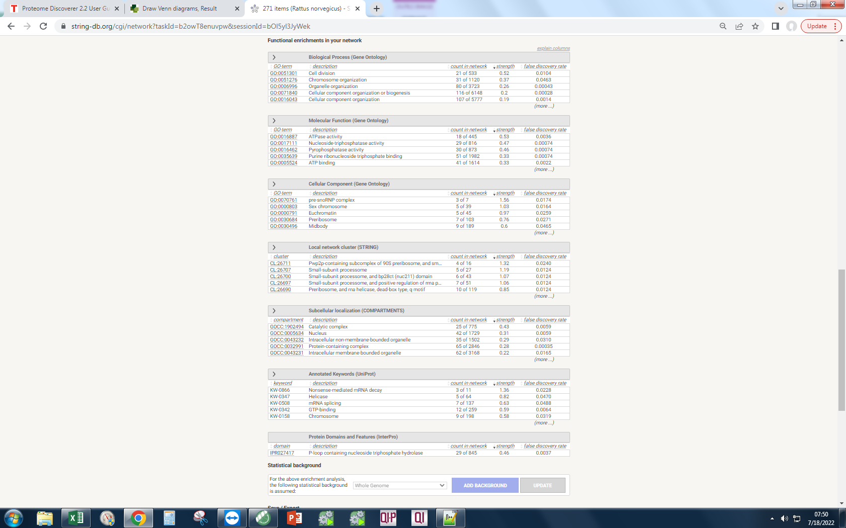
P14668 | P18418 | A0A0G2K695 |  |  |  |  |  | A0A0G2JZG8 |  | Vps11 | Vacuolar protein sorting 11 (yeast) (predicted), isoform cra_a; Vacuolar protein sorting 11 homolog (S. cerevisiae) (878 aa)
G3V6S0 | Q5U300 | G3V9G4 |  |  |  |  |  | D3ZQ82 |  | Ankrd26 | Ankyrin repeat domain 26 (1680 aa)
G3V8L3 | Q6IMZ3 | G3V6S0 |  |  |  |  |  | D4A0F5 |  | Pak4 | P21 (CDKN1A)-activated kinase 4 (Predicted); P21 protein (Cdc42/Rac)-activated kinase 4 (593 aa)
A0A0G2K013 | Q6P3V8 | Q5XIM9 |  |  |  |  |  | Q5U3Z0 |  | Fn1 | Fibronectin 1; Fibronectins bind cell surfaces and various compounds including collagen, fibrin, heparin, DNA, and actin. Fibronectins are involved in cell adhesion, cell motility, opsonization, wound healing, and maintenance of cell shape. Involved in osteoblast compaction through the fibronectin fibrillogenesis cell-mediated matrix assembly process, essential for osteoblast mineralization. Participates in the regulation of type I collagen deposition by osteoblasts (By similarity) (1913 aa)
P16617 | G3V9G4 | Q6IMZ3 |  |  |  |  |  | B1WC05 |  | XAF1 | XIAP associated factor-1 (268 aa)
P09495 | F1M853 | P10111 |  |  |  |  |  | A0A096MK58 |  | Srcin1 | SRC kinase signaling inhibitor 1; Acts as a negative regulator of SRC by activating CSK which inhibits SRC activity and downstream signaling, leading to impaired cell spreading and migration. Regulates dendritic spine morphology. Involved in calcium-dependent exocytosis. May play a role in neurotransmitter release or synapse maintenance; Belongs to the SRCIN1 family (1197 aa)
Q6IMZ3 | P16617 | Q5U300 |  |  |  |  |  | B1H249 |  | Sssca1 | Mammary tumor virus receptor 2, isoform CRA_a; Sjogren syndrome/scleroderma autoantigen 1 (199 aa)
Q5U300 | P47942 | F1M853 |  |  |  |  |  | Q5M855 |  | H1f0 | H1 histone family, member 0; Histone H1.0; Histones H1 are necessary for the condensation of nucleosome chains into higher-order structures. The H1F0 histones are found in cells that are in terminal stages of differentiation or that have low rates of cell division (194 aa)
P10111 | G3V6T1 | P62260 |  |  |  |  |  | Q9R063 |  | Irgm
A0A0G2K695 | Q5U328 | G3V6T1 |  |  |  |  |  | Q5PPI8 |  | Magoh
D3ZZT9 | P04642 | A0A0G2JZI2 |  |  |  |  |  | A0A096MJI4 |  | Clip4
 |  |  |  |  |  |  |  | M0RAY7 |  | RGD1306954
 |  |  |  |  |  |  |  | B2RZ57 |  | Bax
 |  |  |  |  |  |  |  | D4A6I3 |  | Usp37
 |  |  |  |  |  |  |  | Q3ZU82 |  | Snx19
 |  |  |  |  |  |  |  | Q6VPP3 |  | Myh7b
 |  |  |  |  |  |  |  | A0A0G2K9G3 |  | Rrp1b
 |  |  |  |  |  |  |  | Q9QY17-3 |  | Pabpc1l
 |  |  |  |  |  |  |  | D3ZPM4 |  | Shmt1
 |  |  |  |  |  |  |  | D3ZJ76 |  | Bora
 |  |  |  |  |  |  |  | Q700K0 |  | Pgk2
 |  |  |  |  |  |  |  | Q157S1 |  | Anapc7
 |  |  |  |  |  |  |  | F1LST1 |  | Clca4
 |  |  |  |  |  |  |  | G3V652 |  | Prkci
 |  |  |  |  |  |  |  | F1LM09 |  | Ppp1r12b
 |  |  |  |  |  |  |  | D4A229 |  | Itga6
 |  |  |  |  |  |  |  | Q712J0 |  | Commd3
 |  |  |  |  |  |  |  | B2GV15 |  | Adck5
 |  |  |  |  |  |  |  | B0BMY8 |  | Msh3
 |  |  |  |  |  |  |  | A7LAC4 |  | RGD1565512
 |  |  |  |  |  |  |  | A0A128E118 |  | Jhdm1d
 |  |  |  |  |  |  |  | A0A0G2KB50 |  | Hist1h2bo
 |  |  |  |  |  |  |  | Q6TXG7 |  | Arfgef1
 |  |  |  |  |  |  |  | Q5PQK4 |  | Rbmx
 |  |  |  |  |  |  |  | F1LSN6 |  | Zgpat
 |  |  |  |  |  |  |  | D3ZW89 |  | Ubac1
 |  |  |  |  |  |  |  | Q499W2 |  | Kcnd1
 |  |  |  |  |  |  |  | O54728 |  | Fam83e
 |  |  |  |  |  |  |  | Q62893 |  | RGD1560672
 |  |  |  |  |  |  |  | A0A0H2UI23 |  | LOC100912042
 |  |  |  |  |  |  |  | Q3B7L1 |  | ENSRNOP00000003224
 |  |  |  |  |  |  |  | A0A0G2K0J7 |  | Ccdc174
 |  |  |  |  |  |  |  | F1LQM8 |  | Egln2
 |  |  |  |  |  |  |  | Q3KRE2 |  | Stam2
 |  |  |  |  |  |  |  | F1LYS7 |  | Becn1
 |  |  |  |  |  |  |  | Q2TA67 |  | Uimc1
 |  |  |  |  |  |  |  | D4AE02 |  | ENSRNOP00000052404
 |  |  |  |  |  |  |  | B5DF62 |  | Mbd5
 |  |  |  |  |  |  |  | Q07803 |  | Acsm5
 |  |  |  |  |  |  |  | A0A0G2K220 |  | Akna
 |  |  |  |  |  |  |  | F1LNH3 |  | Dlst
 |  |  |  |  |  |  |  | M0R3T8 |  | Dennd4c
 |  |  |  |  |  |  |  | Q4QRB4 |  | RGD1561636
 |  |  |  |  |  |  |  | A0A0G2K4G0 |  | Irgq
 |  |  |  |  |  |  |  | D4ADG5 |  | Aass
 |  |  |  |  |  |  |  | D3ZC98 |  | Lrch3
 |  |  |  |  |  |  |  | D4ADD4 |  | Nolc1
 |  |  |  |  |  |  |  | D4A748 |  | Ankrd13b
 |  |  |  |  |  |  |  | A0A0G2K8U5 |  | Rdh11
 |  |  |  |  |  |  |  | F1LSD3 |  | Sdhb
 |  |  |  |  |  |  |  | D4A5D4 |  | Cs
 |  |  |  |  |  |  |  | B5DF02 |  | Prkd3
 |  |  |  |  |  |  |  | Q75WE7 |  | Sel1l2
...

vect3
cells | ev | vect3 | List names | number of elements | number of unique elements
A0A0G2JUA5 | A0A0G2JUA5 | A0A0G2JUA5 | EV | 3016 | 3016
Q6S3A0 | P34058 | P31000 | cells | 3313 | 3313 | vect3 | 499 | Q63494
Q6S395 | C0JPT7 | P60711 | vect3 | 3013 | 3013 |  |  | G3V8Y9
C0JPT7 | P82995 | P63259 | Overall number of unique elements |  | 4543 |  |  | Q5BJN3
P60711 | P60711 | C0JPT7 |  |  |  |  |  | F1LQV7
G3V6P7 | P63259 | P34058 |  |  |  |  |  | Q27W02
P63259 | P04797 | Q6S3A0 |  |  |  |  |  | F1LX81
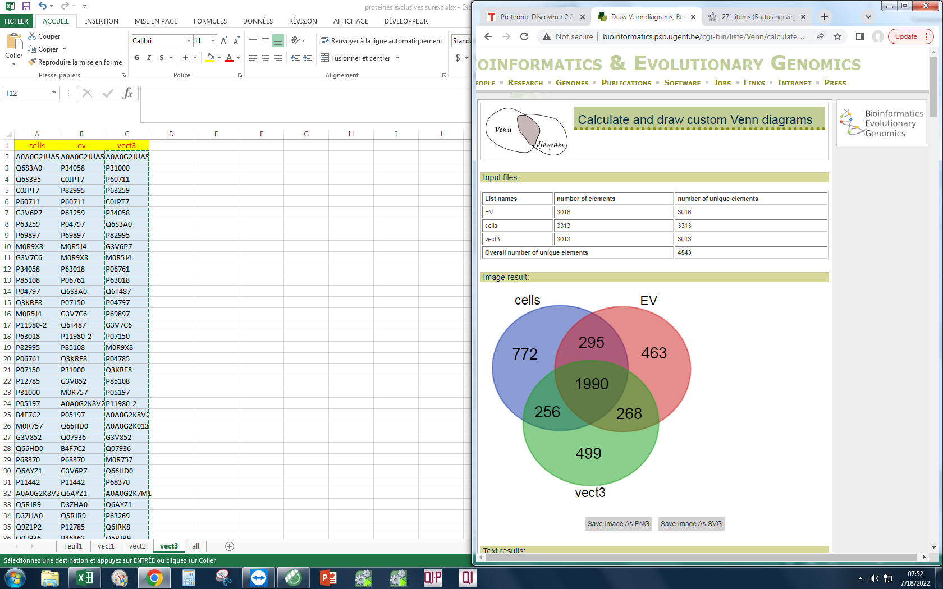
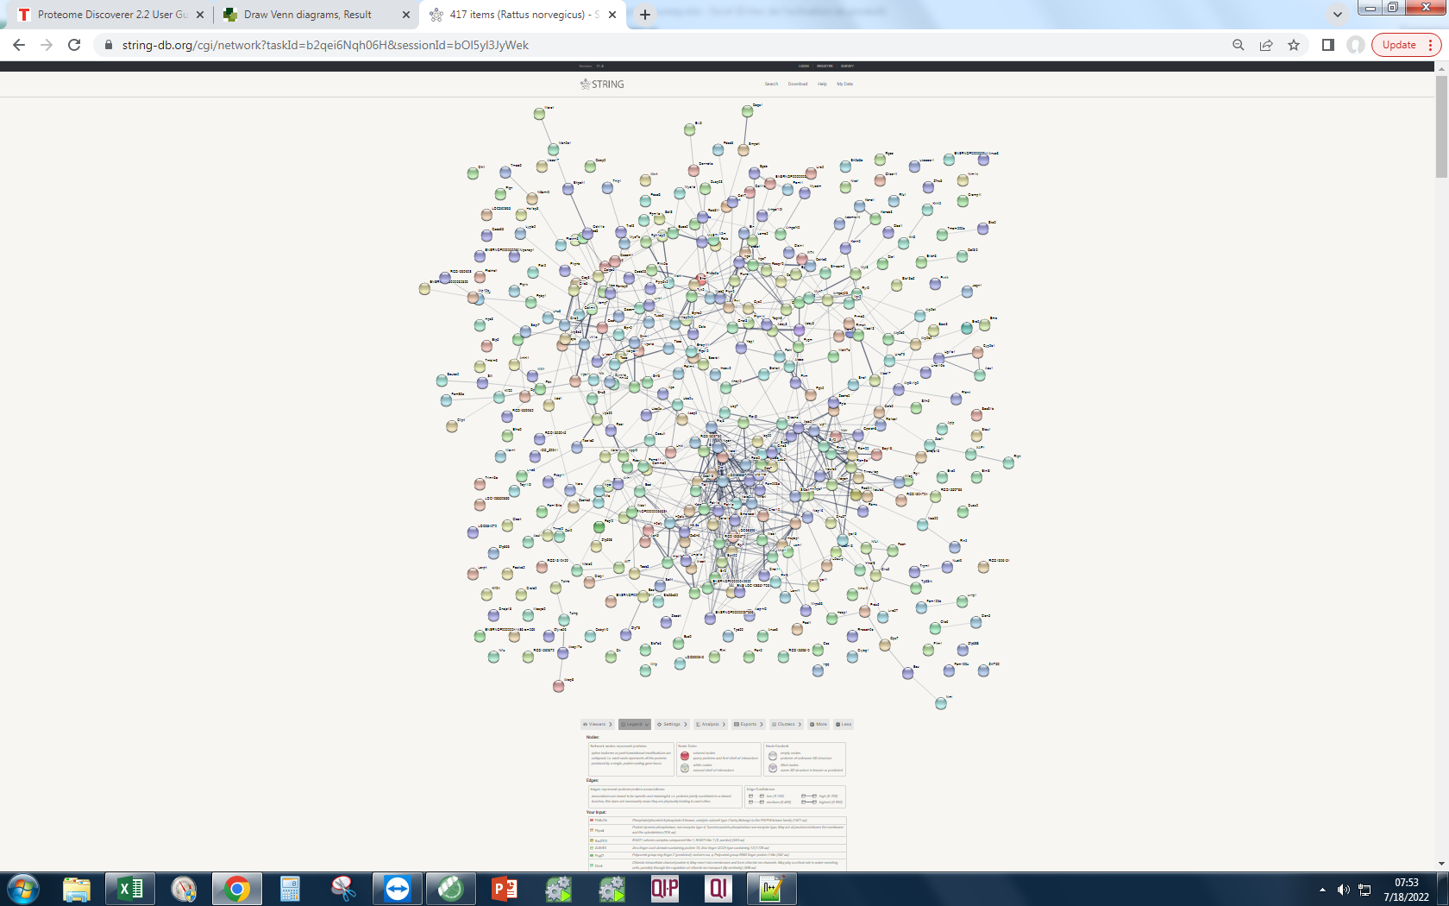
P69897 | P69897 | P82995 |  |  |  |  |  | Q9QYU8 | Your Input:
M0R9X8 | M0R5J4 | G3V6P7 |  |  |  |  |  | P54758 |  | Pik3c2b | Phosphatidylinositol-4-phosphate 3-kinase, catalytic subunit type 2 beta; Belongs to the PI3/PI4-kinase family (1621 aa)
G3V7C6 | M0R9X8 | M0R5J4 |  |  |  |  |  | G3V8A3 |  | Ptpn4 | Protein tyrosine phosphatase, non-receptor type 4; Tyrosine-protein phosphatase non-receptor type; May act at junctions between the membrane and the cytoskeleton (926 aa)
P34058 | P63018 | P06761 |  |  |  |  |  | Q99372 |  | Rad21l1 | RAD21 cohesin complex component-like 1; RAD21-like 1 (S. pombe) (553 aa)
P85108 | P06761 | P63018 |  |  |  |  |  | F1LT68 |  | Zc3h13 | Zinc finger ccch domain-containing protein 13; Zinc finger CCCH type containing 13 (1728 aa)
P04797 | Q6S3A0 | Q6T487 |  |  |  |  |  | Q8K3X8 |  | Pcgf2 | Polycomb group ring finger 2 (predicted), isoform cra_a; Polycomb group RING finger protein 2-like (342 aa)
Q3KRE8 | P07150 | P04797 |  |  |  |  |  | D3ZNH4 |  | Clic6 | Chloride intracellular channel protein 6; May insert into membranes and form chloride ion channels. May play a critical role in water-secreting cells, possibly through the regulation of chloride ion transport (By similarity) (608 aa)
M0R5J4 | G3V7C6 | P69897 |  |  |  |  |  | F1M9Q1 |  | Erc2 | ELKS/RAB6-interacting/CAST family member 2; Thought to be involved in the organization of the cytomatrix at the nerve terminals active zone (CAZ) which regulates neurotransmitter release. Seems to act together with BSN. May recruit liprin-alpha proteins to the CAZ (703 aa)
P11980-2 | Q6T487 | G3V7C6 |  |  |  |  |  | D3ZWB1 |  | Ttll5 | Tubulin polyglutamylase ttll5; Tubulin tyrosine ligase-like family, member 5 (494 aa)
P63018 | P11980-2 | P07150 |  |  |  |  |  | P55062 |  | Rims4 | Regulating synaptic membrane exocytosis protein 4; Regulates synaptic membrane exocytosis (269 aa)
P82995 | P85108 | M0R9X8 |  |  |  |  |  | Q5M7T9 |  | Adcy5 | Adenylate cyclase 5; Catalyzes the formation of the signaling molecule cAMP in response to G-protein signaling . Mediates signaling downstream of ADRB1. Regulates the increase of free cytosolic Ca(2+) in response to increased blood glucose levels and contributes to the regulation of Ca(2+)-dependent insulin secretion (1262 aa)
P06761 | Q3KRE8 | P04785 |  |  |  |  |  | P63329-2 |  | Ift74 | Intraflagellar transport 74 homolog (chlamydomonas); Intraflagellar transport 74 (600 aa)
P07150 | P31000 | Q3KRE8 |  |  |  |  |  | F1LSB5 |  | Akap8 | A-kinase anchor protein 8; Anchoring protein that mediates the subcellular compartmentation of cAMP-dependent protein kinase (PKA type II). Acts as an anchor for a PKA-signaling complex onto mitotic chromosomes, which is required for maintenance of chromosomes in a condensed form throughout mitosis. Recruits condensin complex subunit NCAPD2 to chromosomes required for chromatin condensation; the function appears to be independent from PKA-anchoring. May help to deliver cyclin D/E to CDK4 to facilitate cell cycle progression. Required for cell cycle G2/M transition and histone deacetyla [...] (687 aa)
P12785 | G3V852 | P85108 |  |  |  |  |  | D3ZM57 |  | Gorasp2 | Plays a role in the assembly and membrane stacking of the Golgi cisternae, and in the process by which Golgi stacks reform after breakdown during mitosis and meiosis May regulate the intracellular transport and presentation of a defined set of transmembrane proteins, such as transmembrane TGFA (By similarity). Required for normal acrosome formation during spermiogenesis and normal male fertility, probably by promoting colocalization of JAM2 and JAM3 at contact sites between germ cells and Sertoli cells (By similarity). Mediates ER stress-induced unconventional (ER/Golgi-independent) tr [...] (435 aa)
P31000 | M0R757 | P05197 |  |  |  |  |  | D4ADQ7 |  | H2afy | H2A histone family, member Y; Core histone macro-H2A.1; Variant histone H2A which replaces conventional H2A in a subset of nucleosomes where it represses transcription. Nucleosomes wrap and compact DNA into chromatin, limiting DNA accessibility to the cellular machineries which require DNA as a template. Histones thereby play a central role in transcription regulation, DNA repair, DNA replication and chromosomal stability. DNA accessibility is regulated via a complex set of post- translational modifications of histones, also called histone code, and nucleosome remodeling. Involved in s [...] (371 aa)
P05197 | A0A0G2K8V2 | P11980-2 |  |  |  |  |  | D4A6Y1 |  | Col11a2 | Collagen type v/xi/xxiv/xxvii, alpha; Collagen, type XI, alpha 2 (1617 aa)
B4F7C2 | P05197 | A0A0G2K8V2 |  |  |  |  |  | E9PSN4 |  | Dscaml1 | Down syndrome cell adhesion molecule-like 1 (2111 aa)
M0R757 | Q66HD0 | A0A0G2K013 |  |  |  |  |  | D3ZGG8 |  | Gad1 | Glutamate decarboxylase 1; Catalyzes the production of GABA; Belongs to the group II decarboxylase family (593 aa)
G3V852 | Q07936 | G3V852 |  |  |  |  |  | F1LT14 |  | Sap18 | Histone deacetylase complex subunit sap18; Sin3-associated polypeptide 18 (172 aa)
Q66HD0 | B4F7C2 | Q07936 |  |  |  |  |  | A0A0F7L1S7 |  | Nktr | Natural killer cell triggering receptor (1372 aa)
P68370 | P68370 | M0R757 |  |  |  |  |  | Q7TP36 |  | ENSRNOP00000003224 | Sarcoglycan, delta (dystrophin-associated glycoprotein) (289 aa)
Q6AYZ1 | G3V6P7 | Q66HD0 |  |  |  |  |  | P35233 |  | LOC683961 | Small subunit ribosomal protein s13e; Similar to ribosomal protein S13; Belongs to the universal ribosomal protein uS15 family (155 aa)
P11442 | P11442 | P68370 |  |  |  |  |  | D3ZIQ3 |  | Sec31b | SEC31 homolog B, COPII coat complex component; SEC31 homolog B (S. cerevisiae) (1179 aa)
A0A0G2K8V2 | Q6AYZ1 | A0A0G2K7M1 |  |  |  |  |  | M0R3N9 |  | Urb2 | URB2 ribosome biogenesis 2 homolog (S. cerevisiae) (1524 aa)
Q5RJR9 | D3ZHA0 | Q6AYZ1 |  |  |  |  |  | Q60I18 |  | Dennd4a | Denn domain-containing 4a; DENN/MADD domain containing 4A (1867 aa)
D3ZHA0 | Q5RJR9 | P63269 |  |  |  |  |  | G3V768 |  | Ash2l | Ash2 (absent, small, or homeotic)-like (Drosophila) (623 aa)
Q9Z1P2 | P12785 | Q6IRK8 |  |  |  |  |  | D4A6D9 |  | Nolc1 | Nucleolar and coiled-body phosphoprotein 1; Nucleolar protein that acts as a regulator of RNA polymerase I by connecting RNA polymerase I with enzymes responsible for ribosomal processing and modification. Required for neural crest specification: following monoubiquitination by the BCR(KBTBD8) complex, associates with TCOF1 and acts as a platform to connect RNA polymerase I with enzymes responsible for ribosomal processing and modification, leading to remodel the translational program of differentiating cells in favor of neural crest specification. Involved in nucleologenesis, possibly [...] (704 aa)
Q07936 | P46462 | Q5RJR9 |  |  |  |  |  | A0A0G2KB60 |  | Elp5 | Elongator complex protein 5; Acts as subunit of the RNA polymerase II elongator complex, which is a histone acetyltransferase component of the RNA polymerase II (Pol II) holoenzyme and is involved in transcriptional elongation. Elongator may play a role in chromatin remodeling and is involved in acetylation of histones H3 and probably H4. Involved in cell migration. May be involved in TP53- mediated transcriptional regulation (By similarity) (318 aa)
A0A0G2JXT8 | P04785 | P46462 |  |  |  |  |  | F1LN86 |  | Unkl | E3 ubiquitin-protein ligase UNKL; Unkempt family zinc finger-like (727 aa)
P63269 | A0A096MK30 | A0A096MK30 |  |  |  |  |  | F1LXV3 |  | Vps4a | Vacuolar protein sorting-associated protein 4A; Involved in late steps of the endosomal multivesicular bodies (MVB) pathway. Recognizes membrane-associated ESCRT-III assemblies and catalyzes their disassembly, possibly in combination with membrane fission. Redistributes the ESCRT-III components to the cytoplasm for further rounds of MVB sorting. MVBs contain intraluminal vesicles (ILVs) that are generated by invagination and scission from the limiting membrane of the endosome and mostly are delivered to lysosomes enabling degradation of membrane proteins, such as stimulated growth fact [...] (447 aa)
Q4QQV0 | Q6IRK8 | P11980 |  |  |  |  |  | A0A0G2QC39 |  | RGD1310429 | Similar to Protein Njmu-R1 (395 aa)
P04785 | P16086 | P11442 |  |  |  |  |  | A0A0G2K0T8 |  | Plekhd1 | Pleckstrin homology domain containing, family D (with coiled-coil domains) member 1; Belongs to the PLEKHD1 family (505 aa)
P46462 | P15999 | P12785 |  |  |  |  |  | D4A238 |  | Larp4 | La ribonucleoprotein domain family, member 4 (720 aa)
G3V9Y1 | A0A0G2K013 | P15999 |  |  |  |  |  | P70625 |  | Trim43a | Tripartite motif-containing protein 43/48/49/64/77; Tripartite motif-containing 43A (451 aa)
P10719 | A0A0G2JXT8 | P10719 |  |  |  |  |  | M0RDZ6 |  | Gltscr1l | Similar to KIAA0240 (Predicted); GLTSCR1-like (1078 aa)
P15999 | P10719 | D3ZHA0 |  |  |  |  |  | D3ZLN7 |  | Cnot10 | CCR4-NOT transcription complex, subunit 10; Component of the CCR4-NOT complex which is one of the major cellular mRNA deadenylases and is linked to various cellular processes including bulk mRNA degradation, miRNA-mediated repression, translational repression during translational initiation and general transcription regulation. Additional complex functions may be a consequence of its influence on mRNA expression. Is not required for association of CNOT7 to the CCR4-NOT complex (By similarity) (740 aa)
Q6IRK8 | A0A0H2UHM5 | A0A0G2JXT8 |  |  |  |  |  | A0A0G2K2A7 |  | Ophn1 | Oligophrenin-1; Stimulates GTP hydrolysis of members of the Rho family. Its action on RHOA activity and signaling is implicated in growth and stabilization of dendritic spines, and therefore in synaptic function, in hippocampal neurons. Critical for the stabilization of AMPA receptors at postsynaptic sites. Critical for the regulation of synaptic vesicle endocytosis at pre-synaptic terminals. Required for the localization of NR1D1 to dendrites, can suppress its repressor activity and protect it from proteasomal degradation (802 aa)
Q5XIF6 | P63269 | Q4QRB4 |  |  |  |  |  | Q5M7V7 |  | Vps11 | Vacuolar protein sorting 11 (yeast) (predicted), isoform cra_a; Vacuolar protein sorting 11 homolog (S. cerevisiae) (878 aa)
A0A096MK30 | Q5XIF6 | A0A0H2UHM5 |  |  |  |  |  | Q5XHZ8 |  | Cyp2b1 | Cytochrome p450 family 2 subfamily b; Cytochromes P450 are a group of heme-thiolate monooxygenases. In liver microsomes, this enzyme is involved in an NADPH-dependent electron transport pathway. It oxidizes a variety of structurally unrelated compounds, including steroids, fatty acids, and xenobiotics (491 aa)
G3V7Q7 | G3V6S0 | Q5XIF6 |  |  |  |  |  | D3ZE62 |  | LOC108350839 | Similar to High mobility group protein 1 (HMG-1) (214 aa)
G3V9G4 | Q4QQV0 | P63039 |  |  |  |  |  | D4ABY7 |  | Mark2 | Serine/threonine-protein kinase MARK2; Serine/threonine-protein kinase involved in cell polarity and microtubule dynamics regulation. Phosphorylates CRTC2/TORC2, DCX, HDAC7, KIF13B, MAP2, MAP4, MAPT/TAU and RAB11FIP2. Plays a key role in cell polarity by phosphorylating the microtubule-associated proteins MAP2, MAP4 and MAPT/TAU at KXGS motifs, causing detachment from microtubules, and their disassembly. Regulates epithelial cell polarity by phosphorylating RAB11FIP2. Involved in the regulation of neuronal migration through its dual activities in regulating cellular polarity and microt [...] (722 aa)
M0R660 | M0R660 | G3V6S0 |  |  |  |  |  | P51796 |  | Ctdp1 | CTD phosphatase subunit 1; CTD (carboxy-terminal domain, RNA polymerase II, polypeptide A) phosphatase, subunit 1 (969 aa)
G3V6T1 | P63039 | G3V8L3 |  |  |  |  |  | B2GV42 |  | Napb | Beta-soluble NSF attachment protein; Required for vesicular transport between the endoplasmic reticulum and the Golgi apparatus (298 aa)
A0A0H2UHM5 | G3V7Q7 | Q5XIM9 |  |  |  |  |  | F1LPV0 |  | ENSRNOP00000000211 | Von willebrand factor a domain-containing protein 5a; Von Willebrand factor A domain containing 5A (822 aa)
P47942 | A0A0G2K695 | Q4QQV0 |  |  |  |  |  | D4ABU0 |  | Prdx5 | Peroxiredoxin-5, mitochondrial; Thiol-specific peroxidase that catalyzes the reduction of hydrogen peroxide and organic hydroperoxides to water and alcohols, respectively. Plays a role in cell protection against oxidative stress by detoxifying peroxides and as sensor of hydrogen peroxide-mediated signaling events (213 aa)
Q3KRF2 | Q5XIM9 | G3V7Q7 |  |  |  |  |  | M0R7W3 |  | RGD1304704 | Similar to Hypothetical protein CGI-99 (296 aa)
Q6P3V8 | G3V8L3 | P09495 |  |  |  |  |  | A0A0G2K808 |  | Frmd5 | FERM domain containing 5 (516 aa)
P63039 | Q6AY56 | Q5U328 |  |  |  |  |  | D3ZI60 |  | mrpl9 | 39S ribosomal protein L9, mitochondrial; Mitochondrial ribosomal protein L9; Belongs to the bacterial ribosomal protein bL9 family (262 aa)
A0A0G2JZI2 | A0A0G2JZI2 | P18418 |  |  |  |  |  | D4ADD3 |  | Atp10b | Atpase phospholipid transporting 10b (putative); ATPase, class V, type 10B; Belongs to the cation transport ATPase (P-type) (TC 3.A.3) family. Type IV subfamily (1472 aa)
A0A0G2KAJ7 | P14668 | P14668 |  |  |  |  |  | Q6IRG3 |  | Pgk2 | Phosphoglycerate kinase 2 (417 aa)
Q5XIM9 | P09495 | A0A0G2K695 |  |  |  |  |  | Q641X9 |  | Ppie | Peptidyl-prolyl isomerase e (cyclophilin e); Peptidyl-prolyl cis-trans isomerase; PPIases accelerate the folding of proteins. It catalyzes the cis-trans isomerization of proline imidic peptide bonds in oligopeptides (255 aa)
P14668 | P18418 | Q5U300 |  |  |  |  |  | D3ZUI1 |  | U2surp | U2 snRNP-associated SURP domain containing (1029 aa)
G3V6S0 | Q5U300 | M0R660 |  |  |  |  |  | D3ZT45 |  | LOC362863 | Tetratricopeptide repeat protein 41; First gene upstream of Nt5dc3 (1311 aa)
G3V8L3 | Q6IMZ3 | Q6P3V8 |  |  |  |  |  | F1LTU4 |  | Gcfc2 | Similar to chromosome 2 open reading frame 3; GC-rich sequence DNA-binding factor 2 (729 aa)
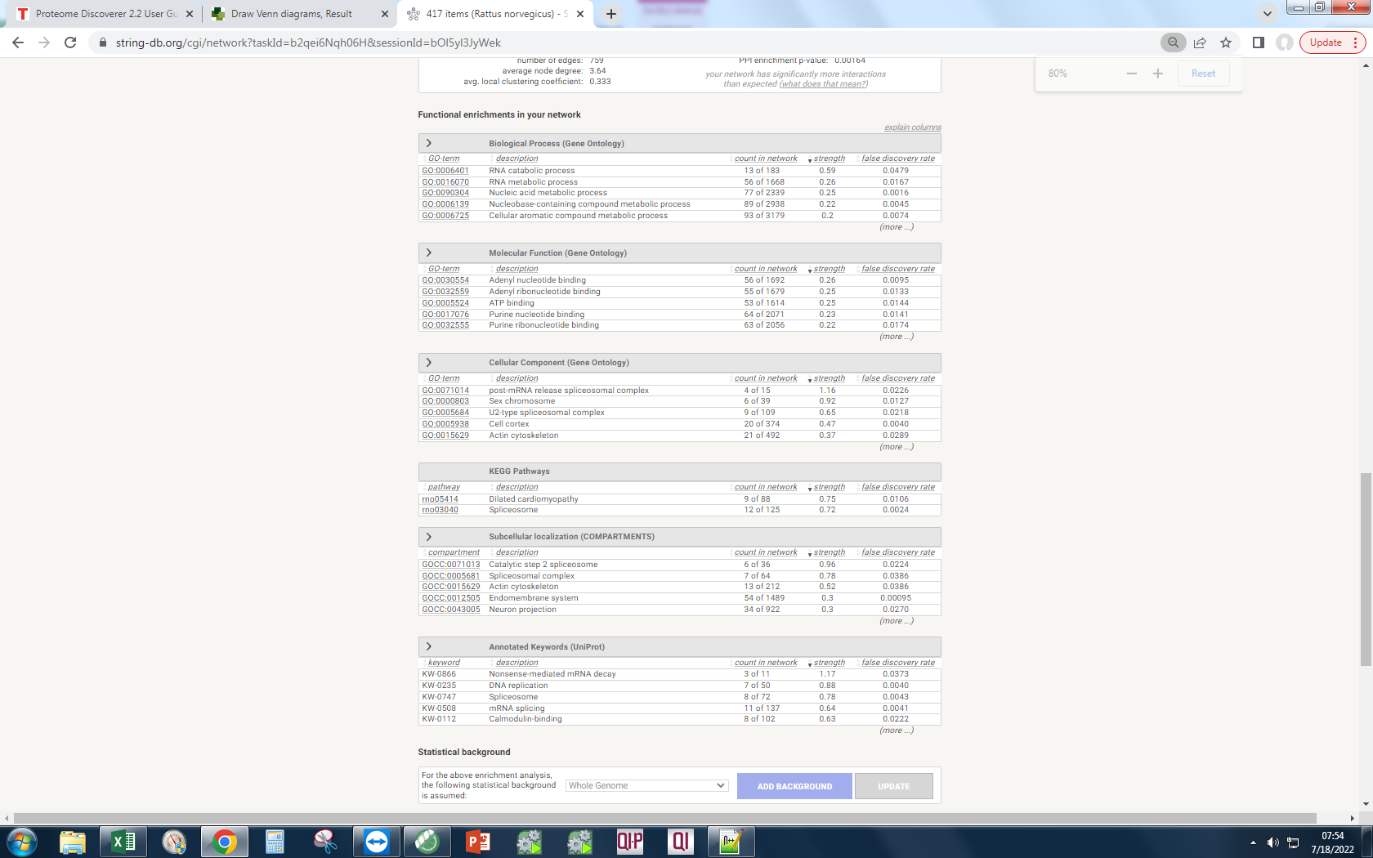
A0A0G2K013 | Q6P3V8 | G3V9Y1 |  |  |  |  |  | D4A6C4 |  | Orc1 | Origin recognition complex, subunit 1; Component of the origin recognition complex (ORC) that binds origins of replication. DNA-binding is ATP-dependent. The specific DNA sequences that define origins of replication have not been identified yet. ORC is required to assemble the pre-replication complex necessary to initiate DNA replication (By similarity) (848 aa)
P16617 | G3V9G4 | P62804 |  |  |  |  |  | A0A0G2K4H9 |  | Rgs12 | Regulator of g-protein signaling 12; Regulates G protein-coupled receptor signaling cascades. Inhibits signal transduction by increasing the GTPase activity of G protein alpha subunits, thereby driving them into their inactive GDP- bound form (1387 aa)
P09495 | F1M853 | G3V6T1 |  |  |  |  |  | A0A0G2K4N8 |  | Ubac1 | Ubiquitin-associated domain-containing protein 1; Non-catalytic subunit of the KPC complex that acts as E3 ubiquitin-protein ligase. Required for poly-ubiquitination and proteasome-mediated degradation of CDKN1B during G1 phase of the cell cycle (By similarity) (409 aa)
Q6IMZ3 | P16617 | P31977 |  |  |  |  |  | F1LWM8 |  | Fn1 | Fibronectin 1; Fibronectins bind cell surfaces and various compounds including collagen, fibrin, heparin, DNA, and actin. Fibronectins are involved in cell adhesion, cell motility, opsonization, wound healing, and maintenance of cell shape. Involved in osteoblast compaction through the fibronectin fibrillogenesis cell-mediated matrix assembly process, essential for osteoblast mineralization. Participates in the regulation of type I collagen deposition by osteoblasts (By similarity) (1913 aa)
Q5U300 | P47942 | P06685 |  |  |  |  |  | Q4FZY0 |  | Kdm5b | [histone h3]-trimethyl-l-lysine4 demethylase; Lysine (K)-specific demethylase 5B (1546 aa)
P10111 | G3V6T1 | A0A0G2JX64 |  |  |  |  |  | Q6IMX7 |  | Ndufa3 | Nadh dehydrogenase (ubiquinone) 1 alpha subcomplex subunit 3; Similar to NADH-ubiquinone oxidoreductase B9 subunit (Complex I-B9) (CI-B9) (84 aa)
A0A0G2K695 | Q5U328 | Q63610 |  |  |  |  |  | A0A0G2JW51 |  | Zc3h6 | Zinc finger CCCH type containing 6 (Predicted); Uncharacterized LOC100910531 (1180 aa)
D3ZZT9 | P04642 | Q6IMZ3 |  |  |  |  |  | Q8R2H0 |  | Padi1 | Peptidyl arginine deiminase 1; Catalyzes the deimination of arginine residues of proteins (662 aa)
P50399 | P10111 | P62260 |  |  |  |  |  | O88775 |  | Dnajb13 | Dnaj (hsp40) related, subfamily b, member 13, isoform cra_a; DnaJ (Hsp40) homolog, subfamily B, member 13 (316 aa)
 |  |  |  |  |  |  |  | D4AB55 |  | Hspbp1 | Hspa (heat shock 70) binding protein, cytoplasmic cochaperone 1; Hsp70-binding protein 1; Inhibits HSPA1A chaperone activity by changing the conformation of the ATP-binding domain of HSPA1A and interfering with ATP binding. Interferes with ubiquitination mediated by STUB1 and inhibits chaperone-assisted degradation of target proteins (By similarity) (357 aa)
 |  |  |  |  |  |  |  | G3V8V3 |  | Smpd4 | Sphingomyelin phosphodiesterase 4, neutral membrane (823 aa)
 |  |  |  |  |  |  |  | A0A0G2JXD9 |  | Xrcc4 | X-ray repair complementing defective repair in chinese hamster cells 4, isoform cra_a; X-ray repair complementing defective repair in Chinese hamster cells 4 (323 aa)
 |  |  |  |  |  |  |  | Q05BA4 |  | Dcaf13 | DDB1- and CUL4-associated factor 13; DDB1 and CUL4 associated factor 13 (445 aa)
 |  |  |  |  |  |  |  | D4A9Q3 |  | N6amt2 | Eukaryotic translation elongation factor 1 alpha lysine methyltransferase 1; EEF1A lysine methyltransferase 1; Protein-lysine methyltransferase that selectively catalyzes the trimethylation of EEF1A at 'Lys-79' (214 aa)
 |  |  |  |  |  |  |  | D3ZXL1 |  | RGD1306151 | Putative uncharacterized protein RGD1306151_predicted; Similar to hypothetical protein DKFZp761D0211 (624 aa)
 |  |  |  |  |  |  |  | A0A0G2JZH9 |  | Shc1 | Shc-transforming protein 1; Signaling adapter that couples activated growth factor receptors to signaling pathways. Participates in a signaling cascade initiated by activated KIT and KITLG/SCF. Participates in signaling downstream of the angiopoietin receptor TEK/TIE2, and plays a role in the regulation of endothelial cell migration and sprouting angiogenesis (By similarity) (579 aa)
 |  |  |  |  |  |  |  | Q4JFC5 |  | Tmem259 | Transmembrane protein 259 (574 aa)
 |  |  |  |  |  |  |  | D3ZHV1 |  | Cog3 | Conserved oligomeric golgi complex subunit 3; Component of oligomeric golgi complex 3 (828 aa)
 |  |  |  |  |  |  |  | D3ZQ82 |  | Asap2 | Arf-gap with sh3 domain, ank repeat and ph domain-containing protein; ArfGAP with SH3 domain, ankyrin repeat and PH domain 2 (967 aa)
 |  |  |  |  |  |  |  | D4A0F5 |  | Atp2b2 | Plasma membrane calcium-transporting atpase 2; This magnesium-dependent enzyme catalyzes the hydrolysis of ATP coupled with the transport of calcium out of the cell (1299 aa)
 |  |  |  |  |  |  |  | A0A0G2JYU6 |  | Gpx7 | Glutathione peroxidase 7; Belongs to the glutathione peroxidase family (186 aa)
 |  |  |  |  |  |  |  | E9PU17 |  | Zcchc5 | Zinc finger, CCHC domain containing 5 (556 aa)
 |  |  |  |  |  |  |  | F1LPP0 |  | Trnau1ap | Trna selenocysteine 1 associated protein 1; Involved in the early steps of selenocysteine biosynthesis and tRNA(Sec) charging to the later steps resulting in the cotranslational incorporation of selenocysteine into selenoproteins. Stabilizes the SECISBP2, EEFSEC and tRNA(Sec) complex. May be involved in the methylation of tRNA(Sec). Enhances efficiency of selenoproteins synthesis (By similarity) (248 aa)
 |  |  |  |  |  |  |  | A0A0G2JZ86 |  | Clip4 | CAP-GLY domain containing linker protein family, member 4 (477 aa)
 |  |  |  |  |  |  |  | D3Z9K1 |  | Rpl7 | Large subunit ribosomal protein l7e; Component of the large ribosomal subunit (By similarity). Binds to G-rich structures in 28S rRNA and in mRNAs. Plays a regulatory role in the translation apparatus; inhibits cell-free translation of mRNAs (By similarity) (260 aa)
 |  |  |  |  |  |  |  | A0A096MK58 |  | Atp8b3 | Atpase phospholipid transporting 8b3; ATPase, aminophospholipid transporter, class I, type 8B, member 3; Belongs to the cation transport ATPase (P-type) (TC 3.A.3) family. Type IV subfamily (1330 aa)
 |  |  |  |  |  |  |  | F1M614 |  | Stox1 | Storkhead box 1 (978 aa)
 |  |  |  |  |  |  |  | Q9R063 |  | ENSRNOP00000055298 | Uncharacterized protein (122 aa)
 |  |  |  |  |  |  |  | F8WFM2 |  | Rbm22 | Pre-mRNA-splicing factor RBM22; Involved in the first step of pre-mRNA splicing. Binds directly to the internal stem-loop (ISL) domain of the U6 snRNA and to the pre-mRNA intron near the 5' splice site during the activation and catalytic phases of the spliceosome cycle. Involved in both translocations of the nuclear SLU7 to the cytoplasm and the cytosolic calcium-binding protein PDCD6 to the nucleus upon cellular stress responses (By similarity); Belongs to the SLT11 family (420 aa)
 |  |  |  |  |  |  |  | D3ZN59 |  | Dclre1b | Dna cross-link repair 1b protein; 5'-3' exonuclease that plays a central role in telomere maintenance and protection during S-phase. Participates in the protection of telomeres against non-homologous end-joining (NHEJ)- mediated repair, thereby ensuring that telomeres do not fuse. Plays a key role in telomeric loop (T loop) formation by being recruited by TERF2 at the leading end telomeres and by processing leading-end telomeres immediately after their replication via its exonuclease activity: generates 3' single-stranded overhang at the leading end telomeres avoiding blunt leading-end [...] (541 aa)
 |  |  |  |  |  |  |  | A0A0G2K351 |  | Add1 | Alpha-adducin; Membrane-cytoskeleton-associated protein that promotes the assembly of the spectrin-actin network. Binds to calmodulin (735 aa)
 |  |  |  |  |  |  |  | A0A0G2JZC4 |  | Gys2 | Glycogen synthase 2; Transfers the glycosyl residue from UDP-Glc to the non- reducing end of alpha-1,4-glucan (704 aa)
 |  |  |  |  |  |  |  | B1WC56 |  | Abca17 | Atp-binding cassette, subfamily a (abc1), member 17; ATP-binding cassette sub-family A member 17; Promotes cholesterol efflux from sperm which renders sperm capable of fertilization. Has also been shown to decrease levels of intracellular esterified neutral lipids including cholesteryl esters, fatty acid esters and triacylglycerols (1773 aa)
 |  |  |  |  |  |  |  | M0RAY7 |  | ENSRNOP00000032329 | GAS2-like protein 2; Growth arrest-specific 2 like 2 (857 aa)
 |  |  |  |  |  |  |  | B0K031 |  | Xkr4 | XK-related protein 4; XK, Kell blood group complex subunit-related family, member 4 (318 aa)
 |  |  |  |  |  |  |  | D3ZEJ9 |  | Fastkd2 | FAST kinase domain-containing protein 2, mitochondrial; Plays an important role in assembly of the mitochondrial large ribosomal subunit (679 aa)
 |  |  |  |  |  |  |  | A0A0G2JXG7 |  | Tceb3 | SIII, also known as elongin, is a general transcription elongation factor that increases the RNA polymerase II transcription elongation past template-encoded arresting sites. Subunit A is transcriptionally active and its transcription activity is strongly enhanced by binding to the dimeric complex of the SIII regulatory subunits B and C (elongin BC complex) (773 aa)
 |  |  |  |  |  |  |  | Q04400 |  | Isg20 | Interferon-stimulated gene 20 kda protein; Interferon stimulated exonuclease gene 20 (175 aa)
 |  |  |  |  |  |  |  | F7FFV2 |  | Nim1k | Serine/threonine-protein kinase nim1; NIM1 serine/threonine protein kinase; Belongs to the protein kinase superfamily (436 aa)
 |  |  |  |  |  |  |  | A0A0G2K6R8 |  | Ralb | Ras like proto-oncogene b; Multifunctional GTPase involved in a variety of cellular processes including gene expression, cell migration, cell proliferation, oncogenic transformation and membrane trafficking. Accomplishes its multiple functions by interacting with distinct downstream effectors. Acts as a GTP sensor for GTP-dependent exocytosis of dense core vesicles . Required both to stabilize the assembly of the exocyst complex and to localize functional exocyst complexes to the leading edge of migrating cells . Required for suppression of apoptosis (By similarity). In late stages of [...] (173 aa)
 |  |  |  |  |  |  |  | Q3ZU82 |  | Zfp598 | E3 ubiquitin-protein ligase ZNF598; Zinc finger protein 598 (902 aa)
 |  |  |  |  |  |  |  | F6Q5G6 |  | Ddx51 | Dead (asp-glu-ala-asp) box polypeptide 51 (predicted), isoform cra_b; DEAD (Asp-Glu-Ala-Asp) box polypeptide 51; Belongs to the DEAD box helicase family (601 aa)
 |  |  |  |  |  |  |  | E9PTA5 |  | Cdc42bpg | CDC42 binding protein kinase gamma (DMPK-like) (1551 aa)
 |  |  |  |  |  |  |  | Q6AXY4 |  | Anlnl1 | Anillin, actin binding protein-like 1 (972 aa)
 |  |  |  |  |  |  |  | Q6VPP3 |  | Commd2 | Comm domain containing 2 (predicted), isoform cra_c; COMM domain containing 2 (199 aa)
 |  |  |  |  |  |  |  | D4A8S5 |  | Ipo11 | Importin 11 (971 aa)
 |  |  |  |  |  |  |  | A0A0G2K9G3 |  | Golga5 | Golgin subfamily a member 5; Involved in maintaining Golgi structure. Stimulates the formation of Golgi stacks and ribbons. Involved in intra-Golgi retrograde transport (729 aa)
 |  |  |  |  |  |  |  | D3ZD03 |  | Kif24 | Similar to CG1453-PA (Predicted), isoform CRA_a; Kinesin family member 24; Belongs to the TRAFAC class myosin-kinesin ATPase superfamily. Kinesin family (1352 aa)
 |  |  |  |  |  |  |  | D3ZPM4 |  | Hs1bp3 | HCLS1 binding protein 3 (390 aa)
 |  |  |  |  |  |  |  | P17625 |  | Baz1a | Bromodomain adjacent to zinc finger domain, 1A (1521 aa)
 |  |  |  |  |  |  |  | B3DM89 |  | Tmbim6 | Bax inhibitor 1; Suppressor of apoptosis. Modulates unfolded protein response signaling. Modulates ER calcium homeostasis by acting as a calcium-leak channel. Negatively regulates autophagy and autophagosome formation, especially during periods of nutrient deprivation, and reduces cell survival during starvation; Belongs to the BI1 family (400 aa)
 |  |  |  |  |  |  |  | Q5RK19 |  | Adipor1 | Adiponectin receptor 1, isoform CRA_a; Adiponectin receptor 1 (375 aa)
 |  |  |  |  |  |  |  | B2RYH3 |  | Clca4 | Calcium-activated chloride channel regulator 3/4; Parturition-related protein PRP3; Chloride channel accessory 4 (923 aa)
 |  |  |  |  |  |  |  | P13086 |  | Abtb1 | Ankyrin repeat and BTB/POZ domain-containing protein 1; May act as a mediator of the PTEN growth-suppressive signaling pathway. May play a role in developmental processes (By similarity) (478 aa)
 |  |  |  |  |  |  |  | F1LUS8 |  | Best3 | Bestrophin-3; Bestrophin; Forms calcium-sensitive chloride channels. Permeable to bicarbonate (672 aa)
 |  |  |  |  |  |  |  | D3ZCD7 |  | Gria3 | Glutamate ionotropic receptor ampa type subunit 3; Receptor for glutamate that functions as ligand-gated ion channel in the central nervous system and plays an important role in excitatory synaptic transmission. L-glutamate acts as an excitatory neurotransmitter at many synapses in the central nervous system. Binding of the excitatory neurotransmitter L-glutamate induces a conformation change, leading to the opening of the cation channel, and thereby converts the chemical signal to an electrical impulse. The receptor then desensitizes rapidly and enters a transient inactive state, char [...] (854 aa)
 |  |  |  |  |  |  |  | Q99MG0 |  | Thnsl2 | O-phospho-l-threonine phospho-lyase; Threonine synthase-like 2; Acts as a catabolic phospho-lyase on both gamma- and beta-phosphorylated substrates. Degrades O-phospho-threonine (PThr) to alpha-ketobutyrate, ammonia and phosphate (By similarity) (485 aa)
 |  |  |  |  |  |  |  | P97603 |  | Dhx57 | Atp-dependent rna helicase dhx57; DExH-box helicase 57; DEAH (Asp-Glu-Ala-Asp/His) box polypeptide 57 (1391 aa)
 |  |  |  |  |  |  |  | F1LST1 |  | Sall3 | Sal-like 3 (Drosophila) (Predicted); Spalt-like transcription factor 3 (1190 aa)
 |  |  |  |  |  |  |  | Q8CJ44 |  | Glrx5 | Glutaredoxin 5 homolog (S. cerevisiae) (Predicted), isoform CRA_b; Glutaredoxin 5 (152 aa)
 |  |  |  |  |  |  |  | F1LTU5 |  | Txlnb | Taxilin beta (690 aa)
 |  |  |  |  |  |  |  | F1LM09 |  | Arhgap23 | Rho gtpase-activating protein 21/23; Rho GTPase activating protein 23 (1477 aa)
 |  |  |  |  |  |  |  | M0R991 |  | Creld2 | Cysteine-rich with EGF-like domain protein 2; May regulate transport of alpha4-beta2 neuronal acetylcholine receptor; Belongs to the CRELD family (349 aa)
...

all
cells | ev | vect1 | vect2 | vect3
A0A0G2JUA5 | A0A0G2JUA5 | A0A0G2JUA5 | A0A0G2JUA5 | A0A0G2JUA5 | List names | number of elements | number of unique elements
Q6S3A0 | P34058 | P60711 | P31000 | P31000 | EV | 3016 | 3016
Q6S395 | C0JPT7 | P63259 | Q6S3A0 | P60711 | cells | 3313 | 3313
C0JPT7 | P82995 | C0JPT7 | P60711 | P63259 | vect1 | 2923 | 2923
P60711 | P60711 | P31000 | P63259 | C0JPT7 | vect2 | 2718 | 2718
G3V6P7 | P63259 | P34058 | C0JPT7 | P34058 | vect3 | 3013 | 3013
P63259 | P04797 | Q6S3A0 | G3V6P7 | Q6S3A0 | Overall number of unique elements |  | 5123
P69897 | P69897 | Q6S395 | Q62812 | P82995
M0R9X8 | M0R5J4 | P82995 | P34058 | G3V6P7
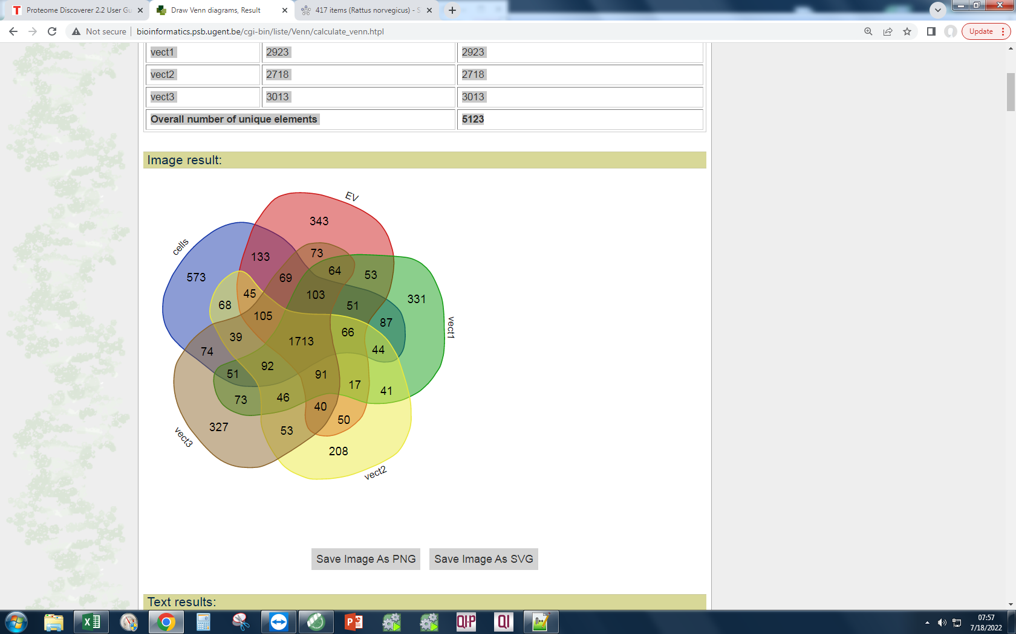
G3V7C6 | M0R9X8 | P63018 | P69897 | M0R5J4
P34058 | P63018 | P69897 | G3V7C6 | P06761
P85108 | P06761 | P06761 | P85108 | P63018
P04797 | Q6S3A0 | M0R5J4 | Q3KRE8 | Q6T487
Q3KRE8 | P07150 | M0R9X8 | P82995 | P04797
M0R5J4 | G3V7C6 | P07150 | P63018 | P69897
P11980-2 | Q6T487 | G3V6P7 | M0R9X8 | G3V7C6
P63018 | P11980-2 | P04797 | P04797 | P07150
P82995 | P85108 | G3V7C6 | M0R5J4 | M0R9X8
P06761 | Q3KRE8 | Q9Z1P2 | Q6T487 | P04785
P07150 | P31000 | P11980-2 | P07150 | Q3KRE8
P12785 | G3V852 | P85108 | P06761 | P85108
P31000 | M0R757 | M0R757 | G3V852 | P05197
P05197 | A0A0G2K8V2 | Q3KRE8 | P05197 | P11980-2
B4F7C2 | P05197 | A0A0G2K8V2 | P68370 | A0A0G2K8V2
M0R757 | Q66HD0 | G3V852 | B4F7C2 | A0A0G2K013
G3V852 | Q07936 | P05197 | Q6AYZ1 | G3V852
Q66HD0 | B4F7C2 | Q07936 | M0R757 | Q07936
P68370 | P68370 | Q66HD0 | Q66HD0 | M0R757
Q6AYZ1 | G3V6P7 | P68370 | A0A0G2K8V2 | Q66HD0
P11442 | P11442 | Q6AYZ1 | P11442 | P68370
A0A0G2K8V2 | Q6AYZ1 | P11980 | Q5RJR9 | A0A0G2K7M1
Q5RJR9 | D3ZHA0 | Q5RJR9 | P12785 | Q6AYZ1
D3ZHA0 | Q5RJR9 | P10719 | Q07936 | P63269
Q9Z1P2 | P12785 | B4F7C2 | D3ZHA0 | Q6IRK8
Q07936 | P46462 | A0A0G2K013 | Q4QRB4 | Q5RJR9
A0A0G2JXT8 | P04785 | P11442 | A0A0G2K013 | P46462
P63269 | A0A096MK30 | Q6IRK8 | P10719 | A0A096MK30
Q4QQV0 | Q6IRK8 | P04785 | P11980 | P11980
P04785 | P16086 | P16086 | P04785 | P11442
P46462 | P15999 | P68035 | P63269 | P12785
G3V9Y1 | A0A0G2K013 | P15999 | P46462 | P15999
P10719 | A0A0G2JXT8 | A0A096MK30 | P15999 | P10719
P15999 | P10719 | D3ZHA0 | A0A0G2JXT8 | D3ZHA0
Q6IRK8 | A0A0H2UHM5 | P46462 | Q5XIF6 | A0A0G2JXT8
Q5XIF6 | P63269 | P12785 | Q4QQV0 | Q4QRB4
A0A096MK30 | Q5XIF6 | Q5XIF6 | A0A096MK30 | A0A0H2UHM5
G3V7Q7 | G3V6S0 | Q38PF8 | M0R660 | Q5XIF6
G3V9G4 | Q4QQV0 | A0A0G2JXT8 | M0RD14 | P63039
M0R660 | M0R660 | Q4QRB4 | A0A0H2UHM5 | G3V6S0
G3V6T1 | P63039 | A0A0H2UHM5 | A0A0G2K1E7 | G3V8L3
A0A0H2UHM5 | G3V7Q7 | G3V8L3 | Q6IRK8 | Q5XIM9
P47942 | A0A0G2K695 | G3V6S0 | P63039 | Q4QQV0
Q3KRF2 | Q5XIM9 | P63039 | G3V7Q7 | G3V7Q7
Q6P3V8 | G3V8L3 | Q5XIM9 | G3V8L3 | P09495 |  |  |  | Q9QY92
P63039 | Q6AY56 | Q4QQV0 | P09495 | Q5U328 |  |  |  | D3ZKX1
A0A0G2JZI2 | A0A0G2JZI2 | P09495 | Q6P3V8 | P18418 |  |  |  | A8C4G9
A0A0G2KAJ7 | P14668 | M0R660 | P14668 | P14668 |  |  |  | O35824
Q5XIM9 | P09495 | G3V7Q7 | G3V9Y1 | A0A0G2K695 |  |  |  | A0A0G2JVI6
P14668 | P18418 | P14668 | A0A0G2K695 | Q5U300 |  |  |  | Q63622-5
G3V6S0 | Q5U300 | A0A0G2K695 | G3V9G4 | M0R660 |  |  |  | A0A0G2JUD2
G3V8L3 | Q6IMZ3 | Q5U300 | G3V6S0 | Q6P3V8 |  |  |  | Q5FWT7
A0A0G2K013 | Q6P3V8 | Q5U328 | Q5XIM9 | G3V9Y1 |  |  |  | G3V6N7
P16617 | G3V9G4 | Q6P3V8 | Q6IMZ3 | P62804 |  |  |  | D3ZMJ7 | vect1 vect2 | 41 | A0A0H2UHZ6
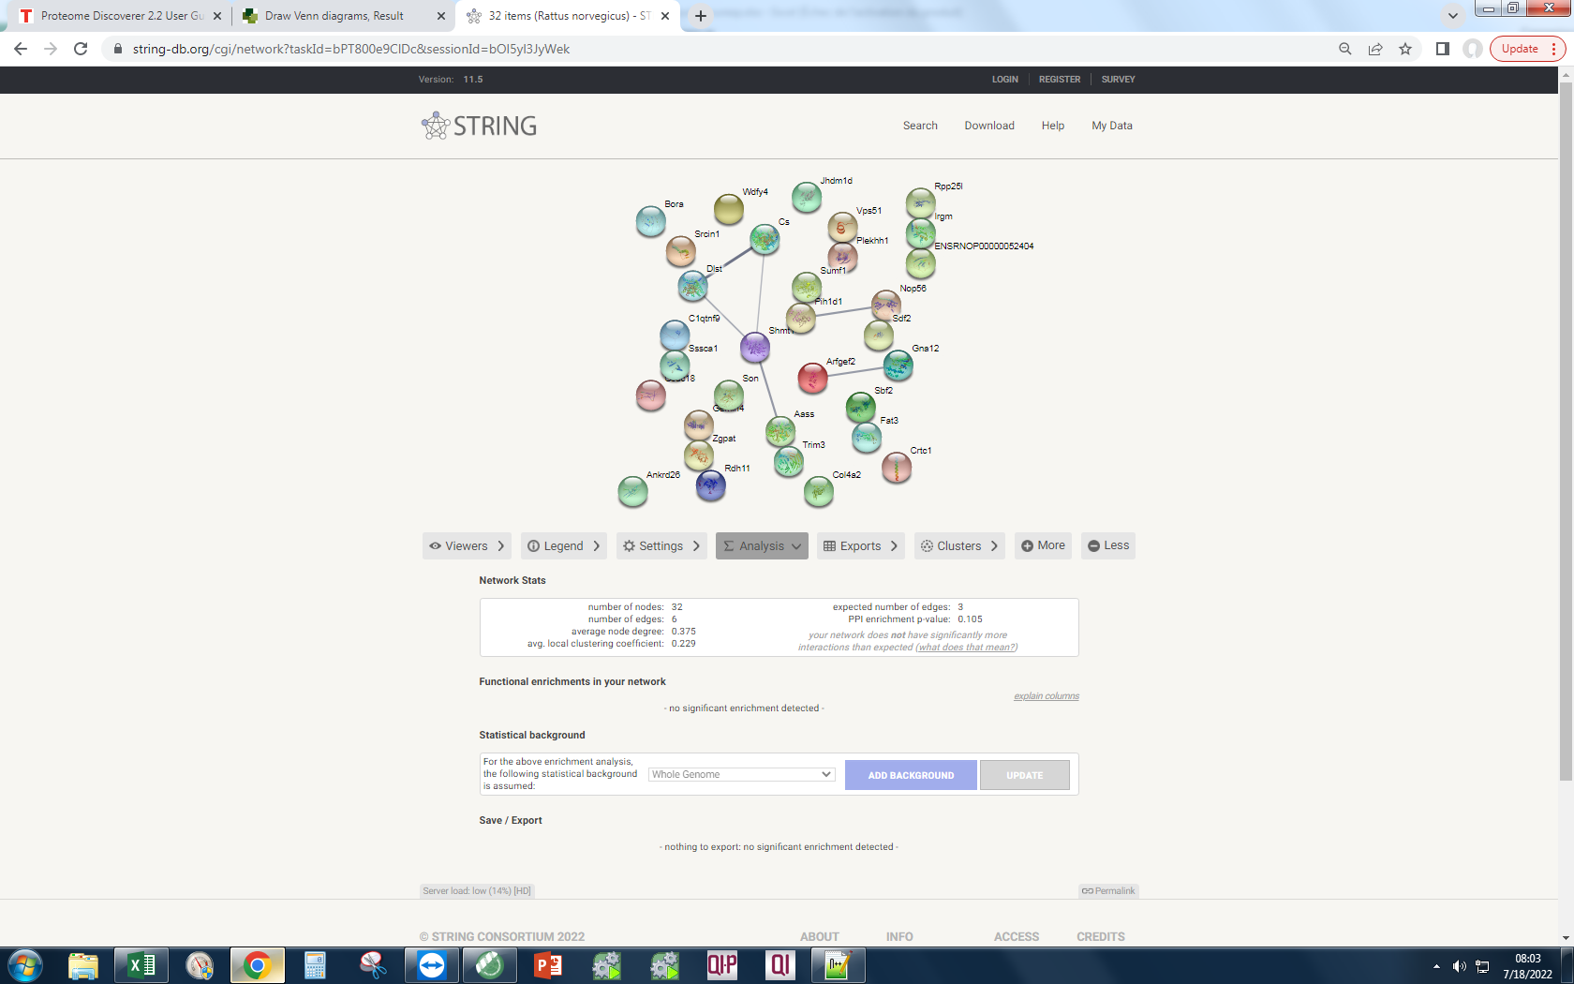
P09495 | F1M853 | A0A0G2JZI2 | P10111 | G3V6T1 |  |  |  | F6T1W7 |  |  | F1M6Q3 |  | Your Input:
Q6IMZ3 | P16617 | Q6IMZ3 | Q5U300 | P31977 |  |  |  | Q6URK4 |  |  | Q5PPF5 |  |  |  | Arfgef2 | Brefeldin A-inhibited guanine nucleotide-exchange protein 2; Promotes guanine-nucleotide exchange on ARF1 and ARF3 and to a lower extent on ARF5 and ARF6. Promotes the activation of ARF1/ARF5/ARF6 through replacement of GDP with GTP. Involved in the regulation of Golgi vesicular transport. Required for the integrity of the endosomal compartment. Involved in trafficking from the trans-Golgi network (TGN) to endosomes and is required for membrane association of the AP-1 complex and GGA1. Seems to be involved in recycling of the transferrin receptor from recycling endosomes to the plasma [...] (1791 aa)
Q5U300 | P47942 | A0A068F1Y2 | F1M853 | P06685 |  |  |  | A0A0G2K0T5 |  |  | Q45QM2 |  |  |  | Srcin1 | SRC kinase signaling inhibitor 1; Acts as a negative regulator of SRC by activating CSK which inhibits SRC activity and downstream signaling, leading to impaired cell spreading and migration. Regulates dendritic spine morphology. Involved in calcium-dependent exocytosis. May play a role in neurotransmitter release or synapse maintenance; Belongs to the SRCIN1 family (1197 aa)
P10111 | G3V6T1 | P10111 | P62260 | A0A0G2JX64 |  |  |  | D3ZNJ9 |  |  | Q6TUD3 |  |  |  | Wdfy4 | WDFY family member 4 (3025 aa)
A0A0G2K695 | Q5U328 | G3V9G4 | G3V6T1 | Q63610 |  |  |  | B2RYI3 |  |  | F1LWL5 |  |  |  | ENSRNOP00000052404 | Transcription factor sox5/6/13 (sox group d); SRY box 5 (269 aa)
D3ZZT9 | P04642 | F1M853 | A0A0G2JZI2 | Q6IMZ3 |  |  |  | F1LZS6 |  |  | Q8VHF5 |  |  |  | Sbf2 | Myotubularin-related protein 5/13; SET binding factor 2; Belongs to the protein-tyrosine phosphatase family. Non-receptor class myotubularin subfamily (1826 aa)
P50399 | P10111 | Q63610 | A0A0G2K3Z9 | P62260 |  |  |  | F1LPG2 |  |  | A0A096MJI4 |  |  |  | Jhdm1d | Lysine (K)-specific demethylase 7A; Jumonji C domain containing histone demethylase 1 (843 aa)
Q1PS21 | Q66X93 | P18418 | P47942 | A0A0G2K3Z9 |  |  |  | Q498M6 |  |  | D3ZJ76 |  |  |  | Gna12 | Guanine nucleotide-binding protein subunit alpha-12; Guanine nucleotide-binding proteins (G proteins) are involved as modulators or transducers in various transmembrane signaling systems. Activates effector molecule RhoA by binding and activating RhoGEFs (ARHGEF12/LARG) (By similarity). GNA12-dependent Rho signaling subsequently regulates transcription factor AP-1 (activating protein-1). GNA12-dependent Rho signaling also regulates protein phosphatese 2A activation causing dephosphorylation of its target proteins (By similarity). Promotes tumor cell invasion and metastasis by activatin [...] (379 aa)
F1M853 | P31977 | A0A0G2K3Z9 | Q5U328 | A0A0G2K7F7 |  |  |  | Q6MG75 |  |  | Q157S1 |  |  |  | C1qtnf9 | C1q and tumor necrosis factor related protein 9 (331 aa)
 |  |  |  |  |  |  |  |  |  |  | Q6TXG7 |  |  |  | Rdh11 | Retinol dehydrogenase 11 (all-trans/9-cis/11-cis); Belongs to the short-chain dehydrogenases/reductases (SDR) family (407 aa)
 |  |  |  |  |  |  |  |  |  |  | A0A0G2K220 |  |  |  | Shmt1 | Serine hydroxymethyltransferase; Interconversion of serine and glycine; Belongs to the SHMT family (681 aa)
 |  |  |  |  |  |  |  |  |  |  | M0R3T8 |  |  |  | Ccdc18 | Coiled-coil domain containing 18 (1453 aa)
 |  |  |  |  |  |  |  |  |  |  | D4A748 |  |  |  | Crtc1 | CREB-regulated transcription coactivator 1; Transcriptional coactivator for CREB1 which activates transcription through both consensus and variant cAMP response element (CRE) sites. Acts as a coactivator, in the SIK/TORC signaling pathway, being active when dephosphorylated and acts independently of CREB1 'Ser-133' phosphorylation. Enhances the interaction of CREB1 with TAF4. Regulates the expression of specific CREB-activated genes such as the steroidogenic gene, StAR. Potent coactivator of PGC1alpha and inducer of mitochondrial biogenesis in muscle cells (By similarity). In the hippo [...] (630 aa)
 |  |  |  |  |  |  |  |  |  |  | D4ACE9 |  |  |  | Plekhh1 | Pleckstrin homology, MyTH4 and FERM domain-containing H1; Pleckstrin homology domain containing, family H (with MyTH4 domain) member 1 (1360 aa)
 |  |  |  |  |  |  |  |  |  |  | J7NUQ1 |  |  |  | Nop56 | NOP56 ribonucleoprotein (588 aa)
 |  |  |  |  |  |  |  |  |  |  | Q4V7F5 |  |  |  | Gemin4 | Similar to gem (nuclear organelle) associated protein 4 (predicted); Gem (nuclear organelle) associated protein 4 (1058 aa)
 |  |  |  |  |  |  |  |  |  |  | F1MAQ7 |  |  |  | Vps51 | VPS51 GARP complex subunit; Vacuolar protein sorting 51 homolog (S. cerevisiae) (781 aa)
 |  |  |  |  |  |  |  |  |  |  | B5DEJ9 |  |  |  | Pih1d1 | PIH1 domain-containing protein 1; Involved in the assembly of C/D box small nucleolar ribonucleoprotein (snoRNP) particles. Recruits the SWI/SNF complex to the core promoter of rRNA genes and enhances pre-rRNA transcription. Mediates interaction of TELO2 with the R2TP complex which is necessary for the stability of MTOR and SMG1. Positively regulates the assembly and activity of the mTORC1 complex (290 aa)
 |  |  |  |  |  |  |  |  |  |  | Q5M864 |  |  |  | Zgpat | Zinc finger CCCH-type with G patch domain-containing protein; Transcription repressor that specifically binds the 5'- GGAG[GA]A[GA]A-3' consensus sequence. Represses transcription by recruiting the chromatin multiprotein complex NuRD to target promoters. Negatively regulates expression of EGFR, a gene involved in cell proliferation, survival and migration. Its ability to repress genes of the EGFR pathway suggest it may act as a tumor suppressor (By similarity) (507 aa)
 |  |  |  |  |  |  |  |  |  |  | D4A7I8 |  |  |  | Sdf2 | Stromal cell derived factor 2 (predicted), isoform cra_b; Stromal cell derived factor 2 (219 aa)
 |  |  |  |  |  |  |  |  |  |  | G3V6P2 |  |  |  | Rpp25l | Putative uncharacterized protein RGD1306576_predicted; Ribonuclease P/MRP 25 subunit-like (163 aa)
 |  |  |  |  |  |  |  |  |  |  | A0A0G2JSX8 |  |  |  | Sumf1 | Sulfatase modifying factor 1 (372 aa)
 |  |  |  |  |  |  |  |  |  |  | Q6TXI2 |  |  |  | Aass | Alpha-aminoadipic semialdehyde synthase; Bifunctional enzyme that catalyzes the first two steps in lysine degradation. The N-terminal and the C-terminal contain lysine- oxoglutarate reductase and saccharopine dehydrogenase activity, respectively (By similarity) (901 aa)
 |  |  |  |  |  |  |  |  |  |  | Q9QXY2 |  |  |  | Son | Son DNA binding protein (2446 aa)
 |  |  |  |  |  |  |  |  |  |  | F1LMF4 |  |  |  | Col4a2 | Collagen, type IV, alpha 2; Belongs to the type IV collagen family (1690 aa)
 |  |  |  |  |  |  |  |  |  |  | O70277 |  |  |  | Irgm | Immunity-related GTPase family M protein; Putative GTPase which is required for IFNG-mediated clearance of acute protozoan and bacterial infections. Functions in innate immune response probably through regulation of autophagy. May regulate proinflammatory cytokine production and prevent endotoxemia upon infection. May also play a role in macrophages adhesion and motility (By similarity) (411 aa)
 |  |  |  |  |  |  |  |  |  |  | D3ZG88 |  |  |  | Ankrd26 | Ankyrin repeat domain 26 (1680 aa)
 |  |  |  |  |  |  |  |  |  |  | Q7TSU1 |  |  |  | Trim3 | Tripartite motif-containing protein 2/3; Probably involved in vesicular trafficking via its association with the CART complex. The CART complex is necessary for efficient transferrin receptor recycling but not for EGFR degradation. Positively regulates motility of microtubule-dependent motor protein KIF21B (744 aa)
 |  |  |  |  |  |  |  |  |  |  | Q5RJN5 |  |  |  | Sssca1 | Mammary tumor virus receptor 2, isoform CRA_a; Sjogren syndrome/scleroderma autoantigen 1 (199 aa)
 |  |  |  |  |  |  |  |  |  |  | G4XKZ2 |  |  |  | Cs | Citrate synthase, mitochondrial; Citrate synthase; Belongs to the citrate synthase family (466 aa)
 |  |  |  |  |  |  |  |  |  |  | P08644-2 |  |  |  | Fat3 | Fat atypical cadherin 3; Protocadherin Fat 3; May play a role in the interactions between neurites derived from specific subsets of neurons during development (3111 aa)
 |  |  |  |  |  |  |  |  |  |  | P97569 |  |  |  | Bora | Bora, aurora kinase a activator; Protein aurora borealis; Required for the activation of AURKA at the onset of mitosis (534 aa)
 |  |  |  |  |  |  |  |  |  |  | F1M8W4 |  |  |  | Dlst | 2-oxoglutarate dehydrogenase E2 component (dihydrolipoamide succinyltransferase); Dihydrolipoamide succinyltransferase (E2) component of the 2- oxoglutarate dehydrogenase complex (By similarity). The 2-oxoglutarate dehydrogenase complex catalyzes the overall conversion of 2- oxoglutarate to succinyl-CoA and CO(2) (By similarity). The 2- oxoglutarate dehydrogenase complex is mainly active in the mitochondrion. A fraction of the 2-oxoglutarate dehydrogenase complex also localizes in the nucleus and is required for lysine succinylation of histones: associates with KAT2A on chromatin and p [...] (454 aa)
 |  |  |  |  |  |  |  |  |  |  | A0A0G2K1Z1
 |  |  |  |  |  |  |  |  |  |  | D4AA54
 |  |  |  |  |  |  |  |  |  |  | A0A0G2K5T6
 |  |  |  |  |  |  |  |  |  |  | D4A4H5
 |  |  |  |  |  |  |  |  |  |  | B0BMX6
 |  |  |  |  |  |  |  |  |  |  | D4A317
 |  |  |  |  |  |  |  |  |  |  | F1M4I4
...
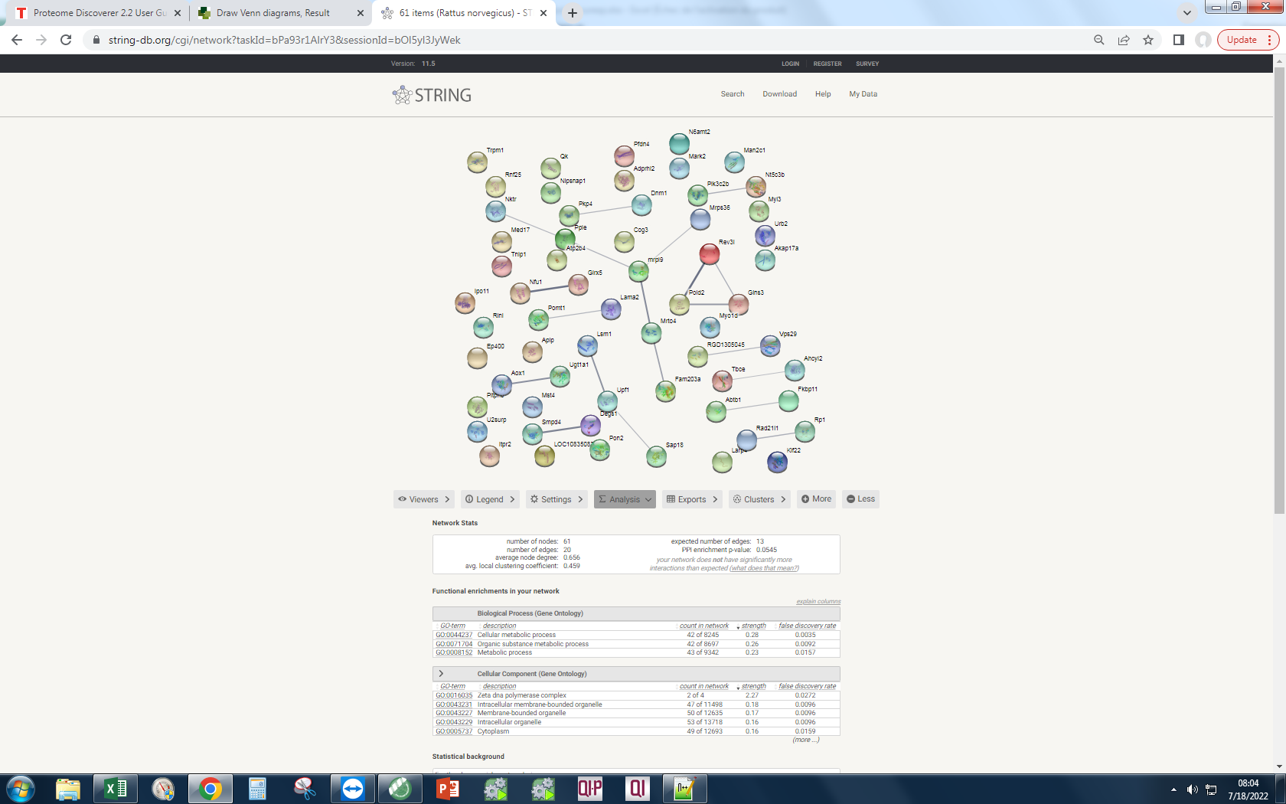
 |  |  |  |  |  |  |  |  | vect1 vect2 vect3 | 46 | Q27W02
 |  |  |  |  |  |  |  |  |  | vect1 vect3 | 73 | D3ZWB1
 |  |  |  |  |  |  |  |  |  |  |  | D4ADQ7
 |  |  |  |  |  |  |  |  |  |  |  | F1LXV3
 |  |  |  |  |  |  |  |  |  |  |  | A0A0G2K0T8 |  | Your Input:
 |  |  |  |  |  |  |  |  |  |  |  | Q5XHZ8 |  |  |  | Rev3l | REV3-like, polymerase (DNA directed), zeta, catalytic subunit (3132 aa)
 |  |  |  |  |  |  |  |  |  |  |  | D4ABU0 |  |  |  | Ipo11 | Importin 11 (971 aa)
 |  |  |  |  |  |  |  |  |  |  |  | Q641X9 |  |  |  | LOC108350839 | Similar to High mobility group protein 1 (HMG-1) (214 aa)
 |  |  |  |  |  |  |  |  |  |  |  | D3ZUI1 |  |  |  | Pitpnb | Phosphatidylinositol transfer protein, beta; Catalyzes the transfer of PtdIns and phosphatidylcholine between membranes (271 aa)
 |  |  |  |  |  |  |  |  |  |  |  | F1LTU4 |  |  |  | Ppie | Peptidyl-prolyl isomerase e (cyclophilin e); Peptidyl-prolyl cis-trans isomerase; PPIases accelerate the folding of proteins. It catalyzes the cis-trans isomerization of proline imidic peptide bonds in oligopeptides (255 aa)
 |  |  |  |  |  |  |  |  |  |  |  | A0A0G2K4N8 |  |  |  | Fkbp11 | FK506-binding protein 11; Peptidylprolyl isomerase; FK506 binding protein 11 (201 aa)
 |  |  |  |  |  |  |  |  |  |  |  | A0A0G2JXD9 |  |  |  | N6amt2 | Eukaryotic translation elongation factor 1 alpha lysine methyltransferase 1; EEF1A lysine methyltransferase 1; Protein-lysine methyltransferase that selectively catalyzes the trimethylation of EEF1A at 'Lys-79' (214 aa)
 |  |  |  |  |  |  |  |  |  |  |  | D3ZHV1 |  |  |  | U2surp | U2 snRNP-associated SURP domain containing (1029 aa)
 |  |  |  |  |  |  |  |  |  |  |  | A0A0G2JYU6 |  |  |  | Kif22 | Kinesin-like protein KIF22; Kinesin family member that is involved in spindle formation and the movements of chromosomes during mitosis and meiosis. Binds to microtubules and to DNA. Plays a role in congression of laterally attached chromosomes in NDC80-depleted cells; Belongs to the TRAFAC class myosin-kinesin ATPase superfamily. Kinesin family (462 aa)
 |  |  |  |  |  |  |  |  |  |  |  | F1M614 |  |  |  | Degs1 | Sphingolipid delta(4)-desaturase DES1; Has sphingolipid-delta-4-desaturase activity. Converts D-erythro-sphinganine to D-erythro-sphingosine (E-sphing-4-enine) (By similarity); Belongs to the fatty acid desaturase type 1 family. DEGS subfamily (323 aa)
 |  |  |  |  |  |  |  |  |  |  |  | A0A0G2JXG7 |  |  |  | Tnip1 | TNFAIP3-interacting protein 1; TNFAIP3 interacting protein 1 (649 aa)
 |  |  |  |  |  |  |  |  |  |  |  | Q6AXY4 |  |  |  | Tbce | Tubulin-specific chaperone E; Tubulin-folding protein; involved in the second step of the tubulin folding pathway and in the regulation of tubulin heterodimer dissociation. Required for correct organization of microtubule cytoskeleton and mitotic splindle, and maintenance of the neuronal microtubule network (524 aa)
 |  |  |  |  |  |  |  |  |  |  |  | M0R991 |  |  |  | Pfdn4 | Prefoldin subunit 4; Binds specifically to cytosolic chaperonin (c-CPN) and transfers target proteins to it. Binds to nascent polypeptide chain and promotes folding in an environment in which there are many competing pathways for nonnative proteins (134 aa)
 |  |  |  |  |  |  |  |  |  |  |  | D3ZP73 |  |  |  | Gins3 | Similar to RIKEN cDNA 2700085M18 (Predicted); GINS complex subunit 3 (Psf3 homolog) (216 aa)
 |  |  |  |  |  |  |  |  |  |  |  | F1M8G6 |  |  |  | Glrx5 | Glutaredoxin 5 homolog (S. cerevisiae) (Predicted), isoform CRA_b; Glutaredoxin 5 (152 aa)
 |  |  |  |  |  |  |  |  |  |  |  | D4AAN0 |  |  |  | Nt5c3b | 7-methylguanosine phosphate-specific 5'-nucleotidase; Specifically hydrolyzes 7-methylguanosine monophosphate (m(7)GMP) to 7-methylguanosine and inorganic phosphate. The specific activity for m(7)GMP may protect cells against undesired salvage of m(7)GMP and its incorporation into nucleic acids. Also has weak activity for CMP. UMP and purine nucleotides are poor substrates (By similarity); Belongs to the pyrimidine 5'-nucleotidase family (300 aa)
 |  |  |  |  |  |  |  |  |  |  |  | Q99PR0 |  |  |  | Itpr2 | Inositol 1,4,5-trisphosphate receptor, type 2; Receptor for inositol 1,4,5-trisphosphate, a second messenger that mediates the release of intracellular calcium. This release is regulated by cAMP both dependently and independently of PKA (By similarity) (2113 aa)
 |  |  |  |  |  |  |  |  |  |  |  | D3ZVF3 |  |  |  | Nfu1 | Histone cell cycle regulation defective interacting protein 5 (Predicted), isoform CRA_a; NFU1 iron-sulfur cluster scaffold (253 aa)
 |  |  |  |  |  |  |  |  |  |  |  | D4ADD7 |  |  |  | Apip | Methylthioribulose-1-phosphate dehydratase; APAF1 interacting protein; Belongs to the aldolase class II family. MtnB subfamily (170 aa)
 |  |  |  |  |  |  |  |  |  |  |  | Q63357 |  |  |  | Ep400 | E1A binding protein p400, isoform CRA_a; E1A binding protein p400 (3034 aa)
 |  |  |  |  |  |  |  |  |  |  |  | A0A0G2K7N7 |  |  |  | Med17 | Mediator of rna polymerase ii transcription subunit 17; Component of the Mediator complex, a coactivator involved in the regulated transcription of nearly all RNA polymerase II-dependent genes. Mediator functions as a bridge to convey information from gene- specific regulatory proteins to the basal RNA polymerase II transcription machinery. Mediator is recruited to promoters by direct interactions with regulatory proteins and serves as a scaffold for the assembly of a functional preinitiation complex with RNA polymerase II and the general transcription factors (579 aa)
 |  |  |  |  |  |  |  |  |  |  |  | Q5I0E8 |  |  |  | Adprhl2 | Adp-ribosylhydrolase like 2 (predicted); ADP-ribosylhydrolase like 2 (370 aa)
 |  |  |  |  |  |  |  |  |  |  |  | Q7TP89 |  |  |  | Trpm1 | Transient receptor potential cation channel, subfamily m, member 1; Calcium channel which may play a role in metastasis suppression. May act as a spontaneously active, calcium-permeable plasma membrane channel (By similarity) (1628 aa)
 |  |  |  |  |  |  |  |  |  |  |  | Q6AYP7 |  |  |  | Rnf25 | E3 ubiquitin-protein ligase RNF25; Ring finger protein 25 (454 aa)
 |  |  |  |  |  |  |  |  |  |  |  | Q9Z0U5 |  |  |  | Pold2 | Dna polymerase delta 2, accessory subunit; DNA polymerase delta subunit 2; As a component of the trimeric and tetrameric DNA polymerase delta complexes (Pol-delta3 and Pol-delta4, respectively), plays a role in high fidelity genome replication, including in lagging strand synthesis, and repair. Pol-delta3 and Pol-delta4 are characterized by the absence or the presence of POLD4. They exhibit differences in catalytic activity. Most notably, Pol-delta3 shows higher proofreading activity than Pol- delta4. Although both Pol-delta3 and Pol-delta4 process Okazaki fragments in vitro, Pol-delta [...] (469 aa)
 |  |  |  |  |  |  |  |  |  |  |  | F1LMH5 |  |  |  | Cog3 | Conserved oligomeric golgi complex subunit 3; Component of oligomeric golgi complex 3 (828 aa)
 |  |  |  |  |  |  |  |  |  |  |  | Q64542 |  |  |  | Atp2b4 | Atpase plasma membrane ca2+ transporting 4; Calcium/calmodulin-regulated and magnesium-dependent enzyme that catalyzes the hydrolysis of ATP coupled with the transport of calcium out of the cell (By similarity). By regulating sperm cell calcium homeostasis, may play a role in sperm motility (By similarity) (1203 aa)
 |  |  |  |  |  |  |  |  |  |  |  | Q5EBA4 |  |  |  | RGD1305045 | Putative uncharacterized protein RGD1305045_predicted (169 aa)
 |  |  |  |  |  |  |  |  |  |  |  | Q6AY79 |  |  |  | Qk | Protein quaking-like; RNA-binding protein that plays a central role in myelinization. Binds to the 5'-NACUAAY-N(1,20)-UAAY-3' RNA core sequence. Acts by regulating pre-mRNA splicing, mRNA export, mRNA stability and protein translation. Required to protect and promote stability of mRNAs such as MBP and CDKN1B which promotes oligodendrocyte differentiation. Participates in mRNA transport by regulating the nuclear export of MBP mRNA. Also involved in regulation of mRNA splicing of MAG pre-mRNA. Acts as a translational repressor (By similarity) (294 aa)
 |  |  |  |  |  |  |  |  |  |  |  | Q6AXM8 |  |  |  | Larp4 | La ribonucleoprotein domain family, member 4 (720 aa)
 |  |  |  |  |  |  |  |  |  |  |  | G3V7V5 |  |  |  | Fam203a | Protein HGH1 homolog; Family with sequence similarity 203, member A; Belongs to the HGH1 family (393 aa)
 |  |  |  |  |  |  |  |  |  |  |  | B2RZ78 |  |  |  | Myl3 | Myosin light chain 3; Regulatory light chain of myosin. Does not bind calcium (200 aa)
 |  |  |  |  |  |  |  |  |  |  |  | P29995 |  |  |  | Pkp4 | Plakophilin 4 (1190 aa)
 |  |  |  |  |  |  |  |  |  |  |  | G3V7F6 |  |  |  | Nipsnap1 | Nipsnap homolog 1 (C. elegans) (284 aa)
 |  |  |  |  |  |  |  |  |  |  |  | D3ZIU9 |  |  |  | Abtb1 | Ankyrin repeat and BTB/POZ domain-containing protein 1; May act as a mediator of the PTEN growth-suppressive signaling pathway. May play a role in developmental processes (By similarity) (478 aa)
 |  |  |  |  |  |  |  |  |  |  |  | Q5XIU1 |  |  |  | mrpl9 | 39S ribosomal protein L9, mitochondrial; Mitochondrial ribosomal protein L9; Belongs to the bacterial ribosomal protein bL9 family (262 aa)
 |  |  |  |  |  |  |  |  |  |  |  | Q5FVQ9 |  |  |  | Pik3c2b | Phosphatidylinositol-4-phosphate 3-kinase, catalytic subunit type 2 beta; Belongs to the PI3/PI4-kinase family (1621 aa)
 |  |  |  |  |  |  |  |  |  |  |  | Q2WEA5 |  |  |  | Pomt1 | Dolichyl-phosphate-mannose-protein mannosyltransferase; Protein O-mannosyl-transferase 1; Transfers mannosyl residues to the hydroxyl group of serine or threonine residues; Belongs to the glycosyltransferase 39 family (747 aa)
 |  |  |  |  |  |  |  |  |  |  |  | D3ZCD4 |  |  |  | Pon2 | Serum paraoxonase/arylesterase 2; Capable of hydrolyzing lactones and a number of aromatic carboxylic acid esters; Belongs to the paraoxonase family (354 aa)
 |  |  |  |  |  |  |  |  |  |  |  | M0R8E8 |  |  |  | Sap18 | Histone deacetylase complex subunit sap18; Sin3-associated polypeptide 18 (172 aa)
 |  |  |  |  |  |  |  |  |  |  |  | D3ZQL1 |  |  |  | Mrto4 | MRT4 homolog, ribosome maturation factor; Ribosome assembly factor mrt4; Component of the ribosome assembly machinery. Nuclear paralog of the ribosomal protein P0, it binds pre-60S subunits at an early stage of assembly in the nucleolus, and is replaced by P0 in cytoplasmic pre-60S subunits and mature 80S ribosomes (193 aa)
 |  |  |  |  |  |  |  |  |  |  |  | D3ZQ26 |  |  |  | Ugt1a1 | UDP-glucuronosyltransferase 1-1; UDPGT is of major importance in the conjugation and subsequent elimination of potentially toxic xenobiotics and endogenous compounds. Glucuronates opioids and bilirubin; Belongs to the UDP-glycosyltransferase family (535 aa)
 |  |  |  |  |  |  |  |  |  |  |  | F1M2K6 |  |  |  | Rp1 | RP1, axonemal microtubule-associated; Retinitis pigmentosa 1 (human) (2125 aa)
 |  |  |  |  |  |  |  |  |  |  |  | A0A0G2KA84 |  |  |  | Rinl | Similar to RIKEN cDNA 5830482F20 gene (Predicted); Ras and Rab interactor-like (568 aa)
 |  |  |  |  |  |  |  |  |  |  |  | F1LPQ3 |  |  |  | Smpd4 | Sphingomyelin phosphodiesterase 4, neutral membrane (823 aa)
 |  |  |  |  |  |  |  |  |  |  |  | M0R5N4 |  |  |  | Akap17a | Splicing factor, arginine/serine-rich 17; A kinase (PRKA) anchor protein 17A (712 aa)
 |  |  |  |  |  |  |  |  |  |  |  | F1MAK9 |  |  |  | Upf1 | UPF1, RNA helicase and ATPase; UPF1 regulator of nonsense transcripts homolog (yeast) (1124 aa)
 |  |  |  |  |  |  |  |  |  |  |  | Q6TXJ6 |  |  |  | Ahcyl2 | Adenosylhomocysteinase-like 2; Belongs to the adenosylhomocysteinase family (611 aa)
 |  |  |  |  |  |  |  |  |  |  |  | B0K017 |  |  |  | Dnm1 | Dynamin 1/3; Dynamin-1; Microtubule-associated force-producing protein involved in producing microtubule bundles and able to bind and hydrolyze GTP. Most probably involved in vesicular trafficking processes. Involved in receptor-mediated endocytosis (By similarity) (864 aa)
 |  |  |  |  |  |  |  |  |  |  |  | D3ZAI0 |  |  |  | Man2c1 | Mannosidase, alpha, class 2c, member 1; Cleaves alpha 1,2-, alpha 1,3-, and alpha 1,6-linked mannose residues from glycoproteins . Involved in the degradation of free oligosaccharides in the cytoplasm (By similarity) (1039 aa)
 |  |  |  |  |  |  |  |  |  |  |  | M0R776 |  |  |  | Nktr | Natural killer cell triggering receptor (1372 aa)
 |  |  |  |  |  |  |  |  |  |  |  | Q5M7V4 |  |  |  | Mark2 | Serine/threonine-protein kinase MARK2; Serine/threonine-protein kinase involved in cell polarity and microtubule dynamics regulation. Phosphorylates CRTC2/TORC2, DCX, HDAC7, KIF13B, MAP2, MAP4, MAPT/TAU and RAB11FIP2. Plays a key role in cell polarity by phosphorylating the microtubule-associated proteins MAP2, MAP4 and MAPT/TAU at KXGS motifs, causing detachment from microtubules, and their disassembly. Regulates epithelial cell polarity by phosphorylating RAB11FIP2. Involved in the regulation of neuronal migration through its dual activities in regulating cellular polarity and microt [...] (722 aa)
 |  |  |  |  |  |  |  |  |  |  |  | Q6T5E7 |  |  |  | Myo1d | Unconventional myosin-Id; Myosins are actin-based motor molecules with ATPase activity. Unconventional myosins serve in intracellular movements. Their highly divergent tails are presumed to bind to membranous compartments, which would be moved relative to actin filaments (By similarity); Belongs to the TRAFAC class myosin-kinesin ATPase superfamily. Myosin family (1006 aa)
 |  |  |  |  |  |  |  |  |  |  |  | Q5XIF5 |  |  |  | Lsm1 | LSM1 homolog, U6 small nuclear RNA associated (S. cerevisiae) (Predicted); LSM1, U6 small nuclear RNA associated (133 aa)
 |  |  |  |  |  |  |  |  |  |  |  | D3ZA85 |  |  |  | Mst4 | Serine/threonine-protein kinase 24/25/mst4; Serine/threonine protein kinase MST4 (416 aa)
 |  |  |  |  |  |  |  |  |  |  |  | B5DEG5 |  |  |  | Rad21l1 | RAD21 cohesin complex component-like 1; RAD21-like 1 (S. pombe) (553 aa)
 |  |  |  |  |  |  |  |  |  |  |  | D3ZWL6 |  |  |  | Mrps36 | Mitochondrial ribosomal protein S36 (103 aa)
 |  |  |  |  |  |  |  |  |  |  |  | A0A0G2JT62 |  |  |  | Aox1 | Oxidase with broad substrate specificity, oxidizing aromatic azaheterocycles, such as N1-methylnicotinamide, N-methylphthalazinium and phthalazine, as well as aldehydes, such as benzaldehyde, retinal, pyridoxal, and vanillin. Plays a role in the metabolism of xenobiotics and drugs containing aromatic azaheterocyclic substituents. Participates in the bioactivation of prodrugs such as famciclovir, catalyzing the oxidation step from 6-deoxypenciclovir to penciclovir, which is a potent antiviral agent. Is probably involved in the regulation of reactive oxygen species homeostasis. Is a prom [...] (1309 aa)
 |  |  |  |  |  |  |  |  |  |  |  | H2BF30 |  |  |  | Vps29 | Vacuolar protein sorting-associated protein 29; Acts as component of the retromer cargo-selective complex (CSC). The CSC is believed to be the core functional component of retromer or respective retromer complex variants acting to prevent missorting of selected transmembrane cargo proteins into the lysosomal degradation pathway. The recruitment of the CSC to the endosomal membrane involves RAB7A and SNX3. The SNX-BAR retromer mediates retrograde transport of cargo proteins from endosomes to the trans-Golgi network (TGN) and is involved in endosome-to-plasma membrane transport for cargo [...] (182 aa)
 |  |  |  |  |  |  |  |  |  |  |  | D3Z9I4 |  |  |  | Lama2 | Laminin subunit alpha 2; Laminin, alpha 2 (2546 aa)
 |  |  |  |  |  |  |  |  |  |  |  | O08679 |  |  |  | Urb2 | URB2 ribosome biogenesis 2 homolog (S. cerevisiae) (1524 aa)
...
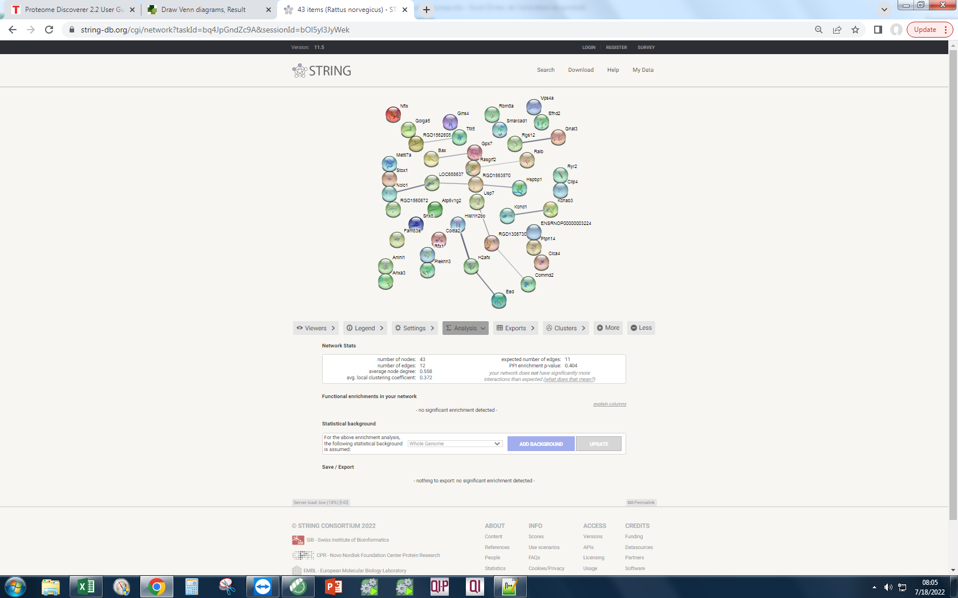
 |  |  |  |  |  |  |  |  | vect1 vect2 vect3 | 46 | Q27W02
 |  |  |  |  |  |  |  |  | vect2 vect3 | 53 | Q63494
 |  |  |  |  |  |  |  |  |  |  | F1LT68 |  |  | Your Input:
 |  |  |  |  |  |  |  |  |  |  | D3ZNH4 |  |  |  |  | Nfix | Nuclear factor 1 x; Nuclear factor 1; Recognizes and binds the palindromic sequence 5'- TTGGCNNNNNGCCAA-3' present in viral and cellular promoters and in the origin of replication of adenovirus type 2. These proteins are individually capable of activating transcription and replication (441 aa)
 |  |  |  |  |  |  |  |  |  |  | D3ZLN7 |  |  |  |  | Gnat3 | Guanine nucleotide-binding protein G(t) subunit alpha-3; Guanine nucleotide-binding protein (G protein) alpha subunit playing a prominent role in bitter and sweet taste transduction as well as in umami (monosodium glutamate, monopotassium glutamate, and inosine monophosphate) taste transduction. Transduction by this alpha subunit involves coupling of specific cell-surface receptors with a cGMP-phosphodiesterase; Activation of phosphodiesterase lowers intracellular levels of cAMP and cGMP which may open a cyclic nucleotide-suppressible cation channel leading to influx of calcium, ultima [...] (354 aa)
 |  |  |  |  |  |  |  |  |  |  | Q6IRG3 |  |  |  |  | RGD1562608 | Similar to KIAA1328 protein (516 aa)
 |  |  |  |  |  |  |  |  |  |  | D3ZT45 |  |  |  |  | Golga5 | Golgin subfamily a member 5; Involved in maintaining Golgi structure. Stimulates the formation of Golgi stacks and ribbons. Involved in intra-Golgi retrograde transport (729 aa)
 |  |  |  |  |  |  |  |  |  |  | Q4FZY0 |  |  |  |  | Atp6v1g2 | V-type proton ATPase subunit G; Catalytic subunit of the peripheral V1 complex of vacuolar ATPase (V-ATPase). V-ATPase is responsible for acidifying a variety of intracellular compartments in eukaryotic cells (118 aa)
 |  |  |  |  |  |  |  |  |  |  | Q6IMX7 |  |  |  |  | Ttll5 | Tubulin polyglutamylase ttll5; Tubulin tyrosine ligase-like family, member 5 (494 aa)
 |  |  |  |  |  |  |  |  |  |  | Q8R2H0 |  |  |  |  | Eed | Embryonic ectoderm development (predicted); Embryonic ectoderm development (441 aa)
 |  |  |  |  |  |  |  |  |  |  | D4AB55 |  |  |  |  | Hist1h2bo | Histone cluster 1 h2b family member o; Belongs to the histone H2B family (138 aa)
 |  |  |  |  |  |  |  |  |  |  | D4A9Q3 |  |  |  |  | Snx8 | Sorting nexin 8 (predicted); Sorting nexin 8 (463 aa)
 |  |  |  |  |  |  |  |  |  |  | D3ZQ82 |  |  |  |  | Gins4 | Gins complex subunit 4; The GINS complex plays an essential role in the initiation of DNA replication, and progression of DNA replication forks. SLD5 is important for GINS complex assembly. GINS complex seems to bind preferentially to single-stranded DNA (By similarity) (223 aa)
 |  |  |  |  |  |  |  |  |  |  | A0A096MK58 |  |  |  |  | Gpx7 | Glutathione peroxidase 7; Belongs to the glutathione peroxidase family (186 aa)
 |  |  |  |  |  |  |  |  |  |  | M0RAY7 |  |  |  |  | Col6a2 | Procollagen, type VI, alpha 2, isoform CRA_a; Collagen, type VI, alpha 2 (1027 aa)
 |  |  |  |  |  |  |  |  |  |  | Q3ZU82 |  |  |  |  | RGD1306730 | Mini-chromosome maintenance complex-binding protein; Associated component of the MCM complex that acts as a regulator of DNA replication. Binds to the MCM complex during late S phase and promotes the disassembly of the MCM complex from chromatin, thereby acting as a key regulator of pre-replication complex (pre-RC) unloading from replicated DNA. Can dissociate the MCM complex without addition of ATP; probably acts by destabilizing interactions of each individual subunits of the MCM complex. Required for sister chromatid cohesion (By similarity) (642 aa)
 |  |  |  |  |  |  |  |  |  |  | Q6VPP3 |  |  |  |  | Clca4 | Calcium-activated chloride channel regulator 3/4; Parturition-related protein PRP3; Chloride channel accessory 4 (923 aa)
 |  |  |  |  |  |  |  |  |  |  | A0A0G2K9G3 |  |  |  |  | Stox1 | Storkhead box 1 (978 aa)
 |  |  |  |  |  |  |  |  |  |  | D3ZPM4 |  |  |  |  | Rasgrf2 | Ras protein-specific guanine nucleotide-releasing factor 2; Functions as a calcium-regulated nucleotide exchange factor activating both Ras and RAC1 through the exchange of bound GDP for GTP. Preferentially activates HRAS in vivo compared to RRAS based on their different types of prenylation. Functions in synaptic plasticity by contributing to the induction of long term potentiation (1095 aa)
 |  |  |  |  |  |  |  |  |  |  | F1LM09 |  |  |  |  | RGD1563570 | Similar to ribosomal protein S23; Belongs to the universal ribosomal protein uS12 family (143 aa)
 |  |  |  |  |  |  |  |  |  |  | Q499W2 |  |  |  |  | Ralb | Ras like proto-oncogene b; Multifunctional GTPase involved in a variety of cellular processes including gene expression, cell migration, cell proliferation, oncogenic transformation and membrane trafficking. Accomplishes its multiple functions by interacting with distinct downstream effectors. Acts as a GTP sensor for GTP-dependent exocytosis of dense core vesicles . Required both to stabilize the assembly of the exocyst complex and to localize functional exocyst complexes to the leading edge of migrating cells . Required for suppression of apoptosis (By similarity). In late stages of [...] (173 aa)
 |  |  |  |  |  |  |  |  |  |  | Q3B7L1 |  |  |  |  | Ptpn14 | Tyrosine-protein phosphatase non-receptor type 14/21; Protein tyrosine phosphatase, non-receptor type 14; Belongs to the protein-tyrosine phosphatase family. Non-receptor class subfamily (850 aa)
 |  |  |  |  |  |  |  |  |  |  | Q3KRE2 |  |  |  |  | Bax | BCL2 associated X, apoptosis regulator; Accelerates programmed cell death by binding to, and antagonizing the apoptosis repressor BCL2 or its adenovirus homolog E1B 19k protein. Under stress conditions, undergoes a conformation change that causes translocation to the mitochondrion membrane, leading to the release of cytochrome c that then triggers apoptosis. Promotes activation of CASP3, and thereby apoptosis (192 aa)
 |  |  |  |  |  |  |  |  |  |  | F1LYS7 |  |  |  |  | Kcnab3 | Potassium voltage-gated channel shaker-related subfamily a, beta member 3; Voltage-gated potassium channel subunit beta-3; Accessory potassium channel protein which modulates the activity of the pore-forming alpha subunit. Alters the functional properties of Kv1.4 but not Kv1.1 or Kv1.5 (404 aa)
 |  |  |  |  |  |  |  |  |  |  | Q2TA67 |  |  |  |  | Fam83e | Family with sequence similarity 83, member E (481 aa)
 |  |  |  |  |  |  |  |  |  |  | F1LNH3 |  |  |  |  | Usp7 | Hydrolase that deubiquitinates target proteins such as FOXO4, p53/TP53, MDM2, ERCC6, DNMT1, UHRF1, PTEN, KMT2E/MLL5 and DAXX . Together with DAXX, prevents MDM2 self-ubiquitination and enhances the E3 ligase activity of MDM2 towards p53/TP53, thereby promoting p53/TP53 ubiquitination and proteasomal degradation (By similarity). Deubiquitinates p53/TP53, preventing degradation of p53/TP53, and enhances p53/TP53-dependent transcription regulation, cell growth repression and apoptosis (By similarity). Deubiquitinates p53/TP53 and MDM2 and strongly stabilizes p53/TP53 even in the presence [...] (1103 aa)
 |  |  |  |  |  |  |  |  |  |  | A0A0G2K8U5 |  |  |  |  | LOC688637 | U3 small nucleolar RNA-associated protein 21; WD repeat domain 36 (897 aa)
 |  |  |  |  |  |  |  |  |  |  | B5DF02 |  |  |  |  | Rgs12 | Regulator of g-protein signaling 12; Regulates G protein-coupled receptor signaling cascades. Inhibits signal transduction by increasing the GTPase activity of G protein alpha subunits, thereby driving them into their inactive GDP- bound form (1387 aa)
 |  |  |  |  |  |  |  |  |  |  | Q6TXF2 |  |  |  |  | RGD1560672 | Similar to novel protein (288 aa)
 |  |  |  |  |  |  |  |  |  |  | M0R9N8 |  |  |  |  | Anlnl1 | Anillin, actin binding protein-like 1 (972 aa)
 |  |  |  |  |  |  |  |  |  |  | F1LQ62 |  |  |  |  | H2afx | H2A histone family, member X (143 aa)
 |  |  |  |  |  |  |  |  |  |  | F2Z3R4 |  |  |  |  | Anxa3 | Annexin a3; Inhibitor of phospholipase A2, also possesses anti-coagulant properties (324 aa)
 |  |  |  |  |  |  |  |  |  |  | Q561R2 |  |  |  |  | Rbm8a | RNA-binding protein 8A; Core component of the splicing-dependent multiprotein exon junction complex (EJC) deposited at splice junctions on mRNAs. The EJC is a dynamic structure consisting of core proteins and several peripheral nuclear and cytoplasmic associated factors that join the complex only transiently either during EJC assembly or during subsequent mRNA metabolism. The EJC marks the position of the exon-exon junction in the mature mRNA for the gene expression machinery and the core components remain bound to spliced mRNAs throughout all stages of mRNA metabolism thereby influenc [...] (174 aa)
 |  |  |  |  |  |  |  |  |  |  | D3Z9Z9 |  |  |  |  | Commd2 | Comm domain containing 2 (predicted), isoform cra_c; COMM domain containing 2 (199 aa)
 |  |  |  |  |  |  |  |  |  |  | Q5VJM5 |  |  |  |  | Efhd2 | EF-hand domain-containing protein D2; May regulate B-cell receptor (BCR)-induced immature and primary B-cell apoptosis. Plays a role as negative regulator of the canonical NF-kappa-B-activating branch. Controls spontaneous apoptosis through the regulation of BCL2L1 abundance (239 aa)
 |  |  |  |  |  |  |  |  |  |  | A0A0G2JY41 |  |  |  |  | Plekhh3 | Pleckstrin homology, myth4 and ferm domain containing h3; Pleckstrin homology domain containing, family H (with MyTH4 domain) member 3 (791 aa)
 |  |  |  |  |  |  |  |  |  |  | D3ZUJ9 |  |  |  |  | Ryr2 | Ryanodine receptor 2; Calcium channel that mediates the release of Ca(2+) from the sarcoplasmic reticulum into the cytoplasm and thereby plays a key role in triggering cardiac muscle contraction. Aberrant channel activation can lead to cardiac arrhythmia. In cardiac myocytes, calcium release is triggered by increased Ca(2+) levels due to activation of the L-type calcium channel CACNA1C. The calcium channel activity is modulated by formation of heterotetramers with RYR3. Required for cellular calcium ion homeostasis. Required for embryonic heart development (By similarity) (4834 aa)
 |  |  |  |  |  |  |  |  |  |  | D3ZAA1 |  |  |  |  | Hspbp1 | Hspa (heat shock 70) binding protein, cytoplasmic cochaperone 1; Hsp70-binding protein 1; Inhibits HSPA1A chaperone activity by changing the conformation of the ATP-binding domain of HSPA1A and interfering with ATP binding. Interferes with ubiquitination mediated by STUB1 and inhibits chaperone-assisted degradation of target proteins (By similarity) (357 aa)
 |  |  |  |  |  |  |  |  |  |  | D3ZQI1 |  |  |  |  | Kcnd1 | Potassium voltage-gated channel, Shal-related subfamily, member 1; Belongs to the potassium channel family (650 aa)
 |  |  |  |  |  |  |  |  |  |  | F1LRN4 |  |  |  |  | Nolc1 | Nucleolar and coiled-body phosphoprotein 1; Nucleolar protein that acts as a regulator of RNA polymerase I by connecting RNA polymerase I with enzymes responsible for ribosomal processing and modification. Required for neural crest specification: following monoubiquitination by the BCR(KBTBD8) complex, associates with TCOF1 and acts as a platform to connect RNA polymerase I with enzymes responsible for ribosomal processing and modification, leading to remodel the translational program of differentiating cells in favor of neural crest specification. Involved in nucleologenesis, possibly [...] (704 aa)
 |  |  |  |  |  |  |  |  |  |  | A0A0G2K2N0 |  |  |  |  | Mettl7a | Methyltransferase like 7A, isoform CRA_b; Methyltransferase like 7A (244 aa)
 |  |  |  |  |  |  |  |  |  |  | P41777 |  |  |  |  | Smarcad1 | Swi/snf-related, matrix-associated actin-dependent regulator of chromatin, subfamily a, containing dead/h box 1; DNA helicase that possesses intrinsic ATP-dependent nucleosome-remodeling activity and is both required for DNA repair and heterochromatin organization. Promotes DNA end resection of double-strand breaks (DSBs) following DNA damage: probably acts by weakening histone DNA interactions in nucleosomes flanking DSBs. Required for the restoration of heterochromatin organization after replication. Acts at replication sites to facilitate the maintenance of heterochromatin by direct [...] (1024 aa)
 |  |  |  |  |  |  |  |  |  |  | Q63690 |  |  |  |  | Clip4 | CAP-GLY domain containing linker protein family, member 4 (477 aa)
 |  |  |  |  |  |  |  |  |  |  | A0A0G2K738 |  |  |  |  | Rfx1 | Regulatory factor X, 1 (influences HLA class II expression) (964 aa)
 |  |  |  |  |  |  |  |  |  |  | F1M4Y5 |  |  |  |  | ENSRNOP00000003224 | Sarcoglycan, delta (dystrophin-associated glycoprotein) (289 aa)
 |  |  |  |  |  |  |  |  |  |  | B0LPN4 |  |  |  |  | Vps4a | Vacuolar protein sorting-associated protein 4A; Involved in late steps of the endosomal multivesicular bodies (MVB) pathway. Recognizes membrane-associated ESCRT-III assemblies and catalyzes their disassembly, possibly in combination with membrane fission. Redistributes the ESCRT-III components to the cytoplasm for further rounds of MVB sorting. MVBs contain intraluminal vesicles (ILVs) that are generated by invagination and scission from the limiting membrane of the endosome and mostly are delivered to lysosomes enabling degradation of membrane proteins, such as stimulated growth fact [...] (447 aa)
 |  |  |  |  |  |  |  |  |  |  | A0A0G2KBA1
 |  |  |  |  |  |  |  |  |  |  | A0A0G2K7C2
 |  |  |  |  |  |  |  |  |  |  | D3ZXP3
 |  |  |  |  |  |  |  |  |  |  | Q27W01
 |  |  |  |  |  |  |  |  |  |  | P29348
 |  |  |  |  |  |  |  |  |  |  | Q99JE4
 |  |  |  |  |  |  |  |  |  |  | Q6RVG2-2
 |  |  |  |  |  |  |  |  |  |  | D3ZYK3
...

