Inflammatory factors and EPO
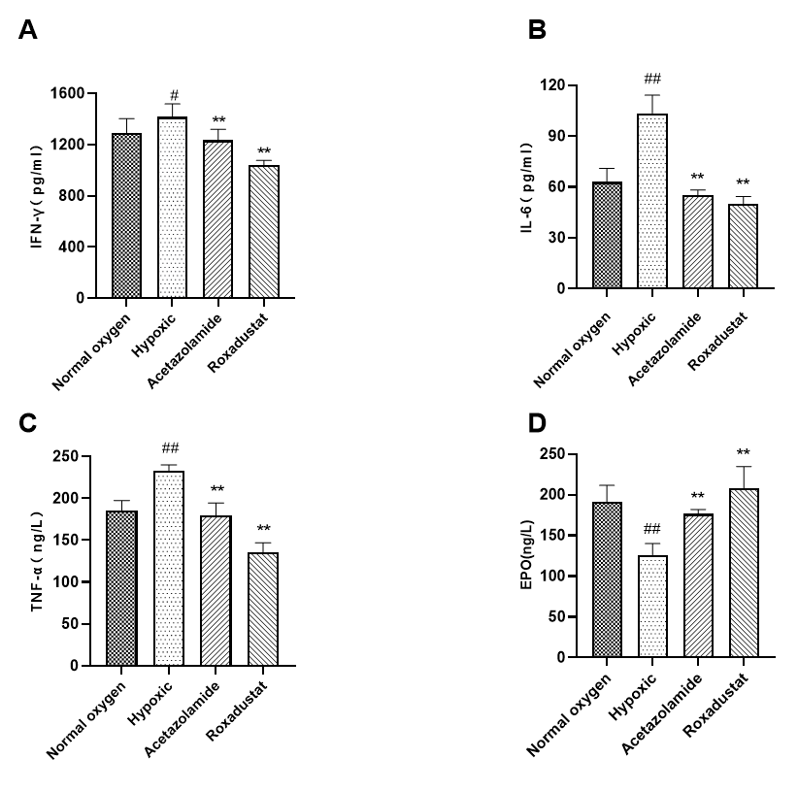
Effects of roxadustat on plasma inflammatory factors and EPO in field hypoxia rats at high altitude. Corresponding to Figure 1(A, B, C and D) in the text .
IFN-γ
Temperature(¡C) | 1 | 2 | 3 | 4 | 5 | 6 | 7 | 8 | 9 | 10 | 11 | 12
normal oxygen group | 0.3711 | 0.4101 | 0.3633 | 0.4267 | 0.3796 | 0.3106 | 0.1767
hypoxic group | 0.3748 | 0.3978 | 0.4215 | 0.4171 | 0.4855 | 0.4382 | 0.47875
acetazolamide group | 0.3222 | 0.3431 | 0.3275 | 0.386 | 0.4004 | 0.3533 | 0.9652
roxadustat group | 0.2973 | 0.2667 | 0.2808 | 0.2974 | 0.2963 | 0.2738 | 1.7335
 |  |  |  |  |  |  | 2.3202

 | concentration | absorbance
 | 150 | 0.1767
 | 300 | 0.47875
 | 600 | 0.9652
 | 1200 | 1.7335
 | 2400 | 2.3202
Standard curve fitting equation (four parameters)：y=(2.86185-0.02163)/[1+(x/925.23089)^(-1.52620)]+0.02163 r^2=0.99951

Protein concentration * Dilution (5)
group | Numbering | IFN-γ
normal oxygen group | 1 | 1277.52376
 | 2 | 1383.456835
 | 3 | 1256.192235
 | 4 | 1428.25537
 | 5 | 1433.912955
 | 6 | 1300.708845
hypoxic group | 1 | 1287.62359
 | 2 | 1350.16236
 | 3 | 1414.237215
 | 4 | 1402.365255
 | 5 | 1586.10361
 | 6 | 1459.213985
acetazolamide group | 1 | 1142.72833
 | 2 | 1200.669495
 | 3 | 1157.474415
 | 4 | 1318.127075
 | 5 | 1357.208125
 | 6 | 1228.75901
roxadustat group | 1 | 1072.899675
 | 2 | 985.60428
 | 3 | 1026.056195
 | 4 | 1073.18209
 | 5 | 1070.074605
 | 6 | 1006.02559

IL-6

Temperature(¡C) | 1 | 2 | 3 | 4 | 5 | 6 | 7 | 8 | 9 | 10 | 11 | 12
normal oxygen group | 0.0948 | 0.1129 | 0.0938 | 0.1603 | 0.1361 | 0.1721 |  |  |  | 0.0284
hypoxic group | 0.2784 | 0.3606 | 0.3449 | 0.2707 | 0.2627 | 0.2726 |  |  |  | 0.1832
acetazolamide group | 0.105 | 0.1203 | 0.1022 | 0.0931 | 0.0914 | 0.1155 |  |  |  | 0.3955
roxadustat group | 0.0593 | 0.0995 | 0.0948 | 0.069 | 0.0853 | 0.0975 |  |  |  | 1.2382
 |  |  |  |  |  |  |  |  |  | 2.2492

 | concentration | absorbance
 | 7.5 | 0.0284
 | 15 | 0.1832
 | 30 | 0.3955
 | 60 | 1.2382
 | 120 | 2.2492
Standard curve fitting equation (four parameters)：y = 0.0201x - 0.1179_x000b_r^2 = 0.9905

Protein concentration * Dilution (5)
group | Numbering | IL-6
normal oxygen group | 1 | 52.910447761
 | 2 | 57.412935323
 | 3 | 52.661691542
 | 4 | 69.2039801
 | 5 | 63.184079602
 | 6 | 72.139303483
hypoxic group | 1 | 98.582089552
 | 2 | 119.02985075
 | 3 | 115.12437811
 | 4 | 96.666666667
 | 5 | 94.676616915
 | 6 | 97.139303483
acetazolamide group | 1 | 55.447761194
 | 2 | 59.253731343
 | 3 | 54.751243781
 | 4 | 52.487562189
 | 5 | 52.064676617
 | 6 | 58.059701493
roxadustat group | 1 | 44.07960199
 | 2 | 54.07960199
 | 3 | 52.910447761
 | 4 | 46.492537313
 | 5 | 50.547263682
 | 6 | 53.582089552

TNF-α
Temperature(¡C) | 1 | 2 | 3 | 4 | 5 | 6 | 7 | 8 | 9 | 10 | 11 | 12
normal oxygen group | 0.3003 | 0.3452 | 0.3294 | 0.3338 | 0.3573 | 0.3377 |  |  |  | 0.2301
hypoxic group | 0.4219 | 0.4181 | 0.4016 | 0.406 | 0.4323 | 0.4314 |  |  |  | 0.4288
acetazolamide group | 0.3156 | 0.3345 | 0.3442 | 0.3558 | 0.3023 | 0.2951 |  |  |  | 0.9023
roxadustat group | 0.2783 | 0.2777 | 0.2467 | 0.2571 | 0.2471 | 0.2693 |  |  |  | 1.8201
 |  |  |  |  |  |  |  |  |  | 2.6342

 | concentration | absorbance
 | 22.5 | 0.2301
 | 45 | 0.4288
 | 90 | 0.9023
 | 180 | 1.8201
 | 360 | 2.6342
Standard curve fitting equation (four parameters)：y=(2.89362-0.17829)/[1+(x/146.53548)^(-2.03850)]+0.17829_x000b_r^2 = R^2=0.99994

Protein concentration * Dilution (5)
group | Numbering | TNF-α
normal oxygen group | 1 | 163.57403
 | 2 | 192.39536
 | 3 | 182.679915
 | 4 | 184.929505
 | 5 | 199.58099
 | 6 | 187.833715
hypoxic group | 1 | 235.104875
 | 2 | 233.122875
 | 3 | 224.37902
 | 4 | 226.73352
 | 5 | 240.47305
 | 6 | 240.01165
acetazolamide group | 1 | 173.837815
 | 2 | 185.86034
 | 3 | 191.79211
 | 4 | 198.70119
 | 5 | 164.94636
 | 6 | 159.95888
roxadustat group | 1 | 147.75878
 | 2 | 147.306665
 | 3 | 121.923685
 | 4 | 130.94174
 | 5 | 122.28196
 | 6 | 140.841475

EPO
Temperature(¡C) | 1 | 2 | 3 | 4 | 5 | 6 | 7 | 8 | 9 | 10 | 11 | 12
normal oxygen group | 186.375953 | 159.945743 | 203.075447 | 221.365505 | 190.58435 | 186.154882 |  |  |  | 0.11815
hypoxic group | 129.813562 | 131.483708 | 133.995318 | 116.373896 | 141.998376 | 103.781935 |  |  |  | 0.21985
acetazolamide group | 185.933854 | 168.610213 | 173.843935 | 177.347365 | 175.156393 | 176.908818 |  |  |  | 0.24955
roxadustat group | 188.367501 | 207.567469 | 254.957541 | 211.849631 | 207.117547 | 175.375291 |  |  |  | 0.43255
 |  |  |  |  |  |  |  |  |  | 0.64225
 |  |  |  |  |  |  |  |  |  | 1.77885

 | concentration | absorbance
 | 187.5 | 0.11815
 | 375 | 0.21985
 | 750 | 0.24955
 | 1500 | 0.43255
 | 3000 | 0.64225
 | 6000 | 1.77885

Standard curve fitting equation (four parameters)：y = (23.86170- 0.04673)/[1 + (x/120484.41425)^(-0.84470)]+ 0.04673 r^2 =0.97042

Protein concentration * Dilution (5)
group | Numbering | EPO
normal oxygen group | 1 | 186.375953
 | 2 | 159.945743
 | 3 | 203.075447
 | 4 | 221.365505
 | 5 | 190.58435
 | 6 | 186.154882
hypoxic group | 1 | 129.813562
 | 2 | 131.483708
 | 3 | 133.995318
 | 4 | 116.373896
 | 5 | 141.998376
 | 6 | 103.781935
acetazolamide group | 1 | 185.933854
 | 2 | 168.610213
 | 3 | 173.843935
 | 4 | 177.347365
 | 5 | 175.156393
 | 6 | 176.908818
roxadustat group | 1 | 188.367501
 | 2 | 207.567469
 | 3 | 254.957541
 | 4 | 211.849631
 | 5 | 207.117547
 | 6 | 175.375291

 | SPSS analysis results：Analyzing Data with IBM SPSS Statistics 21.0
 | 描述
 |  |  | 个案数 | 平均值 | 标准 偏差 | 标准 错误 | 平均值的 95% 置信区间 |  | 最小值 | 最大值
 |  |  |  |  |  |  | 下限 | 上限
 | TNF | normal oxygen group | 6 | 185.1656 | 12.16242 | 4.96529 | 172.4019 | 197.9293 | 163.57 | 199.58
 |  | hypoxic group | 6 | 233.3042 | 6.67069 | 2.7233 | 226.3037 | 240.3046 | 224.38 | 240.47
 |  | acetazolamide group | 6 | 179.1828 | 15.39712 | 6.28585 | 163.0245 | 195.3411 | 159.96 | 198.7
 |  | roxadustat group | 6 | 135.1757 | 11.81005 | 4.82143 | 122.7818 | 147.5696 | 121.92 | 147.76
 |  | 总计 | 24 | 183.2071 | 37.22167 | 7.59784 | 167.4897 | 198.9244 | 121.92 | 240.47
 | IL6 | normal oxygen group | 6 | 61.2521 | 8.28992 | 3.38434 | 52.5523 | 69.9518 | 52.66 | 72.14
 |  | hypoxic group | 6 | 103.5365 | 10.63471 | 4.3416 | 92.376 | 114.6969 | 94.68 | 119.03
 |  | acetazolamide group | 6 | 55.3441 | 2.89608 | 1.18232 | 52.3049 | 58.3834 | 52.06 | 59.25
 |  | roxadustat group | 6 | 50.2819 | 4.12605 | 1.68445 | 45.9519 | 54.6119 | 44.08 | 54.08
 |  | 总计 | 24 | 67.6036 | 22.58054 | 4.60923 | 58.0687 | 77.1386 | 44.08 | 119.03
 | IFN | normal oxygen group | 6 | 1292.7422 | 110.90827 | 45.27811 | 1176.3511 | 1409.1333 | 1110.32 | 1428.26
 |  | hypoxic group | 6 | 1416.6177 | 101.78851 | 41.55499 | 1309.7972 | 1523.4382 | 1287.62 | 1586.1
 |  | acetazolamide group | 6 | 1234.1611 | 86.69778 | 35.39422 | 1143.1773 | 1325.1448 | 1142.73 | 1357.21
 |  | roxadustat group | 6 | 1038.9737 | 38.44265 | 15.69415 | 998.6307 | 1079.3168 | 985.6 | 1073.18
 |  | 总计 | 24 | 1245.6237 | 162.05844 | 33.08004 | 1177.1924 | 1314.0549 | 985.6 | 1586.1
 | EPO | normal oxygen group | 6 | 191.2503 | 20.38088 | 8.32046 | 169.8619 | 212.6387 | 159.95 | 221.37
 |  | hypoxic group | 6 | 126.2411 | 13.78726 | 5.62863 | 111.7723 | 140.71 | 103.78 | 142
 |  | acetazolamide group | 6 | 176.3001 | 5.67013 | 2.31482 | 170.3497 | 182.2505 | 168.61 | 185.93
 |  | roxadustat group | 6 | 207.5392 | 27.08996 | 11.05943 | 179.11 | 235.9683 | 175.38 | 254.96
 |  | 总计 | 24 | 175.3327 | 35.54953 | 7.25652 | 160.3214 | 190.3439 | 103.78 | 254.96

 | 多重比较
 | LSD
 | 因变量 | (I) group | (J) group | 平均值差值 (I-J) | 标准 错误 | 显著性 | 95% 置信区间
 |  |  |  |  |  |  | 下限 | 上限
 | TNF | normal oxygen group | hypoxic group | -48.13858* | 6.8858 | 0 | -62.5021 | -33.7751
 |  |  | acetazolamide group | 5.9828 | 6.8858 | 0.395 | -8.3807 | 20.3463
 |  |  | roxadustat group | 49.98987* | 6.8858 | 0 | 35.6263 | 64.3534
 |  | hypoxic group | normal oxygen group | 48.13858* | 6.8858 | 0 | 33.7751 | 62.5021
 |  |  | acetazolamide group | 54.12138* | 6.8858 | 0 | 39.7579 | 68.4849
 |  |  | roxadustat group | 98.12845* | 6.8858 | 0 | 83.7649 | 112.492
 |  | acetazolamide group | normal oxygen group | -5.9828 | 6.8858 | 0.395 | -20.3463 | 8.3807
 |  |  | hypoxic group | -54.12138* | 6.8858 | 0 | -68.4849 | -39.7579
 |  |  | roxadustat group | 44.00706* | 6.8858 | 0 | 29.6435 | 58.3706
 |  | roxadustat group | normal oxygen group | -49.98987* | 6.8858 | 0 | -64.3534 | -35.6263
 |  |  | hypoxic group | -98.12845* | 6.8858 | 0 | -112.492 | -83.7649
 |  |  | acetazolamide group | -44.00706* | 6.8858 | 0 | -58.3706 | -29.6435
 | IL6 | normal oxygen group | hypoxic group | -42.28441* | 4.15563 | 0 | -50.9529 | -33.6159
 |  |  | acetazolamide group | 5.90796 | 4.15563 | 0.171 | -2.7605 | 14.5765
 |  |  | roxadustat group | 10.97015* | 4.15563 | 0.016 | 2.3017 | 19.6386
 |  | hypoxic group | normal oxygen group | 42.28441* | 4.15563 | 0 | 33.6159 | 50.9529
 |  |  | acetazolamide group | 48.19237* | 4.15563 | 0 | 39.5239 | 56.8609
 |  |  | roxadustat group | 53.25456* | 4.15563 | 0 | 44.5861 | 61.9231
 |  | acetazolamide group | normal oxygen group | -5.90796 | 4.15563 | 0.171 | -14.5765 | 2.7605
 |  |  | hypoxic group | -48.19237* | 4.15563 | 0 | -56.8609 | -39.5239
 |  |  | roxadustat group | 5.06219 | 4.15563 | 0.237 | -3.6063 | 13.7307
 |  | roxadustat group | normal oxygen group | -10.97015* | 4.15563 | 0.016 | -19.6386 | -2.3017
 |  |  | hypoxic group | -53.25456* | 4.15563 | 0 | -61.9231 | -44.5861
 |  |  | acetazolamide group | -5.06219 | 4.15563 | 0.237 | -13.7307 | 3.6063
 | IFN | normal oxygen group | hypoxic group | -123.87548* | 51.36137 | 0.026 | -231.0134 | -16.7375
 |  |  | acetazolamide group | 58.58111 | 51.36137 | 0.268 | -48.5568 | 165.7191
 |  |  | roxadustat group | 253.76845* | 51.36137 | 0 | 146.6305 | 360.9064
 |  | hypoxic group | normal oxygen group | 123.87548* | 51.36137 | 0.026 | 16.7375 | 231.0134
 |  |  | acetazolamide group | 182.45659* | 51.36137 | 0.002 | 75.3186 | 289.5945
 |  |  | roxadustat group | 377.64393* | 51.36137 | 0 | 270.506 | 484.7819
 |  | acetazolamide group | normal oxygen group | -58.58111 | 51.36137 | 0.268 | -165.7191 | 48.5568
 |  |  | hypoxic group | -182.45659* | 51.36137 | 0.002 | -289.5945 | -75.3186
 |  |  | roxadustat group | 195.18734* | 51.36137 | 0.001 | 88.0494 | 302.3253
 |  | roxadustat group | normal oxygen group | -253.76845* | 51.36137 | 0 | -360.9064 | -146.6305
 |  |  | hypoxic group | -377.64393* | 51.36137 | 0 | -484.7819 | -270.506
 |  |  | acetazolamide group | -195.18734* | 51.36137 | 0.001 | -302.3253 | -88.0494
 | EPO | normal oxygen group | hypoxic group | 65.00918* | 10.69067 | 0 | 42.7088 | 87.3095
 |  |  | acetazolamide group | 14.95022 | 10.69067 | 0.177 | -7.3501 | 37.2506
 |  |  | roxadustat group | -16.28885 | 10.69067 | 0.143 | -38.5892 | 6.0115
 |  | hypoxic group | normal oxygen group | -65.00918* | 10.69067 | 0 | -87.3095 | -42.7088
 |  |  | acetazolamide group | -50.05896* | 10.69067 | 0 | -72.3593 | -27.7586
 |  |  | roxadustat group | -81.29803* | 10.69067 | 0 | -103.5984 | -58.9977
 |  | acetazolamide group | normal oxygen group | -14.95022 | 10.69067 | 0.177 | -37.2506 | 7.3501
 |  |  | hypoxic group | 50.05896* | 10.69067 | 0 | 27.7586 | 72.3593
 |  |  | roxadustat group | -31.23907* | 10.69067 | 0.008 | -53.5394 | -8.9387
 |  | roxadustat group | normal oxygen group | 16.28885 | 10.69067 | 0.143 | -6.0115 | 38.5892
 |  |  | hypoxic group | 81.29803* | 10.69067 | 0 | 58.9977 | 103.5984
 |  |  | acetazolamide group | 31.23907* | 10.69067 | 0.008 | 8.9387 | 53.5394
 | * 平均值差值的显著性水平为 0.05。

 |  | Plotting with GraphPad Prism 8.0.1

Oxidative stress
Effects of roxadustat on oxidative stress in rats myocardial tissue. Corresponding to Figure 2(A, B, andC) in the text .

Activity of SOD-myocardial tissue
 | SOD absorbance
Temperature(¡C) | 1 | 2 | 3 | 4 | 5 | 6 | 7 | 8 | 9 | 10 | 11 | 12
29.5 | normal oxygen group | 0.1343 | 0.1203 | 0.1434 | 0.1367 | 0.1475 | 0.1112 |  |  | contrast | blank
 | hypoxic group | 0.1522 | 0.1169 | 0.1353 | 0.1342 | 0.1472 | 0.1401 |  |  | 0.2159 | 0
 | acetazolamide group | 0.1202 | 0.0931 | 0.1233 | 0.1236 | 0.1344 | 0.1305 |  |  | 0.217
 | roxadustat group | 0.1372 | 0.1356 | 0.145 | 0.1092 | 0.122 | 0.1104 |  |  | 0.2169
 |  |  |  |  |  |  |  |  |  | 0.2035

 | Determination of protein concentration（BCA）
 | normal oxygen group | 7.134913667 | 6.9661496439 | 5.7848014828 | 4.4015218028 | 8.8869378597 | 4.6405228758
 | hypoxic group | 9.1942249537 | 7.0041947127 | 5.2960686762 | 9.2478782558 | 5.1243781095 | 9.2127597308
 | acetazolamide group | 9.7668520144 | 8.7308555263 | 5.2609501512 | 6.4208369915 | 7.3202614379 | 4.9673202614
 | roxadustat group | 5.3731343284 | 7.803141157 | 6.9524924398 | 5.8013852307 | 5.0024387865 | 11.658374793

group | Numbering | SOD
normal oxygen group | 1 | 576.01615378
 | 2 | 688.88816878
 | 3 | 633.02576338
 | 4 | 389.34992153
 | 5 | 1130.6474217
 | 6 | 906.89061309
hypoxic group | 1 | 293.92235017
 | 2 | 651.31345958
 | 3 | 678.36141642
 | 4 | 578.75878915
 | 5 | 362.51825831
 | 6 | 394.74942183
acetazolamide group | 1 | 491.84937084
 | 2 | 702.98581467
 | 3 | 884.10639442
 | 4 | 722.0980435
 | 5 | 560.75914994
 | 6 | 865.02566333
roxadustat group | 1 | 518.48866232
 | 2 | 515.38024066
 | 3 | 921.37204257
 | 4 | 453.42261618
 | 5 | 942.58524258
 | 6 | 738.31935517
Activity of MDA-myocardial tissue
 | MDA absorbance-The determination of value.
Temperature(¡C) | 1 | 2 | 3 | 4 | 5 | 6 | 7 | 8 | 9 | 10 | 11 | 12
29.5 | normal oxygen group | 0.0717 | 0.068 | 0.0599 | 0.0638 | 0.0461 | 0.0726 |  |  |  | blank | standard
 | hypoxic group | 0.214 | 0.1063 | 0.1034 | 0.0925 | 0.0807 | 0.1081 |  |  |  | -0.00145 | 0.04565
 | acetazolamide group | 0.0938 | 0.0653 | 0.0918 | 0.0702 | 0.0834 | 0.0582
 | roxadustat group | 0.1208 | 0.0816 | 0.0856 | 0.0825 | 0.0909 | 0.1061

 | MDA absorbance-The contrast of value.
 | normal oxygen group | 0.0035 | 0.004 | 0.0071 | 0.0019 | 0.0021 | 0.0008
 | hypoxic group | 0.009 | 0.0004 | 0.0014 | 0.0009 | 0.0045 | 0.0039
 | acetazolamide group | 0.0033 | 0.0027 | 0.0003 | 0 | 0.0011 | 0.0015
 | roxadustat group | 0.002 | 0.0007 | 0.0015 | 0.0041 | 0.0071 | 0.0033

 | Determination of protein concentration（BCA）
 | normal oxygen group | 7.134913667 | 6.9661496439 | 5.7848014828 | 7.6031606673 | 8.8869378597 | 10.498487952
 | hypoxic group | 12.052952324 | 7.0041947127 | 5.2960686762 | 6.0189249829 | 5.1243781095 | 5.0648717198
 | acetazolamide group | 9.7668520144 | 8.7308555263 | 5.2609501512 | 6.4208369915 | 7.3202614379 | 8.2479758072
 | roxadustat group | 10.575553605 | 7.803141157 | 6.9524924398 | 5.0024387865 | 5.3731343284 | 11.658374793

group | Numbering | MDA
normal oxygen group | 1 | 2.0294331262
 | 2 | 1.9505912302
 | 3 | 1.9378696255
 | 4 | 1.7285246368
 | 5 | 1.0511861397
 | 6 | 1.4520339908
hypoxic group | 1 | 3.2100872913
 | 2 | 4.0890804631
 | 3 | 3.2311389609
 | 4 | 3.1571331396
 | 5 | 4.3679570726
 | 6 | 3.6111
acetazolamide group | 1 | 1.9673112011
 | 2 | 1.5222873003
 | 3 | 3.6926317555
 | 4 | 2.3212641309
 | 5 | 2.386999545
 | 6 | 1.4595358718
roxadustat group | 1 | 2.3850221822
 | 2 | 2.2011931428
 | 3 | 2.5682338358
 | 4 | 1.872122206
 | 5 | 3.327464054
 | 6 | 3.3112762444
Activity of GSH-myocardial tissue
 | GSH absorbance-The determination of value.
Temperature(¡C) | 1 | 2 | 3 | 4 | 5 | 6 | 7 | 8 | 9 | 10 | 11 | 12
29.5 | normal oxygen group | 0.0186 | 0.0176 | 0.0158 | 0.0214 | 0.0168 | 0.0146 |  |  |  | blank | standard
 | hypoxic group | 0.0189 | 0.0184 | 0.0207 | 0.0191 | 0.0138 | 0.0145 |  |  |  | 0.0054333333333 | 0.06995
 | acetazolamide group | 0.0219 | 0.0222 | 0.0168 | 0.019 | 0.0202 | 0.02002
 | roxadustat group | 0.0237 | 0.0165 | 0.0198 | 0.0161 | 0.0188 | 0.022

 | Determination of protein concentration（BCA）
 | normal oxygen group | 7.134913667 | 6.9661496439 | 5.7848014828 | 10.498487952 | 4.4015218028 | 4.6405228758
 | hypoxic group | 9.1942249537 | 7.0041947127 | 9.2478782558 | 6.0189249829 | 5.1243781095 | 9.2127597308
 | acetazolamide group | 8.2479758072 | 8.7308555263 | 5.2609501512 | 4.543946932 | 4.9673202614 | 6.3502097356
 | roxadustat group | 5.3731343284 | 7.803141157 | 6.9524924398 | 5.8013852307 | 4.2903131402 | 5.0024387865

group | Numbering | GSH
normal oxygen group | 1 | 0.87920685635
 | 2 | 0.83228657346
 | 3 | 0.85437933789
 | 4 | 0.94216456635
 | 5 | 0.72426764738
 | 6 | 1.2308577128
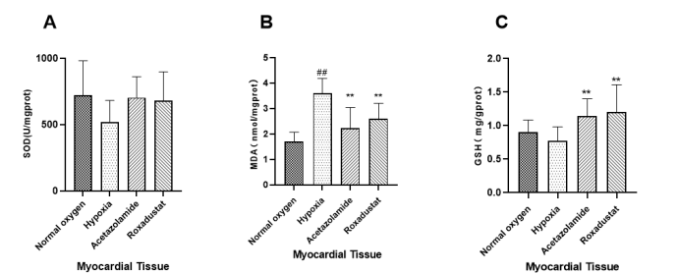
hypoxic group | 1 | 0.69778961329
 | 2 | 0.88204552118
 | 3 | 1.0817016549
 | 4 | 0.77901169257
 | 5 | 0.4694155855
 | 6 | 0.78624008994
acetazolamide group | 1 | 0.91444657454
 | 2 | 1.0297849064
 | 3 | 1.4223665002
 | 4 | 1.4159418283
 | 5 | 0.95069765632
 | 6 | 1.1466474931
roxadustat group | 1 | 0.67601973273
 | 2 | 0.98430076876
 | 3 | 0.87651212907
 | 4 | 1.484299921
 | 5 | 1.5770017038
 | 6 | 1.6185616615

Effects of roxadustat on oxidative stress in rats renal tissue. Corresponding to Figure 2(D, E, and F) in the text .

 | Activity of SOD-renal tissue
 |  | SOD absorbance
 | Temperature(¡C) | 1 | 2 | 3 | 4 | 5 | 6 | 7 | 8 | 9 | 10 | 11 | 12
 | 29.5 | normal oxygen group | 0.1047 | 0.1084 | 0.1247 | 0.1267 | 0.1206 | 0.1193 |  |  |  | blank | contrast
 |  | hypoxic group | 0.0991 | 0.135 | 0.1192 | 0.1137 | 0.1096 | 0.1117 |  |  |  | 0 | 0.2618
 |  | acetazolamide group | 0.1147 | 0.1113 | 0.1069 | 0.0993 | 0.1082 | 0.0945 |  |  |  |  | 0.2602
 |  | roxadustat group | 0.1009 | 0.1135 | 0.1059 | 0.13 | 0.1109 | 0.1119 |  |  |  |  | 0.2307
 |  |  |  |  |  |  |  |  |  |  |  |  | 0.2382
 |  |  |  |  |  |  |  |  |  |  |  |  | 0.2371
 |  | Determination of protein concentration（BCA）
 |  | normal oxygen group | 11.075066013 | 10.784609581 | 10.153401232 | 9.4442348799 | 9.5850622407 | 10.154658619
 |  | hypoxic group | 15.869483214 | 11.1643405 | 12.13504338 | 17.770652584 | 15.038350308 | 18.581667295
 |  | acetazolamide group | 14.021124104 | 13.703005155 | 14.628442097 | 12.723500566 | 15.429397712 | 15.42562555
 |  | roxadustat group | 10.960643782 | 11.224695084 | 12.538664655 | 10.421224695 | 10.797183453 | 10.784609581

 | group | Numbering | SOD
 | normal oxygen group | 1 | 536.40103026
 |  | 2 | 568.26677735
 |  | 3 | 585.19883987
 |  | 4 | 557.45938792
 |  | 5 | 563.4995306
 |  | 6 | 565.04707234
 | hypoxic group | 1 | 451.18003863
 |  | 2 | 466.81186867
 |  | 3 | 331.06660792
 |  | 4 | 402.04822799
 |  | 5 | 320.89260552
 |  | 6 | 407.275669
 | acetazolamide group | 1 | 416.76720406
 |  | 2 | 436.29915905
 |  | 3 | 395.46307513
 |  | 4 | 430.84082932
 |  | 5 | 420.64626573
 |  | 6 | 507.3532526
 | roxadustat group | 1 | 493.92217537
 |  | 2 | 502.41239739
 |  | 3 | 555.19104998
 |  | 4 | 552.15486404
 |  | 5 | 583.15456227
 |  | 6 | 524.84407138
 | Activity of MDA-renal tissue
 |  | MDA absorbance-The determination of value.
 | Temperature(¡C) | 1 | 2 | 3 | 4 | 5 | 6 | 7 | 8 | 9 | 10 | 11 | 12
 | 29.5 | normal oxygen group | 0.0706 | 0.0839 | 0.0798 | 0.0493 | 0.0667 | 0.07006 |  |  |  |  | standard
 |  | hypoxic group | 0.0812 | 0.1031 | 0.0796 | 0.1091 | 0.0887 | 0.09234 |  |  |  |  | 0.04565
 |  | acetazolamide group | 0.092 | 0.0976 | 0.097 | 0.0969 | 0.0615 | 0.087 |  |  |  |  | blank
 |  | roxadustat group | 0.0846 | 0.0718 | 0.0718 | 0.0839 | 0.0642 | 0.0801 |  |  |  |  | 0

 |  | MDA absorbance-The contrast of value.
 |  | normal oxygen group | 0.0063 | 0.0062 | 0.0055 | 0.0037 | 0.0053 | 0.0054
 |  | hypoxic group | 0.0074 | 0.0044 | 0.0078 | 0.0083 | 0.0047 | 0.00652
 |  | acetazolamide group | 0.0038 | 0.0075 | 0.0067 | 0.0051 | 0.0056 | 0.009
 |  | roxadustat group | 0.0056 | 0.0084 | 0.007 | 0.007 | 0.0066 | 0.0025

 |  | Determination of protein concentration（BCA）
 |  | normal oxygen group | 9.6919401484 | 11.539041871 | 10.153401232 | 10.784609581 | 10.154658619 | 10.46473029
 |  | hypoxic group | 12.405381617 | 11.1643405 | 12.13504338 | 11.776688042 | 12.773796052 | 12.051049918
 |  | acetazolamide group | 14.021124104 | 17.740475292 | 14.628442097 | 12.723500566 | 15.429397712 | 15.42562555
 |  | roxadustat group | 10.784609581 | 12.269583805 | 12.538664655 | 10.421224695 | 10.797183453 | 11.224695084

 | group | Numbering | MDA
 | normal oxygen group | 1 | 1.467782869
 |  | 2 | 1.4897480812
 |  | 3 | 1.6189701088
 |  | 4 | 1.337718116
 |  | 5 | 0.93545301749
 |  | 6 | 1.3699344385
 | hypoxic group | 1 | 1.3161573043
 |  | 2 | 1.9558954857
 |  | 3 | 1.3090151601
 |  | 4 | 1.8936465733
 |  | 5 | 1.454858894
 |  | 6 | 1.8729861584
 | acetazolamide group | 1 | 1.3917054147
 |  | 2 | 0.80153852201
 |  | 3 | 1.118699343
 |  | 4 | 1.1236242541
 |  | 5 | 1.3656871985
 |  | 6 | 1.5962379542
 | roxadustat group | 1 | 1.1433660266
 |  | 2 | 1.6325599758
 |  | 3 | 1.1802488017
 |  | 4 | 1.6206313242
 |  | 5 | 1.143196778
 |  | 6 | 1.5294973685
 | Activity of GSH-renal tissue
 |  | GSH absorbance-The determination of value.
 | Temperature(¡C) | 1 | 2 | 3 | 4 | 5 | 6 | 7 | 8 | 9 | 10 | 11 | 12
 | 29.5 | normal oxygen group | 0.0483 | 0.0412 | 0.0371 | 0.0417 | 0.0462 | 0.0415 |  |  |  | blank | standard
 |  | hypoxic group | 0.0435 | 0.0489 | 0.04778 | 0.0474 | 0.0515 | 0.0476 |  |  |  | 0.011 | 0.0728
 |  | acetazolamide group | 0.0537 | 0.0614 | 0.0516 | 0.0504 | 0.0602 | 0.05546
 |  | roxadustat group | 0.055 | 0.0556 | 0.0468 | 0.046 | 0.0596 | 0.0506
 |  |  | 0.0492 | 0.0486 | 0.0554 | 0.0484 | 0.0534 | 0.0524
 |  | Determination of protein concentration（BCA）
 |  | normal oxygen group | 9.6919401484 | 10.154658619 | 10.153401232 | 9.4442348799 | 9.5850622407 | 10.784609581
 |  | hypoxic group | 11.776688042 | 15.869483214 | 14.84244939 | 12.946058091 | 15.038350308 | 18.581667295
 |  | acetazolamide group | 14.021124104 | 13.703005155 | 10.059097196 | 12.723500566 | 15.429397712 | 13.187224947
 |  | roxadustat group | 11.106500692 | 11.463598642 | 8.7174651075 | 8.4873632591 | 11.000880171 | 13.216396328
 |  |  | 9.3109518421 | 10.960643782 | 12.538664655 | 10.421224695 | 10.797183453 | 10.784609581
 | group | Numbering | GSH
 | normal oxygen group | 1 | 1.9118244379
 |  | 2 | 1.2769646037
 |  | 3 | 1.6148102459
 |  | 4 | 1.8243057482
 |  | 5 | 1.4773776189
 |  | 6 | 1.6210565309
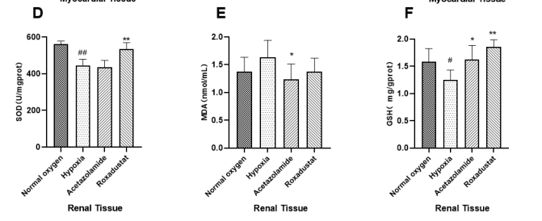
 | hypoxic group | 1 | 1.3378416932
 |  | 2 | 0.97846727686
 |  | 3 | 1.1863868549
 |  | 4 | 1.3709136175
 |  | 5 | 1.3967340885
 |  | 6 | 1.2540687062
 | acetazolamide group | 1 | 1.5128467689
 |  | 2 | 1.8271096683
 |  | 3 | 2.005011784
 |  | 4 | 1.5840395818
 |  | 5 | 1.5382945761
 |  | 6 | 1.6934604758
 | roxadustat group | 1 | 2.0380704064
 |  | 2 | 1.7590637669
 |  | 3 | 1.7828004812
 |  | 4 | 1.9507664442
 |  | 5 | 1.9069785756
 |  | 6 | 1.7041259184

Effects of roxadustat on oxidative stress in rats brain tissue. Corresponding to Figure 2(G, H, and I) in the text .

 | Activity of SOD-brain tissue
 |  | SOD absorbance
 | Temperature(¡C) | 1 | 2 | 3 | 4 | 5 | 6 | 7 | 8 | 9 | 10 | 11 | 12
 | 29.5 | normal oxygen group | 0.156 | 0.1605 | 0.1278 | 0.1687 | 0.1263 | 0.1538 |  |  |  | blank | contrast
 |  | hypoxic group | 0.1539 | 0.152 | 0.1449 | 0.1538 | 0.1689 | 0.1617 |  |  |  | 0 | 0.2473
 |  | acetazolamide group | 0.162 | 0.165 | 0.1634 | 0.1627 | 0.1504 | 0.1566 |  |  |  |  | 0.241
 |  | roxadustat group | 0.168 | 0.162 | 0.1622 | 0.1551 | 0.1648 | 0.1493 |  |  |  |  | 0.2477
 |  |  |  |  |  |  |  |  |  |  |  |  | 0.2464

 |  | Determination of protein concentration（BCA）
 |  | normal oxygen group | 4.4199273624 | 4.2876721716 | 5.5410128144 | 3.7819502501 | 6.0542725965 | 4.4966764887
 |  | hypoxic group | 4.3130267937 | 4.2582059892 | 4.5419036524 | 4.476118687 | 4.0916877955 | 4.219146166
 |  | acetazolamide group | 4.0149386692 | 3.6024121154 | 4.1937915439 | 4.2725964504 | 4.0354964709 | 4.6892345645
 |  | roxadustat group | 3.6723086411 | 4.0944288357 | 4.1376002193 | 3.9279106421 | 3.7010895635 | 3.9100938806

 | group | Numbering | SOD
 | normal oxygen group | 1 | 447.70950915
 |  | 2 | 438.77191966
 |  | 3 | 450.4508469
 |  | 4 | 450.67206661
 |  | 5 | 433.17568643
 |  | 6 | 467.43305863
 | hypoxic group | 1 | 464.84812904
 |  | 2 | 470.5797314
 |  | 3 | 391.90474625
 |  | 4 | 418.01932854
 |  | 5 | 433.27400985
 |  | 6 | 449.14208012
 | acetazolamide group | 1 | 461.89226503
 |  | 2 | 434.97021381
 |  | 3 | 430.49274172
 |  | 4 | 521.74062191
 |  | 5 | 496.76489528
 |  | 6 | 420.39273536
 | roxadustat group | 1 | 464.40937081
 |  | 2 | 442.67770677
 |  | 3 | 479.60604698
 |  | 4 | 540.20192973
 |  | 5 | 505.63050169
 |  | 6 | 448.40784872
 | Activity of MDA-brain tissue
 |  | MDA absorbance-The determination of value.
 | Temperature(¡C) | 1 | 2 | 3 | 4 | 5 | 6 | 7 | 8 | 9 | 10 | 11 | 12
 | 29.5 | normal oxygen group | 0.0245 | 0.034 | 0.023 | 0.0268 | 0.0187 | 0.0277 |  |  |  | blank | standard
 |  | hypoxic group | 0.032 | 0.0336 | 0.0185 | 0.0319 | 0.0275 | 0.0253 |  |  |  | 0.0084 | 0.0769
 |  | acetazolamide group | 0.0246 | 0.0193 | 0.0266 | 0.0206 | 0.0277 | 0.0259
 |  | roxadustat group | 0.0224 | 0.0284 | 0.0258 | 0.0197 | 0.0119 | 0.0259

 |  | MDA absorbance-The contrast of value.
 |  | normal oxygen group | 0.0021 | 0.0008 | 0.0004 | 0.0017 | 0.0008 | 0.002
 |  | hypoxic group | 0.0017 | 0.002 | 0.0008 | 0.002 | 0.0009 | 0.0008
 |  | acetazolamide group | 0.0028 | 0.0015 | 0.0024 | 0.0032 | 0.0024 | 0.0049
 |  | roxadustat group | 0.0017 | 0.0034 | 0.0025 | 0.0026 | 0.003 | 0.003

 |  | Determination of protein concentration（BCA）
 |  | normal oxygen group | 4.4325683747 | 7.1151629467 | 6.0379335639 | 5.1891438751 | 4.7710363617 | 5.0162422718
 |  | hypoxic group | 4.4671486954 | 5.2069579797 | 4.4053232736 | 3.8729959132 | 4.5530755528 | 7.4305773866
 |  | acetazolamide group | 7.6485381955 | 5.8566488526 | 7.9639526354 | 4.0647595096 | 6.5419679346 | 4.8695378812
 |  | roxadustat group | 8.1483810123 | 4.3696950644 | 9.6751545636 | 3.9735932097 | 3.8635649167 | 7.8465891229

 | group | Numbering | MDA
 | normal oxygen group | 1 | 1.1118819683
 |  | 2 | 1.0266427526
 |  | 3 | 0.82354288883
 |  | 4 | 1.0642511343
 |  | 5 | 1.127251267
 |  | 6 | 0.82547973664
 | hypoxic group | 1 | 1.4923762608
 |  | 2 | 1.3352700937
 |  | 3 | 0.88401899181
 |  | 4 | 1.6985966454
 |  | 5 | 0.72545359176
 |  | 6 | 1.2854136047
 | acetazolamide group | 1 | 0.62711063544
 |  | 2 | 0.66857912107
 |  | 3 | 0.94184731698
 |  | 4 | 0.94885021104
 |  | 5 | 0.85089940998
 |  | 6 | 0.66870863146
 | roxadustat group | 1 | 0.55893992177
 |  | 2 | 0.94684484271
 |  | 3 | 0.5068365258
 |  | 4 | 0.64212663254
 |  | 5 | 0.52986364379
 |  | 6 | 1.2587949442
 | Activity of GSH-brain tissue
 |  | GSH absorbance-The determination of value.
 | Temperature(¡C) | 1 | 2 | 3 | 4 | 5 | 6 | 7 | 8 | 9 | 10 | 11 | 12
 | 29.5 | normal oxygen group | 0.0872 | 0.0942 | 0.0813 | 0.0786 | 0.0808 | 0.0826 |  |  |  | blank | standard
 |  | hypoxic group | 0.0811 | 0.0836 | 0.0951 | 0.079 | 0.0664 | 0.08104 |  |  |  | 0.0054333333333 | 0.06995
 |  | acetazolamide group | 0.0846 | 0.0831 | 0.0778 | 0.0793 | 0.0827 | 0.0676
 |  | roxadustat group | 0.082 |  | 0.0885 | 0.0979 | 0.0812 | 0.0939

 |  | Determination of protein concentration（BCA）
 |  | normal oxygen group | 4.6358587446 | 4.7710363617 | 6.0379335639 | 5.1891438751 | 4.2931992036 | 5.0162422718
 |  | hypoxic group | 4.5530755528 | 5.2069579797 | 6.7022948758 | 7.4305773866 | 5.1168395683 | 5.8019490726
 |  | acetazolamide group | 5.8566488526 | 5.2855496175 | 6.5419679346 | 4.0647595096 | 5.0749240281 | 4.8695378812
 |  | roxadustat group | 4.3696950644 | 6.6760976632 | 3.1918683852 | 3.9735932097 | 3.8635649167 | 7.8465891229

 | group | Numbering | GSH
 | normal oxygen group | 1 | 5.5401993661
 |  | 2 | 6.2037710835
 |  | 3 | 7.737397775
 |  | 4 | 6.7894620665
 |  | 5 | 8.2722135694
 |  | 6 | 7.8092783668
 | hypoxic group | 1 | 6.6303431352
 |  | 2 | 5.1795676551
 |  | 3 | 4.357507045
 |  | 4 | 5.951204893
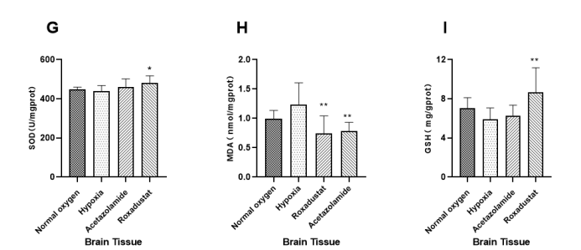
 |  | 5 | 7.3264959084
 |  | 6 | 5.8890237273
 | acetazolamide group | 1 | 6.4876417477
 |  | 2 | 8.0001517128
 |  | 3 | 6.7201439035
 |  | 4 | 5.557532389
 |  | 5 | 4.8638568483
 |  | 6 | 5.9744489471
 | roxadustat group | 1 | 11.532099035
 |  | 2 | 10.366551385
 |  | 3 | 8.6460880756
 |  | 4 | 5.0120035181
 |  | 5 | 7.7300102724
 |  | 6 | 8.6573504571

Effects of roxadustat on oxidative stress in rats lung tissue. Corresponding to Figure 2(J, K, and L) in the text .

 | Activity of SOD-lung tissue
 |  | SOD absorbance
 | Temperature(¡C) | 1 | 2 | 3 | 4 | 5 | 6 | 7 | 8 | 9 | 10 | 11 | 12
 | 29.5 | normal oxygen group | 0.1628 | 0.1442 | 0.1444 | 0.1505 | 0.1613 | 0.1411 |  |  |  | blank | contrast
 |  | hypoxic group | 0.151 | 0.1534 | 0.1618 | 0.1491 | 0.167 | 0.1544 |  |  |  | 0 | 0.2733
 |  | acetazolamide group | 0.1446 | 0.1375 | 0.153 | 0.1508 | 0.1521 | 0.1647 |  |  |  |  | 0.2784
 |  | roxadustat group | 0.1495 | 0.1473 | 0.151 | 0.1575 | 0.1616 | 0.1496 |  |  |  |  | 0.2841
 |  |  |  |  |  |  |  |  |  |  |  |  | 0.2675
 |  |  |  |  |  |  |  |  |  |  |  |  | 0.2672
 |  | Determination of protein concentration（BCA）
 |  | normal oxygen group | 8.6658949501 | 9.8422804225 | 9.8422804225 | 9.0941976559 | 8.3649254811 | 10.526696571
 |  | hypoxic group | 11.041817393 | 10.293734626 | 10.160613515 | 9.4805382723 | 10.036174215 | 9.7265229345
 |  | acetazolamide group | 11.687165389 | 12.500361742 | 10.774128201 | 9.0204022573 | 8.9726522934 | 9.0782810013
 |  | roxadustat group | 9.6368108812 | 10.878309941 | 8.0190999855 | 9.7930834901 | 9.4892200839 | 8.2260164954

 | group | Numbering | SOD
 | normal oxygen group | 1 | 132.04164951
 |  | 2 | 134.08664988
 |  | 3 | 133.8949606
 |  | 4 | 138.58161857
 |  | 5 | 138.48408017
 |  | 6 | 128.14671955
 | hypoxic group | 1 | 105.55137805
 |  | 2 | 124.94395298
 |  | 3 | 100.13775952
 |  | 4 | 110.88368091
 |  | 5 | 104.044474
 |  | 6 | 116.31877631
 | acetazolamide group | 1 | 112.59745593
 |  | 2 | 139.40161486
 |  | 3 | 124.06928108
 |  | 4 | 110.63051894
 |  | 5 | 114.78472896
 |  | 6 | 138.77673101
 | roxadustat group | 1 | 131.75748124
 |  | 2 | 118.62827883
 |  | 3 | 156.57268072
 |  | 4 | 121.948878
 |  | 5 | 154.23973436
 |  | 6 | 121.778082
 | Activity of MDA-lung tissue
 |  | MDA absorbance-The determination of value.
 | Temperature(¡C) | 1 | 2 | 3 | 4 | 5 | 6 | 7 | 8 | 9 | 10 | 11 | 12
 | 29.5 | normal oxygen group | 0.0226 | 0.0228 | 0.0228 | 0.0249 | 0.0245 | 0.0225 |  |  |  | blank | standard
 |  | hypoxic group | 0.0261 | 0.0242 | 0.0266 | 0.0247 | 0.0256 | 0.0262 |  |  |  | 0.0039 | 0.0422
 |  | acetazolamide group | 0.0242 | 0.0178 | 0.023 | 0.0238 | 0.0246 | 0.0177
 |  | roxadustat group | 0.02 | 0.0238 | 0.021 | 0.0198 | 0.0193 | 0.0226

 |  | MDA absorbance-The contrast of value.
 |  | normal oxygen group | 0.0098 | 0.0088 | 0.009 | 0.0114 | 0.0093 | 0.009
 |  | hypoxic group | 0.0104 | 0.0097 | 0.0099 | 0.0104 | 0.0115 | 0.0097
 |  | acetazolamide group | 0.0084 | 0.0116 | 0.0088 | 0.0087 | 0.0085 | 0.0048
 |  | roxadustat group | 0.0103 | 0.0101 | 0.0099 | 0.011 | 0.0083 | 0.0086

 |  | Determination of protein concentration（BCA）
 |  | normal oxygen group | 10.526696571 | 9.8422804225 | 9.8422804225 | 9.0941976559 | 12.61611923 | 10.559976849
 |  | hypoxic group | 9.7265229345 | 8.7512660975 | 10.160613515 | 9.4805382723 | 10.036174215 | 8.1247286934
 |  | acetazolamide group | 11.687165389 | 8.9726522934 | 12.27463464 | 12.500361742 | 12.747793373 | 9.0782810013
 |  | roxadustat group | 9.4892200839 | 10.878309941 | 8.2260164954 | 9.7930834901 | 12.380263348 | 12.134278686

 | group | Numbering | MDA
 | normal oxygen group | 1 | 0.30264565491
 |  | 2 | 0.29832214555
 |  | 3 | 0.31584319301
 |  | 4 | 0.25634210443
 |  | 5 | 0.27200253057
 |  | 6 | 0.25871404548
 | hypoxic group | 1 | 0.35941499099
 |  | 2 | 0.32719157801
 |  | 3 | 0.30475440782
 |  | 4 | 0.44052864287
 |  | 5 | 0.35652961779
 |  | 6 | 0.35013950372
 | acetazolamide group | 1 | 0.28764050271
 |  | 2 | 0.24613983913
 |  | 3 | 0.26871567609
 |  | 4 | 0.30233486391
 |  | 5 | 0.2076535651
 |  | 6 | 0.21578571747
 | roxadustat group | 1 | 0.26795463936
 |  | 2 | 0.19119008098
 |  | 3 | 0.24548005541
 |  | 4 | 0.24313104661
 |  | 5 | 0.2182609193
 |  | 6 | 0.21749203507
 | Activity of GSH-lung tissue
 |  | GSH absorbance-The determination of value.
 | Temperature(¡C) | 1 | 2 | 3 | 4 | 5 | 6 | 7 | 8 | 9 | 10 | 11 | 12
 | 29.5 | normal oxygen group | 0.0186 | 0.0179 | 0.0176 | 0.0152 | 0.0166 | 0.0153 |  |  |  | blank | standard
 |  | hypoxic group | 0.0151 | 0.0131 | 0.0147 | 0.0173 | 0.0153 | 0.0145 |  |  |  | 0.0066 | 0.0771
 |  | acetazolamide group | 0.018 | 0.0175 | 0.0201 | 0.0165 | 0.0174 | 0.0167 |  |  |  | 0.0073 | 0.0762
 |  | roxadustat group | 0.0179 | 0.0156 | 0.0166 | 0.0178 | 0.0127 | 0.01612

 |  | Determination of protein concentration（BCA）
 |  | normal oxygen group | 8.6658949501 | 9.8422804225 | 9.8422804225 | 9.0941976559 | 8.3649254811 | 10.559976849
 |  | hypoxic group | 11.041817393 | 10.160613515 | 9.7265229345 | 9.4805382723 | 10.293734626 | 8.1247286934
 |  | acetazolamide group | 11.687165389 | 11.040370424 | 12.27463464 | 9.0204022573 | 10.774128201 | 8.9726522934
 |  | roxadustat group | 9.6368108812 | 10.878309941 | 8.0190999855 | 9.7930834901 | 8.2260164954 | 9.3106641586

 | group | Numbering | GSH
 | normal oxygen group | 1 | 0.61079709352
 |  | 2 | 0.5064211612
 |  | 3 | 0.49297635161
 |  | 4 | 0.41712209786
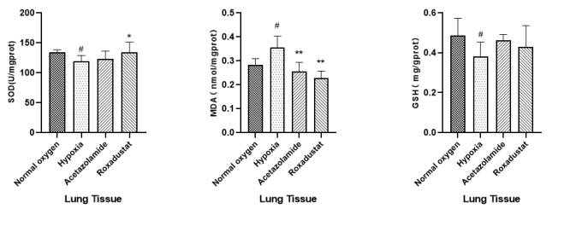
 |  | 5 | 0.52731127733
 |  | 6 | 0.36340041792
 | hypoxic group | 1 | 0.31069695357
 |  | 2 | 0.46392732944
 |  | 3 | 0.38976835992
 |  | 4 | 0.34182196935
 |  | 5 | 0.25106779838
 |  | 6 | 0.33462397772
 | acetazolamide group | 1 | 0.43025388182
 |  | 2 | 0.43548378489
 |  | 3 | 0.48512575354
 |  | 4 | 0.48410372623
 |  | 5 | 0.4421511434
 |  | 6 | 0.49651191085
 | roxadustat group | 1 | 0.51721872951
 |  | 2 | 0.364930546
 |  | 3 | 0.5500516951
 |  | 4 | 0.50446112198
 |  | 5 | 0.32709160273
 |  | 6 | 0.45275073906

Effects of roxadustat on oxidative stress in rats liver tissue. Corresponding to Figure 2 (M, N, and O) in the text .

 | Activity of SOD-liver tissue
 |  | SOD absorbance
 | Temperature(¡C) | 1 | 2 | 3 | 4 | 5 | 6 | 7 | 8 | 9 | 10 | 11 | 12
 | 29.5 | normal oxygen group | 0.1022 | 0.1169 | 0.1197 | 0.1085 | 0.1101 | 0.1232 |  |  | contrast | blank
 |  | hypoxic group | 0.1083 | 0.1277 | 0.0914 | 0.1139 | 0.098 | 0.1041 |  |  | 0.2452 | 0
 |  | acetazolamide group | 0.1033 | 0.0953 | 0.0942 | 0.0886 | 0.1062 | 0.1159 |  |  | 0.2371
 |  | roxadustat group | 0.0939 | 0.0975 | 0.1171 | 0.1031 | 0.103 | 0.108 |  |  | 0.2175
 |  |  |  |  |  |  |  |  |  |  | 0.2264
 |  |  |  |  |  |  |  |  |  |  | 0.2116
 |  | Determination of protein concentration（BCA）
 |  | normal oxygen group | 9.7924436517 | 10.765364034 | 9.7851467488 | 11.290741041 | 11.278579536 | 9.7948759527
 |  | hypoxic group | 11.906113183 | 11.105886168 | 12.134749473 | 11.478028215 | 12.292849035 | 11.677476893
 |  | acetazolamide group | 10.456461813 | 10.614561375 | 10.877249878 | 12.684449489 | 10.218096319 | 11.475595914
 |  | roxadustat group | 10.419977299 | 11.373439274 | 10.011350738 | 10.198637911 | 11.21290741 | 9.6416409924

 | group | Numbering | SOD
 | normal oxygen group | 1 | 1276.8776093
 |  | 2 | 1121.4520206
 |  | 3 | 1047.3823659
 |  | 4 | 1089.0935992
 |  | 5 | 1058.6450788
 |  | 6 | 1042.0828566
 | hypoxic group | 1 | 1085.7303155
 |  | 2 | 970.59186486
 |  | 3 | 1023.2171456
 |  | 4 | 1029.9018812
 |  | 5 | 978.22573346
 |  | 6 | 890.75307703
 | acetazolamide group | 1 | 1076.5813891
 |  | 2 | 1134.8400993
 |  | 3 | 1117.4021195
 |  | 4 | 1001.7210814
 |  | 5 | 872.7381898
 |  | 6 | 1073.7191327
 | roxadustat group | 1 | 1269.6279379
 |  | 2 | 1135.5153185
 |  | 3 | 1118.8214092
 |  | 4 | 1218.3055428
 |  | 5 | 1108.8828725
 |  | 6 | 1244.2494863
 | Activity of MDA-liver tissue
 |  | MDA absorbance-The determination of value.
 | Temperature(¡C) | 1 | 2 | 3 | 4 | 5 | 6 | 7 | 8 | 9 | 10 | 11 | 12
 | 29.5 | normal oxygen group | 0.0324 | 0.0286 | 0.0259 | 0.0352 | 0.0294 | 0.0303 |  |  |  | blank | standard
 |  | hypoxic group | 0.0313 | 0.0318 | 0.0341 | 0.0448 | 0.0441 | 0.0351 |  |  |  | 0.0048 | 0.0498
 |  | acetazolamide group | 0.0275 | 0.0252 | 0.0452 | 0.033 | 0.0308 | 0.0366 |  |  |  | 0.0027 | 0.0505
 |  | roxadustat group | 0.0309 | 0.0482 | 0.027 | 0.0229 | 0.0385 | 0.0452

 |  | MDA absorbance-The contrast of value.
 |  | normal oxygen group | 0.0041 | 0.003 | 0.0019 | 0.0036 | 0.002 | 0.00292
 |  | hypoxic group | 0.0065 | 0.0063 | 0.0035 | 0.0054 | 0.0075 | 0.0063
 |  | acetazolamide group | 0.0044 | 0.0047 | 0.0046 | 0.003 | 0.0046 | 0.002
 |  | roxadustat group | 0.0058 | 0.0055 | 0.0093 | 0.0074 | 0.0095 | 0.0068

 |  | Determination of protein concentration（BCA）
 |  | normal oxygen group | 9.7924436517 | 10.765364034 | 9.7851467488 | 12.32933355 | 11.278579536 | 10.790173504
 |  | hypoxic group | 9.439760013 | 10.157288795 | 12.134749473 | 11.906113183 | 12.292849035 | 11.677476893
 |  | acetazolamide group | 10.456461813 | 10.614561375 | 12.932544187 | 12.684449489 | 10.218096319 | 11.475595914
 |  | roxadustat group | 11.869628669 | 11.373439274 | 18.658180639 | 10.198637911 | 11.21290741 | 9.6416409924

 | group | Numbering | MDA
 | normal oxygen group | 1 | 0.60459904623
 |  | 2 | 0.51311652558
 |  | 3 | 0.53619107915
 |  | 4 | 0.50823931815
 |  | 5 | 0.4974888465
 |  | 6 | 0.53192696312
 | hypoxic group | 1 | 0.58381898518
 |  | 2 | 0.55789165602
 |  | 3 | 0.56037415648
 |  | 4 | 0.66163127116
 |  | 5 | 0.54806359786
 |  | 6 | 0.73538319525
 | acetazolamide group | 1 | 0.46216742047
 |  | 2 | 0.40403958085
 |  | 3 | 0.49479093539
 |  | 4 | 0.63077279631
 |  | 5 | 0.53641807407
 |  | 6 | 0.65677129934
 | roxadustat group | 1 | 0.78543122959
 |  | 2 | 0.31795204932
 |  | 3 | 0.54106801962
 |  | 4 | 0.44239345405
 |  | 5 | 0.19846141175
 |  | 6 | 0.45706123287
 | Activity of GSH-liver tissue
 |  | GSH absorbance-The determination of value.
 | Temperature(¡C) | 1 | 2 | 3 | 4 | 5 | 6 | 7 | 8 | 9 | 10 | 11 | 12
 | 29.5 | normal oxygen group | 0.2534 | 0.2323 | 0.2817 | 0.3243 | 0.3152 | 0.2534 |  |  |  | blank | standard
 |  | hypoxic group | 0.25082 | 0.2553 | 0.2251 | 0.2407 | 0.282 | 0.251 |  |  |  | 0.0076 | 0.08125
 |  | acetazolamide group | 0.2251 | 0.2735 | 0.267 | 0.2647 | 0.2738 | 0.2612
 |  | roxadustat group | 0.3131 | 0.2408 | 0.2518 | 0.1985 | 0.2369 | 0.2202

 |  | Determination of protein concentration（BCA）
 |  | normal oxygen group | 10.765364034 | 9.88973569 | 9.7851467488 | 12.32933355 | 11.278579536 | 9.7948759527
 |  | hypoxic group | 11.89784336 | 11.906113183 | 12.134749473 | 11.478028215 | 12.292849035 | 11.677476893
 |  | acetazolamide group | 10.456461813 | 10.614561375 | 10.877249878 | 10.218096319 | 12.932544187 | 11.475595914
 |  | roxadustat group | 11.869628669 | 11.373439274 | 10.011350738 | 10.198637911 | 11.21290741 | 9.6416409924

 | group | Numbering | GSH
 | normal oxygen group | 1 | 9.4707421303
 |  | 2 | 11.676355702
 |  | 3 | 10.707154904
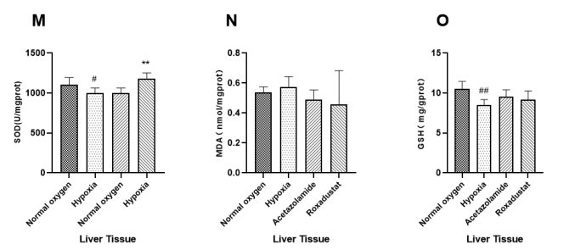
 |  | 4 | 11.368352959
 |  | 5 | 10.460406517
 |  | 6 | 9.5174100869
 | hypoxic group | 1 | 7.4712638
 |  | 2 | 8.4652660109
 |  | 3 | 9.3045887596
 |  | 4 | 8.6883474783
 |  | 5 | 8.6720470232
 |  | 6 | 8.5203026144
 | acetazolamide group | 1 | 8.670419888
 |  | 2 | 10.441957208
 |  | 3 | 9.9406890841
 |  | 4 | 9.2116966189
 |  | 5 | 10.488121475
 |  | 6 | 8.5800477438
 | roxadustat group | 1 | 8.5467766978
 |  | 2 | 10.167603623
 |  | 3 | 7.8024209921
 |  | 4 | 8.5241570579
 |  | 5 | 9.1913208786
 |  | 6 | 10.72851731

SPSS analysis results：Analyzing Data with IBM SPSS Statistics 21.0
描述
 |  | 个案数 | 平均值 | 标准 偏差 | 标准 错误 | 平均值的 95% 置信区间 |  | 最小值 | 最大值
 |  |  |  |  |  | 下限 | 上限
MTSOD | normal oxygen group | 6 | 720.803 | 261.59083 | 106.79401 | 446.2803 | 995.3258 | 389.35 | 1130.65
 | hypoxic group | 6 | 493.2706 | 163.14822 | 66.60498 | 322.0571 | 664.4842 | 293.92 | 678.36
 | acetazolamide group | 6 | 704.4707 | 157.62021 | 64.34818 | 539.0585 | 869.883 | 491.85 | 884.11
 | roxadustat group | 6 | 681.5947 | 216.85029 | 88.52876 | 454.0243 | 909.1651 | 453.42 | 942.59
 | 总计 | 24 | 650.0348 | 212.21719 | 43.31865 | 560.4233 | 739.6462 | 293.92 | 1130.65
MTMDA | normal oxygen group | 6 | 1.6916 | 0.37703 | 0.15392 | 1.2959 | 2.0873 | 1.05 | 2.03
 | hypoxic group | 6 | 3.6111 | 0.51236 | 0.20917 | 3.0734 | 4.1488 | 3.16 | 4.37
 | acetazolamide group | 6 | 2.225 | 0.81677 | 0.33345 | 1.3679 | 3.0822 | 1.46 | 3.69
 | roxadustat group | 6 | 2.6109 | 0.59506 | 0.24293 | 1.9864 | 3.2354 | 1.87 | 3.33
 | 总计 | 24 | 2.5346 | 0.90784 | 0.18531 | 2.1513 | 2.918 | 1.05 | 4.37
MTGSH | normal oxygen group | 6 | 0.9105 | 0.17237 | 0.07037 | 0.7296 | 1.0914 | 0.72 | 1.23
 | hypoxic group | 6 | 0.7827 | 0.20231 | 0.08259 | 0.5704 | 0.995 | 0.47 | 1.08
 | acetazolamide group | 6 | 1.1466 | 0.22562 | 0.09211 | 0.9099 | 1.3834 | 0.91 | 1.42
 | roxadustat group | 6 | 1.2028 | 0.40591 | 0.16571 | 0.7768 | 1.6288 | 0.68 | 1.62
 | 总计 | 24 | 1.0107 | 0.30474 | 0.0622 | 0.882 | 1.1393 | 0.47 | 1.62
RTSOD | normal oxygen group | 6 | 562.6454 | 15.88972 | 6.48695 | 545.9702 | 579.3207 | 536.4 | 585.2
 | hypoxic group | 6 | 396.5458 | 60.13079 | 24.54829 | 333.4424 | 459.6492 | 320.89 | 466.81
 | acetazolamide group | 6 | 434.5616 | 38.35221 | 15.65722 | 394.3135 | 474.8098 | 395.46 | 507.35
 | roxadustat group | 6 | 535.2799 | 34.27198 | 13.99148 | 499.3136 | 571.2461 | 493.92 | 583.15
 | 总计 | 24 | 482.2582 | 79.65636 | 16.25979 | 448.6223 | 515.8941 | 320.89 | 585.2
RTMDA | normal oxygen group | 6 | 1.3699 | 0.23484 | 0.09587 | 1.1235 | 1.6164 | 0.94 | 1.62
 | hypoxic group | 6 | 1.6338 | 0.30557 | 0.12475 | 1.3131 | 1.9544 | 1.31 | 1.96
 | acetazolamide group | 6 | 1.2329 | 0.27782 | 0.11342 | 0.9414 | 1.5245 | 0.8 | 1.6
 | roxadustat group | 6 | 1.3749 | 0.24325 | 0.09931 | 1.1196 | 1.6302 | 1.14 | 1.63
 | 总计 | 24 | 1.4029 | 0.28959 | 0.05911 | 1.2806 | 1.5252 | 0.8 | 1.96
RTGSH | normal oxygen group | 6 | 1.6211 | 0.23019 | 0.09397 | 1.3795 | 1.8626 | 1.28 | 1.91
 | hypoxic group | 6 | 1.2541 | 0.15592 | 0.06366 | 1.0904 | 1.4177 | 0.98 | 1.4
 | acetazolamide group | 6 | 1.6935 | 0.19162 | 0.07823 | 1.4924 | 1.8946 | 1.51 | 2.01
 | roxadustat group | 6 | 1.857 | 0.12849 | 0.05245 | 1.7221 | 1.9918 | 1.7 | 2.04
 | 总计 | 24 | 1.6064 | 0.28137 | 0.05744 | 1.4876 | 1.7252 | 0.98 | 2.04
BTSOD | normal oxygen group | 6 | 448.0355 | 11.79648 | 4.81589 | 435.6559 | 460.4152 | 433.18 | 467.43
 | hypoxic group | 6 | 437.9613 | 29.84203 | 12.18296 | 406.6441 | 469.2786 | 391.9 | 470.58
 | acetazolamide group | 6 | 461.0422 | 40.56237 | 16.55952 | 418.4747 | 503.6098 | 420.39 | 521.74
 | roxadustat group | 6 | 480.1556 | 37.18949 | 15.18255 | 441.1276 | 519.1835 | 442.68 | 540.2
 | 总计 | 24 | 456.7987 | 33.79058 | 6.89747 | 442.5302 | 471.0672 | 391.9 | 540.2
BTMDA | normal oxygen group | 6 | 0.9965 | 0.13789 | 0.05629 | 0.8518 | 1.1412 | 0.82 | 1.13
 | hypoxic group | 6 | 1.2369 | 0.36785 | 0.15017 | 0.8508 | 1.6229 | 0.73 | 1.7
 | acetazolamide group | 6 | 0.7843 | 0.14683 | 0.05994 | 0.6302 | 0.9384 | 0.63 | 0.95
 | roxadustat group | 6 | 0.7406 | 0.30094 | 0.12286 | 0.4248 | 1.0564 | 0.51 | 1.26
 | 总计 | 24 | 0.9396 | 0.31375 | 0.06404 | 0.8071 | 1.0721 | 0.51 | 1.7
BTGSH | normal oxygen group | 6 | 7.0587 | 1.05885 | 0.43228 | 5.9475 | 8.1699 | 5.54 | 8.27
 | hypoxic group | 6 | 5.889 | 1.04581 | 0.42695 | 4.7915 | 6.9865 | 4.36 | 7.33
 | acetazolamide group | 6 | 6.2673 | 1.07848 | 0.44029 | 5.1355 | 7.3991 | 4.86 | 8
 | roxadustat group | 6 | 8.6574 | 2.25096 | 0.91895 | 6.2951 | 11.0196 | 5.01 | 11.53
 | 总计 | 24 | 6.9681 | 1.73616 | 0.35439 | 6.235 | 7.7012 | 4.36 | 11.53
LUTSOD | normal oxygen group | 6 | 134.2059 | 3.97387 | 1.62233 | 130.0356 | 138.3763 | 128.15 | 138.58
 | hypoxic group | 6 | 110.3133 | 9.121 | 3.72363 | 100.7414 | 119.8852 | 100.14 | 124.94
 | acetazolamide group | 6 | 123.3767 | 13.01474 | 5.31325 | 109.7186 | 137.0349 | 110.63 | 139.4
 | roxadustat group | 6 | 134.1542 | 17.05845 | 6.96408 | 116.2524 | 152.0559 | 118.63 | 156.57
 | 总计 | 24 | 125.5125 | 14.90809 | 3.0431 | 119.2174 | 131.8077 | 100.14 | 156.57
LUTMDA | normal oxygen group | 6 | 0.284 | 0.02496 | 0.01019 | 0.2578 | 0.3102 | 0.26 | 0.32
 | hypoxic group | 6 | 0.3564 | 0.04614 | 0.01884 | 0.308 | 0.4049 | 0.3 | 0.44
 | acetazolamide group | 6 | 0.2547 | 0.03834 | 0.01565 | 0.2145 | 0.295 | 0.21 | 0.3
 | roxadustat group | 6 | 0.2306 | 0.02702 | 0.01103 | 0.2022 | 0.2589 | 0.19 | 0.27
 | 总计 | 24 | 0.2814 | 0.05836 | 0.01191 | 0.2568 | 0.3061 | 0.19 | 0.44
LUTGSH | normal oxygen group | 6 | 0.4863 | 0.08663 | 0.03537 | 0.3954 | 0.5772 | 0.36 | 0.61
 | hypoxic group | 6 | 0.3487 | 0.07237 | 0.02954 | 0.2727 | 0.4246 | 0.25 | 0.46
 | acetazolamide group | 6 | 0.4623 | 0.02939 | 0.012 | 0.4314 | 0.4931 | 0.43 | 0.5
 | roxadustat group | 6 | 0.4528 | 0.08922 | 0.03642 | 0.3591 | 0.5464 | 0.33 | 0.55
 | 总计 | 24 | 0.4375 | 0.08712 | 0.01778 | 0.4007 | 0.4743 | 0.25 | 0.61
LITSOD | normal oxygen group | 6 | 1105.9223 | 88.86802 | 36.28022 | 1012.661 | 1199.1835 | 1042.08 | 1276.88
 | hypoxic group | 6 | 996.4033 | 66.30095 | 27.06725 | 926.8248 | 1065.9819 | 890.75 | 1085.73
 | acetazolamide group | 6 | 1046.167 | 96.61729 | 39.44385 | 944.7734 | 1147.5606 | 872.74 | 1134.84
 | roxadustat group | 6 | 1182.5671 | 69.81159 | 28.50046 | 1109.3043 | 1255.8299 | 1108.88 | 1269.63
 | 总计 | 24 | 1082.7649 | 103.89717 | 21.20792 | 1038.893 | 1126.6368 | 872.74 | 1276.88
LITMDA | normal oxygen group | 6 | 0.5319 | 0.03847 | 0.01571 | 0.4916 | 0.5723 | 0.5 | 0.6
 | hypoxic group | 6 | 0.6079 | 0.07491 | 0.03058 | 0.5292 | 0.6865 | 0.55 | 0.74
 | acetazolamide group | 6 | 0.5308 | 0.09795 | 0.03999 | 0.428 | 0.6336 | 0.4 | 0.66
 | roxadustat group | 6 | 0.4571 | 0.20066 | 0.08192 | 0.2465 | 0.6676 | 0.2 | 0.79
 | 总计 | 24 | 0.5319 | 0.12388 | 0.02529 | 0.4796 | 0.5842 | 0.2 | 0.79
LITGSH | normal oxygen group | 6 | 10.5334 | 0.91657 | 0.37419 | 9.5715 | 11.4953 | 9.47 | 11.68
 | hypoxic group | 6 | 8.5203 | 0.59496 | 0.24289 | 7.8959 | 9.1447 | 7.47 | 9.3
 | acetazolamide group | 6 | 9.5555 | 0.85522 | 0.34914 | 8.658 | 10.453 | 8.58 | 10.49
 | roxadustat group | 6 | 9.1601 | 1.10452 | 0.45092 | 8.001 | 10.3193 | 7.8 | 10.73
 | 总计 | 24 | 9.4423 | 1.11366 | 0.22732 | 8.9721 | 9.9126 | 7.47 | 11.68

多重比较
LSD
因变量 | (I) group | (J) group | 平均值差值 (I-J) | 标准 错误 | 显著性 | 95% 置信区间
 |  |  |  |  |  | 下限 | 上限
MTSOD | normal oxygen group | hypoxic group | 227.53239 | 117.939 | 0.068 | -18.484 | 473.5488
 |  | acetazolamide group | 16.33227 | 117.939 | 0.891 | -229.6842 | 262.3487
 |  | roxadustat group | 39.20831 | 117.939 | 0.743 | -206.8081 | 285.2248
 | hypoxic group | normal oxygen group | -227.53239 | 117.939 | 0.068 | -473.5488 | 18.484
 |  | acetazolamide group | -211.20012 | 117.939 | 0.088 | -457.2166 | 34.8163
 |  | roxadustat group | -188.32408 | 117.939 | 0.126 | -434.3405 | 57.6924
 | acetazolamide group | normal oxygen group | -16.33227 | 117.939 | 0.891 | -262.3487 | 229.6842
 |  | hypoxic group | 211.20012 | 117.939 | 0.088 | -34.8163 | 457.2166
 |  | roxadustat group | 22.87605 | 117.939 | 0.848 | -223.1404 | 268.8925
 | roxadustat group | normal oxygen group | -39.20831 | 117.939 | 0.743 | -285.2248 | 206.8081
 |  | hypoxic group | 188.32408 | 117.939 | 0.126 | -57.6924 | 434.3405
 |  | acetazolamide group | -22.87605 | 117.939 | 0.848 | -268.8925 | 223.1404
MTMDA | normal oxygen group | hypoxic group | -1.91948* | 0.34471 | 0 | -2.6385 | -1.2004
 |  | acetazolamide group | -0.5334 | 0.34471 | 0.137 | -1.2524 | 0.1856
 |  | roxadustat group | -.91928* | 0.34471 | 0.015 | -1.6383 | -0.2002
 | hypoxic group | normal oxygen group | 1.91948* | 0.34471 | 0 | 1.2004 | 2.6385
 |  | acetazolamide group | 1.38608* | 0.34471 | 0.001 | 0.667 | 2.1051
 |  | roxadustat group | 1.00020* | 0.34471 | 0.009 | 0.2812 | 1.7192
 | acetazolamide group | normal oxygen group | 0.5334 | 0.34471 | 0.137 | -0.1856 | 1.2524
 |  | hypoxic group | -1.38608* | 0.34471 | 0.001 | -2.1051 | -0.667
 |  | roxadustat group | -0.38588 | 0.34471 | 0.276 | -1.1049 | 0.3332
 | roxadustat group | normal oxygen group | .91928* | 0.34471 | 0.015 | 0.2002 | 1.6383
 |  | hypoxic group | -1.00020* | 0.34471 | 0.009 | -1.7192 | -0.2812
 |  | acetazolamide group | 0.38588 | 0.34471 | 0.276 | -0.3332 | 1.1049
MTGSH | normal oxygen group | hypoxic group | 0.12783 | 0.15446 | 0.418 | -0.1944 | 0.45
 |  | acetazolamide group | -0.23612 | 0.15446 | 0.142 | -0.5583 | 0.0861
 |  | roxadustat group | -0.29226 | 0.15446 | 0.073 | -0.6145 | 0.03
 | hypoxic group | normal oxygen group | -0.12783 | 0.15446 | 0.418 | -0.45 | 0.1944
 |  | acetazolamide group | -.36395* | 0.15446 | 0.029 | -0.6862 | -0.0417
 |  | roxadustat group | -.42008* | 0.15446 | 0.013 | -0.7423 | -0.0979
 | acetazolamide group | normal oxygen group | 0.23612 | 0.15446 | 0.142 | -0.0861 | 0.5583
 |  | hypoxic group | .36395* | 0.15446 | 0.029 | 0.0417 | 0.6862
 |  | roxadustat group | -0.05614 | 0.15446 | 0.72 | -0.3783 | 0.2661
 | roxadustat group | normal oxygen group | 0.29226 | 0.15446 | 0.073 | -0.03 | 0.6145
 |  | hypoxic group | .42008* | 0.15446 | 0.013 | 0.0979 | 0.7423
 |  | acetazolamide group | 0.05614 | 0.15446 | 0.72 | -0.2661 | 0.3783
RTSOD | normal oxygen group | hypoxic group | 166.09960* | 23.29817 | 0 | 117.5005 | 214.6987
 |  | acetazolamide group | 128.08381* | 23.29817 | 0 | 79.4847 | 176.6829
 |  | roxadustat group | 27.36559 | 23.29817 | 0.254 | -21.2335 | 75.9647
 | hypoxic group | normal oxygen group | -166.09960* | 23.29817 | 0 | -214.6987 | -117.5005
 |  | acetazolamide group | -38.01579 | 23.29817 | 0.118 | -86.6149 | 10.5833
 |  | roxadustat group | -138.73402* | 23.29817 | 0 | -187.3331 | -90.1349
 | acetazolamide group | normal oxygen group | -128.08381* | 23.29817 | 0 | -176.6829 | -79.4847
 |  | hypoxic group | 38.01579 | 23.29817 | 0.118 | -10.5833 | 86.6149
 |  | roxadustat group | -100.71822* | 23.29817 | 0 | -149.3173 | -52.1191
 | roxadustat group | normal oxygen group | -27.36559 | 23.29817 | 0.254 | -75.9647 | 21.2335
 |  | hypoxic group | 138.73402* | 23.29817 | 0 | 90.1349 | 187.3331
 |  | acetazolamide group | 100.71822* | 23.29817 | 0 | 52.1191 | 149.3173
RTMDA | normal oxygen group | hypoxic group | -0.26383 | 0.15408 | 0.102 | -0.5852 | 0.0576
 |  | acetazolamide group | 0.13702 | 0.15408 | 0.384 | -0.1844 | 0.4584
 |  | roxadustat group | -0.00498 | 0.15408 | 0.975 | -0.3264 | 0.3164
 | hypoxic group | normal oxygen group | 0.26383 | 0.15408 | 0.102 | -0.0576 | 0.5852
 |  | acetazolamide group | .40084* | 0.15408 | 0.017 | 0.0794 | 0.7222
 |  | roxadustat group | 0.25884 | 0.15408 | 0.109 | -0.0626 | 0.5802
 | acetazolamide group | normal oxygen group | -0.13702 | 0.15408 | 0.384 | -0.4584 | 0.1844
 |  | hypoxic group | -.40084* | 0.15408 | 0.017 | -0.7222 | -0.0794
 |  | roxadustat group | -0.142 | 0.15408 | 0.368 | -0.4634 | 0.1794
 | roxadustat group | normal oxygen group | 0.00498 | 0.15408 | 0.975 | -0.3164 | 0.3264
 |  | hypoxic group | -0.25884 | 0.15408 | 0.109 | -0.5802 | 0.0626
 |  | acetazolamide group | 0.142 | 0.15408 | 0.368 | -0.1794 | 0.4634
RTGSH | normal oxygen group | hypoxic group | .36699* | 0.10429 | 0.002 | 0.1494 | 0.5845
 |  | acetazolamide group | -0.0724 | 0.10429 | 0.496 | -0.29 | 0.1452
 |  | roxadustat group | -.23591* | 0.10429 | 0.035 | -0.4535 | -0.0184
 | hypoxic group | normal oxygen group | -.36699* | 0.10429 | 0.002 | -0.5845 | -0.1494
 |  | acetazolamide group | -.43939* | 0.10429 | 0 | -0.6569 | -0.2218
 |  | roxadustat group | -.60290* | 0.10429 | 0 | -0.8205 | -0.3853
 | acetazolamide group | normal oxygen group | 0.0724 | 0.10429 | 0.496 | -0.1452 | 0.29
 |  | hypoxic group | .43939* | 0.10429 | 0 | 0.2218 | 0.6569
 |  | roxadustat group | -0.16351 | 0.10429 | 0.133 | -0.3811 | 0.054
 | roxadustat group | normal oxygen group | .23591* | 0.10429 | 0.035 | 0.0184 | 0.4535
 |  | hypoxic group | .60290* | 0.10429 | 0 | 0.3853 | 0.8205
 |  | acetazolamide group | 0.16351 | 0.10429 | 0.133 | -0.054 | 0.3811
BTSOD | normal oxygen group | hypoxic group | 10.07418 | 18.38946 | 0.59 | -28.2856 | 48.4339
 |  | acetazolamide group | -13.00673 | 18.38946 | 0.488 | -51.3665 | 25.353
 |  | roxadustat group | -32.12005 | 18.38946 | 0.096 | -70.4798 | 6.2397
 | hypoxic group | normal oxygen group | -10.07418 | 18.38946 | 0.59 | -48.4339 | 28.2856
 |  | acetazolamide group | -23.08091 | 18.38946 | 0.224 | -61.4407 | 15.2788
 |  | roxadustat group | -42.19423* | 18.38946 | 0.033 | -80.554 | -3.8345
 | acetazolamide group | normal oxygen group | 13.00673 | 18.38946 | 0.488 | -25.353 | 51.3665
 |  | hypoxic group | 23.08091 | 18.38946 | 0.224 | -15.2788 | 61.4407
 |  | roxadustat group | -19.11332 | 18.38946 | 0.311 | -57.4731 | 19.2464
 | roxadustat group | normal oxygen group | 32.12005 | 18.38946 | 0.096 | -6.2397 | 70.4798
 |  | hypoxic group | 42.19423* | 18.38946 | 0.033 | 3.8345 | 80.554
 |  | acetazolamide group | 19.11332 | 18.38946 | 0.311 | -19.2464 | 57.4731
BTMDA | normal oxygen group | hypoxic group | -0.24035 | 0.14901 | 0.122 | -0.5512 | 0.0705
 |  | acetazolamide group | 0.21218 | 0.14901 | 0.17 | -0.0987 | 0.523
 |  | roxadustat group | 0.25594 | 0.14901 | 0.101 | -0.0549 | 0.5668
 | hypoxic group | normal oxygen group | 0.24035 | 0.14901 | 0.122 | -0.0705 | 0.5512
 |  | acetazolamide group | .45252* | 0.14901 | 0.007 | 0.1417 | 0.7634
 |  | roxadustat group | .49629* | 0.14901 | 0.003 | 0.1855 | 0.8071
 | acetazolamide group | normal oxygen group | -0.21218 | 0.14901 | 0.17 | -0.523 | 0.0987
 |  | hypoxic group | -.45252* | 0.14901 | 0.007 | -0.7634 | -0.1417
 |  | roxadustat group | 0.04376 | 0.14901 | 0.772 | -0.2671 | 0.3546
 | roxadustat group | normal oxygen group | -0.25594 | 0.14901 | 0.101 | -0.5668 | 0.0549
 |  | hypoxic group | -.49629* | 0.14901 | 0.003 | -0.8071 | -0.1855
 |  | acetazolamide group | -0.04376 | 0.14901 | 0.772 | -0.3546 | 0.2671
BTGSH | normal oxygen group | hypoxic group | 1.1697 | 0.83889 | 0.179 | -0.5802 | 2.9196
 |  | acetazolamide group | 0.79142 | 0.83889 | 0.357 | -0.9585 | 2.5413
 |  | roxadustat group | -1.59863 | 0.83889 | 0.071 | -3.3485 | 0.1513
 | hypoxic group | normal oxygen group | -1.1697 | 0.83889 | 0.179 | -2.9196 | 0.5802
 |  | acetazolamide group | -0.37827 | 0.83889 | 0.657 | -2.1282 | 1.3716
 |  | roxadustat group | -2.76833* | 0.83889 | 0.004 | -4.5182 | -1.0184
 | acetazolamide group | normal oxygen group | -0.79142 | 0.83889 | 0.357 | -2.5413 | 0.9585
 |  | hypoxic group | 0.37827 | 0.83889 | 0.657 | -1.3716 | 2.1282
 |  | roxadustat group | -2.39005* | 0.83889 | 0.01 | -4.1399 | -0.6402
 | roxadustat group | normal oxygen group | 1.59863 | 0.83889 | 0.071 | -0.1513 | 3.3485
 |  | hypoxic group | 2.76833* | 0.83889 | 0.004 | 1.0184 | 4.5182
 |  | acetazolamide group | 2.39005* | 0.83889 | 0.01 | 0.6402 | 4.1399
LUTSOD | normal oxygen group | hypoxic group | 23.89261* | 6.82739 | 0.002 | 9.6509 | 38.1343
 |  | acetazolamide group | 10.82922 | 6.82739 | 0.128 | -3.4125 | 25.0709
 |  | roxadustat group | 0.05176 | 6.82739 | 0.994 | -14.1899 | 14.2934
 | hypoxic group | normal oxygen group | -23.89261* | 6.82739 | 0.002 | -38.1343 | -9.6509
 |  | acetazolamide group | -13.06338 | 6.82739 | 0.07 | -27.3051 | 1.1783
 |  | roxadustat group | -23.84085* | 6.82739 | 0.002 | -38.0825 | -9.5992
 | acetazolamide group | normal oxygen group | -10.82922 | 6.82739 | 0.128 | -25.0709 | 3.4125
 |  | hypoxic group | 13.06338 | 6.82739 | 0.07 | -1.1783 | 27.3051
 |  | roxadustat group | -10.77747 | 6.82739 | 0.13 | -25.0191 | 3.4642
 | roxadustat group | normal oxygen group | -0.05176 | 6.82739 | 0.994 | -14.2934 | 14.1899
 |  | hypoxic group | 23.84085* | 6.82739 | 0.002 | 9.5992 | 38.0825
 |  | acetazolamide group | 10.77747 | 6.82739 | 0.13 | -3.4642 | 25.0191
LUTMDA | normal oxygen group | hypoxic group | -.07245* | 0.02032 | 0.002 | -0.1148 | -0.0301
 |  | acetazolamide group | 0.02927 | 0.02032 | 0.165 | -0.0131 | 0.0716
 |  | roxadustat group | .05339* | 0.02032 | 0.016 | 0.011 | 0.0958
 | hypoxic group | normal oxygen group | .07245* | 0.02032 | 0.002 | 0.0301 | 0.1148
 |  | acetazolamide group | .10171* | 0.02032 | 0 | 0.0593 | 0.1441
 |  | roxadustat group | .12584* | 0.02032 | 0 | 0.0835 | 0.1682
 | acetazolamide group | normal oxygen group | -0.02927 | 0.02032 | 0.165 | -0.0716 | 0.0131
 |  | hypoxic group | -.10171* | 0.02032 | 0 | -0.1441 | -0.0593
 |  | roxadustat group | 0.02413 | 0.02032 | 0.249 | -0.0183 | 0.0665
 | roxadustat group | normal oxygen group | -.05339* | 0.02032 | 0.016 | -0.0958 | -0.011
 |  | hypoxic group | -.12584* | 0.02032 | 0 | -0.1682 | -0.0835
 |  | acetazolamide group | -0.02413 | 0.02032 | 0.249 | -0.0665 | 0.0183
LUTGSH | normal oxygen group | hypoxic group | .13769* | 0.04239 | 0.004 | 0.0493 | 0.2261
 |  | acetazolamide group | 0.02407 | 0.04239 | 0.577 | -0.0644 | 0.1125
 |  | roxadustat group | 0.03359 | 0.04239 | 0.437 | -0.0548 | 0.122
 | hypoxic group | normal oxygen group | -.13769* | 0.04239 | 0.004 | -0.2261 | -0.0493
 |  | acetazolamide group | -.11362* | 0.04239 | 0.014 | -0.202 | -0.0252
 |  | roxadustat group | -.10410* | 0.04239 | 0.023 | -0.1925 | -0.0157
 | acetazolamide group | normal oxygen group | -0.02407 | 0.04239 | 0.577 | -0.1125 | 0.0644
 |  | hypoxic group | .11362* | 0.04239 | 0.014 | 0.0252 | 0.202
 |  | roxadustat group | 0.00952 | 0.04239 | 0.825 | -0.0789 | 0.0979
 | roxadustat group | normal oxygen group | -0.03359 | 0.04239 | 0.437 | -0.122 | 0.0548
 |  | hypoxic group | .10410* | 0.04239 | 0.023 | 0.0157 | 0.1925
 |  | acetazolamide group | -0.00952 | 0.04239 | 0.825 | -0.0979 | 0.0789
LITSOD | normal oxygen group | hypoxic group | 109.51892* | 46.99459 | 0.03 | 11.4899 | 207.5479
 |  | acetazolamide group | 59.75525 | 46.99459 | 0.218 | -38.2737 | 157.7843
 |  | roxadustat group | -76.64484 | 46.99459 | 0.119 | -174.6738 | 21.3842
 | hypoxic group | normal oxygen group | -109.51892* | 46.99459 | 0.03 | -207.5479 | -11.4899
 |  | acetazolamide group | -49.76367 | 46.99459 | 0.302 | -147.7927 | 48.2653
 |  | roxadustat group | -186.16376* | 46.99459 | 0.001 | -284.1928 | -88.1348
 | acetazolamide group | normal oxygen group | -59.75525 | 46.99459 | 0.218 | -157.7843 | 38.2737
 |  | hypoxic group | 49.76367 | 46.99459 | 0.302 | -48.2653 | 147.7927
 |  | roxadustat group | -136.40009* | 46.99459 | 0.009 | -234.4291 | -38.3711
 | roxadustat group | normal oxygen group | 76.64484 | 46.99459 | 0.119 | -21.3842 | 174.6738
 |  | hypoxic group | 186.16376* | 46.99459 | 0.001 | 88.1348 | 284.1928
 |  | acetazolamide group | 136.40009* | 46.99459 | 0.009 | 38.3711 | 234.4291
LITMDA | normal oxygen group | hypoxic group | -0.07593 | 0.06889 | 0.283 | -0.2196 | 0.0678
 |  | acetazolamide group | 0.0011 | 0.06889 | 0.987 | -0.1426 | 0.1448
 |  | roxadustat group | 0.07487 | 0.06889 | 0.29 | -0.0688 | 0.2186
 | hypoxic group | normal oxygen group | 0.07593 | 0.06889 | 0.283 | -0.0678 | 0.2196
 |  | acetazolamide group | 0.07703 | 0.06889 | 0.277 | -0.0667 | 0.2207
 |  | roxadustat group | .15080* | 0.06889 | 0.041 | 0.0071 | 0.2945
 | acetazolamide group | normal oxygen group | -0.0011 | 0.06889 | 0.987 | -0.1448 | 0.1426
 |  | hypoxic group | -0.07703 | 0.06889 | 0.277 | -0.2207 | 0.0667
 |  | roxadustat group | 0.07377 | 0.06889 | 0.297 | -0.0699 | 0.2175
 | roxadustat group | normal oxygen group | -0.07487 | 0.06889 | 0.29 | -0.2186 | 0.0688
 |  | hypoxic group | -.15080* | 0.06889 | 0.041 | -0.2945 | -0.0071
 |  | acetazolamide group | -0.07377 | 0.06889 | 0.297 | -0.2175 | 0.0699
LITGSH | normal oxygen group | hypoxic group | 2.01310* | 0.51198 | 0.001 | 0.9451 | 3.0811
 |  | acetazolamide group | 0.97792 | 0.51198 | 0.071 | -0.0901 | 2.0459
 |  | roxadustat group | 1.37327* | 0.51198 | 0.014 | 0.3053 | 2.4412
 | hypoxic group | normal oxygen group | -2.01310* | 0.51198 | 0.001 | -3.0811 | -0.9451
 |  | acetazolamide group | -1.03519 | 0.51198 | 0.057 | -2.1032 | 0.0328
 |  | roxadustat group | -0.63983 | 0.51198 | 0.226 | -1.7078 | 0.4281
 | acetazolamide group | normal oxygen group | -0.97792 | 0.51198 | 0.071 | -2.0459 | 0.0901
 |  | hypoxic group | 1.03519 | 0.51198 | 0.057 | -0.0328 | 2.1032
 |  | roxadustat group | 0.39536 | 0.51198 | 0.449 | -0.6726 | 1.4633
 | roxadustat group | normal oxygen group | -1.37327* | 0.51198 | 0.014 | -2.4412 | -0.3053
 |  | hypoxic group | 0.63983 | 0.51198 | 0.226 | -0.4281 | 1.7078
 |  | acetazolamide group | -0.39536 | 0.51198 | 0.449 | -1.4633 | 0.6726
* 平均值差值的显著性水平为 0.05。

Pathological results
Pathological results of tissues in rats. Corresponding to Figure 3, 4, 5, 6 and 7 in the text .

Pathological results of myocardial tissue in rats. Corresponding to Figure 3 in the text .

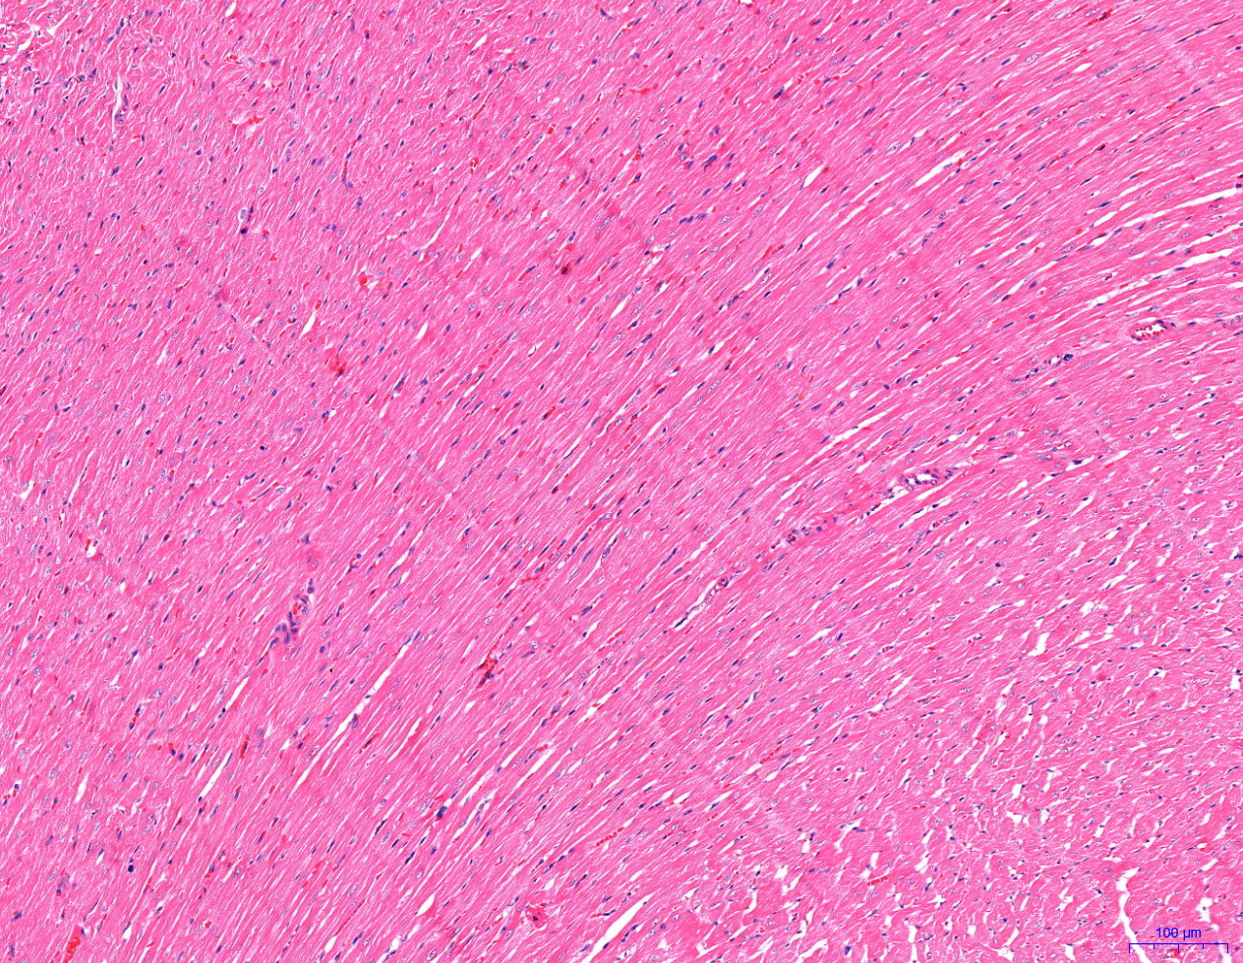
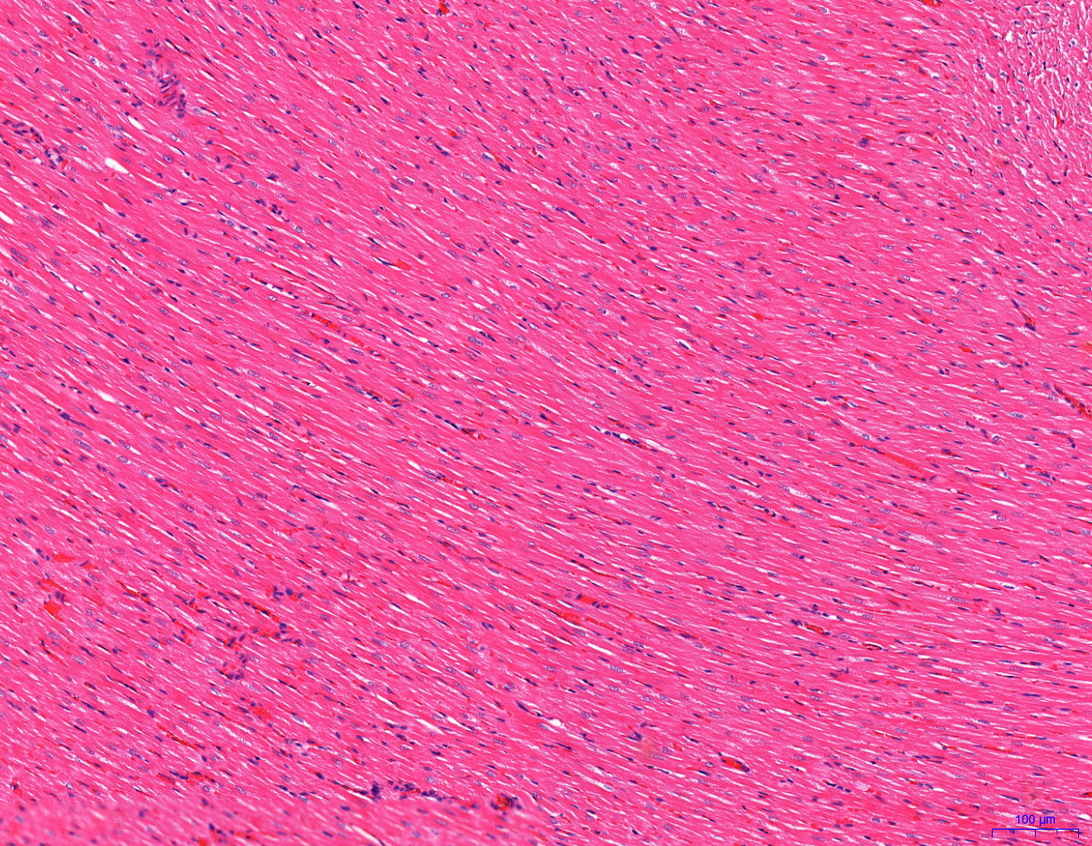
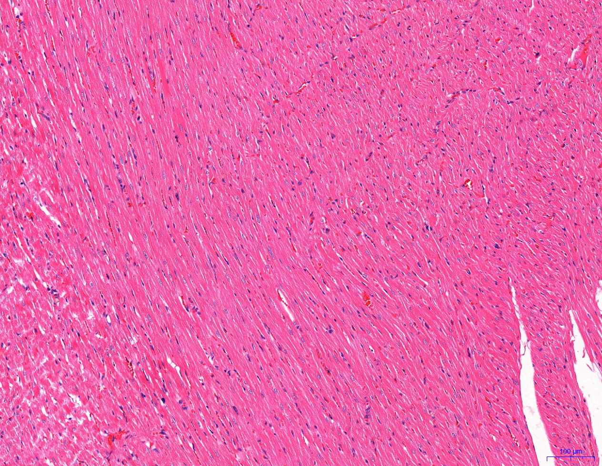
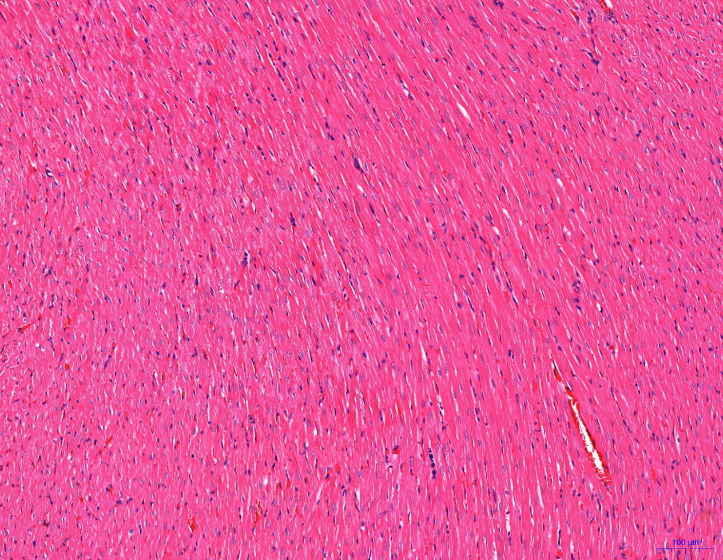

Normal oxygen group (×100) | Hypoxic group (×100) | Acetazolamide group (×100) | Roxadustat group (×100)

Pathological results of brain tissue in rats. Corresponding to Figure 4 in the text .

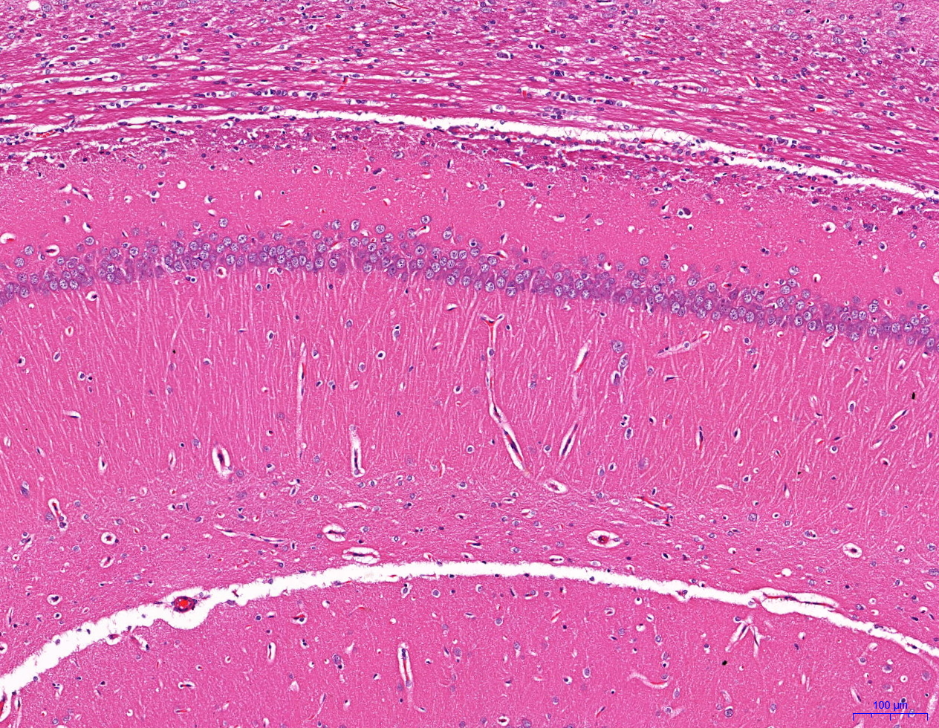
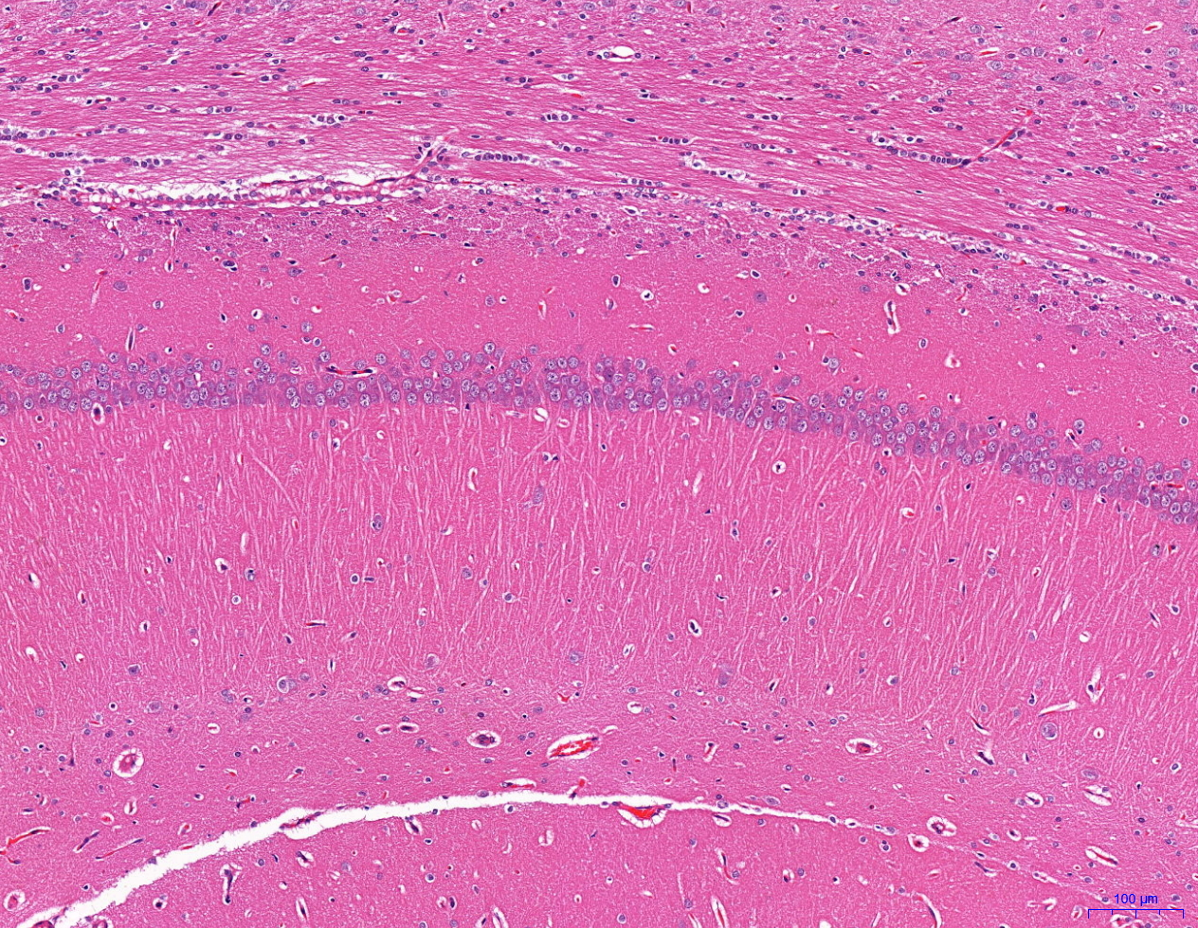
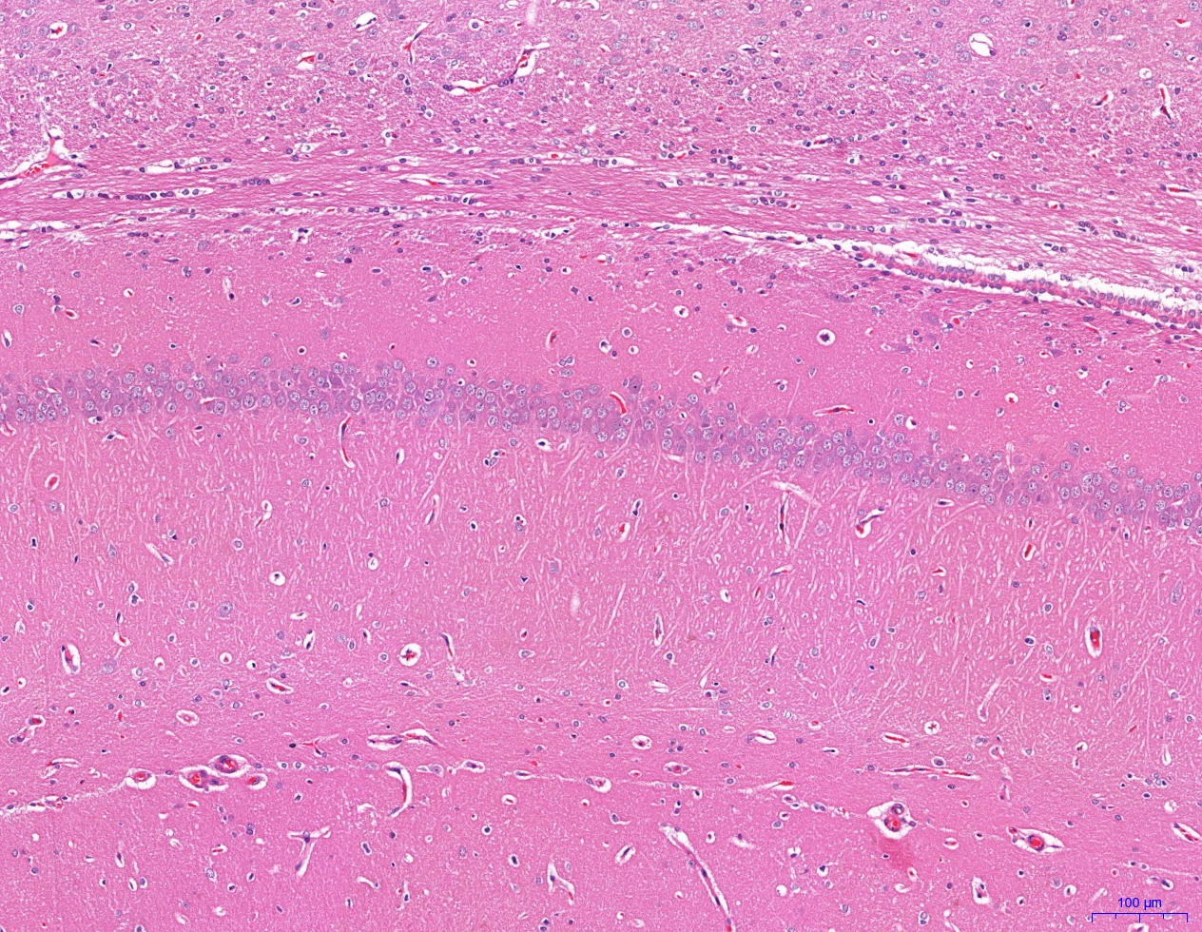
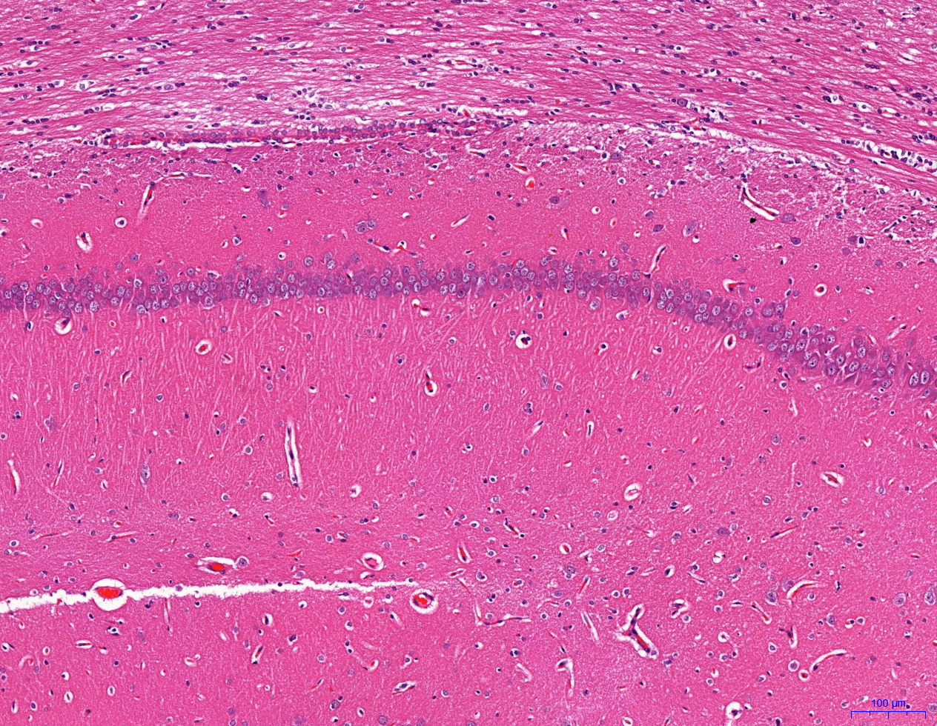

Normal oxygen group (×100) | Hypoxic group (×100) | Acetazolamide group (×100) | Roxadustat group (×100)

Pathological results of lung tissue in rats. Corresponding to Figure 5 in the text .

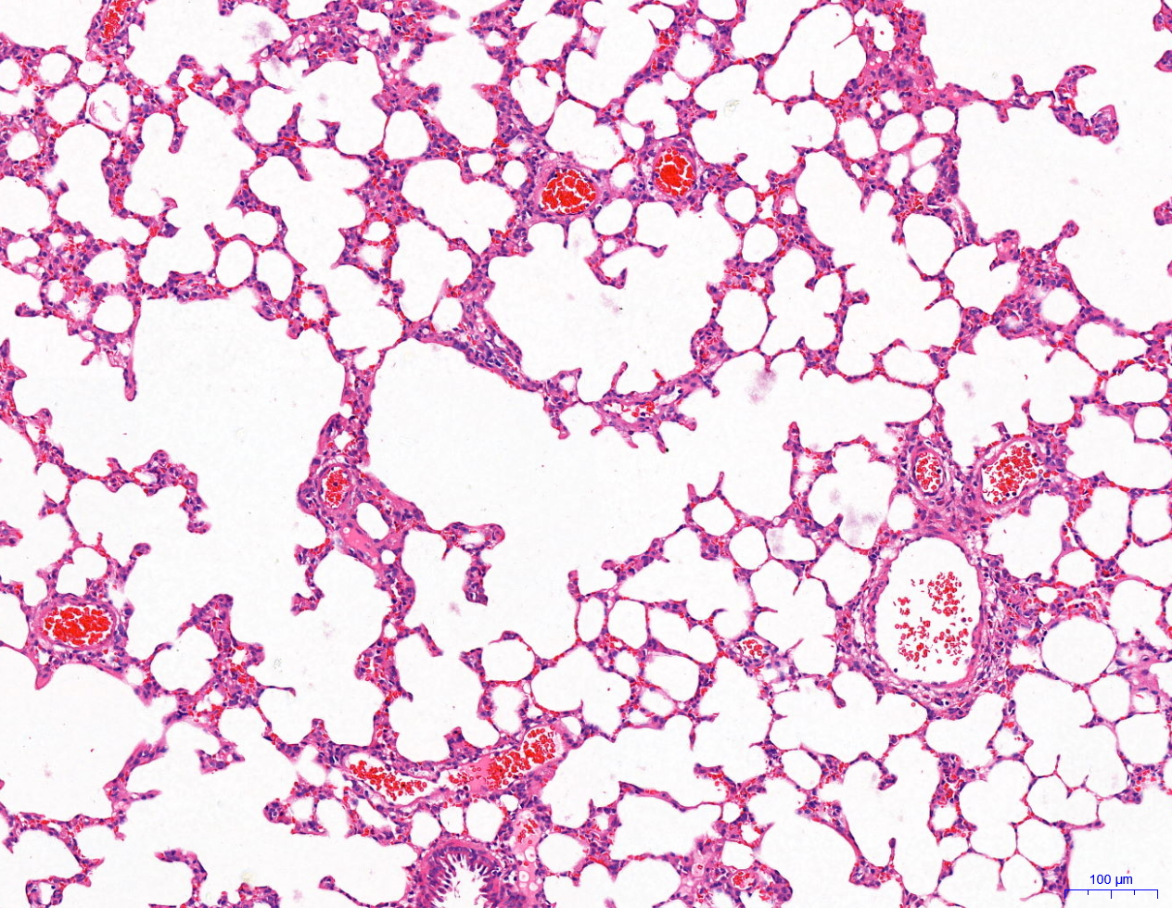
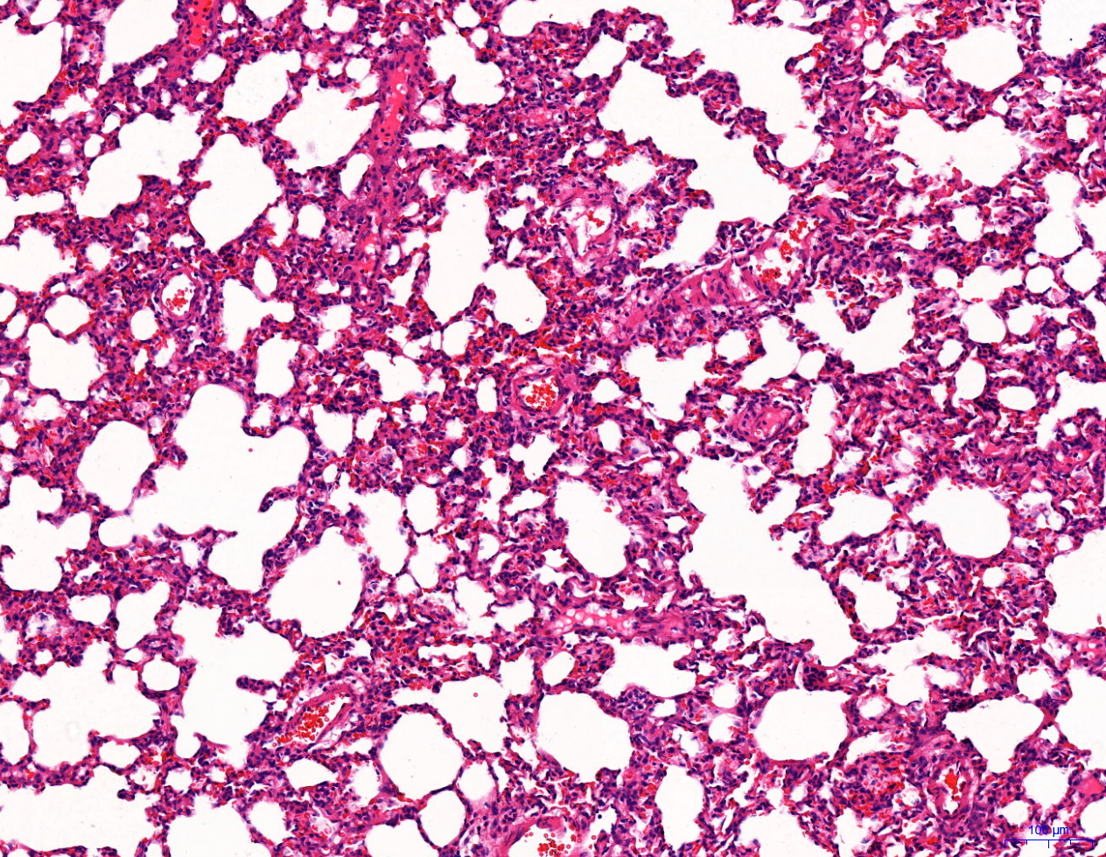
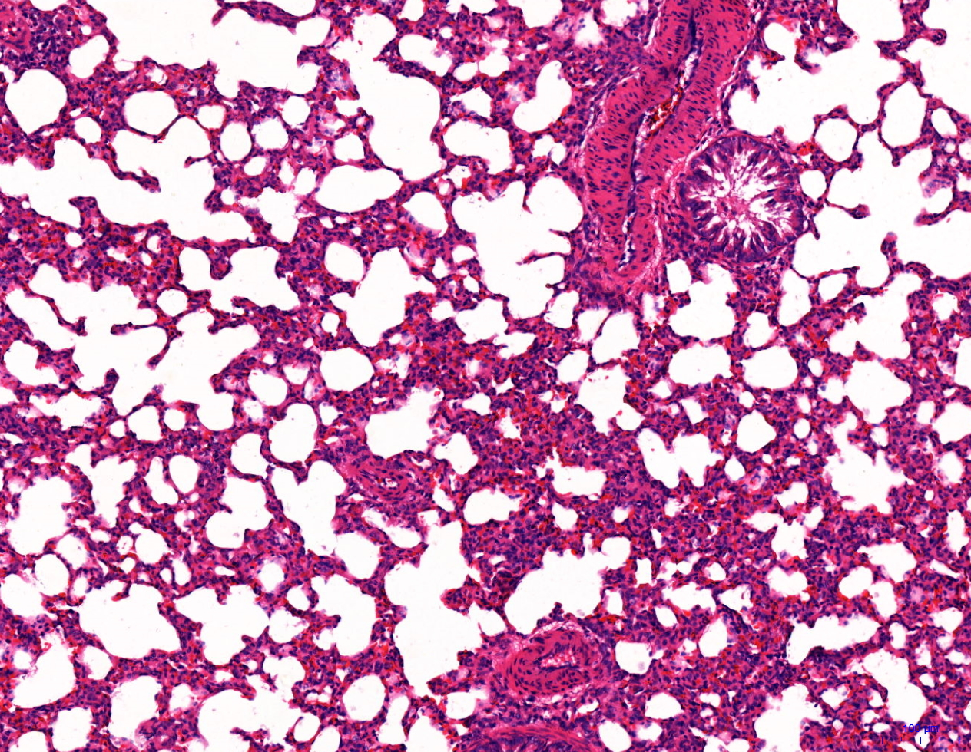
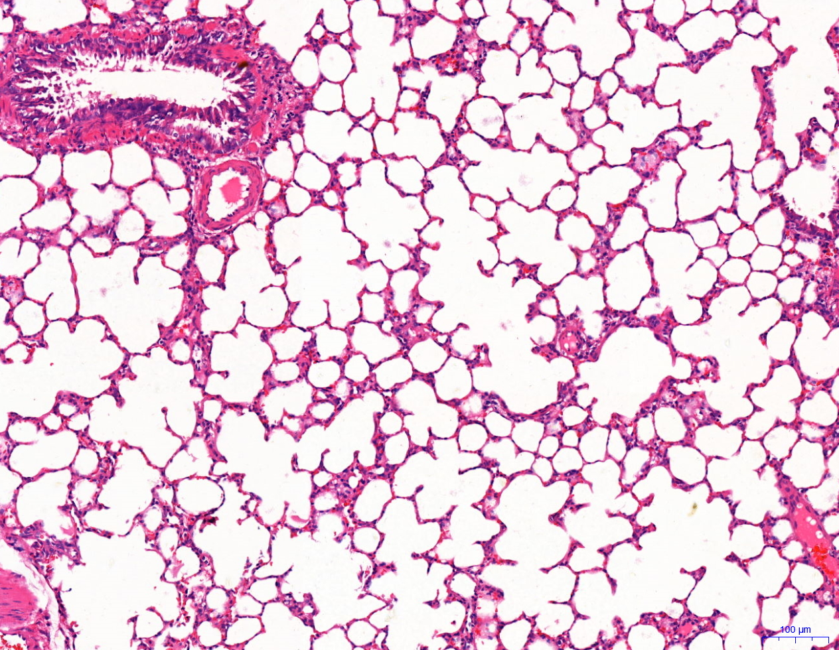

Normal oxygen group (×100) | Hypoxic group (×100) | Acetazolamide group (×100) | Roxadustat group (×100)

Pathological results of liver tissue in rats. Corresponding to Figure 6 in the text .

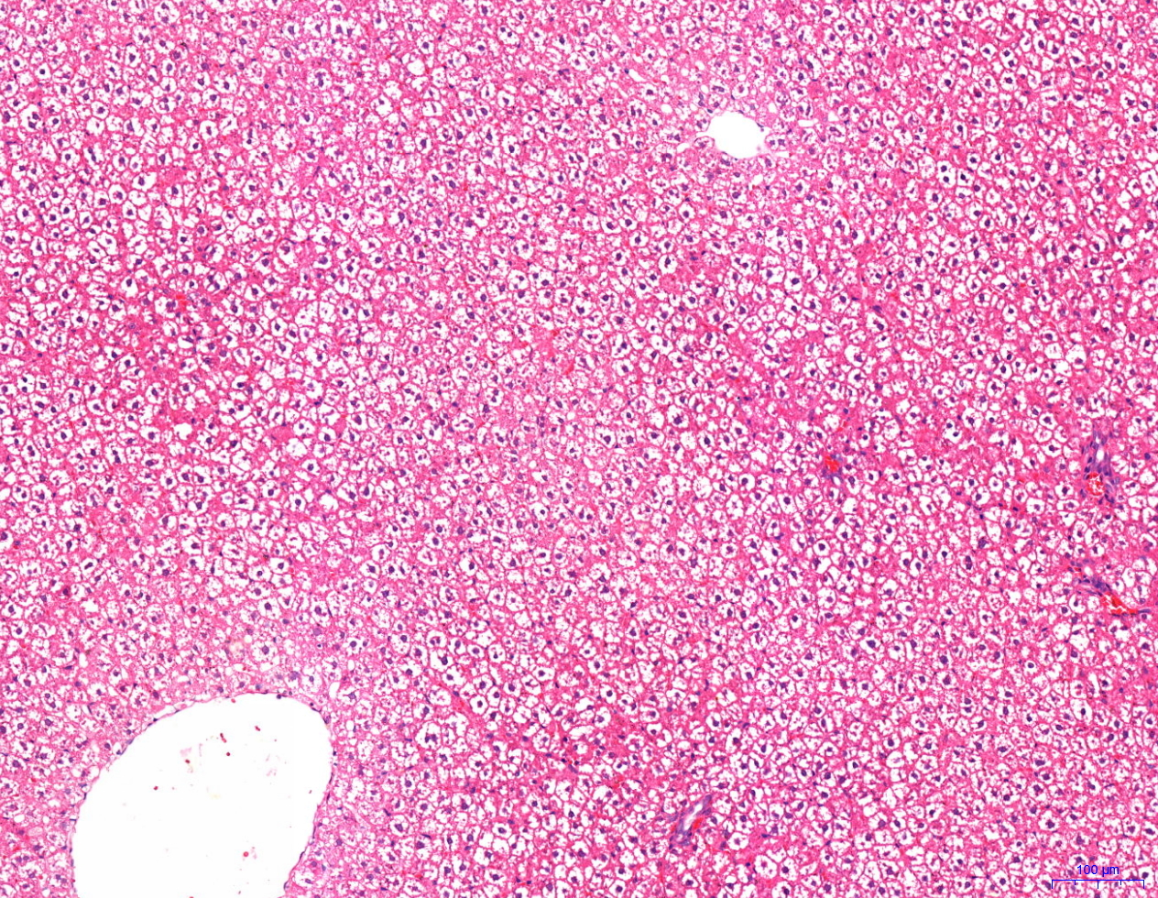
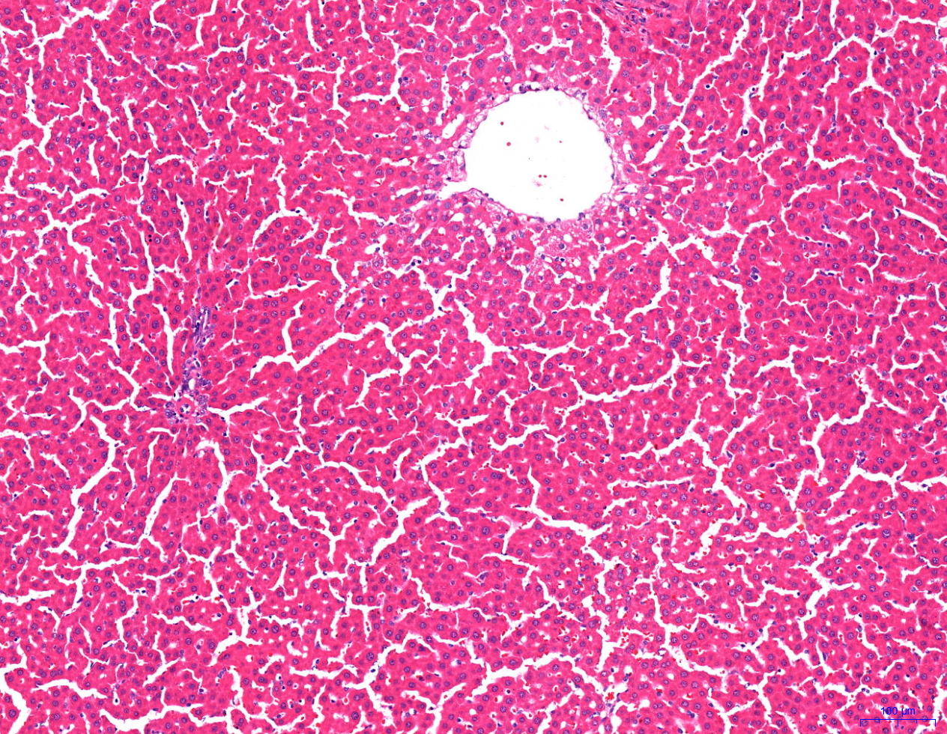
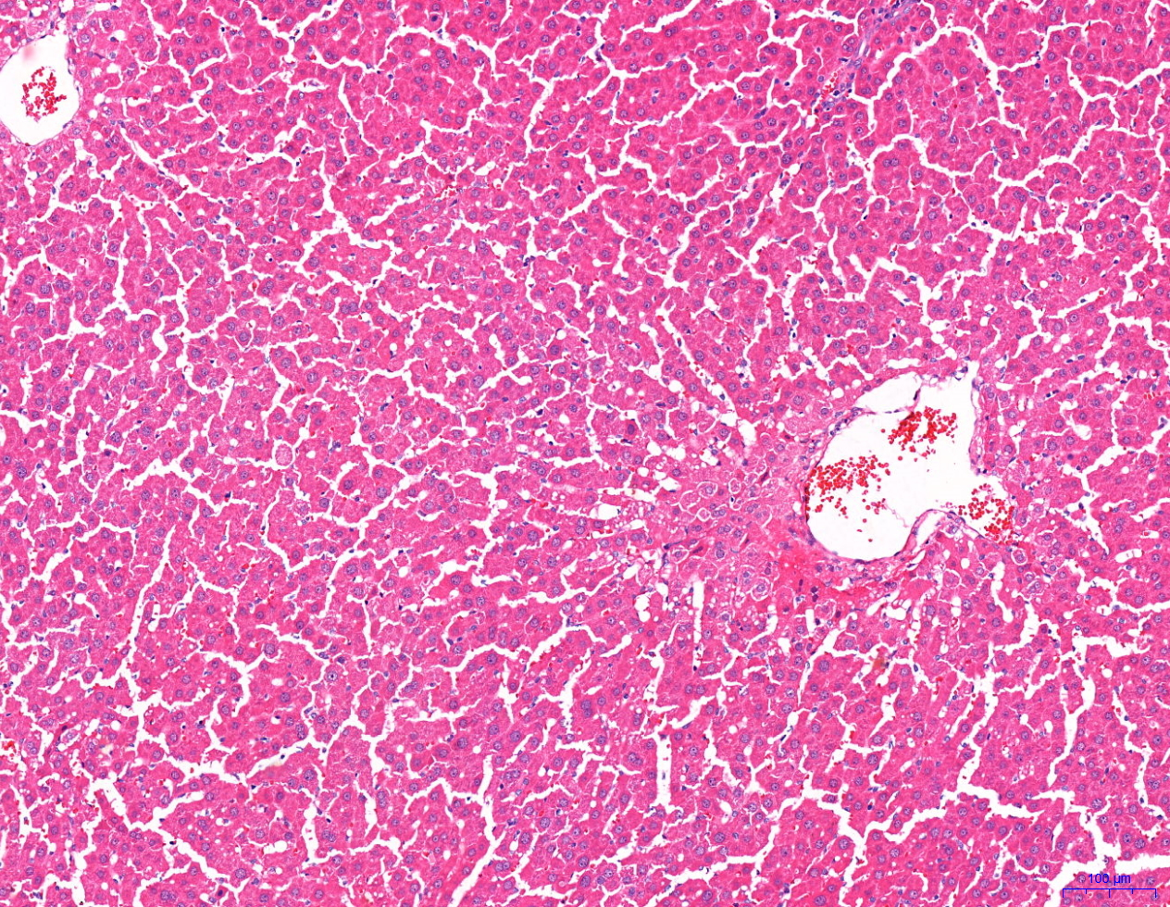
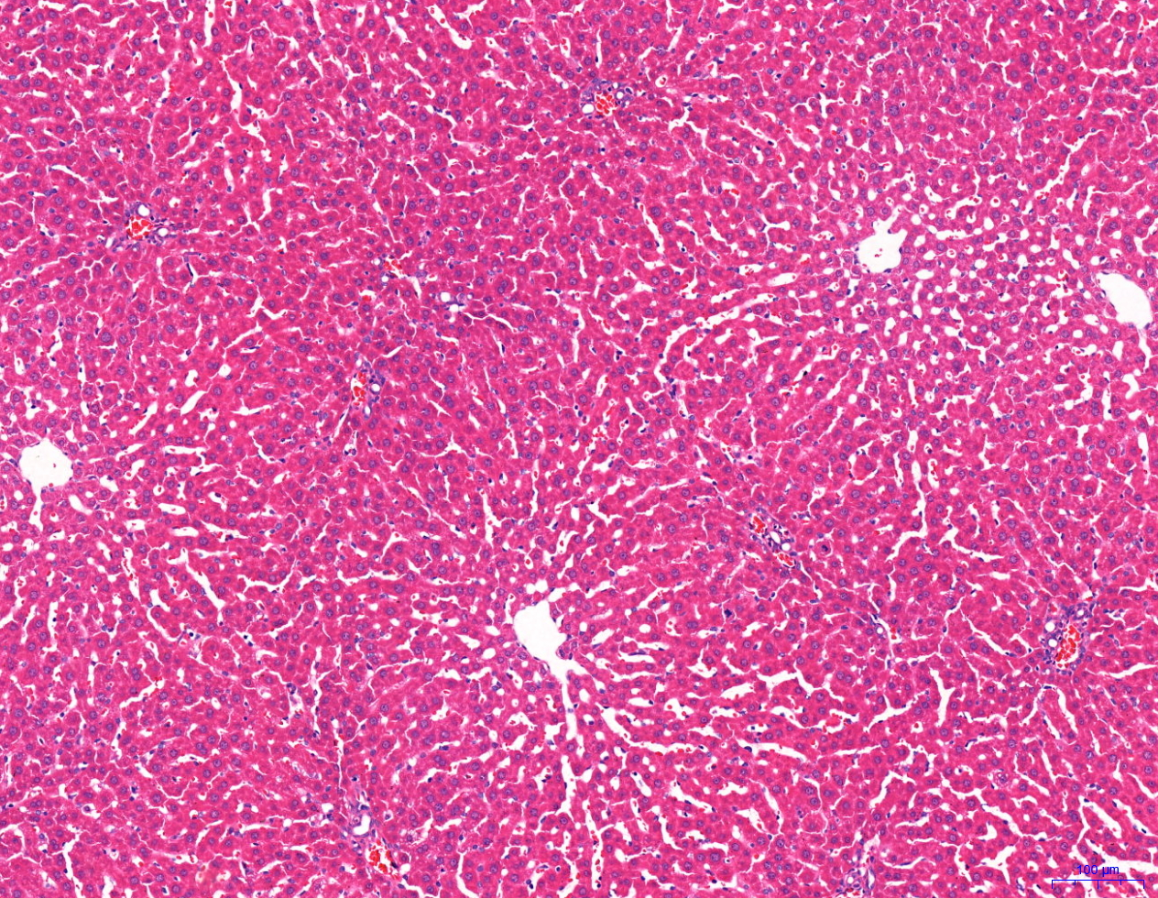

Normal oxygen group (×100) | Hypoxic group (×100) | Acetazolamide group (×100) | Roxadustat group (×100)

Pathological results of renal tissue in rats. Corresponding to Figure 7 in the text .

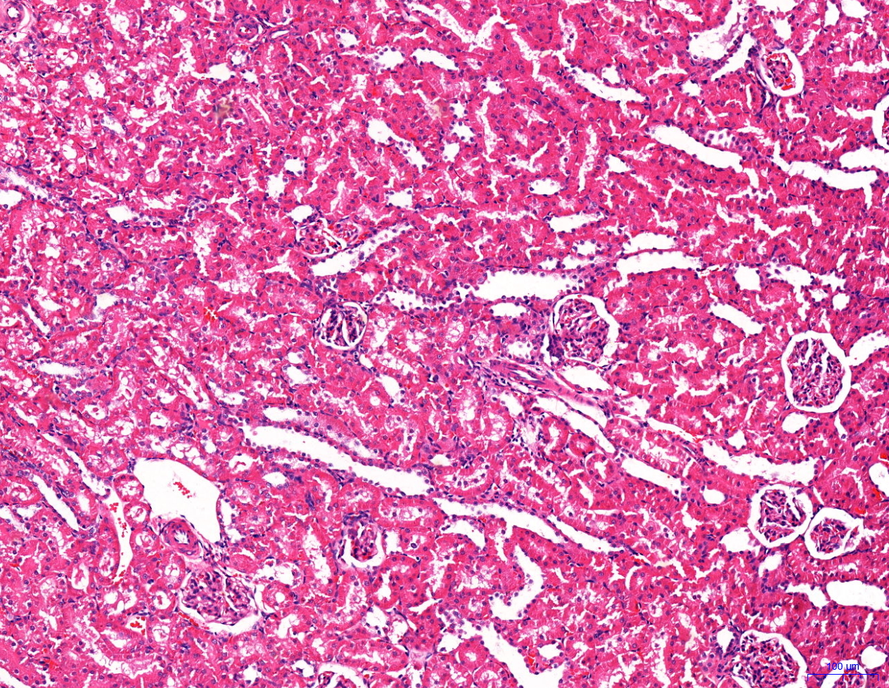
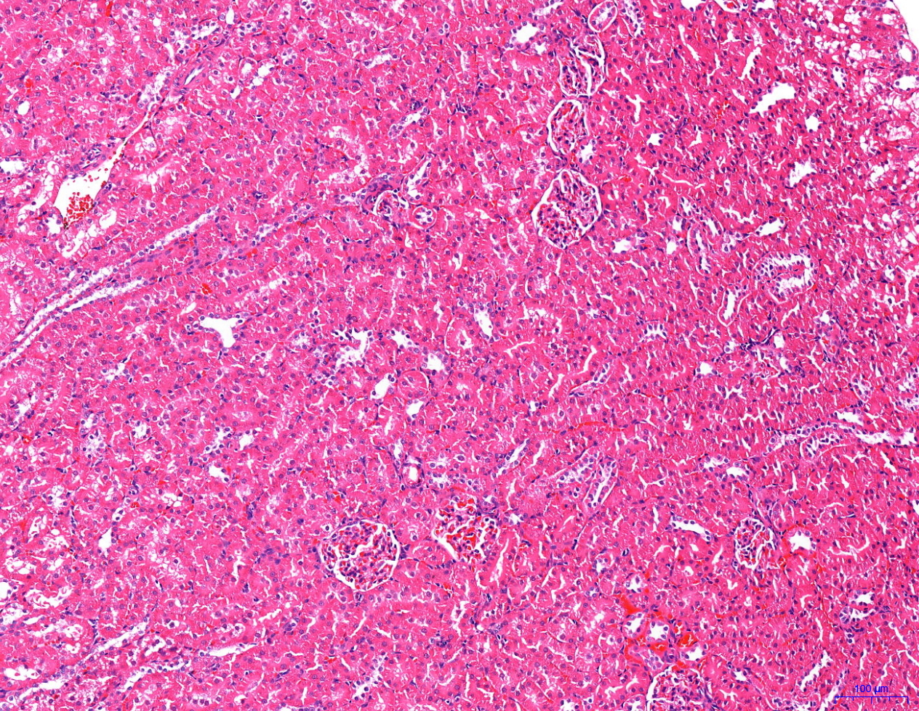
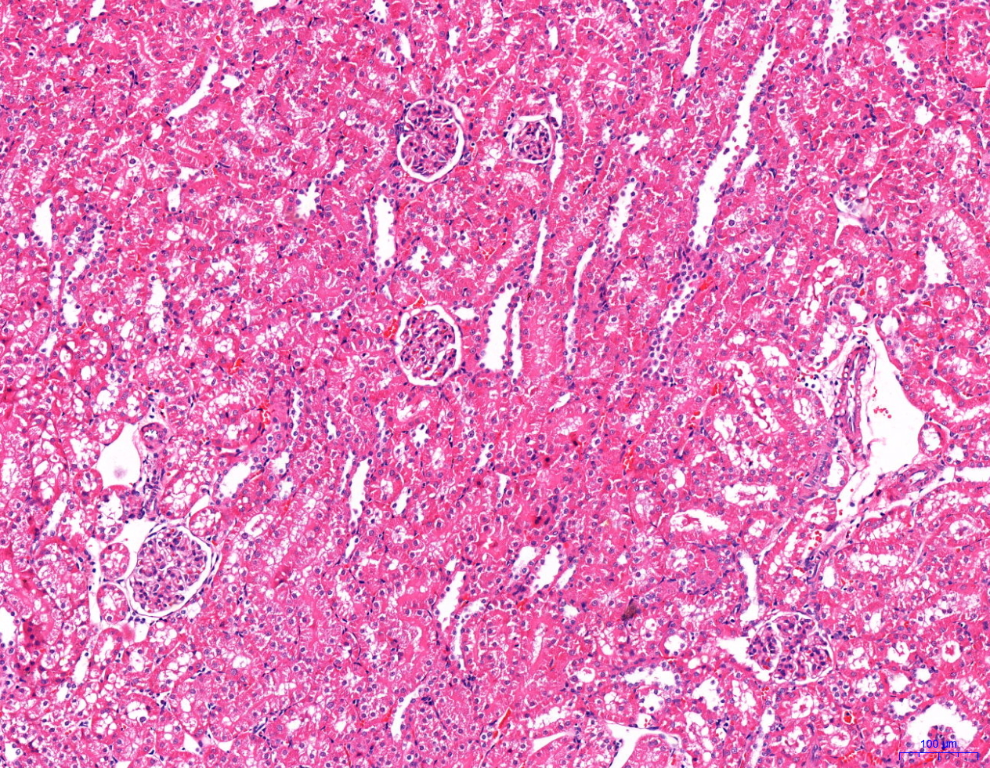
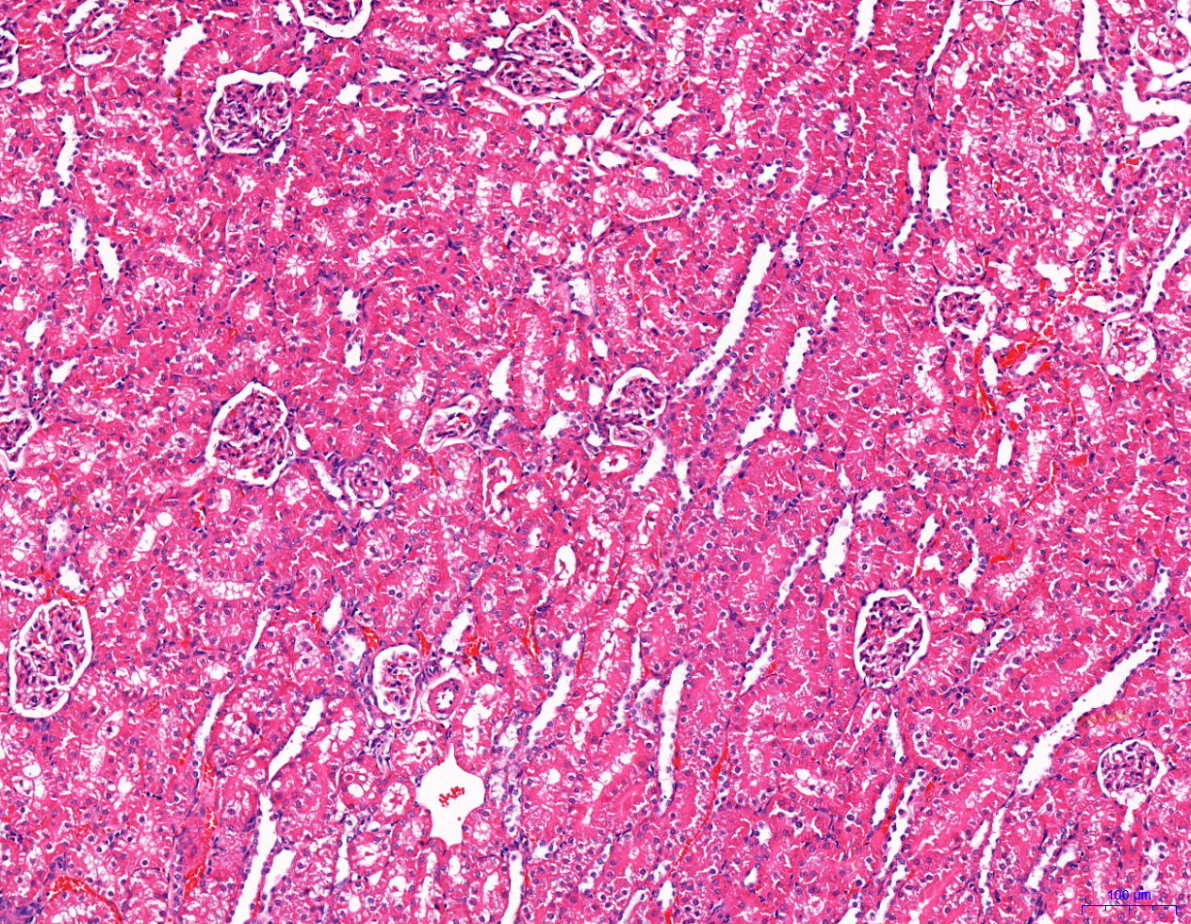

Normal oxygen group (×100) | Hypoxic group (×100) | Acetazolamide group (×100) | Roxadustat group (×100)

