Venn Diagram GC Bos Mus Sus
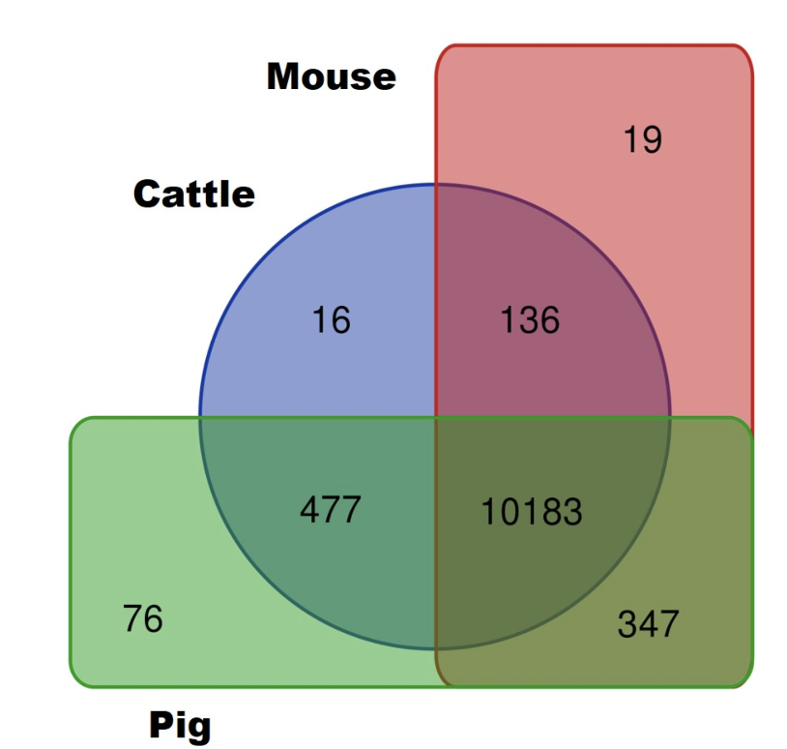

SPECIE - GERM CELLS | # | GENES
Cattle + Mouse | 136 | IRAK1 ESYT1 REEP6 EFCAB9 SHROOM1 SPX PTCRA UPK1B BRICD5 CDH20 EXOC3L4 IMPG2 URGCP KLK7 BORCS6 SPINK4 ADAP2 SFTPC HOXB7 IRF9 CBFA2T3 SLC6A2 SLC7A14 SYNE4 RDH5 KRT36 SPAG4 LANCL3 LSM5 COPS8 HNRNPAB MYO7A KCNB1 KCTD12 CASQ2 HOXB2 PRR3 FIBIN GPC5 FN1 CAPN6 CARD14 PXN CRYBB3 EME2 GXYLT2 SLC19A1 CHST2 HUNK LYPD6B MRM1 HOXB4 HOXD10 IKZF4 NAIF1 ADTRP TMEM229B ITGA7 FAM71D OTUD1 GABARAP NLRP3 FAM46B RASGEF1C CHRNB4 FN3KRP MEIS3 CCNC CASKIN1 PLIN1 MCTS1 FBXW5 CLEC2L COL2A1 SERPINE1 BTBD19 GNG13 NTN5 TGFBI CCDC116 LPAR4 RELT SHBG ECEL1 SPRY2 SMS TBC1D16 KIF23 IZUMO1 GPER1 AMDHD1 CDAN1 HIPK4 DMWD FAM89B BTBD17 LRRC25 ZCCHC3 MMEL1 ARHGAP23 PODNL1 CYP1A2 SEMA4G VSX1 ABCA7 TBC1D2 MYL2 TET3 SYNGAP1 FTH1 IRS2 PPP1R3F EPHB1 PGF SRD5A3 RGL2 NOD2 PIPOX CACNA1G PDE6A PTRHD1 B4GALNT4 KCNA2 DACT3 USP49 TEAD3 HOXB3 HOXD4 TNFRSF4 SARM1 CORO6 ADGRA2 ROBO2 HIVEP3 EMILIN3 TUBB4A
Cattle + Pig | 477 | PNMA1 XDH KLHL14 ZAR1L NOSTRIN BMP3 CRYGC CST7 CCL19 CD38 CFAP157 PABPC5 BPIFB2 SAMSN1 EMX2 TMEM125 ARHGAP15 ADRA1A BST1 HK3 KLKB1 BTK CLCA1 TFEC PDGFRB SLC34A3 SEMA3G SLC2A10 VWCE SPAG6 HOXA5 CALCOCO2 RNF43 FOLR2 ACTRT3 ITGA2 FSD2 PCDH12 F2RL2 TMEM182 ABCA6 TESPA1 CDHR4 CYSLTR1 OAS2 C5AR2 F10 TCTEX1D4 DUSP27 P2RY10 SLC15A3 CCDC85C KNG1 GPR84 TSPEAR SMCO1 CD84 ERMN HRC CCDC42 GPR63 DDO MARCO CD200R1 APOA4 MKX LY9 ATP2B3 ALB CKMT2 CIDEB CASP4 TMEM88B KLRB1 CCDC110 FAM20A GPNMB CSN3 ARL11 ELOVL3 GALNT13 CFAP73 POU2AF1 CNGA1 CCDC81 TH CD226 DGKB IL17RB ANG CSRNP3 CCDC149 MGAM ADGRD1 DSC3 B3GNT3 CRYGD CCR1 ADGRB3 IFNG OTOS CCDC33 GPR34 LHFPL1 STKLD1 CCL28 ALX4 KCNA5 GFAP ADAMTS13 CD96 TTC23L FABP4 CCDC85A NOV KLK1 TECRL ACOX2 TFPI2 DPP10 CDKL1 IL7 HHATL INSL3 TECTA NWD1 BSN APOBR CPLX3 CDH10 LRRC4C CEACAM16 SLC17A3 ACTC1 OXTR SLC25A21 STX19 INPP5J NDNF PLXNB3 TMEM140 TNF ATP8B4 BRINP3 PTGS2 IL21R HNF4G LRCH4 GRM1 ACKR2 GABRA1 HABP2 RGS1 PDE7B PCDHB6 XCL1 SLA2 ASB11 HAS3 NEK5 RSG1 LRRC23 PPFIA2 TBX18 NTF3 FGF5 ABCA9 PDCD1 GCNT3 ANKRD33 VSIG2 SPHKAP ACTA1 SHOX2 CFAP100 HIST2H2AB TSHR ZP2 HAVCR2 BMP5 HTRA4 SCN3B DRD1 CCDC183 NFE2 GIMAP8 PLEK FBP2 POU1F1 SLC2A13 TNFSF10 S100A5 TLR6 PIGR HOXA3 GUCY1B3 TMEM171 PNLIP TLL2 ACKR4 NALCN CPT1B HOXC5 TBXAS1 LRRN4 PAPPA2 ABCB5 HPGD RXFP1 IL12A CCL24 P2RY13 ARHGEF37 AFF2 CD244 IL2RA FAP PRKG1 GUCY1A2 GPR4 ITIH2 FAT3 NR1H4 ABCA4 TSSK4 TMEM163 GNB5 FMO2 MOGAT1 CPA5 WISP3 BCL3 SLC16A8 F12 CD69 TM6SF2 ATP10B GRIA2 NCF4 RGN GDA ADAM7 TRPM6 ANO5 ANGPT4 SERPINE3 HCRTR2 CRHBP FBXO24 GBGT1 STMND1 KCNQ5 MYLK2 HRH2 SLA SLC51B CSMD3 THPO CD8A LYPD3 FAM71A CD83 CD72 SPTLC3 BLK APOM ADAMTS6 SLIT1 PROC PARVG BPIFB1 F13A1 MMP8 SCAMP4 TREM2 CXCL2 TIAM2 SERPINA11 SLITRK3 TTLL9 MEOX2 EPYC TNFSF8 GAL3ST4 OIT3 SLC24A1 FSIP2 SLAMF7 VSTM2A PHEX SLC35G2 MCF2 HAO2 CDH7 TRAF3IP3 GABRA5 ARHGAP36 AGMO MASP1 TMEM247 TMLHE RESP18 CRB1 GULP1 COL12A1 GNB3 SEPTIN14 POU4F2 CCR9 SLC16A7 TMEM150B ANGPTL3 OSMR PTHLH STAT4 DEGS2 TMPRSS6 TMEM74 TEKT3 VEGFC GABRB2 GRIN2B L
Mouse + Pig | 347 | KCNG1 DIRAS1 TMEM132E SERPINF1 NOXO1 FOXP3 GPR55 NAT8L LYZL4 RGS4 FAM221B SPATA19 XCR1 FHDC1 FAM129B GPR157 FAM122B ARHGAP26 KCTD2 MALL PCYT1B AMOTL2 ADCYAP1R1 MMP24 TCTN3 TBC1D24 SYNPO2L SP7 ASB4 BMF TELO2 CNTD1 CBX4 DUPD1 IPPK SNX32 MASP2 KCNG3 SCARA3 IER5 HRH1 TMEM64 PRRG3 FAM168A RPP25 SLC2A2 BCL6B PDCD1LG2 NLRP12 MYLK3 FZD4 GPR75 NLRC3 CHST8 FAM109A SMAD3 LRRC75A SYN1 CCL17 MSI1 NR5A1 CAMKK1 RAB23 EDNRB RCVRN TUB DAPK2 GRHL3 NAGS MR1 TNFRSF12A PRICKLE2 KIF26A VPS37C CDYL2 ELK1 SLC35E4 SPNS2 CKLF 9-Mar IQSEC1 RHBDF2 ACVR1B FAAP100 SLC29A2 NHSL1 CFAP77 MYPOP B3GALT1 CLCF1 PDYN SLC25A43 GRAP2 INPP5E ITPK1 TMEM139 GDF15 UNC5A NOC4L FADS1 CSF3R SPIRE2 CABP1 TMEM200A CLSTN2 NUAK1 PDGFD CST11 TRIM35 LRRC19 EPHB3 TRIM14 MFAP3L PTGIR ART4 FCMR PARS2 DTX4 TBATA PALM PPP3CB TMEM236 RINL ARHGEF15 DYNLL1 TEX37 SRC TIRAP FAM78B CD22 ICOS ADGRA1 MUC13 RNF151 RPL10L HSPB7 P2RX7 EPHA8 SYT16 FCRL1 BARHL2 DUSP7 FGF11 EPHA2 KLF16 GREB1 CSF1 TLX2 ADORA2A MYO1H KCNC3 ALDH1B1 SLC44A1 PLEKHA7 MEGF9 JPH4 CABLES2 ADRB2 MSANTD1 KCNK12 SLCO4A1 STARD6 NFASC MLLT1 FOXRED2 TRIM7 UMODL1 FOXA1 ASIC2 GNAQ TMEM71 SOX8 BRSK2 RLN3 PDHA2 TMEM170B WSCD2 TSPAN9 PRKAR1B HFE ERAS CYB561D1 PI16 DNER MYOM3 NPAS3 FLRT1 WISP2 KCNK6 XK WSCD1 LRRN1 SNX33 CACNG5 CCL22 ACSM3 B3GNT7 CD6 TLCD2 ADCY3 CELF5 TNFAIP8L3 GABRE SLC16A2 DGKQ NR1D2 OTUB2 VWA3A EFR3B DHH FAM187B PDP2 TMC5 BTBD11 GDF11 MAMDC4 EFCC1 CENPB CCNF COL26A1 FAM46C HPSE CX3CR1 ROR1 FLT4 TRIM62 MAST3 TTC26 CASS4 PTGER3 KIF26B HECA RNF122 UAP1L1 SLC15A4 SGIP1 TRIM65 SNX31 FAM171A1 NR2E1 ASAP3 BHLHE22 FZD7 P2RX6 TIFAB EGR2 LZTS1 ZBTB39 ATG16L2 SPRED3 BCO1 SRCIN1 RGS5 SEMA5B LURAP1 IGSF10 FPGS BRAT1 SLITRK5 TEX35 SYK MSI2 IKBKE MBD3 SERPINB10 ZMIZ1 STC2 PRSS57 MFHAS1 SCN2B TIGD5 DAPK1 FOSL1 NPTXR SLC25A53 SIDT1 SSTR2 FOXJ1 HTR7 INSRR FAM163A PPFIA3 SLC38A4 VSIG10L ITPRIPL2 BMP6 DEF8 KCND3 PDE6H TRPM2 KCNMB3 CAND2 DRP2 GPR182 SCARF2 HIST2H2AC CER1 TMED8 ARSG SOCS1 PQLC1 ALDH1A3 RORC VGF HAMP LIMK1 MMP19 HCRT ESR2 BEAN1 ADAMTS18 TICAM1 PLCB2 VEPH1 SEMA3
Cattle | 16 | PCDHGA3 TNFRSF11B GRIN2C C7 HTR2B MS4A14 NPFFR2 PCDHGB4 ESPNL LRRTM2 CXCR6 PCSK1 ENDOU ABCC2 NANOG LRRC69
Mouse | 19 | SLC23A1 NEURL1B SLC9A5 GPRIN3 TEPP SNED1 GPR153 MAFK COX7B RBPJL C2CD4D FZD8 LRRC8B GDPD2 MEX3A PURB KCNK4 NCMAP DACT1
Pig | 76 | PDZD3 CGA DCX IL23A TIGD4 P2RX1 CLEC5A LRG1 TBX22 IGSF6 TNFSF15 XKR5 KERA EGR3 ZSCAN25 ANKS4B GPR132 NIPAL4 GPR18 RGS18 GALNT15 ADAMTS15 RPS6KL1 HOXD3 F5 GPR101 PIGZ ANGPTL7 PLET1 TNMD LRFN2 LCTL SLC28A2 CHRM2 KCTD16 SLC2A9 PCDHB15 C5AR1 F7 FGF1 EPGN GGN CCM2L GPR174 IL18RAP GCSAM CATSPERB LY6D CD4 GALNT5 CLDN2 COLGALT2 PGLYRP2 DOK6 POPDC2 GPR183 SLAMF9 KCNIP4 GABRA3 CCDC190 ADGRG5 AOC1 CD79B MGAT4C SMIM5 HMCN2 FUT7 SLC8A3 ABHD15 MYLK4 P2RY12 THRSP ALDH3B2 CD80 NCR1 FAM180A

