Description
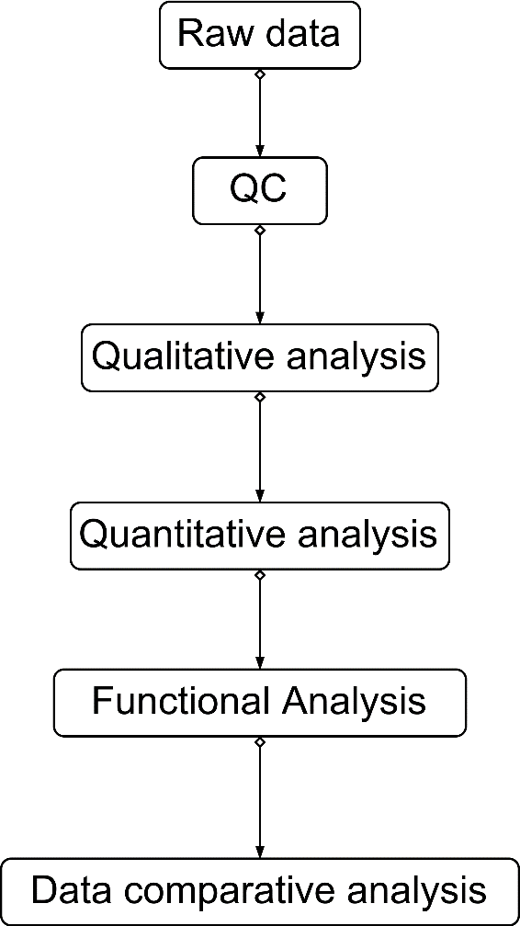
README for Supplementary Table 1
This supplementary table contains 3 tabs as follows:
Figure1. Overview of the experimental design and the data processing flow of samples for proteomics and phosphoproteomics analyses.
tab 1. Proteomics sample pretreatment method flow

tab 2. Phosphoproteomics sample pretreatment method flow

tab 3.Data processing flow

