supplementary file 8-A
Pathway | Enrichment | P | Count
nuclear receptor activity | 83.661230769 | 1.3359671774E-30 | 18
ligand-activated transcription factor activity | 83.661230769 | 1.3359671774E-30 | 18
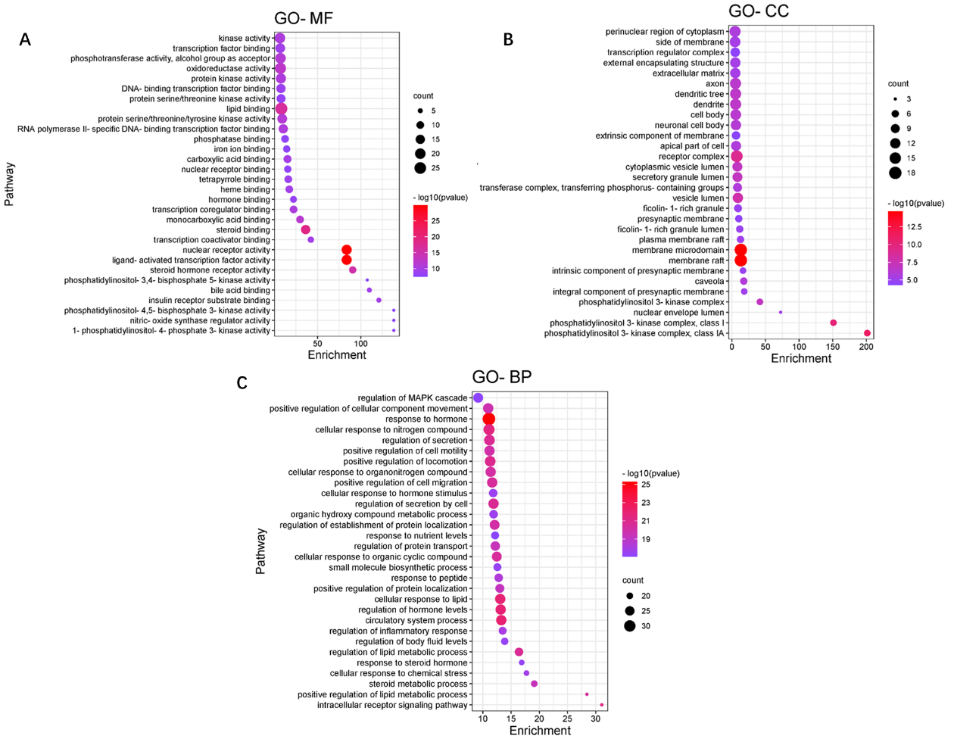
steroid binding | 36.2532 | 1.4132258968E-19 | 15
lipid binding | 8.2082716981 | 2.3059897069E-17 | 27
steroid hormone receptor activity | 90.633 | 3.2892433693E-16 | 9
oxidoreductase activity | 7.2243695652 | 3.7914445369E-13 | 22
monocarboxylic acid binding | 29.838024691 | 1.4944782481E-12 | 10
protein serine/threonine/tyrosine kinase activity | 9.21232287 | 5.1540103134E-12 | 17
phosphotransferase activity, alcohol group as acceptor | 7.2038152012 | 5.2374299839E-12 | 20
RNA polymerase II-specific DNA-binding transcription factor binding | 10.447608069 | 1.7115351718E-11 | 15
protein kinase activity | 7.7134468085 | 2.1918580007E-11 | 18
kinase activity | 6.6306721536 | 2.3135787599E-11 | 20
transcription coregulator binding | 22.378518519 | 2.8054745119E-11 | 10
carboxylic acid binding | 15.367445087 | 1.6623699435E-10 | 11
insulin receptor substrate binding | 120.844 | 2.7726877587E-10 | 5
transcription coactivator binding | 42.2954 | 2.9156103786E-10 | 7
heme binding | 17.387625899 | 3.4659375276E-10 | 10
transcription factor binding | 6.916996633 | 4.3839594457E-10 | 17
bile acid binding | 109.85818182 | 5.0664378571E-10 | 5
tetrapyrrole binding | 16.220671141 | 6.8603843901E-10 | 10
DNA-binding transcription factor binding | 7.7298933902 | 1.1184878481E-09 | 15
hormone binding | 22.224183908 | 3.04409729E-09 | 8
protein serine/threonine kinase activity | 7.8506542923 | 3.4106943249E-09 | 14
nuclear receptor binding | 15.648863309 | 6.9232708164E-09 | 9
phosphatase binding | 12.522694301 | 8.411517711E-09 | 10
nitric-oxide synthase regulator activity | 138.10742857 | 9.6807524861E-09 | 4
1-phosphatidylinositol-4-phosphate 3-kinase activity | 138.10742857 | 9.6807524861E-09 | 4
phosphatidylinositol-4,5-bisphosphate 3-kinase activity | 138.10742857 | 9.6807524861E-09 | 4
iron ion binding | 14.405245033 | 1.4297011344E-08 | 9
phosphatidylinositol-3,4-bisphosphate 5-kinase activity | 107.41688889 | 3.4627787805E-08 | 4

