KEGG
Pathway | Enrichment | P | Count
Pathways in cancer | 15.93047081 | 3.4829953309E-32 | 35
Endocrine resistance | 46.857877551 | 8.2740036186E-27 | 19
Chemical carcinogenesis - receptor activation | 25.080830189 | 1.2214207566E-24 | 22
Lipid and atherosclerosis | 24.730865116 | 1.6746558268E-24 | 22
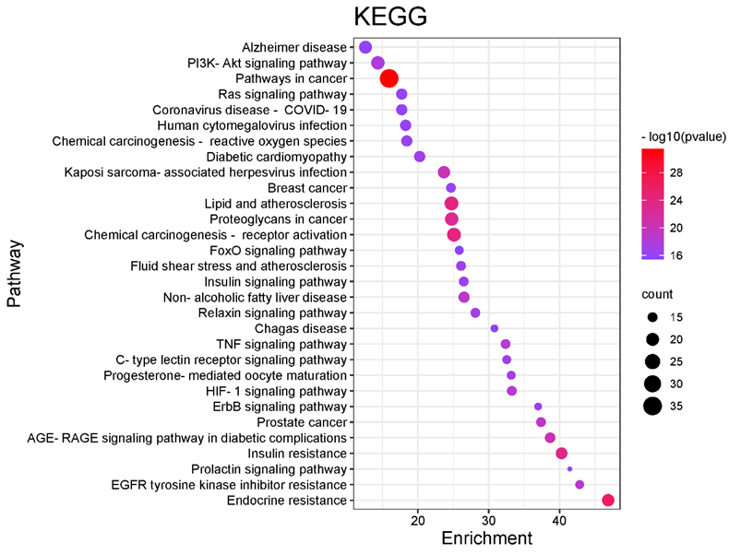
Insulin resistance | 40.281333333 | 3.6105552451E-24 | 18
Proteoglycans in cancer | 24.758282927 | 1.9756850877E-23 | 21
AGE-RAGE signaling pathway in diabetic complications | 38.67008 | 2.748399047E-21 | 16
Kaposi sarcoma-associated herpesvirus infection | 23.670474227 | 6.7287239922E-21 | 19
Prostate cancer | 37.37443299 | 8.7214825268E-20 | 15
Non-alcoholic fatty liver disease | 26.507716129 | 1.1966175018E-19 | 17
EGFR tyrosine kinase inhibitor resistance | 42.83078481 | 2.020076551E-19 | 14
HIF-1 signaling pathway | 33.259816514 | 5.4924676642E-19 | 15
TNF signaling pathway | 32.368928571 | 8.4036896344E-19 | 15
PI3K-Akt signaling pathway | 14.337423729 | 1.8247847662E-18 | 21
Relaxin signaling pathway | 28.103255814 | 7.5536656235E-18 | 15
Progesterone-mediated oocyte maturation | 33.172862745 | 8.9189458904E-18 | 14
C-type lectin receptor signaling pathway | 32.534923077 | 1.1845746246E-17 | 14
Diabetic cardiomyopathy | 20.239881773 | 1.2449332291E-17 | 17
Insulin signaling pathway | 26.462189781 | 1.9076059519E-17 | 15
Fluid shear stress and atherosclerosis | 26.081438849 | 2.3827470694E-17 | 15
ErbB signaling pathway | 36.964047059 | 3.154236196E-17 | 13
Breast cancer | 24.662040816 | 5.6087405032E-17 | 15
Chemical carcinogenesis - reactive oxygen species | 18.42464574 | 6.1223060542E-17 | 17
Human cytomegalovirus infection | 18.260871111 | 7.1180366499E-17 | 17
Ras signaling pathway | 17.709896552 | 1.1927381909E-16 | 17
Coronavirus disease - COVID-19 | 17.709896552 | 1.1927381909E-16 | 17
Prolactin signaling pathway | 41.432228571 | 1.273281112E-16 | 12
Alzheimer disease | 12.587916667 | 1.5680049521E-16 | 20
FoxO signaling pathway | 25.829251908 | 3.3229280189E-16 | 14
Chagas disease | 30.803372549 | 3.7654978625E-16 | 13

