OVERHEAD
Machines needed |  | Assuming 2 lines |  |  |  |  | Working and handling (additional space for handling equipment and working space) |  |  |  |  | (Rough) Assumptions, based on[53]
Machine | Amount needed per line | Throughput per machiine | Width | Length | Height | Area per machine | Add to width | Add to length | Total Area including working space/handling |  |  | Line total length 105m, assumed to consist of three parallel segments of 35m
 | # | m2/hour | m | m | m | m2 | m | m | m2 | Source | Comment | On outer most machines, an extra width and length (one side) of 3m is assumed --> one segment of 35m total has this for width, all equipment next to the wall has this for length
Glass washing | 2 | 270 | 2.1 | 7.37 | 2.73 | 15.477 | 5 | 5 | 175.654 | [73] | For FTO glass and back sheet washing | Between parallel equipment in a cluster, 4m (2m on each side of equipment)
TiO2 sputtering | 1 | 90 | 2.2 | 5.7 | 2.2 | 12.54 | 5 | 4 | 69.84 | (T.Kroyer, personal communication, April 9, 2021) & [53] | Throughput Based on 30 nm TiO2, can be up to 10 times faster on industrial machine | Between "series" connected equipment, 4m is assumed (2m on each side) for handling equipment (e.g. conveyor belts that connects them, where modules can also wait and rest between stages)
Laser scribing | 3 | 88.2 | 3 | 6 | 3 | 18 | 5 | 4 | 240 | [74],[75]
Screen printer | 1 | 188.2584 | 1.4 | 6.4 | 1.5 | 8.96 | 5 | 4 | 66.56 | [53]
Slot die coater | 2 | 150 | 2 | 4 | 2 | 8 | 5 | 5 | 126 | Throughput from [76] | Size based on blade coater from [75]
Conveyor oven, m-TiO2 | 1 | 88.1792 | 2.4 | 35 | 3 | 84 | 4 | 6 | 262.4 | [53]
Conveyor oven, perovskite & carbon | 2 | 88.1792 | 2.4 | 14.1 | 3 | 33.84 | 4 | 5 | 244.48 | [53]
Lamination machine | 2 | 51.84 | 1.5818181818 | 14.224390244 | 1.7 | 22.500399113 | 4 | 4 | 203.45046563 | [77] | Scaled down from [77]
Bus bar attach | 1 | 89.153046062 | 2.5 | 5 | 2 | 12.5 | 4 | 4 | 58.5 | [78] throughput, [79] dimensions
J-box attach | 1 | 89.153046062 | 2.5 | 2.5 | 2 | 6.25 | 4 | 4 | 42.25 | [78] throughput and dimensions
Testing | 1 | 89.153046062 | 1 | 2.5 | 2 | 2.5 | 5 | 4 | 39 | [78] throughput, [79] dimensions
Packing | 1 | 89.153046062 | 2.5 | 2.5 | 2 | 6.25 | 5 | 5 | 56.25 | [78] throughput and dimensions
Total net manufacturing area |  |  | 25.581818182 | 105.29439024 |  | 230.81739911 |  |  | 1584.3844656
Total gross manufacturing area per line |  |  |  |  |  |  | 4 | 4 | 1918.8190834 |  | Add 4 m width and length to total [53]
Total gross manufacturing area(2 lines) |  |  |  |  |  |  |  |  | 3837.6381668
Support area |  |  |  |  |  |  |  |  | 383.76381668 |  | 10% of gross [308]
Logistics area |  |  |  |  |  |  |  |  | 383.76381668 |  | 10% of gross [308]
Facility area |  |  |  |  |  |  |  |  | 575.64572502 |  | 15% of gross [308]
Administration area |  |  |  |  |  |  |  |  | 383.76381668 |  | 10% of gross [308]
Total building area |  |  |  |  |  |  |  |  | 5564.5753419

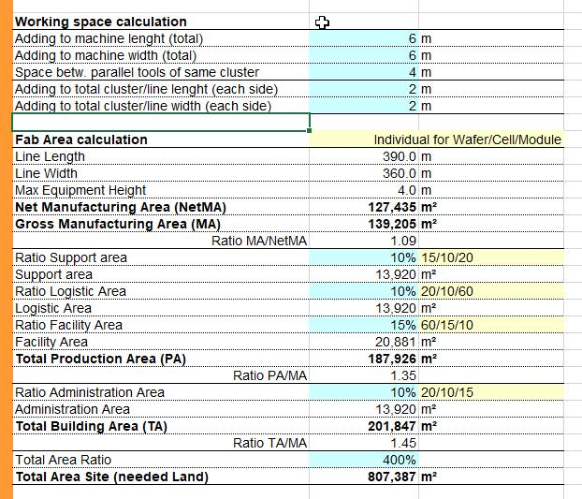
Electricity use [53]
 | Area | Electricity | Electricity | Electricity
 | m2 | Wh/m2/h | kWh/h | kWh/m2
Heating, ventilation and airconditioning
Gross manufacturing area | 3837.6381668 | 100 | 383.76381668 | 2.1760450122
Support, logistic, administration and facility areas | 1726.9371751 | 30 | 51.808115252 | 0.29376607665
Lighting etc.
Gross manufacturing area | 3837.6381668 | 30 | 115.129145 | 0.64568262157
Support, logistic, administration and facility areas | 1726.9371751 | 20 | 34.538743501 | 0.19370478647
Total | 5564.5753419 |  | 435.57193193 | 3.3091984969

